Table 1

Selected Acquisition Report (SAR)
RCS: DD-A&T(Q&A)823-549
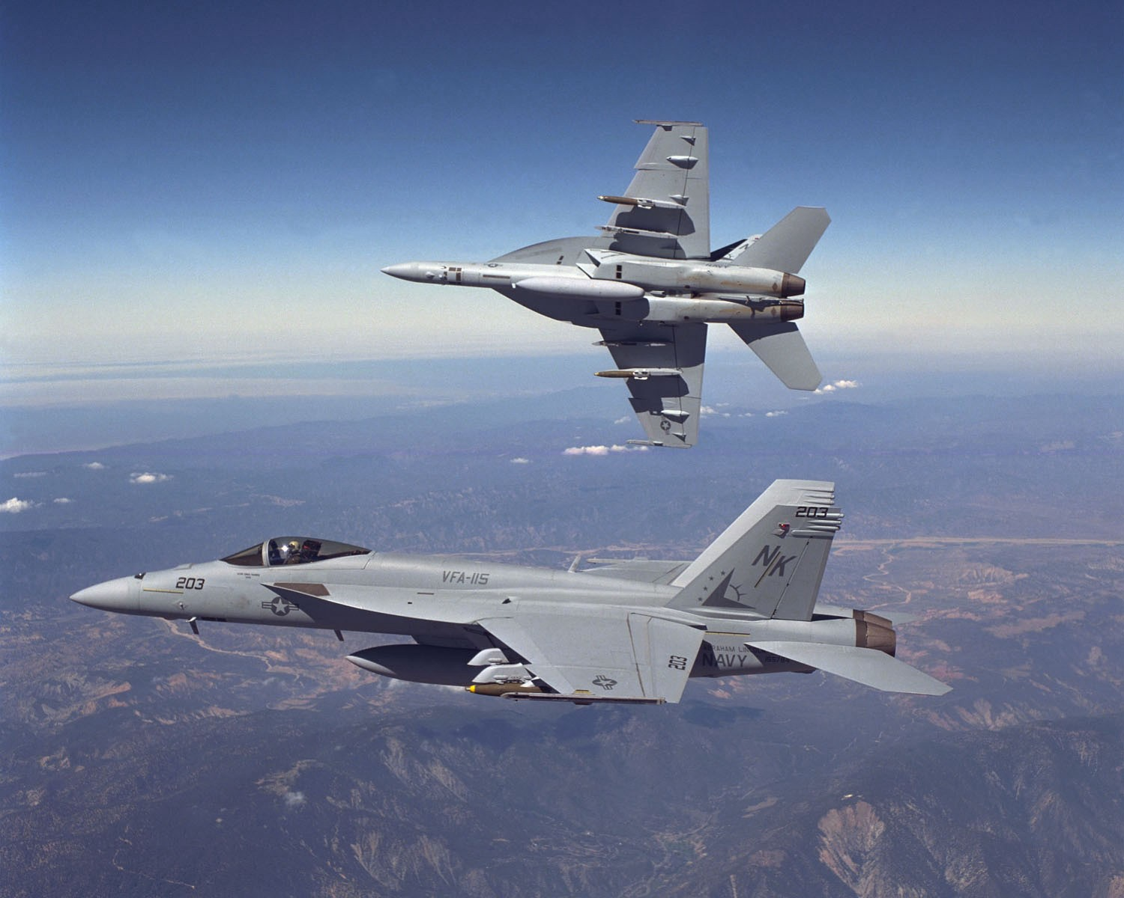
F/A-18E/F Super Hornet Aircraft (F/A-18E/F)
As of December 31, 2012
Defense Acquisition Management Information Retrieval
(DAMIR)

Table 24
Unit Cost History
 |  |  |  |  |  |  |  |  |  | BY2000 $M |  |  |  |  | TY $M
 |  |  |  |  | Date |  |  |  |  | PAUC |  | APUC |  |  | PAUC |  |  | APUC
Original APB |  |  |  |  | JUN 1992 |  |  |  |  | 65.942 |  | 59.970 |  |  | 94.583 |  |  | 88.750
APB as of January 2006 |  |  |  |  | JUL 2003 |  |  |  |  | 86.175 |  | 75.505 |  |  | 91.968 |  |  | 81.871
Revised Original APB |  |  |  |  | N/A |  |  |  |  | N/A |  | N/A |  |  | N/A |  |  | N/A
Prior APB |  |  |  |  | JUL 2003 |  |  |  |  | 86.175 |  | 75.505 |  |  | 91.968 |  |  | 81.871
Current APB |  |  |  |  | FEB 2011 |  |  |  |  | 83.815 |  | 73.381 |  |  | 91.867 |  |  | 82.031
Prior Annual SAR |  |  |  |  | DEC 2011 |  |  |  |  | 82.395 |  | 71.961 |  |  | 90.263 |  |  | 80.427
Current Estimate |  |  |  |  | DEC 2012 |  |  |  |  | 82.927 |  | 72.247 |  |  | 90.686 |  |  | 80.618
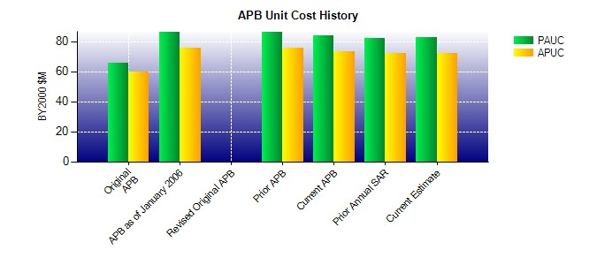
SAR Unit Cost History
Initial SAR Baseline to Current SAR Baseline (TY $M)
Initial PAUC Dev Est | Changes |  |  |  |  |  |  |  |  |  |  |  |  |  |  |  | PAUC Prod Est
 | Econ |  | Qty |  |  | Sch | Eng |  | Est |  | Oth |  | Spt |  | Total
94.583 -16.460 25.278 1.930 -2.510 0.670 0.000 -12.580 -3.672 90.911
Current SAR Baseline to Current Estimate (TY $M)
PAUC Prod Est |  | Changes |  |  |  |  |  |  |  |  |  |  |  |  |  | PAUC Current Est
 |  | Econ |  | Qty |  | Sch | Eng | Est |  |  | Oth |  | Spt | Total
90.911 0.460 -4.853 2.010 0.468 -2.520 0.000 4.210 -0.225 90.686

