Table 1

Selected Acquisition Report (SAR)
RCS: DD-A&T(Q&A)823-367
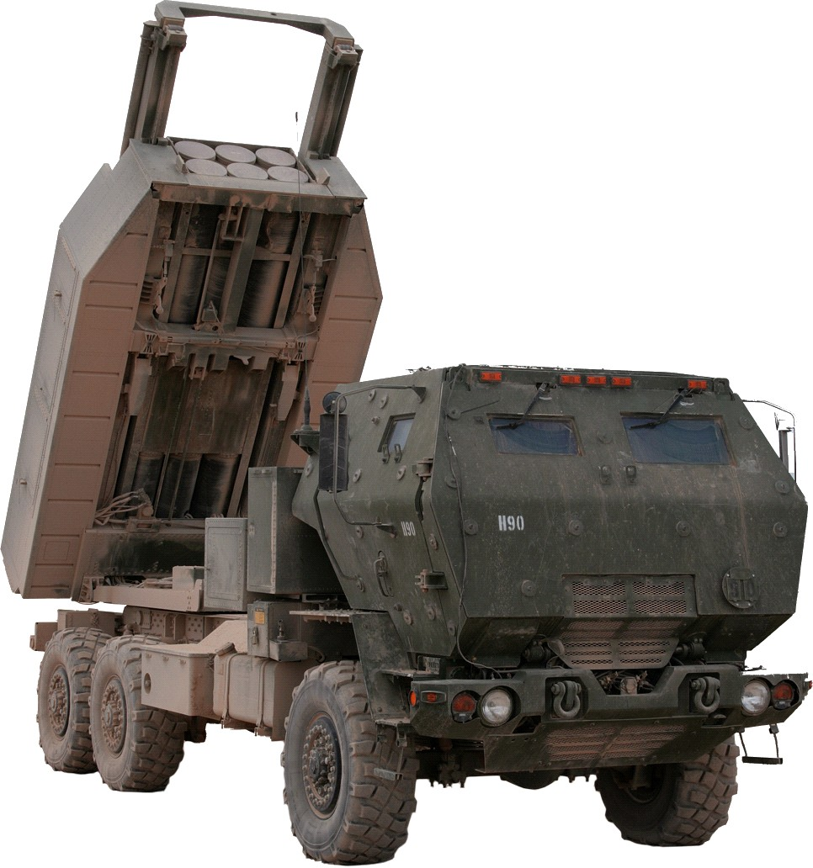
HIMARS
As of December 31, 2011
Defense Acquisition Management Information Retrieval
(DAMIR)

Table 6
Schedule

Milestones | SAR Baseline Prod Est | Current APB Production Objective/Threshold |  | Current Estimate
Milestone B | DEC 1999 | DEC 1999 | JUN 2000 | DEC 1999
Milestone C | MAR 2003 | MAR 2003 | SEP 2003 | MAR 2003
LRIP Contract Award | APR 2003 | APR 2003 | OCT 2003 | APR 2003
IOTE
Start | SEP 2004 | SEP 2004 | MAR 2005 | SEP 2004
Finish | DEC 2004 | DEC 2004 | JUN 2005 | NOV 2004
FRP IPR | JUN 2005 | JUN 2005 | DEC 2005 | JUN 2005
FUE | MAR 2005 | MAR 2005 | SEP 2005 | MAR 2005
Acronyms And Abbreviations
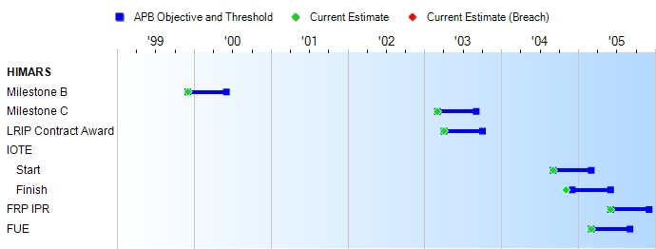
FRP - Full Rate Production FUE - First Unit Equipped
IOTE - Initial Operational Test and Evaluation IPR - Interim Program Review
LRIP - Low Rate Initial Production
Change Explanations
None

Table 19
Unit Cost History
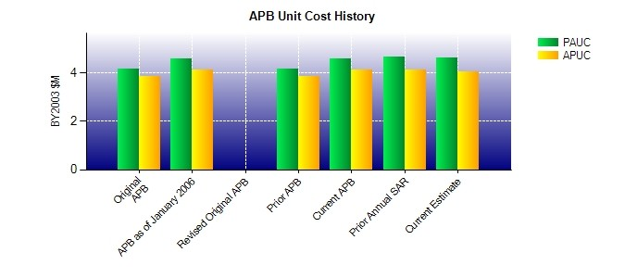
SAR Unit Cost History
Initial SAR Baseline to Current SAR Baseline (TY $M)
 |  |  |  |  |  |  |  |  |  |  | BY2003 $M |  |  |  |  |  |  | TY $M
 |  |  |  |  | Date |  |  |  |  |  | PAUC |  |  | APUC |  |  |  | PAUC |  |  | APUC
Original APB |  |  |  |  | MAR 2003 |  |  |  |  |  | 4.152 |  |  | 3.853 |  |  |  | 4.909 |  |  | 4.589
APB as of January 2006 |  |  |  |  | AUG 2005 |  |  |  |  |  | 4.587 |  |  | 4.125 |  |  |  | 5.196 |  |  | 4.733
Revised Original APB |  |  |  |  | N/A |  |  |  |  |  | N/A |  |  | N/A |  |  |  | N/A |  |  | N/A
Prior APB |  |  |  |  | MAR 2003 |  |  |  |  |  | 4.152 |  |  | 3.853 |  |  |  | 4.909 |  |  | 4.589
Current APB |  |  |  |  | AUG 2005 |  |  |  |  |  | 4.587 |  |  | 4.125 |  |  |  | 5.196 |  |  | 4.733
Prior Annual SAR |  |  |  |  | DEC 2010 |  |  |  |  |  | 4.678 |  |  | 4.107 |  |  |  | 5.284 |  |  | 4.705
Current Estimate |  |  |  |  | DEC 2011 |  |  |  |  |  | 4.617 |  |  | 4.045 |  |  |  | 5.225 |  |  | 4.645
Initial PAUC Dev Est | Changes |  |  |  |  |  |  |  |  |  |  |  |  |  |  |  |  |  |  | PAUC Prod Est
 | Econ |  | Qty |  |  | Sch |  | Eng |  | Est |  |  | Oth |  |  | Spt |  | Total
4.824 0.000 0.000 0.000 0.000 -0.014 0.000 0.099 0.085 4.909
Current SAR Baseline to Current Estimate (TY $M)
PAUC Prod Est |  | Changes |  |  |  |  |  |  |  |  |  |  |  |  |  |  |  |  | PAUC Current Est
 |  | Econ |  | Qty |  |  | Sch |  | Eng | Est |  | Oth |  |  | Spt |  | Total
4.909 0.620 0.486 -0.045 0.104 -0.410 0.000 -0.439 0.316 5.225

