Table 1

Selected Acquisition Report (SAR)
RCS: DD-A&T(Q&A)823-360
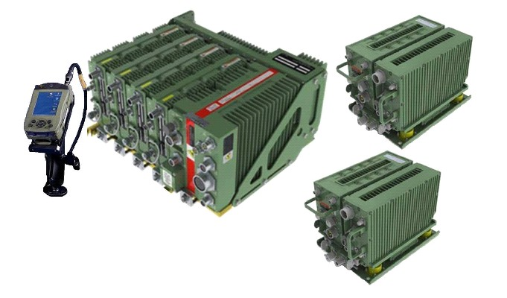
JTRS GMR
As of December 31, 2011
Defense Acquisition Management Information Retrieval
(DAMIR)

Table 6
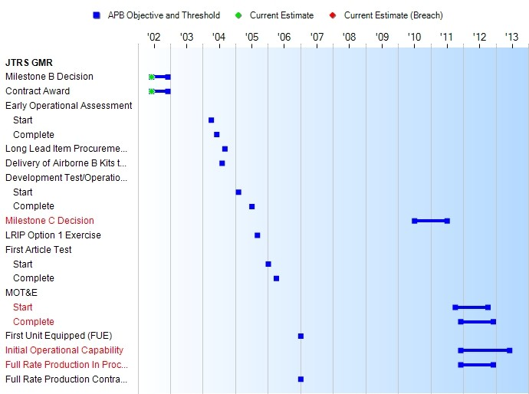
Schedule

Table 21
Unit Cost History
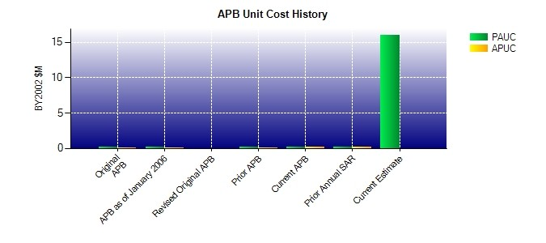
SAR Unit Cost History
Current SAR Baseline to Current Estimate (TY $M)
 |  |  |  |  |  |  |  | BY2002 $M |  |  |  |  |  | TY $M
 |  |  |  | Date |  |  |  | PAUC |  |  | APUC |  |  | PAUC |  | APUC
Original APB |  |  |  | JUN 2002 |  |  |  | 0.133 |  |  | 0.126 |  |  | 0.176 |  | 0.168
APB as of January 2006 |  |  |  | JUN 2002 |  |  |  | 0.133 |  |  | 0.126 |  |  | 0.176 |  | 0.168
Revised Original APB |  |  |  | N/A |  |  |  | N/A |  |  | N/A |  |  | N/A |  | N/A
Prior APB |  |  |  | JUN 2002 |  |  |  | 0.133 |  |  | 0.126 |  |  | 0.176 |  | 0.168
Current APB |  |  |  | JAN 2008 |  |  |  | 0.165 |  |  | 0.151 |  |  | 0.239 |  | 0.224
Prior Annual SAR |  |  |  | DEC 2010 |  |  |  | 0.156 |  |  | 0.140 |  |  | 0.224 |  | 0.205
Current Estimate |  |  |  | DEC 2011 |  |  |  | 15.984 |  |  | N/A |  |  | 18.158 |  | N/A
Initial PAUC Dev Est | Changes |  |  |  |  |  |  |  |  |  |  |  |  |  | PAUC Current Est
 | Econ | Qty |  |  | Sch | Eng | Est |  | Oth |  | Spt |  | Total
0.176 0.046 24.109 13.077 -0.757 7.042 0.000 -25.535 17.982 18.158
Current SAR Baseline to Current Estimate (TY $M)
Initial APUC Dev Est | Changes |  |  |  |  |  |  |  |  |  |  |  |  |  | APUC Current Est
 | Econ |  | Qty |  | Sch | Eng | Est |  |  | Oth |  | Spt | Total
0.168 0.000 0.000 0.000 0.000 0.000 0.000 0.000 0.000 0.000

