Table 1

Selected Acquisition Report (SAR)
RCS: DD-A&T(Q&A)823-357
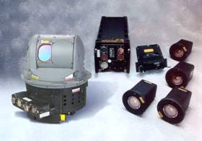
LAIRCM
As of September 30, 2011
Defense Acquisition Management Information Retrieval
(DAMIR)

Table 6
Schedule

Milestones | SAR Baseline Prod Est | Current APB Production Objective/Threshold |  | Current Estimate
LAIRCM Basic
Milestone B | SEP 2001 | SEP 2001 | SEP 2001 | SEP 2001
DT&E Complete | JAN 2002 | JAN 2002 | JAN 2002 | JAN 2002
Milestone C | AUG 2002 | AUG 2002 | AUG 2002 | AUG 2002
IOT&E Complete | MAR 2004 | MAR 2004 | MAR 2004 | MAR 2004
RAA Complete | JUL 2004 | JUL 2004 | JUL 2004 | JUL 2004
NexGen
NexGen Milestone B | N/A | JUN 2004 | JUN 2004 | JUN 2004
NexGen DT&E Complete | N/A | AUG 2006 | AUG 2006 | AUG 2006
NexGen Milestone C | N/A | MAY 2008 | MAY 2008 | MAY 2008
NexGen DT/OT Complete | N/A | SEP 2010 | MAR 2011 | DEC 2010
Acronyms And Abbreviations
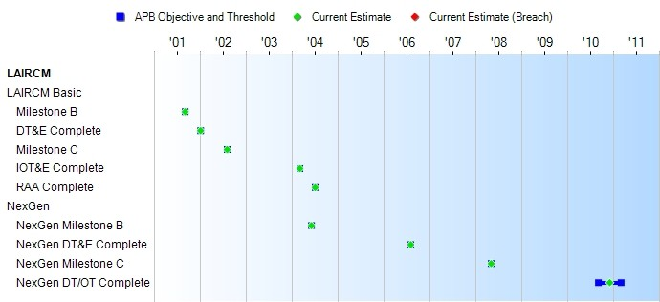
DT&E - Developmental Test and Evaluation DT/OT - Developmental Test/Operational Test IOT&E - Initial Operational Test and Evaluation NexGen - Next Generation missile warning system RAA - Required Assets Available
Change Explanations
None

Table 15
Unit Cost History
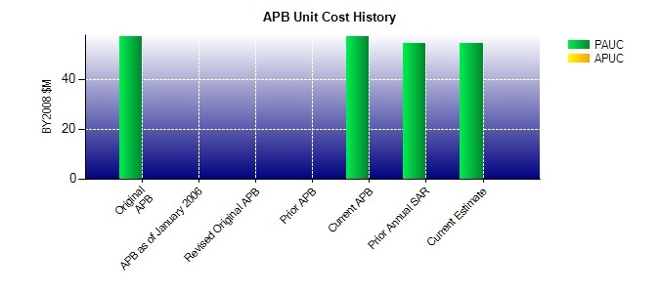
SAR Unit Cost History
Current SAR Baseline to Current Estimate (TY $M)
 |  |  |  |  |  |  |  | BY2008 $M |  |  |  |  | TY $M
 |  |  |  | Date |  |  |  | PAUC |  | APUC |  |  | PAUC |  | APUC
Original APB |  |  |  | AUG 2009 |  |  |  | 57.125 |  | N/A |  |  | 54.825 |  | N/A
APB as of January 2006 |  |  |  | N/A |  |  |  | N/A |  | N/A |  |  | N/A |  | N/A
Revised Original APB |  |  |  | N/A |  |  |  | N/A |  | N/A |  |  | N/A |  | N/A
Prior APB |  |  |  | N/A |  |  |  | N/A |  | N/A |  |  | N/A |  | N/A
Current APB |  |  |  | AUG 2009 |  |  |  | 57.125 |  | N/A |  |  | 54.825 |  | N/A
Prior Annual SAR |  |  |  | DEC 2010 |  |  |  | 54.588 |  | N/A |  |  | 51.650 |  | N/A
Current Estimate |  |  |  | SEP 2011 |  |  |  | 54.575 |  | N/A |  |  | 51.638 |  | N/A
Initial PAUC Prod Est | Changes |  |  |  |  |  |  |  |  |  |  |  |  | PAUC Current Est
 | Econ |  | Qty |  | Sch | Eng | Est |  | Oth |  | Spt | Total
45.750 -0.338 0.000 0.000 0.000 6.226 0.000 0.000 5.888 51.638
Current SAR Baseline to Current Estimate (TY $M)
Initial APUC Prod Est | Changes |  |  |  |  |  |  |  |  |  |  |  |  | APUC Current Est
 | Econ | Qty |  |  | Sch | Eng | Est |  | Oth |  | Spt | Total
0.000 0.000 0.000 0.000 0.000 0.000 0.000 0.000 0.000 0.000

