Component
 | Sum of SumOfobligatedAmount |  |  |  |  |  |  |  |  |  |  |  |  |  |  |  |  |  |  |  |  |  |  |  | 1,000,000,000
 | Row Labels | 2000 | 2001 | 2002 | 2003 | 2004 | 2005 | 2006 | 2007 | 2008 | 2009 | 2010 | 2011 | 2012 | 2013 | 2014 | 2015 | 2016 | 2017 | 2018 | 2019 | 2020 | Grand Total
Air Force | Air Force | 37,958,129,704 | 40,652,410,692 | 47,402,011,725 | 55,569,365,807 | 55,056,895,009 | 55,587,803,339 | 63,178,874,607 | 69,880,590,570 | 63,648,931,503 | 67,810,299,810 | 64,905,685,744 | 65,471,250,935 | 71,493,344,398 | 55,062,490,676 | 55,808,455,701 | 52,960,906,013 | 65,088,055,396 | 61,010,388,194 | 71,343,686,564 | 75,846,518,024 | 77,839,628,345 | 1,659,889,044,917
Army | Army | 36,816,714,509 | 40,506,777,632 | 46,140,177,486 | 64,112,009,830 | 75,922,598,097 | 95,414,444,935 | 101,542,774,585 | 118,188,593,379 | 152,781,502,183 | 146,737,858,381 | 140,953,759,530 | 125,119,443,514 | 108,616,992,647 | 86,805,666,035 | 75,209,210,227 | 72,468,966,564 | 74,036,432,941 | 78,368,345,005 | 91,634,915,048 | 94,840,286,879 | 100,144,827,843 | 2,223,982,249,413
Navy | Navy | 40,475,609,838 | 42,210,934,206 | 47,793,603,411 | 56,940,148,074 | 60,818,756,876 | 65,612,472,870 | 74,959,126,635 | 85,783,907,696 | 96,427,266,077 | 95,753,789,941 | 88,088,875,804 | 104,048,837,005 | 94,612,129,682 | 93,998,322,100 | 84,128,165,391 | 84,885,145,926 | 92,974,493,268 | 109,466,057,448 | 107,861,142,793 | 121,995,815,772 | 149,952,023,052 | 107,183,336,730
Other DoD | DISA | 1,912,484,248 | 2,443,246,127 | 2,534,903,483 | 3,107,224,642 | 3,795,463,693 | 3,991,111,223 | 3,856,153,901 | 3,946,292,168 | 3,892,738,022 | 4,473,976,649 | 5,458,471,618 | 5,513,295,603 | 5,322,813,977 | 4,612,182,717 | 5,221,325,030 | 4,945,441,701 | 5,399,091,807 | 5,893,009,986 | 6,085,317,901 | 6,696,320,658 | 7,675,098,694 | 724,915,369,082
Other DoD | DLA | 9,580,614,164 | 11,426,063,430 | 14,591,296,028 | 17,678,992,692 | 19,619,614,418 | 27,932,430,143 | 32,613,003,555 | 30,627,306,589 | 35,724,232,129 | 38,001,522,312 | 34,948,183,114 | 36,156,678,384 | 43,190,032,880 | 33,769,600,615 | 32,283,074,586 | 30,860,856,931 | 30,241,626,916 | 35,336,966,925 | 45,053,199,806 | 44,192,620,433 | 41,850,402,308 | 115,540,436,844
Other DoD | MDA | 1,373,879,916 | 1,673,010,902 | 2,485,964,871 | 2,671,495,105 | 3,382,922,950 | 3,841,746,302 | 3,492,627,123 | 4,929,029,583 | 5,760,262,871 | 5,673,422,751 | 5,356,951,767 | 5,382,146,532 | 6,877,002,434 | 7,703,008,832 | 6,050,847,487 | 4,688,499,792 | 6,589,081,606 | 5,413,263,860 | 8,293,301,636 | 8,812,739,694 | 12,326,711,112 | 216,624,024,595
Other DoD | MilitaryHealth | 1,369,249,714 | 2,348,736,367 | 4,183,715,787 | 5,883,507,760 | 5,122,424,226 | 6,403,494,767 | 8,034,190,259 | 9,069,776,576 | 9,170,886,989 | 11,819,027,447 | 10,917,540,089 | 11,885,804,960 | 11,866,393,442 | 12,070,969,938 | 13,070,573,796 | 12,097,144,301 | 13,021,586,622 | 13,378,553,639 | 13,982,275,494 | 14,776,046,332 | 15,430,436,425 | 2,189,928,549,340
Other DoD | Other DoD | 2,674,294,213 | 2,703,674,560 | 4,627,339,694 | 5,568,613,303 | 5,906,633,913 | 6,721,018,322 | 7,406,812,233 | 5,541,130,826 | 10,249,162,515 | 10,812,312,932 | 11,549,310,634 | 14,596,718,802 | 15,296,300,939 | 12,239,839,469 | 11,278,707,309 | 11,026,215,058 | 10,680,151,592 | 11,516,841,686 | 13,950,614,786 | 16,391,507,646 | 16,117,497,457 | 401,586
Other DoD | Uncategorized | - | - | - | - | 401,586 | NA | NA | NA | NA | NA | NA | NA | NA | NA | NA | NA | NA | NA | NA | NA | NA | 238,970,522,486
 | Grand Total | 132,160,976,305 | 143,964,853,916 | 169,759,012,485 | 211,531,357,213 | 229,625,710,767 | 265,504,521,900 | 295,083,562,898 | 327,966,627,387 | 377,654,982,290 | 381,082,210,221 | 362,178,778,301 | 368,174,175,736 | 357,275,010,400 | 306,262,080,383 | 283,050,359,527 | 273,933,176,287 | 298,030,520,147 | 320,383,426,742 | 358,204,454,029 | 383,551,855,439 | 421,336,625,237 | 7,477,033,934,993

 |  | 2000 | 2001 | 2002 | 2003 | 2004 | 2005 | 2006 | 2007 | 2008 | 2009 | 2010 | 2011 | 2012 | 2013 | 2014 | 2015 | 2016 | 2017 | 2018 | 2019 | 2020 |  | 2015 | 2019 | 2020 | 2019-2020 | 2015-2020 | 2019-2020 $ |  | 2012-2014
 | Air Force | $55.40 | $57.97 | $66.53 | $76.59 | $74.11 | $72.61 | $79.97 | $86.10 | $76.84 | $80.92 | $76.80 | $75.95 | $81.40 | $61.56 | $61.21 | $57.45 | $69.98 | $64.45 | $73.67 | $76.80 | $77.84 | Air Force | $57.45 | $76.80 | $77.84 | 1% | 35% | $1.04 | Air Force | -0.29422549119
 | Army | $53.74 | $57.76 | $64.76 | $88.37 | $102.20 | $124.63 | $128.52 | $145.63 | $184.44 | $175.12 | $166.78 | $145.15 | $123.66 | $97.04 | $82.49 | $78.61 | $79.60 | $82.79 | $94.62 | $96.03 | $100.14 | Army | $78.61 | $96.03 | $100.14 | 4% | 27% | $4.12 | Army | -0.3643318233
 | DLA | $13.98 | $16.29 | $20.48 | $24.37 | $26.41 | $36.49 | $41.28 | $37.74 | $43.13 | $45.35 | $41.35 | $41.94 | $49.17 | $37.75 | $35.41 | $33.47 | $32.51 | $37.33 | $46.52 | $44.75 | $41.85 | DLA | $33.47 | $44.75 | $41.85 | -6% | 25% | $(2.90) | DLA | -0.31922966569
 | MDA | $2.01 | $2.39 | $3.49 | $3.68 | $4.55 | $5.02 | $4.42 | $6.07 | $6.95 | $6.77 | $6.34 | $6.24 | $7.83 | $8.61 | $6.64 | $5.09 | $7.08 | $5.72 | $8.56 | $8.92 | $12.33 | MDA | $5.09 | $8.92 | $12.33 | 38% | 142% | $3.40 | MDA | -0.3504525249
 | MilitaryHealth | $2.00 | $3.35 | $5.87 | $8.11 | $6.90 | $8.36 | $10.17 | $11.18 | $11.07 | $14.10 | $12.92 | $13.79 | $13.51 | $13.49 | $14.34 | $13.12 | $14.00 | $14.13 | $14.44 | $14.96 | $15.43 | MilitaryHealth | $13.12 | $14.96 | $15.43 | 3% | 18% | $0.47 | MilitaryHealth | -0.028729287451
 | Navy | $59.08 | $60.19 | $67.08 | $78.48 | $81.87 | $85.70 | $94.88 | $105.70 | $116.41 | $114.27 | $104.23 | $120.70 | $107.72 | $105.08 | $92.27 | $92.07 | $99.96 | $115.64 | $111.37 | $123.53 | $149.95 | Navy | $92.07 | $123.53 | $149.95 | 21% | 63% | $26.43 | Navy | -0.14520680311
 | Other DoD | $3.90 | $3.86 | $6.49 | $7.68 | $7.95 | $8.78 | $9.37 | $6.83 | $12.37 | $12.90 | $13.67 | $16.93 | $17.41 | $13.68 | $12.37 | $11.96 | $11.48 | $12.17 | $14.40 | $16.60 | $16.12 | Other DoD | $11.96 | $16.60 | $16.12 | -3% | 35% | $(0.48) | Other DoD | -0.31322225196
 | DISA | $2.79 | $3.48 | $3.56 | $4.28 | $5.11 | $5.21 | $4.88 | $4.86 | $4.70 | $5.34 | $6.46 | $6.40 | $6.06 | $5.16 | $5.73 | $5.36 | $5.80 | $6.23 | $6.28 | $6.78 | $7.68 | DISA | $5.36 | $6.78 | $7.68 | 13% | 43% | $0.89 | DISA | -0.11480291766
 |  | $192.90 | $205.29 | $238.25 | $291.56 | $309.09 | $346.81 | $373.49 | $404.10 | $455.90 | $454.78 | $428.54 | $427.11 | $406.76 | $342.38 | $310.46 | $297.14 | $320.43 | $338.46 | $369.87 | $388.36 | $421.34 |  | $297.14 | $388.36 | $421.34 | 8% | 42% | $32.98 | Total
 |  | 2000 | 2001 | 2002 | 2003 | 2004 | 2005 | 2006 | 2007 | 2008 | 2009 | 2010 | 2011 | 2012 | 2013 | 2014 | 2015 | 2016 | 2017 | 2018 | 2019 | 2020
 | Air Force | 28.7% | 28.2% | 27.9% | 26.3% | 24.0% | 20.9% | 21.4% | 21.3% | 16.9% | 17.8% | 17.9% | 17.8% | 20.0% | 18.0% | 19.7% | 19.3% | 21.8% | 19.0% | 19.9% | 19.8% | 18.5% |  |  |  |  | Air Force
 | Army | 27.9% | 28.1% | 27.2% | 30.3% | 33.1% | 35.9% | 34.4% | 36.0% | 40.5% | 38.5% | 38.9% | 34.0% | 30.4% | 28.3% | 26.6% | 26.5% | 24.8% | 24.5% | 25.6% | 24.7% | 23.8% |  |  |  |  | Army
 | DLA | 7.2% | 7.9% | 8.6% | 8.4% | 8.5% | 10.5% | 11.1% | 9.3% | 9.5% | 10.0% | 9.6% | 9.8% | 12.1% | 11.0% | 11.4% | 11.3% | 10.1% | 11.0% | 12.6% | 11.5% | 9.9% |  |  |  |  | DLA
 | MDA | 1.0% | 1.2% | 1.5% | 1.3% | 1.5% | 1.4% | 1.2% | 1.5% | 1.5% | 1.5% | 1.5% | 1.5% | 1.9% | 2.5% | 2.1% | 1.7% | 2.2% | 1.7% | 2.3% | 2.3% | 2.9% |  |  |  |  | MDA
 | MilitaryHealth | 1.0% | 1.6% | 2.5% | 2.8% | 2.2% | 2.4% | 2.7% | 2.8% | 2.4% | 3.1% | 3.0% | 3.2% | 3.3% | 3.9% | 4.6% | 4.4% | 4.4% | 4.2% | 3.9% | 3.9% | 3.7% |  |  |  |  | MilitaryHealth
 | Navy | 30.6% | 29.3% | 28.2% | 26.9% | 26.5% | 24.7% | 25.4% | 26.2% | 25.5% | 25.1% | 24.3% | 28.3% | 26.5% | 30.7% | 29.7% | 31.0% | 31.2% | 34.2% | 30.1% | 31.8% | 35.6% |  |  |  |  | Navy
 | Other DoD | 2.0% | 1.9% | 2.7% | 2.6% | 2.6% | 2.5% | 2.5% | 1.7% | 2.7% | 2.8% | 3.2% | 4.0% | 4.3% | 4.0% | 4.0% | 4.0% | 3.6% | 3.6% | 3.9% | 4.3% | 3.8% |  |  |  |  | Other DoD
 | DISA | 1.4% | 1.7% | 1.5% | 1.5% | 1.7% | 1.5% | 1.3% | 1.2% | 1.0% | 1.2% | 1.5% | 1.5% | 1.5% | 1.5% | 1.8% | 1.8% | 1.8% | 1.8% | 1.7% | 1.7% | 1.8% |  |  |  |  | DISA
 |  | 100.0% | 100.0% | 100.0% | 100.0% | Checksum Fail | 100.0% | 100.0% | 100.0% | 100.0% | 100.0% | 100.0% | 100.0% | 100.0% | 100.0% | 100.0% | 100.0% | 100.0% | 100.0% | 100.0% | 100.0% | 100.0%

Component F35
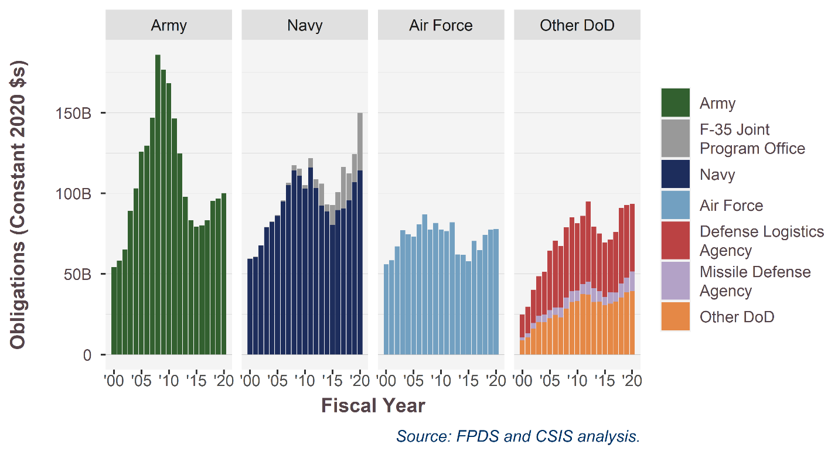
 | Sum of SumOfobligatedAmount |  |  |  |  |  |  |  |  |  |  |  |  |  |  |  |  |  |  |  |  |  |  |  | 1,000,000,000
SubCustomer.sum | SubCustomer.JPO | 2000 | 2001 | 2002 | 2003 | 2004 | 2005 | 2006 | 2007 | 2008 | 2009 | 2010 | 2011 | 2012 | 2013 | 2014 | 2015 | 2016 | 2017 | 2018 | 2019 | 2020 | Grand Total
Air Force | Air Force | 37958129704 | 40652410692 | 47402011725 | 55569365807 | 55056895009 | 55587803339 | 63178874607 | 69880590570 | 63648931503 | 67810299810 | 64905685744 | 65471250935 | 71493344398 | 55062490676 | 55808455701 | 52960906013 | 65088055396 | 61010388194 | 71343686564 | 75846518024 | 77839628345 | 1,659,889,044,917
Army | Army | 36816714509 | 40506777632 | 46140177486 | 64112009830 | 75922598097 | 95414444935 | 1.0154277459E+11 | 1.1818859338E+11 | 1.5278150218E+11 | 1.4673785838E+11 | 1.4095375953E+11 | 1.2511944351E+11 | 1.0861699265E+11 | 86805666035 | 75209210227 | 72468966564 | 74036432941 | 78368345005 | 91634915048 | 94840286879 | 1.0014482784E+11 | 2,223,982,249,413
Navy | F-35 Joint Program Office | 178031456 | 268635741 | 6554622 | 239927692 | 196180517.09 | 297828366 | 634208169 | 1065862766.7 | 2725377126.3 | 3681464062 | 1874856013.4 | 4877655064.5 | 4691798600.1 | 12181364143 | 3796342018.2 | 11389818543 | 10143588537 | 24140285523 | 15839582196 | 17244736490 | 35815025521 | 107,183,336,730
Navy | Navy | 40297578382 | 41942298465 | 47787048789 | 56700220382 | 60622576359 | 65314644504 | 74324918466 | 84718044929 | 93701888951 | 92072325879 | 86214019791 | 99171181941 | 89920331082 | 81816957957 | 80331823373 | 73495327383 | 82830904731 | 85325771925 | 92021560597 | 1.0475107928E+11 | 1.1413699753E+11 | 724,915,369,082
Other DoD | Defense Logistics Agency | 9580614163.6 | 11426063430 | 14591296028 | 17678992692 | 19619614418 | 27932430143 | 32613003555 | 30627306589 | 35724232129 | 38001522312 | 34948183114 | 36156678384 | 43190032880 | 33769600615 | 32283074586 | 30860856931 | 30241626916 | 35336966925 | 45053199806 | 44192620433 | 41850402308 | 115,540,436,844
Other DoD | Missile Defense Agency | 1373879916 | 1673010902 | 2485964870.8 | 2671495105.1 | 3382922949.6 | 3841746302.2 | 3492627123.5 | 4929029582.7 | 5760262871.1 | 5673422750.5 | 5356951767 | 5382146532.4 | 6877002433.8 | 7703008832 | 6050847486.9 | 4688499792.4 | 6589081606 | 5413263859.6 | 8293301636.4 | 8812739694.3 | 12326711112 | 216,624,024,595
Other DoD | Other DoD | 5956028175.1 | 7495657054.4 | 11345958964 | 14559345704 | 14824923417 | 17115624312 | 19297156393 | 18557199570 | 23312787526 | 27105317027 | 27925322341 | 31995819365 | 32485508359 | 28922992124 | 29570606136 | 28068801060 | 29100830021 | 30788405310 | 34018208181 | 37863874637 | 39223032577 | 2,189,928,549,340
 | Grand Total | 132,160,976,305 | 143,964,853,916 | 169,759,012,485 | 211,531,357,213 | 229,625,710,767 | 265,504,521,900 | 295,083,562,898 | 327,966,627,387 | 377,654,982,290 | 381,082,210,221 | 362,178,778,301 | 368,174,175,736 | 357,275,010,400 | 306,262,080,383 | 283,050,359,527 | 273,933,176,287 | 298,030,520,147 | 320,383,426,742 | 358,204,454,029 | 383,551,855,439 | 421,336,625,237 | 7,238,063,010,921

SubCustomer.sum | SubCustomer.JPO | 2000 | 2001 | 2002 | 2003 | 2004 | 2005 | 2006 | 2007 | 2008 | 2009 | 2010 | 2011 | 2012 | 2013 | 2014 | 2015 | 2016 | 2017 | 2018 | 2019 | 2020 |  |  | 2015 | 2019 | 2020 | 2019-2020 | 2015-2020 | 2019-2020 $ | 2012-2014
Air Force | Air Force | $55.40 | $57.97 | $66.53 | $76.59 | $74.11 | $72.61 | $79.97 | $86.10 | $76.84 | $80.92 | $76.80 | $75.95 | $81.40 | $61.56 | $61.21 | $57.45 | $69.98 | $64.45 | $73.67 | $76.80 | $77.84 | Air Force | Air Force | $57.4 | $76.8 | $77.8 | 1% | 35% | $1.04 | -0.29422549119
Army | Army | $53.74 | $57.76 | $64.76 | $88.37 | $102.20 | $124.63 | $128.52 | $145.63 | $184.44 | $175.12 | $166.78 | $145.15 | $123.66 | $97.04 | $82.49 | $78.61 | $79.60 | $82.79 | $94.62 | $96.03 | $100.14 | Army | Army | $78.6 | $96.0 | $100.1 | 4% | 27% | $4.12 | -0.3643318233
Navy | F-35 Joint Program Office | $0.26 | $0.38 | $0.01 | $0.33 | $0.26 | $0.39 | $0.80 | $1.31 | $3.29 | $4.39 | $2.22 | $5.66 | $5.34 | $13.62 | $4.16 | $12.35 | $10.91 | $25.50 | $16.36 | $17.46 | $35.82 | Navy | F-35 JPO | $12.4 | $17.5 | $35.8 | 105% | 190% | $18.35 | 1.3128827639
Navy | Navy | $58.82 | $59.81 | $67.07 | $78.15 | $81.60 | $85.32 | $94.07 | $104.38 | $113.12 | $109.88 | $102.01 | $115.05 | $102.37 | $91.47 | $88.11 | $79.72 | $89.06 | $90.14 | $95.02 | $106.06 | $114.14 | Navy | Navy | $79.7 | $106.1 | $114.1 | 8% | 43% | $8.07 | -0.2212859557
Other DoD | Defense Logistics Agency | $13.98 | $16.29 | $20.48 | $24.37 | $26.41 | $36.49 | $41.28 | $37.74 | $43.13 | $45.35 | $41.35 | $41.94 | $49.17 | $37.75 | $35.41 | $33.47 | $32.51 | $37.33 | $46.52 | $44.75 | $41.85 | Other DoD | DLA | $33.5 | $44.7 | $41.9 | -6% | 25% | $(2.90) | -0.31922966569
Other DoD | Missile Defense Agency | $2.01 | $2.39 | $3.49 | $3.68 | $4.55 | $5.02 | $4.42 | $6.07 | $6.95 | $6.77 | $6.34 | $6.24 | $7.83 | $8.61 | $6.64 | $5.09 | $7.08 | $5.72 | $8.56 | $8.92 | $12.33 | Other DoD | MDA | $5.1 | $8.9 | $12.3 | 38% | 142% | $3.40 | -0.3504525249
Other DoD | Other DoD | $8.69 | $10.69 | $15.92 | $20.07 | $19.96 | $22.36 | $24.42 | $22.87 | $28.14 | $32.35 | $33.04 | $37.12 | $36.98 | $32.33 | $32.43 | $30.45 | $31.29 | $32.53 | $35.13 | $38.34 | $39.22 | Other DoD | Other DoD | $30.4 | $38.3 | $39.2 | 2% | 29% | $0.88 | -0.17679050506
 |  | $192.90 | $205.29 | $238.25 | $291.56 | $309.09 | $346.81 | $373.49 | $404.10 | $455.90 | $454.78 | $428.54 | $427.11 | $406.76 | $342.38 | $310.46 | $297.14 | $320.43 | $338.46 | $369.87 | $388.36 | $421.34 | $- | $- | $297.1 | $388.4 | $421.3 | 8% | 42% | $32.98

SubCustomer.sum | SubCustomer.JPO | 2000 | 2001 | 2002 | 2003 | 2004 | 2005 | 2006 | 2007 | 2008 | 2009 | 2010 | 2011 | 2012 | 2013 | 2014 | 2015 | 2016 | 2017 | 2018 | 2019 | 2020
Air Force | Air Force | 28.7% | 28.2% | 27.9% | 26.3% | 24.0% | 20.9% | 21.4% | 21.3% | 16.9% | 17.8% | 17.9% | 17.8% | 20.0% | 18.0% | 19.7% | 19.3% | 21.8% | 19.0% | 19.9% | 19.8% | 18.5%
Army | Army | 27.9% | 28.1% | 27.2% | 30.3% | 33.1% | 35.9% | 34.4% | 36.0% | 40.5% | 38.5% | 38.9% | 34.0% | 30.4% | 28.3% | 26.6% | 26.5% | 24.8% | 24.5% | 25.6% | 24.7% | 23.8%
Navy | F-35 Joint Program Office | 0.1% | 0.2% | 0.0% | 0.1% | 0.1% | 0.1% | 0.2% | 0.3% | 0.7% | 1.0% | 0.5% | 1.3% | 1.3% | 4.0% | 1.3% | 4.2% | 3.4% | 7.5% | 4.4% | 4.5% | 8.5%
Navy | Navy | 30.5% | 29.1% | 28.1% | 26.8% | 26.4% | 24.6% | 25.2% | 25.8% | 24.8% | 24.2% | 23.8% | 26.9% | 25.2% | 26.7% | 28.4% | 26.8% | 27.8% | 26.6% | 25.7% | 27.3% | 27.1%
Other DoD | Defense Logistics Agency | 7.2% | 7.9% | 8.6% | 8.4% | 8.5% | 10.5% | 11.1% | 9.3% | 9.5% | 10.0% | 9.6% | 9.8% | 12.1% | 11.0% | 11.4% | 11.3% | 10.1% | 11.0% | 12.6% | 11.5% | 9.9%
Other DoD | Missile Defense Agency | 1.0% | 1.2% | 1.5% | 1.3% | 1.5% | 1.4% | 1.2% | 1.5% | 1.5% | 1.5% | 1.5% | 1.5% | 1.9% | 2.5% | 2.1% | 1.7% | 2.2% | 1.7% | 2.3% | 2.3% | 2.9%
Other DoD | Other DoD | 4.5% | 5.2% | 6.7% | 6.9% | 6.5% | 6.4% | 6.5% | 5.7% | 6.2% | 7.1% | 7.7% | 8.7% | 9.1% | 9.4% | 10.4% | 10.2% | 9.8% | 9.6% | 9.5% | 9.9% | 9.3%

TOA
source | 2000 | 2001 | 2002 | 2003 | 2004 | 2005 | 2006 | 2007 | 2008 | 2009 | 2010 | 2011 | 2012 | 2013 | 2014 | 2015 | 2016 | 2017 | 2018 | 2019 | 2020 | 2021 | 2022 | 1000
Contract | 1.3216097631E+11 | 1.4396485392E+11 | 1.6975901248E+11 | 2.1153135721E+11 | 2.2962571077E+11 | 2.655045219E+11 | 2.950835629E+11 | 3.2796662739E+11 | 3.7765498229E+11 | 3.8108221022E+11 | 3.621787783E+11 | 3.6817417256E+11 | 3.572749882E+11 | 3.0626208038E+11 | 2.8305036131E+11 | 2.7393266707E+11 | 2.9803052015E+11 | 3.2038342674E+11 | 3.5863279236E+11 | 3.8355211398E+11 | 4.2130764925E+11 | 3.8651314622E+11 |  | 1,000,000,000
TOA | 286958000000 | 316540000000 | 355378000000 | 433024000000 | 456052000000 | 502476000000 | 536272000000 | 603872000000 | 669279000000 | 665861000000 | 691791000000 | 689092000000 | 652288000000 | 585393000000 | 581188000000 | 565403000000 | 587978000000 | 609287000000 | 672960000000 | 693001000000 | 725757000000 | 709314000000 | 715115000000

 | 2000 | 2001 | 2002 | 2003 | 2004 | 2005 | 2006 | 2007 | 2008 | 2009 | 2010 | 2011 | 2012 | 2013 | 2014 | 2015 | 2016 | 2017 | 2018 | 2019 | 2020 | 2021 |  | 2020-2021
TOA | 418.8 | 451.4 | 498.8 | 596.8 | 613.9 | 656.3 | 678.8 | 744.1 | 807.9 | 794.6 | 818.5 | 799.4 | 742.6 | 654.4 | 637.5 | 613.3 | 632.2 | 643.7 | 694.9 | 701.7 | 725.8 | 697.5 |  | 3% | 18%
Contract | 192.9 | 205.3 | 238.3 | 291.6 | 309.1 | 346.8 | 373.5 | 404.1 | 455.9 | 454.8 | 428.5 | 427.1 | 406.8 | 342.4 | 310.5 | 297.1 | 320.4 | 338.5 | 370.3 | 388.4 | 421.3 | 380.1 |  | 8% | 42%
Percentage | 46.06% | 45.48% | 47.77% | 48.85% | 50.35% | 52.84% | 55.02% | 54.31% | 56.43% | 57.23% | 52.35% | 53.43% | 54.77% | 52.32% | 48.70% | 48.45% | 50.69% | 52.58% | 53.29% | 55.35% | 58.05% | 54.49%

Analysis of TOA and Services Contracts

 | 2000 | 2001 | 2002 | 2003 | 2004 | 2005 | 2006 | 2007 | 2008 | 2009 | 2010 | 2011 | 2012 | 2013 | 2014 | 2015 | 2016 | 2017 | 2018 | 2019 | 2020
Services | 54,228,602,513 | 58,872,067,133 | 68,834,602,974 | 88,896,019,301 | 96,513,751,878 | 108,617,149,213 | 121,515,961,896 | 129,306,817,454 | 148,758,772,393 | 165,604,869,716 | 160,506,027,311 | 157,744,797,438 | 152,432,032,288 | 132,113,432,035 | 129,623,807,349 | 121,629,100,917 | 126,050,694,116 | 132,271,449,833 | 149,042,029,780 | 160,688,027,837 | 173,056,653,758
TOA | 418,848,311,208.22 | 451,378,742,171.69 | 498,764,611,013.13 | 596,849,665,747.56 | 613,874,680,708.83 | 656,343,421,968.14 | 678,761,169,229.25 | 744,056,574,085.92 | 807,946,288,199.05 | 794,636,008,540.23 | 818,545,059,941.75 | 799,400,082,193.81 | 742,629,891,750.28 | 654,428,447,510.81 | 637,459,089,132.44 | 613,292,030,890.49 | 632,177,689,347.96 | 643,660,804,118.84 | 694,871,178,301.45 | 701,691,249,653.41 | 725,757,000,000.00

Year on year change |  | 2001 | 2002 | 2003 | 2004 | 2005 | 2006 | 2007 | 2008 | 2009 | 2010 | 2011 | 2012 | 2013 | 2014 | 2015 | 2016 | 2017 | 2018 | 2019 | 2020
Services |  | 1.0856275914 | 1.169223476 | 1.2914437719 | 1.0856926175 | 1.1254059354 | 1.1187548447 | 1.0641138451 | 1.1504325551 | 1.113244396 | 0.96921079426 | 0.9827967216 | 0.96632050479 | 0.86670386829 | 0.98115540072 | 0.93832378021 | 1.0363530863 | 1.0493512214 | 1.1267891141 | 1.0781390194 | 1.0769729151
TOA |  | 1.0776663773 | 1.1049802847 | 1.1966560028 | 1.028524796 | 1.0691814512 | 1.0341555145 | 1.0961979085 | 1.0858667423 | 0.98352578649 | 1.0300880543 | 0.9766109666 | 0.92898400725 | 0.88123095337 | 0.97406995609 | 0.9620884561 | 1.0307939081 | 1.0181643784 | 1.0795611195 | 1.0098148715 | 1.0342967799

Quarterly
fiscal_quarter | 2000 | 2001 | 2002 | 2003 | 2004 | 2005 | 2006 | 2007 | 2008 | 2009 | 2010 | 2011 | 2012 | 2013 | 2014 | 2015 | 2016 | 2017 | 2018 | 2019 | 2020 | 2021 | 2022
1 | 58.262017758 | 65.031614563 | 59.226309318 | 84.297658274 | 97.822489788 | 108.22244962 | 83.212497664 | 123.52851561 | 109.07339933 | 126.51621259 | 91.619633113 | 98.768874203 | 83.501374219 | 99.425917086 | 64.854630852 | 72.459036878 | 69.509979966 | 71.584097166 | 77.197764813 | 106.33987439 | 101.88091055 | 89.673587825
2 | 47.173156602 | 48.245878871 | 59.377314867 | 78.405877835 | 68.727038073 | 85.489297457 | 107.38970694 | 116.90666589 | 148.57675819 | 137.78036409 | 133.08991059 | 141.74744033 | 123.93105819 | 114.55125965 | 96.86765875 | 89.489094327 | 96.868512522 | 112.41917863 | 119.86474755 | 110.52951487 | 104.54774721 | 79.0383758
3 | 44.238271518 | 42.493167117 | 46.027005034 | 61.611013398 | 64.171468207 | 68.614119385 | 70.005464568 | 78.213447366 | 85.525535939 | 87.822145615 | 93.354438571 | 101.00245378 | 91.062364724 | 78.202262725 | 79.660978904 | 60.313420164 | 66.239554776 | 77.116515416 | 93.884390782 | 81.550166548 | 96.929196123 | 111.12628203
4 | 44.881207891 | 51.283638193 | 75.685073618 | 69.764912767 | 81.016325093 | 87.482462785 | 116.11078212 | 88.915217766 | 116.65017077 | 106.57435693 | 114.18184456 | 89.245448061 | 111.74175173 | 53.138048855 | 71.725536281 | 77.118969163 | 90.100436923 | 79.641139166 | 81.949676103 | 92.919955911 | 117.97877135 | 80.434523829
TOA | 422.43191521 | 455.25672372 | 503.08323896 | 602.0075073 | 619.13114309 | 662.02371542 | 684.63168645 | 750.4312166 | 814.90198466 | 801.46966779 | 825.62477623 | 806.23844624 | 748.98151338 | 660.04397339 | 642.90707965 | 617.92677596 | 636.684353 | 648.03977877 | 700.56214866 | 707.07172737 | 725.757 | 695.47406608 | 687.28015377
Total Contract | 194.6 | 207.1 | 240.3 | 294.1 | 311.7 | 349.8 | 376.7 | 407.6 | 459.8 | 458.7 | 432.2 | 430.8 | 410.2 | 345.3 | 313.1 | 299.4 | 322.7 | 340.8 | 372.9 | 391.3 | 421.3 | 360.3
 |  |  |  |  |  |  |  |  |  |  |  |  |  |  |  |  |  |  |  |  | Low end | 54.351062149 | 54351062149
 |  |  |  |  |  |  |  |  |  |  |  |  |  |  |  |  |  |  |  |  | High end | 124.9961135 | 124996113502
 |  |  |  |  |  |  |  |  |  |  |  |  |  |  |  |  |  |  |  |  | Low total | 334.19
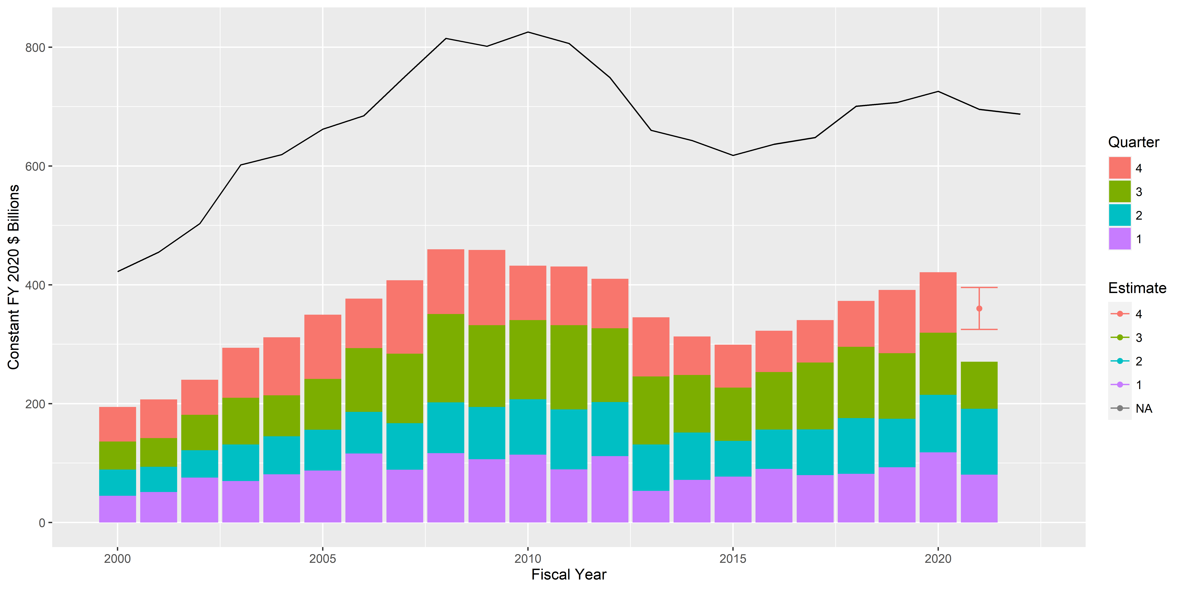
 |  |  |  |  |  |  |  |  |  |  |  |  |  |  |  |  |  |  |  |  | High total | 404.83

Pricing
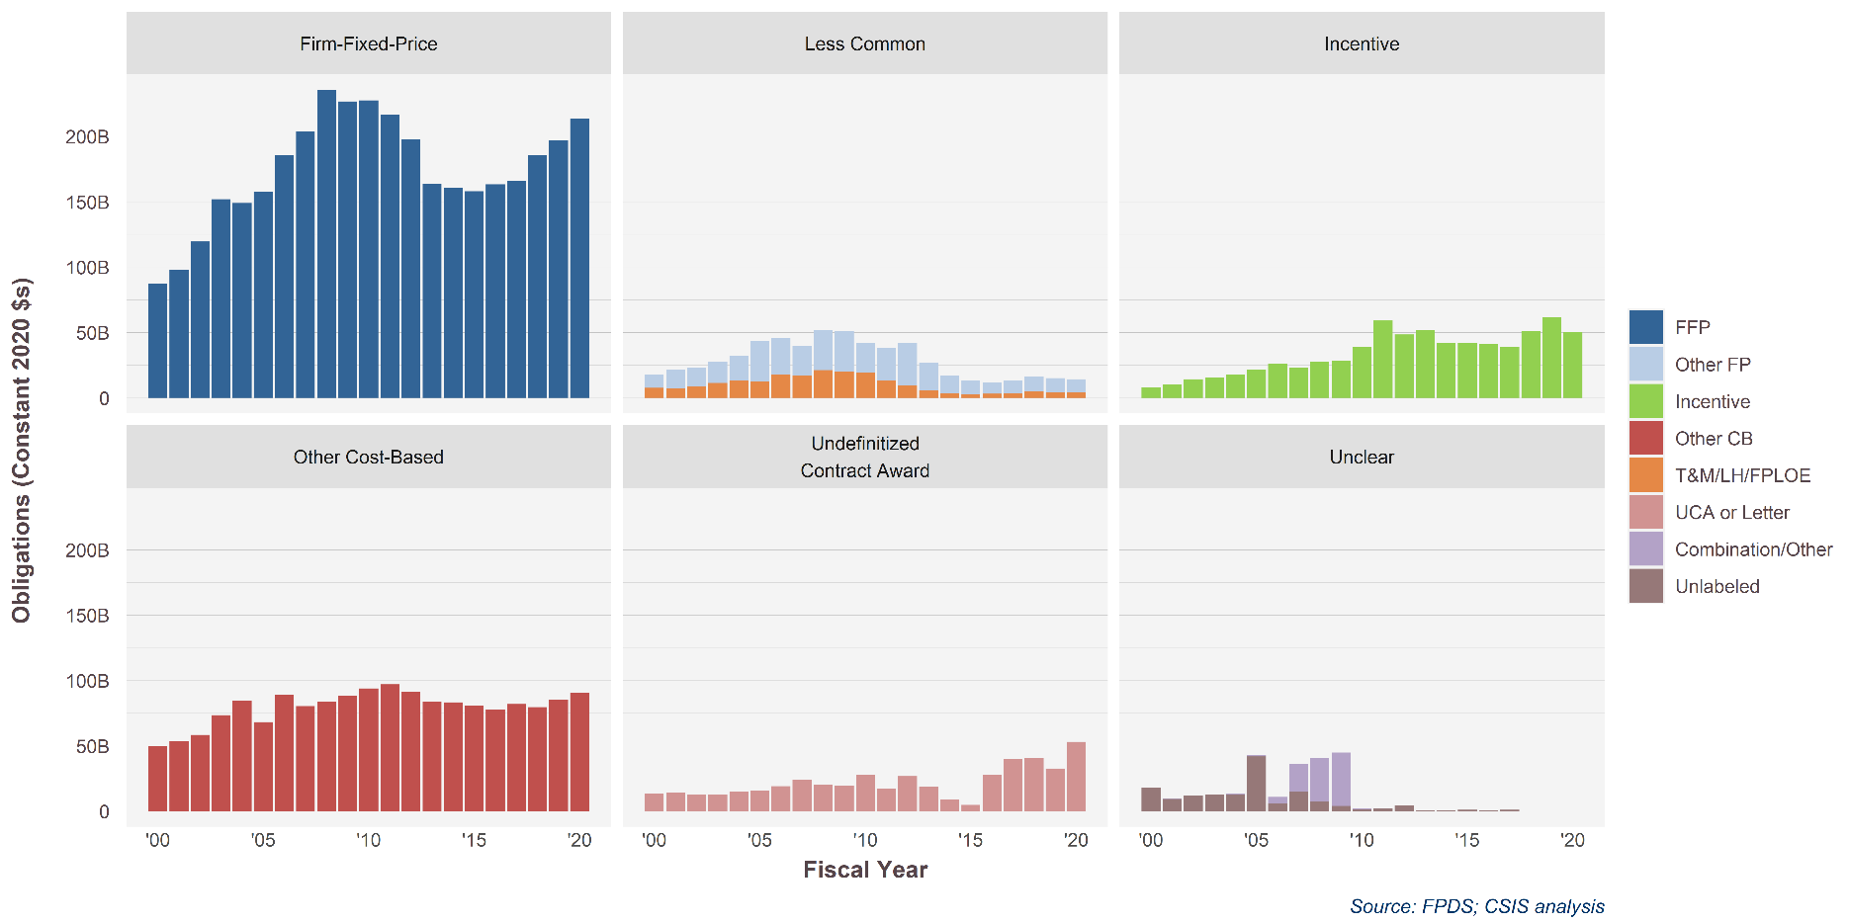
PricingUCA.sumlong | PricingUCA | 2000 | 2001 | 2002 | 2003 | 2004 | 2005 | 2006 | 2007 | 2008 | 2009 | 2010 | 2011 | 2012 | 2013 | 2014 | 2015 | 2016 | 2017 | 2018 | 2019 | 2020 |  |  | 2015 | 2019 | 2020 | 2019-2020 | 2015-2020
Firm-Fixed-Price | FFP | 87094196226 | 98163743583 | 1.1956057197E+11 | 1.5192557538E+11 | 1.4903521064E+11 | 1.5748330036E+11 | 1.8575628829E+11 | 2.039683497E+11 | 2.3546342183E+11 | 2.2677317862E+11 | 2.2739554593E+11 | 2.1664529176E+11 | 1.9744435866E+11 | 1.6375802914E+11 | 1.6075256321E+11 | 1.5792587305E+11 | 1.6331756648E+11 | 1.6554611759E+11 | 1.8547151522E+11 | 1.9692417066E+11 | 2.1336099398E+11 | Firm-Fixed-Price | FFP | 157.9 | 196.9 | 213.4 | 8.3% | 35%
Less Common | Other FP | 10068896014 | 14275092496 | 14608261683 | 16097293830 | 18753942156 | 31231386110 | 27902803359 | 22931375618 | 30926190129 | 31437455299 | 22620008800 | 25098823938 | 32516766683 | 21336601260 | 13638503852 | 10401019605 | 8592348248.9 | 10206191464 | 11410455242 | 10744760270 | 10001632604 | Less Common | Other FP | 10.4 | 10.7 | 10.0 | -6.9% | -4%
Less Common | T&M/LH/FPLOE | 7613534384 | 6997050350.9 | 8693937442.8 | 11355938708 | 13393843331 | 12457239206 | 18090538749 | 16956435969 | 21118390844 | 19703402204 | 19179407637 | 13329804076 | 9580980705.5 | 5495153123.7 | 3307273982.1 | 2840452221.2 | 3090269909.4 | 3357636868 | 4788097924.1 | 4359919749 | 4303005356.5 | Less Common | T&M/LH/FPLOE | 2.8 | 4.4 | 4.3 | -1.3% | 51%
Incentive | Incentive | 8260053410.9 | 10351641444 | 14298490995 | 15606632180 | 17783754858 | 21628784387 | 26045085718 | 23024686624 | 27775840685 | 28300599012 | 39112305376 | 59069394000 | 48478629402 | 51612731147 | 41978380233 | 41894747801 | 41281228461 | 38755562314 | 50946447738 | 61392416987 | 50278559712 | Incentive | Incentive | 41.9 | 61.4 | 50.3 | -18.1% | 20%
Other Cost-Based | Other CB | 49939016861 | 53433425822 | 58350802421 | 73578700359 | 84460285397 | 68173052957 | 88874817286 | 80367510302 | 83817805417 | 88190371137 | 93969496525 | 97079636107 | 91093615373 | 83923921461 | 83397650622 | 80537799853 | 77883411945 | 81909916107 | 79671334070 | 85249040156 | 90369341163 | Other Cost-Based | Other CB | 80.5 | 85.2 | 90.4 | 6.0% | 12%
Undefinitized Contract Award | UCA or Letter | 13509554745 | 14302355103 | 12660929160 | 12601298497 | 15011077975 | 15796992586 | 19117057009 | 24052005679 | 20152750795 | 19399181460 | 27910757924 | 17375735700 | 26797350964 | 18444844601 | 9124649029 | 4750858755.4 | 27671074027 | 39982737009 | 40586778382 | 32669151967 | 53022715175 | Undefinitized Contract Award | UCA or Letter | 4.8 | 32.7 | 53.0 | 62.3% | 1016%
Unclear | Combination/Other | 7691217.1552 | 297415239.61 | 93419859.471 | 281627303.43 | 675619541.42 | 1239334747.4 | 4898326148.8 | 21158789648 | 33085210246 | 40826524036 | 674575386.74 | 276425623.63 | -3393031.2755 | -41782809.538 | -31339606.605 | 334898.28 | 0 | 0 | 0 | 0 | 62686.6619 | Unclear | Combination/Other | 0.0 | - | 0.0 | #DIV/0! | -81%
Unclear | Unlabeled | 18061710912 | 9233574704.1 | 12049289308 | 12632396013 | 12623587265 | 41798238891 | 6033534736.2 | 15104693094 | 7486254279.4 | 4062367460.3 | 1383729256.1 | 1889105168.9 | 4328240104.4 | 787990384.99 | 941123470.88 | 1029434351 | 882585118.55 | 1002769024.3 | 21950669.788 | 51937.10703 | 314555.625 | Unclear | Unlabeled | 1.0 | 0.0 | 0.0 | 505.6% | -100%
 |  | 194,554,653,769 | 207,054,298,743 | 240,315,702,838 | 294,079,462,273 | 311,737,321,161 | 349,808,329,249 | 376,718,451,294 | 407,563,846,634 | 459,825,864,227 | 458,693,079,226 | 432,245,826,830 | 430,764,216,375 | 410,236,548,858 | 345,317,488,311 | 313,108,804,787 | 299,380,520,532 | 322,718,484,188 | 340,760,930,378 | 372,896,579,252 | 391,339,511,723 | 421,336,625,237 |  |  |  |  |  | 7.7% | 41%

Firm-Fixed-Price | FFP | 45% | 47% | 50% | 52% | 48% | 45% | 49% | 50% | 51% | 49% | 53% | 50% | 48% | 47% | 51% | 53% | 51% | 49% | 50% | 50% | 51%
Less Common | Other FP | 5% | 7% | 6% | 5% | 6% | 9% | 7% | 6% | 7% | 7% | 5% | 6% | 8% | 6% | 4% | 3% | 3% | 3% | 3% | 3% | 2%
Less Common | T&M/LH/FPLOE | 4% | 3% | 4% | 4% | 4% | 4% | 5% | 4% | 5% | 4% | 4% | 3% | 2% | 2% | 1% | 1% | 1% | 1% | 1% | 1% | 1%
Incentive | Incentive | 4% | 5% | 6% | 5% | 6% | 6% | 7% | 6% | 6% | 6% | 9% | 14% | 12% | 15% | 13% | 14% | 13% | 11% | 14% | 16% | 12%
Other Cost-Based | Other CB | 26% | 26% | 24% | 25% | 27% | 19% | 24% | 20% | 18% | 19% | 22% | 23% | 22% | 24% | 27% | 27% | 24% | 24% | 21% | 22% | 21%
Undefinitized Contract Award | UCA or Letter | 7% | 7% | 5% | 4% | 5% | 5% | 5% | 6% | 4% | 4% | 6% | 4% | 7% | 5% | 3% | 2% | 9% | 12% | 11% | 8% | 13%
Unclear | Combination/Other | 0% | 0% | 0% | 0% | 0% | 0% | 1% | 5% | 7% | 9% | 0% | 0% | 0% | 0% | 0% | 0% | 0% | 0% | 0% | 0% | 0%
Unclear | Unlabeled | 9% | 4% | 5% | 4% | 4% | 12% | 2% | 4% | 2% | 1% | 0% | 0% | 1% | 0% | 0% | 0% | 0% | 0% | 0% | 0% | 0%

 |  |  |  |  |  |  |  |  |  |  |  |  |  |  |  |  | 3% | 2.9756094365E-08

Competition
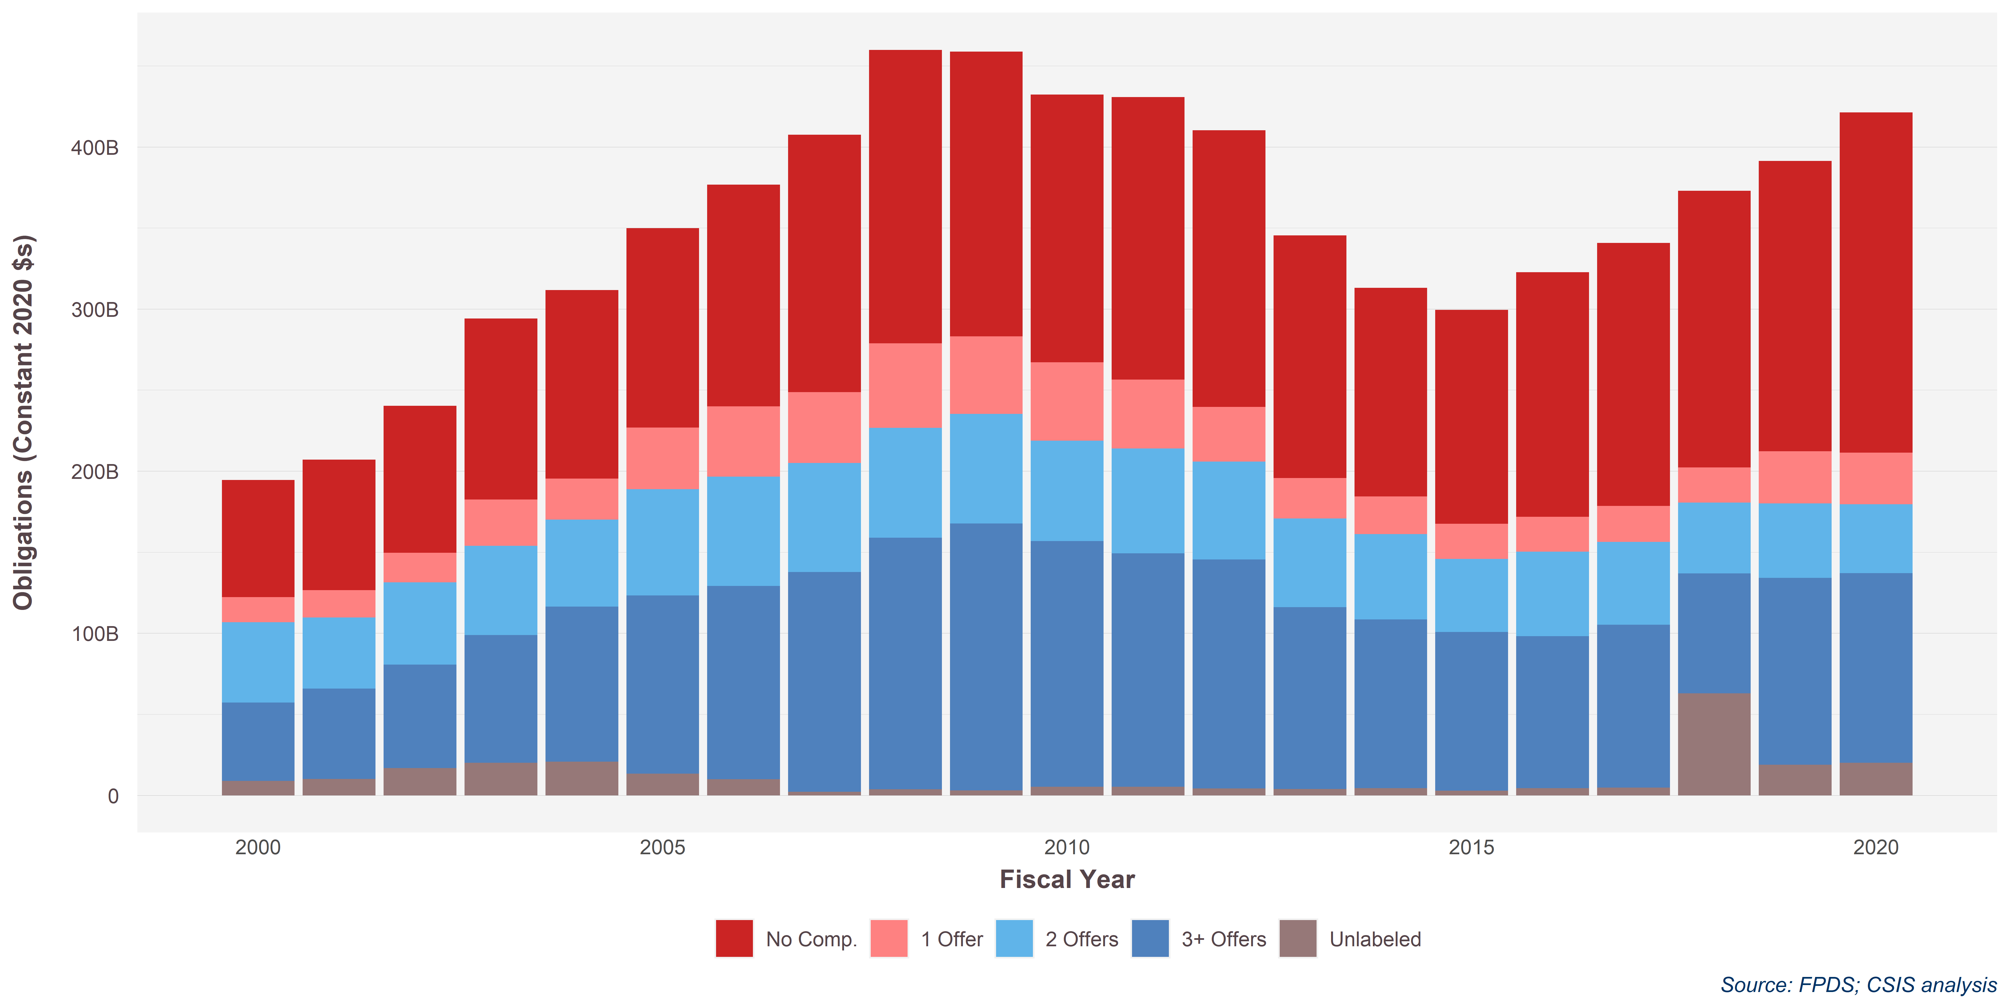
Competition.sum | 2000 | 2001 | 2002 | 2003 | 2004 | 2005 | 2006 | 2007 | 2008 | 2009 | 2010 | 2011 | 2012 | 2013 | 2014 | 2015 | 2016 | 2017 | 2018 | 2019 | 2020
1 Offer | 15704095085 | 17055241102 | 18524094044 | 28707682660 | 25543612386 | 38169380389 | 43429882886 | 43769304403 | 52180959020 | 47839521925 | 48304640270 | 42538680099 | 33695806201 | 25088555385 | 23297629984 | 21634772832 | 21568573083 | 22411317387 | 28062585665 | 33148492989 | 32303254507
2 Offers | 49753999992 | 44020062475 | 50761423803 | 55043087664 | 53631270326 | 65654027582 | 68114284239 | 67320421726 | 67745167597 | 67634798110 | 62037175301 | 64571791275 | 60283950918 | 54616036636 | 52672388878 | 45014396932 | 52046564531 | 51117704494 | 53763819391 | 48110785232 | 43651759722
3+ Offers | 48483139540 | 55811644209 | 63898556713 | 78977408482 | 95710540817 | 1.1077069987E+11 | 1.1932828505E+11 | 1.3559504591E+11 | 1.5515195989E+11 | 1.647984263E+11 | 1.5150635013E+11 | 1.4417480257E+11 | 1.4144981641E+11 | 1.1228303276E+11 | 1.0600167702E+11 | 98843103718 | 96260855369 | 1.0297736054E+11 | 1.1622131527E+11 | 1.2742240564E+11 | 1.2462801342E+11
No Comp. | 72293800827 | 80451968952 | 90669310944 | 1.1165686363E+11 | 1.1643695457E+11 | 1.2290089755E+11 | 1.367600664E+11 | 1.5881567724E+11 | 1.8102065217E+11 | 1.7552107398E+11 | 1.6513978674E+11 | 1.7432004201E+11 | 1.7072476336E+11 | 1.495089065E+11 | 1.2872366923E+11 | 1.3191671277E+11 | 1.509419858E+11 | 1.6223870958E+11 | 1.7056359786E+11 | 1.7915794651E+11 | 2.0990303933E+11
Unlabeled | 8319618326.1 | 9715382005.3 | 16462317334 | 19694419836 | 20414943063 | 12313323852 | 9085932713 | 2063397349.3 | 3727125551.6 | 2899258914.7 | 5257874396.2 | 5158900418.8 | 4082211966.6 | 3820957026 | 2413439674.7 | 1970977766.3 | 1900505407.8 | 2015838382.4 | 4279767429.8 | 3499881347.8 | 10850558257
Grand Total | 194,554,653,769 | 207,054,298,743 | 240,315,702,838 | 294,079,462,273 | 311,737,321,161 | 349,808,329,249 | 376,718,451,294 | 407,563,846,634 | 459,825,864,227 | 458,693,079,226 | 432,245,826,830 | 430,764,216,375 | 410,236,548,858 | 345,317,488,311 | 313,108,804,787 | 299,379,964,013 | 322,718,484,188 | 340,760,930,378 | 372,891,085,619 | 391,339,511,723 | 421,336,625,237

Competition.sum | 2000 | 2001 | 2002 | 2003 | 2004 | 2005 | 2006 | 2007 | 2008 | 2009 | 2010 | 2011 | 2012 | 2013 | 2014 | 2015 | 2016 | 2017 | 2018 | 2019 | 2020
1 Offer | 8% | 8% | 8% | 10% | 8% | 11% | 12% | 11% | 11% | 10% | 11% | 10% | 8% | 7% | 7% | 7% | 7% | 7% | 8% | 8% | 8%
2 Offers | 26% | 21% | 21% | 19% | 17% | 19% | 18% | 17% | 15% | 15% | 14% | 15% | 15% | 16% | 17% | 15% | 16% | 15% | 14% | 12% | 10%
3+ Offers | 25% | 27% | 27% | 27% | 31% | 32% | 32% | 33% | 34% | 36% | 35% | 33% | 34% | 33% | 34% | 33% | 30% | 30% | 31% | 33% | 30%
No Comp. | 37% | 39% | 38% | 38% | 37% | 35% | 36% | 39% | 39% | 38% | 38% | 40% | 42% | 43% | 41% | 44% | 47% | 48% | 46% | 46% | 50%
Unlabeled | 4% | 5% | 7% | 7% | 7% | 4% | 2% | 1% | 1% | 1% | 1% | 1% | 1% | 1% | 1% | 1% | 1% | 1% | 1% | 1% | 3%
Grand Total | 100% | 100% | 100% | 100% | 100% | 100% | 100% | 100% | 100% | 100% | 100% | 100% | 100% | 100% | 100% | 100% | 100% | 100% | 100% | 100% | 100%
Effective | 50% | 48% | 48% | 46% | 48% | 50% | 50% | 50% | 48% | 51% | 49% | 48% | 49% | 48% | 51% | 48% | 46% | 45% | 46% | 45% | 40%

Row Labels | 2015 | 2019 | 2020
1 Offer | 21,634,772,832 | 33,148,492,989 | 32,303,254,507
2 Offers | 45,014,396,932 | 48,110,785,232 | 43,651,759,722
3+ Offers | 98,843,103,718 | 127,422,405,640 | 124,628,013,423
No Comp. | 131,916,712,765 | 179,157,946,513 | 209,903,039,328
Unlabeled | 1,970,977,766 | 3,499,881,348 | 10,850,558,257
 | 299,379,964,013 | 391,339,511,723 | 421,336,625,237
Row Labels | 2015 | 2019 | 2020 | 2019-2020 | 2015-2020 | share 2020 | share 2019 | share 2015
1 Offer | 21.6 | 33.1 | 32.3 | -3% | 49% | 8% | 8% | 7%
2 Offers | 45.0 | 48.1 | 43.7 | -9% | -3% | 10% | 12% | 15%
3+ Offers | 98.8 | 127.4 | 124.6 | -2% | 26% | 30% | 33% | 33%
No Comp. | 131.9 | 179.2 | 209.9 | 17% | 59% | 50% | 46% | 44%
Unlabeled | 2.0 | 3.5 | 10.9 | 210% | 451% | 3% | 1% | 1%
Total | 299.4 | 391.3 | 421.3 | 8% | 41% | 100% | 100% | 100%
Multi offer | 143.9 | 175.5 | 168.3 | -4% | 17% | 40% | 45% | 48%
Any comp | 167.46 | 212.18 | 211.43 |  |  |  |  | 56%

Comp by Plat
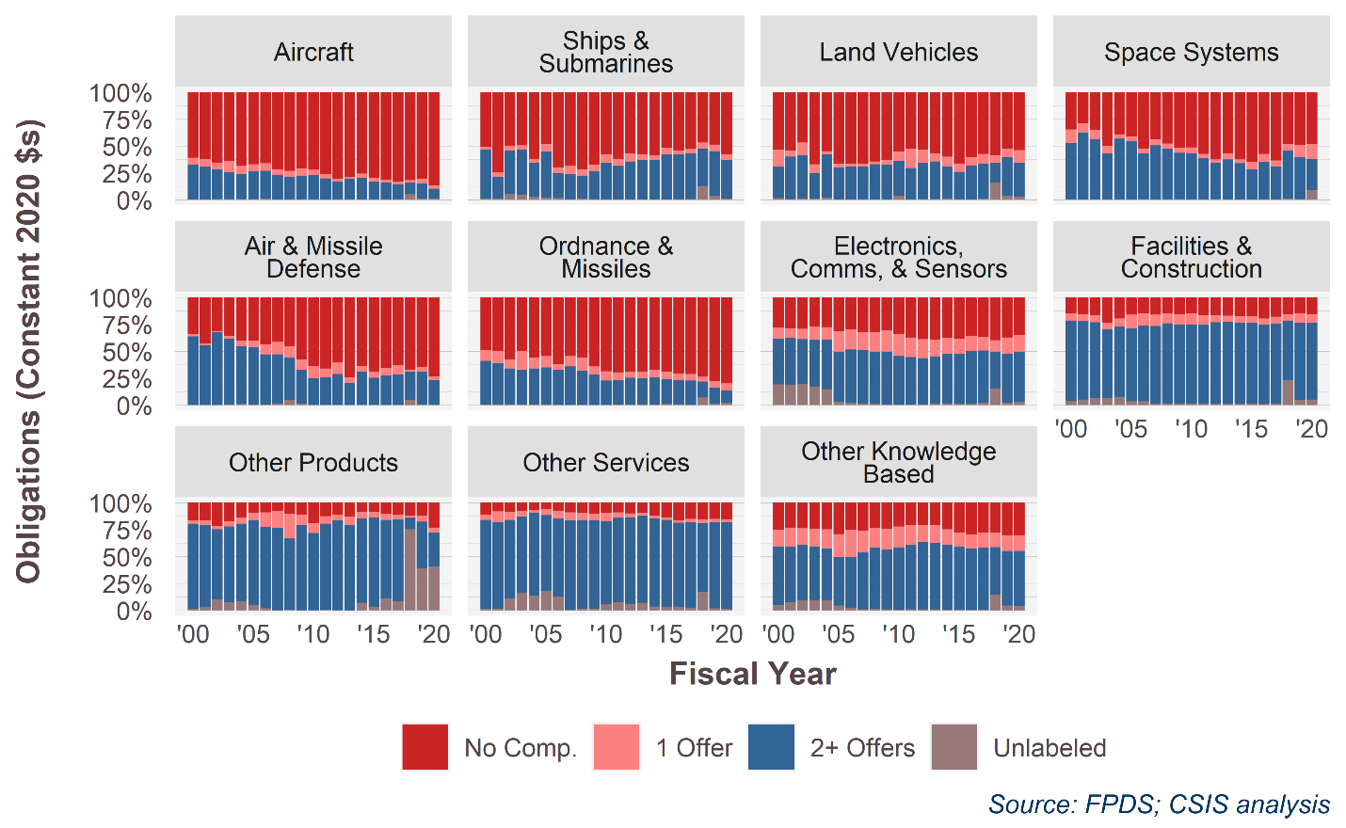
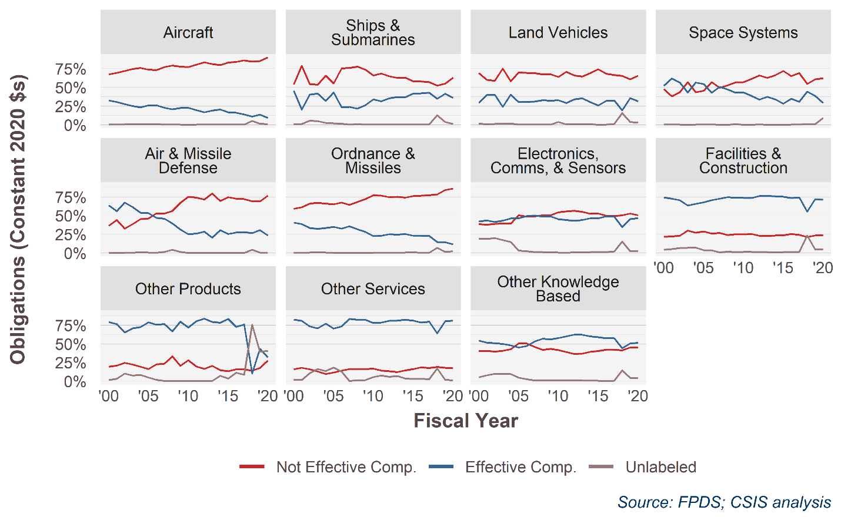
PlatformPortfolio | Competition.effective.only | 2000 | 2001 | 2002 | 2003 | 2004 | 2005 | 2006 | 2007 | 2008 | 2009 | 2010 | 2011 | 2012 | 2013 | 2014 | 2015 | 2016 | 2017 | 2018 | 2019 | 2020
Aircraft | Not Effective Comp. | 67% | 69% | 72% | 75% | 76% | 74% | 73% | 77% | 79% | 78% | 77% | 80% | 83% | 81% | 80% | 83% | 84% | 86% | 84% | 85% | 90%
Aircraft | Effective Comp. | 32% | 30% | 28% | 25% | 23% | 26% | 26% | 23% | 21% | 22% | 23% | 19% | 16% | 19% | 20% | 17% | 16% | 14% | 11% | 14% | 9%
Aircraft | Unlabeled | 0% | 0% | 0% | 0% | 1% | 0% | 1% | 0% | 0% | 0% | 0% | 0% | 0% | 0% | 0% | 0% | 0% | 0% | 5% | 1% | 1%
Ships & Submarines | Not Effective Comp. | 54% | 79% | 54% | 54% | 66% | 55% | 75% | 76% | 78% | 74% | 66% | 69% | 65% | 63% | 63% | 58% | 58% | 57% | 52% | 55% | 63%
Ships & Submarines | Effective Comp. | 46% | 20% | 40% | 42% | 32% | 43% | 23% | 24% | 22% | 26% | 34% | 31% | 35% | 37% | 37% | 42% | 42% | 43% | 35% | 41% | 36%
Ships & Submarines | Unlabeled | 1% | 1% | 5% | 5% | 3% | 2% | 1% | 0% | 1% | 0% | 0% | 0% | 0% | 0% | 0% | 0% | 0% | 0% | 13% | 4% | 1%
Land Vehicles | Not Effective Comp. | 69% | 60% | 59% | 75% | 58% | 70% | 69% | 69% | 67% | 68% | 64% | 71% | 66% | 64% | 69% | 74% | 68% | 66% | 65% | 61% | 66%
Land Vehicles | Effective Comp. | 29% | 40% | 40% | 24% | 40% | 30% | 30% | 31% | 33% | 32% | 33% | 29% | 34% | 35% | 30% | 26% | 32% | 33% | 19% | 36% | 31%
Land Vehicles | Unlabeled | 2% | 0% | 1% | 1% | 2% | 0% | 0% | 0% | 0% | 0% | 4% | 0% | 0% | 0% | 1% | 0% | 0% | 1% | 16% | 4% | 3%
Space Systems | Not Effective Comp. | 48% | 38% | 44% | 57% | 43% | 46% | 57% | 49% | 53% | 57% | 57% | 61% | 66% | 63% | 66% | 72% | 65% | 69% | 55% | 61% | 62%
Space Systems | Effective Comp. | 52% | 62% | 56% | 43% | 56% | 54% | 43% | 51% | 47% | 43% | 43% | 39% | 34% | 37% | 34% | 28% | 35% | 31% | 44% | 39% | 29%
Space Systems | Unlabeled | 0% | 0% | 0% | 0% | 0% | 0% | 0% | 0% | 0% | 1% | 0% | 0% | 0% | 0% | 0% | 0% | 0% | 0% | 1% | 1% | 9%
Air & Missile Defense | Not Effective Comp. | 36% | 44% | 32% | 39% | 45% | 46% | 53% | 53% | 56% | 67% | 75% | 74% | 71% | 80% | 69% | 75% | 73% | 72% | 69% | 69% | 77%
Air & Missile Defense | Effective Comp. | 64% | 56% | 67% | 61% | 54% | 53% | 47% | 46% | 39% | 31% | 25% | 26% | 29% | 20% | 31% | 25% | 27% | 28% | 27% | 31% | 23%
Air & Missile Defense | Unlabeled | 0% | 0% | 0% | 0% | 1% | 1% | 0% | 1% | 4% | 1% | 0% | 0% | 0% | 0% | 0% | 0% | 0% | 0% | 4% | 0% | 0%
Ordnance & Missiles | Not Effective Comp. | 59% | 61% | 66% | 67% | 66% | 65% | 67% | 64% | 68% | 72% | 77% | 76% | 75% | 75% | 74% | 76% | 77% | 77% | 78% | 84% | 86%
Ordnance & Missiles | Effective Comp. | 41% | 39% | 33% | 32% | 33% | 35% | 33% | 36% | 32% | 28% | 23% | 23% | 25% | 24% | 25% | 23% | 23% | 23% | 15% | 14% | 11%
Ordnance & Missiles | Unlabeled | 0% | 0% | 1% | 1% | 1% | 0% | 0% | 0% | 0% | 0% | 0% | 0% | 0% | 0% | 0% | 1% | 0% | 0% | 7% | 1% | 2%
Electronics, Comms, & Sensors | Not Effective Comp. | 39% | 38% | 39% | 40% | 39% | 50% | 49% | 49% | 50% | 50% | 54% | 56% | 56% | 55% | 52% | 53% | 50% | 49% | 50% | 53% | 50%
Electronics, Comms, & Sensors | Effective Comp. | 42% | 44% | 42% | 43% | 46% | 46% | 49% | 50% | 49% | 49% | 45% | 44% | 43% | 44% | 46% | 46% | 49% | 49% | 34% | 45% | 47%
Electronics, Comms, & Sensors | Unlabeled | 19% | 19% | 20% | 17% | 15% | 3% | 2% | 1% | 1% | 1% | 1% | 0% | 1% | 1% | 1% | 1% | 1% | 2% | 15% | 2% | 3%
Facilities & Construction | Not Effective Comp. | 22% | 22% | 23% | 30% | 27% | 29% | 26% | 27% | 24% | 25% | 25% | 25% | 23% | 23% | 23% | 24% | 25% | 24% | 21% | 23% | 24%
Facilities & Construction | Effective Comp. | 74% | 73% | 70% | 63% | 66% | 68% | 71% | 72% | 74% | 74% | 74% | 73% | 76% | 76% | 76% | 75% | 74% | 74% | 55% | 72% | 71%
Facilities & Construction | Unlabeled | 4% | 5% | 7% | 7% | 7% | 4% | 3% | 1% | 2% | 1% | 2% | 1% | 1% | 1% | 1% | 1% | 1% | 1% | 23% | 5% | 5%
Other Products | Not Effective Comp. | 19% | 21% | 25% | 22% | 19% | 16% | 23% | 23% | 33% | 20% | 28% | 20% | 16% | 20% | 15% | 13% | 16% | 16% | 14% | 18% | 28%
Other Products | Effective Comp. | 79% | 76% | 65% | 70% | 72% | 79% | 76% | 76% | 67% | 79% | 72% | 80% | 83% | 79% | 78% | 83% | 73% | 76% | 10% | 43% | 32%
Other Products | Unlabeled | 2% | 3% | 10% | 7% | 8% | 5% | 2% | 0% | 0% | 0% | 0% | 0% | 0% | 0% | 7% | 3% | 11% | 9% | 75% | 39% | 41%
Other Services | Not Effective Comp. | 16% | 18% | 16% | 13% | 9% | 11% | 14% | 16% | 17% | 16% | 17% | 14% | 13% | 12% | 14% | 16% | 18% | 18% | 19% | 18% | 18%
Other Services | Effective Comp. | 82% | 81% | 73% | 71% | 77% | 70% | 73% | 83% | 82% | 82% | 78% | 78% | 81% | 81% | 82% | 81% | 79% | 80% | 64% | 80% | 81%
Other Services | Unlabeled | 2% | 2% | 11% | 16% | 13% | 18% | 13% | 0% | 1% | 2% | 5% | 8% | 6% | 7% | 3% | 3% | 3% | 3% | 17% | 2% | 1%
Other Knowledge Based | Not Effective Comp. | 41% | 41% | 39% | 41% | 43% | 50% | 50% | 46% | 42% | 43% | 42% | 39% | 36% | 37% | 39% | 41% | 42% | 42% | 41% | 45% | 45%
Other Knowledge Based | Effective Comp. | 54% | 52% | 51% | 50% | 48% | 45% | 47% | 53% | 57% | 56% | 58% | 60% | 62% | 62% | 60% | 59% | 57% | 57% | 44% | 51% | 51%
Other Knowledge Based | Unlabeled | 5% | 8% | 10% | 10% | 10% | 5% | 3% | 1% | 1% | 1% | 1% | 1% | 1% | 1% | 1% | 1% | 0% | 1% | 15% | 4% | 4%

SubCustomer.platform | Competition.effective.only | 2015 | 2019 | 2020
Aircraft | Not Effective Comp. | 83% | 85% | 90%
Aircraft | Effective Comp. | 17% | 14% | 9%
Aircraft | Unlabeled | 0% | 1% | 1%
Ships & Submarines | Not Effective Comp. | 58% | 55% | 63%
Ships & Submarines | Effective Comp. | 42% | 41% | 36%
Ships & Submarines | Unlabeled | 0% | 4% | 1%
Land Vehicles | Not Effective Comp. | 74% | 61% | 66%
Land Vehicles | Effective Comp. | 26% | 36% | 31%
Land Vehicles | Unlabeled | 0% | 4% | 3%
Space Systems | Not Effective Comp. | 72% | 61% | 62%
Space Systems | Effective Comp. | 28% | 39% | 29%
Space Systems | Unlabeled | 0% | 1% | 9%
Air & Missile Defense | Not Effective Comp. | 75% | 69% | 77%
Air & Missile Defense | Effective Comp. | 25% | 31% | 23%
Air & Missile Defense | Unlabeled | 0% | 0% | 0%
Ordnance & Missiles | Not Effective Comp. | 76% | 84% | 86%
Ordnance & Missiles | Effective Comp. | 23% | 14% | 11%
Ordnance & Missiles | Unlabeled | 1% | 1% | 2%
Electronics, Comms, & Sensors | Not Effective Comp. | 53% | 53% | 50%
Electronics, Comms, & Sensors | Effective Comp. | 46% | 45% | 47%
Electronics, Comms, & Sensors | Unlabeled | 1% | 2% | 3%
Facilities & Construction | Not Effective Comp. | 24% | 23% | 24%
Facilities & Construction | Effective Comp. | 75% | 72% | 71%
Facilities & Construction | Unlabeled | 1% | 5% | 5%
Other Products | Not Effective Comp. | 13% | 18% | 28%
Other Products | Effective Comp. | 83% | 43% | 32%
Other Products | Unlabeled | 3% | 39% | 41%
Other Services | Not Effective Comp. | 16% | 18% | 18%
Other Services | Effective Comp. | 81% | 80% | 81%
Other Services | Unlabeled | 3% | 2% | 1%
Other Knowledge Based | Not Effective Comp. | 41% | 45% | 45%
Other Knowledge Based | Effective Comp. | 59% | 51% | 51%
Other Knowledge Based | Unlabeled | 1% | 4% | 4%

Comp by SubCustomer
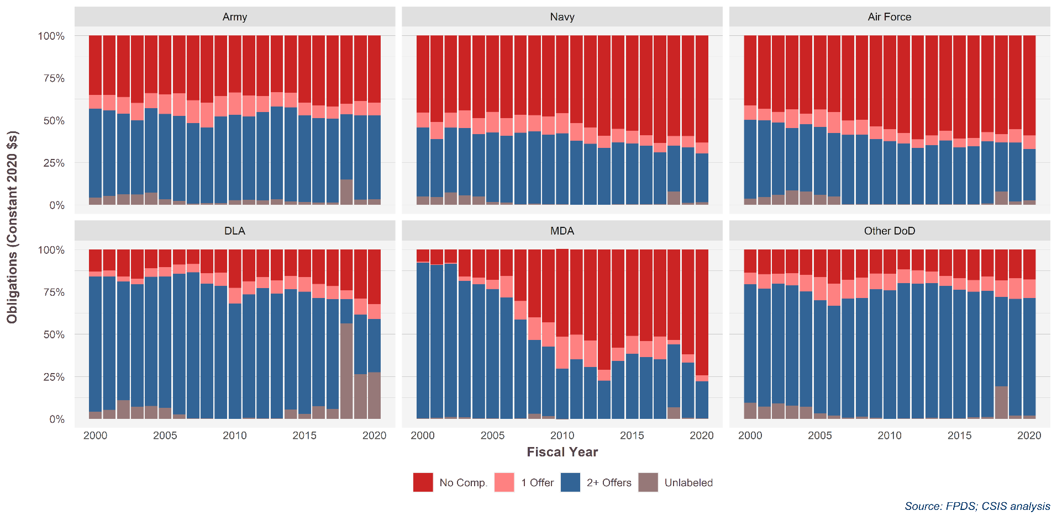
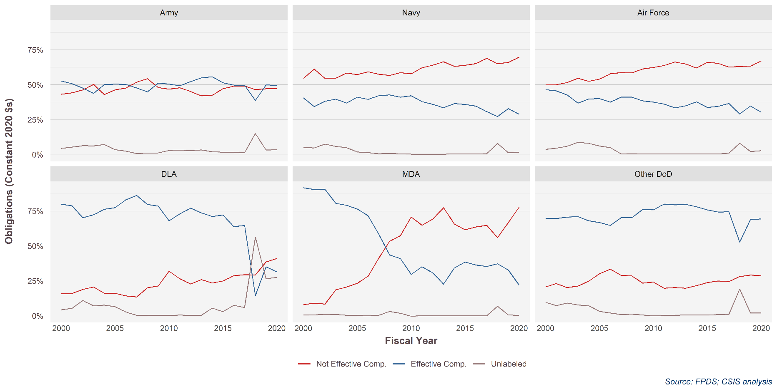
SubCustomer.platform | Competition.effective.only | 2000 | 2001 | 2002 | 2003 | 2004 | 2005 | 2006 | 2007 | 2008 | 2009 | 2010 | 2011 | 2012 | 2013 | 2014 | 2015 | 2016 | 2017 | 2018 | 2019 | 2020
Army | Not Effective Comp. | 43% | 44% | 46% | 50% | 43% | 46% | 48% | 52% | 54% | 48% | 47% | 48% | 45% | 42% | 42% | 47% | 49% | 49% | 46% | 47% | 47%
Army | Effective Comp. | 53% | 51% | 48% | 44% | 50% | 50% | 50% | 48% | 45% | 51% | 50% | 49% | 52% | 55% | 56% | 51% | 50% | 50% | 39% | 50% | 50%
Army | Unlabeled | 4% | 5% | 6% | 6% | 7% | 3% | 2% | 1% | 1% | 1% | 3% | 3% | 3% | 3% | 2% | 2% | 1% | 1% | 15% | 3% | 3%
Navy | Not Effective Comp. | 54% | 61% | 54% | 55% | 58% | 57% | 59% | 57% | 57% | 59% | 58% | 62% | 64% | 66% | 63% | 64% | 65% | 69% | 65% | 66% | 70%
Navy | Effective Comp. | 41% | 34% | 38% | 40% | 37% | 41% | 39% | 42% | 43% | 41% | 42% | 38% | 36% | 33% | 36% | 36% | 35% | 31% | 27% | 33% | 29%
Navy | Unlabeled | 5% | 5% | 7% | 6% | 5% | 2% | 1% | 0% | 1% | 0% | 0% | 0% | 0% | 0% | 0% | 0% | 0% | 1% | 8% | 1% | 2%
Air Force | Not Effective Comp. | 50% | 50% | 51% | 55% | 52% | 54% | 58% | 59% | 58% | 61% | 62% | 64% | 66% | 65% | 62% | 66% | 65% | 63% | 63% | 63% | 67%
Air Force | Effective Comp. | 46% | 46% | 43% | 37% | 40% | 40% | 37% | 41% | 41% | 38% | 37% | 36% | 33% | 35% | 38% | 34% | 34% | 37% | 29% | 35% | 30%
Air Force | Unlabeled | 4% | 5% | 6% | 9% | 8% | 6% | 5% | 0% | 1% | 0% | 0% | 0% | 0% | 0% | 0% | 0% | 0% | 1% | 8% | 2% | 3%
DLA | Not Effective Comp. | 16% | 16% | 19% | 21% | 16% | 16% | 14% | 13% | 20% | 21% | 32% | 26% | 23% | 26% | 23% | 25% | 29% | 29% | 29% | 39% | 41%
DLA | Effective Comp. | 80% | 79% | 70% | 72% | 76% | 77% | 83% | 86% | 80% | 79% | 68% | 73% | 77% | 74% | 71% | 72% | 64% | 65% | 14% | 35% | 32%
DLA | Unlabeled | 4% | 5% | 11% | 7% | 8% | 7% | 3% | 0% | 0% | 0% | 0% | 1% | 0% | 0% | 5% | 3% | 7% | 6% | 56% | 26% | 28%
MDA | Not Effective Comp. | 8% | 9% | 8% | 19% | 21% | 23% | 28% | 41% | 53% | 57% | 71% | 65% | 69% | 77% | 66% | 62% | 64% | 65% | 56% | 67% | 78%
MDA | Effective Comp. | 92% | 90% | 91% | 81% | 79% | 76% | 72% | 58% | 44% | 41% | 30% | 35% | 31% | 23% | 34% | 38% | 36% | 35% | 37% | 33% | 22%
MDA | Unlabeled | 0% | 1% | 1% | 1% | 0% | 0% | 0% | 0% | 3% | 2% | 0% | 0% | 0% | 0% | 0% | 0% | 0% | 0% | 7% | 1% | 0%
Other DoD | Not Effective Comp. | 21% | 23% | 20% | 21% | 25% | 30% | 33% | 29% | 29% | 23% | 24% | 20% | 20% | 20% | 22% | 24% | 25% | 25% | 28% | 29% | 29%
Other DoD | Effective Comp. | 70% | 70% | 71% | 71% | 68% | 67% | 65% | 70% | 70% | 76% | 76% | 80% | 79% | 80% | 78% | 76% | 74% | 74% | 53% | 69% | 69%
Other DoD | Unlabeled | 10% | 7% | 9% | 8% | 7% | 3% | 2% | 1% | 1% | 0% | 0% | 0% | 0% | 1% | 0% | 0% | 1% | 1% | 19% | 2% | 2%

SubCustomer.platform | Competition.effective.only | 2015 | 2019 | 2020
Army | Not Effective Comp. | 47% | 47% | 47%
Army | Effective Comp. | 51% | 50% | 50%
Army | Unlabeled | 2% | 3% | 3%
Navy | Not Effective Comp. | 64% | 66% | 70%
Navy | Effective Comp. | 36% | 33% | 29%
Navy | Unlabeled | 0% | 1% | 2%
Air Force | Not Effective Comp. | 66% | 63% | 67%
Air Force | Effective Comp. | 34% | 35% | 30%
Air Force | Unlabeled | 0% | 2% | 3%
DLA | Not Effective Comp. | 25% | 39% | 41%
DLA | Effective Comp. | 72% | 35% | 32%
DLA | Unlabeled | 3% | 26% | 28%
MDA | Not Effective Comp. | 62% | 67% | 78%
MDA | Effective Comp. | 38% | 33% | 22%
MDA | Unlabeled | 0% | 1% | 0%
Other DoD | Not Effective Comp. | 24% | 29% | 29%
Other DoD | Effective Comp. | 76% | 69% | 69%
Other DoD | Unlabeled | 0% | 2% | 2%

Area
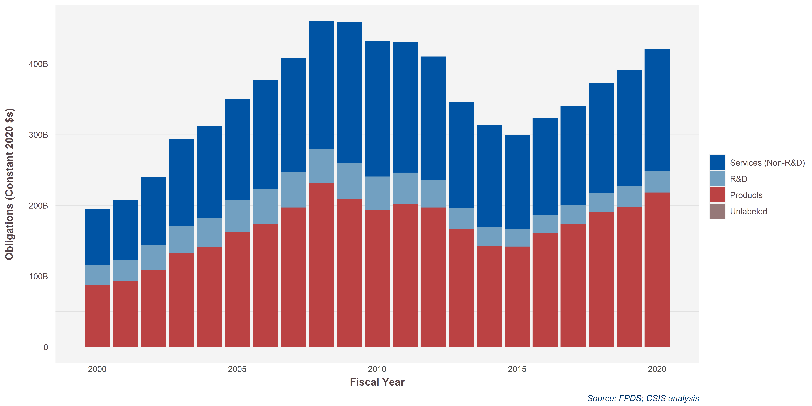
Sum of SumOfobligatedAmount |  |  |  |  |  |  |  |  |  |  |  |  |  |  |  |  |  |  |  |  |  |  |  |  | 1,000,000,000
Row Labels | 2000 | 2001 | 2002 | 2003 | 2004 | 2005 | 2006 | 2007 | 2008 | 2009 | 2010 | 2011 | 2012 | 2013 | 2014 | 2015 | 2016 | 2017 | 2018 | 2019 | 2020 | 2021 | Grand Total
ERS | 18520593411 | 18516944605 | 22893849728 | 30427749423 | 36061861458 | 40240127342 | 45356145382 | 50105464648 | 56960265887 | 60684898173 | 61515049107 | 59243877642 | 56090555906 | 50090326252 | 43448435622 | 42822416367 | 44425199532 | 46981589972 | 51542966576 | 55861454882 | 58487862620 | 58385009010 | 5.0740046206E+11
FRS&C | 7200503983.7 | 7528808426 | 8269334604.1 | 10185234831 | 12573750484 | 13205637590 | 14171213668 | 15045968265 | 15529095503 | 16420721092 | 16773840349 | 18031805136 | 16921868268 | 15039069395 | 14325467014 | 13520111505 | 15040401630 | 15399938672 | 17790498321 | 18915546453 | 21485675564 | 19224455970 | 8.91136562E+11
ICT | 8561801046.1 | 9758469753.9 | 10670027377 | 12995503451 | 13322912995 | 16204136660 | 16398866017 | 17490214364 | 20270760448 | 21809499865 | 21098561446 | 24527212933 | 26801864915 | 21995150571 | 23525083267 | 22534483248 | 23028316947 | 26364344189 | 28982169383 | 29825062105 | 29238661666 | 29017615053 | 3.5059655597E+11
MED | 17072537942 | 19081439777 | 21172652192 | 27544417369 | 27417964077 | 30151095485 | 35436139337 | 35378803034 | 44546061013 | 52905089188 | 48106712038 | 41928611077 | 38849773435 | 31585637643 | 34068565172 | 30057034304 | 30145031141 | 29802596775 | 37098074949 | 41790076650 | 49124253216 | 38893277806 | 2.4430991052E+11
NULL | 2206554815.8 | 3356057051.2 | 5353433907.9 | 7128769924 | 6472680683.7 | 8011111267 | 9433878304.1 | 10713408949 | 10880534665 | 13674754565 | 12939215879 | 13924617701 | 13708931902 | 13363623689 | 14209286518 | 12704542512 | 13357946778 | 13666459995 | 13958280279 | 14192470021 | 14679398988 | 15337606446 | 367014386.21
PAMS | 18975571688 | 20659939450 | 24447959897 | 28293381988 | 29933848137 | 34308479488 | 37917799020 | 40740659031 | 39515918071 | 41998376180 | 39753925417 | 37470739089 | 33395994906 | 26566746535 | 24194265870 | 22527325312 | 23414434474 | 24590720483 | 26150331531 | 29756218179 | 30219025303 | 31432718613 | 1.0895559849E+12
Products | 56053927352 | 60938738427 | 71461512674 | 89236075696 | 97311035609 | 1.1381563433E+11 | 1.2317909575E+11 | 1.4595293885E+11 | 1.7555329221E+11 | 1.5486634866E+11 | 1.4963778623E+11 | 1.5904320875E+11 | 1.4981555758E+11 | 1.3339047962E+11 | 1.1685529924E+11 | 1.2082422289E+11 | 1.4273639702E+11 | 1.5600616363E+11 | 1.7345300355E+11 | 1.8548416627E+11 | 2.1184543815E+11 | 1.871880442E+11 | 3.5671549401E+12
R&D | 3539978909 | 4114617850 | 5406158242 | 5644483530.8 | 6524579126.5 | 9564497100.7 | 13080677125 | 12521122660 | 14398686452 | 18721536325 | 12353941753 | 14004241053 | 21690447760 | 14231146403 | 12423958606 | 8942500936.2 | 5879211092.3 | 7570267424.3 | 9657680563 | 7726653536.3 | 6227019184.5 | 7034032800.9 | 8.2651250507E+11
Grand Total | 29507158.539 | 9838575.9425 | 84083862.295 | 75741000.174 | 7078195.7826 | 3802636.1223 | 109748294.81 | 18047585.05 | 368043.2192 | 986168.1333 | -253919.658 | -140825.1013 | -6477.8001 | -99723.1206 |  | 30000 | 3581529.4308 | 1345607 | -212795.3672 | 465885 | 314555.625 | 386316 | 7.477033935E+12

SimpleArea | 2000 | 2001 | 2002 | 2003 | 2004 | 2005 | 2006 | 2007 | 2008 | 2009 | 2010 | 2011 | 2012 | 2013 | 2014 | 2015 | 2016 | 2017 | 2018 | 2019 | 2020 | 2021
Products (All) | 59593906261 | 65053356277 | 76867670916 | 94880559227 | 1.0383561474E+11 | 1.2338013143E+11 | 1.3625977287E+11 | 1.5847406151E+11 | 1.8995197866E+11 | 1.7358788499E+11 | 1.6199172798E+11 | 1.730474498E+11 | 1.7150600534E+11 | 1.4762162602E+11 | 1.2927925785E+11 | 1.2976672382E+11 | 1.4861560812E+11 | 1.6357643105E+11 | 1.8311068412E+11 | 1.9321081981E+11 | 2.1807245733E+11 | 1.94222077E+11
R&D | 18975571688 | 20659939450 | 24447959897 | 28293381988 | 29933848137 | 34308479488 | 37917799020 | 40740659031 | 39515918071 | 41998376180 | 39753925417 | 37470739089 | 33395994906 | 26566746535 | 24194265870 | 22527325312 | 23414434474 | 24590720483 | 26150331531 | 29756218179 | 30219025303 | 31432718613
Services (Non-R&D) | 53561991198 | 58241719613 | 68359297809 | 88281674998 | 95849169698 | 1.0781210834E+11 | 1.2079624271E+11 | 1.2873385926E+11 | 1.4818671752E+11 | 1.6549496288E+11 | 1.6043337882E+11 | 1.5765612449E+11 | 1.5237299443E+11 | 1.3207380755E+11 | 1.2957683759E+11 | 1.2163858794E+11 | 1.2599689603E+11 | 1.322149296E+11 | 1.4937198951E+11 | 1.6058461011E+11 | 1.7301585205E+11 | 1.6085796429E+11
Unlabeled | 29507158.539 | 9838575.9425 | 84083862.295 | 75741000.174 | 7078195.7826 | 3802636.1223 | 109748294.81 | 18047585.05 | 368043.2192 | 986168.1333 | -253919.658 | -140825.1013 | -6477.8001 | -99723.1206 |  | 30000 | 3581529.4308 | 1345607 | -212795.3672 | 465885 | 314555.625 | 386316

 | 2000 | 2001 | 2002 | 2003 | 2004 | 2005 | 2006 | 2007 | 2008 | 2009 | 2010 | 2011 | 2012 | 2013 | 2014 | 2015 | 2016 | 2017 | 2018 | 2019 | 2020 |  |  | 2015 | 2019 | 2020 | 2019-2020 | 2015-2020
Products | $86.98 | $92.76 | $107.88 | $130.78 | $139.77 | $161.16 | $172.46 | $195.26 | $229.31 | $207.16 | $191.67 | $200.75 | $195.26 | $165.03 | $141.80 | $140.76 | $159.79 | $172.80 | $189.07 | $195.63 | $218.07 |  |  | $140.8 | $195.6 | $218.1 | 11% | 55%
Services | $78.18 | $83.05 | $95.94 | $121.68 | $129.02 | $140.83 | $152.89 | $158.62 | $178.89 | $197.50 | $189.83 | $182.89 | $173.48 | $147.65 | $142.12 | $131.94 | $135.47 | $139.67 | $154.24 | $162.60 | $173.02 |  |  | $131.9 | $162.6 | $173.0 | 6% | 31%
R&D | $27.70 | $29.46 | $34.31 | $39.00 | $40.29 | $44.81 | $47.99 | $50.20 | $47.70 | $50.12 | $47.04 | $43.47 | $38.02 | $29.70 | $26.54 | $24.44 | $25.17 | $25.98 | $27.00 | $30.13 | $30.22 |  |  | $24.4 | $30.1 | $30.2 | 0.3% | 24%
 | $192.86 | $205.28 | $238.13 | $291.46 | $309.08 | $346.80 | $373.35 | $404.08 | $455.90 | $454.78 | $428.54 | $427.11 | $406.76 | $342.38 | $310.46 | $297.13 | $320.43 | $338.46 | $370.31 | $388.36 | $421.31 |  |  | $297.1 | $388.4 | $421.3 | 8% | 42%

Products | 45% | 45% | 45% | 45% | 45% | 46% | 46% | 48% | 50% | 46% | 45% | 47% | 48% | 48% | 46% | 47% | 50% | 51% | 51% | 50% | 52%
Services | 41% | 40% | 40% | 42% | 42% | 41% | 41% | 39% | 39% | 43% | 44% | 43% | 43% | 43% | 46% | 44% | 42% | 41% | 42% | 42% | 41%
R&D | 14% | 14% | 14% | 13% | 13% | 13% | 13% | 12% | 10% | 11% | 11% | 10% | 9% | 9% | 9% | 8% | 8% | 8% | 7.3% | 7.8% | 7.2%

Services
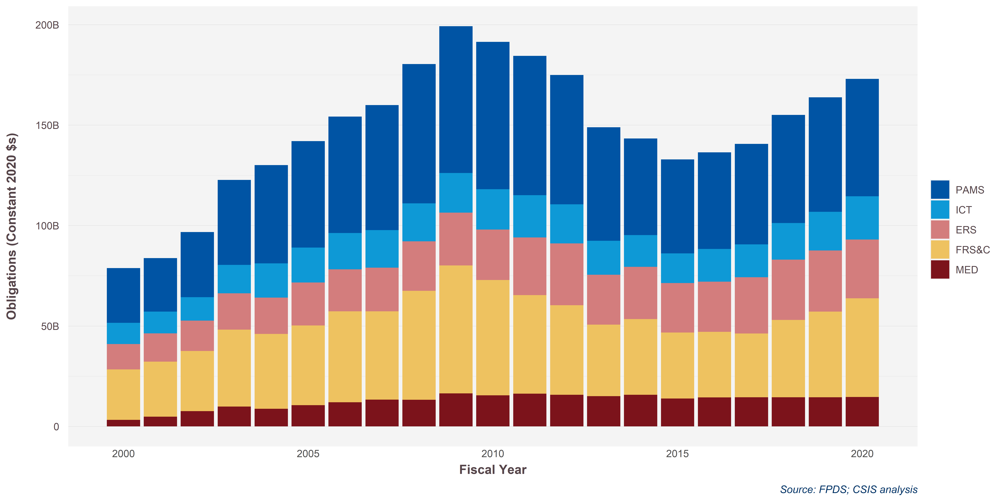
Sum of SumOfobligatedAmount |  |  |  |  |  |  |  |  |  |  |  |  |  |  |  |  |  |  |  |  |  |  |  | 1,000,000,000
ProductServiceOrRnDarea | 2000 | 2001 | 2002 | 2003 | 2004 | 2005 | 2006 | 2007 | 2008 | 2009 | 2010 | 2011 | 2012 | 2013 | 2014 | 2015 | 2016 | 2017 | 2018 | 2019 | 2020 | 2021
PAMS | 18520593411 | 18516944605 | 22893849728 | 30427749423 | 36061861458 | 40240127342 | 45356145382 | 50105464648 | 56960265887 | 60684898173 | 61515049107 | 59243877642 | 56090555906 | 50090326252 | 43448435622 | 42822416367 | 44425199532 | 46981589972 | 51542966576 | 55861454882 | 58487862620 | 58385009010
ICT | 7200503983.7 | 7528808426 | 8269334604.1 | 10185234831 | 12573750484 | 13205637590 | 14171213668 | 15045968265 | 15529095503 | 16420721092 | 16773840349 | 18031805136 | 16921868268 | 15039069395 | 14325467014 | 13520111505 | 15040401630 | 15399938672 | 17790498321 | 18915546453 | 21485675564 | 19224455970
ERS | 8561801046.1 | 9758469753.9 | 10670027377 | 12995503451 | 13322912995 | 16204136660 | 16398866017 | 17490214364 | 20270760448 | 21809499865 | 21098561446 | 24527212933 | 26801864915 | 21995150571 | 23525083267 | 22534483248 | 23028316947 | 26364344189 | 28982169383 | 29825062105 | 29238661666 | 29017615053
FRS&C | 17072537942 | 19081439777 | 21172652192 | 27544417369 | 27417964077 | 30151095485 | 35436139337 | 35378803034 | 44546061013 | 52905089188 | 48106712038 | 41928611077 | 38849773435 | 31585637643 | 34068565172 | 30057034304 | 30145031141 | 29802596775 | 37098074949 | 41790076650 | 49124253216 | 38893277806
MED | 2206554815.8 | 3356057051.2 | 5353433907.9 | 7128769924 | 6472680683.7 | 8011111267 | 9433878304.1 | 10713408949 | 10880534665 | 13674754565 | 12939215879 | 13924617701 | 13708931902 | 13363623689 | 14209286518 | 12704542512 | 13357946778 | 13666459995 | 13958280279 | 14192470021 | 14679398988 | 15337606446
Grand Total | 29507158.539 | 9838575.9425 | 84083862.295 | 75741000.174 | 7078195.7826 | 3802636.1223 | 109748294.81 | 18047585.05 | 368043.2192 | 986168.1333 | -253919.658 | -140825.1013 | -6477.8001 | -99723.1206 |  | 30000 | 3581529.4308 | 1345607 | -212795.3672 | 465885 | 314555.625 | 386316

ProductServiceOrRnDarea | 2000 | 2001 | 2002 | 2003 | 2004 | 2005 | 2006 | 2007 | 2008 | 2009 | 2010 | 2011 | 2012 | 2013 | 2014 | 2015 | 2016 | 2017 | 2018 | 2019 | 2020 | Grand Total | 2019_2020 | 2015_2020 | Share 2020
PAMS | 27.3 | 26.6 | 32.4 | 42.3 | 49.0 | 53.0 | 57.9 | 62.3 | 69.4 | 73.0 | 73.4 | 69.3 | 64.4 | 56.5 | 48.1 | 46.8 | 48.1 | 50.0 | 53.8 | 57.0 | 58.5 | 1201.2 | 3% | 25% | 34%
ICT | 10.6 | 10.8 | 11.7 | 14.2 | 17.1 | 17.4 | 18.1 | 18.7 | 18.9 | 19.8 | 20.0 | 21.1 | 19.4 | 17.0 | 15.8 | 14.8 | 16.3 | 16.4 | 18.3 | 19.3 | 21.5 | 518.6 | 11% | 45% | 12%
ERS | 12.6 | 14.0 | 15.1 | 18.1 | 18.1 | 21.3 | 20.9 | 21.7 | 24.7 | 26.3 | 25.2 | 28.7 | 30.8 | 24.8 | 26.0 | 24.6 | 24.9 | 28.0 | 30.0 | 30.4 | 29.2 | 543.0 | -4% | 19% | 17%
FRS&C | 25.1 | 27.4 | 30.0 | 38.3 | 37.2 | 39.7 | 45.2 | 44.0 | 54.2 | 63.7 | 57.4 | 49.1 | 44.6 | 35.6 | 37.7 | 32.8 | 32.6 | 31.7 | 38.5 | 42.6 | 49.1 | 873.1 | 15% | 50% | 28%
MED | 3.2 | 4.8 | 7.6 | 9.9 | 8.8 | 10.6 | 12.0 | 13.3 | 13.2 | 16.5 | 15.4 | 16.3 | 15.7 | 15.1 | 15.7 | 13.9 | 14.5 | 14.5 | 14.5 | 14.5 | 14.7 | 264.8 | 1% | 6% | 8%
Grand Total | 78.8 | 83.8 | 96.8 | 122.7 | 130.1 | 142.0 | 154.2 | 160.0 | 180.4 | 199.2 | 191.5 | 184.5 | 175.0 | 148.9 | 143.3 | 132.9 | 136.4 | 140.6 | 155.1 | 163.8 | 173.0 | 4303.5 | 6% | 30% | 100%

R&D
Sum of SumOfobligatedAmount
Row Labels | 2000 | 2001 | 2002 | 2003 | 2004 | 2005 | 2006 | 2007 | 2008 | 2009 | 2010 | 2011 | 2012 | 2013 | 2014 | 2015 | 2016 | 2017 | 2018 | 2019 | 2020 | Grand Total

NULL |  |  |  |  |  |  |  |  |  |  |  |  |  |  |  |  | 774875.0781 | 834020 |  | 29999.9902 | 0 | 1638895.0683

Grand Total | 18976033619 | 20661281220 | 24449425605 | 28308571371 | 29954437416 | 34311552167 | 37929068693 | 40743034923 | 39527293978 | 42018893355 | 39757009667 | 37474958954 | 33396675202 | 26566763168 | 24194246828 | 22527867301 | 23414460464 | 24590720483 | 25992988878 | 29763219159 | 30236179332 | 8.3779531874E+11

 |  |  |  |  |  |  |  |  |  |  |  |  |  |  |  |  |  |  |  |  |  |  |  | 1,000,000,000

ProductServiceOrRnDarea | ProductServiceOrRnDarea | 2000 | 2001 | 2002 | 2003 | 2004 | 2005 | 2006 | 2007 | 2008 | 2009 | 2010 | 2011 | 2012 | 2013 | 2014 | 2015 | 2016 | 2017 | 2018 | 2019 | 2020 | 2021
Operation of Government R&D Facilities | Operation of Government R&D Facilities | 666611315 | 630347520 | 475305165 | 614344303 | 664582180 | 805040869 | 719719187.31 | 572958193.09 | 572054877.7 | 109906832.79 | 72648490.507 | 88669768 | 59037002.507 | 39874485.2 | 48261381.94 | 48407930.78 | 53843635.991 | 56520230.688 | 61923696.959 | 46474156.042 | 53504365.945 | 60861598.808
Basic Research (6.1) | Basic Research (6.1) | 1708919088.9 | 1970300976.6 | 2491198486 | 3387470430.1 | 3795089805.2 | 4673530744.5 | 4497516689.6 | 4769530240.5 | 4962872827.3 | 4892554947.7 | 5180191095.5 | 4488531529.4 | 4176970048.3 | 3418097083.7 | 3322046820.2 | 3128972281.6 | 3272446993.8 | 3278077789.2 | 3679496206.8 | 3886363222.1 | 3762438512.4 | 3495721811.3
Applied Research (6.2) | Applied Research (6.2) | 2519227091.5 | 2780421585.8 | 3175682146.5 | 3777694999.2 | 4499263138.4 | 5004373814.2 | 5309627576.6 | 5944812898.4 | 6565214557.2 | 6880870194.6 | 7768860016.6 | 8697234323.1 | 7931792528.2 | 6656936961.7 | 6836974242.3 | 6157825479.2 | 6649419051.9 | 6838662315.9 | 6901678362 | 7762479939.1 | 7963972728.1 | 8516597964.1
Advanced Technology Development (6.3) | Advanced Technology Development (6.3) | 5183352833 | 6130935272.6 | 6346750777.5 | 6949179766.1 | 6664036728 | 7592509981.8 | 7928029396 | 8709844854.3 | 8578021465.7 | 9004581677.7 | 7448400635.8 | 6671402838.8 | 6877187361.2 | 5029634070.5 | 4044208975.3 | 3943988556.3 | 3972011794.5 | 4170245083.6 | 4789546354.6 | 6120210732.5 | 6040779669.7 | 7789710423.6
Advanced Component Development & Prototypes (6.4) | Advanced Component Development & Prototypes (6.4) | 3265656468 | 3619911776 | 3760112696.6 | 3594220180 | 3602829941 | 2650630177.8 | 2624966455.9 | 3706281605.5 | 3936874917.1 | 5469911998.7 | 5974035205.7 | 5444198610.4 | 4622332262.9 | 3721729442.9 | 4265473987.5 | 3936720244.7 | 4845020679.5 | 5110208166.8 | 5858300568.5 | 7134560657.4 | 7901079905.7 | 8349614154.4
System Development & Demonstration (6.5) | System Development & Demonstration (6.5) | 5047190255.8 | 4868326303 | 7276902123.5 | 8902619067.5 | 9312892823.8 | 11830763629 | 14993827585 | 15059574057 | 12975373643 | 13837083040 | 11457240139 | 10083946746 | 8202359355.7 | 6386824648 | 4224453246.3 | 4267270827.6 | 3702004692.8 | 4189069216.6 | 4136901306.7 | 4078805708.4 | 3803923980.1 | 2796932244.3
Operational Systems Development (6.7) | Operational Systems Development (6.7) | 584614636 | 659696016 | 922008502.2 | 1067853242 | 1395153521 | 1751630271.6 | 1844112130 | 1977657181.8 | 1925505783.1 | 1803467488.4 | 1852549833.5 | 1996755273.5 | 1526316347.4 | 1313649843.4 | 1452847216.5 | 1044139991.5 | 919687626.02 | 947937679.91 | 722485035.41 | 727323763.11 | 693326141.42 | 423280416.99
OTAs |  |  |  |  |  |  |  |  |  |  |  |  |  |  |  | 692410749.79 | 1187333627.8 | 1865042656.5 | 3336036256.9 | 6514619323.4 | 14754717133

 | 2000 | 2001 | 2002 | 2003 | 2004 | 2005 | 2006 | 2007 | 2008 | 2009 | 2010 | 2011 | 2012 | 2013 | 2014 | 2015 | 2016 | 2017 | 2018 | 2019 | 2020 |  | 2019-2020 | 2015-2020 | Share
Basic Research (6.1) | #VALUE! | $2.44 | $2.77 | $3.43 | $4.56 | $4.96 | $5.92 | $5.54 | $5.76 | $5.92 | $5.79 | $6.01 | $5.11 | $4.67 | $3.75 | $3.60 | $3.36 | $3.46 | $3.38 | $3.73 | $3.89 |  | 4% | 8% | 9% | $10.71 | ₩11.65 | 9%
Applied Research (6.2) | #VALUE! | $3.59 | $3.90 | $4.38 | $5.09 | $5.88 | $6.33 | $6.54 | $7.18 | $7.83 | $8.14 | $9.01 | $9.90 | $8.87 | $7.30 | $7.42 | $6.62 | $7.02 | $7.06 | $6.99 | $7.76 |  | 11% | 5% | 17% | $11.02 | ₩11.65 | 6%
Advanced Technology Development (6.3) | #VALUE! | $7.39 | $8.60 | $8.75 | $9.35 | $8.70 | $9.61 | $9.77 | $10.51 | $10.24 | $10.65 | $8.64 | $7.60 | $7.69 | $5.52 | $4.39 | $4.24 | $4.20 | $4.31 | $4.85 | $6.12 |  | 26% | 40% | 14% | $10.78 | ₩13.25 | 23%
Advanced Component Development & Prototypes (6.4) | #VALUE! | $4.66 | $5.08 | $5.18 | $4.84 | $4.71 | $3.35 | $3.23 | $4.47 | $4.70 | $6.47 | $6.93 | $6.20 | $5.17 | $4.08 | $4.63 | $4.23 | $5.12 | $5.28 | $5.93 | $7.13 |  | 20% | 54% | 16%
System Development & Demonstration (6.5) | #VALUE! | $7.20 | $6.83 | $10.03 | $11.98 | $12.16 | $14.97 | $18.47 | $18.18 | $15.48 | $16.37 | $13.29 | $11.48 | $9.17 | $7.01 | $4.58 | $4.59 | $3.91 | $4.33 | $4.19 | $4.08 |  | -3% | -11% | 9% | $4.92 | ₩4.81 | -2%
Operational Systems Development (6.7) | #VALUE! | $0.83 | $0.93 | $1.27 | $1.44 | $1.82 | $2.22 | $2.27 | $2.39 | $2.30 | $2.13 | $2.15 | $2.27 | $1.71 | $1.44 | $1.58 | $1.12 | $0.97 | $0.98 | $0.73 | $0.73 |  | -1% | -54% | 2%
Operation of Government R&D Facilities | #VALUE! | $0.95 | $0.88 | $0.66 | $0.83 | $0.87 | $1.02 | $0.89 | $0.69 | $0.68 | $0.13 | $0.08 | $0.10 | $0.07 | $0.04 | $0.05 | $0.05 | $0.06 | $0.06 | $0.06 | $0.05 |  | -26% | -11% | 0%
Other Transaction Authority (OTA) R&D Agreements | $- | $- | $- | $- | $- | $- | $- | $- | $- | $- | $- | $- | $- | $- | $- | $0.75 | $1.28 | $1.97 | $3.44 | $6.60 | $14.75 |  | 124% | 1865% | 33%
 | #VALUE! | $27.06 | $29.00 | $33.70 | $38.08 | $39.10 | $43.42 | $46.72 | $49.18 | $47.16 | $49.69 | $46.12 | $42.66 | $37.33 | $29.14 | $26.99 | $25.50 | $26.71 | $28.84 | $33.07 | $44.51 |  | 35% | 65% | 100%
Excluding OTA |  |  |  |  |  |  |  |  |  |  |  |  |  |  |  |  | $24.22 | $24.74 | $25.39 | $26.48 | $29.76 |  | 12.4%
 |  |  |  |  |  |  |  |  |  |  |  |  |  |  |  | 3% |  |  |  |  | $4.81 | 33%

 |  |  |  |  |  |  |  |  |  |  |  |  |  |  |  |  |  |  |  |  | $8.16
 |  |  |  |  |  |  |  |  |  |  |  | ₩8.16 |  |  |  |  | $0.53 | $0.69 | $1.47 | $3.15 | $8.16 | $19.01
 |  |  |  |  |  |  |  |  |  |  |  |  |  |  |  |  |  | $0.51 | $0.66 | $1.09 | $3.28 | $5.54

Platform Portfolio
PlatformPortfolio | 2000 | 2001 | 2002 | 2003 | 2004 | 2005 | 2006 | 2007 | 2008 | 2009 | 2010 | 2011 | 2012 | 2013 | 2014 | 2015 | 2016 | 2017 | 2018 | 2019 | 2020 |  |  | 1,000,000,000
Aircraft | 35400631992 | 35694322415 | 38615282435 | 48583497573 | 47852270836 | 47310366673 | 54081806745 | 60630980875 | 66905443852 | 66001124436 | 63575494170 | 70328553964 | 78122394325 | 73219281908 | 58183080661 | 61687298387 | 75361513517 | 85839350872 | 83194702341 | 90232535239 | 1.0514987104E+11
Electronics, Comms, & Sensors | 20600555924 | 22470646870 | 25911504293 | 31714717106 | 37258604309 | 42341404155 | 45359724133 | 52465084457 | 57024600988 | 55330825246 | 56229741043 | 52459842763 | 49581221069 | 41016927539 | 40718977050 | 39457509530 | 43175985963 | 45584378086 | 51083551804 | 54804816530 | 54971680669
Facilities and Construction | 20786916910 | 23107328569 | 26027970587 | 34357274180 | 35573581375 | 39371547693 | 45477965275 | 46054962420 | 57031592148 | 65968131475 | 61060137388 | 54243332644 | 48706553042 | 38970480617 | 42026611131 | 37927563012 | 38264892959 | 38236269217 | 46487327671 | 51775506943 | 59735805303
Land Vehicles | 3396266974.4 | 3539794688.3 | 5039755539.3 | 9947244876.4 | 8562753558.9 | 15300610232 | 16139572315 | 28198183530 | 39717358267 | 28828783889 | 25330676277 | 19570451164 | 10828576183 | 7427939745 | 5825184003.4 | 7497339382.5 | 7352146227.2 | 8253292736.5 | 12669606022 | 13047551517 | 11827203303
Missile Defense | 955629335 | 1934613424.4 | 3618850383.8 | 4004909075.1 | 5950319551.6 | 6482921045.2 | 6750772307.3 | 8313366552.2 | 8761720219.9 | 10501117509 | 10556654647 | 10915898236 | 11207421399 | 10808580184 | 8516574991.4 | 9379386451.6 | 9984597375.2 | 8633210134.3 | 13426541416 | 11270971886 | 14812685579
Ordnance and Missiles | 10752685205 | 10564898954 | 13524212890 | 14614856462 | 14204182628 | 14870948391 | 15042354582 | 17945827558 | 19207407069 | 17913405236 | 16674388590 | 15420096156 | 15680085307 | 13039562340 | 12578021203 | 13249652961 | 16477707729 | 18044712602 | 21544635321 | 26475729816 | 28297867554
Other Products | 8639631778.1 | 10228232817 | 13400997103 | 15542447428 | 18316220028 | 31831648774 | 34635226381 | 34283632889 | 39101663438 | 35588806645 | 29114589260 | 30006785905 | 35356441038 | 26464887728 | 24268112948 | 21069110792 | 19406249664 | 21576356486 | 25169090311 | 23212601846 | 25518398801
Other R&D and Knowledge Based | 12520414312 | 12535825225 | 15912758546 | 18777663919 | 21007790230 | 25755077157 | 29024392940 | 30532146001 | 34011360054 | 38743598810 | 40170134934 | 39937439222 | 40263003101 | 34056475147 | 33595562102 | 33264032389 | 33468844829 | 34748872270 | 38808225441 | 42601805301 | 44265681353
Other Services | 6506267013.1 | 7420418624.8 | 10543063265 | 16095378109 | 20098000394 | 22202331352 | 24229497507 | 24481298810 | 27430529998 | 30690372037 | 33027584426 | 36791692391 | 33863647978 | 30655317154 | 25657189163 | 22955222544 | 23806475417 | 26207298021 | 28473753113 | 29607583704 | 29482057730
Ships & Submarines | 9528296304 | 12484065798 | 12854065766 | 12824805488 | 14830516772 | 14037106007 | 16820153099 | 17252301147 | 19353076069 | 21501461738 | 17561181485 | 28389437788 | 23822590993 | 23050855239 | 23827426373 | 21478209073 | 24652659224 | 27207762331 | 31306616729 | 33305801657 | 40022416123
Space Systems | 3044177206 | 3974881296 | 4226477324 | 4992821995.7 | 5964392888.2 | 5996757784.3 | 7412349318.6 | 7790795564.3 | 9109862145.3 | 10013597033 | 8878450001.6 | 10110786329 | 9843082443.9 | 7551872503.3 | 7853619901.6 | 5967821763.6 | 6075865714.3 | 6050578378.8 | 6040616655.3 | 7216485115.1 | 7252643222.9
Unlabeled | 29503352.009 | 9825233.9425 | 84074351.175 | 75741000.174 | 7078195.7826 | 3802636.1223 | 109748294.81 | 18047585.05 | 368043.2192 | 986168.1333 | -253919.658 | -140825.1013 | -6477.8001 | -99723.1206 | NA | 30000 | 3581529.4308 | 1345607 | -212795.3672 | 465885 | 314555.625
Grand Total | 132,160,976,305.39 | 143,964,853,915.96 | 169,759,012,484.75 | 211,531,357,213.09 | 229,625,710,766.85 | 265,504,521,900.30 | 295,083,562,898.33 | 327,966,627,386.57 | 377,654,982,289.93 | 3.8108221022E+11 | 3.621787783E+11 | 3.6817417574E+11 | 3.572750104E+11 | 3.0626208038E+11 | 2.8305035953E+11 | 2.7393317629E+11 | 2.9803052015E+11 | 320,383,426,742 | 358,204,454,029 | 383,551,855,439 | 421,336,625,237

 | 2000 | 2001 | 2002 | 2003 | 2004 | 2005 | 2006 | 2007 | 2008 | 2009 | 2010 | 2011 | 2012 | 2013 | 2014 | 2015 | 2016 | 2017 | 2018 | 2019 | 2020 |  | 2015 | 2019 | 2020 | 2019-2020 | 2015-2020 | Share 2020 | 2018_2020
Aircraft | $51.67 | $50.90 | $54.20 | $66.96 | $64.41 | $61.80 | $68.45 | $74.71 | $80.77 | $78.77 | $75.22 | $81.59 | $88.94 | $81.85 | $63.82 | $66.91 | $81.03 | $90.68 | $85.90 | $91.36 | $105.15 | Aircraft | $66.91 | $91.36 | $105.15 | 15% | 57% | 25% | 22% | $13.79
Electronics, Comms, & Sensors | $30.07 | $32.04 | $36.37 | $43.71 | $50.15 | $55.31 | $57.41 | $64.64 | $68.84 | $66.03 | $66.53 | $60.86 | $56.45 | $45.85 | $44.66 | $42.80 | $46.42 | $48.16 | $52.75 | $55.90 | $54.97 | Electronics, Comms, & Sensors | $42.80 | $55.90 | $54.97 | -2% | 28% | 13% | 4% | $(0.93)
Facilities and Construction | $30.34 | $32.95 | $36.53 | $47.36 | $47.88 | $51.43 | $57.56 | $56.75 | $68.85 | $78.73 | $72.25 | $62.93 | $55.45 | $43.57 | $46.10 | $41.14 | $41.14 | $40.39 | $48.00 | $52.42 | $59.74 | Facilities and Construction | $41.14 | $52.42 | $59.74 | 14% | 45% | 14% | 24% | $7.31
Land Vehicles | $4.96 | $5.05 | $7.07 | $13.71 | $11.53 | $19.99 | $20.43 | $34.74 | $47.95 | $34.40 | $29.97 | $22.70 | $12.33 | $8.30 | $6.39 | $8.13 | $7.90 | $8.72 | $13.08 | $13.21 | $11.83 | Land Vehicles | $8.13 | $13.21 | $11.83 | -10% | 45% | 3% | -10% | $(1.38)
Missile Defense | $1.39 | $2.76 | $5.08 | $5.52 | $8.01 | $8.47 | $8.54 | $10.24 | $10.58 | $12.53 | $12.49 | $12.66 | $12.76 | $12.08 | $9.34 | $10.17 | $10.74 | $9.12 | $13.86 | $11.41 | $14.81 | Missile Defense | $10.17 | $11.41 | $14.81 | 30% | 46% | 4% | 7% | $3.40
Ordnance and Missiles | $15.69 | $15.07 | $18.98 | $20.14 | $19.12 | $19.42 | $19.04 | $22.11 | $23.19 | $21.38 | $19.73 | $17.89 | $17.85 | $14.58 | $13.80 | $14.37 | $17.72 | $19.06 | $22.25 | $26.81 | $28.30 | Ordnance and Missiles | $14.37 | $26.81 | $28.30 | 6% | 97% | 7% | 27% | $1.49 | $13.93
Other Products | $12.61 | $14.59 | $18.81 | $21.42 | $24.65 | $41.58 | $43.84 | $42.24 | $47.20 | $42.47 | $34.45 | $34.81 | $40.25 | $29.59 | $26.62 | $22.85 | $20.87 | $22.79 | $25.99 | $23.50 | $25.52 | Other Products | $22.85 | $23.50 | $25.52 | 9% | 12% | 6% | -2% | $2.01
Other R&D and Knowledge Based | $18.27 | $17.88 | $22.33 | $25.88 | $28.28 | $33.64 | $36.74 | $37.62 | $41.06 | $46.24 | $47.53 | $46.33 | $45.84 | $38.07 | $36.85 | $36.08 | $35.98 | $36.71 | $40.07 | $43.14 | $44.27 | Other R&D and Knowledge Based | $36.08 | $43.14 | $44.27 | 3% | 23% | 11% | 10% | $1.13
Other Services | $9.50 | $10.58 | $14.80 | $22.18 | $27.05 | $29.00 | $30.67 | $30.16 | $33.11 | $36.63 | $39.08 | $42.68 | $38.55 | $34.27 | $28.14 | $24.90 | $25.60 | $27.69 | $29.40 | $29.98 | $29.48 | Other Services | $24.90 | $29.98 | $29.48 | -2% | 18% | 7% | 0% | $(0.50)
Ships & Submarines | $13.91 | $17.80 | $18.04 | $17.68 | $19.96 | $18.34 | $21.29 | $21.26 | $23.36 | $25.66 | $20.78 | $32.93 | $27.12 | $25.77 | $26.13 | $23.30 | $26.51 | $28.74 | $32.33 | $33.72 | $40.02 | Ships & Submarines | $23.30 | $33.72 | $40.02 | 19% | 72% | 9% | 24% | $6.30
Space Systems | $4.44 | $5.67 | $5.93 | $6.88 | $8.03 | $7.83 | $9.38 | $9.60 | $11.00 | $11.95 | $10.51 | $11.73 | $11.21 | $8.44 | $8.61 | $6.47 | $6.53 | $6.39 | $6.24 | $7.31 | $7.25 | Space Systems | $6.47 | $7.31 | $7.25 | -1% | 12% | 2% | 16% | $(0.05)
 | Aircraft | Electronics, Comms, & Sensors | Facilities and Construction | Land Vehicles | Missile Defense | Ordnance and Missiles | Other Products | Other R&D and Knowledge Based | Other Services | Ships & Submarines | Space Systems
2000 | $51.67 | $30.07 | $30.34 | $4.96 | $1.39 | $15.69 | $12.61 | $18.27 | $9.50 | $13.91 | $4.44
2001 | $50.90 | $32.04 | $32.95 | $5.05 | $2.76 | $15.07 | $14.59 | $17.88 | $10.58 | $17.80 | $5.67
2002 | $54.20 | $36.37 | $36.53 | $7.07 | $5.08 | $18.98 | $18.81 | $22.33 | $14.80 | $18.04 | $5.93
2003 | $66.96 | $43.71 | $47.36 | $13.71 | $5.52 | $20.14 | $21.42 | $25.88 | $22.18 | $17.68 | $6.88
2004 | $64.41 | $50.15 | $47.88 | $11.53 | $8.01 | $19.12 | $24.65 | $28.28 | $27.05 | $19.96 | $8.03
2005 | $61.80 | $55.31 | $51.43 | $19.99 | $8.47 | $19.42 | $41.58 | $33.64 | $29.00 | $18.34 | $7.83
2006 | $68.45 | $57.41 | $57.56 | $20.43 | $8.54 | $19.04 | $43.84 | $36.74 | $30.67 | $21.29 | $9.38
2007 | $74.71 | $64.64 | $56.75 | $34.74 | $10.24 | $22.11 | $42.24 | $37.62 | $30.16 | $21.26 | $9.60
2008 | $80.77 | $68.84 | $68.85 | $47.95 | $10.58 | $23.19 | $47.20 | $41.06 | $33.11 | $23.36 | $11.00
2009 | $78.77 | $66.03 | $78.73 | $34.40 | $12.53 | $21.38 | $42.47 | $46.24 | $36.63 | $25.66 | $11.95
2010 | $75.22 | $66.53 | $72.25 | $29.97 | $12.49 | $19.73 | $34.45 | $47.53 | $39.08 | $20.78 | $10.51
2011 | $81.59 | $60.86 | $62.93 | $22.70 | $12.66 | $17.89 | $34.81 | $46.33 | $42.68 | $32.93 | $11.73
2012 | $88.94 | $56.45 | $55.45 | $12.33 | $12.76 | $17.85 | $40.25 | $45.84 | $38.55 | $27.12 | $11.21
2013 | $81.85 | $45.85 | $43.57 | $8.30 | $12.08 | $14.58 | $29.59 | $38.07 | $34.27 | $25.77 | $8.44
2014 | $63.82 | $44.66 | $46.10 | $6.39 | $9.34 | $13.80 | $26.62 | $36.85 | $28.14 | $26.13 | $8.61
2015 | $66.91 | $42.80 | $41.14 | $8.13 | $10.17 | $14.37 | $22.85 | $36.08 | $24.90 | $23.30 | $6.47
2016 | $81.03 | $46.42 | $41.14 | $7.90 | $10.74 | $17.72 | $20.87 | $35.98 | $25.60 | $26.51 | $6.53
2017 | $90.68 | $48.16 | $40.39 | $8.72 | $9.12 | $19.06 | $22.79 | $36.71 | $27.69 | $28.74 | $6.39
2018 | $85.90 | $52.75 | $48.00 | $13.08 | $13.86 | $22.25 | $25.99 | $40.07 | $29.40 | $32.33 | $6.24
2019 | $91.36 | $55.90 | $52.42 | $13.21 | $11.41 | $26.81 | $23.50 | $43.14 | $29.98 | $33.72 | $7.31
2020 | $105.15 | $54.97 | $59.74 | $11.83 | $14.81 | $28.30 | $25.52 | $44.27 | $29.48 | $40.02 | $7.25
Grand Total (w/o Unlabeled) | $192.90 | $205.29 | $238.25 | $291.56 | $309.09 | $346.81 | $373.49 | $404.10 | $455.90 | $454.78 | $428.54 | $427.11 | $406.76 | $342.38 | $310.46 | $297.14 | $320.43 | $338.46 | $369.87 | $388.36 | $421.34 | Grand Total (w/o Unlabeled) | $297.14 | $388.36 | $421.34 | 8% | 42% | 100.0% | 14% | $32.98

Aircraft | 26.8% | 24.8% | 22.7% | 23.0% | 20.8% | 17.8% | 18.3% | 18.5% | 17.7% | 17.3% | 17.6% | 19.1% | 21.9% | 23.9% | 20.6% | 22.5% | 25.3% | 26.8% | 23.2% | 23.5% | 25.0%
Electronics, Comms, & Sensors | 15.6% | 15.6% | 15.3% | 15.0% | 16.2% | 15.9% | 15.4% | 16.0% | 15.1% | 14.5% | 15.5% | 14.2% | 13.9% | 13.4% | 14.4% | 14.4% | 14.5% | 14.2% | 14.3% | 14.4% | 13.0%
Facilities and Construction | 15.7% | 16.1% | 15.3% | 16.2% | 15.5% | 14.8% | 15.4% | 14.0% | 15.1% | 17.3% | 16.9% | 14.7% | 13.6% | 12.7% | 14.8% | 13.8% | 12.8% | 11.9% | 13.0% | 13.5% | 14.2%
Land Vehicles | 2.6% | 2.5% | 3.0% | 4.7% | 3.7% | 5.8% | 5.5% | 8.6% | 10.5% | 7.6% | 7.0% | 5.3% | 3.0% | 2.4% | 2.1% | 2.7% | 2.5% | 2.6% | 3.5% | 3.4% | 2.8%
Missile Defense | 0.7% | 1.3% | 2.1% | 1.9% | 2.6% | 2.4% | 2.3% | 2.5% | 2.3% | 2.8% | 2.9% | 3.0% | 3.1% | 3.5% | 3.0% | 3.4% | 3.4% | 2.7% | 3.7% | 2.9% | 3.5%
Ordnance and Missiles | 8.1% | 7.3% | 8.0% | 6.9% | 6.2% | 5.6% | 5.1% | 5.5% | 5.1% | 4.7% | 4.6% | 4.2% | 4.4% | 4.3% | 4.4% | 4.8% | 5.5% | 5.6% | 6.0% | 6.9% | 6.7%
Other Products | 6.5% | 7.1% | 7.9% | 7.3% | 8.0% | 12.0% | 11.7% | 10.5% | 10.4% | 9.3% | 8.0% | 8.2% | 9.9% | 8.6% | 8.6% | 7.7% | 6.5% | 6.7% | 7.0% | 6.1% | 6.1%
Other R&D and Knowledge Based | 9.5% | 8.7% | 9.4% | 8.9% | 9.1% | 9.7% | 9.8% | 9.3% | 9.0% | 10.2% | 11.1% | 10.8% | 11.3% | 11.1% | 11.9% | 12.1% | 11.2% | 10.8% | 10.8% | 11.1% | 10.5%
Other Services | 4.9% | 5.2% | 6.2% | 7.6% | 8.8% | 8.4% | 8.2% | 7.5% | 7.3% | 8.1% | 9.1% | 10.0% | 9.5% | 10.0% | 9.1% | 8.4% | 8.0% | 8.2% | 7.9% | 7.7% | 7.0%
Ships & Submarines | 7.2% | 8.7% | 7.6% | 6.1% | 6.5% | 5.3% | 5.7% | 5.3% | 5.1% | 5.6% | 4.8% | 7.7% | 6.7% | 7.5% | 8.4% | 7.8% | 8.3% | 8.5% | 8.7% | 8.7% | 9.5%
Space Systems | 2.3% | 2.8% | 2.5% | 2.4% | 2.6% | 2.3% | 2.5% | 2.4% | 2.4% | 2.6% | 2.5% | 2.7% | 2.8% | 2.5% | 2.8% | 2.2% | 2.0% | 1.9% | 1.7% | 1.9% | 1.7%

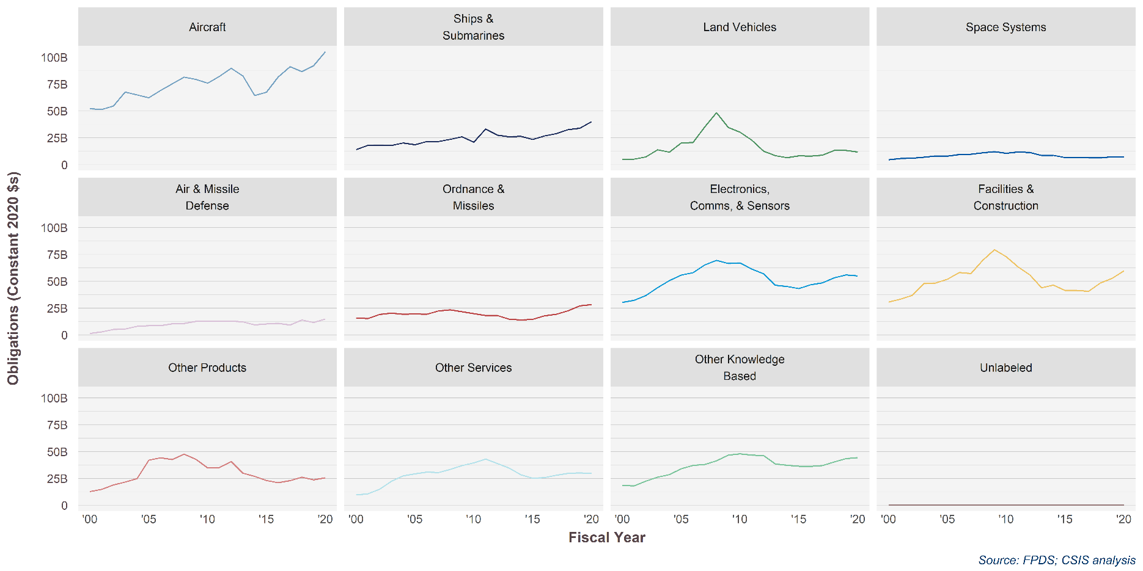

 | Aircraft | Electronics, Comms, & Sensors | Facilities and Construction | Land Vehicles | Missile Defense | Ordnance and Missiles | Other Products | Other R&D and Knowledge Based | Other Services | Ships & Submarines | Space Systems
2000 | $51.67 | $30.07 | $30.34 | $4.96 | $1.39 | $15.69 | $12.61 | $18.27 | $9.50 | $13.91 | $4.44
2001 | $50.90 | $32.04 | $32.95 | $5.05 | $2.76 | $15.07 | $14.59 | $17.88 | $10.58 | $17.80 | $5.67
2002 | $54.20 | $36.37 | $36.53 | $7.07 | $5.08 | $18.98 | $18.81 | $22.33 | $14.80 | $18.04 | $5.93
2003 | $66.96 | $43.71 | $47.36 | $13.71 | $5.52 | $20.14 | $21.42 | $25.88 | $22.18 | $17.68 | $6.88
2004 | $64.41 | $50.15 | $47.88 | $11.53 | $8.01 | $19.12 | $24.65 | $28.28 | $27.05 | $19.96 | $8.03
2005 | $61.80 | $55.31 | $51.43 | $19.99 | $8.47 | $19.42 | $41.58 | $33.64 | $29.00 | $18.34 | $7.83
2006 | $68.45 | $57.41 | $57.56 | $20.43 | $8.54 | $19.04 | $43.84 | $36.74 | $30.67 | $21.29 | $9.38
2007 | $74.71 | $64.64 | $56.75 | $34.74 | $10.24 | $22.11 | $42.24 | $37.62 | $30.16 | $21.26 | $9.60
2008 | $80.77 | $68.84 | $68.85 | $47.95 | $10.58 | $23.19 | $47.20 | $41.06 | $33.11 | $23.36 | $11.00
2009 | $78.77 | $66.03 | $78.73 | $34.40 | $12.53 | $21.38 | $42.47 | $46.24 | $36.63 | $25.66 | $11.95
2010 | $75.22 | $66.53 | $72.25 | $29.97 | $12.49 | $19.73 | $34.45 | $47.53 | $39.08 | $20.78 | $10.51
2011 | $81.59 | $60.86 | $62.93 | $22.70 | $12.66 | $17.89 | $34.81 | $46.33 | $42.68 | $32.93 | $11.73
2012 | $88.94 | $56.45 | $55.45 | $12.33 | $12.76 | $17.85 | $40.25 | $45.84 | $38.55 | $27.12 | $11.21
2013 | $81.85 | $45.85 | $43.57 | $8.30 | $12.08 | $14.58 | $29.59 | $38.07 | $34.27 | $25.77 | $8.44
2014 | $63.82 | $44.66 | $46.10 | $6.39 | $9.34 | $13.80 | $26.62 | $36.85 | $28.14 | $26.13 | $8.61
2015 | $66.91 | $42.80 | $41.14 | $8.13 | $10.17 | $14.37 | $22.85 | $36.08 | $24.90 | $23.30 | $6.47
2016 | $81.03 | $46.42 | $41.14 | $7.90 | $10.74 | $17.72 | $20.87 | $35.98 | $25.60 | $26.51 | $6.53
2017 | $90.68 | $48.16 | $40.39 | $8.72 | $9.12 | $19.06 | $22.79 | $36.71 | $27.69 | $28.74 | $6.39
2018 | $85.90 | $52.75 | $48.00 | $13.08 | $13.86 | $22.25 | $25.99 | $40.07 | $29.40 | $32.33 | $6.24
2019 | $91.36 | $55.90 | $52.42 | $13.21 | $11.41 | $26.81 | $23.50 | $43.14 | $29.98 | $33.72 | $7.31
2020 | $105.15 | $54.97 | $59.74 | $11.83 | $14.81 | $28.30 | $25.52 | $44.27 | $29.48 | $40.02 | $7.25
 | Aircraft | Electronics, Comms, & Sensors | Facilities and Construction | Land Vehicles | Missile Defense | Ordnance and Missiles | Other Products | Other R&D and Knowledge Based | Other Services | Ships & Submarines | Space Systems
2000 | 56.884856309 | 33.106291912 | 33.428265653 | 5.4541944727 | 1.5366284337 | 17.351890319 | 13.892315107 | 20.132517838 | 10.461917109 | 15.320651546 | 4.8946254349
2001 | 55.484581965 | 34.891792765 | 35.933041611 | 5.5014435564 | 3.008057845 | 16.489511674 | 15.90349554 | 19.491484415 | 11.537730575 | 19.40874048 | 6.1803938268
2002 | 58.125990288 | 39.017285517 | 39.193480338 | 7.5865600744 | 5.4491420936 | 20.384484678 | 20.178512372 | 23.960891781 | 15.875386861 | 19.354689123 | 6.3640861188
2003 | 68.697081741 | 44.821651385 | 48.596330976 | 14.066046489 | 5.6641963553 | 20.717459347 | 21.981890831 | 26.557500692 | 22.763908072 | 18.137082325 | 7.0613519317
2004 | 65.152202537 | 50.793411581 | 48.500599656 | 11.665901702 | 8.1102404426 | 19.412568347 | 24.964869053 | 28.633458835 | 27.393422185 | 20.212383208 | 8.1293980324
2005 | 61.417001342 | 55.074452402 | 51.231814023 | 19.901545563 | 8.4337181857 | 19.475714234 | 41.410215128 | 33.505122318 | 28.883308062 | 18.25936983 | 7.8011547454
2006 | 66.881744426 | 56.909041581 | 56.744907492 | 20.126233845 | 8.4215730968 | 19.033423954 | 43.207366123 | 36.207864168 | 30.226243023 | 20.973897385 | 9.2468676198
2007 | 73.227320628 | 62.752686301 | 55.633865086 | 34.00925775 | 10.04085501 | 22.337732625 | 41.407651748 | 36.876619022 | 29.568426973 | 20.83109482 | 9.4095954948
2008 | 77.96331648 | 65.816029475 | 66.337305291 | 45.99213425 | 10.18964557 | 22.880616222 | 45.47418562 | 39.554299339 | 31.900970525 | 22.499287823 | 10.594394652
2009 | 76.911616913 | 64.21779442 | 76.876951151 | 33.511290354 | 12.23717136 | 21.220631968 | 41.472379014 | 45.148724155 | 35.76413095 | 25.052203598 | 11.669008519
2010 | 72.842079088 | 63.774593301 | 69.889838317 | 28.853302607 | 12.082373804 | 19.724230652 | 33.322426693 | 45.975794632 | 37.800954397 | 20.096656848 | 10.161346176
2011 | 78.236674903 | 58.151461137 | 60.318683372 | 21.661194588 | 12.137628939 | 17.38539295 | 33.365209632 | 44.40732293 | 40.909497379 | 31.565688712 | 11.242297164
2012 | 85.61378052 | 54.026586918 | 53.423654982 | 11.836548157 | 12.29229979 | 17.661488164 | 38.778944531 | 44.160461802 | 37.141649102 | 26.128007083 | 10.795819993
2013 | 79.665117487 | 44.424643338 | 42.466126329 | 8.0779644391 | 11.772443641 | 14.548376792 | 28.824914459 | 37.093448992 | 33.389028654 | 25.105926618 | 8.2050441402
2014 | 62.272196155 | 43.235265104 | 45.076483078 | 6.2330012822 | 9.1273983296 | 13.971888818 | 26.008663554 | 36.00509333 | 27.497366693 | 25.526043806 | 8.3964280063
2015 | 65.698136781 | 41.977382628 | 40.447647484 | 7.9799507196 | 10.00193686 | 14.308453536 | 22.466777556 | 35.460156685 | 24.485296646 | 22.906236324 | 6.3189596851
2016 | 79.901573881 | 45.715973608 | 40.681905543 | 7.7947570071 | 10.603317584 | 17.762128357 | 20.608743829 | 35.545365839 | 25.281617764 | 26.175789594 | 6.4256494667
2017 | 89.865980146 | 47.710468823 | 40.098446437 | 8.6307705036 | 9.0429804941 | 19.148089889 | 22.60067803 | 36.476258315 | 27.462118273 | 28.498408708 | 6.3119738031
2018 | 84.753713731 | 52.017929866 | 47.424602076 | 12.891397942 | 13.684431043 | 22.24369066 | 25.646294451 | 39.654360259 | 29.018956514 | 31.905069209 | 6.1222192176
2019 | 89.991401097 | 54.688388738 | 51.747046954 | 12.950926371 | 11.270816226 | 25.625339702 | 23.225787481 | 42.389805553 | 29.569254741 | 32.452626034 | 7.3194330137

Vendor Size
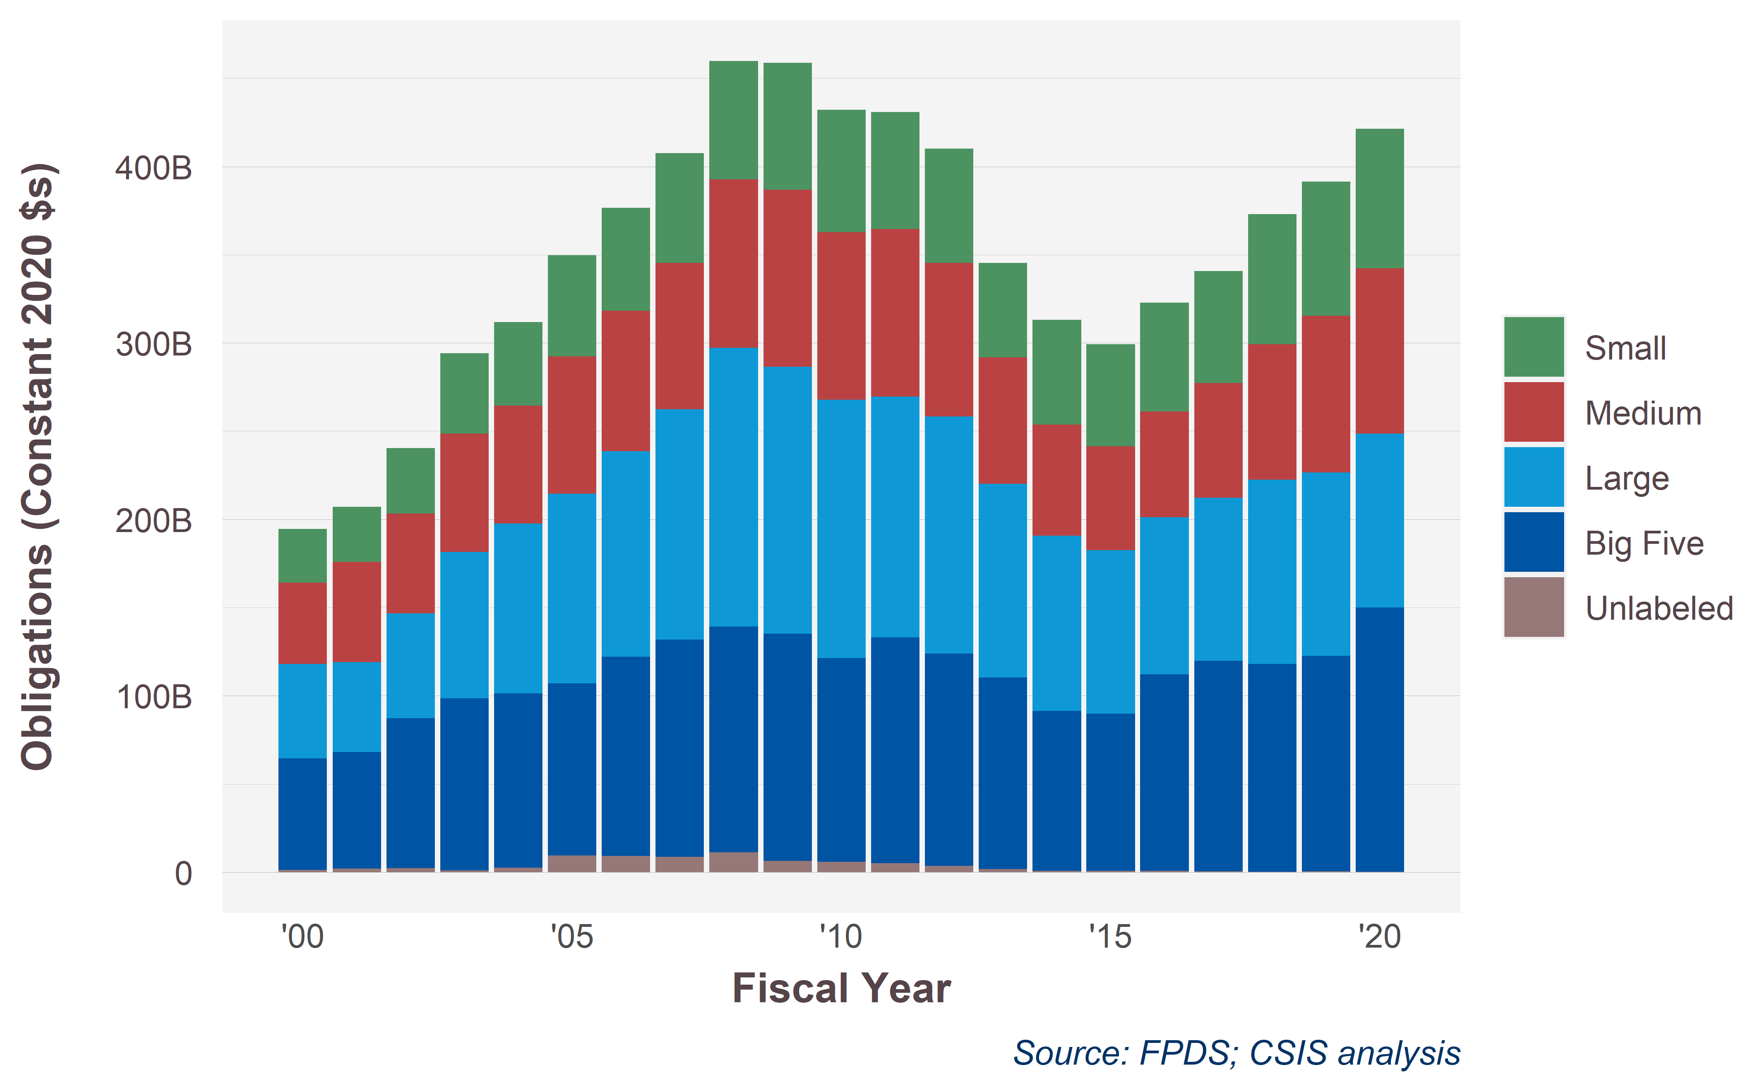
Shiny.VendorSize | 2000 | 2001 | 2002 | 2003 | 2004 | 2005 | 2006 | 2007 | 2008 | 2009 | 2010 | 2011 | 2012 | 2013 | 2014 | 2015 | 2016 | 2017 | 2018 | 2019 | 2020
Small | 30.339680098 | 31.268341075 | 36.995982753 | 45.338317715 | 47.263693909 | 57.191681667 | 58.313967442 | 62.0362665 | 66.85122119 | 71.413433701 | 69.200439449 | 65.836615911 | 64.420267304 | 53.069537735 | 59.02406687 | 57.284182999 | 61.009358921 | 62.927853616 | 72.943070569 | 74.727499653 | 75.646909965
Medium | 45.817112333 | 55.739215805 | 55.855834696 | 65.925306523 | 65.310728095 | 76.220233578 | 78.43227793 | 81.693306036 | 93.630000207 | 98.654474795 | 93.441573908 | 92.654778395 | 84.669655424 | 69.535541832 | 61.162098326 | 58.064918716 | 58.175203149 | 62.973858791 | 72.59852328 | 79.469015667 | 81.929113607
Large | 53.955300331 | 51.971539305 | 60.249692446 | 84.387580781 | 97.775856433 | 109.41480736 | 117.84400559 | 131.93716451 | 160.05952884 | 153.14976812 | 148.16951624 | 139.23657207 | 136.72047506 | 112.19997789 | 101.45868515 | 93.936908168 | 91.331132462 | 94.767908632 | 109.24573118 | 110.62212729 | 110.88034441
Big Five | 63.116989295 | 66.157658509 | 84.980078111 | 97.490296091 | 98.965025107 | 97.491662528 | 113.06394427 | 123.18528681 | 128.06488062 | 129.0944473 | 115.69215367 | 128.07638773 | 120.94195858 | 108.77217176 | 90.734394233 | 89.504088568 | 111.40410932 | 119.53995639 | 117.86104069 | 126.14237749 | 152.80049303
Unlabeled | 1.3255717112 | 1.9175440491 | 2.2341148323 | 0.9379611637 | 2.4220176162 | 9.4899441132 | 9.0642560605 | 8.7118227718 | 11.220233366 | 6.38095531 | 5.7421435578 | 4.9598622765 | 3.4841924888 | 1.7402590949 | 0.72956020286 | 0.590422082 | 0.79868033281 | 0.5513529485 | 0.24821353153 | 0.37849162456 | 0.079764232551
Total | $194.55 | $207.05 | $240.32 | $294.08 | $311.74 | $349.81 | $376.72 | $407.56 | $459.83 | $458.69 | $432.25 | $430.76 | $410.24 | $345.32 | $313.11 | $299.38 | $322.72 | $340.76 | $372.90 | $391.34 | $421.34

Shiny.VendorSize | 2000 | 2001 | 2002 | 2003 | 2004 | 2005 | 2006 | 2007 | 2008 | 2009 | 2010 | 2011 | 2012 | 2013 | 2014 | 2015 | 2016 | 2017 | 2018 | 2019 | 2020
Small | 16% | 15% | 15% | 15% | 15% | 16% | 15% | 15% | 15% | 16% | 16% | 15% | 16% | 15% | 19% | 19% | 19% | 18% | 20% | 19% | 18%
Medium | 24% | 27% | 23% | 22% | 21% | 22% | 21% | 20% | 20% | 22% | 22% | 22% | 21% | 20% | 20% | 19% | 18% | 18% | 19% | 20% | 19%
Large | 28% | 25% | 25% | 29% | 31% | 31% | 31% | 32% | 35% | 33% | 34% | 32% | 33% | 32% | 32% | 31% | 28% | 28% | 29% | 28% | 26%
Big Five | 32% | 32% | 35% | 33% | 32% | 28% | 30% | 30% | 28% | 28% | 27% | 30% | 29% | 31% | 29% | 30% | 35% | 35% | 32% | 32% | 36%
Unlabeled | 1% | 1% | 1% | 0% | 1% | 3% | 2% | 2% | 2% | 1% | 1% | 1% | 1% | 1% | 0% | 0% | 0% | 0% | 0% | 0% | 0%

Row Labels | 2015 | 2019 | 2020 | 2019-2020 | 2015-2020 | share 2020 | share 2019 | share 2015
Small | 57.3 | 74.7 | 75.6 | 1.2% | 32% | 18% | 19% | 19%
Medium | 58.1 | 79.5 | 81.9 | 3.1% | 41% | 19% | 20% | 19%
Large | 93.9 | 110.6 | 110.9 | 0.2% | 18% | 26% | 28% | 31%
Big Five | 89.5 | 126.1 | 152.8 | 21% | 71% | 36% | 32% | 30%
Unlabeled | 0.6 | 0.4 | 0.1 | -79% | -86% | 0% | 0% | 0%
Total | 299.4 | 391.3 | 421.3 | 8% | 41% | 100% | 100% | 100%

