Cable calculations
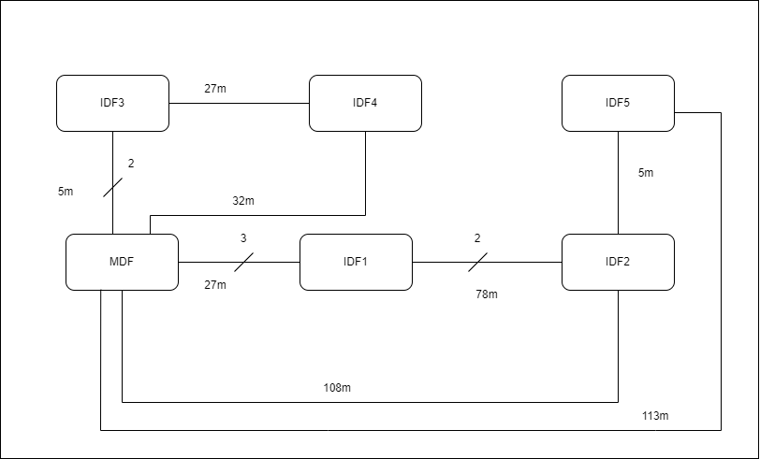
Double outlets, one per 10mp

No outlets in bathrooms or bathroom hallways
1 outlet in kitchens (smart appliances)

Big room: Office space (room 130)
Small room: Meeting room (room 179)

Cable length = RoomToDFDistance + Room Avg + 6 (spare)

 | Room no. | Surface | Double outlets | Room to DF distance | Room AVG distance | DF | No. of cables | Cable per room
Lounge & Storage | 102 | 188 | 19 | 14 | 24 | MDF | 38 | 1672
Meeting Room | 103 | 50 | 5 | 14 | 13 | MDF | 10 | 330
Meeting Room | 104 | 44 | 5 | 9 | 12 | MDF | 10 | 270
Meeting Room | 105 | 49 | 5 | 5 | 13 | MDF | 10 | 240
MDF | 106 | 42 | 0 | 0 | 12 | (MDF) | 0 | 0
Office space | 108 | 167 | 17 | 10 | 23 | MDF | 34 | 1326
Office space | 109 | 292 | 30 | 10 | 30 | MDF | 60 | 2760
Presentation room | 110 | 91 | 10 | 14 | 17 | MDF | 20 | 740
Meeting Room | 111 | 16 | 2 | 15 | 7 | MDF | 4 | 112
Meeting Room | 114 | 17 | 2 | 21 | 8 | MDF | 4 | 140
Kitchen | 117 | 42 | 1 | 17 | 12 | IDF1 | 2 | 70
Bathroom hallway | 118 | 42 | 0 | 0 | 12 |  | 0 | 0
Bathroom | 119 | 18 | 0 | 0 | 8 |  | 0 | 0
Bathroom | 120 | 18 | 0 | 0 | 8 |  | 0 | 0
Office space | 121 | 714 | 72 | 14 | 47 | IDF2 | 144 | 9648
IDF2 | 123 | 42 | 0 | 0 | 12 | (IDF2) | 0 | 0
Meeting Room | 124 | 49 | 5 | 5 | 13 | IDF2 | 10 | 240
Meeting Room | 125 | 44 | 5 | 8 | 12 | IDF2 | 10 | 260
Meeting Room | 126 | 50 | 5 | 12 | 13 | IDF2 | 10 | 310
Kitchen | 128 | 42 | 1 | 16 | 12 | IDF2 | 2 | 68
Office space | 129 | 179 | 18 | 19 | 24 | IDF2 | 36 | 1764
Office space | 130 | 249 | 25 | 19 | 28 | IDF2 | 50 | 2650
Storage | 131 | 27 | 3 | 17 | 9 | IDF2 | 6 | 192
Meeting Room | 132 | 17 | 2 | 24 | 8 | IDF1 | 4 | 152
Meeting Room | 133 | 17 | 2 | 30 | 8 | IDF1 | 4 | 176
Meeting Room | 134 | 17 | 2 | 33 | 8 | IDF1 | 4 | 188
Kitchen | 135 | 42 | 1 | 24 | 12 | IDF1 | 2 | 84
Bathroom | 137 | 18 | 0 | 0 | 8 |  | 0 | 0
Bathroom | 138 | 20 | 0 | 0 | 8 |  | 0 | 0
Entertainment room | 139 | 109 | 11 | 12 | 19 | IDF1 | 22 | 814
IDF1 | 140 | 31 | 0 | 0 | 10 | (IDF1) | 0 | 0
Office space | 141 | 201 | 21 | 2 | 25 | IDF1 | 42 | 1386
Laboratory | 142 | 53 | 6 | 5 | 13 | IDF1 | 12 | 288
Laboratory | 143 | 53 | 6 | 11 | 13 | IDF1 | 12 | 360
Laboratory | 144 | 53 | 6 | 17 | 13 | IDF1 | 12 | 432
Meeting Room | 146 | 17 | 2 | 9 | 8 | IDF1 | 4 | 92
IDF3 | 147 | 41 | 0 | 0 | 12 | (IDF3) | 0 | 0
Meeting Room | 148 | 44 | 5 | 2 | 12 | IDF3 | 10 | 200
Meeting Room | 149 | 49 | 5 | 5 | 13 | IDF3 | 10 | 240
Meeting Room | 150 | 44 | 5 | 9 | 12 | IDF3 | 10 | 270
Meeting Room | 151 | 50 | 5 | 12 | 13 | IDF3 | 10 | 310
Kitchen | 152 | 43 | 1 | 17 | 12 | IDF3 | 2 | 70
Office space | 153 | 594 | 60 | 2 | 43 | IDF3 | 120 | 6120
Office space | 154 | 228 | 23 | 9 | 27 | IDF3 | 46 | 1932
Office space | 155 | 263 | 27 | 2 | 29 | IDF4 | 54 | 1998
Meeting Room | 156 | 17 | 2 | 21 | 8 | IDF3 | 4 | 140
Meeting Room | 157 | 17 | 2 | 24 | 8 | IDF3 | 4 | 152
Laboratory | 158 | 53 | 6 | 27 | 13 | IDF3 | 12 | 552
IDF4 | 159 | 31 | 0 | 0 | 10 | (IDF4) | 0 | 0
Laboratory | 160 | 53 | 6 | 9 | 13 | IDF4 | 12 | 336
Laboratory | 161 | 53 | 6 | 14 | 13 | IDF4 | 12 | 396
Kitchen | 162 | 43 | 1 | 18 | 12 | IDF4 | 2 | 72
Presentation room | 163 | 91 | 10 | 21 | 17 | IDF3 | 20 | 880
Storage | 164 | 16 | 2 | 12 | 7 | IDF4 | 4 | 100
Entertainment room | 165 | 109 | 11 | 15 | 19 | IDF4 | 22 | 880
Bathroom | 166 | 20 | 0 | 0 | 8 |  | 0 | 0
Bathroom | 167 | 18 | 0 | 0 | 8 |  | 0 | 0
Kitchen | 168 | 43 | 1 | 24 | 12 | IDF4 | 2 | 84
Bathroom | 169 | 20 | 0 | 0 | 8 |  | 0 | 0
Bathroom | 170 | 18 | 0 | 0 | 8 |  | 0 | 0
Meeting Room | 171 | 17 | 2 | 29 | 8 | IDF4 | 4 | 172
Meeting Room | 172 | 17 | 2 | 39 | 8 | IDF5 | 4 | 212
Meeting Room | 173 | 14 | 2 | 41 | 7 | IDF5 | 4 | 216
Storage | 174 | 27 | 3 | 21 | 9 | IDF5 | 6 | 216
Lounge & Storage | 175 | 264 | 27 | 5 | 29 | IDF5 | 54 | 2160
Office space first half | 176 | 400 | 40 | 17 | 35 | IDF4 | 80 | 4640
Office space second half | 176 | 407 | 41 | 2 | 35 | IDF5 | 82 | 3526
Kitchen | 177 | 44 | 1 | 18 | 12 | IDF5 | 2 | 72
Meeting Room | 178 | 50 | 5 | 14 | 13 | IDF5 | 10 | 330
Meeting Room | 179 | 44 | 5 | 9 | 12 | IDF5 | 10 | 270
Meeting Room | 180 | 49 | 5 | 5 | 13 | IDF5 | 10 | 240
Meeting Room | 181 | 44 | 5 | 2 | 12 | IDF5 | 10 | 200
IDF5 | 182 | 41 | 0 | 0 | 12 | (IDF5) | 0 | 0
Office space first half | 184 | 250 | 25 | 17 | 28 | IDF4 | 50 | 2550
Office space second half | 184 | 248 | 25 | 22 | 28 | IDF | 50 | 2800

 | Total Double outlets: |  | 655 |  |  |  | Total UTP cable: | 59100 | Average per outlet | 46
 | Total Number of cables: |  | 1310 |  |  |  | Total UTP 305 boxes: | 214

 | Rooms per DF |  |  | Double outlets per DF |  | Single outlets per DF
 | MDF | 9 |  | MDF | 95 | 190
 | IDF1 | 11 |  | IDF1 | 60 | 120
 | IDF2 | 8 |  | IDF2 | 134 | 268
 | IDF3 | 11 |  | IDF3 | 124 | 248
 | IDF4 | 10 |  | IDF4 | 121 | 242
 | IDF5 | 10 |  | IDF5 | 96 | 192

 | Fiber optics: 6 cables on each connection
 | 628

