Cable calculations
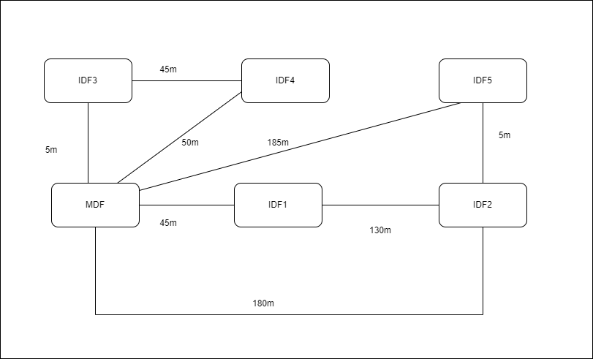
Double outlets, one per 10mp

No outlets in bathrooms or bathroom hallways
1 outlet in kitchens (smart appliances)

Big room: Office space (room 130) |  |  |  | TODO: Room AVG for 2 rooms, then use it everywhere
Small room: Meeting room (room 179)

Cable length = RoomToDFDistance + Room Avg + 6 (spare)

 | Room no. | Surface | Double outlets | Room to DF distance | Room AVG distance | DF | No. of cables | Cable per room
Lounge & Storage | 102 | 188 | 19 | 22 | 28 | MDF | 38 | 2128
Meeting Room | 103 | 50 | 5 | 22 | 15 | MDF | 10 | 430
Meeting Room | 104 | 44 | 5 | 15 | 14 | MDF | 10 | 350
Meeting Room | 105 | 49 | 5 | 8 | 14 | MDF | 10 | 280
MDF | 106 | 42 | 5 | 0 | 13 | (MDF) | 10 | 190
Office space | 108 | 167 | 17 | 16 | 26 | MDF | 34 | 1632
Office space | 109 | 292 | 30 | 16 | 35 | MDF | 60 | 3420
Presentation room | 110 | 91 | 10 | 22 | 20 | MDF | 20 | 960
Meeting Room | 111 | 16 | 2 | 24 | 8 | MDF | 4 | 152
Meeting Room | 114 | 17 | 2 | 35 | 9 | MDF | 4 | 200
Kitchen | 117 | 42 | 1 | 28 | 13 | IDF1 | 2 | 94
Bathroom hallway | 118 | 42 | 0 | 0 | 13 |  | 0 | 0
Bathroom | 119 | 18 | 0 | 0 | 9 |  | 0 | 0
Bathroom | 120 | 18 | 0 | 0 | 9 |  | 0 | 0
Office space | 121 | 714 | 72 | 22 | 54 | IDF2 | 144 | 11808
IDF2 | 123 | 42 | 5 | 0 | 13 | (IDF2) / IDF1 | 10 | 190
Meeting Room | 124 | 49 | 5 | 7 | 14 | IDF2 | 10 | 270
Meeting Room | 125 | 44 | 5 | 12 | 14 | IDF2 | 10 | 320
Meeting Room | 126 | 50 | 5 | 19 | 15 | IDF2 | 10 | 400
Kitchen | 128 | 42 | 1 | 26 | 13 | IDF2 | 2 | 90
Office space | 129 | 179 | 18 | 31 | 27 | IDF2 | 36 | 2304
Office space | 130 | 249 | 25 | 31 | 32 | IDF2 | 50 | 3450
Storage | 131 | 27 | 3 | 27 | 11 | IDF2 | 6 | 264
Meeting Room | 132 | 17 | 2 | 40 | 9 | IDF1 | 4 | 220
Meeting Room | 133 | 17 | 2 | 49 | 9 | IDF1 | 4 | 256
Meeting Room | 134 | 17 | 2 | 55 | 9 | IDF1 | 4 | 280
Kitchen | 135 | 42 | 1 | 40 | 13 | IDF1 | 2 | 118
Bathroom | 137 | 18 | 0 | 0 | 9 |  | 0 | 0
Bathroom | 138 | 20 | 0 | 0 | 9 |  | 0 | 0
Entertainment room | 139 | 109 | 11 | 20 | 21 | IDF1 | 22 | 1034
IDF1 | 140 | 31 | 4 | 0 | 12 | (IDF1) / MDF | 8 | 144
Office space | 141 | 201 | 21 | 2 | 29 | IDF1 | 42 | 1554
Laboratory | 142 | 53 | 6 | 8 | 15 | IDF1 | 12 | 348
Laboratory | 143 | 53 | 6 | 18 | 15 | IDF1 | 12 | 468
Laboratory | 144 | 53 | 6 | 27 | 15 | IDF1 | 12 | 576
Meeting Room | 146 | 17 | 2 | 14 | 9 | IDF1 | 4 | 116
IDF3 | 147 | 41 | 5 | 0 | 13 | (IDF3) / MDF | 10 | 190
Meeting Room | 148 | 44 | 5 | 3 | 14 | IDF3 | 10 | 230
Meeting Room | 149 | 49 | 5 | 8 | 14 | IDF3 | 10 | 280
Meeting Room | 150 | 44 | 5 | 14 | 14 | IDF3 | 10 | 340
Meeting Room | 151 | 50 | 5 | 20 | 15 | IDF3 | 10 | 410
Kitchen | 152 | 43 | 1 | 27 | 14 | IDF3 | 2 | 94
Office space | 153 | 594 | 60 | 3 | 49 | IDF3 | 120 | 6960
Office space | 154 | 228 | 23 | 14 | 31 | IDF3 | 46 | 2346
Office space | 155 | 263 | 27 | 3 | 33 | IDF4 | 54 | 2268
Meeting Room | 156 | 17 | 2 | 35 | 9 | IDF3 | 4 | 200
Meeting Room | 157 | 17 | 2 | 40 | 9 | IDF3 | 4 | 220
Laboratory | 158 | 53 | 6 | 45 | 15 | IDF3 | 12 | 792
IDF4 | 159 | 31 | 4 | 0 | 12 | (IDF4)/IDF1 | 8 | 144
Laboratory | 160 | 53 | 6 | 14 | 15 | IDF4 | 12 | 420
Laboratory | 161 | 53 | 6 | 22 | 15 | IDF4 | 12 | 516
Kitchen | 162 | 43 | 1 | 30 | 14 | IDF4 | 2 | 100
Presentation room | 163 | 91 | 10 | 34 | 20 | IDF3 | 20 | 1200
Storage | 164 | 16 | 2 | 20 | 8 | IDF4 | 4 | 136
Entertainment room | 165 | 109 | 11 | 24 | 21 | IDF4 | 22 | 1122
Bathroom | 166 | 20 | 0 | 0 | 9 |  | 0 | 0
Bathroom | 167 | 18 | 0 | 0 | 9 |  | 0 | 0
Kitchen | 168 | 43 | 1 | 40 | 14 | IDF4 | 2 | 120
Bathroom | 169 | 20 | 0 | 0 | 9 |  | 0 | 0
Bathroom | 170 | 18 | 0 | 0 | 9 |  | 0 | 0
Meeting Room | 171 | 17 | 2 | 47 | 9 | IDF4 | 4 | 248
Meeting Room | 172 | 17 | 2 | 65 | 9 | IDF5 | 4 | 320
Meeting Room | 173 | 14 | 2 | 67 | 8 | IDF5 | 4 | 324
Storage | 174 | 27 | 3 | 35 | 11 | IDF5 | 6 | 312
Lounge & Storage | 175 | 264 | 27 | 8 | 33 | IDF5 | 54 | 2538
Office space first half | 176 | 400 | 40 | 27 | 40 | IDF4 | 80 | 5840
Office space second half | 176 | 407 | 41 | 3 | 41 | IDF5 | 82 | 4100
Kitchen | 177 | 44 | 1 | 30 | 14 | IDF5 | 2 | 100
Meeting Room | 178 | 50 | 5 | 23 | 15 | IDF5 | 10 | 440
Meeting Room | 179 | 44 | 5 | 14 | 14 | IDF5 | 10 | 340
Meeting Room | 180 | 49 | 5 | 8 | 14 | IDF5 | 10 | 280
Meeting Room | 181 | 44 | 5 | 3 | 14 | IDF5 | 10 | 230
IDF5 | 182 | 41 | 5 | 0 | 13 | (IDF5)/IDF2 | 10 | 190
Office space first half | 184 | 250 | 25 | 27 | 32 | IDF4 | 50 | 3250
Office space second half | 184 | 248 | 25 | 36 | 32 | IDF | 50 | 3700

 | Total Double outlets: |  | 683 |  |  |  | Total UTP cable: | 74346 | Average per building | 55
 | Total Number of cables: |  | 1366 |  |  |  | Total UTP 305 boxes: | 269

 | Rooms per DF |  |  | Double outlets per DF
 | MDF | 9 |  | MDF | 95
 | IDF1 | 11 |  | IDF1 | 60
 | IDF2 | 8 |  | IDF2 | 134
 | IDF3 | 11 |  | IDF3 | 124
 | IDF4 | 10 |  | IDF4 | 121
 | IDF5 | 10 |  | IDF5 | 96

 | Fiber optics: 6 cables on each connection
 | 3870

