Sheet3
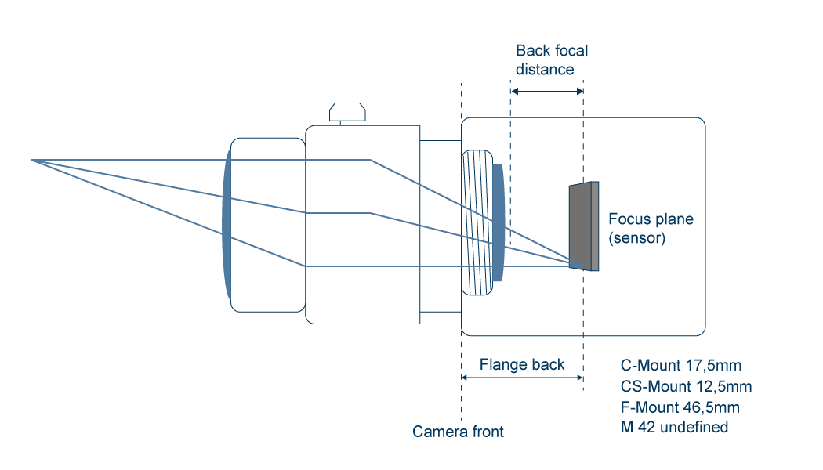
sensor to ccd
camera -cmount | 17.5
lens array mount (4.5mm) thick | 1.65
lens holder | 4
tube 25mm | 25

length extension tubes | 23.55
FL lens array | 46.7
actual length | 48.15

NA | 0.0053533190578 | rad
wavelength | 5.50E-07 | m
spot | 1.25E-04 | m
dof[m] | 2.34E-02 | m

