Intro
Connecticut's Public Libraries:
A Statistical Profile
July 2009 - June 2010



Connecticut State Library
Hartford, Connecticut
2011

STATE LIBRARY BOARD
Mollie Keller, Chair
Robert D. Harris, Jr., Vice-Chair
Hon. Francis X. Hennessy
Joy Hostage
Scott Hughes
Allen Hoffman
Daphne Anderson Deeds
Hon. William J. Lavery
John Barry
Eileen DeMayo
Mark K. McQuillan
Linda Anderson

STATE LIBRARIAN
Kendall F. Wiggin

DIRECTOR, DIVISION OF LIBRARY DEVELOPMENT
Sharon Brettschneider, Director, Library Development Division

STATE LIBRARY DATA COORDINATOR
Tom Newman

ISSN: 1079:901X

These statistics were developed with Library Services and Technology Act funds
from the Institute of Museum and Library Services, a federal agency that fosters
innovation, leadership and a lifetime of learning.

Table of Contents

Introduction………………………………………………………………. | 4

Glossary…………………………………………………………………… | 5

Note on Shared Digital Collections……………………………… | 6

Statewide Summary and Charts…………………………………………………………………. | 7

Selected Library Use Statistics……………………………………….. | 10

Buildings and Administration………………………………………………………………….. | 18

Services………………………………………………………………….... | 26

Circulation………………………………………………………………….... | 42

Programs………………………………………………………………….. | 66

Collections………………………………………………………………… | 82

Personnel…………………………………………………………………. | 102

Personnel – Benefits……………………………………………………. | 122

Income…………………………………………………………………….. | 142

Income – Fees and Charges…………………………………………... | 162

Expenditures……………………………………………………………... | 170

Introduction to the Statistical Profile, FY2010
Each of the 165 principal public libraries in Connecticut is required by Section 11-24b of the General Statutes of Connecticut to file a Connecticut Public Library Annual Report and Application for State Grant to be eligible to receive state aid funds. There are an additional 29 libraries in the state that serve as a public library. While not required to do so, many of these non-principal public libraries also file an annual report form with the State Library. The information in this document is compiled from reports received from 181 public libraries in Connecticut for the fiscal year ending June 30, 2010: 164 principal public libraries and 17 non-principal public libraries. The reports received also provide the basis for the State Library’s annual public library statistical report to the Institute of Museum and Library Services (IMLS).
Principal public libraries are listed in bold type. The number of libraries reporting in each data column is noted at the head of the column. When a space has been left blank, it indicates that the library did not report in that category. Computations of per capita use the populations of the library's Legal Service Area. The computations of statewide averages use the population of the entire state as compiled by the State Department of Public Health. Total Town Revenue figures come from Municipal Fiscal Indicators, an annual compendium of information compiled by the State of Connecticut’s Office of Policy and Management.
Users of this data are offered the following caveats:
--All data is "as reported". The State Library generally does not verify all information from reporting libraries.
--Where applicable, per capita figures for non-principal libraries were computed using the whole population of the designated town where the library is located.
--Included in the population for the Slater Library in Griswold is Lisbon; the Salem Free Public Library includes Bozrah; and the Beardsley and Memorial Library in Winchester includes Colebrook and Barkhamsted. Each library has contracted to provide library services to these towns.
Corrections, and comments should be sent to: State Library Data Coordinator, Connecticut State Library, 231 Capitol Avenue, Hartford, Connecticut 06106-1537.
This report is available only in an electronic form, and is available in PDF and Excel formats. Both versions are available on WebJunction Connecticut (ct.webjunction.org), the web site for the Division of Library Development, Connecticut State Library.
The State Library would like to thank the library directors, staff, and trustees who collect and report their data each year.

Glossary for Statistical Profile, FY2010
AENGLC Rank - Adjusted Equalized Net Grand List Per Capita, a measure of town wealth calculated annually by the State Department of Education, Grants Management Division
Association Library - A library that is not a unit of town government. It is incorporated separately without capital stock.
Circulation - The count of all library materials, regardless of format, that are charged out for use outside the library, including renewals.
Connecticard Circulation - The number of items a public library has loaned directly to residents of other Connecticut towns. The Connecticard program is regulated by Connecticut General Statute (C.G.S.)11-31, and accompanying regulations.
Contract Services - Library services provided by a principal public library to one or more Connecticut towns that do not have a public library. Four towns in Connecticut have no public library.
FTE - The number of full time equivalent staff positions the library has, calculated on the basis of 40 hours per week.
Interlibrary Loan - An ILL occurs when an item of library material, or a copy of the material, is made available by one library to another upon request.
Library Visits - The total number of persons entering the library and its branches for whatever purpose. This number includes persons attending activities, meetings, and those persons requiring no staff services.
MLS - Master's degree from a graduate library education program accredited by the American Library Association.
Municipal Library - A public library that is established by and an administrative unit of a city or town.
Non-Principal Public Library - A town that has more than one public library must designate one as its principal public library. All other public libraries in the town are non-principal public libraries.
Off Budget Expenditures - Any library service or operation paid for directly by the Friends of the Library or other library support groups with funds not added to the library's operating budget.

Population Served - The total number of persons residing in the town in which the library is located and any other towns for which the library provides contract services. All populations used in this report are from the estimates made as of July 1, 2008, by the State Department of Public Health.
Principal Public Library - A public library that has been so designated by a local municipal governing board. A town may have more than one public library, but it may designate only one library as its principal public library.
Public Library - Any library that serves its residents through its outlet or outlets without charging a borrower's card fee and which receives its financial support in whole or in part from local tax funds. A public library has a facility, a collection, hours open to the public, and staff.
Reference Transaction - An information contact that involves the knowledge, use, recommendations, interpretation, or instruction in the use of one or more information sources by a member of the library staff. It includes information and referral services. It does not include directional assistance.
Registered Resident Borrowers - A registered resident borrower is a resident of the town who has been issued a library card and/or ID number by the library. Should not include cards that have expired more than a year ago.
Total Town Tax Revenues - Source: State of Connecticut Municipal Fiscal Indicators, Fiscal Years Ended 2005-2009.
Town Tax Library Appropriation - The amount of tax appropriation received by the library from the town for operating expenditures.
Users of Public Internet Computers - the number of individuals that have used Internet computers in the library during the last year, counted daily.
----------------------------------------------------------------------------------------------------------------
Special Note on Shared Digital Collections in Connecticut:
E-books, digital audios, and digital videos that are shared by libraries via networks like iCONN, LION, Bibliomation, Connect are NOT included in the library "Collections" totals. A survey of these networks determined the following totals of shared digital items offered in Connecticut libraries on or near June 2010:
Titles: 682 E-Books, 6399 Digital Audio, 29 Digital Video
Copies: 715 E-Books, 7546 Digital Audio, 29 Digital Video

Totals & Charts
CT PUBLIC LIBRARIES, YEAR TOTALS SUMMARY FROM FY2005 TO FY2010
 | 2004/2005 | 2005/2006 | 2006/2007 | 2007/2008 | 2008/2009 | 2009/2010
Number of libraries reporting | 182 | 183 | 181 | 181 | 182 | 181
Total hours open per week, all libraries | 8,821 | 8,857 | 8,870 | 8,719 | 8,743 | 8,654
Average Open Hours per reporting library | 48.5 | 48.4 | 49.0 | 48.2 | 48.0 | 47.8
Total FTE’s (40 hour week) | 2,344 | 2,320 | 2,335 | 2,296 | 2,324 | 2,241
Total registered borrowers* | 1,944,159 | 2,048,448 | 1,996,573 | 2,050,901 | 1,839,991 | 1,691,502
Registrations per capita* | 0.60 | 0.60 | 0.60 | 0.59 | 0.53 | 0.49
Total library visits | 20,928,205 | 20,975,514 | 20,790,470 | 21,844,307 | 23,232,945 | 23,296,692
Library visits per capita | 6.00 | 6.00 | 5.90 | 6.24 | 6.63 | 6.70
Total reference transactions* | 4,103,772 | 4,159,777 | 4,086,595 | 4,203,050 | 4,146,689 | 3,730,801
Reference transactions per capita* | 1.20 | 1.20 | 1.20 | 1.20 | 1.18 | 1.07
Total circulation | 30,374,748 | 30,401,790 | 30,232,262 | 31,476,523 | 32,488,431 | 33,157,602
Circulation per capita | 8.7 | 8.7 | 8.6 | 9.0 | 9.3 | 9.5
Total Connecticard circulation | 4,654,118 | 4,569,771 | 4,622,355 | 4,608,119 | 4,740,954 | 4,990,468
Per cent of all circulation | 15.00% | 15.00% | 15.00% | 14.64% | 14.59% | 15.05%
Total book/serial circulation | 19,268,234 | 19,087,554 | 19,175,571 | 19,925,840 | 20,578,859 | 20,907,992
Per cent of all circulation | 63.0% | 63.0% | 63.0% | 63.3% | 63.3% | 63.1%
Total Collections | 15,776,170 | 15,751,256 | 15,699,161 | 15,872,181 | 16,118,541 | 16,045,359
Collections per capita | 4.50 | 4.50 | 4.50 | 4.50 | 4.60 | 4.61
Print Collections | 14,185,369 | 14,135,305 | 13,998,098 | 14,113,831 | 14,242,814 | 14,181,549
DVDs/Videos | 764,922 | 819,163 | 861,025 | 902,419 | 927,214 | 946,546
Library Programs | 60,030 | 63,987 | 69,687 | 73,318 | 77,725 | 81,562
Library Program Attendance | 1,452,112 | 1,514,767 | 1,508,082 | 1,591,466 | 1,677,706 | 1,742,360
Total Internet Workstations | 2,598 | 2,860 | 3,077 | 3,296 | 3,600 | 3,751
Use of Internet Workstations* | 4,926,119 | 5,930,266 | 5,566,648 | 5,534,726 | 5,313,513 | 5,188,055
Total Local Tax Appropriation Income | $129,635,994 | $136,656,752 | $140,543,119 | $146,969,943 | 153,734,565 | $151,358,588
Total Operating Income | $150,960,221 | $157,432,936 | $158,961,267 | $169,313,832 | $177,185,824 | $174,624,684
Operating income per capita | $43.11 | $45.00 | $45.32 | $48.34 | $50.59 | $50.22
Materials expenditures per capita | $5.16 | $5.26 | $5.39 | $5.51 | $5.43 | $5.27
Salaries expenditures per capita | $25.69 | $26.45 | $27.68 | $29.08 | $29.80 | $29.76
* recent changes in how these items are counted has reduced these usage counts in recent years

CT Public Libraries - Circulation, FY2005 - FY2010

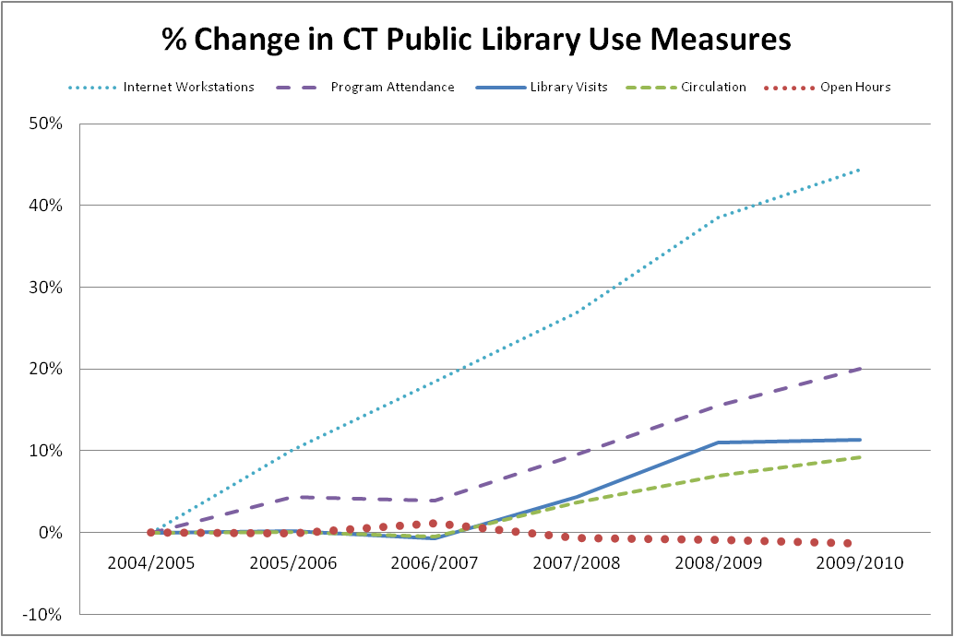

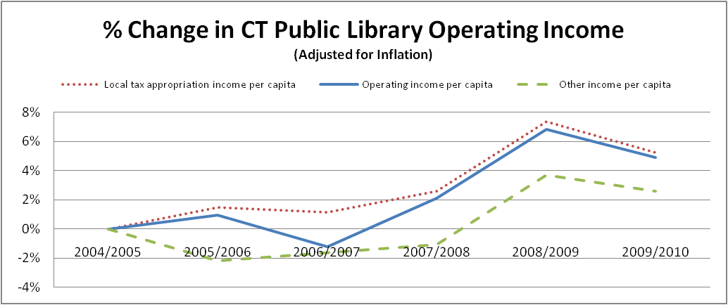

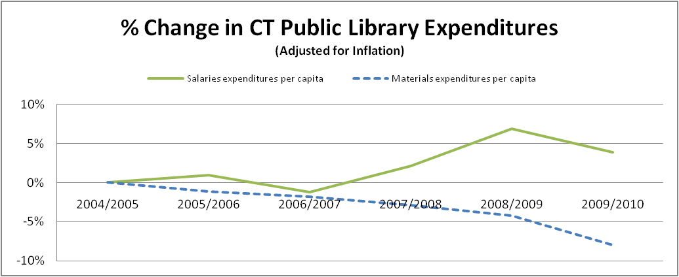

CT Public Libraries - Total Full-Time Equivalent Employees , 2010

