Number of Individual Cases
The number of individual cases identified in EudraVigilance for
AMOXICILLIN is 45,236 (up to 19/11/2023)
Number of individual cases by Age Group
Age Group | Cases | % | 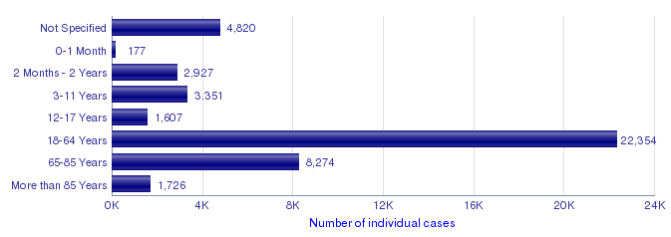
Not Specified | 4,820 | 10.7%
0-1 Month | 177 | 0.4%
2 Months - 2 Years | 2,927 | 6.5%
3-11 Years | 3,351 | 7.4%
12-17 Years | 1,607 | 3.6%
18-64 Years | 22,354 | 49.4%
65-85 Years | 8,274 | 18.3%
More than 85 Years | 1,726 | 3.8%
Total | 45,236 | 100.0%
Number of individual cases by Sex
Sex | Cases | %
Female | 26,638 | 58.9%
Male | 17,424 | 38.5%
Not Specified | 1,174 | 2.6%
Total | 45,236 | 100.0%
Number of individual cases by Geographic Origin (EEA/Non-EEA)
Occurrence Country EEA/Non EEA | Cases | %
European Economic Area | 33,371 | 73.8%
Non European Economic Area | 11,864 | 26.2%
Not Specified | 1 | 0.0%
Total | 45,236 | 100.0%
Number of individual cases by Reporter Group
Reporter Group | Cases | %
Healthcare Professional | 37,255 | 82.4%
Non Healthcare Professional | 7,737 | 17.1%
Not Specified | 244 | 0.5%
Total | 45,236 | 100.0%
For the interpretation of the results, please refer to the key considerations at www.adrreports.eu

Number of Individual Cases rece
Number of individual cases identified in EudraVigilance received over the last 12 months and overall for
AMOXICILLIN (up to 19/11/2023)
Number of Individual Cases received over time
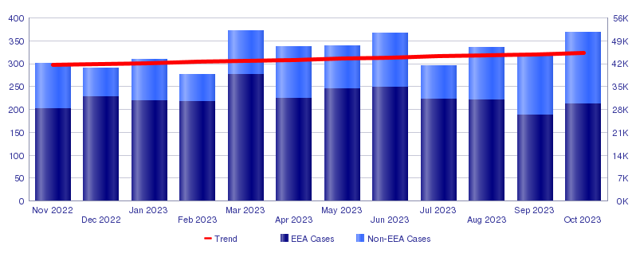
For the interpretation of the results, please refer to the key considerations at www.adrreports.eu

Number of Individual Cases by E
Number of individual cases identified in EudraVigilance in EEA countries for
AMOXICILLIN (up to 19/11/2023)
The country is not displayed if the number of cases is less or equal to 3 for that country
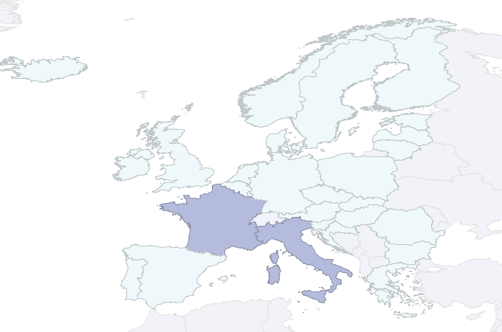 | PHV_EVDAS |  |  |  |  |  | 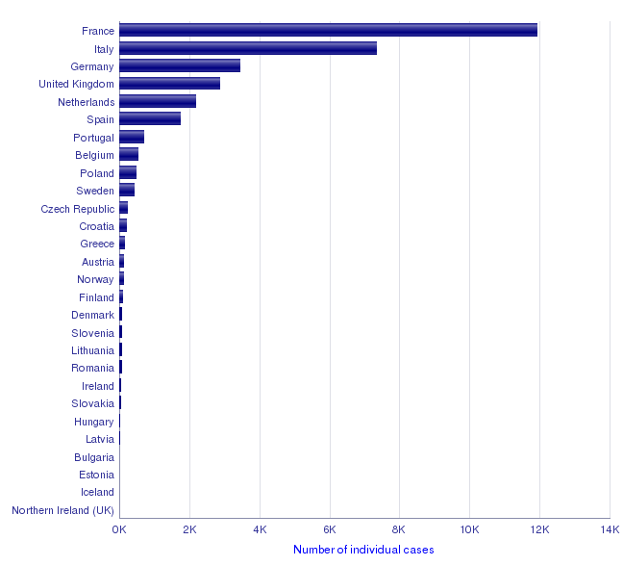
 | % Cases
 |  | 0 - 20
 |  | 21 - 40
 |  | 41 - 60
 |  | 61 - 80
 |  | 81 - 100

 | 0% - 20% |  | 21% - 40% | 41% - 60% | 61% - 80% | 81% - 100%
For the interpretation of the results, please refer to the key considerations at www.adrreports.eu

Number of Individual Cases for
Choose a Reaction Group to see the number of individual cases identified in EudraVigilance for
AMOXICILLIN (up to 19/11/2023)
Reaction Groups |  | Number of individual cases by Age Group & Sex, Reporter Group and Geographic Origin
Reaction SOC (not linked to ID) | None | 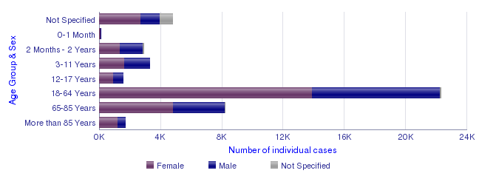
Reaction SOC (not linked to ID - 2nd) | None

For the interpretation of the results, please refer to the key considerations at www.adrreports.eu

