Explanation
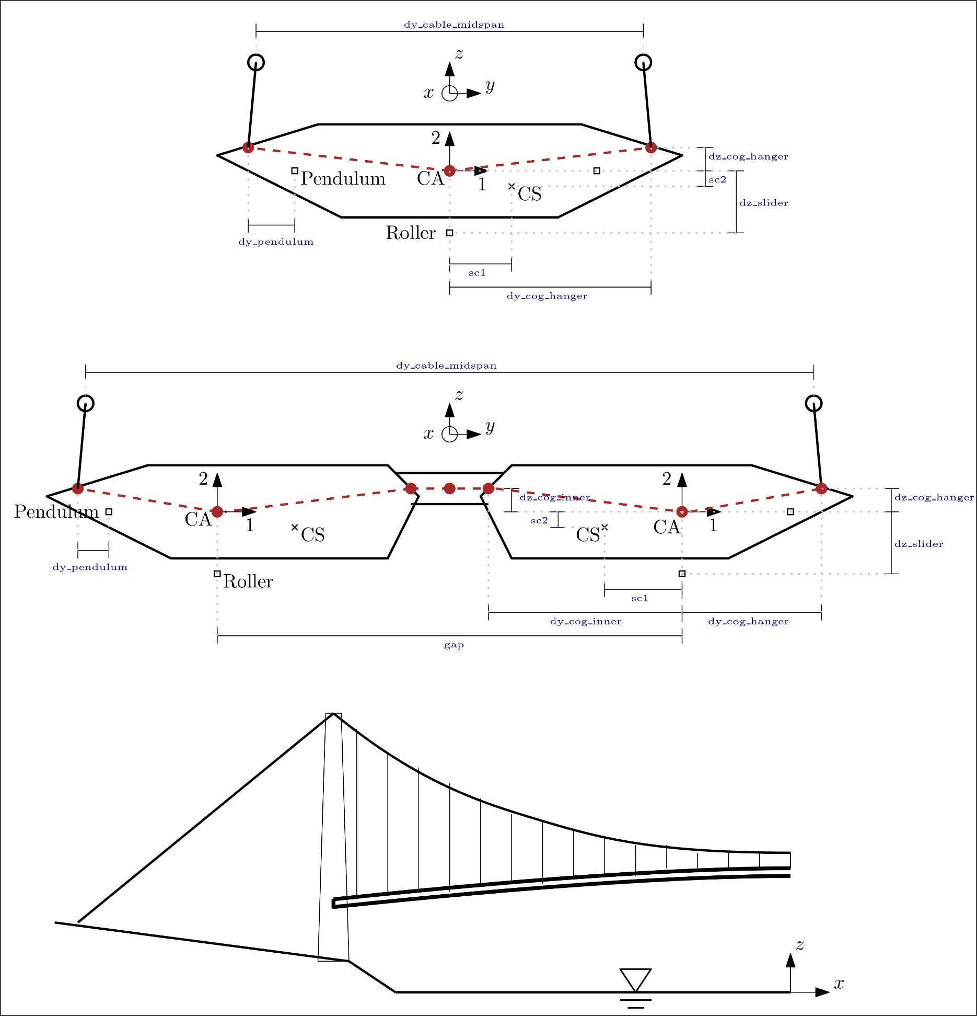
Global system (right-handed):
origin: in center, at water level
x: longitudinal direction, positive towards north
y: lateral direction, positive towards west
z: vertical direction, positive up

Parameters names and terminology:
Named x, y, or z: Global coordinates
Named dx, dy, or dz: Distance in x, y, or z direction, which may be absolute (always positive) or signed
cog: Center of gravity, same as CA
CA: center of area of beam cross section
CS: shear center of box
NumberBase: serial number for nodes or elements

Other:
All coordinates and distances refer to centerline of beams (center-to-center)
All coordinates refer to stressed geometry under dead loads
Deflection refer to static displacement from initial geometry to stressed (under dead load)
Node and element numbers must be unique

