Explanation
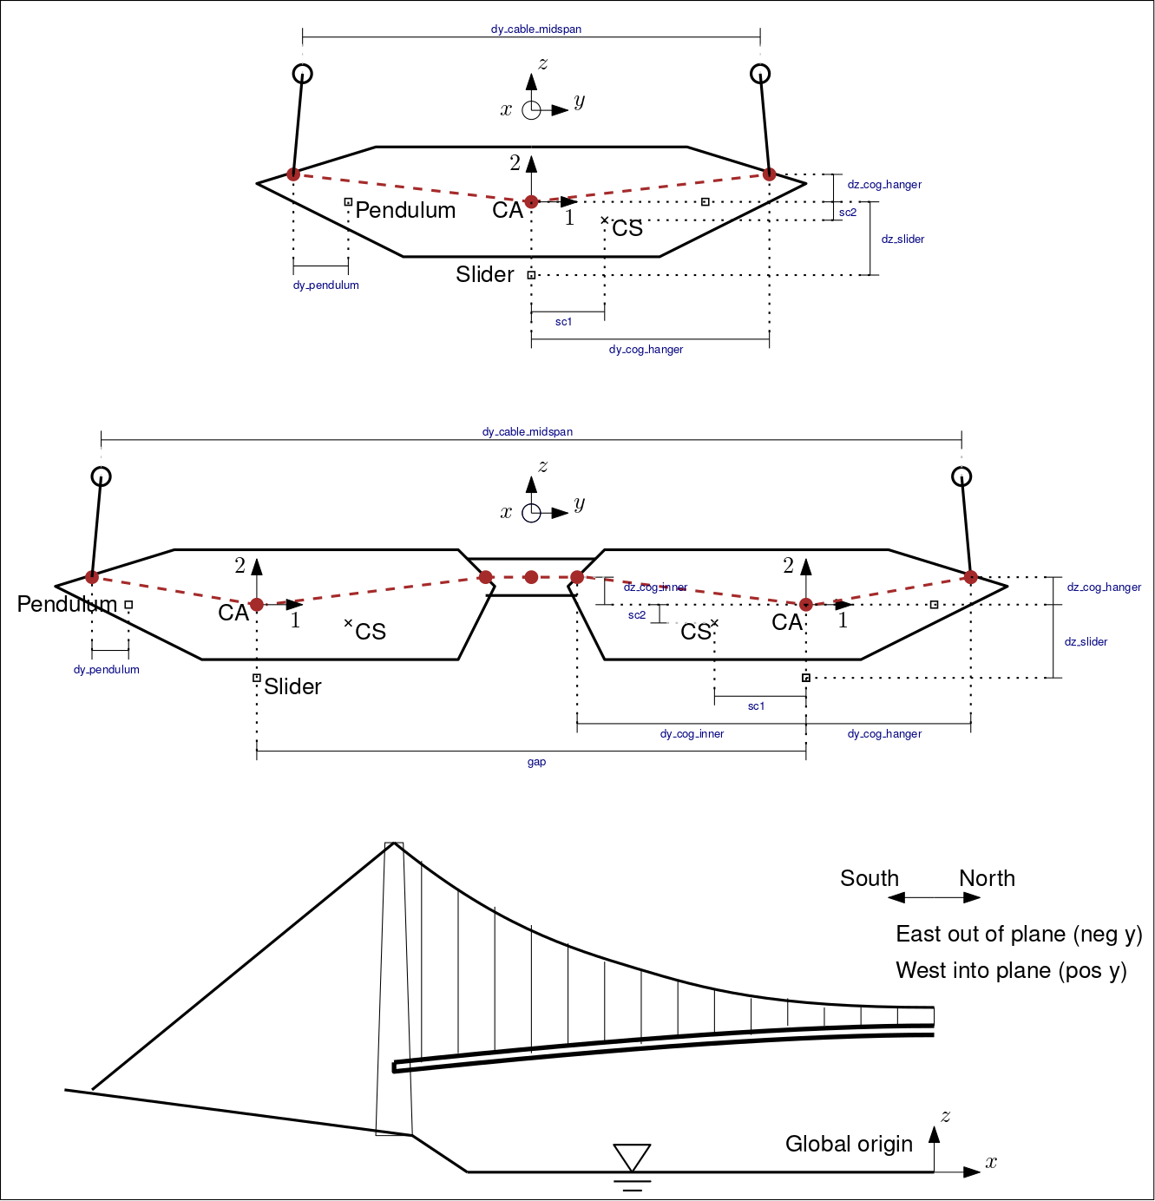
Global system (right-handed):
origin: in center, at water level
x: longitudinal direction, positive towards north
y: lateral direction, positive towards west
z: vertical direction, positive up

Parameters names and terminology:
Named x, y, or z: Global coordinates
Named dx, dy, or dz: Distance in x, y, or z direction, which may be absolute (always positive) or signed
cog: Center of gravity, same as CA
CA: center of area of beam cross section
CS: shear center of box
NumberBase: serial number for nodes or elements

Other:
All coordinates and distances refer to centerline of beams (center-to-center)
All coordinates refer to stressed geometry subjected to dead loads
Deflection refer to static displacement from initial geometry to stressed (under dead load)
Node and element numbers must be unique (don't change these)

