Overview
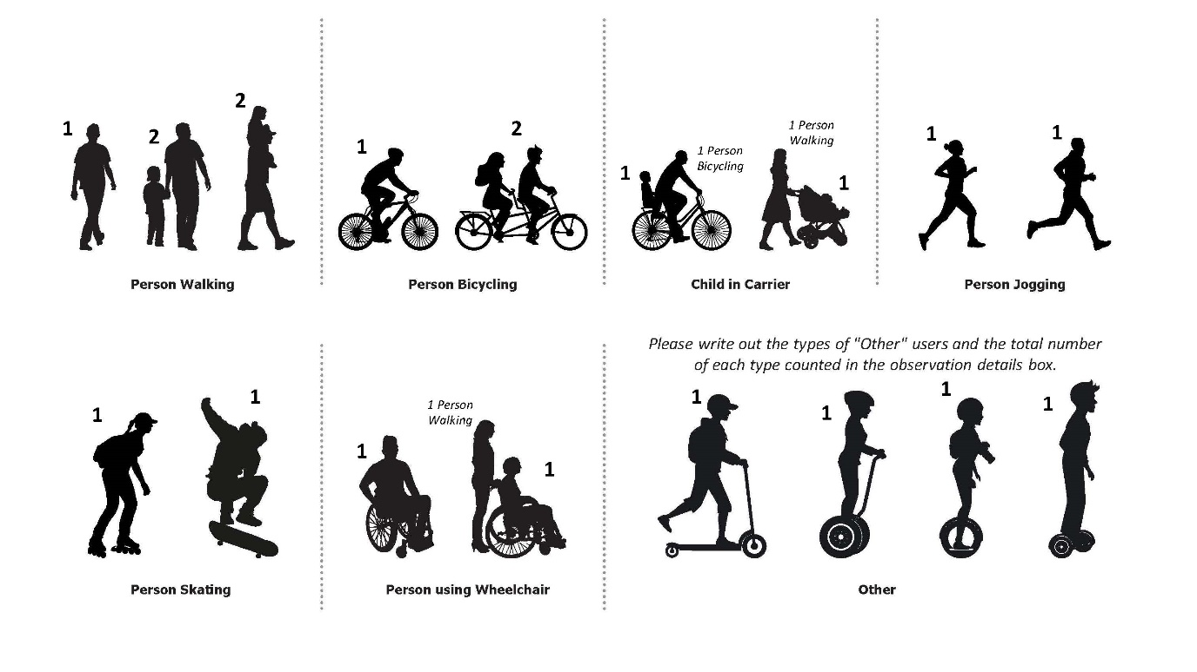
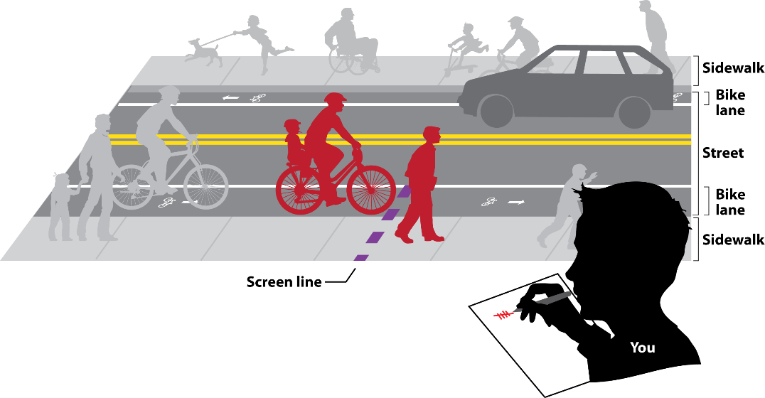
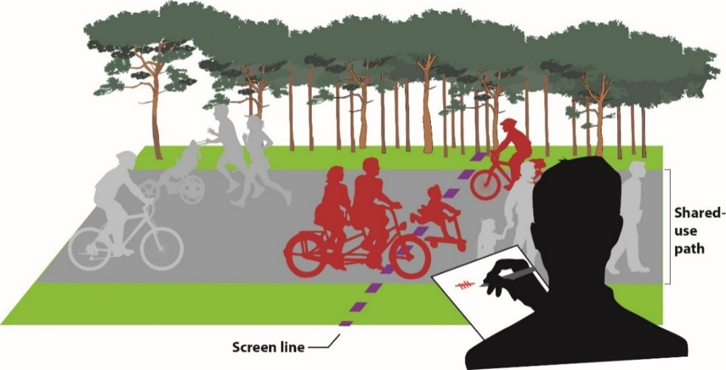
Date | 2023-10-30 | Count Details Please select from the drop-down menus below, when applicable. | Other Please Type | Please share any observations or details about this count session that you would like to provide. | For Office Use Only
Temperature |  |  |  |  | Loc ID | 12345
Sky Condition | Sunny |  |  | This is test input spreadsheet #1. Here is some text with an apostrophe in it: It's like this. | Count ID | 98765-2023-10-30-v1
Count Location Description |  | Alewife Greenway at Massachusetts Avenue
Side of Street (if applicable) |  | Not Applicable
Bicycle-Pedestrian Facility Name (if applicable) |  | Alewife Greenway
Street #1
Street #1 Bicycle Travel Direction (select "All" if not applicable) |  | All
Street #2 (same as Street #1 if not an intersection)
Street #2 Bicycle Travel Direction (select "All" if not applicable) |  | All
Location Type |  | Bicycle-Pedestrian Facility Intersection
Municipality |  | Arlington

Who counts as what? |  |  |  | How to count?

