Overview
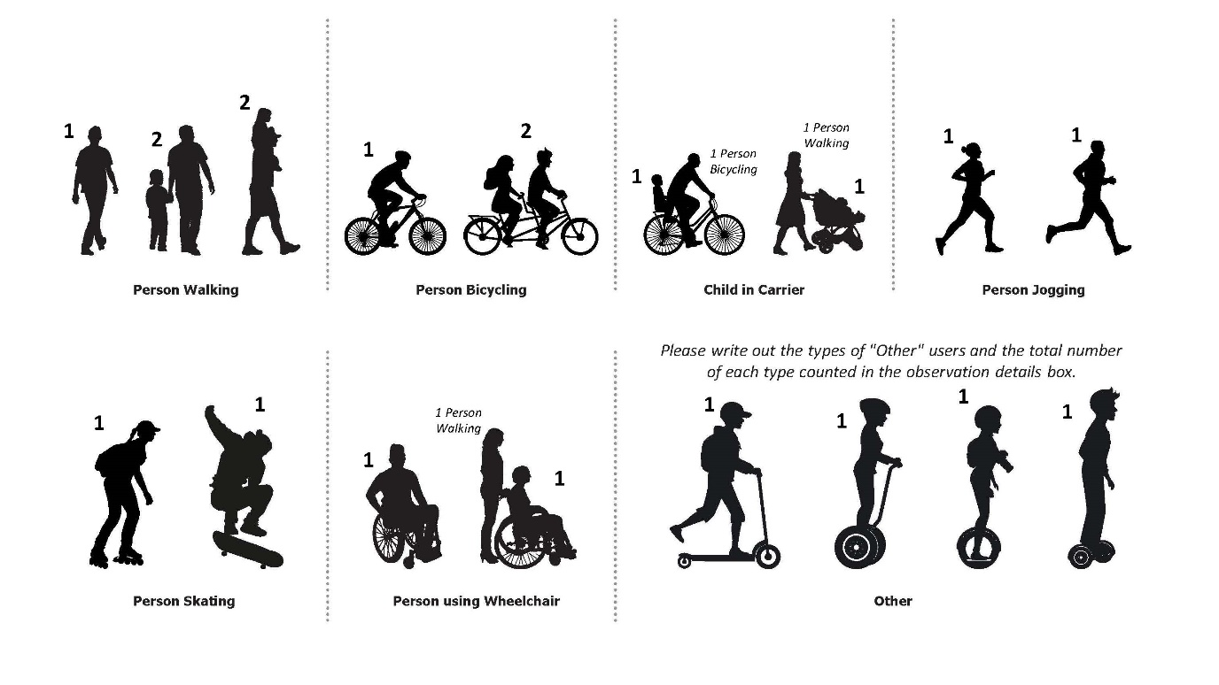
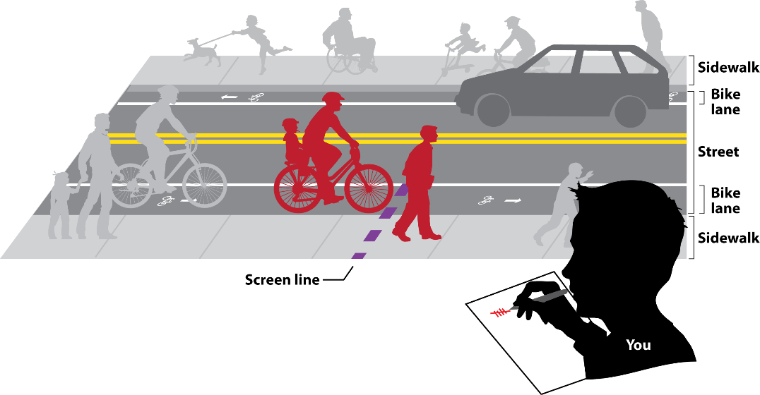
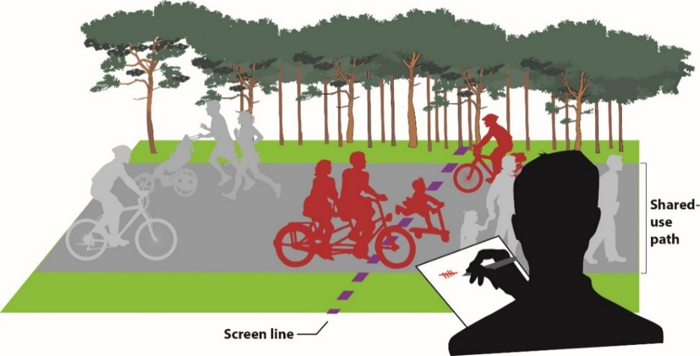
Date | 2023-11-08 | Count Details Please select from the drop-down menus below, when applicable. | Other Please Type | Please share any observations or details about this count session that you would like to provide. | For Office Use Only
Temperature |  |  |  |  | Loc ID | 12345
Sky Condition | Sunny |  |  | This is test input spreadsheet #3. | Count ID | 98765-2023-10-30-v1
Count Location Description |  | Inman Square - Prospect Street at Hampshire Street
Side of Street (if applicable) |  | East
Bicycle-Pedestrian Facility Name (if applicable) |  | Other (please type in cell to the right) | N/A
Street #1 |  | Prospect Street
Street #1 Bicycle Travel Direction (select "All" if not applicable) |  | All
Street #2 (same as Street #1 if not an intersection) |  | Hampshire Street
Street #2 Bicycle Travel Direction (select "All" if not applicable) |  | All
Location Type |  | Street Intersection
Municipality |  | Cambridge

Who counts as what? |  |  |  | How to count?

