Overview
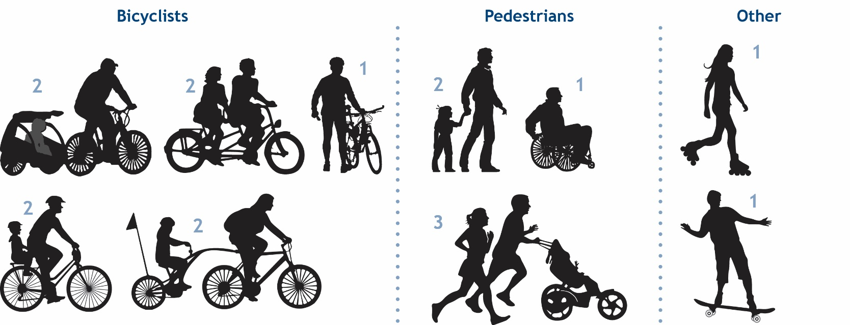
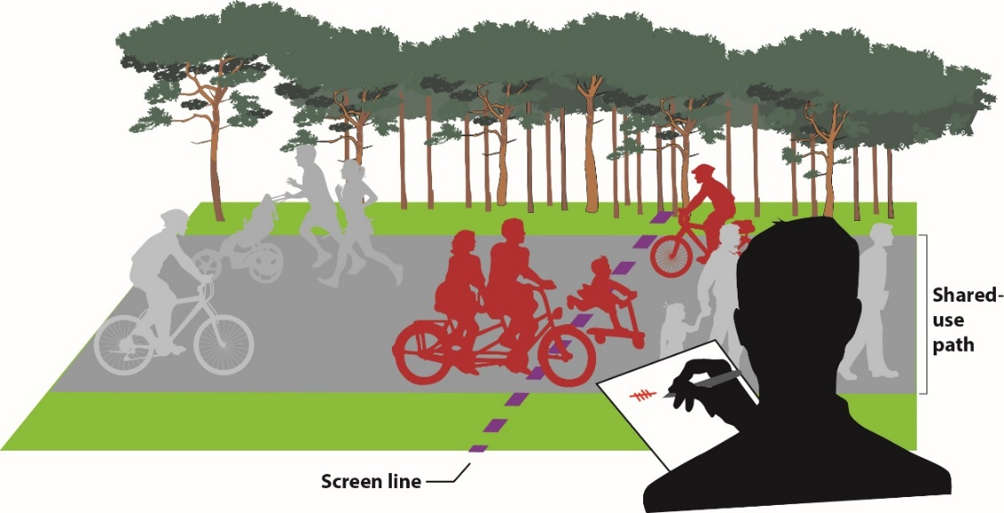
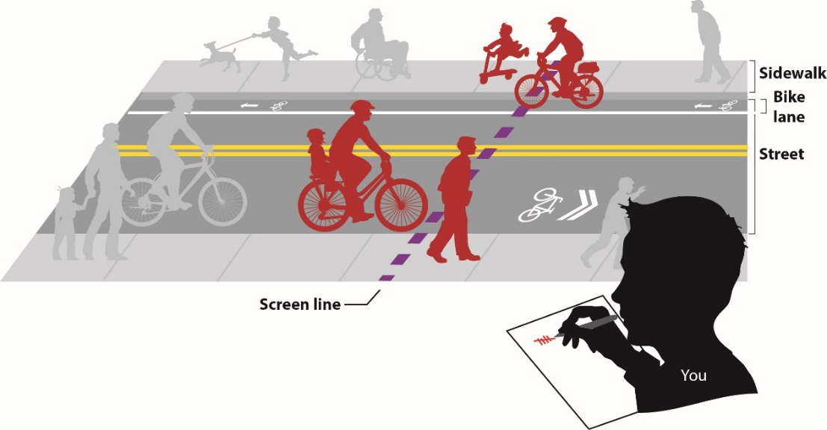
Date | 2023-11-08 | Count Details Please select from the drop-down menus below, when applicable. | Other Please Type | Please share any observations or details about this count session that you would like to provide. | For Office Use Only
Temperature |  |  |  |  | Loc ID | 12345
Sky Condition | Sunny |  |  | This is test input spreadsheet #3. | Count ID | 98765-2023-10-30-v1
Count Location Description |  | Inman Square - Prospect Street at Hampshire Street
Bicycle/Pedestrian Facility Name (if applicable) |  | Other (please type in cell to the right) | N/A
Street #1
Street #1 Direction |  | All
Street #2 (same as Street #1 if not an intersection)
Street #2 Direction |  | All
Location Type |  | Street Intersection
Municipality |  | Cambridge

Who counts as what?

