Contestant_Signup
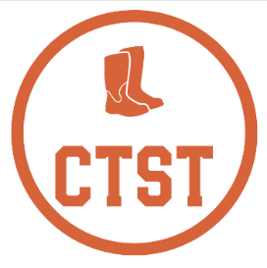
Country Two Step Tour (CTST)
Jack & Jill Contestant Sign-Up

First Name |  |  |  |  | Last Name

CTST ID |  |  |  | (if known)

Bib #

 | Division Entered |  |  | Role
 | (Y/N) |  |  | (L/F)

 |  | Novice

 |  | Intermediate

 |  | Advanced

 |  | All Stars

 |  | Masters

 | Skill Division Requirements |  |  | Check your points at: |  | https://countrytwosteptour.com
 | A competitor entering a skill division MUST enter in their HIGHEST eligible division:

 | All Stars |  | At least one All Stars point OR at least 45 Advanced points
 | Advanced |  | At least one Advanced point OR at least 30 Intermediate points
 | Intermediate |  | At least one Intermediate point OR at least 15 Novice points
 | Novice |  | Less than 15 Novice points AND no other skill-division points

 | Alternate-Role Skill Division Requirements
 | A skill-division competitor may ALSO enter in ONE lower skill division in a different role

 | Non-Skill Division Requirements
 | Masters |  | Competitor must be at least 50 years old on the day of the contest

