Event_Summary
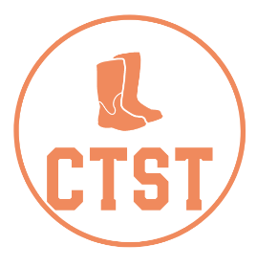
Country Two Step Tour (CTST)
Jack & Jill Event Summary

Date

Event Name

Event Location

Submitted By |  |  | Name
 |  |  | Email
 |  |  | Phone

Contest Held |  |  | Total Entries |  | Notes (e.g. combined contest)
(Y/N) |  |  | Leaders | Followers
 |  | Novice

 |  | Intermediate

 |  | Advanced

 |  | All Stars

 |  | Masters

Total of all Dance Entries |  |  |  |  | (Totals for ALL heats, not just finals)

Dance Entry Fees Owed |  |  | $ |  | ($1 per Dance Entry)

– If divisions were combined, put all totals in the lower division.
– Email forms within 3 days of the end of the event to: |  |  |  |  | info@countrytwosteptour.com
– Mail a check payable to "CTST" for Dance Entry Fees Owed to:
 | Tim Perez
 | somewhere in
 | Phoenix, AZ ?????

Novice

Country Two Step Tour (CTST)
 | Jack & Jill Finals Results

Event Name & Date

Division |  |  | Novice

Total Leader Entries |  |  |  | (Totals for all heats, not just Finals)

Total Follower Entries

 | Leader |  | Follower
Place | CTST ID | Name | CTST ID | Name
1
2
3
4
5
6
7
8
9
10
11
12
13
14
15

