Sheet1
 | Client Command Table for A7

 | Use this table to help you design your program. Add rows as needed. | Use this column to describe when and what your LCD display changes to for rows like DISPLAY_ROW_CONNECTION | Use this column to denote if BT stack events cause your state machine to advance, you can put an X in the cell to note this. Drawing a bubble diagram of your state machine might also be a good idea 👍. | Commands that may be useful: sl_bt_gatt_discover_primary_services_by_uuid() sl_bt_gatt_discover_characteristics_by_uuid()
 | Event | LCD Display State | Advances State Machine | Commands called in response to event | Notes
Events Common to Slaves/Clients
 | sl_bt_evt_system_boot_id | DISPLAY_ROW_ASSIGNMENT : A7 DISPLAY_ROW_CONNECTION : Discovering DISPLAY_ROW_BTADDR : Client ADDR |  | This event is generated on stack boot up | You can also document in column D values that need to be saved in response to receiving BT stack events.
 |  |  |  | sl_bt_scanner_set_mode()
 |  |  |  | sl_bt_scanner_set_timing()
 |  |  |  | sl_bt_connection_set_default_parameters()
 |  |  |  | sl_bt_scanner_start() | You should start and stop scanning just like you did with advertising for a Server.

 | sl_bt_evt_connection_opened_id | DISPLAY_ROW_CONNECTION : Connected DISPLAY_ROW_BTADDR2 : Server ADDR | X | sl_bt_gatt_discover_primary_services_by_uuid() | When the connection is opened, the client discovers the service to be addressed

 | sl_bt_evt_connection_closed_id | DISPLAY_ROW_TEMPVALUE : "" DISPLAY_ROW_BTADDR2 : "" DISPLAY_ROW_CONNECTION : Discovering |  | First the connection is removed and sl_bt_scanner_start() scanning starts | After the connection is disabled/ disconnected, the scanner starts again scanning for connection.

 | sl_bt_evt_system_soft_timer_id |  |  | This event indicates that a soft timer has expired.

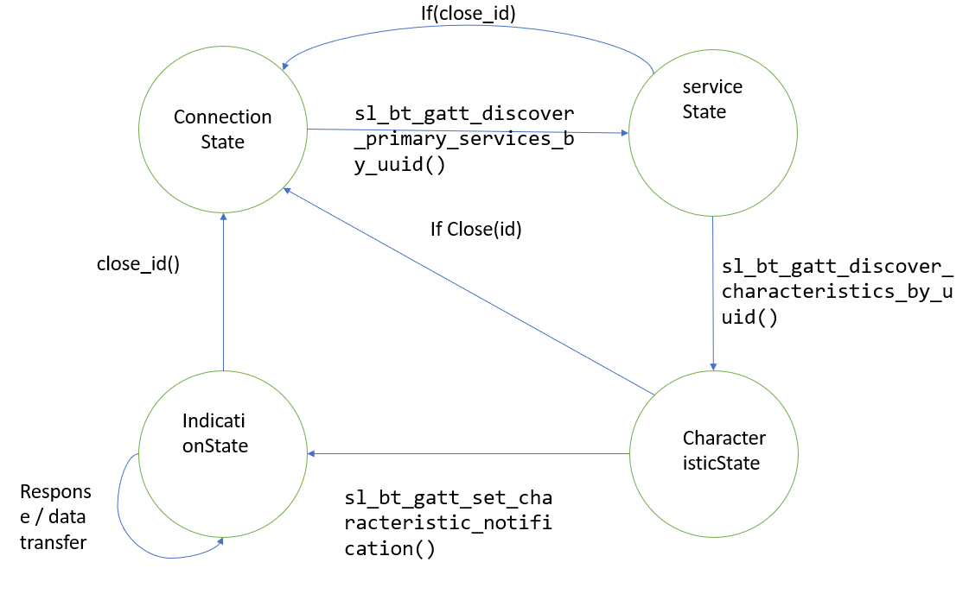
Events only for Masters/Clients
 | sl_bt_evt_scanner_scan_report_id |  |  | Received for advertising or scan response packets generated by: sl_bt_scanner_start(). Is the bd_addr, packet_type and address_type what we expect for our Server? If yes: sl_bt_scanner_stop() | The condition is being checked by the client, validates the address and stops the scanning and opens the connection.
 |  |  | X | sl_bt_connection_open() | As the address matches, connection is open for data transmission

 | sl_bt_evt_gatt_procedure_completed_id |  |  | We get this event when it’s ok to call the next GATT command. It’s a good idea to check for returned error codes. This would be a great event to use to sequence your new state machine. | Do not build your state machine into your handle_ble_event() function! Instead build a new state machine for A7.
 |  |  |  | if (condition) : sl_bt_gatt_discover_characteristics_by_uuid() | If there is any new next characteristic ID, turn to discover characteristics by uuid.
 |  |  | X | if(closing_condition): sl_bt_scanner_stop() sl_bt_gatt_set_characteristic_notification() | If the connection is disabled, set characteristic notification and scanner stop
 |  |  |  | if(enable_condition): sl_bt_scanner_start() | If enabled, start the scanner for connection.

 | sl_bt_evt_gatt_service_id |  |  | A GATT service in the remote GATT database was discovered | To fetch a service

 | sl_bt_evt_gatt_characteristic_id |  |  | A GATT characteristic in the remote GATT database was discovered | To fetch a characteristic ID

 | sl_bt_evt_gatt_characteristic_value_id | DISPLAY_ROW_CONNECTION : Handling Indications DISPLAY_ROW_TEMPVALUE : Temp = (int) | X | If an indication or notification has been enabled for a characteristic, this event is triggered whenever an indication or notification is received from the remote GATT server. Is the characteristic handle and att_opcode we expect? If yes: sl_bt_gatt_send_characteristic_confirmation() | To send a confirmation to the server from the client about the characteristic completion.

