Sheet1
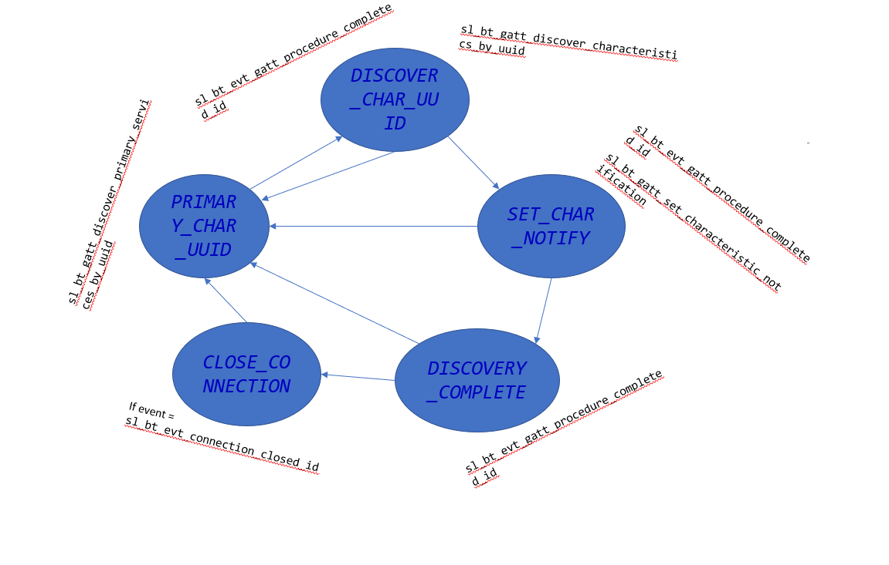
 | Client Command Table for A7

 | Use this table to help you design your program. Add rows as needed. | Use this column to describe when and what your LCD display changes to for rows like DISPLAY_ROW_CONNECTION | Use this column to denote if BT stack events cause your state machine to advance, you can put an X in the cell to note this. Drawing a bubble diagram of your state machine might also be a good idea 👍. | Commands that may be useful: sl_bt_gatt_discover_primary_services_by_uuid() sl_bt_gatt_discover_characteristics_by_uuid()
 | Event | LCD Display State | Advances State Machine | Commands called in response to event | Notes
Events Common to Slaves/Clients
 | sl_bt_evt_system_boot_id | Display "Server" and Display "A6" |  | This event is generated on stack boot up | You can also document in column D values that need to be saved in response to receiving BT stack events.
 |  | DISPLAY_ROW_BTADDR |  | sl_bt_scanner_set_mode()
 |  |  |  | sl_bt_scanner_set_timing()
 |  |  |  | sl_bt_connection_set_default_parameters()
 |  | DISPLAY_ROW_CONNECTION - Advertising |  | sl_bt_scanner_start() | You should start and stop scanning just like you did with advertising for a Server.

 | sl_bt_evt_connection_opened_id | DISPLAY_ROW_CONNECTION -CONNECTED | X | Save the connection handler

 | sl_bt_evt_connection_closed_id | DISPLAY_ROW_CONNECTION - Advertising | X | sl_bt_scanner_start()

 | sl_bt_evt_system_soft_timer_id | displayUpdate(); |  | This event indicates that a soft timer has expired.

Events only for Masters/Clients
 | sl_bt_evt_scanner_scan_report_id |  |  | Received for advertising or scan response packets generated by: sl_bt_scanner_start(). Is the bd_addr, packet_type and address_type what we expect for our Server? If yes: sl_bt_scanner_stop() sl_bt_connection_open()

 | sl_bt_evt_gatt_procedure_completed_id |  | X | We get this event when it’s ok to call the next GATT command. It’s a good idea to check for returned error codes. This would be a great event to use to sequence your new state machine. | Do not build your state machine into your handle_ble_event() function! Instead build a new state machine for A7.

 | sl_bt_evt_gatt_service_id |  | Store service handle | A GATT service in the remote GATT database was discovered

 | sl_bt_evt_gatt_characteristic_id |  |  | A GATT characteristic in the remote GATT database was discovered
 |  |  | Store Charactersitics Handle | sl_bt_gatt_discover_characteristics_by_uuid()
 | sl_bt_evt_gatt_characteristic_value_id |  |  | If an indication or notification has been enabled for a characteristic, this event is triggered whenever an indication or notification is received from the remote GATT server. Is the characteristic handle and att_opcode we expect? If yes: sl_bt_gatt_send_characteristic_confirmation()
 |  |  |  | sl_bt_gatt_send_characteristic_confirmation()

Events for Server | sl_bt_evt_system_soft_timer_id |  | Handles Timer | dequeue() data stored in the buffer

 | sl_bt_evt_gatt_server_charactersitic_id |  |  | Track htm or push button state indications and save the corresponding indication flags. Track if confirmation has been received and I f yes, clear the in_flight variable

 | sl_bt_evt_gatt_server_indication_timeout_id |  |  | Track whether an indication is in flight or not.

 | sl_bt_evt_sm_confirm_bonding_id |  | sl_bt_sm_bonding_confirm | Request for bonding as per configuration flags

 | sl_bt_evt_sm_confirm_passkey_id | Passkey,Confirm with PB0 |  | Displays the passkey and ask for user confirmation by clicking PB0

 | sl_bt_evt_sm_bonded_id | Bonding complete flag |  | Display bonding complete message

 | sl_bt_evt_sm_bonding_failed_id |  |  | LOG_ERROR for bonding failed

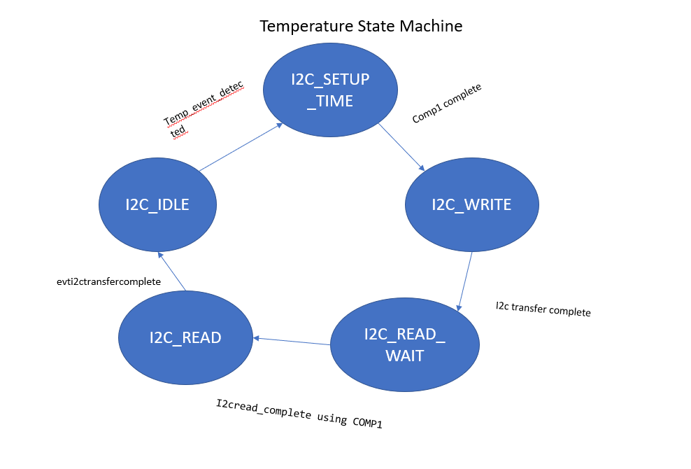

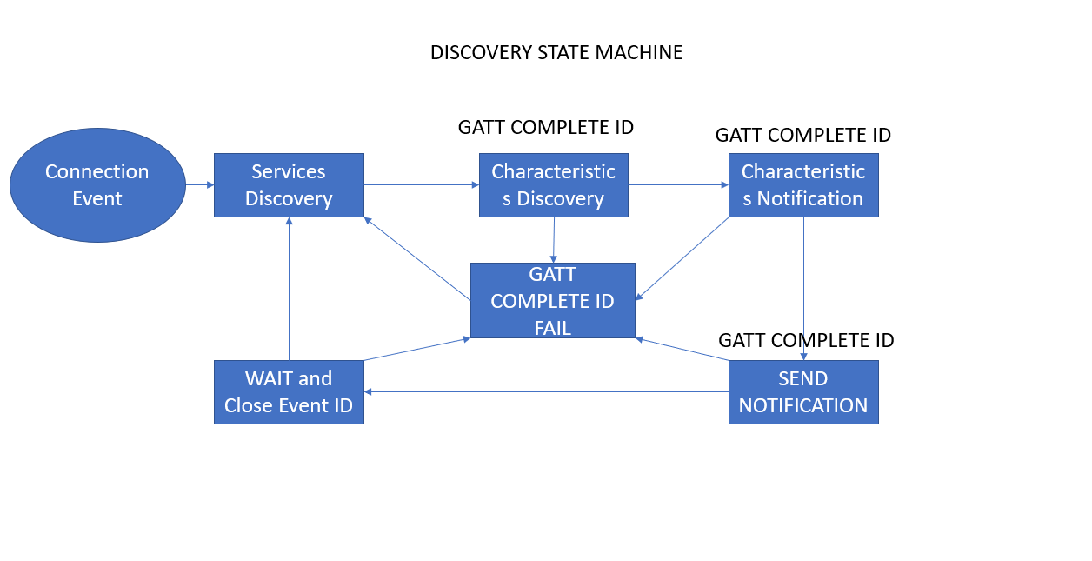

 | Assignment 7 bubble diagram

