Sheet1
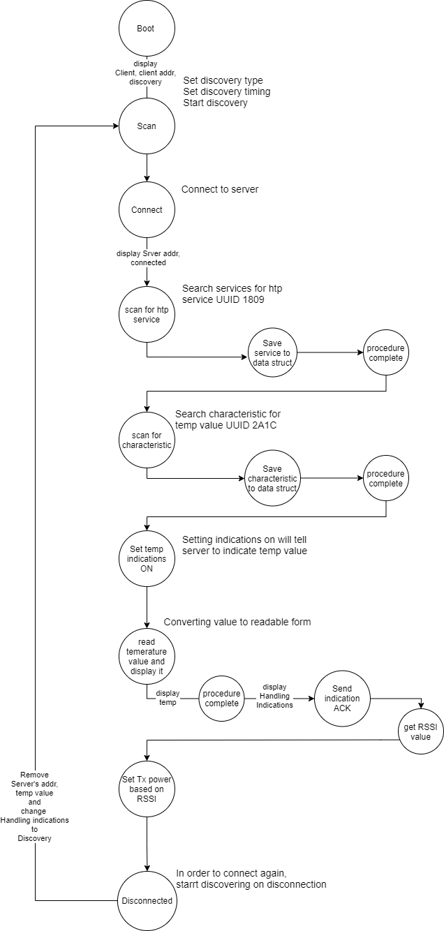
Client Command Table for A7
Client Application Design Spreadsheet
Use this table to help you design your program. Add rows as needed. | Use this column to describe when and what your LCD display changes to for rows like DISPLAY_ROW_CONNECTION Following rows are for respective rows of: DISPLAY_ROW_NAME DISPLAY_ROW_BTADDR DISPLAY_ROW_BTADDR2 DISPLAY_ROW_CONNECTION DISPLAY_ROW_TEMPVALUE |  | Use this column to denote if BT stack events cause your state machine to advance, you can put an X in the cell to note this. Drawing a bubble diagram of your state machine might also be a good idea. | Commands that may be useful: gecko_cmd_le_gap_set_discovery_type() gecko_cmd_le_gap_set_discovery_timing() gecko_cmd_le_gap_start_discovery() gecko_cmd_le_gap_end_procedure() gecko_cmd_le_gap_connect() gecko_cmd_gatt_discover_primary_services_by_uuid() gecko_cmd_gatt_discover_characteristics_by_uuid() gecko_cmd_gatt_set_characteristic_notification() gecko_cmd_gatt_send_characteristic_confirmation() | Bubble Diagram -->>

BT Stack Event ID | LCD Display State |  | Advances State Machine | Commands called in response to event | Notes
gecko_evt_system_boot_id | Client | Already present |  | This event is generated on stack boot up | ble address to be displayed on LCD can be found by gecko_cmd_system_get_bt_address()
 | xx:xx:xx:xx:xx:xx:xx (client's addr) | displayed |  | gecko_cmd_le_gap_set_discovery_type() | Discovery types is set active/passive for given phy
 | xx:xx:xx:xx:xx:xx:xx (server's addr) | not displayed |  | gecko_cmd_system_set_tx_power() | default transmit power
 | Discovering | displayed |  | gecko_cmd_le_gap_set_discovery_timing() | defaults are set if not set explicitly using this call
 | temp = xx.xx | not displayed | X | gecko_cmd_le_gap_start_discovery() | will generate gecko_evt_le_gap_scan_response_id

gecko_evt_le_gap_scan_response_id |  |  |  | This event is generated when an advertisement packet or a scan response is received from a slave | verify with reqd advertised packet
 |  |  |  | gecko_cmd_le_gap_end_procedure() | stops discovery
 | No Change | No Change | X | gecko_cmd_le_gap_connect() | connect to server device

gecko_evt_le_connection_opened_id | Client | Already present |  | This event is generated when a new connection is established
 | xx:xx:xx:xx:xx:xx:xx (client's addr) | Already present | X | gecko_cmd_gatt_discover_primary_services_by_uuid() | Discover for Service UUID 1809. gecko_evt_gatt_service_id event occurrs
 | xx:xx:xx:xx:xx:xx:xx (server's addr) | displayed
 | Connected | Display changed
 | temp = xx.xx | not displayed

gecko_evt_le_connection_closed_id | Client | Already present |  | This event is generated when a connection is dropped
 | xx:xx:xx:xx:xx:xx:xx (client's addr) | Already present | X | gecko_cmd_le_gap_start_discovery() | again starts discovery for connectting to server
 | xx:xx:xx:xx:xx:xx:xx (server's addr) | removed (set to blank) |  | gecko_cmd_system_set_tx_power() | default transmit power
 | Discovering | Display changed
 | temp = xx.xx | removed

gecko_evt_gatt_procedure_completed_id | Client | Already present |  | This event is generated for various procedure completions, e.g. when a write procedure is completed, or service discovery is completed. Each GATT command we issue results in 1 of these events.
 | xx:xx:xx:xx:xx:xx:xx (client's addr) | Already present |  | gecko_cmd_gatt_discover_characteristics_by_uuid() | called when procedure for service search completed. Start discovery for characteristicUUID 2A1C
 | xx:xx:xx:xx:xx:xx:xx (server's addr) | Already present | X | gecko_cmd_gatt_set_characteristic_notification() | called when procedure for characteristic search completed
 | Handling Indications | Display changed
 | temp = xx.xx | not displayed

gecko_evt_gatt_service_id |  |  |  | This event is generated from gecko_cmd_gatt_discover_primary_services_by_uuid()
 |  |  | Save service handle in | save response service handle in maintained data structure
 | No Change | No Change | global datastructure
 |  |  | X

gecko_evt_gatt_characteristic_id |  |  |  | This event is generated from gecko_cmd_gatt_discover_characteristics_by_uuid()
 |  |  | Save characterisitc handle | save response characteristic handle in maintained data structure
 | No Change | No Change | in global datastructure
 |  |  | X

gecko_evt_gatt_characteristic_value_id | Client | Already present |  | This event is generated when a characteristic value was received e.g. an indication from the server | parse received data to readable temperature value and display it on LCD
 | xx:xx:xx:xx:xx:xx:xx (client's addr) | Already present |  | gecko_cmd_gatt_send_characteristic_confirmation() | aknowledgement for received indication
 | xx:xx:xx:xx:xx:xx:xx (server's addr) | Already present | X | gecko_cmd_le_connection_get_rssi() | to adjust tx_power based on rssi value
 | Handling Indications | Already present
 | temp = xx.xx | displayed

gecko_evt_le_connection_rssi_id |  |  |  | This event is generated when RSSI value was measured
 |  |  | X | gecko_cmd_system_set_tx_power() | sets tx power based on rssi value
 | No Change | No Change

gecko_evt_hardware_soft_timer_id |  |  |  | This event is generated by the 1 second BT stack timer we started up & use this to perform the 1 second period toggling of the LCD display EXTCOMIN signal, for static charge build-up management
 |  |  | X | displayUpdate(); | This function toggles EXTCOMIN signal and refreshes LCD
 | No Change | No Change |  |  | display of discovery, connected, ble address would printed in respective events above

