Sheet1
 | Client Command Table for A7

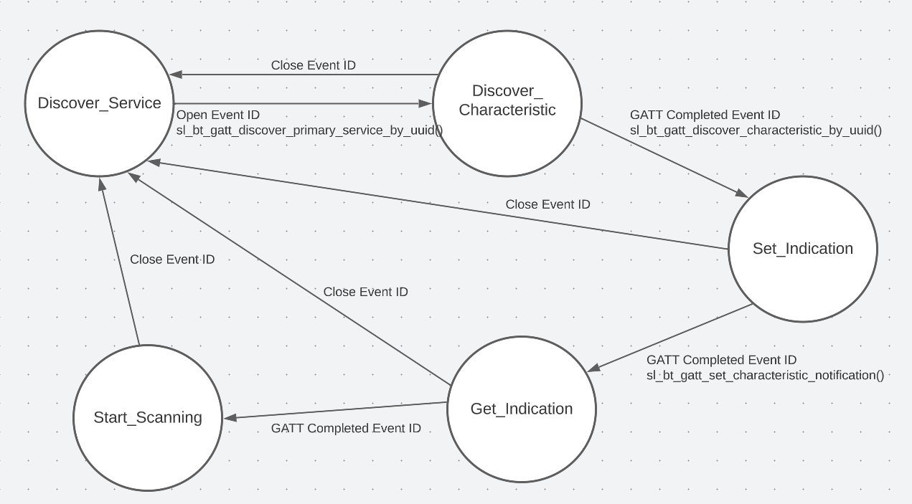
 | Use this table to help you design your program. Add rows as needed. | Use this column to describe when and what your LCD display changes to for rows like DISPLAY_ROW_CONNECTION | Use this column to denote if BT stack events cause your state machine to advance, you can put an X in the cell to note this. Drawing a bubble diagram of your state machine might also be a good idea 👍. | Commands that may be useful: sl_bt_gatt_discover_primary_services_by_uuid() sl_bt_gatt_discover_characteristics_by_uuid()
 | Event | LCD Display State | Advances State Machine | Commands called in response to event | Notes
Events Common to Slaves/Clients
 | sl_bt_evt_system_boot_id | Discovering' for DISPLAY_ROW_CONNECTION | No | This event is generated on stack boot up | You can also document in column D values that need to be saved in response to receiving BT stack events.
 |  | Client' for DISPLAY_ROW_NAME |  | sl_bt_scanner_set_mode() | Set the scan mode on the specified PHY(s).
 |  | client bt address for DISPLAY_ROW_BT_ADDR |  | sl_bt_scanner_set_timing() | Set the scanning timing parameters on the specified PHY(s)
 |  | A7' for DISPLAY_ROW_ASSIGNMENT |  | sl_bt_connection_set_default_parameters() | Sets default connection parameters for all subsequent connections
 |  |  |  | sl_bt_scanner_start() | Start GAP discovery procedure to scan for advertising devices.

 | sl_bt_evt_connection_opened_id | Connected' for DISPLAY_ROW_CONNECTION | X - Yes | This event is generated when a new connection is established. | Save connection handle using: evt->data.evt_connection_opened.connection
 |  | Server address for DISPLAY_ROW_BTADDR2 |  | sl_bt_gatt_discover_primary_services_by_uuid() | Discover primary service with HTM UUID in the remote GATT database.

 | sl_bt_evt_connection_closed_id | Discovering' for DISPLAY_ROW_CONNECTION | X - Yes | This event is generated when a connection is closed.
 |  | Temperature and Server address cleared |  | sl_bt_scanner_start() | Start GAP discovery procedure to scan for advertising devices.

 | sl_bt_evt_system_soft_timer_id |  | No | This event indicates that a soft timer has expired. | Update the display on EXT_COMIN in Server

Events only for Masters/Clients
 | sl_bt_evt_scanner_scan_report_id |  | No | Received for advertising or scan response packets generated by: sl_bt_scanner_start(). Is the bd_addr, packet_type and address_type what we expect for our Server? If yes: sl_bt_scanner_stop() sl_bt_connection_open() | Stop the scanning of devices. Open connection with the server.

 | sl_bt_evt_gatt_procedure_completed_id |  | X - Yes | We get this event when it’s ok to call the next GATT command. It’s a good idea to check for returned error codes.
 |  |  | In discover characterstics state | sl_bt_gatt_discover_characteristics_by_uuid() | Discover all characteristics of a GATT service in a remote GATT DB having HTM service UUID.
 |  |  | In set indications state | sl_bt_gatt_set_characteristic_notification() | Enable or disable the notifications and indications sent from a remote GATT server.

 | sl_bt_evt_gatt_service_id |  | No | A GATT service in the remote GATT database was discovered. | Save GATT HTM service handle based upon connection handle. Save evt->data.evt_gatt_service.service

 | sl_bt_evt_gatt_characteristic_id |  | No | A GATT characteristic in the remote GATT database was discovered. | Save GATT HTM characterstic handle based upon connection handle. Save evt->data.evt_gatt_characteristic.characteristic

 | sl_bt_evt_gatt_characteristic_value_id | Handling Indications' for DISPLAY_ROW_CONNECTION | No | If an indication or notification has been enabled for a characteristic, this event is triggered whenever an indication or notification is received from the remote GATT server. Is the characteristic handle and att_opcode we expect? If yes:
 |  | Temperature value in DISPLAY_ROW_TEMPVALUE |  | sl_bt_gatt_send_characteristic_confirmation() | Send a confirmation to a remote GATT server after receiving a characteristic indication.

