q3_plot
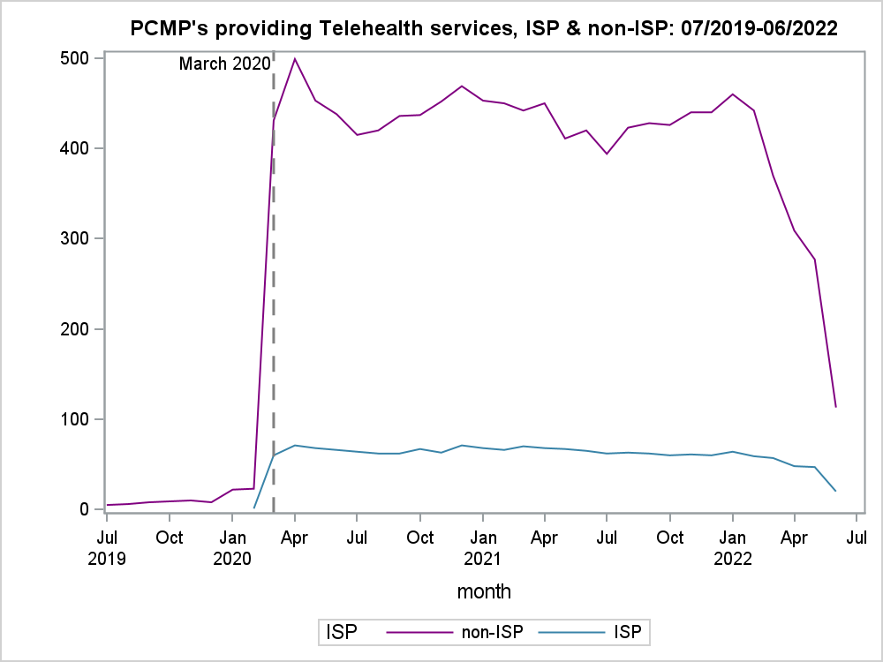

pct_plot
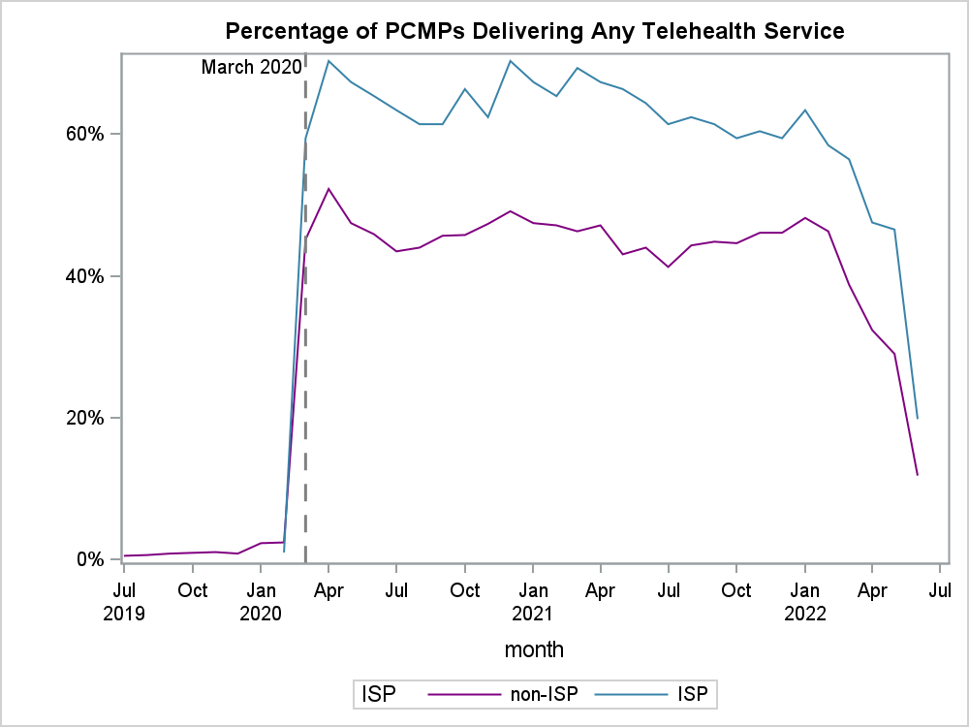

n_ISP PCMP
101

nonISP PCMP
955

