attr_plot
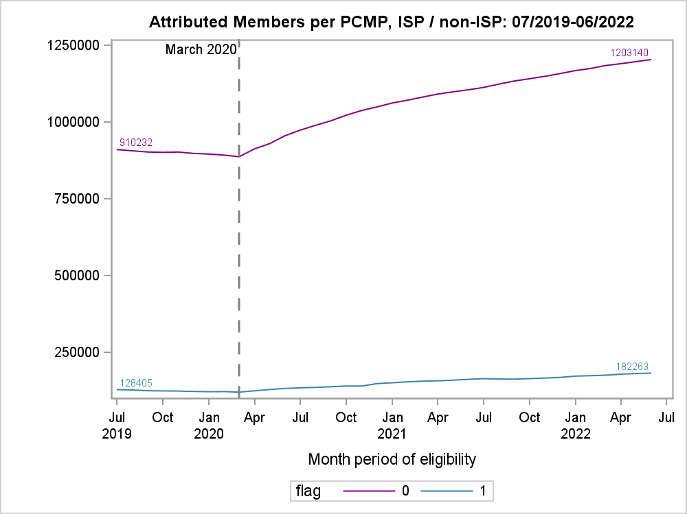

flag | month | n_members
non ISP | 2019-07-01 | 910232
ISP | 2019-07-01 | 128405
non ISP | 2022-06-01 | 1203140
ISP | 2022-06-01 | 182263

relative_change_plot
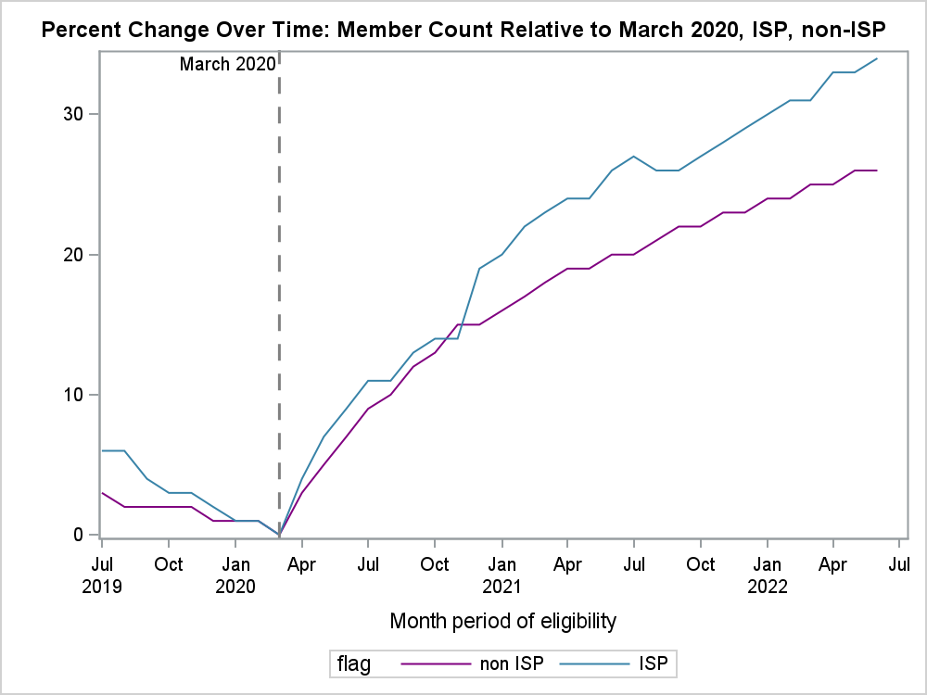

Obs | flag | month | n_members | n_mar2020 | n_diff_mar2020 | pct_diff_mar2020
36 | non ISP | 2022-06-01 | 1203140 | 886876 | 316264 | 26
72 | ISP | 2022-06-01 | 182263 | 120292 | 61971 | 34

