FinAlData csv
State | Firearm Mortality Per 100K | gunLawsGiffordGrade | Glifford Gun Law Rating (Rating Based on 4.0 Scale)
Alabama | 25.6 | F | 0
Alaska | 23.3 | F | 0
Arizona | 20.9 | F | 0
Arkansas | 22.4 | F | 0
California | 9.1 | A | 4
Colorado | 17.8 | B | 3
Connecticut | 6.8 | A- | 3.7
Delaware | 12.6 | B | 3
Florida | 14.7 | C- | 1.7
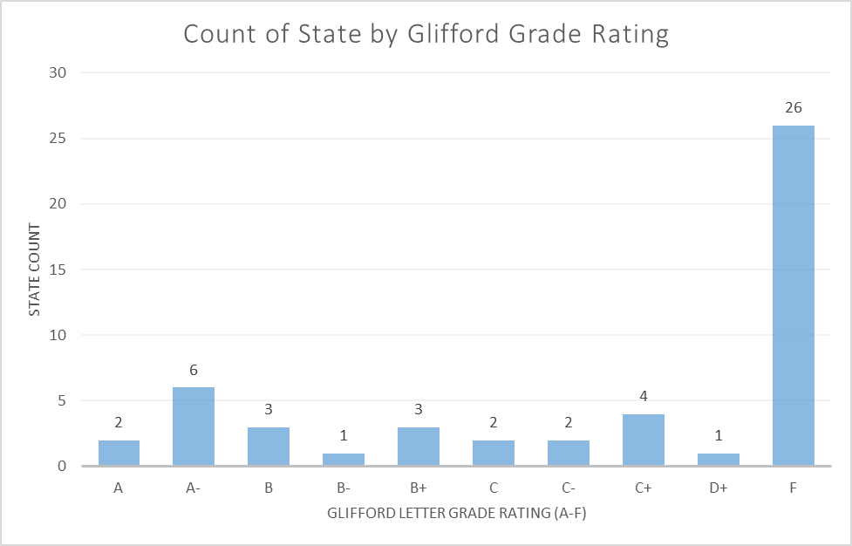
Georgia | 19.7 | F | 0
Hawaii | 4.3 | A- | 3.7
Idaho | 16.6 | F | 0
Illinois | 14.7 | A- | 3.7
Indiana | 17.9 | F | 0
Iowa | 10.9 | F | 0
Kansas | 17.5 | F | 0
Kentucky | 18.6 | F | 0
Louisiana | 27.4 | F | 0
Maine | 11.8 | F | 0
Maryland | 13.5 | A- | 3.7
Massachusetts | 3.9 | A- | 3.7
Michigan | 15 | C+ | 2.3
Minnesota | 10.3 | C+ | 2.3
Mississippi | 28.4 | F | 0
Missouri | 23.8 | F | 0
Montana | 24.2 | F | 0
Nebraska | 12.5 | C | 2
Nevada | 19.2 | C+ | 2.3
New Hampshire | 10.3 | F | 0
New Jersey | 5.3 | A | 4
New Mexico | 27.9 | C+ | 2.3
New York | 5.5 | A- | 3.7
North Carolina | 17.3 | C | 2
North Dakota | 15.8 | F | 0
Ohio | 15.9 | F | 0
Oklahoma | 19.8 | F | 0
Oregon | 15.9 | B+ | 3.3
Pennsylvania | 15.6 | B- | 2.7
Rhode Island | 3.7 | B+ | 3.3
South Carolina | 21.3 | F | 0
South Dakota | 16.7 | F | 0
Tennessee | 21.6 | F | 0
Texas | 16.1 | F | 0
Utah | 12.4 | F | 0
Vermont | 13.4 | C- | 1.7
Virginia | 15.3 | B | 3
Washington | 13 | B+ | 3.3
West Virginia | 17.9 | F | 0
Wisconsin | 14.5 | D+ | 1.3
Wyoming | 23.6 | F | 0

