上证-CSI000016.csv
指数
 | open | close
 | 1996.26 | 2033.86
 | 2034.81 | 2029.62
 | 2025.4 | 2017.17
 | 2030.04 | 2006.14
 | 2010.52 | 2014.73
 | 2006.07 | 2010.69
 | 1994.94 | 1968.08
 | 1973.08 | 1998.41
 | 2002.46 | 2005.75
 | 1998.59 | 2012.03
 | 2013.46 | 2002.83
 | 1994.38 | 1988.3
 | 1999.84 | 1983.67
 | 1984.75 | 1961.3
 | 1966.12 | 1964.83
 | 1954.32 | 1909.81
 | 1909.33 | 1914.15
 | 1905.04 | 1918.79
 | 1902.93 | 1900.22
 | 1901.95 | 1908.21
 | 1905.9 | 1909.95
 | 1897.2 | 1894.32
 | 1879.82 | 1893
 | 1898.45 | 1895.43
 | 1849.91 | 1850.14
 | 1832.66 | 1794.43
 | 1752.74 | 1801.82
 | 1832.09 | 1814.67
 | 1789.96 | 1840.29
 | 1848.13 | 1838.16
 | 1842.13 | 1872.39
 | 1873 | 1862.89
 | 1863.17 | 1858.3
 | 1861.29 | 1824.86
 | 1798.81 | 1806.28
 | 1808.06 | 1790.14
 | 1797.2 | 1821.19
 | 1828.04 | 1806.79
 | 1813.09 | 1878.48
 | 1867.32 | 1876.33
 | 1856.74 | 1836.88
 | 1850.99 | 1835.07
 | 1836.98 | 1841.54
 | 1845.47 | 1840.37
 | 1836.21 | 1820.68
 | 1805.89 | 1786.47
 | 1776.81 | 1779.52
 | 1787.09 | 1813.86
 | 1820.11 | 1799.78
 | 1809.51 | 1800.93
...
index | amount | volume | open | close | high | low
2011-07-04 00:00:00+08:00 | 0 | 0 | 1996.26 | 2033.86 | 2035.75 | 1996.26
2011-07-05 00:00:00+08:00 | 0 | 0 | 2034.81 | 2029.62 | 2040.09 | 2018.53
2011-07-06 00:00:00+08:00 | 0 | 0 | 2025.4 | 2017.17 | 2025.4 | 1997.99
2011-07-07 00:00:00+08:00 | 0 | 0 | 2030.04 | 2006.14 | 2038.12 | 2005.44
2011-07-08 00:00:00+08:00 | 0 | 0 | 2010.52 | 2014.73 | 2026.11 | 2002.25
2011-07-11 00:00:00+08:00 | 0 | 0 | 2006.07 | 2010.69 | 2015.5 | 1996.02
2011-07-12 00:00:00+08:00 | 0 | 0 | 1994.94 | 1968.08 | 1994.94 | 1966.47
2011-07-13 00:00:00+08:00 | 0 | 0 | 1973.08 | 1998.41 | 2003.81 | 1973.08
2011-07-14 00:00:00+08:00 | 0 | 0 | 2002.46 | 2005.75 | 2012.39 | 1992.82
2011-07-15 00:00:00+08:00 | 0 | 0 | 1998.59 | 2012.03 | 2014.25 | 1992.2
2011-07-18 00:00:00+08:00 | 0 | 0 | 2013.46 | 2002.83 | 2014.71 | 1996.78
2011-07-19 00:00:00+08:00 | 0 | 0 | 1994.38 | 1988.3 | 1997.52 | 1983.96
2011-07-20 00:00:00+08:00 | 0 | 0 | 1999.84 | 1983.67 | 2002.2 | 1974.37
2011-07-21 00:00:00+08:00 | 0 | 0 | 1984.75 | 1961.3 | 1989.42 | 1959.85
2011-07-22 00:00:00+08:00 | 0 | 0 | 1966.12 | 1964.83 | 1974.49 | 1959.76
2011-07-25 00:00:00+08:00 | 0 | 0 | 1954.32 | 1909.81 | 1955.19 | 1904.45
2011-07-26 00:00:00+08:00 | 0 | 0 | 1909.33 | 1914.15 | 1919.61 | 1904.56
2011-07-27 00:00:00+08:00 | 0 | 0 | 1905.04 | 1918.79 | 1920.32 | 1899.2
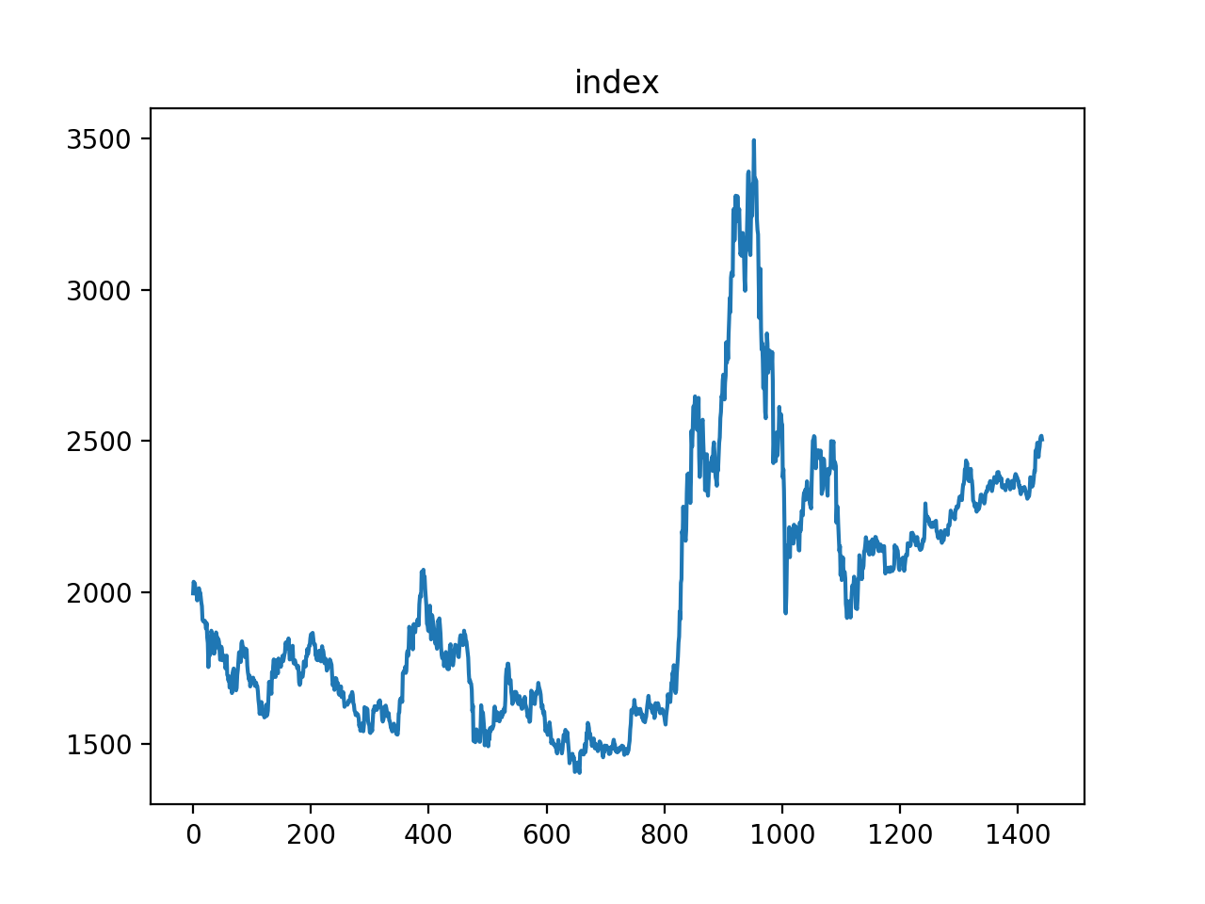
2011-07-28 00:00:00+08:00 | 0 | 0 | 1902.93 | 1900.22 | 1906.67 | 1886.9
2011-07-29 00:00:00+08:00 | 0 | 0 | 1901.95 | 1908.21 | 1926.2 | 1885.63
2011-08-01 00:00:00+08:00 | 0 | 0 | 1905.9 | 1909.95 | 1919.88 | 1898.37
2011-08-02 00:00:00+08:00 | 0 | 0 | 1897.2 | 1894.32 | 1897.2 | 1874.56
2011-08-03 00:00:00+08:00 | 0 | 0 | 1879.82 | 1893 | 1901.71 | 1877.49
2011-08-04 00:00:00+08:00 | 0 | 0 | 1898.45 | 1895.43 | 1911.51 | 1890.91
2011-08-05 00:00:00+08:00 | 0 | 0 | 1849.91 | 1850.14 | 1863.63 | 1841.01
2011-08-08 00:00:00+08:00 | 0 | 0 | 1832.66 | 1794.43 | 1848.51 | 1769.99
2011-08-09 00:00:00+08:00 | 0 | 0 | 1752.74 | 1801.82 | 1810.86 | 1741.1
2011-08-10 00:00:00+08:00 | 0 | 0 | 1832.09 | 1814.67 | 1837.42 | 1810.45
2011-08-11 00:00:00+08:00 | 0 | 0 | 1789.96 | 1840.29 | 1843.14 | 1789.23
2011-08-12 00:00:00+08:00 | 0 | 0 | 1848.13 | 1838.16 | 1850 | 1833.89
2011-08-15 00:00:00+08:00 | 0 | 0 | 1842.13 | 1872.39 | 1872.79 | 1831.98
2011-08-16 00:00:00+08:00 | 0 | 0 | 1873 | 1862.89 | 1886.24 | 1856.98
2011-08-17 00:00:00+08:00 | 0 | 0 | 1863.17 | 1858.3 | 1873.35 | 1855.28
2011-08-18 00:00:00+08:00 | 0 | 0 | 1861.29 | 1824.86 | 1863.29 | 1822.19
2011-08-19 00:00:00+08:00 | 0 | 0 | 1798.81 | 1806.28 | 1811.87 | 1792.46
2011-08-22 00:00:00+08:00 | 0 | 0 | 1808.06 | 1790.14 | 1820.52 | 1782.97
2011-08-23 00:00:00+08:00 | 0 | 0 | 1797.2 | 1821.19 | 1821.44 | 1788.08
2011-08-24 00:00:00+08:00 | 0 | 0 | 1828.04 | 1806.79 | 1832.24 | 1802.45
2011-08-25 00:00:00+08:00 | 0 | 0 | 1813.09 | 1878.48 | 1878.68 | 1811.36
2011-08-26 00:00:00+08:00 | 0 | 0 | 1867.32 | 1876.33 | 1879.61 | 1858.33
2011-08-29 00:00:00+08:00 | 0 | 0 | 1856.74 | 1836.88 | 1856.74 | 1833.61
2011-08-30 00:00:00+08:00 | 0 | 0 | 1850.99 | 1835.07 | 1871.64 | 1831.44
2011-08-31 00:00:00+08:00 | 0 | 0 | 1836.98 | 1841.54 | 1847.58 | 1826.71
2011-09-01 00:00:00+08:00 | 0 | 0 | 1845.47 | 1840.37 | 1859.82 | 1834.7
2011-09-02 00:00:00+08:00 | 0 | 0 | 1836.21 | 1820.68 | 1841.75 | 1811.27
2011-09-05 00:00:00+08:00 | 0 | 0 | 1805.89 | 1786.47 | 1805.89 | 1783.95
2011-09-06 00:00:00+08:00 | 0 | 0 | 1776.81 | 1779.52 | 1789.03 | 1770.37
2011-09-07 00:00:00+08:00 | 0 | 0 | 1787.09 | 1813.86 | 1816.15 | 1781.79
2011-09-08 00:00:00+08:00 | 0 | 0 | 1820.11 | 1799.78 | 1820.42 | 1798.99
2011-09-09 00:00:00+08:00 | 0 | 0 | 1809.51 | 1800.93 | 1827.47 | 1791.9
2011-09-13 00:00:00+08:00 | 0 | 0 | 1775.22 | 1783.18 | 1787.73 | 1768.88
2011-09-14 00:00:00+08:00 | 0 | 0 | 1789.87 | 1787.12 | 1792.99 | 1753.56
2011-09-15 00:00:00+08:00 | 0 | 0 | 1787.09 | 1779.68 | 1799.11 | 1779.32
2011-09-16 00:00:00+08:00 | 0 | 0 | 1790.31 | 1784.93 | 1798.02 | 1778.85
2011-09-19 00:00:00+08:00 | 0 | 0 | 1772.29 | 1749.71 | 1772.29 | 1749.22
2011-09-20 00:00:00+08:00 | 0 | 0 | 1748.2 | 1757.64 | 1766.06 | 1740.91
2011-09-21 00:00:00+08:00 | 0 | 0 | 1758.74 | 1808.37 | 1814.55 | 1749.38
2011-09-22 00:00:00+08:00 | 0 | 0 | 1790.7 | 1750.61 | 1797.34 | 1749.69
2011-09-23 00:00:00+08:00 | 0 | 0 | 1726.32 | 1740.32 | 1748.26 | 1714.21
2011-09-26 00:00:00+08:00 | 0 | 0 | 1724.03 | 1689.93 | 1743.79 | 1684.84
2011-09-27 00:00:00+08:00 | 0 | 0 | 1708 | 1710.99 | 1721.16 | 1697.27
2011-09-28 00:00:00+08:00 | 0 | 0 | 1722.61 | 1695.84 | 1725.97 | 1690.85
2011-09-29 00:00:00+08:00 | 0 | 0 | 1684.82 | 1689.54 | 1703.83 | 1679.2
2011-09-30 00:00:00+08:00 | 0 | 0 | 1693.46 | 1684.5 | 1702.78 | 1678.42
2011-10-10 00:00:00+08:00 | 0 | 0 | 1688.41 | 1669.35 | 1693.16 | 1666.1
2011-10-11 00:00:00+08:00 | 0 | 0 | 1720.15 | 1675.42 | 1726.43 | 1659.73
2011-10-12 00:00:00+08:00 | 0 | 0 | 1666.8 | 1737.36 | 1739.32 | 1657.35
2011-10-13 00:00:00+08:00 | 0 | 0 | 1732.07 | 1746.94 | 1751.29 | 1726.78
2011-10-14 00:00:00+08:00 | 0 | 0 | 1741.89 | 1745.21 | 1749.02 | 1726.59
2011-10-17 00:00:00+08:00 | 0 | 0 | 1748.08 | 1757.06 | 1770.26 | 1744.13
2011-10-18 00:00:00+08:00 | 0 | 0 | 1742.09 | 1709.28 | 1746.97 | 1705.92
2011-10-19 00:00:00+08:00 | 0 | 0 | 1715.15 | 1708.95 | 1729.23 | 1706.56
2011-10-20 00:00:00+08:00 | 0 | 0 | 1698.78 | 1674.03 | 1702.74 | 1660.89
2011-10-21 00:00:00+08:00 | 0 | 0 | 1675.78 | 1676.1 | 1691.97 | 1670.22
2011-10-24 00:00:00+08:00 | 0 | 0 | 1683.71 | 1729.03 | 1732.73 | 1677.73
2011-10-25 00:00:00+08:00 | 0 | 0 | 1726.16 | 1751.68 | 1758.25 | 1714.41
2011-10-26 00:00:00+08:00 | 0 | 0 | 1744.35 | 1765.63 | 1784.97 | 1742.51
2011-10-27 00:00:00+08:00 | 0 | 0 | 1770.38 | 1774.51 | 1779.52 | 1765
2011-10-28 00:00:00+08:00 | 0 | 0 | 1800.87 | 1807.06 | 1827.02 | 1796.75
2011-10-31 00:00:00+08:00 | 0 | 0 | 1802.84 | 1792.05 | 1804.65 | 1783.87
2011-11-01 00:00:00+08:00 | 0 | 0 | 1777.46 | 1795.39 | 1817.01 | 1774.66
2011-11-02 00:00:00+08:00 | 0 | 0 | 1769.67 | 1825.45 | 1826.5 | 1767.07
2011-11-03 00:00:00+08:00 | 0 | 0 | 1831.14 | 1819.04 | 1842.77 | 1817.85
2011-11-04 00:00:00+08:00 | 0 | 0 | 1837.83 | 1831.76 | 1843.95 | 1823.57
2011-11-07 00:00:00+08:00 | 0 | 0 | 1822.94 | 1809.8 | 1831.18 | 1807.6
2011-11-08 00:00:00+08:00 | 0 | 0 | 1815.87 | 1808.61 | 1824.78 | 1806.23
2011-11-09 00:00:00+08:00 | 0 | 0 | 1816.96 | 1821.76 | 1827.78 | 1799.31
2011-11-10 00:00:00+08:00 | 0 | 0 | 1801.06 | 1781.91 | 1806.33 | 1781.15
2011-11-11 00:00:00+08:00 | 0 | 0 | 1785.55 | 1779.51 | 1792.47 | 1773.25
2011-11-14 00:00:00+08:00 | 0 | 0 | 1795.81 | 1816.06 | 1820.18 | 1792.32
2011-11-15 00:00:00+08:00 | 0 | 0 | 1812.98 | 1808.18 | 1816.79 | 1801.09
2011-11-16 00:00:00+08:00 | 0 | 0 | 1807.2 | 1755.42 | 1807.78 | 1746.77
2011-11-17 00:00:00+08:00 | 0 | 0 | 1757.49 | 1748.45 | 1763.62 | 1746.85
2011-11-18 00:00:00+08:00 | 0 | 0 | 1735.99 | 1720.76 | 1743.97 | 1716.7
2011-11-21 00:00:00+08:00 | 0 | 0 | 1722.91 | 1721.39 | 1725.43 | 1706.58
2011-11-22 00:00:00+08:00 | 0 | 0 | 1710.99 | 1722.23 | 1724.4 | 1705.2
2011-11-23 00:00:00+08:00 | 0 | 0 | 1724.36 | 1701.07 | 1726.67 | 1697.16
2011-11-24 00:00:00+08:00 | 0 | 0 | 1688.78 | 1704.69 | 1716.05 | 1685.9
2011-11-25 00:00:00+08:00 | 0 | 0 | 1701.69 | 1691.67 | 1709.08 | 1687
2011-11-28 00:00:00+08:00 | 0 | 0 | 1698.3 | 1693.67 | 1707.17 | 1689.06
2011-11-29 00:00:00+08:00 | 0 | 0 | 1708.18 | 1716.1 | 1717.55 | 1699.17
2011-11-30 00:00:00+08:00 | 0 | 0 | 1709.35 | 1662.75 | 1712.7 | 1657.63
2011-12-01 00:00:00+08:00 | 0 | 0 | 1717.72 | 1713.05 | 1745.93 | 1708.12
2011-12-02 00:00:00+08:00 | 0 | 0 | 1705.31 | 1704.46 | 1711.5 | 1692.42
2011-12-05 00:00:00+08:00 | 0 | 0 | 1708.96 | 1694.5 | 1711.91 | 1688.55
2011-12-06 00:00:00+08:00 | 0 | 0 | 1690.46 | 1689.01 | 1697.61 | 1681.59
2011-12-07 00:00:00+08:00 | 0 | 0 | 1691.44 | 1702.45 | 1706.95 | 1687.76
2011-12-08 00:00:00+08:00 | 0 | 0 | 1701.29 | 1701.68 | 1716.27 | 1684.76
2011-12-09 00:00:00+08:00 | 0 | 0 | 1690.05 | 1692.06 | 1702.82 | 1687.85
2011-12-12 00:00:00+08:00 | 0 | 0 | 1689.72 | 1678.7 | 1692.53 | 1677.49
2011-12-13 00:00:00+08:00 | 0 | 0 | 1671.84 | 1645.82 | 1676.7 | 1643.9
2011-12-14 00:00:00+08:00 | 0 | 0 | 1643.02 | 1637.01 | 1654.88 | 1633.56
2011-12-15 00:00:00+08:00 | 0 | 0 | 1626.69 | 1599.01 | 1632.75 | 1598.38
2011-12-16 00:00:00+08:00 | 0 | 0 | 1598.07 | 1629 | 1629.97 | 1594.29
2011-12-19 00:00:00+08:00 | 0 | 0 | 1615.95 | 1625.26 | 1627.47 | 1584.3
2011-12-20 00:00:00+08:00 | 0 | 0 | 1619.8 | 1624.45 | 1646.73 | 1617.28
2011-12-21 00:00:00+08:00 | 0 | 0 | 1637.37 | 1604.25 | 1643.84 | 1602.5
2011-12-22 00:00:00+08:00 | 0 | 0 | 1597.31 | 1608.24 | 1618.7 | 1584.15
2011-12-23 00:00:00+08:00 | 0 | 0 | 1606.29 | 1617.94 | 1632.54 | 1602.88
2011-12-26 00:00:00+08:00 | 0 | 0 | 1608.53 | 1601.47 | 1621.94 | 1600.5
2011-12-27 00:00:00+08:00 | 0 | 0 | 1599.41 | 1591 | 1613.96 | 1589.09
2011-12-28 00:00:00+08:00 | 0 | 0 | 1586.22 | 1594.84 | 1596.7 | 1571.51
2011-12-29 00:00:00+08:00 | 8924013568 | 1047470528 | 1588.04 | 1596.59 | 1604.2 | 1586.14
2011-12-30 00:00:00+08:00 | 11093863424 | 1312220160 | 1602.32 | 1617.61 | 1620.4 | 1602.32
2012-01-04 00:00:00+08:00 | 11591786496 | 1282270464 | 1628.17 | 1595.12 | 1631.26 | 1594.42
2012-01-05 00:00:00+08:00 | 15109104640 | 1807836544 | 1591.24 | 1596.59 | 1622.84 | 1590.54
2012-01-06 00:00:00+08:00 | 11459377152 | 1386997248 | 1595.73 | 1608.36 | 1609.21 | 1588.6
2012-01-09 00:00:00+08:00 | 20009494528 | 2162757888 | 1608.491 | 1659.054 | 1659.582 | 1598.39
2012-01-10 00:00:00+08:00 | 26442594304 | 2851741696 | 1658.198 | 1704.744 | 1707.597 | 1655.304
2012-01-11 00:00:00+08:00 | 18803937280 | 1843090560 | 1703.654 | 1694.264 | 1709.887 | 1686.644
2012-01-12 00:00:00+08:00 | 17504501760 | 1776637056 | 1690.392 | 1701.452 | 1717.802 | 1688.18
2012-01-13 00:00:00+08:00 | 17659844608 | 1753105024 | 1703.386 | 1685.913 | 1710.489 | 1671.291
2012-01-16 00:00:00+08:00 | 13034129408 | 1161761536 | 1676.143 | 1661.994 | 1689.839 | 1661.381
2012-01-17 00:00:00+08:00 | 25533353984 | 2566297600 | 1664.485 | 1736.606 | 1736.958 | 1649.039
2012-01-18 00:00:00+08:00 | 23648659456 | 2195571712 | 1736.289 | 1714.699 | 1750.109 | 1709.786
2012-01-19 00:00:00+08:00 | 21973501952 | 2180859904 | 1717.14 | 1750.521 | 1757.249 | 1713.95
2012-01-20 00:00:00+08:00 | 22090545152 | 2221159936 | 1756.779 | 1775.091 | 1779 | 1748.665
2012-01-30 00:00:00+08:00 | 18407464960 | 1888477440 | 1778.135 | 1742.818 | 1778.135 | 1742.278
2012-01-31 00:00:00+08:00 | 13239422976 | 1303209344 | 1744.216 | 1744.708 | 1754.766 | 1734.046
2012-02-01 00:00:00+08:00 | 14193726464 | 1352626944 | 1739.638 | 1713.684 | 1751.558 | 1709.536
2012-02-02 00:00:00+08:00 | 17836382208 | 1749514112 | 1719.999 | 1761.941 | 1761.941 | 1714.246
2012-02-03 00:00:00+08:00 | 19129272320 | 1901362432 | 1756.147 | 1772.192 | 1780.222 | 1750.365
2012-02-06 00:00:00+08:00 | 16256799744 | 1666306304 | 1775.436 | 1764.818 | 1781.888 | 1753.434
2012-02-07 00:00:00+08:00 | 14397210624 | 1493852928 | 1753.384 | 1732.024 | 1756.304 | 1721.852
2012-02-08 00:00:00+08:00 | 22752043008 | 2211449856 | 1731.99 | 1782.059 | 1786.198 | 1729.543
2012-02-09 00:00:00+08:00 | 21389844480 | 1964119552 | 1781.154 | 1778.097 | 1789.078 | 1771.086
2012-02-10 00:00:00+08:00 | 20972222464 | 2348225536 | 1772.188 | 1778.317 | 1800.034 | 1770.805
2012-02-13 00:00:00+08:00 | 16994977792 | 1755792256 | 1757.02 | 1768.539 | 1786.477 | 1751.066
2012-02-14 00:00:00+08:00 | 13194356736 | 1277551360 | 1765.87 | 1758.984 | 1767.768 | 1747.83
2012-02-15 00:00:00+08:00 | 19165036544 | 1822443648 | 1753.784 | 1773.169 | 1784.237 | 1751.112
2012-02-16 00:00:00+08:00 | 17006014464 | 1718172800 | 1770.399 | 1761.877 | 1776.924 | 1751.357
2012-02-17 00:00:00+08:00 | 12347859968 | 1235148032 | 1774.189 | 1765.652 | 1778.627 | 1756.953
2012-02-20 00:00:00+08:00 | 18885763072 | 1815601536 | 1790.39 | 1769.412 | 1792.506 | 1768.063
2012-02-21 00:00:00+08:00 | 13834849280 | 1353279360 | 1772.247 | 1779.94 | 1780.559 | 1756.41
2012-02-22 00:00:00+08:00 | 23446652928 | 2408352000 | 1781.982 | 1795.26 | 1798.007 | 1772.428
2012-02-23 00:00:00+08:00 | 23546632192 | 2341844736 | 1794.348 | 1799.644 | 1805.671 | 1791.187
2012-02-24 00:00:00+08:00 | 30445324288 | 3200157696 | 1801.39 | 1826.716 | 1827.039 | 1797.048
2012-02-27 00:00:00+08:00 | 35722944512 | 3591972608 | 1833.444 | 1828.408 | 1851.357 | 1828.038
2012-02-28 00:00:00+08:00 | 25622949888 | 2568752896 | 1826.898 | 1839.055 | 1843.958 | 1826.098
2012-02-29 00:00:00+08:00 | 22430984192 | 2052745344 | 1835.773 | 1822.769 | 1841.565 | 1819.826
2012-03-01 00:00:00+08:00 | 15160407040 | 1423742080 | 1814.317 | 1818.279 | 1827.66 | 1813.447
2012-03-02 00:00:00+08:00 | 23075600384 | 2325153792 | 1821.039 | 1843.848 | 1844.077 | 1821.039
2012-03-05 00:00:00+08:00 | 23886977024 | 2426254848 | 1847.454 | 1827.938 | 1850.252 | 1826.776
2012-03-06 00:00:00+08:00 | 24453058560 | 2333394688 | 1822.521 | 1794.264 | 1824.352 | 1792.783
2012-03-07 00:00:00+08:00 | 19243354112 | 1885313152 | 1777.843 | 1776.363 | 1793.728 | 1774.508
2012-03-08 00:00:00+08:00 | 21221439488 | 1995471488 | 1782.695 | 1798.1 | 1804.909 | 1782.695
2012-03-09 00:00:00+08:00 | 19867414528 | 1730970752 | 1803.912 | 1811.486 | 1811.938 | 1794.34
2012-03-12 00:00:00+08:00 | 22262530048 | 2032876800 | 1810.095 | 1796.937 | 1810.59 | 1785.97
2012-03-13 00:00:00+08:00 | 18221520896 | 1703528832 | 1795.679 | 1813.201 | 1814.132 | 1793.887
2012-03-14 00:00:00+08:00 | 37698420736 | 3830446336 | 1823.115 | 1776.407 | 1831.856 | 1770.505
2012-03-15 00:00:00+08:00 | 24688224256 | 2553367552 | 1774.556 | 1760.476 | 1783.136 | 1759.092
2012-03-16 00:00:00+08:00 | 21432330240 | 1945933440 | 1764.762 | 1780.076 | 1781.209 | 1754.057
2012-03-19 00:00:00+08:00 | 22962341888 | 2065259648 | 1775.961 | 1778.981 | 1781.077 | 1760.343
2012-03-20 00:00:00+08:00 | 22307708928 | 2183244544 | 1774.986 | 1755.725 | 1775.94 | 1754.809
2012-03-21 00:00:00+08:00 | 22816802816 | 2114353536 | 1765.73 | 1758.624 | 1775.228 | 1750.081
2012-03-22 00:00:00+08:00 | 17121591296 | 1698532352 | 1759.319 | 1760.335 | 1770.415 | 1749.129
2012-03-23 00:00:00+08:00 | 17184110592 | 1638124800 | 1756.194 | 1747.916 | 1760.253 | 1741.53
2012-03-26 00:00:00+08:00 | 12182464512 | 1107033472 | 1747.851 | 1749.888 | 1754.803 | 1741.002
2012-03-27 00:00:00+08:00 | 17594312704 | 1232553344 | 1756.995 | 1749.185 | 1760.75 | 1745.8
2012-03-28 00:00:00+08:00 | 18809755648 | 1726663552 | 1743.41 | 1708.853 | 1746.404 | 1706.255
2012-03-29 00:00:00+08:00 | 18415493120 | 1797997824 | 1702.058 | 1688.09 | 1709.712 | 1681.971
2012-03-30 00:00:00+08:00 | 15584062464 | 1520740352 | 1693.648 | 1705.633 | 1706.008 | 1690.267
2012-04-05 00:00:00+08:00 | 24781025280 | 2284275712 | 1698.744 | 1735.283 | 1739.444 | 1691.478
2012-04-06 00:00:00+08:00 | 18220081152 | 1596262144 | 1732.512 | 1737.512 | 1739.888 | 1726.501
2012-04-09 00:00:00+08:00 | 12152773632 | 1081941632 | 1730.45 | 1721.426 | 1735.057 | 1719.458
2012-04-10 00:00:00+08:00 | 15365011456 | 1269050496 | 1719.577 | 1736.24 | 1737.241 | 1702.949
2012-04-11 00:00:00+08:00 | 16107171840 | 1534702080 | 1721.187 | 1734.594 | 1748.298 | 1718.08
2012-04-12 00:00:00+08:00 | 22432327680 | 2175109120 | 1736.675 | 1770.947 | 1771.924 | 1731.766
2012-04-13 00:00:00+08:00 | 20977844224 | 1763160832 | 1771.304 | 1777.068 | 1785.453 | 1769.57
2012-04-16 00:00:00+08:00 | 13403388928 | 1275889152 | 1767.667 | 1770.679 | 1778.516 | 1764.811
2012-04-17 00:00:00+08:00 | 12221403136 | 1210386816 | 1769.463 | 1749.4 | 1773.547 | 1748.765
2012-04-18 00:00:00+08:00 | 19377281024 | 2161754880 | 1754.76 | 1789.627 | 1791.228 | 1752.374
2012-04-19 00:00:00+08:00 | 20809605120 | 1674210432 | 1788.746 | 1791.382 | 1797.408 | 1784.519
2012-04-20 00:00:00+08:00 | 23577022464 | 2308990208 | 1788.016 | 1815.882 | 1816.364 | 1786.633
2012-04-23 00:00:00+08:00 | 18842966016 | 1903417856 | 1812.933 | 1799.907 | 1819.785 | 1796.101
2012-04-24 00:00:00+08:00 | 27181574144 | 2713560576 | 1795.802 | 1808.859 | 1832.84 | 1784.257
2012-04-25 00:00:00+08:00 | 22602725376 | 2176907776 | 1805.498 | 1819.217 | 1823.652 | 1802.381
2012-04-26 00:00:00+08:00 | 19822979072 | 1830416640 | 1825.041 | 1822.206 | 1829.718 | 1813.499
2012-04-27 00:00:00+08:00 | 17926187008 | 1591620096 | 1823.366 | 1822.542 | 1831.552 | 1820.95
2012-05-02 00:00:00+08:00 | 35834286080 | 3075065088 | 1846.864 | 1862.755 | 1874.101 | 1836.271
2012-05-03 00:00:00+08:00 | 24670652416 | 1972814336 | 1860.536 | 1864.295 | 1868.413 | 1854.582
2012-05-04 00:00:00+08:00 | 25555251200 | 2234413312 | 1862.311 | 1876.658 | 1877.425 | 1852.618
2012-05-07 00:00:00+08:00 | 29331585024 | 2396388608 | 1864.382 | 1866.619 | 1871.391 | 1852.461
2012-05-08 00:00:00+08:00 | 27194691584 | 2369931264 | 1865.858 | 1862.401 | 1866.441 | 1844.967
2012-05-09 00:00:00+08:00 | 25955631104 | 2083435264 | 1846.72 | 1830.132 | 1847.772 | 1828.731
2012-05-10 00:00:00+08:00 | 20881141760 | 1850838656 | 1829.752 | 1829.607 | 1835.282 | 1822.482
2012-05-11 00:00:00+08:00 | 17681811456 | 1479774080 | 1826.036 | 1815.732 | 1834.588 | 1814.866
2012-05-14 00:00:00+08:00 | 22674493440 | 1975773056 | 1827.51 | 1800.503 | 1829.482 | 1798.291
2012-05-15 00:00:00+08:00 | 18622066688 | 1557058432 | 1790.717 | 1801.064 | 1802.096 | 1786.576
2012-05-16 00:00:00+08:00 | 19485622272 | 1697677824 | 1796.127 | 1774.243 | 1797.587 | 1772.728
2012-05-17 00:00:00+08:00 | 18672398336 | 1572910208 | 1776.72 | 1801.11 | 1805.69 | 1772.019
2012-05-18 00:00:00+08:00 | 17190158336 | 1549693312 | 1788.264 | 1775.572 | 1790.921 | 1771.279
2012-05-21 00:00:00+08:00 | 16447136768 | 1400175616 | 1775.287 | 1784.943 | 1795.958 | 1771.282
2012-05-22 00:00:00+08:00 | 18382170112 | 1566367872 | 1792.752 | 1810.411 | 1811.515 | 1791.025
2012-05-23 00:00:00+08:00 | 19208245248 | 1562665856 | 1806.791 | 1801.466 | 1815.962 | 1791.61
2012-05-24 00:00:00+08:00 | 16060634112 | 1414697728 | 1800.275 | 1789.434 | 1812.568 | 1784.939
2012-05-25 00:00:00+08:00 | 14054599680 | 1297055744 | 1790.45 | 1776.376 | 1795.203 | 1770.829
2012-05-28 00:00:00+08:00 | 19116111872 | 1804054656 | 1771.693 | 1800.913 | 1801.371 | 1763.692
2012-05-29 00:00:00+08:00 | 25166585856 | 2221575680 | 1800.683 | 1824.429 | 1827.627 | 1797.641
2012-05-30 00:00:00+08:00 | 17319483392 | 1568708864 | 1821.654 | 1818.385 | 1825.148 | 1813.437
2012-05-31 00:00:00+08:00 | 13941676032 | 1256311040 | 1803.241 | 1804.593 | 1813.363 | 1798.439
2012-06-01 00:00:00+08:00 | 19056738304 | 1493402496 | 1806.479 | 1808.527 | 1820.167 | 1803.066
2012-06-04 00:00:00+08:00 | 22940835840 | 1892674816 | 1790.693 | 1760.955 | 1791.608 | 1760.069
2012-06-05 00:00:00+08:00 | 15092238336 | 1284482560 | 1765.672 | 1763.7 | 1772.383 | 1755.529
2012-06-06 00:00:00+08:00 | 17429272576 | 1335594880 | 1768.017 | 1768.575 | 1776.584 | 1762.465
2012-06-07 00:00:00+08:00 | 15211439104 | 1205135616 | 1780.198 | 1757.766 | 1782.693 | 1754.179
2012-06-08 00:00:00+08:00 | 19325503488 | 1772148992 | 1766.052 | 1738.587 | 1766.052 | 1736.083
2012-06-11 00:00:00+08:00 | 15623482368 | 1460195456 | 1741.185 | 1756.031 | 1762.714 | 1737.559
2012-06-12 00:00:00+08:00 | 14365243392 | 1468567424 | 1746.588 | 1745.454 | 1753.131 | 1734.806
2012-06-13 00:00:00+08:00 | 17382559744 | 1493448576 | 1750.515 | 1771.422 | 1772.57 | 1744.267
2012-06-14 00:00:00+08:00 | 14896549888 | 1253250176 | 1764.888 | 1756.301 | 1769.955 | 1754.281
2012-06-15 00:00:00+08:00 | 18789484544 | 1592889344 | 1760.998 | 1769.492 | 1775.573 | 1750.388
2012-06-18 00:00:00+08:00 | 12656730112 | 1163989248 | 1778.092 | 1776.244 | 1785.775 | 1770.563
2012-06-19 00:00:00+08:00 | 11532794880 | 1105539328 | 1774.267 | 1764.881 | 1775.846 | 1763.777
2012-06-20 00:00:00+08:00 | 10995190784 | 1003667712 | 1767.054 | 1763.631 | 1775.338 | 1761.423
2012-06-21 00:00:00+08:00 | 14152209408 | 1318893824 | 1760.411 | 1735.336 | 1760.411 | 1730.209
2012-06-25 00:00:00+08:00 | 15737077760 | 1571326976 | 1729.099 | 1704.567 | 1729.46 | 1702.714
2012-06-26 00:00:00+08:00 | 12169746432 | 1128920576 | 1692.485 | 1700.499 | 1708.414 | 1689.991
2012-06-27 00:00:00+08:00 | 9945763840 | 978088128 | 1698.859 | 1695.031 | 1708.827 | 1692.045
2012-06-28 00:00:00+08:00 | 11597298688 | 979935104 | 1697.4 | 1681.384 | 1702.373 | 1680.444
2012-06-29 00:00:00+08:00 | 15021870080 | 1373390080 | 1677.381 | 1708.856 | 1710.45 | 1675.517
2012-07-02 00:00:00+08:00 | 15268030464 | 1417870592 | 1715.957 | 1706.168 | 1716.153 | 1697.338
2012-07-03 00:00:00+08:00 | 14944293888 | 1278719744 | 1705.822 | 1710.412 | 1723.068 | 1699.305
2012-07-04 00:00:00+08:00 | 11537781760 | 1091045376 | 1715.338 | 1712.937 | 1721.18 | 1706.478
2012-07-05 00:00:00+08:00 | 11730177024 | 1149372928 | 1702.626 | 1695.356 | 1703.609 | 1686.191
2012-07-06 00:00:00+08:00 | 19360356352 | 1771329152 | 1692.289 | 1711.579 | 1715.988 | 1681.039
2012-07-09 00:00:00+08:00 | 17789153280 | 1727471744 | 1699.414 | 1668.022 | 1708.194 | 1666.214
2012-07-10 00:00:00+08:00 | 12375315456 | 1190551168 | 1666.223 | 1664.424 | 1679.407 | 1661.287
2012-07-11 00:00:00+08:00 | 11755126784 | 1169016960 | 1661.143 | 1672.252 | 1674.976 | 1658.793
2012-07-12 00:00:00+08:00 | 21934477312 | 2053150080 | 1668.908 | 1680.05 | 1690.422 | 1651.252
2012-07-13 00:00:00+08:00 | 12813817856 | 1174366592 | 1674.051 | 1685.019 | 1698.389 | 1672.873
2012-07-16 00:00:00+08:00 | 13780651008 | 1287997056 | 1688.775 | 1657.623 | 1688.775 | 1656.83
2012-07-17 00:00:00+08:00 | 11754142720 | 1019261824 | 1653.74 | 1669.706 | 1676.747 | 1653.02
2012-07-18 00:00:00+08:00 | 13398386688 | 1182061056 | 1669.778 | 1665.865 | 1673.538 | 1642.122
2012-07-19 00:00:00+08:00 | 16229564416 | 1567235200 | 1660.557 | 1674.268 | 1687.454 | 1656.743
2012-07-20 00:00:00+08:00 | 11549897728 | 1241173248 | 1669.587 | 1658.3 | 1673.136 | 1653.441
2012-07-23 00:00:00+08:00 | 11192942592 | 1127561600 | 1646.758 | 1629.065 | 1646.758 | 1624.327
2012-07-24 00:00:00+08:00 | 10949688320 | 1114986240 | 1621.3 | 1632.952 | 1644.454 | 1620.931
2012-07-25 00:00:00+08:00 | 7914087936 | 815093824 | 1628.635 | 1627.959 | 1639.941 | 1626.044
2012-07-26 00:00:00+08:00 | 10224323584 | 1065016320 | 1628.718 | 1624.464 | 1640.974 | 1622.553
2012-07-27 00:00:00+08:00 | 12017763328 | 1222071552 | 1630.281 | 1630.31 | 1642.069 | 1625.026
2012-07-30 00:00:00+08:00 | 11239200768 | 1207381760 | 1633.479 | 1625.636 | 1645.333 | 1622.688
2012-07-31 00:00:00+08:00 | 12035641344 | 1319048960 | 1628.017 | 1631.885 | 1643.574 | 1627.863
2012-08-01 00:00:00+08:00 | 11693462528 | 1198844032 | 1633.384 | 1645.616 | 1651.973 | 1632.94
2012-08-02 00:00:00+08:00 | 10326246400 | 1119697536 | 1641.832 | 1634.553 | 1645.964 | 1627.549
2012-08-03 00:00:00+08:00 | 10416251904 | 1011026368 | 1637.808 | 1641.599 | 1642.17 | 1628.482
2012-08-06 00:00:00+08:00 | 14867596288 | 1421828992 | 1639.757 | 1658.371 | 1661.2 | 1638.1
2012-08-07 00:00:00+08:00 | 15052122112 | 1355537408 | 1657.163 | 1657.911 | 1662.493 | 1653.015
2012-08-08 00:00:00+08:00 | 13724049408 | 1233364736 | 1659.47 | 1662.768 | 1671.489 | 1657.285
2012-08-09 00:00:00+08:00 | 13423421440 | 1119115392 | 1662.063 | 1671.954 | 1673.085 | 1652.979
2012-08-10 00:00:00+08:00 | 15024106496 | 1225328256 | 1670.576 | 1665.175 | 1675.52 | 1663.607
2012-08-13 00:00:00+08:00 | 16742587392 | 1593193856 | 1661.599 | 1632.001 | 1661.599 | 1630.205
2012-08-14 00:00:00+08:00 | 13615497216 | 1311136640 | 1633.077 | 1633.143 | 1636.188 | 1616.375
2012-08-15 00:00:00+08:00 | 9340712960 | 975790720 | 1628.572 | 1610.413 | 1630.415 | 1609.168
2012-08-16 00:00:00+08:00 | 7936214016 | 757457792 | 1608.94 | 1605.276 | 1614.014 | 1603.957
2012-08-17 00:00:00+08:00 | 9541231616 | 882257280 | 1604.711 | 1606.003 | 1609.677 | 1595.242
2012-08-20 00:00:00+08:00 | 8983955456 | 922148800 | 1594.055 | 1596.195 | 1599.465 | 1582.714
2012-08-21 00:00:00+08:00 | 11020277760 | 1176624256 | 1596.521 | 1598.5 | 1609.992 | 1592.037
2012-08-22 00:00:00+08:00 | 9826752512 | 1028305984 | 1600.108 | 1591.334 | 1602.095 | 1583.404
2012-08-23 00:00:00+08:00 | 12155056128 | 1208746240 | 1593.217 | 1596.574 | 1602.501 | 1585.782
2012-08-24 00:00:00+08:00 | 11249952768 | 1120343040 | 1594.819 | 1588.111 | 1598.07 | 1586.293
2012-08-27 00:00:00+08:00 | 13518120960 | 1436840448 | 1583.914 | 1557.165 | 1583.914 | 1556.528
2012-08-28 00:00:00+08:00 | 10986792960 | 1337034624 | 1558.169 | 1570.44 | 1578.221 | 1555.441
2012-08-29 00:00:00+08:00 | 10988418048 | 1208336128 | 1565.278 | 1554.403 | 1569.71 | 1553.544
2012-08-30 00:00:00+08:00 | 12607657984 | 1360324864 | 1542.238 | 1560.286 | 1564.625 | 1542.238
2012-08-31 00:00:00+08:00 | 8870484992 | 1018033920 | 1556.008 | 1551.199 | 1564.692 | 1549.896
2012-09-03 00:00:00+08:00 | 12985887744 | 1521699584 | 1547.767 | 1560.08 | 1567.234 | 1545.601
2012-09-04 00:00:00+08:00 | 13728401408 | 1328152832 | 1566.23 | 1548.042 | 1567.496 | 1543.56
2012-09-05 00:00:00+08:00 | 12293713920 | 1424044032 | 1544.47 | 1537.531 | 1548.342 | 1531.106
2012-09-06 00:00:00+08:00 | 10585805824 | 1300957952 | 1540.347 | 1550.971 | 1551.574 | 1535.971
2012-09-07 00:00:00+08:00 | 32655880192 | 3746538240 | 1561.359 | 1619.213 | 1634.693 | 1561.359
2012-09-10 00:00:00+08:00 | 22035021824 | 2239031552 | 1620.36 | 1620.027 | 1628.643 | 1612.572
2012-09-11 00:00:00+08:00 | 14463105024 | 1569433728 | 1613.245 | 1605.073 | 1613.245 | 1593.362
2012-09-12 00:00:00+08:00 | 14906475520 | 1542678656 | 1615.133 | 1607.989 | 1623.892 | 1595.533
2012-09-13 00:00:00+08:00 | 11431687168 | 1260758016 | 1605.773 | 1597.16 | 1611.076 | 1597.012
2012-09-14 00:00:00+08:00 | 20851302400 | 2082756864 | 1616.007 | 1614.7 | 1625.996 | 1604.173
2012-09-17 00:00:00+08:00 | 15844168704 | 1635811840 | 1612.55 | 1582.095 | 1615.215 | 1581.296
2012-09-18 00:00:00+08:00 | 10880652288 | 1137189248 | 1574.295 | 1564.982 | 1576.956 | 1560.71
2012-09-19 00:00:00+08:00 | 12135530496 | 1234604544 | 1565.236 | 1569.069 | 1571.683 | 1558.043
2012-09-20 00:00:00+08:00 | 14187529216 | 1537660288 | 1562.769 | 1540.956 | 1562.769 | 1539.221
2012-09-21 00:00:00+08:00 | 12750384128 | 1413016064 | 1537.116 | 1545.964 | 1557.255 | 1535.61
2012-09-24 00:00:00+08:00 | 12340045824 | 1387590016 | 1534.649 | 1553.973 | 1560.238 | 1528.579
2012-09-25 00:00:00+08:00 | 10208500736 | 1033634112 | 1550.178 | 1553.701 | 1560.985 | 1547.58
2012-09-26 00:00:00+08:00 | 8558851584 | 914601408 | 1551.426 | 1541.14 | 1557.154 | 1536.957
2012-09-27 00:00:00+08:00 | 18213863424 | 2008860032 | 1541.55 | 1587.956 | 1600.04 | 1541.185
2012-09-28 00:00:00+08:00 | 20562339840 | 2218884096 | 1576.274 | 1613.092 | 1616.384 | 1575.183
2012-10-08 00:00:00+08:00 | 11724583936 | 1199506944 | 1611.638 | 1596.144 | 1623.086 | 1588.002
2012-10-09 00:00:00+08:00 | 15939379200 | 1852327424 | 1605.172 | 1627.657 | 1635.461 | 1605.172
2012-10-10 00:00:00+08:00 | 11070359552 | 1182243840 | 1623.283 | 1625.328 | 1627.383 | 1614.634
2012-10-11 00:00:00+08:00 | 11517993984 | 1300358144 | 1619.834 | 1615.747 | 1624.714 | 1609.892
2012-10-12 00:00:00+08:00 | 11893807104 | 1311677568 | 1621.826 | 1618.659 | 1636.412 | 1608.228
2012-10-15 00:00:00+08:00 | 9043127296 | 933900416 | 1620.048 | 1612.955 | 1622.43 | 1603.275
2012-10-16 00:00:00+08:00 | 9768907776 | 1025692608 | 1611.264 | 1614.138 | 1624.476 | 1606.906
2012-10-17 00:00:00+08:00 | 10840752128 | 1141878016 | 1619.622 | 1617.664 | 1624.299 | 1603.346
2012-10-18 00:00:00+08:00 | 15382433792 | 1655287168 | 1621.054 | 1639.667 | 1643.479 | 1619.615
2012-10-19 00:00:00+08:00 | 10368686080 | 1115123456 | 1637.915 | 1637.765 | 1643.22 | 1635.1
2012-10-22 00:00:00+08:00 | 11029741568 | 1154293888 | 1628.185 | 1643.342 | 1648.079 | 1625.239
2012-10-23 00:00:00+08:00 | 10845395968 | 1246707840 | 1642.835 | 1625.81 | 1646.367 | 1624.221
2012-10-24 00:00:00+08:00 | 9902323712 | 1146366592 | 1619.95 | 1623.641 | 1631.773 | 1618.753
2012-10-25 00:00:00+08:00 | 10820127744 | 1371240192 | 1622.793 | 1612.947 | 1632.42 | 1611.113
2012-10-26 00:00:00+08:00 | 12582231040 | 1399906560 | 1614.417 | 1584.697 | 1616.353 | 1577.72
2012-10-29 00:00:00+08:00 | 10118567936 | 1018482880 | 1581.232 | 1571.525 | 1583.684 | 1566.95
2012-10-30 00:00:00+08:00 | 10907175936 | 1347298560 | 1572.547 | 1576.321 | 1586.681 | 1568.459
2012-10-31 00:00:00+08:00 | 11413931008 | 1387846784 | 1578.468 | 1587.052 | 1588.725 | 1573.187
2012-11-01 00:00:00+08:00 | 17719539712 | 1924988160 | 1589.298 | 1617.732 | 1625.779 | 1589.137
2012-11-02 00:00:00+08:00 | 13474074624 | 1525600384 | 1617.323 | 1626.607 | 1628.832 | 1609.384
2012-11-05 00:00:00+08:00 | 13042280448 | 1609307136 | 1623.757 | 1624.709 | 1634.794 | 1615.376
2012-11-06 00:00:00+08:00 | 12474319872 | 1309367680 | 1625.41 | 1619.739 | 1627.154 | 1597.75
2012-11-07 00:00:00+08:00 | 12694241280 | 1323733504 | 1617.211 | 1617.834 | 1626.208 | 1608.793
2012-11-08 00:00:00+08:00 | 11054023680 | 1278845056 | 1604.95 | 1591.615 | 1609.686 | 1590.913
2012-11-09 00:00:00+08:00 | 8946786304 | 1192967040 | 1589.523 | 1591.852 | 1598.707 | 1587.789
2012-11-12 00:00:00+08:00 | 11454982144 | 1388828928 | 1592.856 | 1600.878 | 1601.291 | 1587.172
2012-11-13 00:00:00+08:00 | 10480952320 | 1239395456 | 1600.3 | 1575.259 | 1600.3 | 1571.627
2012-11-14 00:00:00+08:00 | 8621065216 | 1001001280 | 1575.834 | 1581.946 | 1585.691 | 1571.552
2012-11-15 00:00:00+08:00 | 8946153472 | 1051920192 | 1573.59 | 1563.698 | 1579.639 | 1563.282
2012-11-16 00:00:00+08:00 | 9765525504 | 1147437696 | 1560.815 | 1551.558 | 1562.556 | 1542.532
2012-11-19 00:00:00+08:00 | 10723919872 | 1059489792 | 1550.248 | 1550.891 | 1551.585 | 1533.513
2012-11-20 00:00:00+08:00 | 8871561216 | 817830912 | 1554.808 | 1540.488 | 1557.085 | 1539.378
2012-11-21 00:00:00+08:00 | 9410997248 | 1008724416 | 1539.892 | 1562.974 | 1563.804 | 1534.321
2012-11-22 00:00:00+08:00 | 7294749184 | 722037888 | 1553.972 | 1554.754 | 1557.222 | 1547.635
2012-11-23 00:00:00+08:00 | 10255114240 | 1141798656 | 1559.713 | 1568.753 | 1574.484 | 1555.157
2012-11-26 00:00:00+08:00 | 7646679552 | 856092288 | 1565.644 | 1563.198 | 1569.359 | 1557.748
2012-11-27 00:00:00+08:00 | 9726978048 | 1161965568 | 1559.461 | 1552.92 | 1563.835 | 1551.56
2012-11-28 00:00:00+08:00 | 9306420224 | 1160897664 | 1547.246 | 1542.074 | 1549.345 | 1538.773
2012-11-29 00:00:00+08:00 | 8977813504 | 1142642304 | 1541.841 | 1532.921 | 1549.163 | 1530.572
2012-11-30 00:00:00+08:00 | 10702616576 | 1276458624 | 1531.598 | 1547.759 | 1550.111 | 1529.033
2012-12-03 00:00:00+08:00 | 14109293568 | 1594270848 | 1544.589 | 1532.176 | 1557.652 | 1531.584
2012-12-04 00:00:00+08:00 | 12369659904 | 1342275840 | 1529.333 | 1545.954 | 1550.273 | 1528.28
2012-12-05 00:00:00+08:00 | 30830010368 | 3508355584 | 1544.57 | 1601.736 | 1608.112 | 1543.262
2012-12-06 00:00:00+08:00 | 18291814400 | 1939737344 | 1599.528 | 1600.415 | 1608.437 | 1590.039
2012-12-07 00:00:00+08:00 | 27337261056 | 3180962560 | 1602.297 | 1634.919 | 1637.544 | 1599.669
2012-12-10 00:00:00+08:00 | 24752551936 | 3040222976 | 1642.078 | 1653.284 | 1659.269 | 1640.562
2012-12-11 00:00:00+08:00 | 17861853184 | 2003930240 | 1648.063 | 1645.009 | 1657.647 | 1642.941
2012-12-12 00:00:00+08:00 | 17513566208 | 2013134336 | 1645.627 | 1657.128 | 1659.662 | 1642.792
2012-12-13 00:00:00+08:00 | 15292967936 | 1646102912 | 1651.668 | 1635.626 | 1654.785 | 1634.634
2012-12-14 00:00:00+08:00 | 41210671104 | 4774830080 | 1637.611 | 1728.061 | 1728.822 | 1637.611
2012-12-17 00:00:00+08:00 | 34321086464 | 3822778112 | 1732.902 | 1738.852 | 1750.1 | 1732.64
2012-12-18 00:00:00+08:00 | 31797100544 | 3470347520 | 1734.95 | 1744.854 | 1768.368 | 1725.564
2012-12-19 00:00:00+08:00 | 24909314048 | 2501654784 | 1740.277 | 1744.018 | 1759.72 | 1736.468
2012-12-20 00:00:00+08:00 | 25567567872 | 2579883520 | 1735.798 | 1751.936 | 1757.801 | 1725.852
2012-12-21 00:00:00+08:00 | 24740343808 | 2533704960 | 1753.248 | 1737.989 | 1769.77 | 1732.987
2012-12-24 00:00:00+08:00 | 21386825728 | 1910901888 | 1733.406 | 1746.438 | 1759.674 | 1731.843
2012-12-25 00:00:00+08:00 | 35603058688 | 3639907072 | 1739.741 | 1798.882 | 1808.343 | 1734.599
2012-12-26 00:00:00+08:00 | 25859592192 | 2551238656 | 1796.605 | 1800.564 | 1806.085 | 1792.855
2012-12-27 00:00:00+08:00 | 25316964352 | 2496554752 | 1805.828 | 1786.779 | 1816.904 | 1785.863
2012-12-28 00:00:00+08:00 | 26005737472 | 2628555264 | 1789.689 | 1817.852 | 1819.651 | 1789.422
2012-12-31 00:00:00+08:00 | 31838656512 | 3288098816 | 1821.98 | 1857.68 | 1858.32 | 1821.98
2013-01-04 00:00:00+08:00 | 39918821376 | 3920564992 | 1885.964 | 1870.5 | 1899.88 | 1849.779
2013-01-07 00:00:00+08:00 | 29047314432 | 2852950016 | 1865.058 | 1880.262 | 1892.13 | 1857.276
2013-01-08 00:00:00+08:00 | 28592799744 | 2534855168 | 1879.848 | 1857.688 | 1883.142 | 1846.29
2013-01-09 00:00:00+08:00 | 27479953408 | 2510211328 | 1851.607 | 1855.342 | 1861.374 | 1839.011
2013-01-10 00:00:00+08:00 | 26215852032 | 2512934400 | 1854.987 | 1855.487 | 1875.581 | 1843.345
2013-01-11 00:00:00+08:00 | 26793508864 | 2643782400 | 1857.765 | 1818.984 | 1863.27 | 1810.836
2013-01-14 00:00:00+08:00 | 37504712704 | 3586175488 | 1811.315 | 1893.1 | 1900.41 | 1811.066
2013-01-15 00:00:00+08:00 | 34532270080 | 3265932800 | 1892.506 | 1900.051 | 1907.652 | 1889.686
2013-01-16 00:00:00+08:00 | 34462187520 | 3164398848 | 1895.231 | 1877 | 1898.234 | 1851.33
2013-01-17 00:00:00+08:00 | 24757645312 | 2330184448 | 1871.639 | 1854.936 | 1872.149 | 1844.452
2013-01-18 00:00:00+08:00 | 27241992192 | 2562917120 | 1867.763 | 1886.794 | 1897.607 | 1854.656
2013-01-21 00:00:00+08:00 | 33266653184 | 3142856192 | 1890.85 | 1898.438 | 1899.002 | 1871.67
2013-01-22 00:00:00+08:00 | 38699040768 | 4129089024 | 1895.004 | 1898.502 | 1917.459 | 1878.45
2013-01-23 00:00:00+08:00 | 26471548928 | 2870867968 | 1890.693 | 1910.135 | 1911.196 | 1885.268
2013-01-24 00:00:00+08:00 | 45027602432 | 4636251648 | 1909.92 | 1900.176 | 1961.979 | 1885.459
2013-01-25 00:00:00+08:00 | 23121684480 | 2180922368 | 1898.281 | 1886.454 | 1905.38 | 1881.131
2013-01-28 00:00:00+08:00 | 42903719936 | 4001193984 | 1890.885 | 1957.395 | 1958.196 | 1890.885
2013-01-29 00:00:00+08:00 | 45297086464 | 4198398976 | 1959.798 | 1982.623 | 1993.195 | 1950.483
2013-01-30 00:00:00+08:00 | 40584409088 | 4025677312 | 1984.916 | 1989.315 | 1991.659 | 1969.775
2013-01-31 00:00:00+08:00 | 36693049344 | 3791741696 | 1992.479 | 1993.252 | 2000.649 | 1976.703
2013-02-01 00:00:00+08:00 | 48056950784 | 4393957888 | 1984.965 | 2055.724 | 2058.052 | 1979.099
2013-02-04 00:00:00+08:00 | 60276858880 | 5508981760 | 2068.022 | 2065.394 | 2087.931 | 2050.688
2013-02-05 00:00:00+08:00 | 48274219008 | 5045680128 | 2044.162 | 2068.952 | 2076.932 | 2035.369
2013-02-06 00:00:00+08:00 | 36872237056 | 3520212480 | 2069.341 | 2078.494 | 2088.446 | 2063.988
2013-02-07 00:00:00+08:00 | 46145290240 | 4349646336 | 2074.48 | 2048.575 | 2077.484 | 2014.752
2013-02-08 00:00:00+08:00 | 36099047424 | 3442460672 | 2044.141 | 2042.422 | 2061.012 | 2022.892
2013-02-18 00:00:00+08:00 | 34844946432 | 3295872000 | 2051.922 | 2014.577 | 2055.411 | 2013.217
2013-02-19 00:00:00+08:00 | 33073491968 | 3131288576 | 2011.386 | 1981.074 | 2018.906 | 1971.428
2013-02-20 00:00:00+08:00 | 30302361600 | 2939731200 | 1982.434 | 1978.303 | 1984.325 | 1948.699
2013-02-21 00:00:00+08:00 | 46202056704 | 4490003968 | 1955.167 | 1897.896 | 1955.167 | 1876.324
2013-02-22 00:00:00+08:00 | 27199426560 | 2556521984 | 1895.429 | 1883.475 | 1902.661 | 1878.342
2013-02-25 00:00:00+08:00 | 22677559296 | 2227133440 | 1893.442 | 1890.765 | 1912.032 | 1879.841
2013-02-26 00:00:00+08:00 | 38058467328 | 3688457984 | 1874.047 | 1865.129 | 1916.764 | 1863.011
2013-02-27 00:00:00+08:00 | 28893671424 | 2866731008 | 1871.435 | 1889.476 | 1907.203 | 1869.511
2013-02-28 00:00:00+08:00 | 42105790464 | 3961108480 | 1906.125 | 1956.606 | 1957.488 | 1886.741
2013-03-01 00:00:00+08:00 | 36324798464 | 3248281344 | 1955.728 | 1944.423 | 1963.597 | 1911.657
2013-03-04 00:00:00+08:00 | 49868902400 | 4813349888 | 1904.43 | 1841.624 | 1904.951 | 1828.549
2013-03-05 00:00:00+08:00 | 40861171712 | 4024232192 | 1844.287 | 1916.709 | 1917.181 | 1843.159
2013-03-06 00:00:00+08:00 | 37864529920 | 3614474496 | 1925.519 | 1933.699 | 1943.926 | 1907.623
2013-03-07 00:00:00+08:00 | 35799072768 | 3246190336 | 1922.929 | 1902.374 | 1937.946 | 1881.669
2013-03-08 00:00:00+08:00 | 26080937984 | 2385834752 | 1906.355 | 1901.481 | 1917.049 | 1889.377
2013-03-11 00:00:00+08:00 | 21039587328 | 1938632704 | 1895.046 | 1879.818 | 1899.309 | 1867.366
2013-03-12 00:00:00+08:00 | 28646033408 | 2837510144 | 1878.536 | 1854.618 | 1900.357 | 1837.83
2013-03-13 00:00:00+08:00 | 21872478208 | 2194697984 | 1853.016 | 1835.612 | 1860.06 | 1827.646
2013-03-14 00:00:00+08:00 | 21599514624 | 2072084864 | 1830.713 | 1838.358 | 1850.43 | 1824.131
2013-03-15 00:00:00+08:00 | 38589034496 | 3832547072 | 1835.61 | 1841.32 | 1894.248 | 1815.366
2013-03-18 00:00:00+08:00 | 27458291712 | 2592728320 | 1829.393 | 1811.239 | 1841.906 | 1809.439
2013-03-19 00:00:00+08:00 | 22452103168 | 2190141696 | 1813.322 | 1830.959 | 1836.033 | 1805.557
2013-03-20 00:00:00+08:00 | 42074808320 | 4086617600 | 1833.358 | 1905.765 | 1905.895 | 1833.358
2013-03-21 00:00:00+08:00 | 28194017280 | 2651912448 | 1906.848 | 1902.295 | 1912.961 | 1890.54
2013-03-22 00:00:00+08:00 | 20587012096 | 2003806336 | 1900.149 | 1904.462 | 1913.266 | 1893.169
2013-03-25 00:00:00+08:00 | 24746440704 | 2362514688 | 1913.791 | 1901.932 | 1927.371 | 1898.27
2013-03-26 00:00:00+08:00 | 28163692544 | 2840663808 | 1891.314 | 1861.259 | 1894.661 | 1852.156
2013-03-27 00:00:00+08:00 | 23231256576 | 2394241024 | 1863.515 | 1868.44 | 1891.276 | 1854.822
2013-03-28 00:00:00+08:00 | 41471508480 | 4497912832 | 1816.85 | 1791.643 | 1816.85 | 1782.235
2013-03-29 00:00:00+08:00 | 24295415808 | 2579377920 | 1791.572 | 1793.194 | 1797.376 | 1774.924
2013-04-01 00:00:00+08:00 | 16937451520 | 1772571776 | 1781.793 | 1784.071 | 1796.293 | 1779.1
2013-04-02 00:00:00+08:00 | 21155915776 | 2204660480 | 1785.568 | 1783.217 | 1805.739 | 1771.37
2013-04-03 00:00:00+08:00 | 17034244096 | 1875024000 | 1787.981 | 1789.666 | 1805.007 | 1782.785
2013-04-08 00:00:00+08:00 | 18943129600 | 1958265344 | 1755.763 | 1773.103 | 1775.338 | 1747.66
2013-04-09 00:00:00+08:00 | 21114249216 | 1977779456 | 1776.828 | 1788.633 | 1800.57 | 1776.828
2013-04-10 00:00:00+08:00 | 17613418496 | 1721520128 | 1787.74 | 1787.928 | 1794.221 | 1775.611
2013-04-11 00:00:00+08:00 | 15638172672 | 1619332608 | 1802.507 | 1784.128 | 1808.285 | 1782.897
2013-04-12 00:00:00+08:00 | 14095809536 | 1435489536 | 1783.091 | 1774.505 | 1794.335 | 1773.5
2013-04-15 00:00:00+08:00 | 15508401152 | 1743301504 | 1768.206 | 1759.802 | 1777.135 | 1754.7
2013-04-16 00:00:00+08:00 | 22179049472 | 2237994240 | 1746.314 | 1772.643 | 1774.071 | 1739.218
2013-04-17 00:00:00+08:00 | 17368578048 | 1651113472 | 1769.811 | 1761.617 | 1774.493 | 1747.413
2013-04-18 00:00:00+08:00 | 18038753280 | 1753774336 | 1745.942 | 1768.15 | 1772.611 | 1740.26
2013-04-19 00:00:00+08:00 | 33651064832 | 3305716992 | 1772.641 | 1827.983 | 1836.611 | 1771.5
2013-04-22 00:00:00+08:00 | 22455787520 | 2162123008 | 1820.027 | 1823.947 | 1830.994 | 1814.867
2013-04-23 00:00:00+08:00 | 23725576192 | 2322778880 | 1828.09 | 1760.677 | 1828.09 | 1759.415
2013-04-24 00:00:00+08:00 | 21622751232 | 2239229184 | 1764.029 | 1793.885 | 1809.126 | 1755.439
2013-04-25 00:00:00+08:00 | 20117620736 | 2058464512 | 1786.862 | 1778.294 | 1800.561 | 1762.172
2013-04-26 00:00:00+08:00 | 15795388416 | 1671403264 | 1786.638 | 1766.037 | 1793.946 | 1760.223
2013-05-02 00:00:00+08:00 | 16995491840 | 1792622208 | 1758.379 | 1763.05 | 1766.141 | 1745.571
2013-05-03 00:00:00+08:00 | 23916879872 | 2456165376 | 1770.686 | 1795.489 | 1821.379 | 1770.322
2013-05-06 00:00:00+08:00 | 21128847360 | 2199726592 | 1804.889 | 1816.598 | 1826.192 | 1801.364
2013-05-07 00:00:00+08:00 | 21035612160 | 1938204160 | 1812.033 | 1817.925 | 1824.511 | 1800.268
2013-05-08 00:00:00+08:00 | 21662568448 | 2114642048 | 1826.432 | 1824.377 | 1842.126 | 1814.956
2013-05-09 00:00:00+08:00 | 20409966592 | 1944205312 | 1825.384 | 1807.862 | 1826.969 | 1794.421
2013-05-10 00:00:00+08:00 | 16507762688 | 1632228352 | 1804.175 | 1819.117 | 1823.471 | 1798.986
2013-05-13 00:00:00+08:00 | 18035134464 | 1736063744 | 1819.556 | 1810.724 | 1823.036 | 1800.306
2013-05-14 00:00:00+08:00 | 19248867328 | 1831264256 | 1806.175 | 1785.575 | 1807.035 | 1776.695
2013-05-15 00:00:00+08:00 | 13780609024 | 1243394560 | 1787.836 | 1789.431 | 1795.38 | 1781.219
2013-05-16 00:00:00+08:00 | 25121619968 | 2440490496 | 1785.709 | 1821.453 | 1822.674 | 1770.406
2013-05-17 00:00:00+08:00 | 27555414016 | 2756329984 | 1819.516 | 1843.809 | 1849.875 | 1810.316
2013-05-20 00:00:00+08:00 | 29995681792 | 2965570816 | 1848.324 | 1861.252 | 1877.27 | 1841.415
2013-05-21 00:00:00+08:00 | 20626739200 | 1978147328 | 1858.141 | 1851.084 | 1863.026 | 1840.2
2013-05-22 00:00:00+08:00 | 21001127936 | 1913382656 | 1850.747 | 1858.198 | 1862.734 | 1847.466
2013-05-23 00:00:00+08:00 | 21947539456 | 2047173760 | 1849.256 | 1823.737 | 1855.027 | 1822.374
2013-05-24 00:00:00+08:00 | 16997014528 | 1619764352 | 1831.716 | 1829.141 | 1842.863 | 1814.569
2013-05-27 00:00:00+08:00 | 18353928192 | 1787880832 | 1825.225 | 1827.263 | 1838.85 | 1821.157
2013-05-28 00:00:00+08:00 | 29822924800 | 3070059776 | 1827.604 | 1870.094 | 1870.251 | 1821.239
2013-05-29 00:00:00+08:00 | 25979174912 | 2600340224 | 1873.085 | 1861.702 | 1882.751 | 1860.402
2013-05-30 00:00:00+08:00 | 20524560384 | 2055181056 | 1855.758 | 1855.456 | 1866.896 | 1848.555
2013-05-31 00:00:00+08:00 | 17945419776 | 1744705536 | 1859.238 | 1841.366 | 1865.552 | 1839.348
2013-06-03 00:00:00+08:00 | 17682929664 | 1708802048 | 1840.4 | 1838.64 | 1854.38 | 1833.842
2013-06-04 00:00:00+08:00 | 18052364288 | 1849294976 | 1837.637 | 1819.503 | 1837.637 | 1815.686
2013-06-05 00:00:00+08:00 | 13887115264 | 1381532160 | 1818.811 | 1806.821 | 1820.118 | 1799.744
2013-06-06 00:00:00+08:00 | 15526725632 | 1497873280 | 1801.491 | 1784.702 | 1803.814 | 1782.478
2013-06-07 00:00:00+08:00 | 19829006336 | 1988684160 | 1783.856 | 1760.224 | 1793.129 | 1755.599
2013-06-13 00:00:00+08:00 | 23937689600 | 2537067264 | 1733.142 | 1700.802 | 1733.142 | 1679.664
2013-06-14 00:00:00+08:00 | 16443113472 | 1827829760 | 1703.08 | 1704.147 | 1706.964 | 1692.312
2013-06-17 00:00:00+08:00 | 13951434752 | 1464507264 | 1709.478 | 1692.476 | 1712.939 | 1689.492
2013-06-18 00:00:00+08:00 | 14866496512 | 1400800128 | 1701.23 | 1704.222 | 1711.055 | 1690.117
2013-06-19 00:00:00+08:00 | 16565167104 | 1587833856 | 1697.599 | 1687.613 | 1697.599 | 1668.07
2013-06-20 00:00:00+08:00 | 17141966848 | 1864144768 | 1677.931 | 1631.554 | 1677.931 | 1629.753
2013-06-21 00:00:00+08:00 | 19601008640 | 2118708992 | 1606.971 | 1633.164 | 1645.929 | 1598.468
2013-06-24 00:00:00+08:00 | 28395315200 | 3327421952 | 1625.445 | 1525.166 | 1625.445 | 1524.28
2013-06-25 00:00:00+08:00 | 32359446528 | 4051710976 | 1508.515 | 1526.803 | 1529.376 | 1422.984
2013-06-26 00:00:00+08:00 | 22556297216 | 2854515200 | 1529.052 | 1509.682 | 1529.052 | 1487.309
2013-06-27 00:00:00+08:00 | 20538146816 | 2649865984 | 1511.491 | 1512.204 | 1530.156 | 1498.277
2013-06-28 00:00:00+08:00 | 23358146560 | 3111516160 | 1504.426 | 1552.383 | 1562.387 | 1497.437
2013-07-01 00:00:00+08:00 | 16582646784 | 2065095040 | 1539.778 | 1549.374 | 1551.115 | 1520.697
2013-07-02 00:00:00+08:00 | 18004113408 | 2216232192 | 1546.854 | 1541.341 | 1551.269 | 1519.441
2013-07-03 00:00:00+08:00 | 19222628352 | 2290311936 | 1530.659 | 1522.911 | 1530.659 | 1501.083
2013-07-04 00:00:00+08:00 | 21089101824 | 2366168064 | 1511.516 | 1535.321 | 1550.081 | 1503.454
2013-07-05 00:00:00+08:00 | 18309017600 | 2056604672 | 1538.389 | 1542.049 | 1556.592 | 1535.714
2013-07-08 00:00:00+08:00 | 16247602176 | 1932146048 | 1518.876 | 1506.727 | 1528.965 | 1502.236
2013-07-09 00:00:00+08:00 | 12508500992 | 1561524096 | 1505.91 | 1505.299 | 1513.334 | 1497.505
2013-07-10 00:00:00+08:00 | 20332972032 | 2356141056 | 1505.706 | 1546.743 | 1547.315 | 1500.774
2013-07-11 00:00:00+08:00 | 48441614336 | 5367500800 | 1555.283 | 1635.66 | 1653.587 | 1555.283
2013-07-12 00:00:00+08:00 | 31344717824 | 3433176064 | 1626.549 | 1587.589 | 1634.345 | 1585.507
2013-07-15 00:00:00+08:00 | 25593903104 | 2800125184 | 1599.035 | 1604.662 | 1631.99 | 1582.83
2013-07-16 00:00:00+08:00 | 18792151040 | 2124440832 | 1597.331 | 1606.341 | 1606.742 | 1579.448
2013-07-17 00:00:00+08:00 | 19368122368 | 2229715456 | 1602.484 | 1582.141 | 1612.571 | 1581.739
2013-07-18 00:00:00+08:00 | 17453867008 | 2054031104 | 1575.667 | 1549.348 | 1583.305 | 1547.091
2013-07-19 00:00:00+08:00 | 20924037120 | 2413940224 | 1551.295 | 1511.4 | 1557.703 | 1508.275
2013-07-22 00:00:00+08:00 | 15898461184 | 1973065600 | 1493.987 | 1514.052 | 1515.154 | 1485.06
2013-07-23 00:00:00+08:00 | 22712408064 | 2684214784 | 1520.582 | 1555.837 | 1569.735 | 1514.211
2013-07-24 00:00:00+08:00 | 18813235200 | 2208138752 | 1541.928 | 1532.353 | 1550.853 | 1512.973
2013-07-25 00:00:00+08:00 | 15998242816 | 1874865408 | 1537.73 | 1529.299 | 1548.197 | 1522.228
2013-07-26 00:00:00+08:00 | 11589677056 | 1309346176 | 1521.594 | 1521.612 | 1529.103 | 1512.61
2013-07-29 00:00:00+08:00 | 15319836672 | 1889147648 | 1505.679 | 1484.21 | 1505.679 | 1478.196
2013-07-30 00:00:00+08:00 | 16009595904 | 1885554304 | 1490.823 | 1500.938 | 1524.426 | 1483.571
2013-07-31 00:00:00+08:00 | 13645499392 | 1587620352 | 1518.827 | 1504.167 | 1535.847 | 1499.548
2013-08-01 00:00:00+08:00 | 17525297152 | 2012716160 | 1513.802 | 1537.81 | 1541.159 | 1508.805
2013-08-02 00:00:00+08:00 | 16095965184 | 1810710400 | 1550.887 | 1536.505 | 1558.829 | 1533.941
2013-08-05 00:00:00+08:00 | 14137677824 | 1532522752 | 1540.488 | 1554.188 | 1554.287 | 1533
2013-08-06 00:00:00+08:00 | 18348103680 | 1947581568 | 1547.61 | 1556.297 | 1564.485 | 1533.243
2013-08-07 00:00:00+08:00 | 19963863040 | 2155289088 | 1554.882 | 1551.155 | 1575.692 | 1548.491
2013-08-08 00:00:00+08:00 | 14205110272 | 1508555136 | 1548.412 | 1544.624 | 1561.338 | 1538.612
2013-08-09 00:00:00+08:00 | 20827750400 | 2172050688 | 1554.755 | 1553.044 | 1562.253 | 1533.222
2013-08-12 00:00:00+08:00 | 36228734976 | 3680635136 | 1560.163 | 1610.265 | 1610.812 | 1557.563
2013-08-13 00:00:00+08:00 | 25112860672 | 2635371520 | 1610.791 | 1619.743 | 1621.888 | 1602.931
2013-08-14 00:00:00+08:00 | 22843742208 | 2369756160 | 1622.209 | 1610.218 | 1643 | 1605.283
2013-08-15 00:00:00+08:00 | 18182924288 | 1952046720 | 1608.621 | 1595.152 | 1624.335 | 1593.689
2013-08-16 00:00:00+08:00 | 45013979136 | 5275539968 | 1590.915 | 1592.794 | 1711.432 | 1573.72
2013-08-19 00:00:00+08:00 | 24981563392 | 2677363712 | 1576.57 | 1608.865 | 1617.335 | 1574.023
2013-08-20 00:00:00+08:00 | 25162747904 | 2738604800 | 1603.394 | 1594.54 | 1628.683 | 1588.223
2013-08-21 00:00:00+08:00 | 17500233728 | 1837062272 | 1601.3 | 1588.081 | 1602.945 | 1575.461
2013-08-22 00:00:00+08:00 | 16073234432 | 1775503360 | 1582.332 | 1582.618 | 1606.349 | 1578.312
2013-08-23 00:00:00+08:00 | 19176009728 | 2110677760 | 1591.747 | 1566.293 | 1595.944 | 1542.997
2013-08-26 00:00:00+08:00 | 21358940160 | 2302603008 | 1573.224 | 1601.379 | 1604.254 | 1566.015
2013-08-27 00:00:00+08:00 | 19375464448 | 1921516672 | 1598.742 | 1602.002 | 1609.064 | 1589.053
2013-08-28 00:00:00+08:00 | 27218012160 | 2795586560 | 1591.348 | 1592.869 | 1603.955 | 1577.492
2013-08-29 00:00:00+08:00 | 19461085184 | 2059721856 | 1604.276 | 1588.153 | 1607.02 | 1580.806
2013-08-30 00:00:00+08:00 | 23223392256 | 2361524992 | 1586.522 | 1589.777 | 1599.872 | 1575.77
2013-09-02 00:00:00+08:00 | 25779245056 | 2475917312 | 1594.986 | 1591.934 | 1601.144 | 1579.717
2013-09-03 00:00:00+08:00 | 24556924928 | 2542037248 | 1596.467 | 1614.537 | 1615.126 | 1591.212
2013-09-04 00:00:00+08:00 | 20715046912 | 2189436672 | 1612.503 | 1613.537 | 1620.151 | 1608.9
2013-09-05 00:00:00+08:00 | 17015211008 | 1670893056 | 1615.527 | 1609.604 | 1616.696 | 1606.31
2013-09-06 00:00:00+08:00 | 20855894016 | 2350710272 | 1604.766 | 1625.854 | 1630.295 | 1604.205
2013-09-09 00:00:00+08:00 | 57005158400 | 6638102016 | 1643.176 | 1713.385 | 1720.033 | 1643.176
2013-09-10 00:00:00+08:00 | 55881330688 | 6157833728 | 1720.386 | 1737.581 | 1738.35 | 1704.64
2013-09-11 00:00:00+08:00 | 53764222976 | 5635468800 | 1745.501 | 1741.318 | 1765.943 | 1736.185
2013-09-12 00:00:00+08:00 | 57747435520 | 6027064832 | 1741.495 | 1772.664 | 1798.962 | 1726.103
2013-09-13 00:00:00+08:00 | 39150866432 | 3873732608 | 1764.032 | 1749.244 | 1776.496 | 1742.976
2013-09-16 00:00:00+08:00 | 44087468032 | 4736661504 | 1763.919 | 1738.248 | 1765.47 | 1722.667
2013-09-17 00:00:00+08:00 | 40589840384 | 4151417856 | 1744.385 | 1698.629 | 1748.708 | 1697.11
2013-09-18 00:00:00+08:00 | 27027916800 | 2902642432 | 1698.608 | 1700.587 | 1710.475 | 1680.677
2013-09-23 00:00:00+08:00 | 27345221632 | 2864825344 | 1707.898 | 1713.084 | 1716.091 | 1694.936
2013-09-24 00:00:00+08:00 | 32421777408 | 3449546496 | 1709.986 | 1673.558 | 1710.108 | 1660.225
2013-09-25 00:00:00+08:00 | 23625990144 | 2479263488 | 1671.538 | 1661.607 | 1687.133 | 1658.021
2013-09-26 00:00:00+08:00 | 26844604416 | 2892238080 | 1658.183 | 1632.695 | 1658.183 | 1629.902
2013-09-27 00:00:00+08:00 | 18514292736 | 1996541568 | 1630.686 | 1639.152 | 1641.009 | 1624.875
2013-09-30 00:00:00+08:00 | 16218420224 | 1717054080 | 1648.149 | 1643.055 | 1653.237 | 1634.926
2013-10-08 00:00:00+08:00 | 23571912704 | 2873614080 | 1637.975 | 1659.713 | 1664.21 | 1622.593
2013-10-09 00:00:00+08:00 | 21053470720 | 2377765120 | 1653.087 | 1668.476 | 1673.041 | 1647.382
2013-10-10 00:00:00+08:00 | 22864586752 | 2519728896 | 1670.786 | 1637.933 | 1671.102 | 1635.274
2013-10-11 00:00:00+08:00 | 25667569664 | 2820165888 | 1649.85 | 1669.268 | 1672.017 | 1644.511
2013-10-14 00:00:00+08:00 | 25777575936 | 2857565440 | 1670.728 | 1662.168 | 1671.514 | 1656.734
2013-10-15 00:00:00+08:00 | 22149705728 | 2492118016 | 1665.634 | 1656.259 | 1666.97 | 1646.652
2013-10-16 00:00:00+08:00 | 22237054976 | 2403668480 | 1652.585 | 1634.223 | 1652.585 | 1626.261
2013-10-17 00:00:00+08:00 | 17485549568 | 1935584512 | 1642.333 | 1627.177 | 1647.239 | 1625.474
2013-10-18 00:00:00+08:00 | 16376943616 | 1879275648 | 1630.552 | 1636.8 | 1647.769 | 1628.094
2013-10-21 00:00:00+08:00 | 21386704896 | 2319049216 | 1640.284 | 1657.583 | 1659.566 | 1626.553
2013-10-22 00:00:00+08:00 | 19877576704 | 2247644672 | 1656.638 | 1640.066 | 1656.638 | 1636.192
2013-10-23 00:00:00+08:00 | 23849760768 | 2626610688 | 1646.934 | 1638.499 | 1669.999 | 1634.907
2013-10-24 00:00:00+08:00 | 18652256256 | 2123207040 | 1633.931 | 1621.605 | 1640.624 | 1618.614
2013-10-25 00:00:00+08:00 | 21829629952 | 2451471616 | 1622.007 | 1611.519 | 1635.84 | 1601.659
2013-10-28 00:00:00+08:00 | 14812435456 | 1618887552 | 1614.678 | 1610.686 | 1616.983 | 1600.804
2013-10-29 00:00:00+08:00 | 32137312256 | 3636820992 | 1615.428 | 1633.721 | 1655.928 | 1606.341
2013-10-30 00:00:00+08:00 | 24005212160 | 2820064256 | 1634.279 | 1653.417 | 1654.393 | 1624.532
2013-10-31 00:00:00+08:00 | 21315715072 | 2553654016 | 1645.122 | 1631.047 | 1645.122 | 1629.294
2013-11-01 00:00:00+08:00 | 19607812096 | 2064177920 | 1633.029 | 1644.752 | 1650.528 | 1628.122
2013-11-04 00:00:00+08:00 | 15577314304 | 1650443904 | 1654.106 | 1638.512 | 1659.757 | 1635.337
2013-11-05 00:00:00+08:00 | 17611081728 | 1958425728 | 1629.793 | 1633.662 | 1637.441 | 1611.238
2013-11-06 00:00:00+08:00 | 17182441472 | 1874947200 | 1623.85 | 1614.214 | 1630.831 | 1613.36
2013-11-07 00:00:00+08:00 | 14624815104 | 1590900992 | 1615.505 | 1610.584 | 1619.372 | 1601.599
2013-11-08 00:00:00+08:00 | 15550214144 | 1688198016 | 1603.221 | 1587.44 | 1613.41 | 1585.621
2013-11-11 00:00:00+08:00 | 13661447168 | 1486765056 | 1587.587 | 1591.139 | 1596.467 | 1579.378
2013-11-12 00:00:00+08:00 | 15527085056 | 1573497344 | 1595.649 | 1610.777 | 1611.542 | 1595.649
2013-11-13 00:00:00+08:00 | 17633687552 | 2017126656 | 1598.998 | 1569.245 | 1599.192 | 1568.165
2013-11-14 00:00:00+08:00 | 15727422464 | 1808942720 | 1571.598 | 1572.729 | 1574.58 | 1559.566
2013-11-15 00:00:00+08:00 | 28136175616 | 2982386176 | 1573.912 | 1604.823 | 1622.848 | 1573.68
2013-11-18 00:00:00+08:00 | 46230818816 | 4571072000 | 1618.164 | 1675.159 | 1676.868 | 1610.045
2013-11-19 00:00:00+08:00 | 31613503488 | 2975057152 | 1674.716 | 1659.53 | 1675.88 | 1656.44
2013-11-20 00:00:00+08:00 | 23510900736 | 2315943680 | 1671.548 | 1663.759 | 1676.463 | 1652.394
2013-11-21 00:00:00+08:00 | 27267260416 | 2772274944 | 1654.446 | 1648.086 | 1654.446 | 1626.077
2013-11-22 00:00:00+08:00 | 23653996544 | 2442465536 | 1651.942 | 1642.496 | 1655.647 | 1637.989
2013-11-25 00:00:00+08:00 | 21601120256 | 2270731264 | 1633.841 | 1633.782 | 1659.33 | 1628.907
2013-11-26 00:00:00+08:00 | 15074155520 | 1662768768 | 1633.844 | 1630.94 | 1641.378 | 1628.699
2013-11-27 00:00:00+08:00 | 23521873920 | 2465412864 | 1630.481 | 1648.789 | 1657.779 | 1627.893
2013-11-28 00:00:00+08:00 | 28193531904 | 2818300416 | 1651.627 | 1664.625 | 1680.819 | 1648.956
2013-11-29 00:00:00+08:00 | 17800525824 | 1946335744 | 1668.947 | 1661.409 | 1671.441 | 1656.726
2013-12-02 00:00:00+08:00 | 45334638592 | 4727674880 | 1662.389 | 1678.867 | 1695.632 | 1655
2013-12-03 00:00:00+08:00 | 25551765504 | 2624594944 | 1672.197 | 1681.509 | 1686.356 | 1663.616
2013-12-04 00:00:00+08:00 | 32060231680 | 3522377472 | 1678.958 | 1699.176 | 1709.575 | 1674.993
2013-12-05 00:00:00+08:00 | 22395799552 | 2476064512 | 1700.528 | 1692.38 | 1703.128 | 1689.393
2013-12-06 00:00:00+08:00 | 23111911424 | 2299745280 | 1688.019 | 1675.255 | 1692.086 | 1669.641
2013-12-09 00:00:00+08:00 | 19421423616 | 1949269888 | 1681.206 | 1669.872 | 1687.529 | 1666.342
2013-12-10 00:00:00+08:00 | 18244145152 | 1925156224 | 1673.516 | 1670.553 | 1679.451 | 1664.027
2013-12-11 00:00:00+08:00 | 22334670848 | 2426478592 | 1662.091 | 1639.182 | 1662.248 | 1632.732
2013-12-12 00:00:00+08:00 | 15506170880 | 1693933056 | 1634.472 | 1631.914 | 1641.973 | 1628.625
2013-12-13 00:00:00+08:00 | 14764278784 | 1649595136 | 1617.307 | 1626.41 | 1631.56 | 1614.966
2013-12-16 00:00:00+08:00 | 19617026048 | 1971217152 | 1627.099 | 1602.455 | 1631.088 | 1601.689
2013-12-17 00:00:00+08:00 | 14400197632 | 1550867712 | 1604.711 | 1597.265 | 1607.426 | 1593.429
2013-12-18 00:00:00+08:00 | 12427254784 | 1275789696 | 1596.636 | 1598.678 | 1606.638 | 1592.909
2013-12-19 00:00:00+08:00 | 15682884608 | 1735139328 | 1605.645 | 1580.113 | 1609.07 | 1578.916
2013-12-20 00:00:00+08:00 | 24518768640 | 2679793920 | 1580.906 | 1537.413 | 1583.411 | 1534.104
2013-12-23 00:00:00+08:00 | 14217238528 | 1549020672 | 1541.366 | 1541.265 | 1553.558 | 1528.653
2013-12-24 00:00:00+08:00 | 14226274304 | 1515066496 | 1547.199 | 1539.599 | 1557.231 | 1528.162
2013-12-25 00:00:00+08:00 | 12253821952 | 1326352384 | 1542.043 | 1547.359 | 1547.865 | 1533.64
2013-12-26 00:00:00+08:00 | 14826304512 | 1747730048 | 1543.871 | 1524.883 | 1543.871 | 1522.589
2013-12-27 00:00:00+08:00 | 16995329024 | 1943872640 | 1528.346 | 1550.221 | 1559.817 | 1524.191
2013-12-30 00:00:00+08:00 | 15297711104 | 1787597952 | 1557.509 | 1547.919 | 1560.111 | 1544.11
2013-12-31 00:00:00+08:00 | 22343458816 | 2361628928 | 1541.582 | 1574.781 | 1578.245 | 1539.878
2014-01-02 00:00:00+08:00 | 14982557696 | 1572548096 | 1570.049 | 1561.099 | 1570.049 | 1553.476
2014-01-03 00:00:00+08:00 | 18622650368 | 2189922816 | 1553.446 | 1536.067 | 1554.516 | 1529.152
2014-01-06 00:00:00+08:00 | 21063014400 | 2491819776 | 1534.496 | 1512.93 | 1534.496 | 1498.6
2014-01-07 00:00:00+08:00 | 13340968960 | 1547408256 | 1500.978 | 1510.654 | 1515.639 | 1497.775
2014-01-08 00:00:00+08:00 | 15879117824 | 1772188544 | 1512.09 | 1515.333 | 1527.887 | 1504.426
2014-01-09 00:00:00+08:00 | 15353178112 | 1634130560 | 1511.976 | 1503.881 | 1525.725 | 1500.572
2014-01-10 00:00:00+08:00 | 14651313152 | 1693272576 | 1500.005 | 1498.268 | 1506.781 | 1493.495
2014-01-13 00:00:00+08:00 | 14597809152 | 1711106048 | 1500.858 | 1494.613 | 1510.316 | 1489.23
2014-01-14 00:00:00+08:00 | 14167767040 | 1766276352 | 1493.889 | 1499.285 | 1505.457 | 1482.908
2014-01-15 00:00:00+08:00 | 12049612800 | 1472035712 | 1496.828 | 1488.509 | 1498.898 | 1480.176
2014-01-16 00:00:00+08:00 | 15600684032 | 1744088576 | 1489.047 | 1493.094 | 1504.43 | 1482.758
2014-01-17 00:00:00+08:00 | 15240268800 | 1800564352 | 1487.802 | 1475.671 | 1489.605 | 1470.865
2014-01-20 00:00:00+08:00 | 0 | 0 | 1472.394 | 1464.842 | 1476.885 | 1459.446
2014-01-21 00:00:00+08:00 | 11044665344 | 1267746944 | 1467.15 | 1478.884 | 1488.714 | 1467.15
2014-01-22 00:00:00+08:00 | 19995973632 | 2415884032 | 1480.842 | 1514.121 | 1514.787 | 1478.079
2014-01-23 00:00:00+08:00 | 15874637824 | 1743047552 | 1511.793 | 1499.031 | 1514.967 | 1496.662
2014-01-24 00:00:00+08:00 | 16293914624 | 1897613056 | 1493.689 | 1502.065 | 1514.107 | 1491.015
2014-01-27 00:00:00+08:00 | 17812293632 | 1902341376 | 1491.825 | 1478.865 | 1491.825 | 1475.5
2014-01-28 00:00:00+08:00 | 12902299648 | 1494576256 | 1483.409 | 1487.803 | 1492.427 | 1477.25
2014-01-29 00:00:00+08:00 | 12478066688 | 1478746624 | 1493.213 | 1494.49 | 1498.575 | 1488.696
2014-01-30 00:00:00+08:00 | 11516852224 | 1276934272 | 1489.506 | 1477.345 | 1489.721 | 1475.773
2014-02-07 00:00:00+08:00 | 12733221888 | 1382621056 | 1467.362 | 1475.343 | 1475.719 | 1458.492
2014-02-10 00:00:00+08:00 | 21744070656 | 2427684352 | 1480.595 | 1505.834 | 1507.356 | 1480.525
2014-02-11 00:00:00+08:00 | 28992686080 | 3420919296 | 1505.66 | 1528.322 | 1536.462 | 1500.845
2014-02-12 00:00:00+08:00 | 19870386176 | 2381377536 | 1528.884 | 1527.001 | 1537.889 | 1521.268
2014-02-13 00:00:00+08:00 | 27105820672 | 3524063488 | 1525.525 | 1528.015 | 1548.617 | 1519.382
2014-02-14 00:00:00+08:00 | 17939546112 | 2123573248 | 1527.212 | 1534.239 | 1536.355 | 1525.151
2014-02-17 00:00:00+08:00 | 23867967488 | 2693001216 | 1545.182 | 1538.105 | 1549.905 | 1529.19
2014-02-18 00:00:00+08:00 | 22892298240 | 2530762496 | 1535.887 | 1508.541 | 1535.887 | 1505.42
2014-02-19 00:00:00+08:00 | 24784683008 | 3162630144 | 1507.494 | 1533.396 | 1541.45 | 1504.951
2014-02-20 00:00:00+08:00 | 27893893120 | 3612635136 | 1537.938 | 1520.138 | 1556.424 | 1519.363
2014-02-21 00:00:00+08:00 | 20407166976 | 2424011264 | 1517.916 | 1505.331 | 1521.767 | 1496.086
2014-02-24 00:00:00+08:00 | 22811561984 | 2888480000 | 1492.285 | 1468.06 | 1492.285 | 1458.167
2014-02-25 00:00:00+08:00 | 22308814848 | 2617135872 | 1469.257 | 1440.892 | 1475.97 | 1437.01
2014-02-26 00:00:00+08:00 | 19672047616 | 2325252608 | 1434.861 | 1444.198 | 1447.168 | 1429.611
2014-02-27 00:00:00+08:00 | 25154586624 | 3246857984 | 1449.141 | 1452.461 | 1462.125 | 1437.642
2014-02-28 00:00:00+08:00 | 21777496064 | 2594021376 | 1447.772 | 1464.321 | 1467.1 | 1437.313
2014-03-03 00:00:00+08:00 | 22043607040 | 2983984128 | 1459.857 | 1462.686 | 1467.708 | 1452.135
2014-03-04 00:00:00+08:00 | 20645990400 | 2625804800 | 1458.675 | 1464.284 | 1468.46 | 1448.687
2014-03-05 00:00:00+08:00 | 16407800832 | 2035846016 | 1466.011 | 1448.331 | 1466.958 | 1445.666
2014-03-06 00:00:00+08:00 | 19849498624 | 2521621248 | 1446.569 | 1459.508 | 1466.033 | 1435.937
2014-03-07 00:00:00+08:00 | 19311779840 | 2346084096 | 1456.086 | 1455.585 | 1472.075 | 1451.712
2014-03-10 00:00:00+08:00 | 20564350976 | 2530510336 | 1442.976 | 1408.873 | 1442.989 | 1407.494
2014-03-11 00:00:00+08:00 | 14949199872 | 1889792000 | 1406.066 | 1412.733 | 1420.901 | 1403.31
2014-03-12 00:00:00+08:00 | 16999076864 | 2271845120 | 1408.051 | 1418.698 | 1429.299 | 1403.279
2014-03-13 00:00:00+08:00 | 19466827776 | 2647944704 | 1425.844 | 1437.392 | 1451.294 | 1421.686
2014-03-14 00:00:00+08:00 | 14894275584 | 1966609280 | 1429.784 | 1426.395 | 1438.672 | 1416.675
2014-03-17 00:00:00+08:00 | 11873903616 | 1498997376 | 1435.267 | 1434.157 | 1438.367 | 1421.416
2014-03-18 00:00:00+08:00 | 14749557760 | 1802443136 | 1437.54 | 1427.63 | 1438.931 | 1425.739
2014-03-19 00:00:00+08:00 | 13196147712 | 1602253184 | 1422.342 | 1418.707 | 1422.342 | 1406.552
2014-03-20 00:00:00+08:00 | 16267191296 | 2055904256 | 1415.669 | 1406.915 | 1432.511 | 1406.258
2014-03-21 00:00:00+08:00 | 32837582848 | 4341837824 | 1402.813 | 1464.08 | 1468.935 | 1402.182
2014-03-24 00:00:00+08:00 | 31557459968 | 4190667008 | 1468.81 | 1477.532 | 1486.85 | 1462.179
2014-03-25 00:00:00+08:00 | 19916357632 | 2558127616 | 1473.182 | 1470.121 | 1483.323 | 1464.538
2014-03-26 00:00:00+08:00 | 16476751872 | 1991206528 | 1476.248 | 1467.08 | 1480.14 | 1462.569
2014-03-27 00:00:00+08:00 | 20938776576 | 2586058496 | 1464.172 | 1464.53 | 1486.373 | 1450.453
2014-03-28 00:00:00+08:00 | 21086720000 | 2601458176 | 1465.031 | 1472.047 | 1483.586 | 1463.533
2014-03-31 00:00:00+08:00 | 15668132864 | 1957416320 | 1473.151 | 1465.783 | 1477.883 | 1457.834
2014-04-01 00:00:00+08:00 | 14339245056 | 1668913280 | 1463.707 | 1473.142 | 1481.006 | 1461.177
2014-04-02 00:00:00+08:00 | 19756263424 | 2338082560 | 1475.938 | 1491.303 | 1492.752 | 1473.827
2014-04-03 00:00:00+08:00 | 20125065216 | 2596637184 | 1498.111 | 1477.488 | 1504.539 | 1476.024
2014-04-04 00:00:00+08:00 | 13761937408 | 1588061440 | 1471.487 | 1490.334 | 1491.049 | 1469.696
2014-04-08 00:00:00+08:00 | 37002100736 | 4336017920 | 1488.647 | 1534.747 | 1543.411 | 1488.064
2014-04-09 00:00:00+08:00 | 20749594624 | 2462313728 | 1535.214 | 1530.875 | 1539.738 | 1525.096
2014-04-10 00:00:00+08:00 | 46319214592 | 4852679680 | 1532.222 | 1570.397 | 1587.622 | 1522.49
2014-04-11 00:00:00+08:00 | 37100314624 | 3740053504 | 1568.242 | 1565.308 | 1576.94 | 1557.511
2014-04-14 00:00:00+08:00 | 20117747712 | 2101795968 | 1562.191 | 1557.7 | 1568.525 | 1547.861
2014-04-15 00:00:00+08:00 | 21540866048 | 2407461632 | 1550.426 | 1523.22 | 1550.529 | 1520.996
2014-04-16 00:00:00+08:00 | 17020164096 | 1912048000 | 1519.241 | 1527.054 | 1536.925 | 1518.428
2014-04-17 00:00:00+08:00 | 14751819776 | 1625876352 | 1533.067 | 1520.562 | 1534.601 | 1517.047
2014-04-18 00:00:00+08:00 | 15925225472 | 1937480576 | 1513.681 | 1521.278 | 1524.726 | 1503.636
2014-04-21 00:00:00+08:00 | 16325222400 | 1897348864 | 1510.182 | 1493.756 | 1526.016 | 1493.25
...

baseline-什么都不做
基本信息
初始金额 | 1000000.00
交易时间段 | 2011.07.04 | 2017.06.14
最终结果
max-drawdown | 791327.73
max-total | 1750685.03
min-total | 702720.59
final-total | 1254878.37

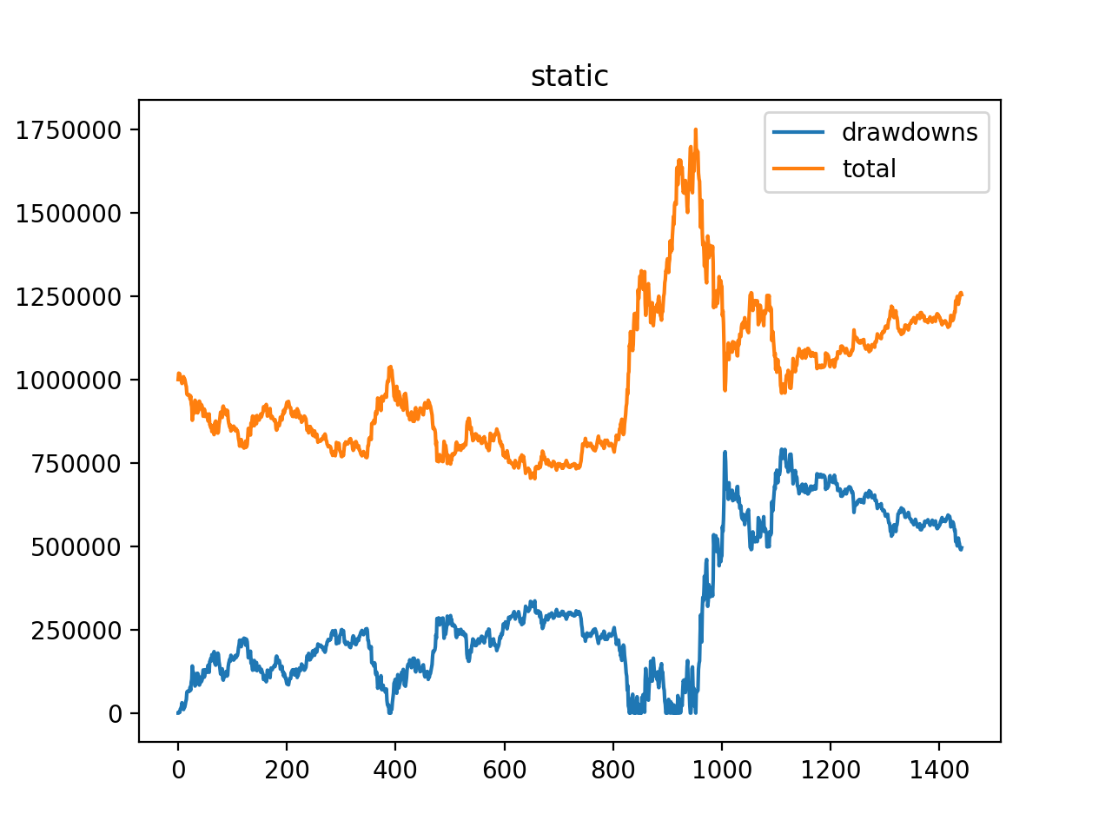

1. 大盘本身就在上涨 2. 通货膨胀也是其中的一个原因

baseline-random
基本信息 |  |  | 基本信息 |  |  | 基本信息 |  |  | 基本信息 |  |  | action | cur_point | 1996.26 | buyin | -836400 | left
初始金额 | 1000000.00 |  | 初始金额 | 1000000.00 |  | 初始金额 | 1000000.00 |  | 初始金额 | 1000000.00 |  | action | cur_point | 2034.81 | buyin | 242799.90683 | left
交易时间段 | 2011.07.04 | 2017.06.14 | 交易时间段 | 2011.07.04 | 2017.06.14 | 交易时间段 | 2011.07.04 | 2017.06.14 | 交易时间段 | 2011.07.04 | 2017.06.14 | action | cur_point | 2025.4 | buyin | -63716.710248 | left
最终结果 |  |  | 最终结果 |  |  | 最终结果 |  |  | 最终结果 |  |  | action | cur_point | 2030.04 | buyin | -156504.24093 | left
max-drawdown | 317307.03531 |  | max-drawdown | 288339.97747 |  | max-drawdown | 262860.85124 |  | max-drawdown | 411648.7097 |  | action | cur_point | 2010.52 | buyin | 698252.49016 | left
max-total | 1111228.3561 |  | max-total | 1207325.3508 |  | max-total | 1300390.152 |  | max-total | 1864638.2755 |  | action | cur_point | 2006.07 | buyin | -356342.57161 | left
min-total | 700101.93196 |  | min-total | 746457.05003 |  | min-total | 752201.81595 |  | min-total | 944540.51316 |  | action | cur_point | 1994.94 | buyin | -461294.77323 | left
final-total | 934403.28065 |  | final-total | 1044296.9832 |  | final-total | 1299284.5065 |  | final-total | 1793673.2959 |  | action | cur_point | 1973.08 | buyin | 575736.17665 | left
 |  |  |  |  |  |  |  |  |  |  |  | action | cur_point | 2002.46 | buyin | 284079.56479 | left
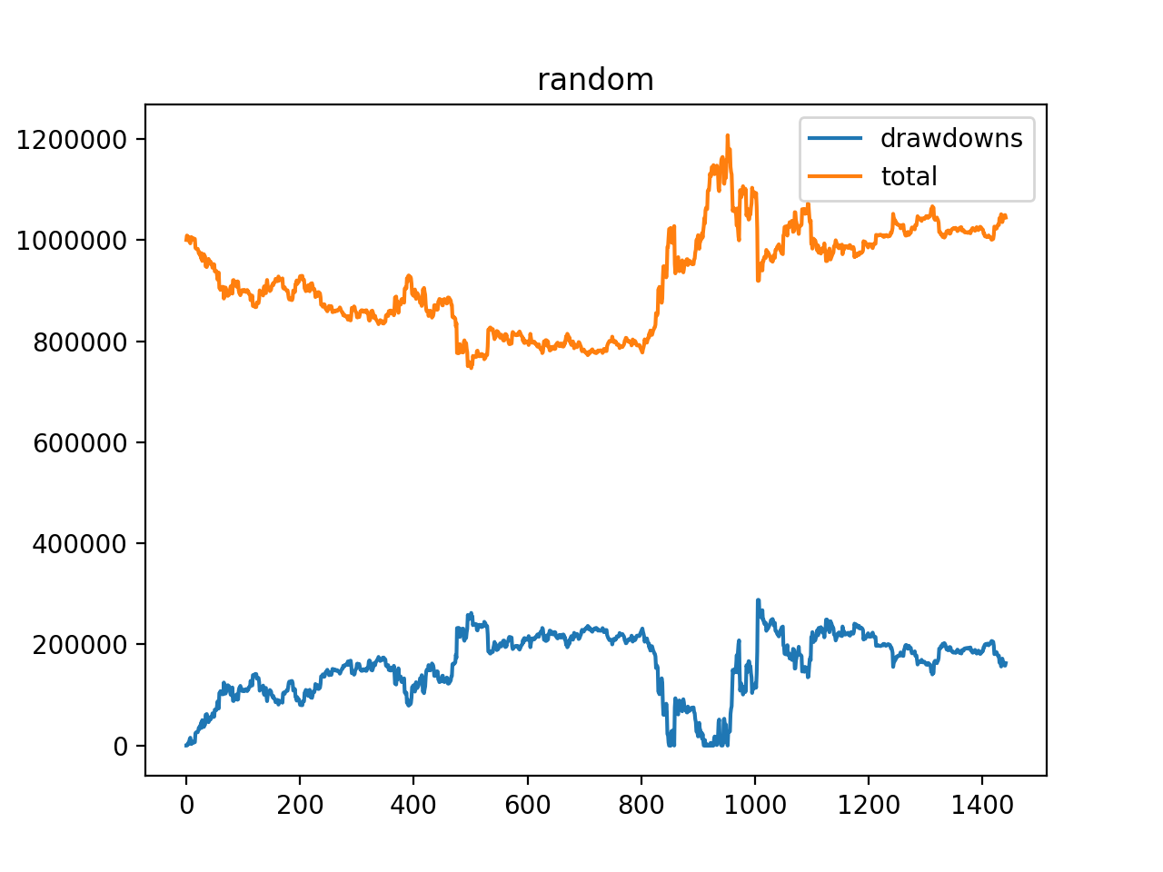
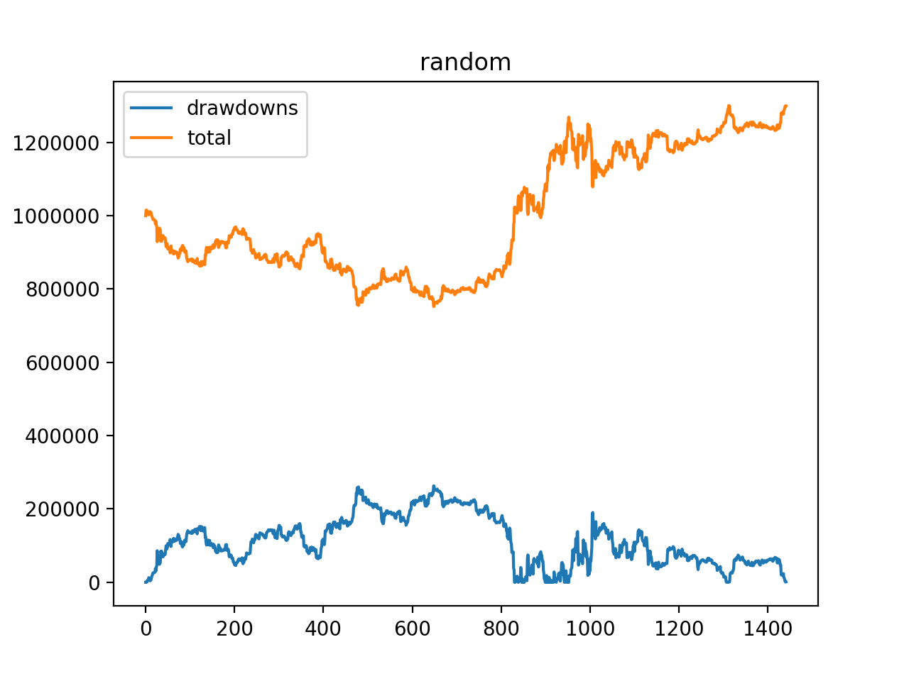
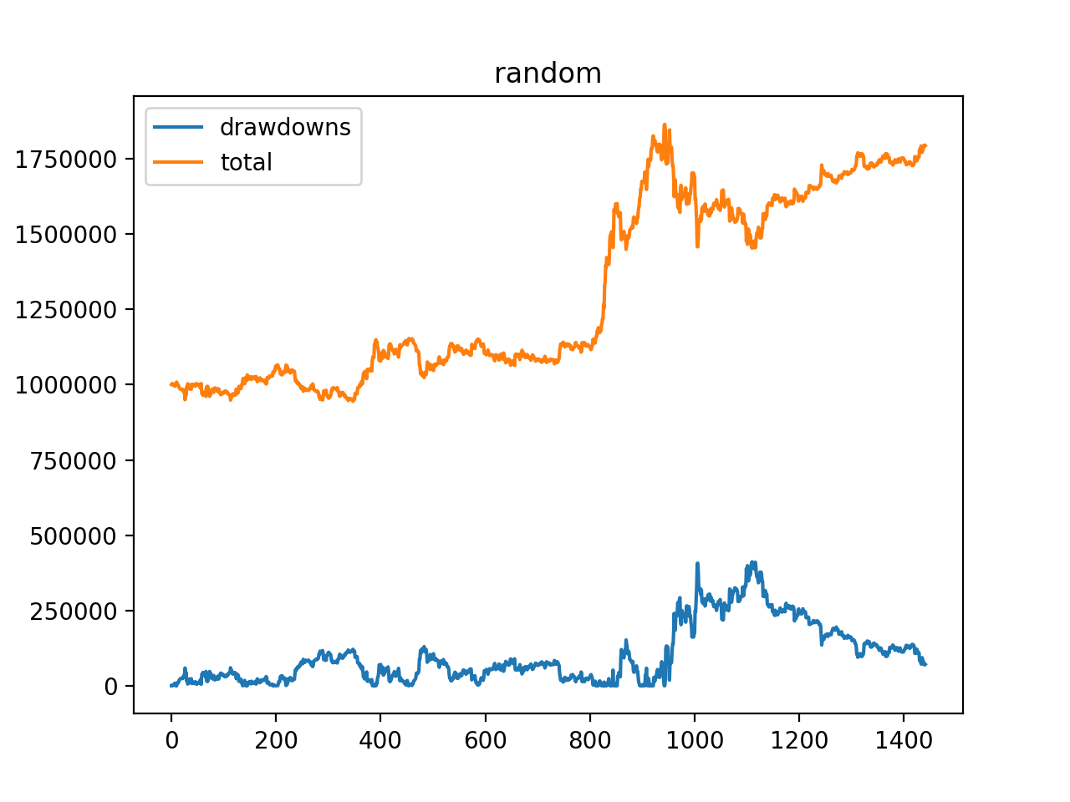
 |  |  |  |  |  |  |  |  |  |  |  | action | cur_point | 1998.59 | buyin | -119038.77802 | left
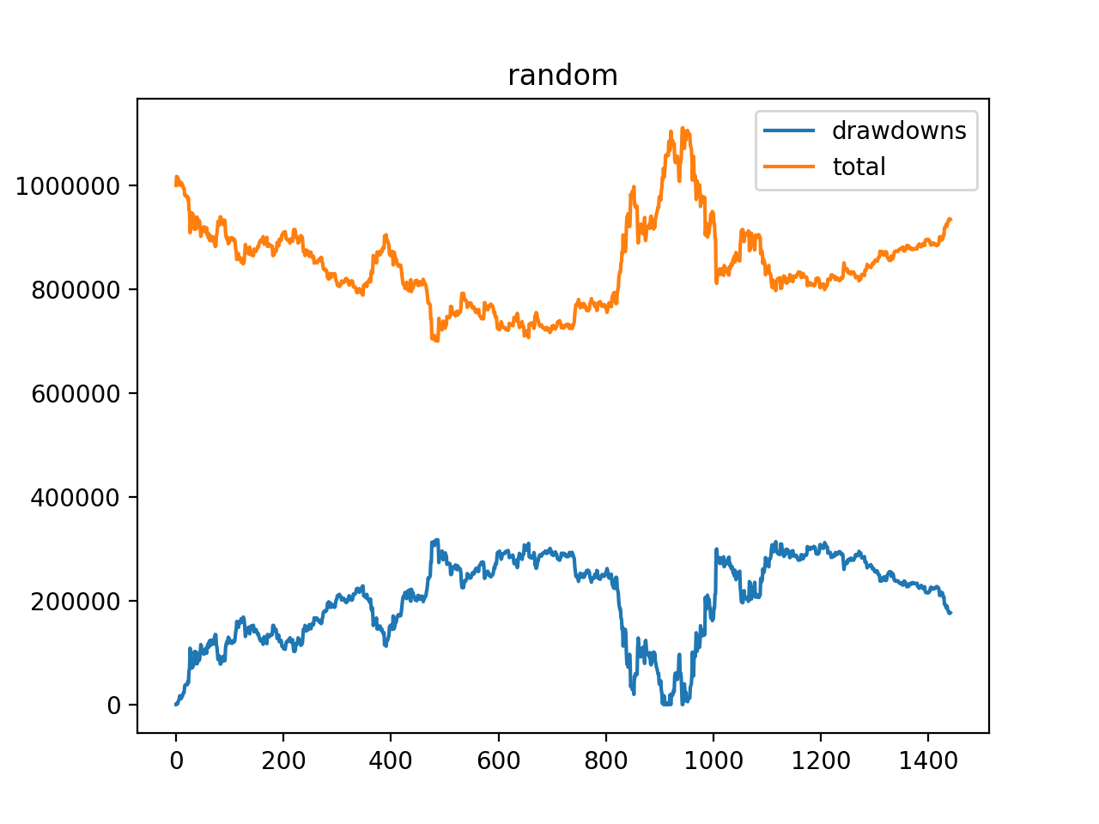
 |  |  |  |  |  |  |  |  |  |  |  | action | cur_point | 2013.46 | buyin | 183971.57885 | left
 |  |  |  |  |  |  |  |  |  |  |  | action | cur_point | 1994.38 | buyin | -403719.43434 | left
 |  |  |  |  |  |  |  |  |  |  |  | action | cur_point | 1999.84 | buyin | -369361.20946 | left
 |  |  |  |  |  |  |  |  |  |  |  | action | cur_point | 1984.75 | buyin | 342911.38178 | left
 |  |  |  |  |  |  |  |  |  |  |  | action | cur_point | 1966.12 | buyin | 189692.08019 | left
 |  |  |  |  |  |  |  |  |  |  |  | action | cur_point | 1954.32 | buyin | -634679.679 | left
 |  |  |  |  |  |  |  |  |  |  |  | action | cur_point | 1909.33 | buyin | 593575.08441 | left
 |  |  |  |  |  |  |  |  |  |  |  | action | cur_point | 1905.04 | buyin | -25575.361927 | left
 |  |  |  |  |  |  |  |  |  |  |  | action | cur_point | 1902.93 | buyin | 17921.054372 | left
 |  |  |  |  |  |  |  |  |  |  |  | action | cur_point | 1901.95 | buyin | -293353.77406 | left
 |  |  |  |  |  |  |  |  |  |  |  | action | cur_point | 1905.9 | buyin | -341317.88945 | left
 |  |  |  |  |  |  |  |  |  |  |  | action | cur_point | 1897.2 | buyin | 515389.55847 | left
 |  |  |  |  |  |  |  |  |  |  |  | action | cur_point | 1879.82 | buyin | -277039.58603 | left
 |  |  |  |  |  |  |  |  |  |  |  | action | cur_point | 1898.45 | buyin | 31763.512769 | left
 |  |  |  |  |  |  |  |  |  |  |  | action | cur_point | 1849.91 | buyin | -201554.61964 | left
 |  |  |  |  |  |  |  |  |  |  |  | action | cur_point | 1832.66 | buyin | 424596.62068 | left
 |  |  |  |  |  |  |  |  |  |  |  | action | cur_point | 1752.74 | buyin | 191055.38557 | left
 |  |  |  |  |  |  |  |  |  |  |  | action | cur_point | 1832.09 | buyin | 12389.776382 | left
 |  |  |  |  |  |  |  |  |  |  |  | action | cur_point | 1789.96 | buyin | 135843.49734 | left
 |  |  |  |  |  |  |  |  |  |  |  | action | cur_point | 1848.13 | buyin | -89061.598189 | left
 |  |  |  |  |  |  |  |  |  |  |  | action | cur_point | 1842.13 | buyin | -27868.276677 | left
 |  |  |  |  |  |  |  |  |  |  |  | action | cur_point | 1873 | buyin | -497274.90407 | left
 |  |  |  |  |  |  |  |  |  |  |  | action | cur_point | 1863.17 | buyin | 488598.42656 | left
1. 随机交易什么情况都可能发生，波动性极大 2. 随机交易也会产生很好的交易结果：如上面的最后一次交易，最后的收益为170+w，几乎翻倍(主要得益于，在上涨时候持有，猛跌的时候卖出，其它时间都是小打小闹，买卖对最后的结果影响比较不是特别的大) 3. 随机的探索能力比较强（什么情况都可能会见到），对线下训练有利 |  |  |  |  |  |  |  |  |  |  |  | action | cur_point | 1861.29 | buyin | -338084.09426 | left
 |  |  |  |  |  |  |  |  |  |  |  | action | cur_point | 1798.81 | buyin | 523082.76727 | left
 |  |  |  |  |  |  |  |  |  |  |  | action | cur_point | 1808.06 | buyin | -192013.42511 | left
 |  |  |  |  |  |  |  |  |  |  |  | action | cur_point | 1797.2 | buyin | -418091.67143 | left
 |  |  |  |  |  |  |  |  |  |  |  | action | cur_point | 1828.04 | buyin | 462994.31136 | left
 |  |  |  |  |  |  |  |  |  |  |  | action | cur_point | 1813.09 | buyin | -266751.09104 | left
 |  |  |  |  |  |  |  |  |  |  |  | action | cur_point | 1867.32 | buyin | -467704.60762 | left
 |  |  |  |  |  |  |  |  |  |  |  | action | cur_point | 1856.74 | buyin | 453614.30776 | left
...

1-step-back
基本信息 |  |  | 基本信息
初始金额 | 1000000.00 |  | 初始金额 | 1000000.00
交易时间段 | 2011.07.04 | 2017.06.14 | 交易时间段 | 2011.07.04 | 2017.06.14
最终结果 |  |  | 最终结果
max-drawdown | 365334.82046 |  | max-drawdown | 78284.665024
max-total | 1485177.0971 |  | max-total | 1019311.1118
min-total | 886860.52158 |  | min-total | 941026.44676
final-total | 1306681.9623 |  | final-total | 943955.27434

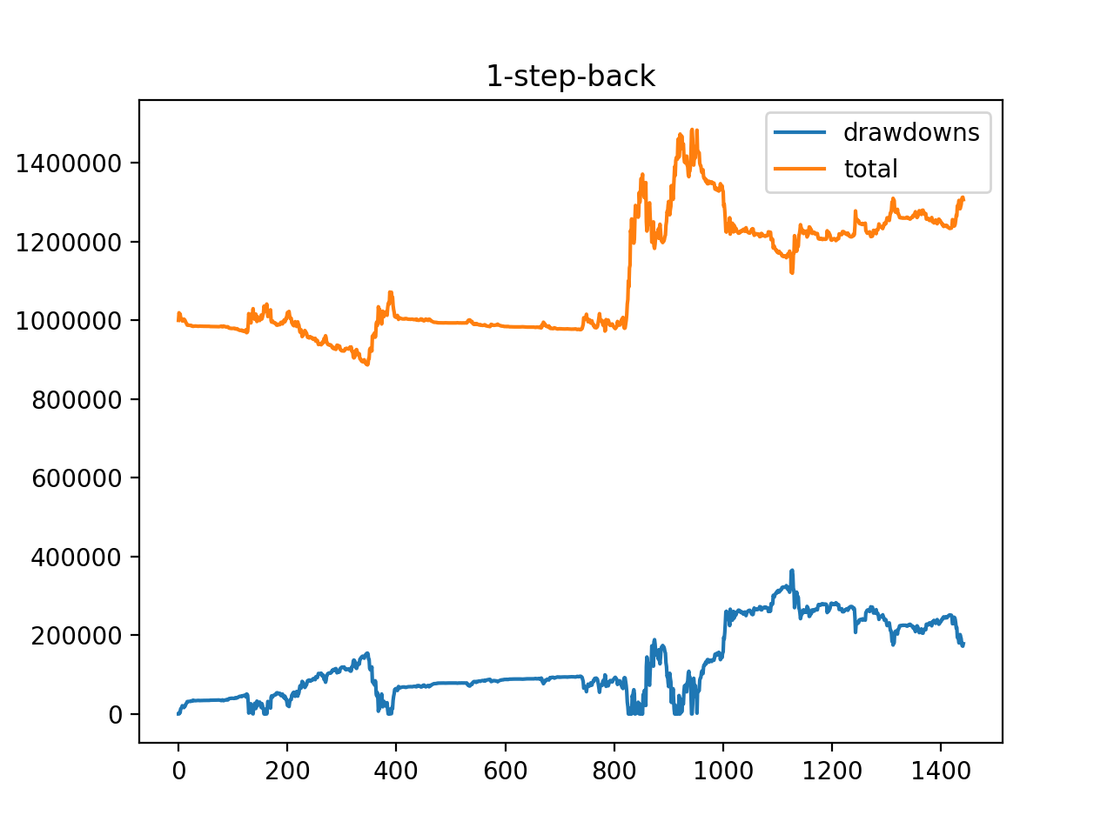
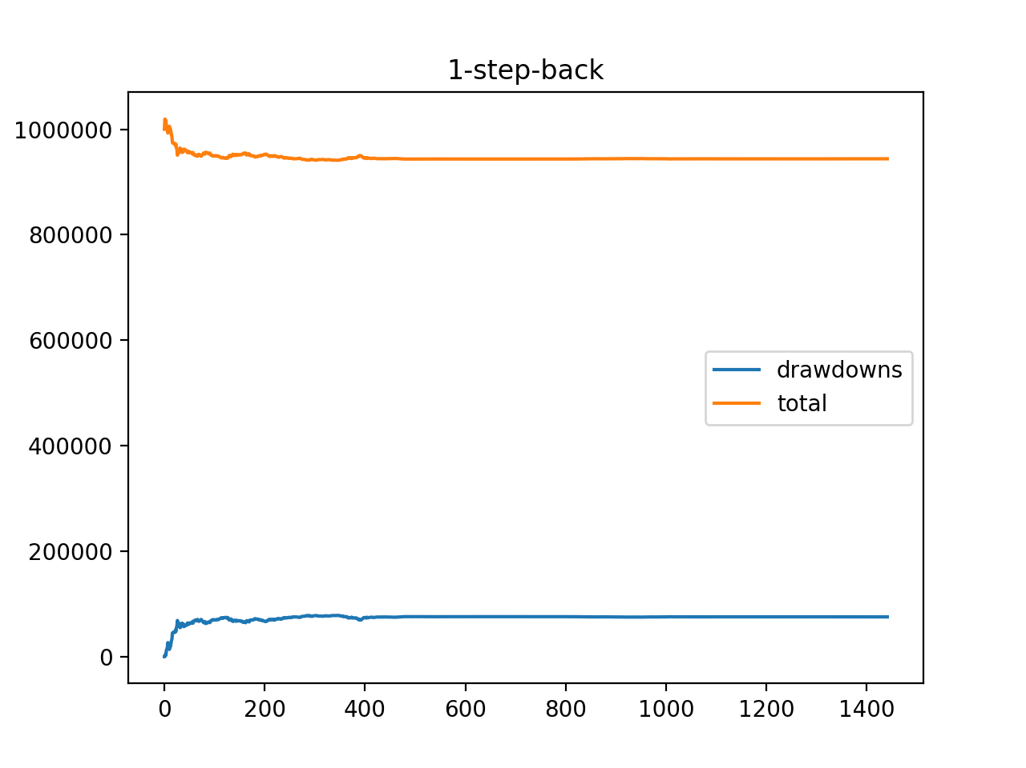

1. 策略可控，稳定性会好很多 2. 要想drawdown小则在发现开始跌的时候卖出要果断，在发现涨的时候买入要慎重，要想收益最大在发现上涨的时候就要果断了

RL-TD(0)-RWD(total)
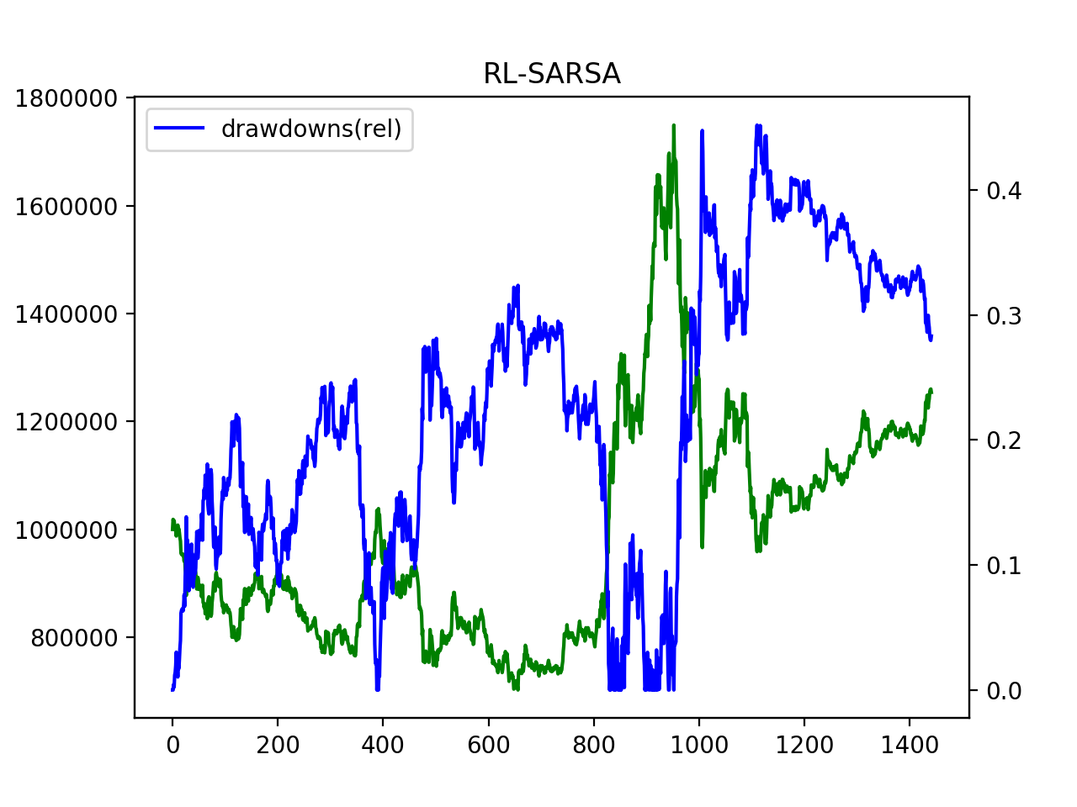
算法架构
RL | reinforcement-learning
迭代算法 | TD(0)[epsilon-greedy] | 并不是标榜的SARSA[掩面]
reward | total的增益
status | 过去7天的涨跌（二值）情况 | eg. UDDDUDD （U for up and D for down）
action | 购买/卖出占剩余/持有的百分比，%5一个档

参数设置
alpha | 0.1
gama | 0.9
Q(S,a)初始值 | 0
epsilon递减逻辑 | 1.0*ITER_BATCH_SIZE/(iter+ITER_BATCH_SIZE) | ITER_BATCH_SIZE=100000

结果
mode=RL-SARSA:
max-drawdown | 790852.93622
max-total | 1749637.1142
min-total | 702301.44936
final-total | 1254127.9397

结论
1、算法目前表现一般，不过没有亏掉 2、drawdown几乎没有控制，这跟reward只考虑了total的变化相关，是主要的改进方向

RL-TD(0)-RWD(drawdown)
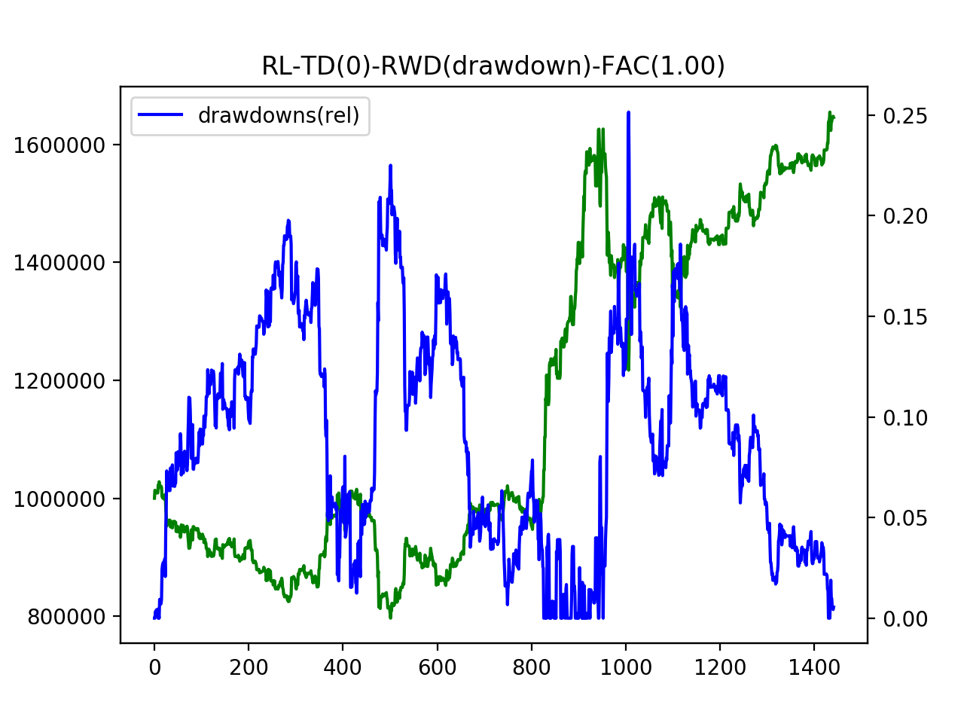
迭代算法 | TD(0)[epsilon-greedy] | 并不是标榜的SARSA[掩面]
reward | drowdonw的绝对值 | 控制drawdonw
status | 过去7天的涨跌（二值）情况 | eg. UDDDUDD （U for up and D for down）
action | 购买/卖出占剩余/持有的百分比，%5一个档

参数设置
alpha | 0.1
gama | 0.9
Q(S,a)初始值 | 0
epsilon递减逻辑 | 1.0*ITER_BATCH_SIZE/(iter+ITER_BATCH_SIZE) | ITER_BATCH_SIZE=100000

结果(Fac=1.0)
mode=RL-SARSA:
max-drawdown | 407259.63632
max-total | 1619358.0602
min-total | 793852.91119
final-total | 1606894.7324

结论
1、整体来说这是一次比较理想的交易 2、drawdown作为reward可以把风险控制在比较低的程度，比直接最大化total要好很多 3、不过这种reward的定义会导致一种问题：无作为，什么都不卖的话就不会有损失，当然也不会有收益

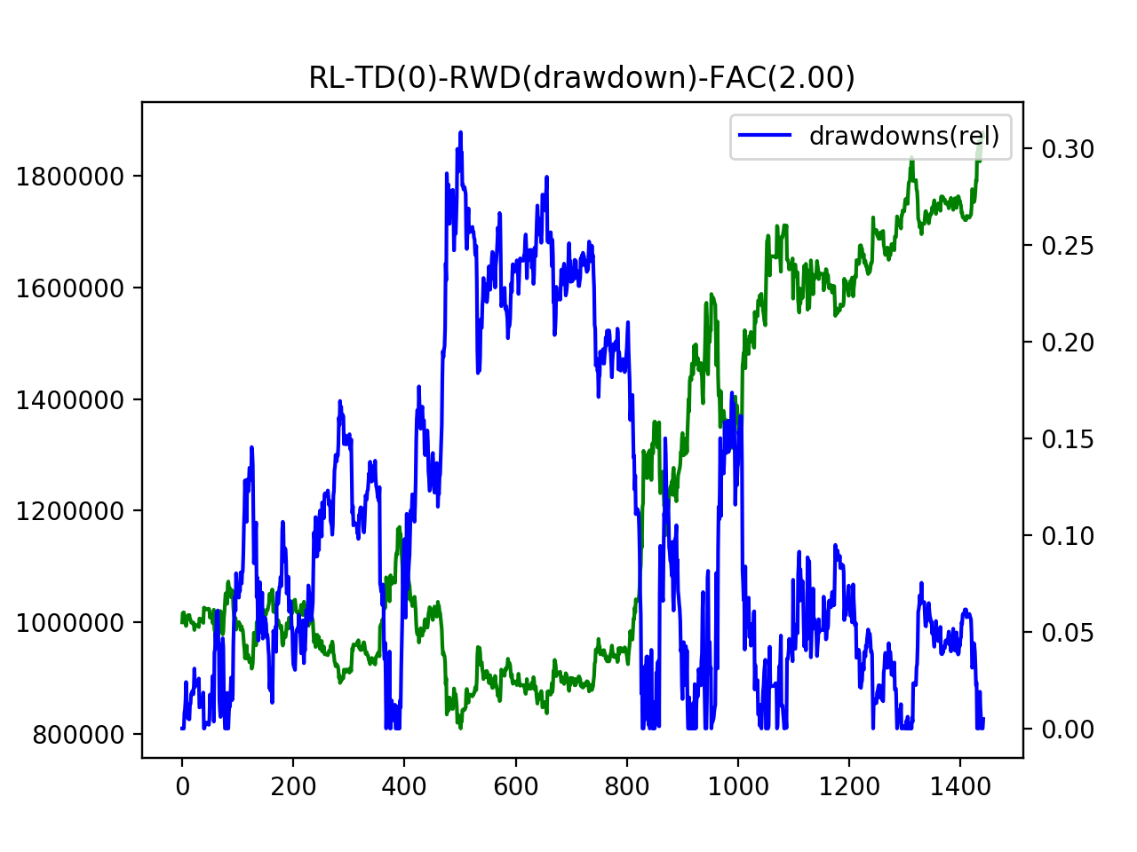

结果(Fac=2.0)
mode=RL-SARSA:
max-drawdown | 356385.22081
max-total | 1854201.1411
min-total | 799845.21881
final-total | 1845164.0247

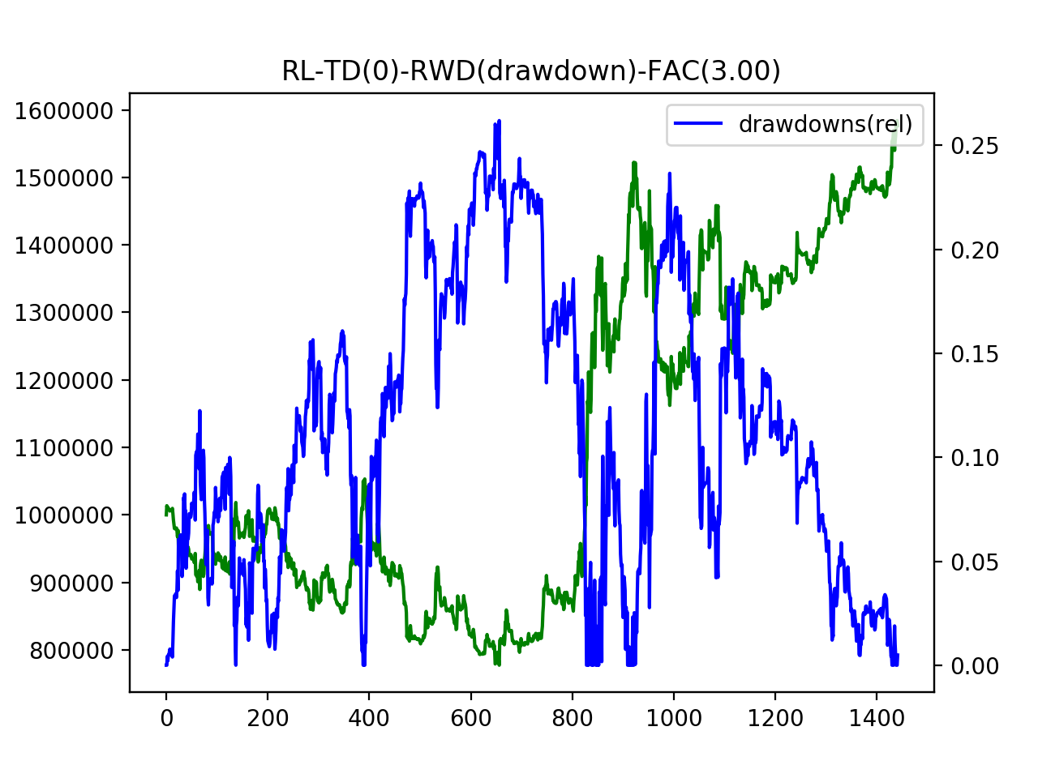

结果（Fac=3.0）
mode=RL-SARSA:
max-drawdown | 360139.81982
max-total | 1584125.7388
min-total | 777292.25056
final-total | 1576405.8053

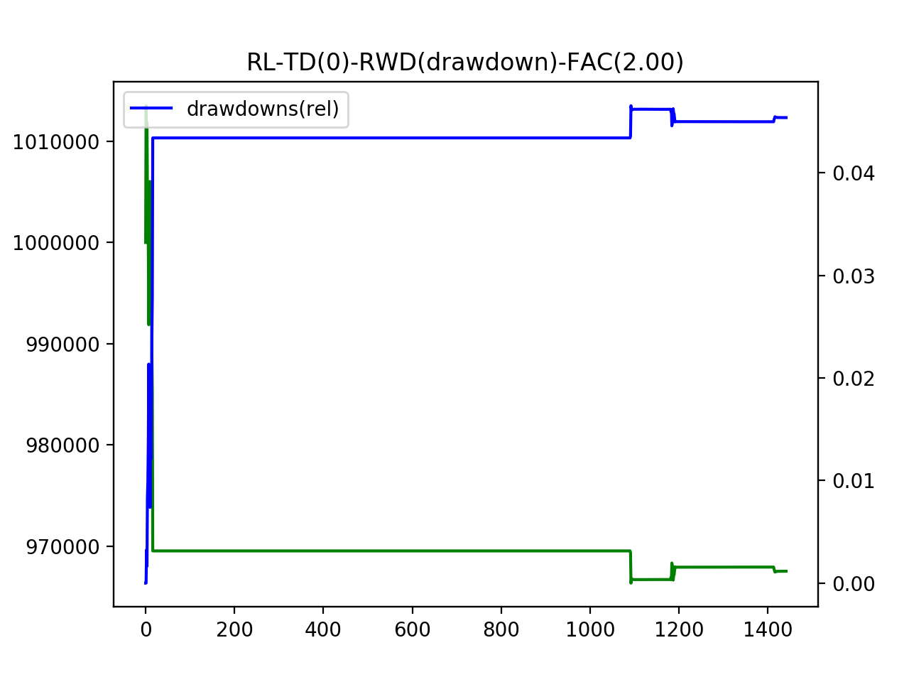

无作为的结果

