Confidence_Interval_Semantics
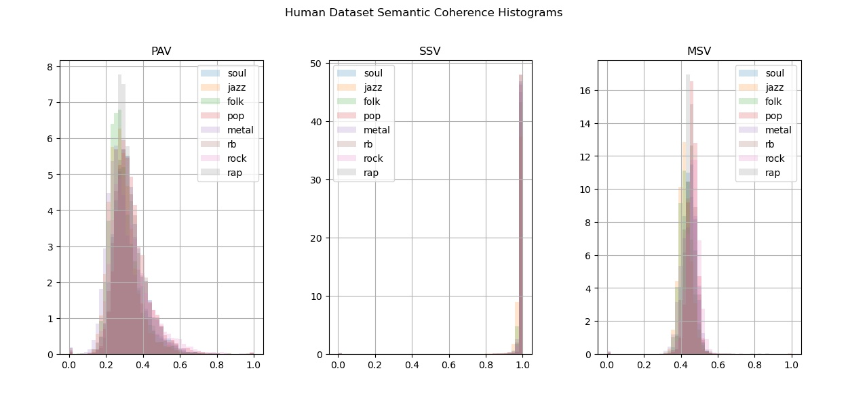
Model | Genre | Type | Mean | STD
Original | Folk | PAV | 0.295 | 0.083 | OriginalPAVFolk
Original | Folk | SSV | 0.989 | 0.039 | OriginalSSVFolk |  | Original
Original | Folk | MSV | 0.428 | 0.039 | OriginalMSVFolk |  | PAV | SSV | MSV
Original | Jazz | PAV | 0.293 | 0.082 | OriginalPAVJazz | Folk | 0.295 | 0.989 | 0.428
Original | Jazz | SSV | 0.985 | 0.038 | OriginalSSVJazz | (STD) | (0.083) | (0.039) | (0.039)
Original | Jazz | MSV | 0.423 | 0.041 | OriginalMSVJazz | Jazz | 0.293 | 0.985 | 0.423
Original | Metal | PAV | 0.295 | 0.1 | OriginalPAVMetal | (STD) | (0.082) | (0.038) | (0.041)
Original | Metal | SSV | 0.991 | 0.06 | OriginalSSVMetal | Metal | 0.295 | 0.991 | 0.443
Original | Metal | MSV | 0.443 | 0.051 | OriginalMSVMetal | (STD) | (0.1) | (0.06) | (0.051)
Original | Pop | PAV | 0.34 | 0.091 | OriginalPAVPop | Pop | 0.34 | 0.996 | 0.461
Original | Pop | SSV | 0.996 | 0.042 | OriginalSSVPop | (STD) | (0.091) | (0.042) | (0.034)
Original | Pop | MSV | 0.461 | 0.034 | OriginalMSVPop | R&B | 0.329 | 0.994 | 0.45
Original | Rap | PAV | 0.316 | 0.077 | OriginalPAVRap | (STD) | (0.087) | (0.04) | (0.037)
Original | Rap | SSV | 0.996 | 0.053 | OriginalSSVRap | Rock | 0.335 | 0.993 | 0.464
Original | Rap | MSV | 0.45 | 0.038 | OriginalMSVRap | (STD) | (0.114) | (0.058) | (0.046)
Original | R&B | PAV | 0.329 | 0.087 | OriginalPAVR&B | Soul | 0.33 | 0.995 | 0.447
Original | R&B | SSV | 0.994 | 0.04 | OriginalSSVR&B | (STD) | (0.089) | (0.018) | (0.033)
Original | R&B | MSV | 0.45 | 0.037 | OriginalMSVR&B
Original | Rock | PAV | 0.335 | 0.114 | OriginalPAVRock
Original | Rock | SSV | 0.993 | 0.058 | OriginalSSVRock
Original | Rock | MSV | 0.464 | 0.046 | OriginalMSVRock
Original | Soul | PAV | 0.33 | 0.089 | OriginalPAVSoul
Original | Soul | SSV | 0.995 | 0.018 | OriginalSSVSoul
Original | Soul | MSV | 0.447 | 0.033 | OriginalMSVSoul
Baseline | Folk | PAV | 0.419 | 0.124 | BaselinePAVFolk
Baseline | Folk | SSV | 0.982 | 0.016 | BaselineSSVFolk
Baseline | Folk | MSV | 0.463 | 0.028 | BaselineMSVFolk
Baseline | Jazz | PAV | 0.433 | 0.128 | BaselinePAVJazz
Baseline | Jazz | SSV | 0.987 | 0.013 | BaselineSSVJazz
Baseline | Jazz | MSV | 0.461 | 0.026 | BaselineMSVJazz
Baseline | Metal | PAV | 0.524 | 0.138 | BaselinePAVMetal
Baseline | Metal | SSV | 0.998 | 0.006 | BaselineSSVMetal
Baseline | Metal | MSV | 0.494 | 0.025 | BaselineMSVMetal
Baseline | Pop | PAV | 0.611 | 0.151 | BaselinePAVPop
Baseline | Pop | SSV | 1 | 0.001 | BaselineSSVPop
Baseline | Pop | MSV | 0.52 | 0.03 | BaselineMSVPop
Baseline | Rap | PAV | 0.593 | 0.08 | BaselinePAVRap
Baseline | Rap | SSV | 0.998 | 0.006 | BaselineSSVRap
Baseline | Rap | MSV | 0.511 | 0.016 | BaselineMSVRap
Baseline | R&B | PAV | 0.497 | 0.138 | BaselinePAVR&B
Baseline | R&B | SSV | 0.998 | 0.011 | BaselineSSVR&B
Baseline | R&B | MSV | 0.499 | 0.024 | BaselineMSVR&B
Baseline | Rock | PAV | 0.556 | 0.14 | BaselinePAVRock
Baseline | Rock | SSV | 1 | 0.003 | BaselineSSVRock
Baseline | Rock | MSV | 0.509 | 0.02 | BaselineMSVRock
Baseline | Soul | PAV | 0.595 | 0.155 | BaselinePAVSoul
Baseline | Soul | SSV | 0.998 | 0.007 | BaselineSSVSoul
Baseline | Soul | MSV | 0.503 | 0.021 | BaselineMSVSoul
LSTM | Folk | PAV | 0.419 | 0.139 | LSTMPAVFolk
LSTM | Folk | SSV | 0.984 | 0.016 | LSTMSSVFolk
LSTM | Folk | MSV | 0.463 | 0.031 | LSTMMSVFolk
LSTM | Jazz | PAV | 0.43 | 0.113 | LSTMPAVJazz
LSTM | Jazz | SSV | 0.984 | 0.013 | LSTMSSVJazz
LSTM | Jazz | MSV | 0.457 | 0.025 | LSTMMSVJazz
LSTM | Metal | PAV | 0.218 | 0.279 | LSTMPAVMetal
LSTM | Metal | SSV | 0.999 | 0.005 | LSTMSSVMetal
LSTM | Metal | MSV | 0.504 | 0.024 | LSTMMSVMetal
LSTM | Pop | PAV | 0.466 | 0.233 | LSTMPAVPop
LSTM | Pop | SSV | 1 | 0 | LSTMSSVPop
LSTM | Pop | MSV | 0.516 | 0.017 | LSTMMSVPop
LSTM | Rap | PAV | 0.553 | 0.075 | LSTMPAVRap
LSTM | Rap | SSV | 0.997 | 0.007 | LSTMSSVRap
LSTM | Rap | MSV | 0.519 | 0.023 | LSTMMSVRap
LSTM | R&B | PAV | 0.498 | 0.195 | LSTMPAVR&B
LSTM | R&B | SSV | 0.999 | 0.005 | LSTMSSVR&B
LSTM | R&B | MSV | 0.503 | 0.021 | LSTMMSVR&B
LSTM | Rock | PAV | 0.341 | 0.271 | LSTMPAVRock
LSTM | Rock | SSV | 0.999 | 0.003 | LSTMSSVRock
LSTM | Rock | MSV | 0.501 | 0.024 | LSTMMSVRock
LSTM | Soul | PAV | 0.501 | 0.207 | LSTMPAVSoul
LSTM | Soul | SSV | 0.998 | 0.007 | LSTMSSVSoul
LSTM | Soul | MSV | 0.498 | 0.024 | LSTMMSVSoul
GPT | Folk | PAV | 0.095 | 0.166 | GPTPAVFolk
GPT | Folk | SSV | 0.258 | 0.415 | GPTSSVFolk
GPT | Folk | MSV | 0.201 | 0.324 | GPTMSVFolk
GPT | Jazz | PAV | 0.121 | 0.186 | GPTPAVJazz
GPT | Jazz | SSV | 0.321 | 0.445 | GPTSSVJazz
GPT | Jazz | MSV | 0.257 | 0.358 | GPTMSVJazz
GPT | Metal | PAV | 0.15 | 0.19 | GPTPAVMetal
GPT | Metal | SSV | 0.435 | 0.481 | GPTSSVMetal
GPT | Metal | MSV | 0.311 | 0.347 | GPTMSVMetal
GPT | Pop | PAV | 0.08 | 0.168 | GPTPAVPop
GPT | Pop | SSV | 0.203 | 0.397 | GPTSSVPop
GPT | Pop | MSV | 0.159 | 0.315 | GPTMSVPop
GPT | Rap | PAV | 0.095 | 0.168 | GPTPAVRap
GPT | Rap | SSV | 0.28 | 0.443 | GPTSSVRap
GPT | Rap | MSV | 0.199 | 0.32 | GPTMSVRap
GPT | R&B | PAV | 0.102 | 0.181 | GPTPAVR&B
GPT | R&B | SSV | 0.252 | 0.429 | GPTSSVR&B
GPT | R&B | MSV | 0.184 | 0.317 | GPTMSVR&B
GPT | Rock | PAV | 0.155 | 0.194 | GPTPAVRock
GPT | Rock | SSV | 0.384 | 0.471 | GPTSSVRock
GPT | Rock | MSV | 0.294 | 0.365 | GPTMSVRock
GPT | Soul | PAV | 0.138 | 0.194 | GPTPAVSoul
GPT | Soul | SSV | 0.353 | 0.465 | GPTSSVSoul
GPT | Soul | MSV | 0.262 | 0.351 | GPTMSVSoul

