Step 1
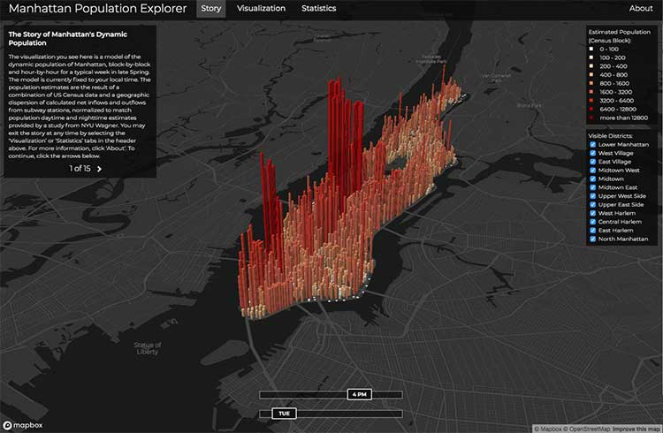
Country | Sum of Sales (€million)
Argentina
Australia | 854851
Austria | 611130
Belgium | 1072679
Bermuda | 99667
Brazil | 1517841
Canada | 999279
Cayman Islands | 147565
China | 23413203
Colombia | 38921
Czech Republic | 33460
Denmark | 863142
Finland | 1149026
France | 11726498
Germany | 18413130
Greece | 17878
Hong Kong | 270611
Hungary | 14561
Iceland | 9904
India | 2339311
Iraq | 5E+15
Ireland | 1592270
Israel | 436401
Italy | 3727633
Japan | 31601001
Liechtenstein | 42036
Luxembourg | 816736
Malaysia | 297552
Malta | 5183
Mexico | 123692
Netherlands | 4278455
New Zealand | 125569
Norway | 1224368
Poland | 2201
Portugal | 193891
Russia | 1331979
Saudi Arabia | 1177240
Singapore | 146377
Slovenia | 14833
South Africa | 143317
South Korea | 9108190
Spain | 2708606
Sweden | 2116491
Switzerland | 3966512
Taiwan | 5125375
Thailand | 8535
Turkey | 429871
UK | 13637030
Ukraine | 2461
United Arab Emirates | 59761
USA | 46973283
Venezuela | 504837

Step 2
Year | Sum of Sales (€million)
2010 | 13894163
2011 | 15710758
2012 | 16854413
2013 | 16723019
2014 | 17972595
2015 | 17686790
2016 | 17910320
2017 | 18448033
2018 | 20351620
2019 | 21018395
2020 | 18952091

Step 3
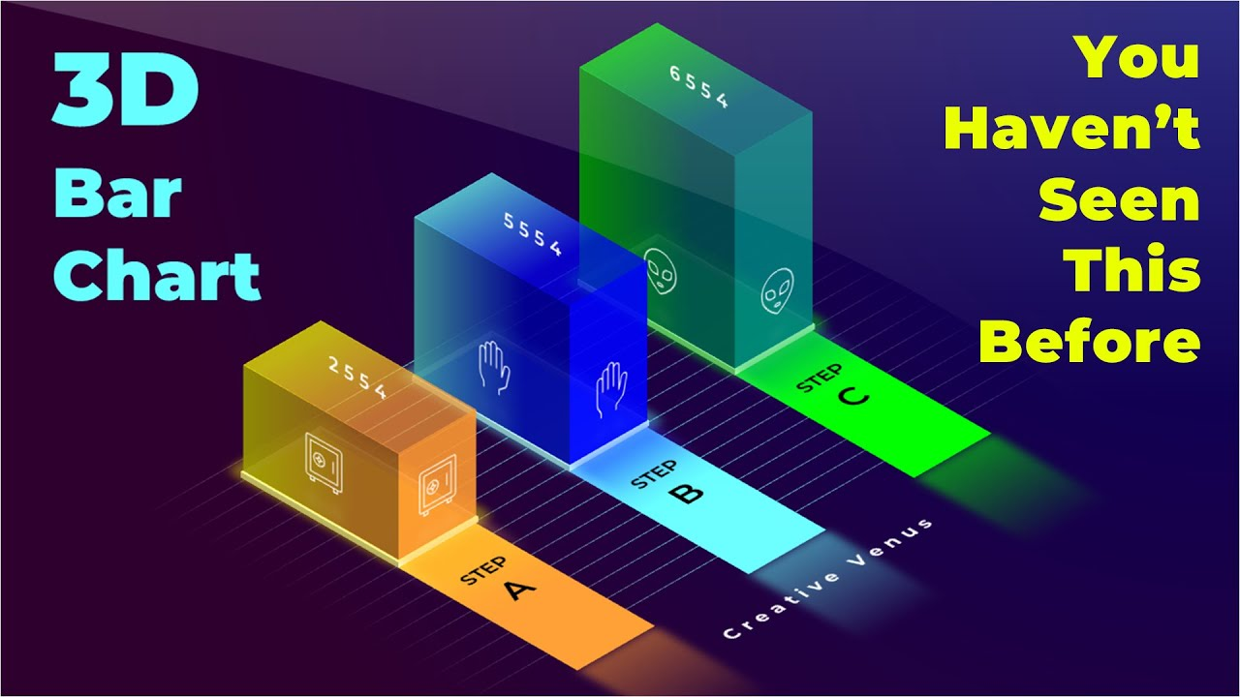
 | Industrial sector | Sum of Profits (€million)
1 | Aerospace & Defence | 387409.19
2 | Alternative Energy | 7448.61
3 | Automobiles & Parts | 1272000.78
4 | Banks | 734744.65
5 | Beverages | 270453.22
6 | Biotechnology | -192361.37
7 | Chemicals | 831481.68
8 | Commercial Vehicles & Trucks | 176.12
9 | Computer Hardware | 278.72
10 | Computer Services | 186.04
11 | Construction & Materials | 547897.81
12 | Electrical equipment | -6388536.47
13 | Electricity | 375453.87
14 | Electronic & Electrical equipment | 87839.7
15 | Electronic Equipment | 881345
16 | Equity Investment Instruments | 501.16
17 | Financial Services | 121156.6 | 387409.19 | 7448.61 | 1272000.78 | 734744.65 | 270453.22 | -192361.37 | 831481.68 | 176.12 | 278.72 | 186.04 | 547897.81 | -6388536.47 | 375453.87 | 87839.7 | 881345 | 501.16 | 121156.6 | 634079.03 | 34696.08 | 520213.44 | 44341.52 | 148021.42 | 492844.22 | 96992.93 | 349139.78 | 312967.42 | 474.68 | 204347.11 | 47529.18 | 330.98 | 169787.6 | -101948.58 | 69243.33 | 348291.4 | 74370.11 | 381.3 | 854.51 | 2234612.27 | 189720.33 | 5651.47 | 708 | 311169.28 | 1407476.6 | 55731.2 | 1333.28 | 1381336.74 | 125623.88 | 1704326.66 | 73.86 | -78.41 | 296930.9 | 105.49 | 162434.04
18 | Fixed Line Telecommunications | 634079.03
19 | Food & Drug Retailers | 34696.08
20 | Food Producers | 520213.44
21 | Forestry & Paper | 44341.52
22 | Gas & Water | 148021.42
23 | General Industrials | 492844.22
24 | General Retailers | 96992.93
25 | Health care equipment & services | 349139.78
26 | Household Goods & Home Construction | 312967.42
28 | Industrial Machinery | 474.68
29 | Industrial Metals & Mining | 204347.11
30 | Industrial Transportation | 47529.18
31 | Internet | 330.98
32 | Leisure goods | 169787.6
33 | Life Insurance | -101948.58
34 | Media | 69243.33
35 | Mining | 348291.4
36 | Mobile Telecommunications | 74370.11
37 | Nonequity Investment Instruments | 381.3
38 | Nonlife Insurance | 854.51
39 | Oil & Gas Producers | 2234612.27
40 | Oil Equipment, Services & Distribution | 189720.33
41 | Other Financials | 5651.47
42 | Personal & Household Goods | 708
43 | Personal Goods | 311169.28
44 | Pharmaceuticals | 1407476.6
45 | Real Estate Investment & Services | 55731.2
46 | Semiconductors | 1333.28
47 | Software & Computer Services | 1381336.74
48 | Support Services | 125623.88
49 | Technology Hardware & Equipment | 1704326.66
50 | Telecommunications | 73.86
51 | Telecommunications equipment | -78.41
52 | Tobacco | 296930.9
53 | Toys | 105.49
54 | Travel & Leisure | 162434.04

Step 4
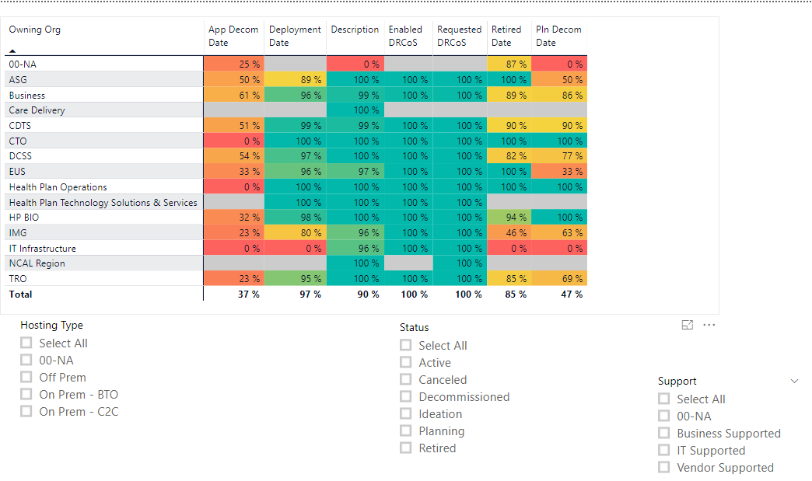
Year | Sum of Sales (€million) | Sum of Capex (€million) | Sum of Profits (€million) | Sum of Market cap (€million)
2010 | 13894163 | 764435.74979 | -6576872.37 | 14001791.78
2010 | 15710758 | 892720.58497 | 1702982.03 | 0
2010 | 16854413 | 1109092.7891 | 1549539.65 | 0
2010 | 16723019 | 1087703.8107 | 1555429.22 | 0
2010 | 17972595 | 1131195.571 | 1735387.21 | 0
2010 | 17686790 | 1127502.322 | 1518669.57 | 0
2010 | 17910320 | 1167878.2024 | 1671173.01 | 23081916.37
2010 | 18448033 | 1151303.4791 | 1909324.19 | 24538463.37
2010 | 20351620 | 1317342.8287 | 2275661.44 | 27163043.76
2010 | 21018395 | 1404746.7979 | 2077564.89 | 27269822.28
2010 | 18952091 | 1293241.0582 | 1553985.01 | 33855136.24
2010

