Sheet1
罗马调节吸盘柱零件清单

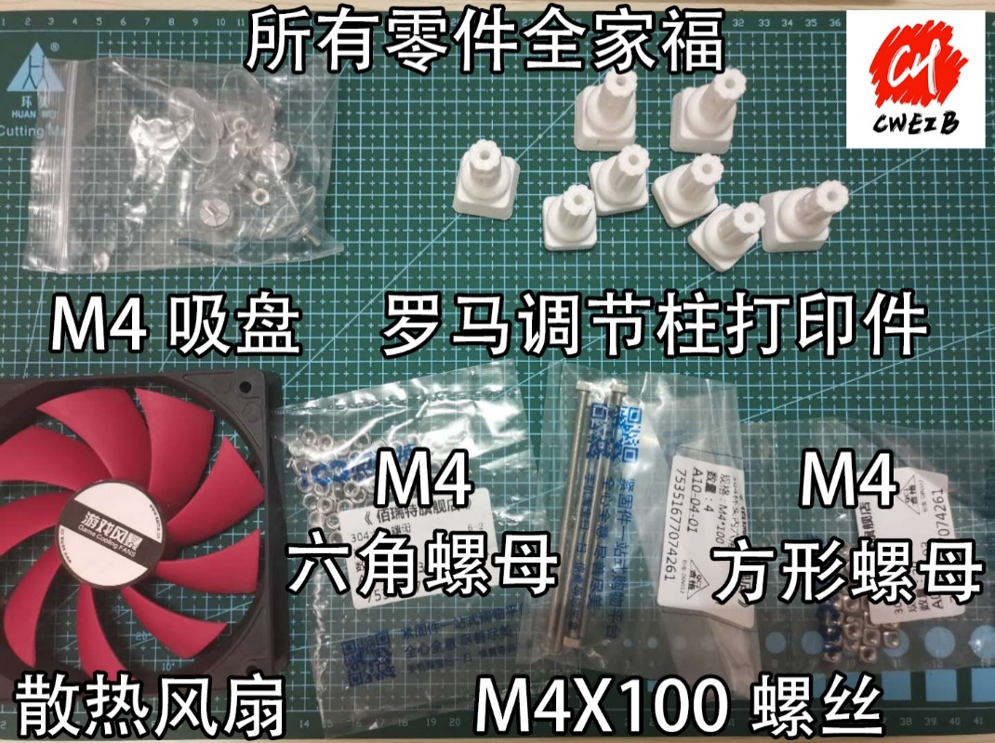
散热风扇 | X1

3D打印件罗马顶脚 | X4

3D打印件罗马底脚 | X4

M4X100螺丝 | X4

M4吸盘 | X4

M4方形螺母 | X8

M4六角螺母 | X8

Rome adjustable suction cup column parts list

Cooling fan | X1

3D printed Roman top foot |  | X4

3D printed Roman bottom foot |  |  | X4

M4X100 Screws | X4

M4 Sucker | X4

M4 Square nut | X8

M4 Hex nuts | X8

