Sheet1
USB插口智能开关零件清单
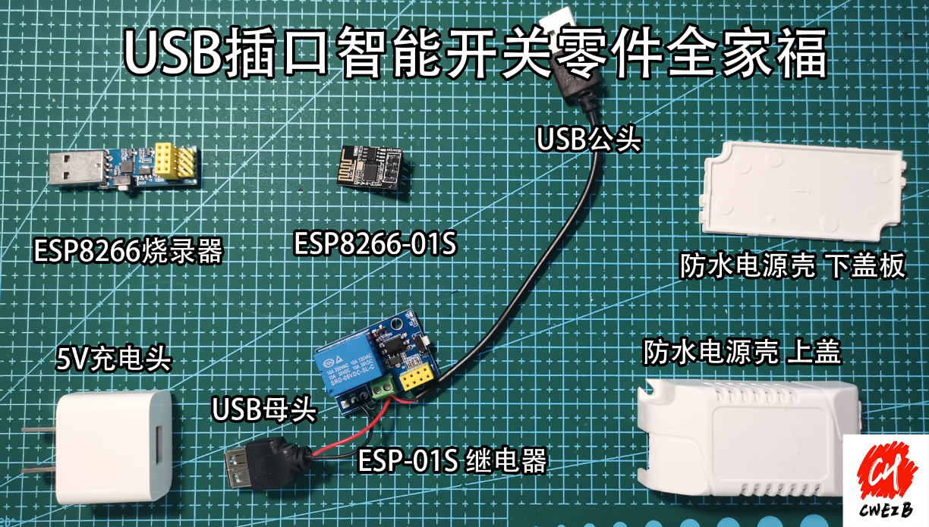
ESP8266-01S 继电器 | X1

ESP8266-01S | X1

ESP8266-01S 烧录器 | X1

防水电源壳 | X1

5V充电插头 | X1

USB公头线 | X1

USB母头线 | X1

USB socket intelligent switch parts list

ESP8266-01S relay | X1

ESP8266-01S | X1

ESP8266-01S burner | X1

Waterproof power shell | X1

5V charging plug | X1

USB male cable | X1

USB female cable | X1

