Y0 Adj assoc
Table 2.0 Fully adjusted main effects model associations for CohortA (N=75,287) | [OUTCOME=probability of worse functional score]
Parameter | Level | OR (95% CI) | beta | StdErr | Wald ChiSq | ProbChiSq
Intercept |  |  | -5.2643 | 1.1745 | 24.92 | <.0001 | Model Fit Statistics
Age | Age at indexdate | 0.99 (0.96, 1.02) | -0.00795 | 0.0145 | 0.30 | 0.5827 | Criterion | W/O Covariates | W/ Covariates
Age*age |  | 1 (1, 1) | 0.000273 | 0.00011 | 6.15 | 0.0132 | AIC | 17213.957 | 14922.245
Sex | Female | 1.07 (0.96, 1.19) | 0.0664 | 0.0567 | 1.37 | 0.2411 | SC | 17223.186 | 15697.487
Admitted to hospital in last 3 months | Yes | 1.24 (1.06, 1.46) | 0.2189 | 0.0804 | 7.42 | 0.0064 | -2 Log L | 17211.957 | 14754.245
Chronic diseases | AMI | 0.65 (0.3, 1.42) | -0.4352 | 0.4006 | 1.18 | 0.2774 | Concordance (%) | 80.8
 | Arrhythmia | 1.07 (0.9, 1.26) | 0.0643 | 0.0838 | 0.59 | 0.443
 | Asthma | 1.08 (0.94, 1.25) | 0.0812 | 0.0723 | 1.26 | 0.2615
 | CHF | 1.02 (0.86, 1.23) | 0.0237 | 0.0917 | 0.07 | 0.7957
 | COPD | 1.13 (0.97, 1.3) | 0.1182 | 0.0734 | 2.60 | 0.1072 | Joint Tests (Type 3 effect test equivalent)
 | Coronary | 0.91 (0.8, 1.04) | -0.0944 | 0.0685 | 1.90 | 0.1681 | Effect | DF | Wald Chi-Square | Pr > ChiSq
 | Dementia | 1.5 (1.18, 1.91) | 0.4061 | 0.1219 | 11.10 | 0.0009 | age | 1 | 0.3019 | 0.5827
 | Diabetes | 1.17 (1.05, 1.31) | 0.16 | 0.0563 | 8.08 | 0.0045 | agesq | 1 | 6.1469 | 0.0132
 | Hypertension | 1.02 (0.91, 1.14) | 0.019 | 0.0587 | 0.10 | 0.7464 | sex | 1 | 1.3743 | 0.2411
 | IBD | 0.92 (0.51, 1.66) | -0.0856 | 0.3021 | 0.08 | 0.777 | hosp_yr0 | 1 | 7.4216 | 0.0064
 | Mental health | 1.25 (1.01, 1.57) | 0.2267 | 0.113 | 4.03 | 0.0448 | f_ami | 1 | 1.18 | 0.2774
 | Mood Disorder | 1.09 (0.94, 1.26) | 0.0857 | 0.074 | 1.34 | 0.2466 | f_arryth | 1 | 0.5885 | 0.4430
 | Osteoarthritis | 0.95 (0.86, 1.06) | -0.0461 | 0.0514 | 0.80 | 0.3702 | f_asthma | 1 | 1.2609 | 0.2615
 | Osteoporosis | 0.81 (0.65, 1) | -0.2137 | 0.1085 | 3.88 | 0.049 | f_chf | 1 | 0.0671 | 0.7957
 | Renal disease | 1.24 (1.04, 1.48) | 0.2146 | 0.091 | 5.56 | 0.0184 | f_copd | 1 | 2.595 | 0.1072
 | Rheumatoid arthritis | 0.93 (0.67, 1.29) | -0.0705 | 0.1656 | 0.18 | 0.6702 | f_coron | 1 | 1.8997 | 0.1681
 | Stroke | 1.15 (0.92, 1.44) | 0.1425 | 0.1127 | 1.60 | 0.2062 | f_dementia | 1 | 11.1044 | 0.0009
Cancer type (ref=lung) | Prostate | 0.4 (0.29, 0.55) | -0.9097 | 0.1602 | 32.23 | <.0001 | f_dm | 1 | 8.078 | 0.0045
 | Other Genitourinary | 1.44 (1.13, 1.84) | 0.3672 | 0.1232 | 8.89 | 0.0029 | f_hyper | 1 | 0.1046 | 0.7464
 | Other Gastrointestinal | 1.14 (0.95, 1.35) | 0.1281 | 0.0889 | 2.07 | 0.1498 | f_ibd | 1 | 0.0802 | 0.7770
 | Other | 1.45 (1.19, 1.76) | 0.3696 | 0.0993 | 13.85 | 0.0002 | f_menthlth | 1 | 4.0265 | 0.0448
 | Hematology | 0.56 (0.45, 0.69) | -0.5851 | 0.1126 | 27.02 | <.0001 | f_mooddis | 1 | 1.3426 | 0.2466
 | Head and Neck | 0.61 (0.47, 0.79) | -0.4944 | 0.1341 | 13.59 | 0.0002 | f_ostarth | 1 | 0.803 | 0.3702
 | Gynaecological | 0.74 (0.58, 0.95) | -0.3006 | 0.1277 | 5.54 | 0.0185 | f_osteopor | 1 | 3.877 | 0.0490
 | Colorectal | 0.8 (0.66, 0.98) | -0.218 | 0.1002 | 4.73 | 0.0296 | f_renal | 1 | 5.5606 | 0.0184
 | Breast | 0.56 (0.45, 0.71) | -0.5753 | 0.1161 | 24.55 | <.0001 | f_rheuarth | 1 | 0.1814 | 0.6702
Cancer stage (ref=stage 1) | Unk | 1.89 (1.54, 2.32) | 0.638 | 0.1043 | 37.40 | <.0001 | f_stroke | 1 | 1.5982 | 0.2062
 | 4 | 2.25 (1.84, 2.76) | 0.8113 | 0.1039 | 60.92 | <.0001 | cancertype | 9 | 183.1246 | <.0001
 | 3 | 1.42 (1.15, 1.75) | 0.3495 | 0.1078 | 10.52 | 0.0012 | cancer_stage | 4 | 105.3712 | <.0001
 | 2 | 1.03 (0.82, 1.3) | 0.0335 | 0.117 | 0.08 | 0.7747 | rad_yr0 | 1 | 74.6547 | <.0001
Radiation | Yes | 1.61 (1.45, 1.8) | 0.4769 | 0.0552 | 74.65 | <.0001 | chemo_yr0 | 1 | 0.2756 | 0.5996
Chemotherapy | Yes | 0.97 (0.87, 1.09) | -0.03 | 0.0572 | 0.28 | 0.5996 | surg_yr0 | 1 | 15.142 | <.0001
Surgery | Yes | 0.78 (0.69, 0.88) | -0.2473 | 0.0636 | 15.14 | <.0001 | ccdist | 1 | 9.0709 | 0.0026
Distance from cancer centre | Within 50 km | 0.84 (0.74, 0.94) | -0.1795 | 0.0596 | 9.07 | 0.0026 | pain_score | 4 | 14.2078 | 0.0067
Pain score (ref=Level 0) | NA | 0.39 (0.21, 0.73) | -0.9417 | 0.3219 | 8.56 | 0.0034 | well_score | 4 | 2.7256 | 0.6047
 | 3 | 1.19 (0.99, 1.42) | 0.1741 | 0.0916 | 3.61 | 0.0574 | dysp_score | 2 | 4.7669 | 0.0922
 | 2 | 1.07 (0.92, 1.25) | 0.0699 | 0.0775 | 0.81 | 0.3674 | depress_score | 2 | 6.6063 | 0.0368
 | 1 | 0.97 (0.84, 1.13) | -0.0271 | 0.0754 | 0.13 | 0.7194 | funct_score | 5 | 165.3021 | <.0001
Wellbeing score (ref=Level 0) | NA | 0.98 (0.59, 1.65) | -0.0161 | 0.2636 | 0.00 | 0.9512 | anxiety_cat | 4 | 11.2883 | 0.0235
 | 3 | 0.93 (0.74, 1.16) | -0.0738 | 0.1126 | 0.43 | 0.5119 | appetite_cat | 4 | 21.6629 | 0.0002
 | 2 | 1.03 (0.86, 1.23) | 0.0299 | 0.0919 | 0.11 | 0.7446 | drowsiness_cat | 4 | 1.317 | 0.8585
 | 1 | 1.08 (0.91, 1.28) | 0.075 | 0.0866 | 0.75 | 0.3862 | nausea_cat | 4 | 3.0109 | 0.5560
Dyspnea score (ref=Level 0) | NA | 1.14 (0.59, 2.22) | 0.1313 | 0.3391 | 0.15 | 0.6987 | tiredness_cat | 4 | 16.0943 | 0.0029
 | 1 | 1.18 (1.02, 1.37) | 0.1643 | 0.0762 | 4.65 | 0.031 | caregiver | 3 | 1.3162 | 0.7253
Depression score (ref=Level 0) | NA | 1.63 (1.01, 2.64) | 0.4884 | 0.2459 | 3.94 | 0.047 | eol | 1 | 12.2635 | 0.0005
 | 1 | 1.14 (0.99, 1.31) | 0.1305 | 0.0725 | 3.24 | 0.0717 | rostered | 1 | 0.0008 | 0.9773
Functional score (ref=Level 0) | NA | 1.34 (1.13, 1.59) | 0.2933 | 0.0884 | 11.01 | 0.0009 | pal_flag1 | 1 | 142.4999 | <.0001
 | 4 | 4 (3.17, 5.04) | 1.3858 | 0.1183 | 137.32 | <.0001 | pal_homeyr0 | 1 | 0.0016 | 0.9677
 | 3 | 1.6 (1.31, 1.94) | 0.4669 | 0.0988 | 22.33 | <.0001 | ltc_flag | 1 | 40.3242 | <.0001
 | 2 | 1.07 (0.89, 1.28) | 0.0672 | 0.0915 | 0.54 | 0.4627
 | 1 | 1.04 (0.89, 1.2) | 0.0362 | 0.076 | 0.23 | 0.6333
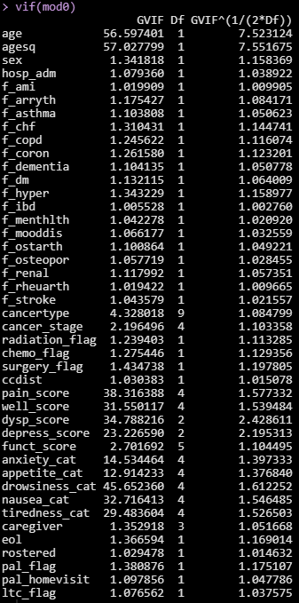
anxiety (ref=Level 0) | NA | 0.84 (0.6, 1.17) | -0.1756 | 0.1705 | 1.06 | 0.3031
 | 3 | 0.73 (0.59, 0.9) | -0.3146 | 0.1077 | 8.53 | 0.0035
 | 2 | 0.78 (0.66, 0.93) | -0.2489 | 0.0885 | 7.90 | 0.0049
 | 1 | 0.87 (0.74, 1.01) | -0.1418 | 0.0786 | 3.25 | 0.0713
appetite (ref=Level 0) | NA | 1.42 (1.04, 1.94) | 0.3494 | 0.1597 | 4.79 | 0.0287
 | 3 | 1.58 (1.29, 1.93) | 0.4551 | 0.1021 | 19.86 | <.0001
 | 2 | 1.27 (1.07, 1.5) | 0.2357 | 0.0876 | 7.24 | 0.0071
 | 1 | 1.1 (0.93, 1.31) | 0.0997 | 0.0873 | 1.30 | 0.2535
drowsiness (ref=Level 0) | NA | 1.05 (0.65, 1.71) | 0.0534 | 0.247 | 0.05 | 0.8287
 | 3 | 1.09 (0.86, 1.38) | 0.0875 | 0.1189 | 0.54 | 0.4616
 | 2 | 1.11 (0.92, 1.33) | 0.1011 | 0.0944 | 1.15 | 0.2838
 | 1 | 1.02 (0.87, 1.2) | 0.0209 | 0.0837 | 0.06 | 0.8026
nausea (ref=Level 0) | NA | 0.71 (0.43, 1.17) | -0.3399 | 0.254 | 1.79 | 0.1808
 | 3 | 1.12 (0.83, 1.51) | 0.1128 | 0.1536 | 0.54 | 0.4628
 | 2 | 1.02 (0.82, 1.29) | 0.0237 | 0.116 | 0.04 | 0.8377
 | 1 | 0.96 (0.81, 1.14) | -0.0399 | 0.0874 | 0.21 | 0.6484
tiredness (ref=Level 0) | NA | 1.61 (1.07, 2.41) | 0.4756 | 0.2067 | 5.29 | 0.0214
 | 3 | 1.65 (1.28, 2.11) | 0.4983 | 0.1271 | 15.37 | <.0001
 | 2 | 1.41 (1.13, 1.75) | 0.3437 | 0.1111 | 9.57 | 0.002
 | 1 | 1.22 (1, 1.51) | 0.2024 | 0.1055 | 3.68 | 0.0549
Homecare (ref=pt has caregiver, does not live w/ pt) | Missing | 0.89 (0.7, 1.13) | -0.115 | 0.12 | 0.92 | 0.3378
 | NA (pt does not have caregiver caregiver) | 0.89 (0.31, 2.56) | -0.1211 | 0.5417 | 0.05 | 0.8231
 | Yes (primary or secondary caregiver lives with pt) | 0.96 (0.73, 1.25) | -0.0431 | 0.1352 | 0.10 | 0.7496
EoL homecare (ref=pt does not have homecare) | Pt has homecare: nursing and/or personal support | 1.32 (1.13, 1.54) | 0.2786 | 0.0796 | 12.26 | 0.0005
Primary care physician (ref=pt is not rostered) | Pt is rostered | 1 (0.73, 1.35) | -0.00446 | 0.1563 | 0.00 | 0.9773
Palliative homecare |  | 2.4 (2.08, 2.77) | 0.8761 | 0.0734 | 142.50 | <.0001
Palliative care in an acute care setting | Patient has had palliative care in acute care setting | 0.99 (0.69, 1.43) | -0.00763 | 0.1882 | 0.00 | 0.9677
LTC | Patient is a resident of long term care | 2.48 (1.87, 3.28) | 0.908 | 0.143 | 40.32 | <.0001

Sample interpretation:
For patient with following characteristics…(all referent categories)
Age=55
Sex=M
Admitted to hospital in last 3 months=No
AMI=No
Arrhythmia=No
Asthma=No
CHF=No
COPD=No
Coronary=No
Dementia=No
Diabetes=No
Hypertension=No
IBD=No
Mental health=No
Mood Disorder=No
Osteoarthritis=No
Osteoporosis=No
Renal disease=No
Rheumatoid arthritis=No
Stroke=No
Cancer type (ref=lung)
Cancer stage (ref=stage 1)
Radiation=No
Chemotherapy =No
Surgery=No
Previous radiation=No
Previous chemotherapy=No
Previous surgery=No
Distance from cancer centre=>50 km
Pain score (ref=Level 0)
Wellbeing score (ref=Level 0)
Dyspnea score (ref=Level 0)
Depression score (ref=Level 0)
Functional score (ref=Level 0)
anxiety (ref=Level 0)
appetite (ref=Level 0)
drowsiness (ref=Level 0)
nausea (ref=Level 0)
tiredness (ref=Level 0)
Homecare (ref=pt has caregiver, does not live w/ pt)
EoL homecare (ref=pt does not have homecare)
Primary care physician (ref=pt is not rostered)
Palliative care in an acute care setting=Patient has not had palliative care in acute care setting
Palliative homecare=Patient does not receive palliative home care
LTC=Not a resident of long term care
…the probability of a poor functional score is
0.01526

Y0 Validation
Table. Confusion matrix for year 0 model
 | Observed
Predicted | Poor functional score | Good functional score
Poor functional score | 975 | 14987
Good functional score | 263 | 33967

Crude threshold: | 0.024665285304 | Maximized threshold: | 0.02090014

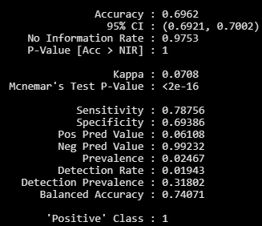

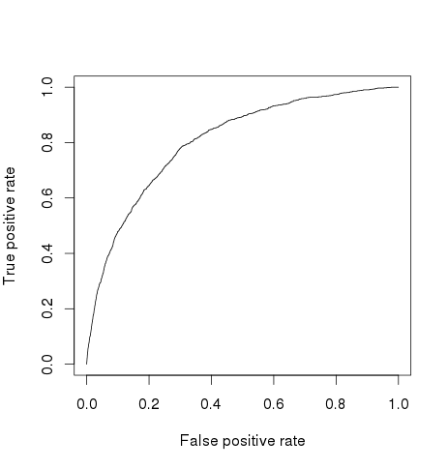
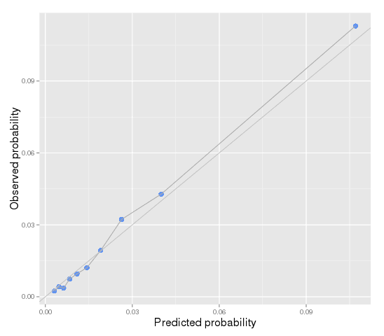
ROC plot |  |  |  | Calibration plots by deciles of predicted probability | Table. Descriptive stats on individuals whose predicted probability is > 0.5
 |  |  |  |  |  | level | Overall
 |  |  |  |  | N |  | 21
 |  |  |  |  | age_c (mean (sd)) |  | 17.40 (8.24)
 |  |  |  |  | agesq_c (mean (sd)) |  | 367.44 (281.29)
 |  |  |  |  | hosp_adm (%) | 0 | 15 (71.4)
 |  |  |  |  |  | 1 | 6 (28.6)
 |  |  |  |  | f_copd (%) | 0 | 12 (57.1)
 |  |  |  |  |  | 1 | 9 (42.9)
 |  |  |  |  | f_dementia (%) | 0 | 15 (71.4)
 |  |  |  |  |  | 1 | 6 (28.6)
 |  |  |  |  | f_dm (%) | 0 | 11 (52.4)
 |  |  |  |  |  | 1 | 10 (47.6)
 |  |  |  |  | f_menthlth (%) | 0 | 21 (100.0)
 |  |  |  |  |  | 1 | 0 (0.0)
 |  |  |  |  | f_renal (%) | 0 | 15 (71.4)
 |  |  |  |  |  | 1 | 6 (28.6)
 |  |  |  |  | cancertype (%) | Lung | 6 (28.6)
 |  |  |  |  |  | Breast | 1 (4.8)
 |  |  |  |  |  | Colorectal | 0 (0.0)
 |  |  |  |  |  | Gynaecological | 2 (9.5)
 |  |  |  |  |  | Head and Neck | 0 (0.0)
 |  |  |  |  |  | Hematology | 0 (0.0)
 |  |  |  |  |  | Prostate | 0 (0.0)
 |  |  |  |  |  | Other | 3 (14.3)
Area under the curve=0.8065199 |  |  |  |  |  | Other Gastrointestinal | 7 (33.3)
 |  |  |  |  |  | Other Genitourinary | 2 (9.5)
 |  |  |  |  | cancer_stage (%) | 1 | 1 (4.8)
 |  |  |  |  |  | Unk | 7 (33.3)
 |  |  |  |  |  | 2 | 1 (4.8)
 |  |  |  |  |  | 3 | 3 (14.3)
 |  |  |  |  |  | 4 | 9 (42.9)
 |  |  |  |  | radiation_flag (%) | 0 | 1 (4.8)
 |  |  |  |  |  | 1 | 20 (95.2)
 |  |  |  |  | surgery_flag (%) | 0 | 18 (85.7)
 |  |  |  |  |  | 1 | 3 (14.3)
 |  |  |  |  | ccdist (%) | 0 | 3 (14.3)
 |  |  |  |  |  | 1 | 18 (85.7)
 |  |  |  |  | pain_score (%) | 0 | 4 (19.0)
 |  |  |  |  |  | 1 | 0 (0.0)
 |  |  |  |  |  | 2 | 11 (52.4)
 |  |  |  |  |  | 3 | 6 (28.6)
 |  |  |  |  |  | 9999 | 0 (0.0)
 |  |  |  |  | depress_score (%) | 0 | 6 (28.6)
 |  |  |  |  |  | 1 | 15 (71.4)
 |  |  |  |  |  | 9999 | 0 (0.0)
 |  |  |  |  | funct_score (%) | 0 | 0 (0.0)
 |  |  |  |  |  | 1 | 0 (0.0)
 |  |  |  |  |  | 2 | 1 (4.8)
 |  |  |  |  |  | 3 | 3 (14.3)
 |  |  |  |  |  | 4 | 17 (81.0)
 |  |  |  |  |  | 9999 | 0 (0.0)
 |  |  |  |  | anxiety_cat (%) | 1 | 3 (14.3)
 |  |  |  |  |  | 2 | 2 (9.5)
 |  |  |  |  |  | 3 | 3 (14.3)
 |  |  |  |  |  | 4 | 5 (23.8)
 |  |  |  |  |  | 9999 | 8 (38.1)
 |  |  |  |  | appetite_cat (%) | 1 | 0 (0.0)
 |  |  |  |  |  | 2 | 4 (19.0)
 |  |  |  |  |  | 3 | 4 (19.0)
 |  |  |  |  |  | 4 | 7 (33.3)
 |  |  |  |  |  | 9999 | 6 (28.6)
 |  |  |  |  | tiredness_cat (%) | 1 | 0 (0.0)
 |  |  |  |  |  | 2 | 0 (0.0)
 |  |  |  |  |  | 3 | 3 (14.3)
 |  |  |  |  |  | 4 | 7 (33.3)
 |  |  |  |  |  | 9999 | 11 (52.4)
 |  |  |  |  | eol (%) | 0 | 12 (57.1)
 |  |  |  |  |  | 1 | 9 (42.9)
 |  |  |  |  | pal_flag (%) | 0 | 5 (23.8)
 |  |  |  |  |  | 1 | 16 (76.2)
 |  |  |  |  | ltc_flag (%) | 0 | 13 (61.9)
 |  |  |  |  |  | 1 | 8 (38.1)

Y1 Validation
Table. Confusion matrix for year 1 model
 | Observed
Predicted | Poor functional score | Good functional score
Poor functional score | 629 | 7895
Good functional score | 216 | 21667

Crude threshold: | 0.027789653698 | Maximized threshold: | 0.02603303

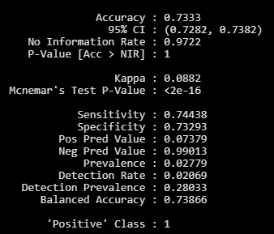


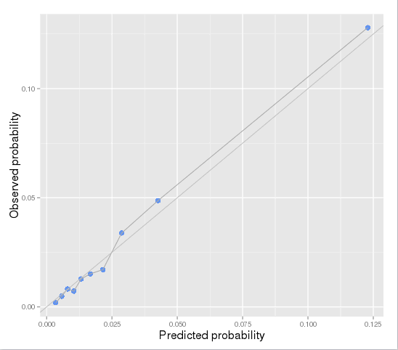
ROC plot |  |  |  | Calibration plots by deciles of predicted probability | Table. Descriptive stats on individuals whose predicted probability is > 0.5
 |  |  |  |  |  | level | Overall
 |  |  |  |  | N |  | 40
 |  |  |  |  | age_c (mean (sd)) |  | 13.84 (11.52)
 |  |  |  |  | agesq_c (mean (sd)) |  | 321.03 (275.37)
 |  |  |  |  | hosp_adm (%) | 0 | 2 (5.0)
 |  |  |  |  |  | 1 | 38 (95.0)
 |  |  |  |  | f_chf (%) | 0 | 26 (65.0)
 |  |  |  |  |  | 1 | 14 (35.0)
 |  |  |  |  | f_dementia (%) | 0 | 36 (90.0)
 |  |  |  |  |  | 1 | 4 (10.0)
 |  |  |  |  | f_dm (%) | 0 | 18 (45.0)
 |  |  |  |  |  | 1 | 22 (55.0)
 |  |  |  |  | f_menthlth (%) | 0 | 34 (85.0)
 |  |  |  |  |  | 1 | 6 (15.0)
 |  |  |  |  | cancertype (%) | Lung | 18 (45.0)
 |  |  |  |  |  | Breast | 1 (2.5)
 |  |  |  |  |  | Colorectal | 1 (2.5)
 |  |  |  |  |  | Gynaecological | 3 (7.5)
 |  |  |  |  |  | Head and Neck | 0 (0.0)
 |  |  |  |  |  | Hematology | 2 (5.0)
 |  |  |  |  |  | Prostate | 1 (2.5)
 |  |  |  |  |  | Other | 3 (7.5)
 |  |  |  |  |  | Other Gastrointestinal | 6 (15.0)
 |  |  |  |  |  | Other Genitourinary | 5 (12.5)
 |  |  |  |  | cancer_stage (%) | 1 | 1 (2.5)
Area under the curve=0.8040276 |  |  |  |  |  | Unk | 17 (42.5)
 |  |  |  |  |  | 2 | 3 (7.5)
 |  |  |  |  |  | 3 | 5 (12.5)
 |  |  |  |  |  | 4 | 14 (35.0)
 |  |  |  |  | radiation_flag (%) | 0 | 21 (52.5)
 |  |  |  |  |  | 1 | 19 (47.5)
 |  |  |  |  | chemo_flag (%) | 0 | 29 (72.5)
 |  |  |  |  |  | 1 | 11 (27.5)
 |  |  |  |  | pain_score (%) | 0 | 6 (15.0)
 |  |  |  |  |  | 1 | 8 (20.0)
 |  |  |  |  |  | 2 | 14 (35.0)
 |  |  |  |  |  | 3 | 11 (27.5)
 |  |  |  |  |  | 9999 | 1 (2.5)
 |  |  |  |  | funct_score (%) | 0 | 0 (0.0)
 |  |  |  |  |  | 1 | 0 (0.0)
 |  |  |  |  |  | 2 | 2 (5.0)
 |  |  |  |  |  | 3 | 6 (15.0)
 |  |  |  |  |  | 4 | 26 (65.0)
 |  |  |  |  |  | 9999 | 6 (15.0)
 |  |  |  |  | tiredness_cat (%) | 1 | 1 (2.5)
 |  |  |  |  |  | 2 | 3 (7.5)
 |  |  |  |  |  | 3 | 6 (15.0)
 |  |  |  |  |  | 4 | 11 (27.5)
 |  |  |  |  |  | 9999 | 19 (47.5)
 |  |  |  |  | caregiver (%) | 0 | 6 (15.0)
 |  |  |  |  |  | 1 | 11 (27.5)
 |  |  |  |  |  | 9 | 1 (2.5)
 |  |  |  |  |  | 9999 | 22 (55.0)
 |  |  |  |  | eol (%) | 0 | 15 (37.5)
 |  |  |  |  |  | 1 | 25 (62.5)
 |  |  |  |  | pal_flag (%) | 0 | 4 (10.0)
 |  |  |  |  |  | 1 | 36 (90.0)
 |  |  |  |  | ltc_flag (%) | 0 | 27 (67.5)
 |  |  |  |  |  | 1 | 13 (32.5)

Y2 Validation
Table. Confusion matrix for year 2 model
 | Observed
Predicted | Poor functional score | Good functional score
Poor functional score | 482 | 6082
Good functional score | 136 | 16270

Crude threshold: | 0.02690465825 | Maximized threshold: | 0.02525524

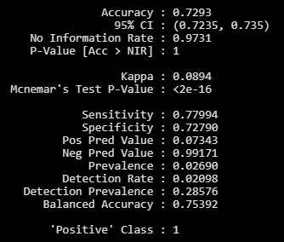

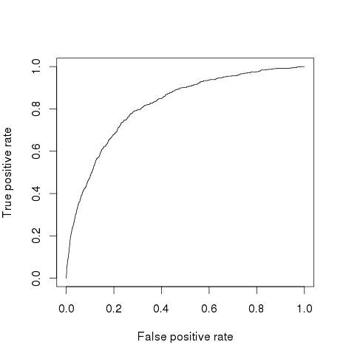
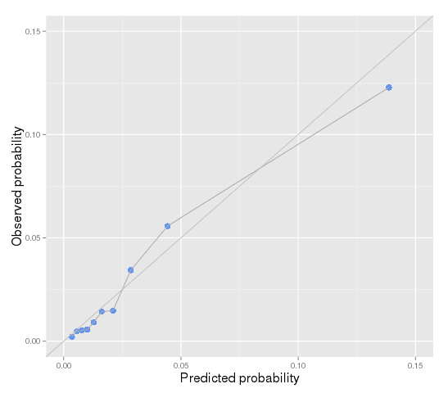
ROC plot |  |  |  | Calibration plots by deciles of predicted probability | Table. Descriptive stats on individuals whose predicted probability is > 0.5
 |  |  |  |  |  | level | Overall
 |  |  |  |  | N |  | 49
 |  |  |  |  | age_c (mean (sd)) |  | 10.58 (10.81)
 |  |  |  |  | agesq_c (mean (sd)) |  | 226.36 (205.00)
 |  |  |  |  | hosp_adm (%) | 0 | 4 (8.2)
 |  |  |  |  |  | 1 | 45 (91.8)
 |  |  |  |  | f_asthma (%) | 0 | 37 (75.5)
 |  |  |  |  |  | 1 | 12 (24.5)
 |  |  |  |  | f_dementia (%) | 0 | 43 (87.8)
 |  |  |  |  |  | 1 | 6 (12.2)
 |  |  |  |  | f_dm (%) | 0 | 26 (53.1)
 |  |  |  |  |  | 1 | 23 (46.9)
 |  |  |  |  | f_renal (%) | 0 | 40 (81.6)
 |  |  |  |  |  | 1 | 9 (18.4)
 |  |  |  |  | f_stroke (%) | 0 | 46 (93.9)
 |  |  |  |  |  | 1 | 3 (6.1)
 |  |  |  |  | cancertype (%) | Lung | 17 (34.7)
 |  |  |  |  |  | Breast | 5 (10.2)
 |  |  |  |  |  | Colorectal | 5 (10.2)
 |  |  |  |  |  | Gynaecological | 4 (8.2)
 |  |  |  |  |  | Head and Neck | 1 (2.0)
 |  |  |  |  |  | Hematology | 2 (4.1)
 |  |  |  |  |  | Prostate | 3 (6.1)
 |  |  |  |  |  | Other | 6 (12.2)
 |  |  |  |  |  | Other Gastrointestinal | 5 (10.2)
Area under the curve=0.8177764 |  |  |  |  |  | Other Genitourinary | 1 (2.0)
 |  |  |  |  | cancer_stage (%) | 1 | 4 (8.2)
 |  |  |  |  |  | Unk | 13 (26.5)
 |  |  |  |  |  | 2 | 1 (2.0)
 |  |  |  |  |  | 3 | 11 (22.4)
 |  |  |  |  |  | 4 | 20 (40.8)
 |  |  |  |  | radiation_flag (%) | 0 | 24 (49.0)
 |  |  |  |  |  | 1 | 25 (51.0)
 |  |  |  |  | chemo_flag (%) | 0 | 27 (55.1)
 |  |  |  |  |  | 1 | 22 (44.9)
 |  |  |  |  | surgery_flag (%) | 0 | 48 (98.0)
 |  |  |  |  |  | 1 | 1 (2.0)
 |  |  |  |  | rad_hx_flag (%) | 0 | 15 (30.6)
 |  |  |  |  |  | 1 | 34 (69.4)
 |  |  |  |  | well_score (%) | 0 | 5 (10.2)
 |  |  |  |  |  | 1 | 5 (10.2)
 |  |  |  |  |  | 2 | 11 (22.4)
 |  |  |  |  |  | 3 | 14 (28.6)
 |  |  |  |  |  | 9999 | 14 (28.6)
 |  |  |  |  | dysp_score (%) | 0 | 18 (36.7)
 |  |  |  |  |  | 1 | 21 (42.9)
 |  |  |  |  |  | 9999 | 10 (20.4)
 |  |  |  |  | funct_score (%) | 0 | 0 (0.0)
 |  |  |  |  |  | 1 | 4 (8.2)
 |  |  |  |  |  | 2 | 8 (16.3)
 |  |  |  |  |  | 3 | 12 (24.5)
 |  |  |  |  |  | 4 | 15 (30.6)
 |  |  |  |  |  | 9999 | 10 (20.4)
 |  |  |  |  | appetite_cat (%) | 1 | 4 (8.2)
 |  |  |  |  |  | 2 | 3 (6.1)
 |  |  |  |  |  | 3 | 4 (8.2)
 |  |  |  |  |  | 4 | 12 (24.5)
 |  |  |  |  |  | 9999 | 26 (53.1)
 |  |  |  |  | caregiver (%) | 0 | 2 (4.1)
 |  |  |  |  |  | 1 | 12 (24.5)
 |  |  |  |  |  | 9 | 0 (0.0)
 |  |  |  |  |  | 9999 | 35 (71.4)
 |  |  |  |  | eol (%) | 0 | 17 (34.7)
 |  |  |  |  |  | 1 | 32 (65.3)
 |  |  |  |  | pal_flag (%) | 0 | 7 (14.3)
 |  |  |  |  |  | 1 | 42 (85.7)
 |  |  |  |  | ltc_flag (%) | 0 | 39 (79.6)
 |  |  |  |  |  | 1 | 10 (20.4)

Y3 Validation
Table. Confusion matrix for year 3 model
 | Observed
Predicted | Poor functional score | Good functional score
Poor functional score | 308 | 4599
Good functional score | 105 | 12040

Crude threshold: | 0.024220032841 | Maximized threshold: | 0.02279829

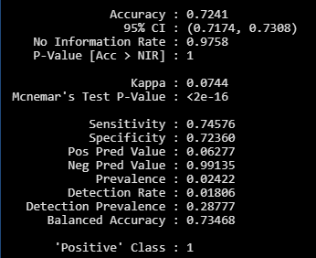

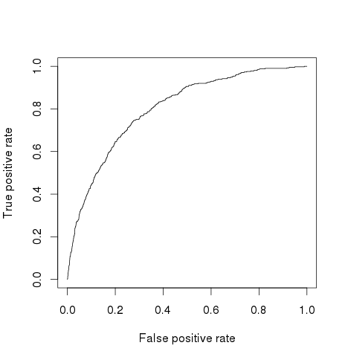
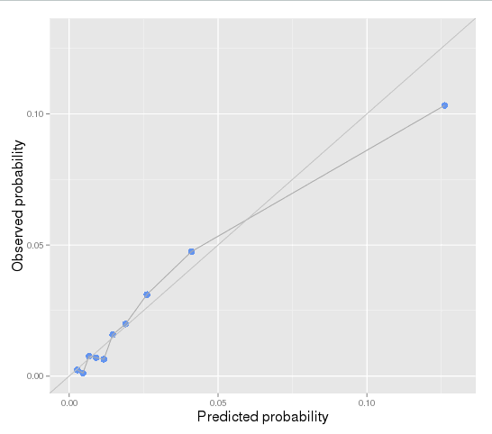
ROC plot |  |  |  | Calibration plots by deciles of predicted probability | Table. Descriptive stats on individuals whose predicted probability is > 0.5
 |  |  |  |  |  | level | Overall
 |  |  |  |  | N |  | 49
 |  |  |  |  | age_c (mean (sd)) |  | 10.58 (10.81)
 |  |  |  |  | agesq_c (mean (sd)) |  | 226.36 (205.00)
 |  |  |  |  | hosp_adm (%) | 0 | 4 (8.2)
 |  |  |  |  |  | 1 | 45 (91.8)
 |  |  |  |  | f_asthma (%) | 0 | 37 (75.5)
 |  |  |  |  |  | 1 | 12 (24.5)
 |  |  |  |  | f_dementia (%) | 0 | 43 (87.8)
 |  |  |  |  |  | 1 | 6 (12.2)
 |  |  |  |  | f_dm (%) | 0 | 26 (53.1)
 |  |  |  |  |  | 1 | 23 (46.9)
 |  |  |  |  | f_renal (%) | 0 | 40 (81.6)
 |  |  |  |  |  | 1 | 9 (18.4)
 |  |  |  |  | f_stroke (%) | 0 | 46 (93.9)
 |  |  |  |  |  | 1 | 3 (6.1)
 |  |  |  |  | cancertype (%) | Lung | 17 (34.7)
 |  |  |  |  |  | Breast | 5 (10.2)
 |  |  |  |  |  | Colorectal | 5 (10.2)
 |  |  |  |  |  | Gynaecological | 4 (8.2)
 |  |  |  |  |  | Head and Neck | 1 (2.0)
 |  |  |  |  |  | Hematology | 2 (4.1)
 |  |  |  |  |  | Prostate | 3 (6.1)
 |  |  |  |  |  | Other | 6 (12.2)
 |  |  |  |  |  | Other Gastrointestinal | 5 (10.2)
Area under the curve=0.8015606 |  |  |  |  |  | Other Genitourinary | 1 (2.0)
 |  |  |  |  | cancer_stage (%) | 1 | 4 (8.2)
 |  |  |  |  |  | Unk | 13 (26.5)
 |  |  |  |  |  | 2 | 1 (2.0)
 |  |  |  |  |  | 3 | 11 (22.4)
 |  |  |  |  |  | 4 | 20 (40.8)
 |  |  |  |  | radiation_flag (%) | 0 | 24 (49.0)
 |  |  |  |  |  | 1 | 25 (51.0)
 |  |  |  |  | chemo_flag (%) | 0 | 27 (55.1)
 |  |  |  |  |  | 1 | 22 (44.9)
 |  |  |  |  | surgery_flag (%) | 0 | 48 (98.0)
 |  |  |  |  |  | 1 | 1 (2.0)
 |  |  |  |  | rad_hx_flag (%) | 0 | 15 (30.6)
 |  |  |  |  |  | 1 | 34 (69.4)
 |  |  |  |  | well_score (%) | 0 | 5 (10.2)
 |  |  |  |  |  | 1 | 5 (10.2)
 |  |  |  |  |  | 2 | 11 (22.4)
 |  |  |  |  |  | 3 | 14 (28.6)
 |  |  |  |  |  | 9999 | 14 (28.6)
 |  |  |  |  | dysp_score (%) | 0 | 18 (36.7)
 |  |  |  |  |  | 1 | 21 (42.9)
 |  |  |  |  |  | 9999 | 10 (20.4)
 |  |  |  |  | funct_score (%) | 0 | 0 (0.0)
 |  |  |  |  |  | 1 | 4 (8.2)
 |  |  |  |  |  | 2 | 8 (16.3)
 |  |  |  |  |  | 3 | 12 (24.5)
 |  |  |  |  |  | 4 | 15 (30.6)
 |  |  |  |  |  | 9999 | 10 (20.4)
 |  |  |  |  | appetite_cat (%) | 1 | 4 (8.2)
 |  |  |  |  |  | 2 | 3 (6.1)
 |  |  |  |  |  | 3 | 4 (8.2)
 |  |  |  |  |  | 4 | 12 (24.5)
 |  |  |  |  |  | 9999 | 26 (53.1)
 |  |  |  |  | caregiver (%) | 0 | 2 (4.1)
 |  |  |  |  |  | 1 | 12 (24.5)
 |  |  |  |  |  | 9 | 0 (0.0)
 |  |  |  |  |  | 9999 | 35 (71.4)
 |  |  |  |  | eol (%) | 0 | 17 (34.7)
 |  |  |  |  |  | 1 | 32 (65.3)
 |  |  |  |  | pal_flag (%) | 0 | 7 (14.3)
 |  |  |  |  |  | 1 | 42 (85.7)
 |  |  |  |  | ltc_flag (%) | 0 | 39 (79.6)
 |  |  |  |  |  | 1 | 10 (20.4)

Y4 Validation
Table. Confusion matrix for year 4 model
 | Observed
Predicted | Poor functional score | Good functional score
Poor functional score | 252 | 3827
Good functional score | 80 | 8348

Crude threshold: | 0.026545134725 | Maximized threshold: | 0.02109317

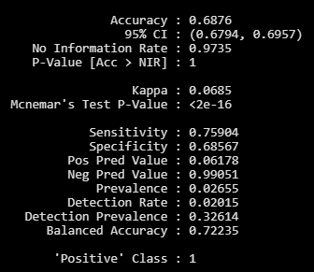

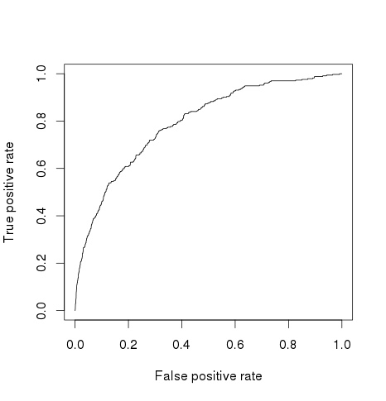
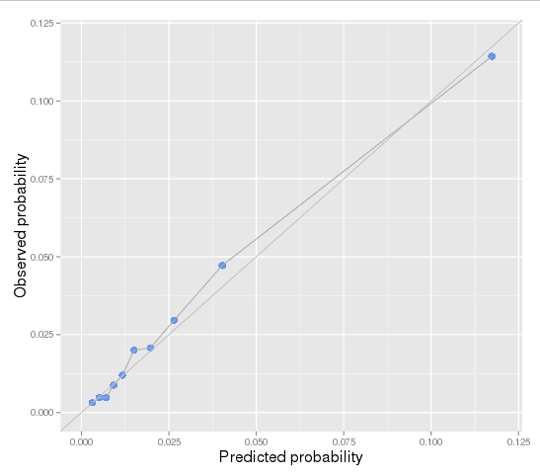
ROC plot |  |  |  | Calibration plots by deciles of predicted probability | Table. Descriptive stats on individuals whose predicted probability is > 0.5
 |  |  |  |  |  | level | Overall
 |  |  |  |  | N |  | 15
 |  |  |  |  | age_c (mean (sd)) |  | 17.00 (7.25)
 |  |  |  |  | hosp_adm (%) | 0 | 2 (13.3)
 |  |  |  |  |  | 1 | 13 (86.7)
 |  |  |  |  | f_arryth (%) | 0 | 13 (86.7)
 |  |  |  |  |  | 1 | 2 (13.3)
 |  |  |  |  | f_chf (%) | 0 | 8 (53.3)
 |  |  |  |  |  | 1 | 7 (46.7)
 |  |  |  |  | f_dementia (%) | 0 | 11 (73.3)
 |  |  |  |  |  | 1 | 4 (26.7)
 |  |  |  |  | f_renal (%) | 0 | 10 (66.7)
 |  |  |  |  |  | 1 | 5 (33.3)
 |  |  |  |  | f_stroke (%) | 0 | 10 (66.7)
 |  |  |  |  |  | 1 | 5 (33.3)
 |  |  |  |  | cancertype (%) | Lung | 0 (0.0)
 |  |  |  |  |  | Breast | 4 (26.7)
 |  |  |  |  |  | Colorectal | 2 (13.3)
 |  |  |  |  |  | Gynaecological | 1 (6.7)
 |  |  |  |  |  | Head and Neck | 0 (0.0)
 |  |  |  |  |  | Hematology | 3 (20.0)
 |  |  |  |  |  | Prostate | 1 (6.7)
 |  |  |  |  |  | Other | 2 (13.3)
 |  |  |  |  |  | Other Gastrointestinal | 1 (6.7)
 |  |  |  |  |  | Other Genitourinary | 1 (6.7)
Area under the curve=0.7920869 |  |  |  |  | radiation_flag (%) | 0 | 8 (53.3)
 |  |  |  |  |  | 1 | 7 (46.7)
 |  |  |  |  | chemo_flag (%) | 0 | 5 (33.3)
 |  |  |  |  |  | 1 | 10 (66.7)
 |  |  |  |  | rad_hx_flag (%) | 0 | 7 (46.7)
 |  |  |  |  |  | 1 | 8 (53.3)
 |  |  |  |  | surg_hx_flag (%) | 0 | 6 (40.0)
 |  |  |  |  |  | 1 | 9 (60.0)
 |  |  |  |  | funct_score (%) | 0 | 0 (0.0)
 |  |  |  |  |  | 1 | 0 (0.0)
 |  |  |  |  |  | 2 | 2 (13.3)
 |  |  |  |  |  | 3 | 8 (53.3)
 |  |  |  |  |  | 4 | 3 (20.0)
 |  |  |  |  |  | 9999 | 2 (13.3)
 |  |  |  |  | anxiety_cat (%) | 1 | 2 (13.3)
 |  |  |  |  |  | 2 | 0 (0.0)
 |  |  |  |  |  | 3 | 1 (6.7)
 |  |  |  |  |  | 4 | 5 (33.3)
 |  |  |  |  |  | 9999 | 7 (46.7)
 |  |  |  |  | eol (%) | 0 | 5 (33.3)
 |  |  |  |  |  | 1 | 10 (66.7)
 |  |  |  |  | pal_flag (%) | 0 | 2 (13.3)
 |  |  |  |  |  | 1 | 13 (86.7)
 |  |  |  |  | ltc_flag (%) | 0 | 12 (80.0)
 |  |  |  |  |  | 1 | 3 (20.0)

