Y0 Calibr plot
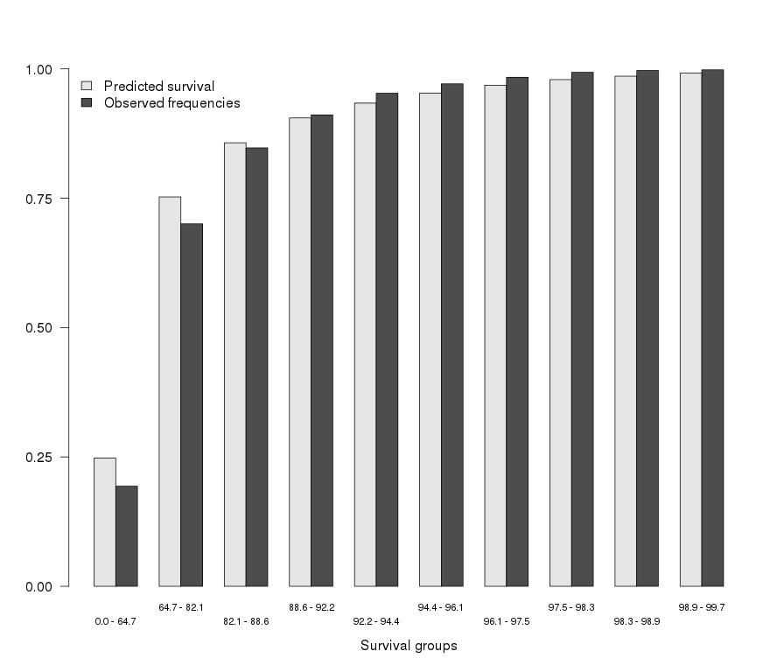
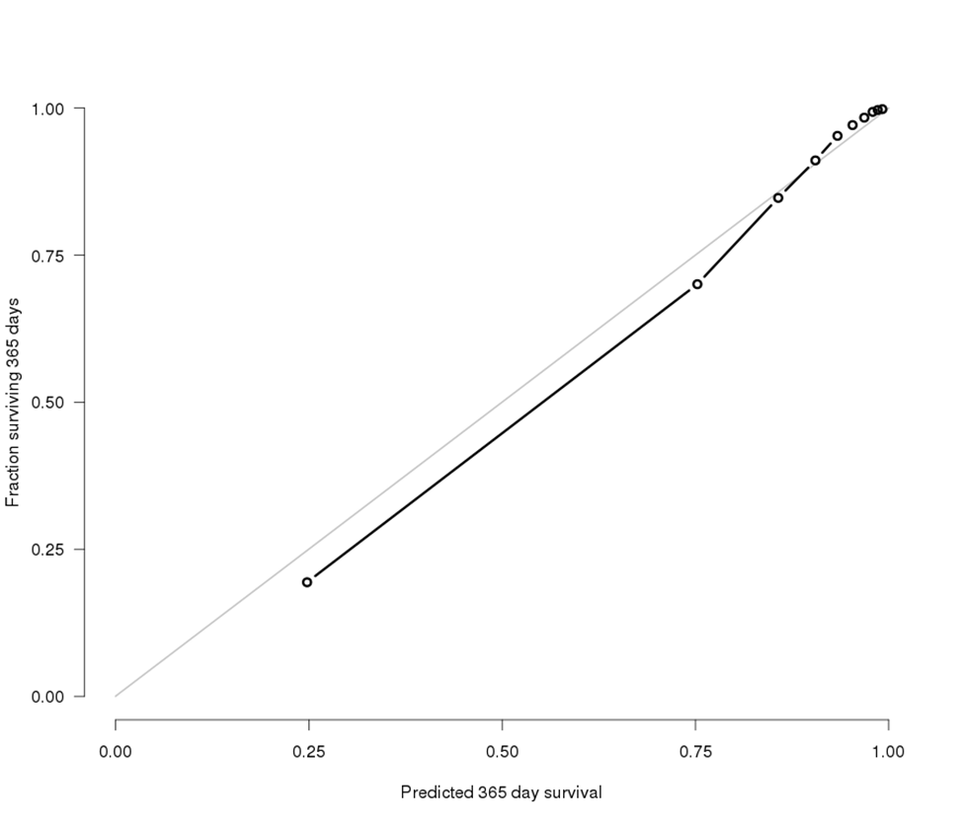

Figure 0a. Calibration accuracy for the 1-year nomogram. Patients are grouped by deciles of predicted risk. |  |  | Figure 0b. Calibration accuracy for the 1-year nomogram. Patients are grouped by deciles of predicted risk.
Observed frequencies were obtained with the Kaplan-Meier method |  |  | Observed frequencies were obtained with the jackknife pseudo-value method
 |  |  | X-axis is the nomogram-predicted probability of survival to one year.
Concordance index | 0.902 |  | Y-axis is the observed probability of surviving to one year.
 |  |  | Gray line represents the ideal nomogram

Kaplan Meier |  |  | Jackknife pseudo-value
Quintile range | Pred | Obs | Quintile range | Pred | Obs
[2.91e-15,0.647] | 0.2477545 | 0.1936957 | [2.91e-15,0.647] | 0.2477545 | 0.193834
(0.647,0.821] | 0.7525313 | 0.7005751 | (0.647,0.821] | 0.7525313 | 0.7005769
(0.821,0.886] | 0.8571028 | 0.8473154 | (0.821,0.886] | 0.8571028 | 0.8473125
(0.886,0.922] | 0.9051874 | 0.911024 | (0.886,0.922] | 0.9051874 | 0.9110303
(0.922,0.944] | 0.9337313 | 0.9528097 | (0.922,0.944] | 0.9337313 | 0.9527955
(0.944,0.961] | 0.9532377 | 0.9711187 | (0.944,0.961] | 0.9532377 | 0.9711086
(0.961,0.975] | 0.9683786 | 0.9837483 | (0.961,0.975] | 0.9683786 | 0.9837407
(0.975,0.983] | 0.9792497 | 0.9935391 | (0.975,0.983] | 0.9792497 | 0.9935361
(0.983,0.989] | 0.9858886 | 0.9967706 | (0.983,0.989] | 0.9858886 | 0.9968031
(0.989,0.997] | 0.9917479 | 0.9981404 | (0.989,0.997] | 0.9917479 | 0.9981508

Y1 Calibr plot
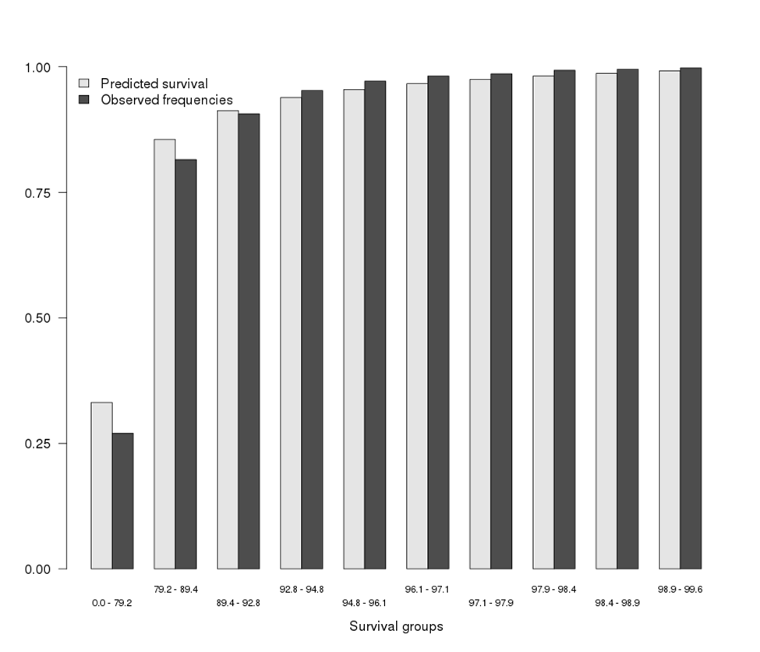
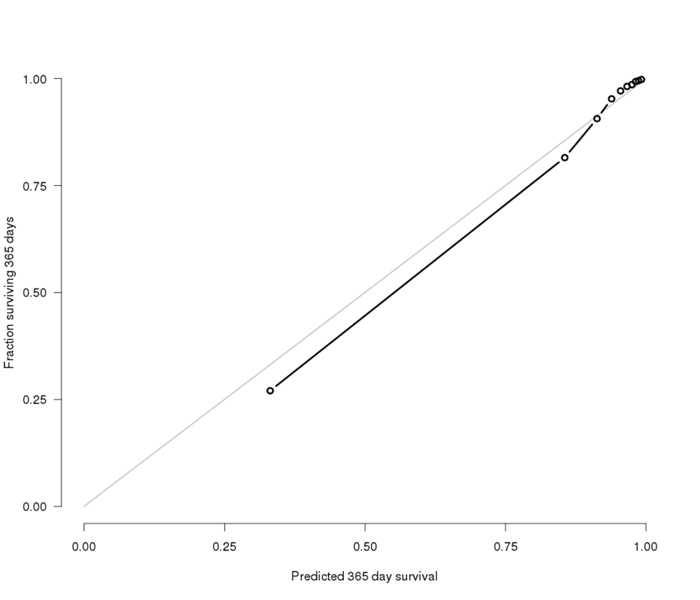

Figure 1a. Calibration accuracy for the 1-year nomogram. Patients are grouped by deciles of predicted risk. |  |  | Figure 1b. Calibration accuracy for the 1-year nomogram. Patients are grouped by deciles of predicted risk.
Observed frequencies were obtained with the Kaplan-Meier method |  |  | Observed frequencies were obtained with the jackknife pseudo-value method
 |  |  | X-axis is the nomogram-predicted probability of survival to one year.
Concordance index | 0.912 |  | Y-axis is the observed probability of surviving to one year.
 |  |  | Gray line represents the ideal nomogram

Kaplan Meier |  |  | Jackknife pseudo-value
Quintile range | Pred | Obs | Quintile range | Pred | Obs
[1.71e-24,0.792] | 0.3313389 | 0.2702273 | [1.71e-24,0.792] | 0.3313389 | 0.2703705
(0.792,0.894] | 0.8554434 | 0.815168 | (0.792,0.894] | 0.8554434 | 0.8152355
(0.894,0.928] | 0.9128701 | 0.9063595 | (0.894,0.928] | 0.9128701 | 0.9063709
(0.928,0.948] | 0.9388242 | 0.9527093 | (0.928,0.948] | 0.9388242 | 0.9526841
(0.948,0.961] | 0.954741 | 0.9713389 | (0.948,0.961] | 0.954741 | 0.9713239
(0.961,0.971] | 0.9663021 | 0.9816527 | (0.961,0.971] | 0.9663021 | 0.9816362
(0.971,0.979] | 0.9749698 | 0.9859531 | (0.971,0.979] | 0.9749698 | 0.9859516
(0.979,0.984] | 0.9815504 | 0.9930435 | (0.979,0.984] | 0.9815504 | 0.9931046
(0.984,0.989] | 0.9867441 | 0.9951343 | (0.984,0.989] | 0.9867441 | 0.995203
(0.989,0.996] | 0.9917839 | 0.9977911 | (0.989,0.996] | 0.9917839 | 0.9978516

Y2 Calibr plot
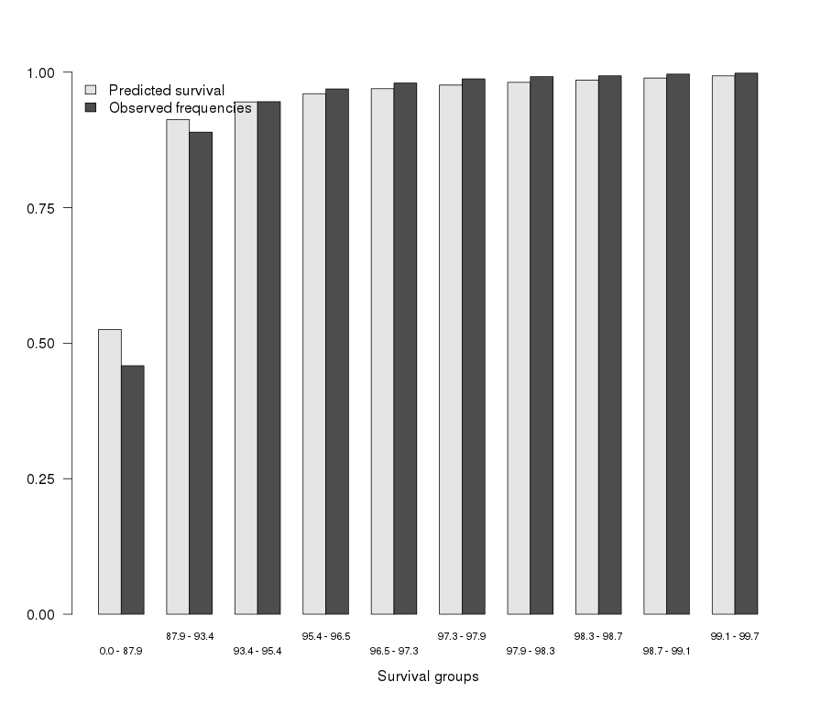
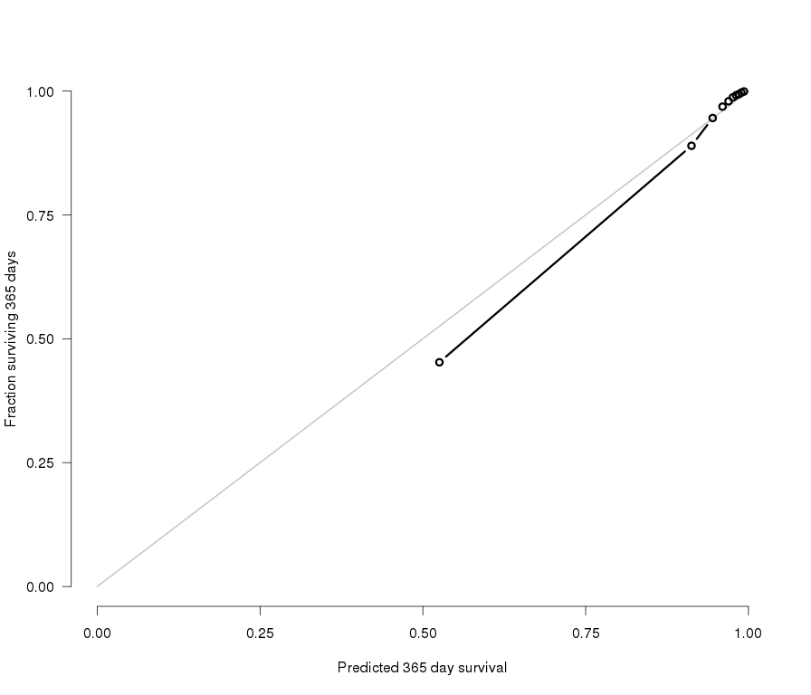

Figure 2a. Calibration accuracy for the 1-year nomogram. Patients are grouped by deciles of predicted risk. |  |  | Figure 2b. Calibration accuracy for the 1-year nomogram. Patients are grouped by deciles of predicted risk.
Observed frequencies were obtained with the Kaplan-Meier method |  |  | Observed frequencies were obtained with the jackknife pseudo-value method
 |  |  | X-axis is the nomogram-predicted probability of survival to one year.
Concordance index | 0.912 |  | Y-axis is the observed probability of surviving to one year.
 |  |  | Gray line represents the ideal nomogram

Kaplan Meier |  |  | Jackknife pseudo-value
Quintile range | Pred | Obs | Quintile range | Pred | Obs
[5.86e-31,0.879] | 0.5254039 | 0.458365 | [5.86e-31,0.879] | 0.5254039 | 0.4526239
(0.879,0.934] | 0.9125239 | 0.8892455 | (0.879,0.934] | 0.9125239 | 0.8895188
(0.934,0.954] | 0.9450362 | 0.9455652 | (0.934,0.954] | 0.9450362 | 0.9455667
(0.954,0.965] | 0.9602013 | 0.9690078 | (0.954,0.965] | 0.9602013 | 0.9685274
(0.965,0.973] | 0.9694276 | 0.9798541 | (0.965,0.973] | 0.9694276 | 0.9793804
(0.973,0.979] | 0.9761375 | 0.987535 | (0.973,0.979] | 0.9761375 | 0.9873097
(0.979,0.983] | 0.9811459 | 0.9917375 | (0.979,0.983] | 0.9811459 | 0.9914915
(0.983,0.987] | 0.9853725 | 0.9932418 | (0.983,0.987] | 0.9853725 | 0.9936866
(0.987,0.991] | 0.9891082 | 0.996389 | (0.987,0.991] | 0.9891082 | 0.9968193
(0.991,0.997] | 0.9931076 | 0.9981223 | (0.991,0.997] | 0.9931076 | 0.9991903

Y3 Calibr plot
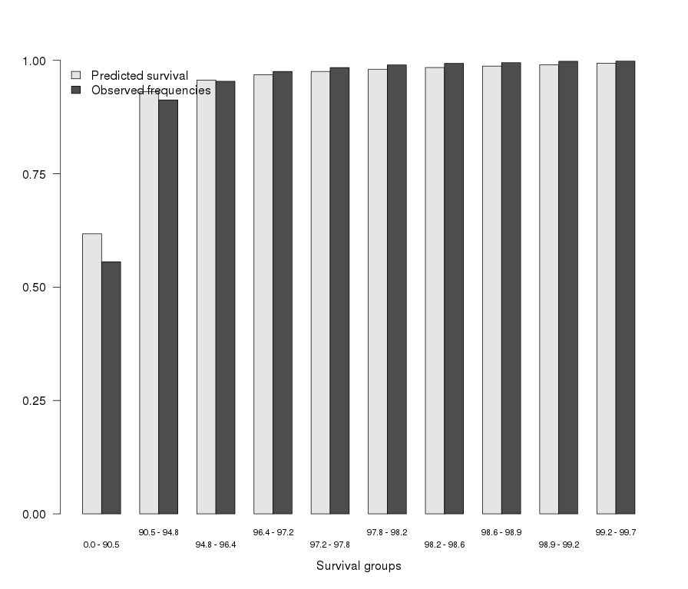


Figure 3a. Calibration accuracy for the 1-year nomogram. Patients are grouped by deciles of predicted risk. |  |  | Figure 3b. Calibration accuracy for the 1-year nomogram. Patients are grouped by deciles of predicted risk.
Observed frequencies were obtained with the Kaplan-Meier method |  |  | Observed frequencies were obtained with the jackknife pseudo-value method
 |  |  | X-axis is the nomogram-predicted probability of survival to one year.
Concordance index | 0.909 |  | Y-axis is the observed probability of surviving to one year.
 |  |  | Gray line represents the ideal nomogram

Kaplan Meier |  |  | Jackknife pseudo-value
Quintile range | Pred | Obs | Quintile range | Pred | Obs
[1.03e-26,0.905] | 0.6175802 | 0.5556974 | [1.03e-26,0.905] | 0.6175802 | 0.551066
(0.905,0.948] | 0.9308956 | 0.9126563 | (0.905,0.948] | 0.9308956 | 0.9129236
(0.948,0.964] | 0.956479 | 0.9538298 | (0.948,0.964] | 0.956479 | 0.9538403
(0.964,0.972] | 0.9683765 | 0.9754857 | (0.964,0.972] | 0.9683765 | 0.9753269
(0.972,0.978] | 0.9755488 | 0.9841125 | (0.972,0.978] | 0.9755488 | 0.9839643
(0.978,0.982] | 0.98049 | 0.989899 | (0.978,0.982] | 0.98049 | 0.9896771
(0.982,0.986] | 0.9841757 | 0.9932655 | (0.982,0.986] | 0.9841757 | 0.9932069
(0.986,0.989] | 0.9873437 | 0.9948662 | (0.986,0.989] | 0.9873437 | 0.9951538
(0.989,0.992] | 0.9903086 | 0.9979059 | (0.989,0.992] | 0.9903086 | 0.9979528
(0.992,0.997] | 0.9936593 | 0.9983165 | (0.992,0.997] | 0.9936593 | 0.9987468

Y4 Calibr plot
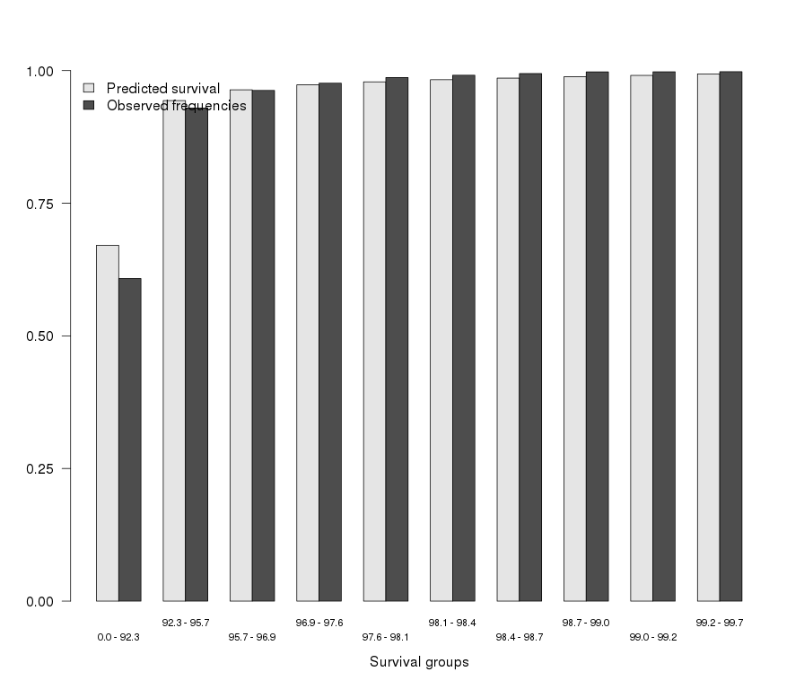
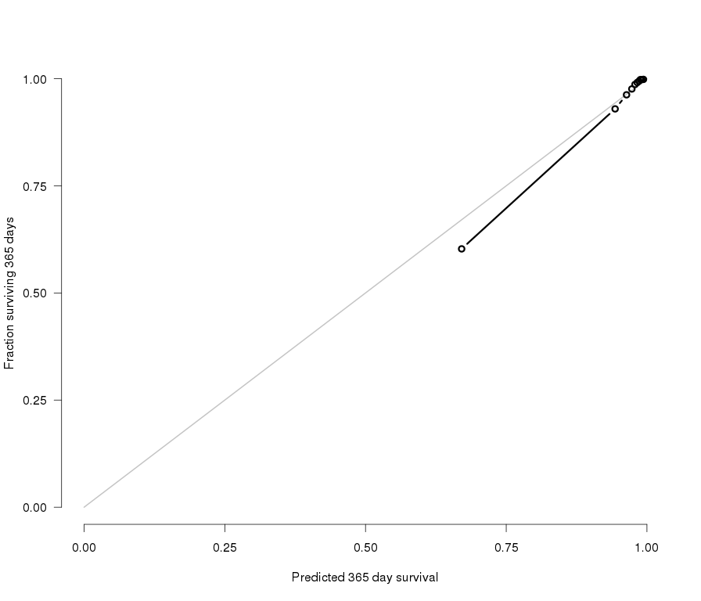

Figure 4a. Calibration accuracy for the 1-year nomogram. Patients are grouped by deciles of predicted risk. |  |  | Figure 4b. Calibration accuracy for the 1-year nomogram. Patients are grouped by deciles of predicted risk.
Observed frequencies were obtained with the Kaplan-Meier method |  |  | Observed frequencies were obtained with the jackknife pseudo-value method
 |  |  | X-axis is the nomogram-predicted probability of survival to one year.
Concordance index | 0.908 |  | Y-axis is the observed probability of surviving to one year.
 |  |  | Gray line represents the ideal nomogram

Kaplan Meier |  |  | Jackknife pseudo-value
Quintile range | Pred | Obs | Quintile range | Pred | Obs
[1.2e-26,0.923] | 0.67079 | 0.6080724 | [1.2e-26,0.923] | 0.67079 | 0.6029486
(0.923,0.957] | 0.9434526 | 0.9294968 | (0.923,0.957] | 0.9434526 | 0.9296546
(0.957,0.969] | 0.9637631 | 0.9626358 | (0.957,0.969] | 0.9637631 | 0.9625264
(0.969,0.976] | 0.9731916 | 0.9763327 | (0.969,0.976] | 0.9731916 | 0.9761034
(0.976,0.981] | 0.9788169 | 0.9868741 | (0.976,0.981] | 0.9788169 | 0.9866483
(0.981,0.984] | 0.9827952 | 0.9912575 | (0.981,0.984] | 0.9827952 | 0.9911346
(0.984,0.987] | 0.9858355 | 0.9943819 | (0.984,0.987] | 0.9858355 | 0.9942758
(0.987,0.99] | 0.9884058 | 0.9975653 | (0.987,0.99] | 0.9884058 | 0.9980055
(0.99,0.992] | 0.9909542 | 0.9977023 | (0.99,0.992] | 0.9909542 | 0.998109
(0.992,0.997] | 0.9937672 | 0.9979033 | (0.992,0.997] | 0.9937672 | 0.9985024

