SRS
S.NO | RQMT DISCREPTION | TYPE | RQMT STATUS | REVIEW STATE | REFERENCE NO
1 | Occupant classification system (OCS) is a system which detects the whether the person sitting in the car seat or not. | DEFINATION | DRAFT | DRAFT | GET FROM THE MOTHER BOARD
2 | OCS ECU works in normal mode between 8v to 12v. With a tolerance of 1% | RQMT | APROVED | CLOSED
3 | 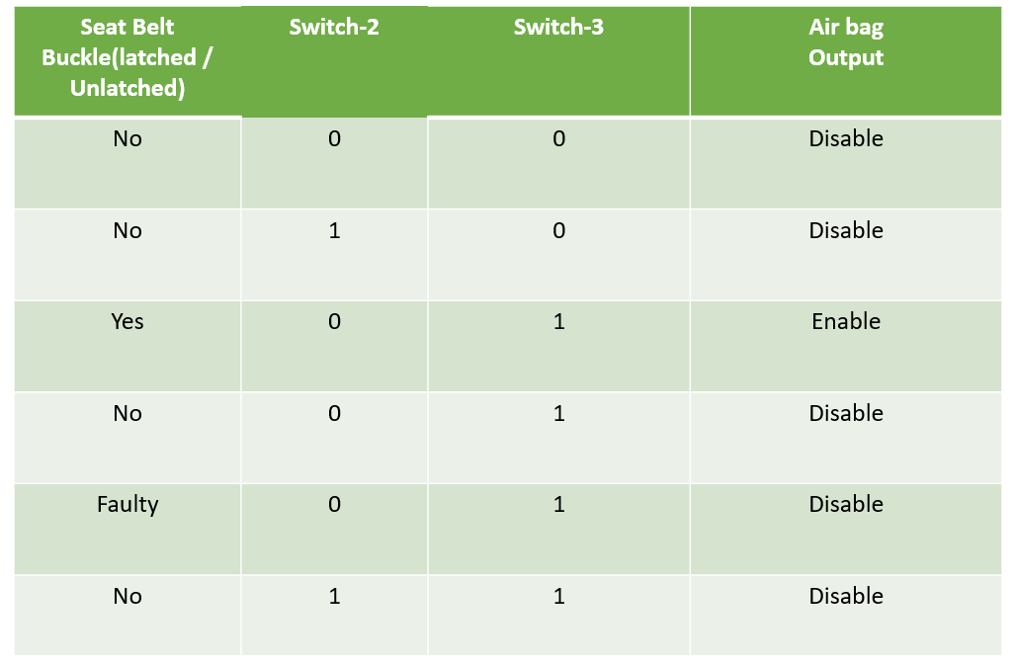 | RQMT | IMPLEMENTED | DRAFT
4 | switch 2 and switch 3 both wiil be OFF in that condition the child is detected in passenger seat.The seat belt buckle will be latched. ECU will send the can message id is 0x12 in byte 0 with value 0x00 (Airbag disabled) and led1 should be ON. | RQMT | APROVED | CLOSED
5 | switch 2 is OFF switch 3 is ON in that condition adult 95% detected in passenger seat.The seat belt buckle will be latched. ECU will send the can message id is 0x12 in byte 0 with value 0x01(Air bag enable)and led1 should be OFF. | RQMT | APROVED | CLOSED
6 | switch 2 is ON switch 3 is OFF in that condition small adult detected in passenger seat .The seat belt will be latched. ECU will send the can message id is 0x12 in byte 0 with value 0x00(Air bag disabled) and the led 1 should be blink every 5sec | RQMT | APROVED | CLOSED
7 | switch 2 and switch 3 both will be ON in that condition seat 1 detected as empty seat.The seat belt will be latched. ECU pass the can message id is 0x12 in byte 0 with value 0x00(Air bag disabled) and the led 1 should be blink every 10 sec . | RQMT | APROVED | CLOSED
8 | seat belt buckle switch | RQMT | APROVED | CLOSED
9 | The sensor detects whether the seat belt buckle is latched or unlatched | DEFINATION | DRAFT | DRAFT
10 | Warning lamp | RQMT | APROVED | CLOSED
11 | The seat belt buckle is unlatched warning lamp should be glow, seat belt buckle latched warning lamp should be off | DEFINATION | DRAFT | DRAFT
12 | Seat occupant sensors | RQMT | APROVED | CLOSED
13 | A vehicle's passenger occupancy sensor detects whether a passenger is in the seat and decides whether or not to allow the airbag to deploy in the event of an accident. If the sensor determines a weight on the seat is not a person, the airbag does not deploy. | DEFINATION | DRAFT | DRAFT
14 | Occupant detection system sensor | RQMT | APROVED | CLOSED
15 | The Occupant Detection System is an important safety system that detects the presence of a child, infant or small adult in the front passenger seat. | DEFINATION | DRAFT | DRAFT
16 | Pressure/weight sensor | RQMT | APROVED | CLOSED
17 | Passenger Occupancy Sensor, also known as Weight Sensor is installed under the passenger seat's seat cushion. Its purpose is to send a signal to the airbag module if an adult is sitting on the passenger seat. | DEFINATION | DRAFT | DRAFT

