RealForwardRates_CPI
Gilt Forward Rates from USS data compared to M&S Forward Rates [CPI basis]
 | From USS data Gilt Forward Rates [CPI basis] | Miles and Sefton RealForwardRateBase (yield on safe bonds) [CPI basis]
2020
2021 | -1.080% | -1.70%
2022 | -1.250% | -2.10%
2023 | -1.400% | -2.24%
2024 | -1.580% | -2.28%
2025 | -1.740% | -2.33%
2026 | -1.830% | -2.31%
2027 | -1.820% | -2.23%
2028 | -1.700% | -2.12%
2029 | -1.520% | -1.99%
2030 | -1.320% | -1.84%
2031 | -1.220% | -1.69%
2032 | -1.140% | -1.55%
2033 | -1.100% | -1.41%
2034 | -1.070% | -1.28%
2035 | -1.060% | -1.16%
2036 | -1.050% | -1.05%
2037 | -1.040% | -0.96%
2038 | -1.040% | -0.88%
2039 | -1.070% | -0.81%
2040 | -1.110% | -0.76%
2041 | -1.080% | -0.73%
2042 | -1.090% | -0.71%
2043 | -1.110% | -0.70%
2044 | -1.130% | -0.70%
2045 | -1.170% | -0.70%
2046 | -1.200% | -0.72%
2047 | -1.240% | -0.74%
2048 | -1.270% | -0.76%
2049 | -1.300% | -0.79%
2050 | -1.330% | -0.82%
2051 | -1.350% | -0.85%
2052 | -1.370% | -0.88%
2053 | -1.370% | -0.90%
2054 | -1.380% | -0.93%
2055 | -1.400% | -0.96%
2056 | -1.410% | -0.99%
2057 | -1.420% | -1.02%
2058 | -1.430% | -1.05%
2059 | -1.460% | -1.08%
2060 | -1.480% | -1.11%
2061 | -1.510% | -1.11%
2062 | -1.550% | -1.11%
2063 | -1.580% | -1.11%
2064 | -1.620% | -1.11%
2065 | -1.640% | -1.11%
2066 | -1.660% | -1.11%
2067 | -1.670% | -1.11%
2068 | -1.690% | -1.11%
2069 | -1.700% | -1.11%
...
Year | From USS data Gilt Forward Rates [CPI basis] | Miles and Sefton RealForwardRateBase (yield on safe bonds) [CPI basis]
2020
2021 | -1.080% | -1.70%
2022 | -1.250% | -2.10%
2023 | -1.400% | -2.24%
2024 | -1.580% | -2.28%
2025 | -1.740% | -2.33%
2026 | -1.830% | -2.31%
2027 | -1.820% | -2.23%
2028 | -1.700% | -2.12%
2029 | -1.520% | -1.99%
2030 | -1.320% | -1.84%
2031 | -1.220% | -1.69%
2032 | -1.140% | -1.55%
2033 | -1.100% | -1.41%
2034 | -1.070% | -1.28%
2035 | -1.060% | -1.16%
2036 | -1.050% | -1.05%
2037 | -1.040% | -0.96%
2038 | -1.040% | -0.88%
2039 | -1.070% | -0.81%
2040 | -1.110% | -0.76%
2041 | -1.080% | -0.73%
2042 | -1.090% | -0.71%
2043 | -1.110% | -0.70%
2044 | -1.130% | -0.70%
2045 | -1.170% | -0.70%
2046 | -1.200% | -0.72%
2047 | -1.240% | -0.74%
2048 | -1.270% | -0.76%
2049 | -1.300% | -0.79%
2050 | -1.330% | -0.82%
2051 | -1.350% | -0.85%
2052 | -1.370% | -0.88%
2053 | -1.370% | -0.90%
2054 | -1.380% | -0.93%
2055 | -1.400% | -0.96%
2056 | -1.410% | -0.99%
2057 | -1.420% | -1.02%
2058 | -1.430% | -1.05%
2059 | -1.460% | -1.08%
2060 | -1.480% | -1.11%
2061 | -1.510% | -1.11%
2062 | -1.550% | -1.11%
2063 | -1.580% | -1.11%
2064 | -1.620% | -1.11%
2065 | -1.640% | -1.11%
2066 | -1.660% | -1.11%
2067 | -1.670% | -1.11%
2068 | -1.690% | -1.11%
2069 | -1.700% | -1.11%
2070 | -1.700% | -1.11%
2071 | -1.700% | -1.11%
2072 | -1.700% | -1.11%
2073 | -1.700% | -1.11%
2074 | -1.700% | -1.11%
2075 | -1.700% | -1.11%
2076 | -1.700% | -1.11%
2077 | -1.700% | -1.11%
2078 | -1.700% | -1.11%
2079 | -1.700% | -1.11%
2080 | -1.700% | -1.11%
2081 | -1.700% | -1.11%
2082 | -1.700% | -1.11%
2083 | -1.700% | -1.11%
2084 | -1.700% | -1.11%
2085 | -1.700% | -1.11%
2086 | -1.700% | -1.11%
2087 | -1.700% | -1.11%
2088 | -1.700% | -1.11%
2089 | -1.700% | -1.11%
2090 | -1.700% | -1.11%
2091 | -1.700% | -1.11%
2092 | -1.700% | -1.11%
2093 | -1.700% | -1.11%
2094 | -1.700% | -1.11%
2095 | -1.700% | -1.11%
2096 | -1.700% | -1.11%
2097 | -1.700% | -1.11%
2098 | -1.700% | -1.11%
2099 | -1.700% | -1.11%
2100 | -1.700% | -1.11%
2101 | -1.700% | -1.11%
2102 | -1.700% | -1.11%

USS_RPI_adj
 | USS RPI Adjustment | Reduces | 0.10% | pa
 |  | over | 10 | years
2020 | 1.10%
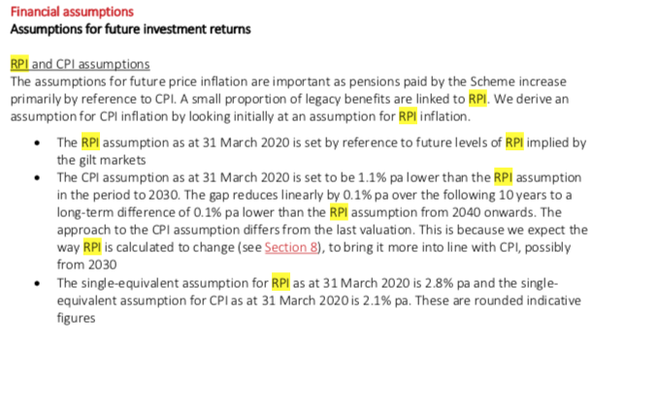
2021 | 1.10%
2022 | 1.10%
2023 | 1.10%
2024 | 1.10%
2025 | 1.10%
2026 | 1.10%
2027 | 1.10%
2028 | 1.10%
2029 | 1.10%
2030 | 1.10%
2031 | 1.00%
2032 | 0.90%
2033 | 0.80%
2034 | 0.70%
2035 | 0.60%
2036 | 0.50%
2037 | 0.40%
2038 | 0.30%
2039 | 0.20%
2040 | 0.10%
2041 | 0.10%
2042 | 0.10%
2043 | 0.10%
2044 | 0.10%
2045 | 0.10%
2046 | 0.10%
2047 | 0.10%
2048 | 0.10%
2049 | 0.10%
2050 | 0.10%
2051 | 0.10%
2052 | 0.10%
2053 | 0.10%
2054 | 0.10%
2055 | 0.10%
2056 | 0.10%
2057 | 0.10%
2058 | 0.10%
2059 | 0.10%
2060 | 0.10%
2061 | 0.10%
2062 | 0.10%
2063 | 0.10%
2064 | 0.10%
2065 | 0.10%
2066 | 0.10%
2067 | 0.10%
2068 | 0.10%
2069 | 0.10%
2070 | 0.10%
2071 | 0.10%
2072 | 0.10%
2073 | 0.10%
2074 | 0.10%
2075 | 0.10%
2076 | 0.10%
2077 | 0.10%
2078 | 0.10%
2079 | 0.10%
2080 | 0.10%
2081 | 0.10%
2082 | 0.10%
2083 | 0.10%
2084 | 0.10%
2085 | 0.10%
2086 | 0.10%
2087 | 0.10%
2088 | 0.10%
2089 | 0.10%
2090 | 0.10%
2091 | 0.10%
2092 | 0.10%
2093 | 0.10%
2094 | 0.10%
2095 | 0.10%
2096 | 0.10%
2097 | 0.10%
2098 | 0.10%
2099 | 0.10%
2100 | 0.10%
2101 | 0.10%
2102 | 0.10%

