Sheet1
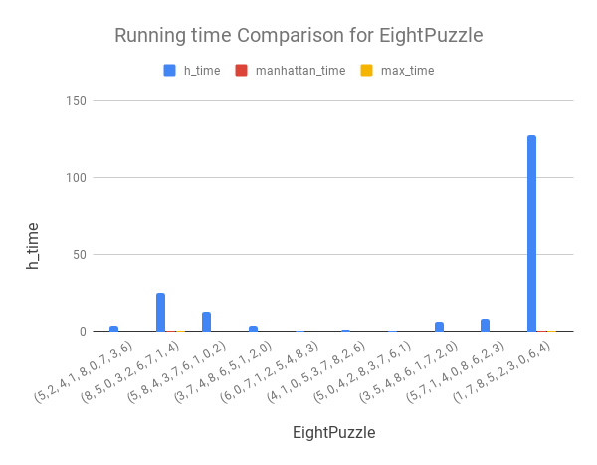
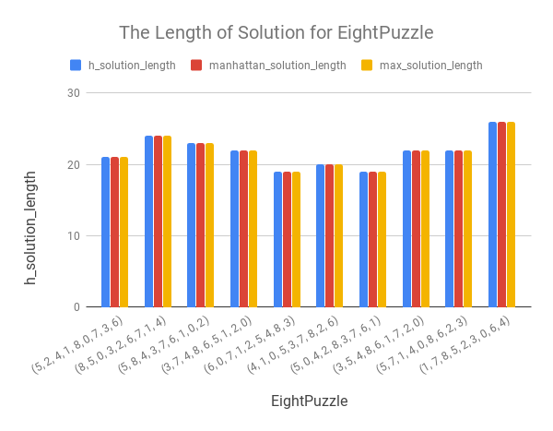
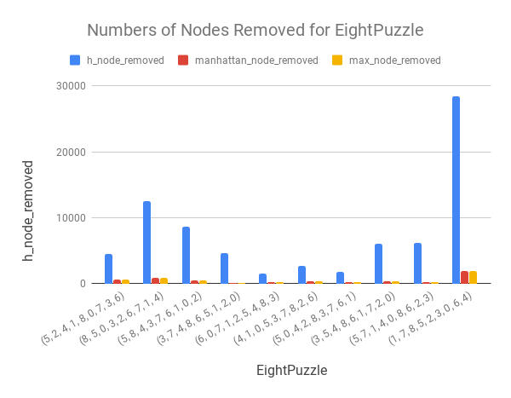
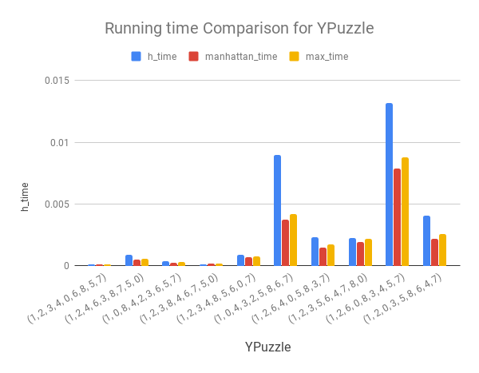
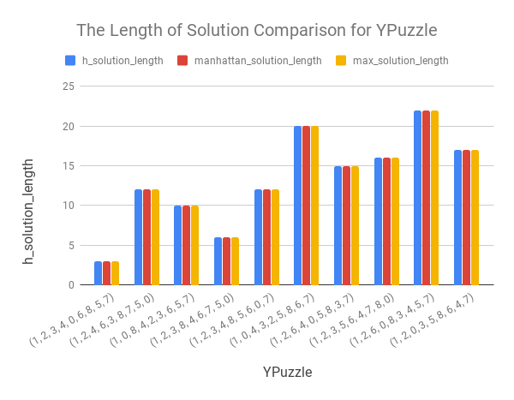
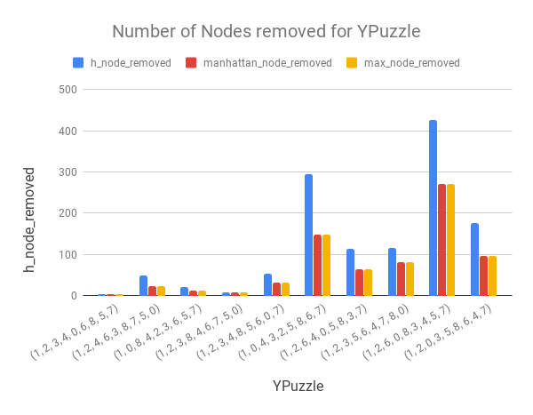
Q2.
Manhattan distance heuristic is the best algorithm among these three methods.
Based on the following graphs and data, the graph related to length of solution after calling these three methods displays the same results as well as the same solutions between ten random created sample EightPuzzles. Comparing the results of running time and number of nodes removed, it is obvious that the default heuristic is the slowest method and removes the most nodes during the operations. Since all methods are assumed admissible which means the estimated value is always smaller than or equals to the true value from current state to the goal state, and the misplaced tile heuristic counts the differences with same index, while manhattan heuristic sums the minimum steps for each tiles to its right positions based on their coordinates. Therefore, the manhattan methods will always yields more accurate estimates than the default heuristic.
Q3.
Based on the graph of running time, the running time of Y puzzle and the number of nodes removed are less than EightPuzzle in general without a huge difference between length of solutions. Y-puzzle is easier to solve than eight puzzle, since the shape of Y-puzzle posts strong limitation to its solvability. The lesser nodes to check in the frontier implies faster running time.
EightPuzzle | h_time | h_solution_length | h_node_removed | manhattan_time | manhattan_solution_length | manhattan_node_removed | max_time | max_solution_length | max_node_removed
(5, 2, 4, 1, 8, 0, 7, 3, 6) | 3.4110245705 | 21 | 4424 | 0.069431781769 | 21 | 578 | 0.071540594101 | 21 | 578
(8, 5, 0, 3, 2, 6, 7, 1, 4) | 25.0895648 | 24 | 12457 | 0.13534736633 | 24 | 818 | 0.13789343834 | 24 | 818
(5, 8, 4, 3, 7, 6, 1, 0, 2) | 12.653034687 | 23 | 8659 | 0.043805360794 | 23 | 444 | 0.04457116127 | 23 | 444
(3, 7, 4, 8, 6, 5, 1, 2, 0) | 3.8070132732 | 22 | 4665 | 0.0034229755402 | 22 | 97 | 0.0038189888 | 22 | 97
(6, 0, 7, 1, 2, 5, 4, 8, 3) | 0.40664482117 | 19 | 1468 | 0.0068798065186 | 19 | 152 | 0.0076141357422 | 19 | 152
(4, 1, 0, 5, 3, 7, 8, 2, 6) | 1.2615385056 | 20 | 2667 | 0.018489122391 | 20 | 282 | 0.020001173019 | 20 | 282
(5, 0, 4, 2, 8, 3, 7, 6, 1) | 0.56890392303 | 19 | 1774 | 0.007657289505 | 19 | 159 | 0.0077919960022 | 19 | 159
(3, 5, 4, 8, 6, 1, 7, 2, 0) | 6.3170342445 | 22 | 6002 | 0.032000780106 | 22 | 391 | 0.033559560776 | 22 | 391
(5, 7, 1, 4, 0, 8, 6, 2, 3) | 7.9846220016 | 22 | 6200 | 0.020200014114 | 22 | 259 | 0.021416902542 | 22 | 259
(1, 7, 8, 5, 2, 3, 0, 6, 4) | 127.04737902 | 26 | 28402 | 0.57937693596 | 26 | 1857 | 0.57645869255 | 26 | 1857
Minimum value | 0.40664482117 | 19 | 1468 | 0.0034229755402 | 19 | 97 | 0.0038189888 | 19 | 97
Maximum value | 127.04737902 | 26 | 28402 | 0.57937693596 | 26 | 1857 | 0.57645869255 | 26 | 1857
Average value | 18.854675984 | 21.8 | 7671.8 | 0.091661143303 | 21.8 | 503.7 | 0.092466664314 | 21.8 | 503.7
MEDIAN | 5.0620237589 | 22 | 5333.5 | 0.02610039711 | 22 | 336.5 | 0.027488231659 | 22 | 336.5

YPuzzle | h_time | h_solution_length | h_node_removed | manhattan_time | manhattan_solution_length | manhattan_node_removed | max_time | max_solution_length | max_node_removed
(1, 2, 3, 4, 0, 6, 8, 5, 7) | 0.00010752677917 | 3 | 4 | 0.00012707710266 | 3 | 4 | 0.00010967254639 | 3 | 4
(1, 2, 4, 6, 3, 8, 7, 5, 0) | 0.00086736679077 | 12 | 49 | 0.0004665851593 | 12 | 23 | 0.00054025650024 | 12 | 23
(1, 0, 8, 4, 2, 3, 6, 5, 7) | 0.00033640861511 | 10 | 21 | 0.00025081634521 | 10 | 12 | 0.00029349327087 | 10 | 12
(1, 2, 3, 8, 4, 6, 7, 5, 0) | 0.00011992454529 | 6 | 7 | 0.00014972686768 | 6 | 7 | 0.00017333030701 | 6 | 7
(1, 2, 3, 4, 8, 5, 6, 0, 7) | 0.00087904930115 | 12 | 54 | 0.0006582736969 | 12 | 31 | 0.00076246261597 | 12 | 31
(1, 0, 4, 3, 2, 5, 8, 6, 7) | 0.0089945793152 | 20 | 296 | 0.0037086009979 | 20 | 148 | 0.0041680335999 | 20 | 148
(1, 2, 6, 4, 0, 5, 8, 3, 7) | 0.0022823810577 | 15 | 114 | 0.0014822483063 | 15 | 63 | 0.0016934871674 | 15 | 63
(1, 2, 3, 5, 6, 4, 7, 8, 0) | 0.0022754669189 | 16 | 116 | 0.0018951892853 | 16 | 81 | 0.0021560192108 | 16 | 81
(1, 2, 6, 0, 8, 3, 4, 5, 7) | 0.013191223145 | 22 | 427 | 0.007884979248 | 22 | 272 | 0.0087645053864 | 22 | 272
(1, 2, 0, 3, 5, 8, 6, 4, 7) | 0.0040855407715 | 17 | 176 | 0.0021471977234 | 17 | 97 | 0.0025770664215 | 17 | 97
Minimum value | 0.00010752677917 | 3 | 4 | 0.00012707710266 | 3 | 4 | 0.00010967254639 | 3 | 4
Maximum value | 0.013191223145 | 22 | 427 | 0.007884979248 | 22 | 272 | 0.0087645053864 | 22 | 272
Average value | 0.0033139467239 | 13.3 | 126.4 | 0.0018770694733 | 13.3 | 73.8 | 0.0021238327026 | 13.3 | 73.8
MEDIAN | 0.00157725811 | 13.5 | 84 | 0.0010702610016 | 13.5 | 47 | 0.0012279748917 | 13.5 | 47

