Sheet1
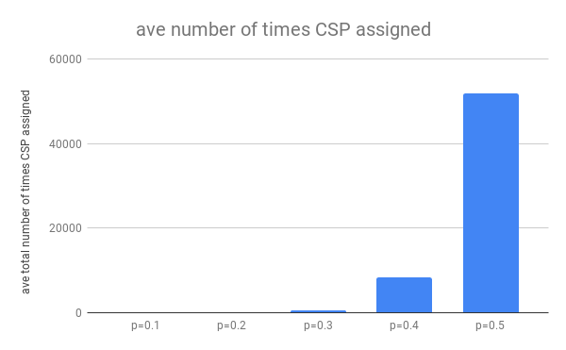
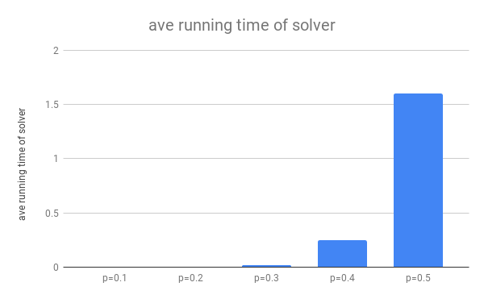
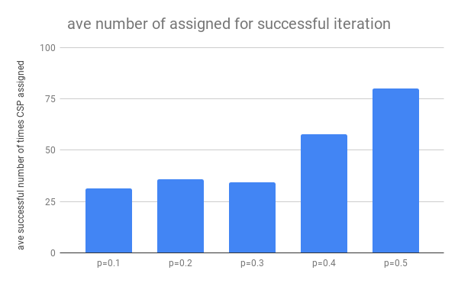
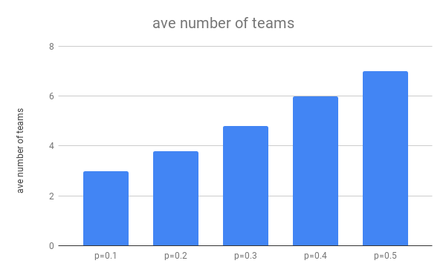
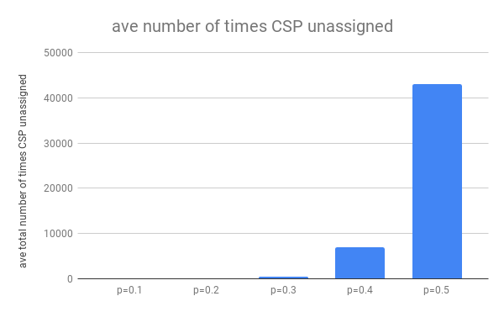
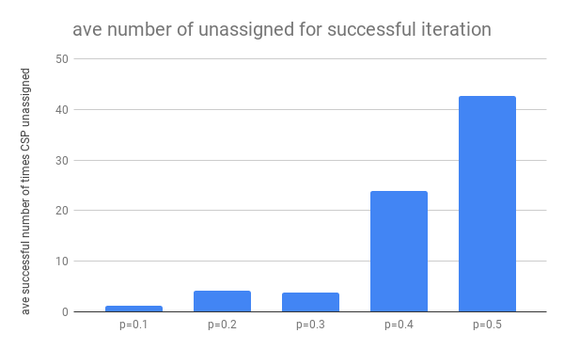
n=30 | number of teams | running time of solver | total number of times CSP assigned | total number of times CSP unassigned | number of assigned for successful iteration | number of unassigned for successful iteration
p=0.1 | 3 | 0.0018527507782 | 44 | 13 | 30 | 0
p=0.1 | 3 | 0.001620054245 | 43 | 12 | 30 | 0
p=0.1 | 3 | 0.00173163414 | 40 | 9 | 30 | 0
p=0.1 | 3 | 0.001656293869 | 43 | 12 | 30 | 0
p=0.1 | 3 | 0.0014853477478 | 37 | 6 | 37 | 6

p=0.2 | 4 | 0.003520488739 | 89 | 50 | 40 | 7
p=0.2 | 4 | 0.005026102066 | 142 | 93 | 30 | 0
p=0.2 | 4 | 0.0057556629181 | 164 | 122 | 30 | 0
p=0.2 | 3 | 0.0016045570374 | 38 | 7 | 30 | 0
p=0.2 | 4 | 0.0025026798248 | 50 | 14 | 50 | 14

p=0.3 | 4 | 0.0034644603729 | 82 | 44 | 44 | 12
p=0.3 | 5 | 0.029440879822 | 955 | 773 | 38 | 7
p=0.3 | 5 | 0.024337530136 | 707 | 577 | 30 | 0
p=0.3 | 5 | 0.015155076981 | 403 | 316 | 30 | 0
p=0.3 | 5 | 0.029905080795 | 970 | 779 | 30 | 0

p=0.4 | 6 | 0.30662512779 | 10038 | 8259 | 40 | 9
p=0.4 | 6 | 0.13863039017 | 4316 | 3518 | 128 | 85
p=0.4 | 6 | 0.55084395409 | 19509 | 16431 | 35 | 4
p=0.4 | 6 | 0.10934448242 | 3331 | 2804 | 30 | 0
p=0.4 | 6 | 0.13546037674 | 4555 | 3605 | 55 | 21

p=0.5 | 7 | 0.59624147415 | 17614 | 13951 | 36 | 4
p=0.5 | 7 | 1.8166265488 | 59863 | 49910 | 37 | 6
p=0.5 | 7 | 1.6752889156 | 53941 | 44632 | 48 | 16
p=0.5 | 7 | 1.631991148 | 53356 | 43241 | 159 | 110
p=0.5 | 7 | 2.2895586491 | 74989 | 62928 | 121 | 77

 | ave number of teams | ave running time of solver | ave number of times CSP assigned | ave number of times CSP unassigned | ave number of assigned for successful iteration | ave number of unassigned for successful iteration
p=0.1 | 3 | 0.001669216156 | 41.4 | 10.4 | 31.4 | 1.2
p=0.2 | 3.8 | 0.0036818981171 | 96.6 | 57.2 | 36 | 4.2
p=0.3 | 4.8 | 0.020460605621 | 623.4 | 497.8 | 34.4 | 3.8
p=0.4 | 6 | 0.24818086624 | 8349.8 | 6923.4 | 57.6 | 23.8
p=0.5 | 7 | 1.6019413471 | 51952.6 | 42932.4 | 80.2 | 42.6

