Sheet1
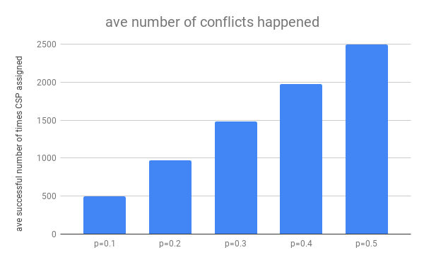
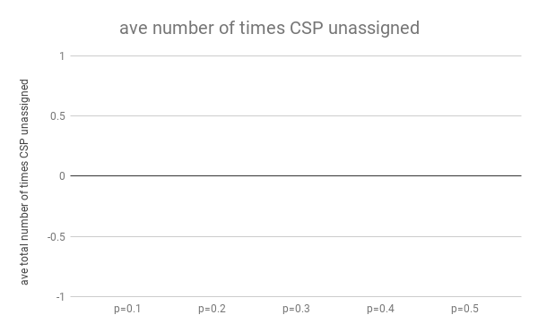
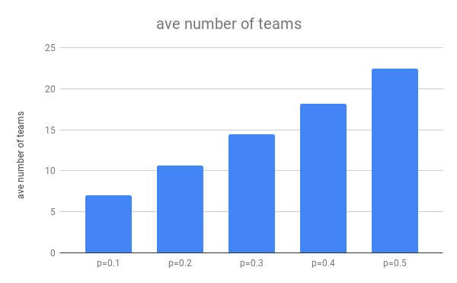
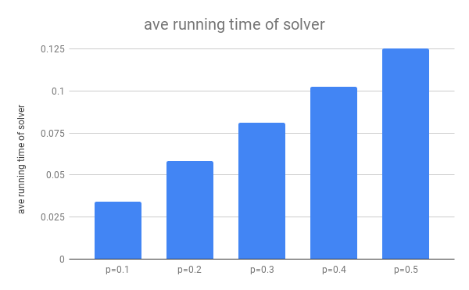
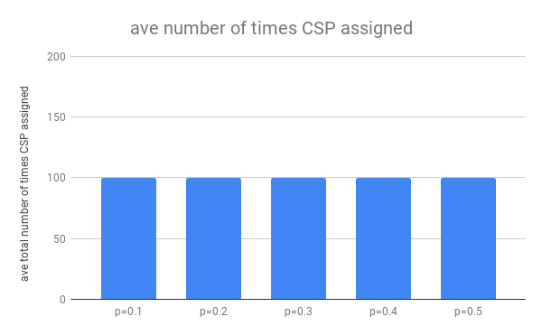
n=30 | number of teams | running time of solver | total number of times CSP assigned | total number of times CSP unassigned | total number of conflicts happened
p=0.1 | 7 | 0.032341957092 | 100 | 0 | 486
p=0.1 | 7 | 0.035870313644 | 100 | 0 | 502
p=0.1 | 7 | 0.034331083298 | 100 | 0 | 506
p=0.1 | 7 | 0.034635066986 | 100 | 0 | 501
p=0.1 | 7 | 0.033685445786 | 100 | 0 | 468

p=0.2 | 10 | 0.06142282486 | 100 | 0 | 988
p=0.2 | 11 | 0.056478261948 | 100 | 0 | 981
p=0.2 | 11 | 0.057838916779 | 100 | 0 | 1003
p=0.2 | 10 | 0.057664394379 | 100 | 0 | 961
p=0.2 | 11 | 0.057001590729 | 100 | 0 | 926

p=0.3 | 14 | 0.079165458679 | 100 | 0 | 1517
p=0.3 | 14 | 0.082564115524 | 100 | 0 | 1485
p=0.3 | 15 | 0.08159327507 | 100 | 0 | 1464
p=0.3 | 14 | 0.083972930908 | 100 | 0 | 1482
p=0.3 | 15 | 0.077424049377 | 100 | 0 | 1445

p=0.4 | 18 | 0.10358285904 | 100 | 0 | 1993
p=0.4 | 18 | 0.098278999329 | 100 | 0 | 1955
p=0.4 | 19 | 0.098239660263 | 100 | 0 | 1975
p=0.4 | 18 | 0.10667037964 | 100 | 0 | 1944
p=0.4 | 18 | 0.10601735115 | 100 | 0 | 2023

p=0.5 | 23 | 0.12614011765 | 100 | 0 | 2542
p=0.5 | 24 | 0.12508606911 | 100 | 0 | 2523
p=0.5 | 22 | 0.12199735641 | 100 | 0 | 2551
p=0.5 | 22 | 0.12600302696 | 100 | 0 | 2431
p=0.5 | 21 | 0.12567567825 | 100 | 0 | 2439

 | ave number of teams | ave running time of solver | ave number of times CSP assigned | ave number of times CSP unassigned | ave number of conflicts happened
p=0.1 | 7 | 0.034172773361 | 100 | 0 | 492.6
p=0.2 | 10.6 | 0.058081197739 | 100 | 0 | 971.8
p=0.3 | 14.4 | 0.080943965912 | 100 | 0 | 1478.6
p=0.4 | 18.2 | 0.10255784988 | 100 | 0 | 1978
p=0.5 | 22.4 | 0.12498044968 | 100 | 0 | 2497.2

