Sheet1
Number of N | Time(s) | Number of Clause | Satisfiability
2 | 0.020416736603 | 10 | UNSAT
3 | 0.021105766296 | 34 | UNSAT
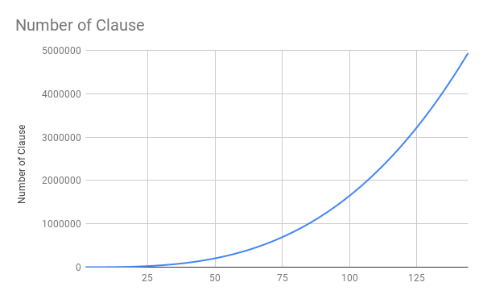
4 | 0.018253803253 | 84 | SAT
5 | 0.012169122696 | 170 | SAT
6 | 0.058228492737 | 302 | SAT
7 | 0.018139362335 | 490 | SAT | Number of N, Running time of minisat and Number of clauses are recorded from 2 to 144 whose running time are all smaller than 10s.
8 | 0.016659259796 | 744 | SAT
9 | 0.018352031708 | 1074 | SAT
10 | 0.015308856964 | 1490 | SAT
11 | 0.013125896454 | 2002 | SAT
12 | 0.018309354782 | 2620 | SAT
13 | 0.017145872116 | 3354 | SAT
14 | 0.021910429001 | 4214 | SAT
15 | 0.019927978516 | 5210 | SAT
16 | 0.021055936813 | 6352 | SAT
17 | 0.022423744202 | 7650 | SAT
18 | 0.022622108459 | 9114 | SAT
19 | 0.025406837463 | 10754 | SAT
20 | 0.028888940811 | 12580 | SAT
21 | 0.02793598175 | 14602 | SAT
22 | 0.02877497673 | 16830 | SAT
23 | 0.041015625 | 19274 | SAT
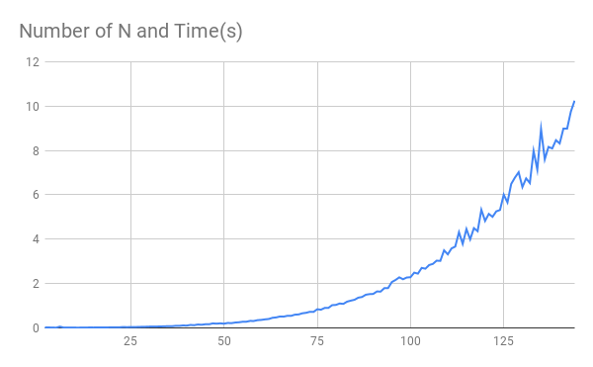
24 | 0.034978628159 | 21944 | SAT
25 | 0.040528774261 | 24850 | SAT
26 | 0.037141084671 | 28002 | SAT
27 | 0.04535651207 | 31410 | SAT
28 | 0.049149751663 | 35084 | SAT
29 | 0.053065061569 | 39034 | SAT
30 | 0.059328794479 | 43270 | SAT
31 | 0.059152603149 | 47802 | SAT
32 | 0.063887357712 | 52640 | SAT
33 | 0.066937923431 | 57794 | SAT
34 | 0.074054479599 | 63274 | SAT
35 | 0.078249931335 | 69090 | SAT
36 | 0.077378034592 | 75252 | SAT
37 | 0.094326496124 | 81770 | SAT
38 | 0.093454122543 | 88654 | SAT
39 | 0.11249470711 | 95914 | SAT
40 | 0.10544323921 | 103560 | SAT
41 | 0.13490486145 | 111602 | SAT
42 | 0.1239118576 | 120050 | SAT
43 | 0.15475201607 | 128914 | SAT
44 | 0.1432492733 | 138204 | SAT
45 | 0.1662671566 | 147930 | SAT
46 | 0.16516709328 | 158102 | SAT
47 | 0.20524597168 | 168730 | SAT
48 | 0.19327497482 | 179824 | SAT
49 | 0.20695877075 | 191394 | SAT
50 | 0.19215774536 | 203450 | SAT
51 | 0.22378659248 | 216002 | SAT
52 | 0.21590328217 | 229060 | SAT
53 | 0.24312901497 | 242634 | SAT
54 | 0.25498390198 | 256734 | SAT
55 | 0.27871990204 | 271370 | SAT
56 | 0.28138899803 | 286552 | SAT
57 | 0.31654381752 | 302290 | SAT
58 | 0.31412935257 | 318594 | SAT
59 | 0.35132884979 | 335474 | SAT
60 | 0.36221551895 | 352940 | SAT
61 | 0.38661670685 | 371002 | SAT
62 | 0.40337872505 | 389670 | SAT
63 | 0.45730566978 | 408954 | SAT
64 | 0.47479867935 | 428864 | SAT
65 | 0.51581072807 | 449410 | SAT
66 | 0.51015877724 | 470602 | SAT
67 | 0.54782319069 | 492450 | SAT
68 | 0.54563689232 | 514964 | SAT
69 | 0.59861588478 | 538154 | SAT
70 | 0.60823106766 | 562030 | SAT
71 | 0.6602036953 | 586602 | SAT
72 | 0.68223619461 | 611880 | SAT
73 | 0.72674870491 | 637874 | SAT
74 | 0.72247362137 | 664594 | SAT
75 | 0.8416492939 | 692050 | SAT
76 | 0.82338404655 | 720252 | SAT
77 | 0.901273489 | 749210 | SAT
78 | 0.90452480316 | 778934 | SAT
79 | 1.0273902416 | 809434 | SAT
80 | 1.0381422043 | 840720 | SAT
81 | 1.1017861366 | 872802 | SAT
82 | 1.085682869 | 905690 | SAT
83 | 1.185587883 | 939394 | SAT
84 | 1.2309701443 | 973924 | SAT
85 | 1.2703449726 | 1009290 | SAT
86 | 1.3647415638 | 1045502 | SAT
87 | 1.3954541683 | 1082570 | SAT
88 | 1.4962346554 | 1120504 | SAT
89 | 1.5244998932 | 1159314 | SAT
90 | 1.5330290794 | 1199010 | SAT
91 | 1.6440258026 | 1239602 | SAT
92 | 1.6407315731 | 1281100 | SAT
93 | 1.7957746983 | 1323514 | SAT
94 | 1.7986001968 | 1366854 | SAT
95 | 2.0694556236 | 1411130 | SAT
96 | 2.1633455753 | 1456352 | SAT
97 | 2.2817494869 | 1502530 | SAT
98 | 2.1951665878 | 1549674 | SAT
99 | 2.2741687298 | 1597794 | SAT
100 | 2.2866446972 | 1646900 | SAT
101 | 2.4925253391 | 1697002 | SAT
102 | 2.4498913288 | 1748110 | SAT
103 | 2.7068457603 | 1800234 | SAT
104 | 2.6718001366 | 1853384 | SAT
105 | 2.8359649181 | 1907570 | SAT
106 | 2.88702178 | 1962802 | SAT
107 | 3.0329294205 | 2019090 | SAT
108 | 3.024425745 | 2076444 | SAT
109 | 3.4999825954 | 2134874 | SAT
110 | 3.3184726238 | 2194390 | SAT
111 | 3.5861127377 | 2255002 | SAT
112 | 3.6698510647 | 2316720 | SAT
113 | 4.3169944286 | 2379554 | SAT
114 | 3.7910699844 | 2443514 | SAT
115 | 4.4591832161 | 2508610 | SAT
116 | 3.9922544956 | 2574852 | SAT
117 | 4.5002086163 | 2642250 | SAT
118 | 4.3621981144 | 2710814 | SAT
119 | 5.3287181854 | 2780554 | SAT
120 | 4.8262944221 | 2851480 | SAT
121 | 5.1421003342 | 2923602 | SAT
122 | 5.0105862617 | 2996930 | SAT
123 | 5.2566249371 | 3071474 | SAT
124 | 5.3182492256 | 3147244 | SAT
125 | 6.010579586 | 3224250 | SAT
126 | 5.6602137089 | 3302502 | SAT
127 | 6.4923343658 | 3382010 | SAT
128 | 6.7791757584 | 3462784 | SAT
129 | 7.0213382244 | 3544834 | SAT
130 | 6.3512778282 | 3628170 | SAT
131 | 6.7421336174 | 3712802 | SAT
132 | 6.5343849659 | 3798740 | SAT
133 | 7.9831807613 | 3885994 | SAT
134 | 7.1380519867 | 3974574 | SAT
135 | 8.9682297707 | 4064490 | SAT
136 | 7.6021745205 | 4155752 | SAT
137 | 8.1618037224 | 4248370 | SAT
138 | 8.0921084881 | 4342354 | SAT
139 | 8.4656078815 | 4437714 | SAT
140 | 8.3197398186 | 4534460 | SAT
141 | 8.9868326187 | 4632602 | SAT
142 | 8.9877958298 | 4732150 | SAT
143 | 9.7564647198 | 4833114 | SAT
144 | 10.248053551 | 4935504 | SAT

