Sheet1
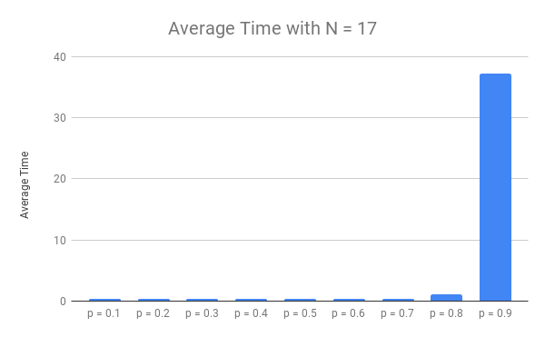
Time | p = 0.1 | p = 0.2 | p = 0.3 | p = 0.4 | p = 0.5 | p = 0.6 | p = 0.7 | p = 0.8 | p = 0.9
 | 0.30052828789 | 0.88323402405 | 0.27731490135 | 0.2921602726 | 0.29885268211 | 0.32614326477 | 0.26220726967 | 0.53921175003 | 3.5503003597
 | 0.31632137299 | 0.28819203377 | 0.30502986908 | 0.32083249092 | 0.31198525429 | 0.31261563301 | 0.26417589188 | 0.5380461216 | 78.639960051
 | 0.36053872108 | 0.26591825485 | 0.33937740326 | 0.26984882355 | 0.99446082115 | 0.25951480865 | 0.33328390121 | 3.0453965664 | 5.2660906315
 | 0.32265806198 | 0.28333950043 | 0.28344893456 | 0.2815618515 | 0.32899975777 | 0.29701042175 | 0.4031586647 | 0.33815312386 | 2.5058984756
 | 0.25994038582 | 0.24182724953 | 0.32017731667 | 0.32212781906 | 0.25949454308 | 0.30021762848 | 0.3482131958 | 1.022002697 | 65.393223286
 | 0.24840378761 | 0.27053833008 | 0.33269476891 | 0.30245184898 | 0.27533054352 | 0.37004232407 | 0.29835486412 | 0.55298805237 | 49.012814999
 | 0.30250191689 | 0.2695941925 | 0.32844090462 | 0.37631320953 | 0.49912953377 | 0.27119159698 | 0.25525021553 | 0.35592556 | 87.989344597
 | 0.25515961647 | 0.25644946098 | 0.34238958359 | 0.27339148521 | 0.33785486221 | 0.35683751106 | 0.28618407249 | 2.4974710941 | 3.37596488
 | 0.26306962967 | 0.3676469326 | 0.25495386124 | 0.27404475212 | 0.33396053314 | 0.27660155296 | 0.31383156776 | 1.5976803303 | 72.328055143
 | 0.34348726273 | 0.31991386414 | 0.25926852226 | 0.31952929497 | 0.29452300072 | 0.29136228561 | 0.31791400909 | 0.55790472031 | 4.6707530022

Minimum | 0.24840378761 | 0.24182724953 | 0.25495386124 | 0.26984882355 | 0.25949454308 | 0.25951480865 | 0.25525021553 | 0.33815312386 | 2.5058984756
Max | 0.36053872108 | 0.88323402405 | 0.34238958359 | 0.37631320953 | 0.99446082115 | 0.37004232407 | 0.4031586647 | 3.0453965664 | 87.989344597
Median | 0.30151510239 | 0.27693891525 | 0.31260359287 | 0.29730606079 | 0.32049250603 | 0.29861402512 | 0.30609321594 | 0.55544638634 | 27.139452815
Average Time | 0.29726090431 | 0.34466538429 | 0.30430960655 | 0.30322618484 | 0.39345915318 | 0.30615370274 | 0.30825736523 | 1.1044780016 | 37.273240542

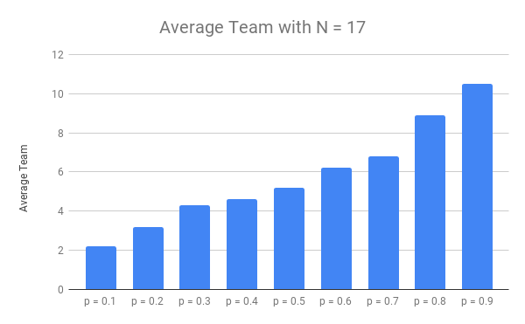
Minimum Team | p = 0.1 | p = 0.2 | p = 0.3 | p = 0.4 | p = 0.5 | p = 0.6 | p = 0.7 | p = 0.8 | p = 0.9
 | 2 | 4 | 5 | 5 | 5 | 7 | 6 | 9 | 10
 | 2 | 3 | 4 | 4 | 5 | 6 | 7 | 9 | 11
 | 2 | 3 | 4 | 4 | 5 | 6 | 7 | 10 | 10
 | 2 | 3 | 5 | 5 | 6 | 6 | 6 | 8 | 10
 | 3 | 3 | 4 | 5 | 6 | 6 | 8 | 9 | 11
 | 2 | 3 | 5 | 4 | 5 | 7 | 6 | 9 | 11
 | 2 | 3 | 4 | 4 | 5 | 6 | 7 | 8 | 11
 | 2 | 3 | 4 | 5 | 5 | 6 | 7 | 9 | 10
 | 2 | 4 | 4 | 5 | 5 | 6 | 7 | 9 | 11
 | 3 | 3 | 4 | 5 | 5 | 6 | 7 | 9 | 10

Minimum | 2 | 3 | 4 | 4 | 5 | 6 | 6 | 8 | 10
Max | 3 | 4 | 5 | 5 | 6 | 7 | 8 | 10 | 11
Median | 2 | 3 | 4 | 5 | 5 | 6 | 7 | 9 | 10.5
Average Team | 2.2 | 3.2 | 4.3 | 4.6 | 5.2 | 6.2 | 6.8 | 8.9 | 10.5

