Sheet1
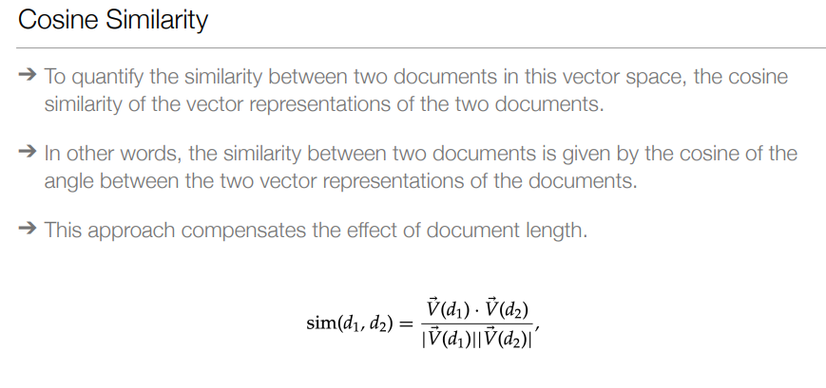
H1 | Portugal eyes political balance in presidential election
H2 | Campaigning begins for Portuguese presidential election
H3 | After Portuguese elections, Spain braces for elections

Incidence Matrix |  |  |  | 1 Dimension vector representation
 | H1 | H2 | H3
portugal | 1 | 0 | 0
election | 1 | 1 | 0
presidential | 1 | 1 | 0

Term frequency weights - raw

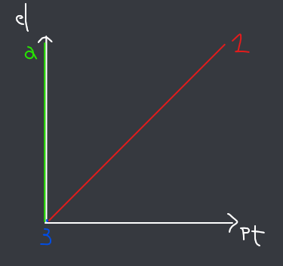
 | H1 | H2 | H3
portugal | 1 | 0 | 0 | 2 dimension vector representation
election | 1 | 1 | 0
presidential | 1 | 1 | 0

Term frequency weights - log

 | H1 | H2 | H3
portugal | 1 | 0 | 0
election | 1 | 1 | 0
presidential | 1 | 1 | 0

document frequency

portugal | 1
election | 2
presidential | 2

idf | N=3
portugal | 0.47712125472
election | 0.17609125906 |  |  | 3 dimension vector representation |  | Sizes
presidential | 0.17609125906 |  |  |  |  | Q | 1.4142135624
 |  |  |  |  |  | 1 | 1.7320508076
 |  |  |  |  |  | 2 | 1.4142135624
tf-idf |  |  |  |  |  | 3 | 0
 | H1 | H2 | H3
portugal | 0.47712125472 | 0 | 0 |  | Q, 1 | normalized
election | 0.17609125906 | 0.17609125906 | 0 |  | Q | (1,1,0)/1.41 | (0.71, 0.71, 0)
presidential | 0.17609125906 | 0.17609125906 | 0 |  | 1 | (1,1,1)/1.73 | (0.58, 0.58, 0.58)
 |  |  |  |  | 2 | (0,1,1)/1.41 | (0, 0.71, 0.71)
 |  |  |  |  | 3 | (0,0,0)/0 | (0, 0, 0)

 |  |  |  |  |  | similarities
 |  |  |  |  |  | sim(Q, 1) | 0.8236
 |  |  |  |  |  | sim(Q, 2) | 0.5041
 |  |  |  |  |  | sim(Q, 1) | 0

