p_value_graphic
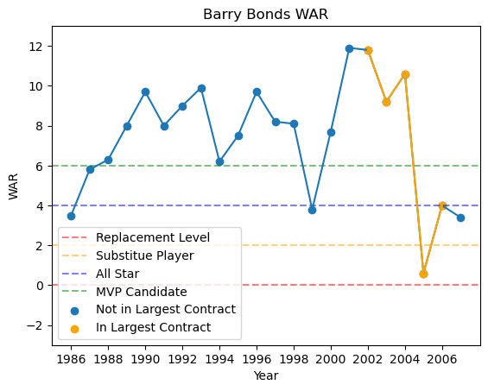
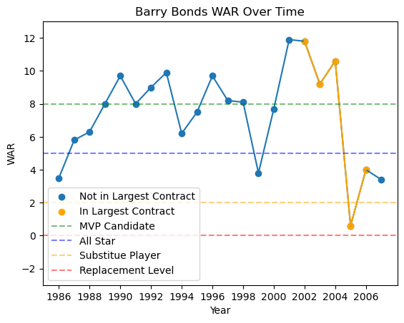
 | All Contracts | 1 - 3 Years | 4 - 6 Years | 7+ Years
% Not Significant | 88.08% | 88.46% | 89.73% | 82.54%
% Significant | 3.84% | 3.15% | 3.42% | 7.94%
% Very Significant | 1.82% | 0.35% | 4.11% | 3.17%
% Highly Significant | 0.92% | 0.35% | 1.37% | 1.59%
Total Players | 468 | 264 | 144 | 60
Note: Total Carear WAR for all players is at least 7.6

