Testers Feedback 4 April
Enhancements feedback

Advertise Section
 |  |  |  |  |  | GMW STATUS | Further Comments | gmw status - 04-04-2013 | Comments 13-04-2013
1 | Not Done |  | Move developed items to live environment – www.execrentals.co.za |  | Not done

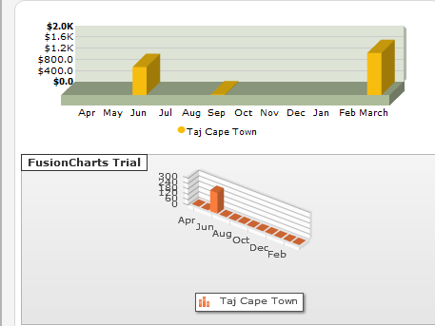
2 | Done |  | Dashboard needs to show this pagelocated at - http://buildingblox.co.za/ExecRentals_Dev3/fourth-page.php |  | Correct - However only shows one property even though there are multiple properties in portfolio | DONE | THis should be in Rands, for example R150 - | Done - But the $ symbol couldnot be replaced. | Works on Dev - need to upload and test on Live
 |  |  |  |  |  |  | Also should show all property price info
 |  |  | and not old page –

 |  |  | http://buildingblox.co.za/ExecRentals_Dev3/dashboard.php

3 | In Progress |  | Remove some of the columns from property listings |  | No values in the other ccolumns: | DONE | Ensure each column has info and if not so why Also last empty column should be removed |  | How do we go about testing each column to ensure it contains content?

 |  |  |  |  |  |  |  | Done
4 | In Progress |  | Correct the top section – the data is static and needs to be dynamic and based on correct site: Not done Vacant listing Properties coming up for renewal Properties empty Notices submitted New tenant Application |  | Not sure if values are pulling through |  |  |  | We need to fix these items
 |  |  |  |  |  | DONE - as per the db tables provided | Mails, Booking Request and Responses to Booking seem to be static and Do not Update - Also clicking on the link does not take you to the item

5 | Done |  | Move ‘Manage listing’ link across as per previously supplied image and layout |  | Correct | DONE | Tested and Completed on Dev to Update Live

 |  |  | I had checked this, and I am not able to find layout for this page, it is my_listing page, not the one we had developed so kindly provide image or layout
6 | DOne |  | Please correct Google Image on loading page |  | No Errors encountered | DONE | Tested and Completed on Dev to Update Live

 |  |  | I had same key as in the other pages but since it is on different domain so thats why it is showing message.
 |  |  | It will automically correct once it is moved to correct domain.
7 | DOne |  | Increase image size and lpace dark 1px width gray border around image |  | Corrected | DONE | Tested and Completed on Dev to Update Live

 |  |  | The image is gone and so is the content?

8 | In Progress |  | A completed advertising buttpn to change the color image of this button to green – as initally trhe button should be red along with all other buttons unless they are being worked on then their color should be orange – with the next step being yellow |  | Has this been completed ? | DONE - as per the discussion | 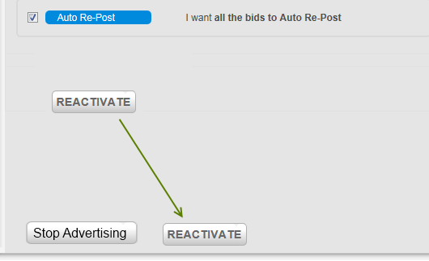 Ensure page layout is per the following; also buttosn should change based on the state it is in | Done | Buttons not lining up

 |  |  |  |  |  |  | 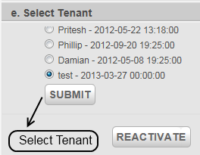 | Done
9 | Done |  | Icons to be added based on a number parameter |  | Compelted | DONE | Tested and Completed on Dev to Update Live

13 | In Progress |  | When you mouse over a row the cusor must change to a hand to represent a link and have display a mini popup stating ‘Click to Edit’ |  | Not done - Does not work across all lists the same way | DONE | Tested and Completed on Dev to Update Live
14 | Done |  | Insert lines between each row to delineate the row information |  | Not done- check all lists There are still lists that it does not show for instance tenant reviews | DONE | Not done- check all lists | Done
16 | Not Done | 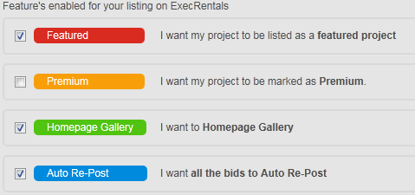 | These values don’t seem to be doing anything - they should complete items mentionedin the functional spec. – see below |  | Not done
o 17 | Not Done | o Auto repost –
 |  | · automatically moves the listing to the beginning of the search results after a week
 |  | · needs to display the item at the top of the search results for that property type (commercial, residential, luxury)
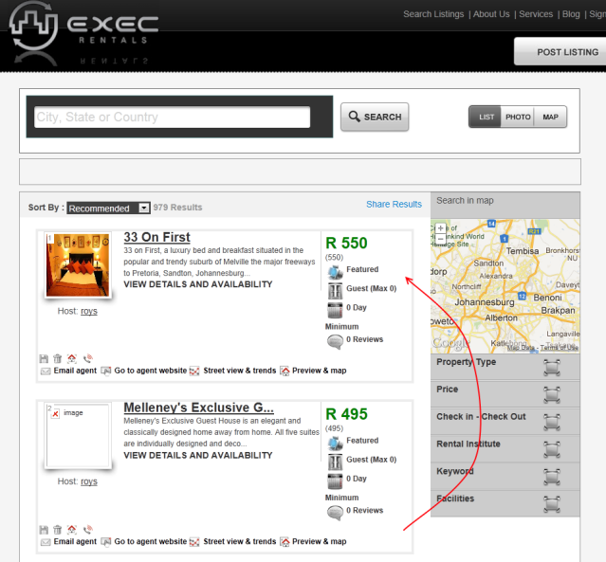
 |  | · |  |  |  |  |  | Done==>> Premium , featured , homepage gallery

 |  | o Premium
 |  | · Displays premium on the listing
 |  | · Show the premium banner on the listing

 |  | ·

 |  | o Homepage gallery –
 |  | - Needs to show on the homepage under the relevant banner: http://www.execrentals.co.za/search_listings.php

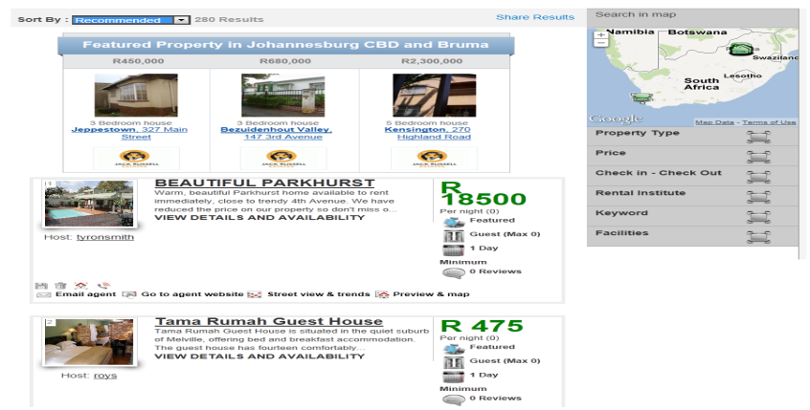
 |  | o Featured –
 |  | · Needs to be listed as Featured on the search results page - http://www.execrentals.co.za/rental_search.php for that area and category and have the feature icon associated with it
 |  | o

17 | Not Done |  |  | Where is the views data coming from and is it correct? | Not done | DONE- displayed name of town | THis needs to state name of place |  | Done to be completd on Live
 |  |  |  |  |  |  | 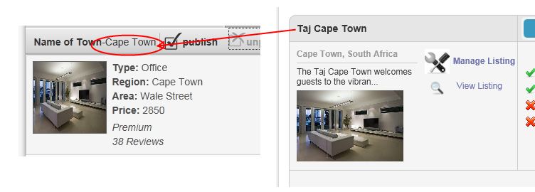 | Done
18 | Not Done |  |  | This says name of town – but then shows views? | This needs to be listing name and not name of town which is already mentioned in Area | DONE- displayed name of town | See above comments | Done
19 | Not Done |  |  | Doesn’t show or indicate the monthly/­­­­ price – though one is specified for this property | Not done - | DONE- displayed only price | See above comments | Done | Done to be completd on Live

 |  |  |  |  | Exaplain more
20 | In Progress |  |  | THIs seems to be static as well – but should pull form the listed data | Where are these views coming from |  | Please change this to say views | Done | Done to be completd on Live

Tenant Review

21 | In Progress |  | Can we only have the scroll bar after 10 items 20 and have it increase similar to the advertising statistics section | Does not seem to allowing paging |  |  |  | Done | Not Done

23 | In Progress | 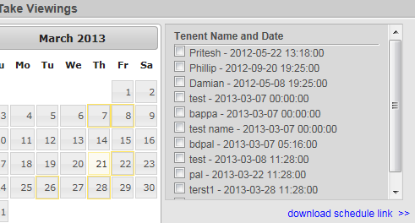 | When I click the link I get an option to open a csv – I thought we agreed it would be a an ICS (calendar) file | Not done – this doesn’t seem to work correctly - THis still shows a CSV file for tenant review section |  | DONE | 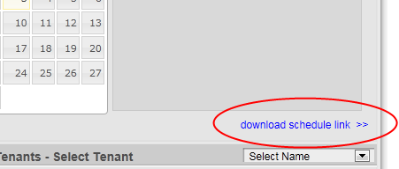 On the Tenant Review there is still only one link | Done | 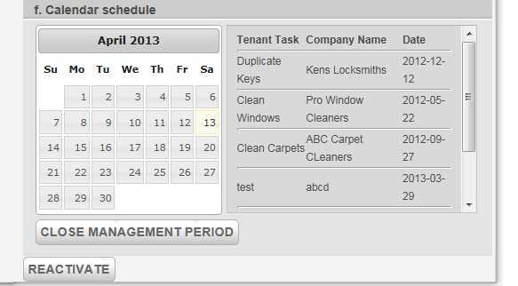 Calendar download for management period no links -
24 | Not Done |  | The tenant references is not correct – as it should have the ability to supply references – or be able to pick out pre created references for the individual | Not done

 |  |  | It was done as per specification. Kindly provide more details.

25 | Not Done |  | Once I have ‘selected the tenant’ and hit Submit the Tenant Review colour should change to Green | Testing On Dev |  | DONE | Testing On Dev |  | Need to upload to Live
26 | In Progress |  | Scroll bar disappeared after added a new Tenant Interview detail | Testing On Dev |  | DONE | Testing On Dev
27 | Not Done |  | Shouldn’t allow me to set interview dates in the past | Not done |  |  | Tested and Completed on Dev to Update Live
28 | Not Done |  | Some dates still appear in the calendar even though I have deleted it from the top area – please also add column header to the list information | Not done |  |  | Testing On Dev | Done
29 | Not Done | 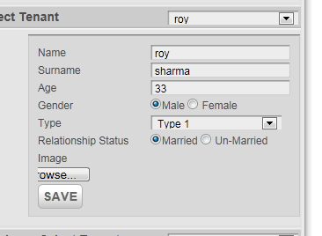 | Not sure how surname and age were added as the only detilas that were initially added were name, date and contact details (email) at the top. | Not done

 |  |  | The surname and age is added here.You can update the surname and age details here. |  |  |  |  | Done
30 | Not Done |  | This needs to say select an image and the Browse button needs to not be cut off |  |  |  | Tested and Completed on Dev to Update Live
31 | Not Done |  | Need to be able to add to references and add description info | Not done |  |  | Unable to add details mentioned |  | This section doesn’t work

 |  |  | Kindly provide more info as it is working as per specification given. |  |  |  |  |  | 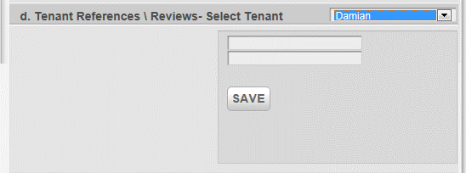
32 | Not Done |  | This should list it in the summary area for that section as ‘Selected Tenant’ | Not done |  |  | Tested and Completed on Dev to Update Live (Font Needs to be bigger)
33 | Not Done | THis hasn’t been complted - . Tenant References |  | Not done |  |  | Not Done
 |  | - check if tenant has reference information in the site and find rating (if any)
 |  | Add a reference name and number and email

Move In
34 | Not Done |  | The green area should indicate the file type – word document, pdf etc | Not done |  | DONE | Testing On Dev

 |  |  | There needs to be a border / box around each added file

 |  |  | Use the same listin amount up to 10 and then include scroll bars |  |  |  |  | Done
35 | Not Done |  | The uploading image seems to be missing | Not done |  |  |  |  | Not done - No Upload button
36 | Not Done |  | After uploading file it shows the following – file names don’t seem to get added | Not done |  |  |  |  | Not done
37 | Not Done |  | Company / Name should be able to be pulled from current providers along with other details – or can add new item in | Not done |  |  |  |  | Not done

 |  |  | Kindly explain it how company name can be pulled as we are adding here company details. Is there separate way to add company name? | Exaplne more |  |  |  | Done
38 | In Progress |  | THis should have separator boxes as mentioned previously as info seems squashed and date to the right | Not done | 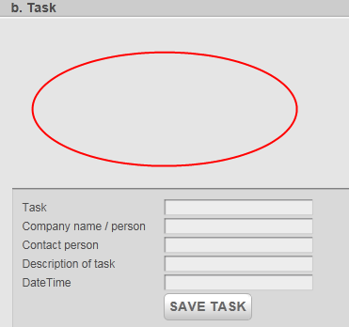 | Task list dissappears when adding a Move In task |  | Done
39 | In Progress |  | Use calendar design previously mentioned | Not done throughout entire site
40 | Not Done |  | Use borders around text as previously mentioned and include the company name and date of the task | Not done |  |  |  | Done | Need to upload to live

 |  |  |  | Exaplne more
41 | In Progress |  | Separate line items with borders and heading | Not done throughout entire site |  |  |  | Done | Need to upload to live
42 | In Progress |  | As well as with the Visit Notification | Not done throughout entire site |  |  |  | Done | Need to upload to live

Manage

43 | Not Done |  | Please use this layout for all list table information | Not done - There are still some sections which do not have seperator lines |  |  |  | Done | Need to upload to live
44 | In Progress |  | Can we brnig these columns closer together – lets keep the look consistent with the previous table and across the entire system – maybe if you could do one list and we could base the rest of the list off that one so that when it comes to the list we know the expected requirements | Not done - There are still some sections which do not have seperator lines |  |  |  | Done | Need to upload to live
45 | In Progress |  | When delting could we have a loading icon, as sometimes it seems to do nothing and if the item is attempted to be deleted again it deletes another item | Seems to have varied results |  |  |  | Done | Need to upload to live
46 | In Progress |  | DO the same with the household maintenance list and Inspection | Not doneSeems to have varied results
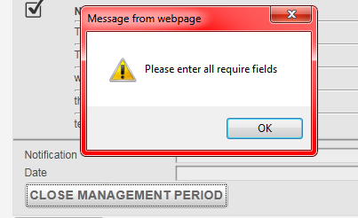
47 | In Progress |  | Instead of button stating ‘Save’ it should State ‘Close Management period’ | Not done |  | It shouldn’t request to please enter all fields if data exists

 |  |  |  |  |  |  |  | Done | Need to upload to live
48 | Not Done | Emails arent sent out as discussed in the manage milestone section |  | h |  |  |  |  | Not Done
49 | Not Done |  | Need to get Vacate Item to work | Not done |  |  |  |  | Need to upload to live

Testers Feedback 9 April
Limit this graph to 5 properties and have income and expense headings add borders as shown and heading | 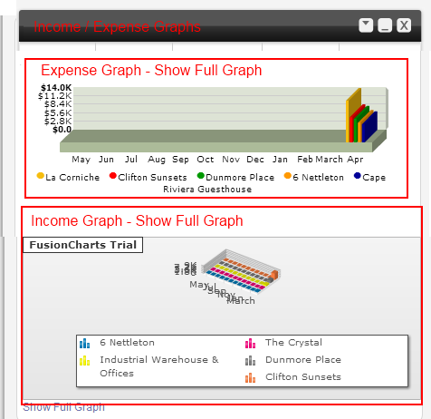

 |  |  | Done

Add charges should have the field name next to it
Update all monetary items to R | 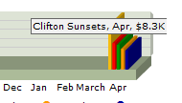

 |  |  | done

This seems to be a static box | 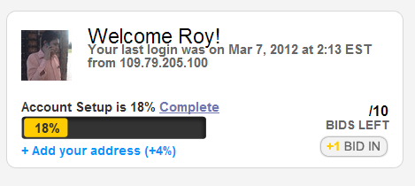 |  | Explain more details , How account setup works

 |  | NEW

Tenants table needs to be smaller | 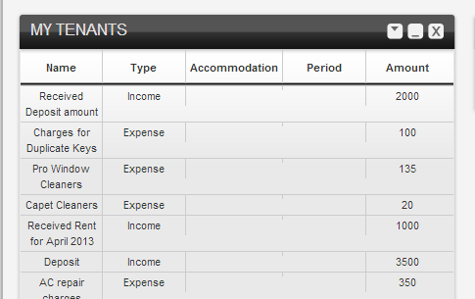

 |  |  | DONE

Sales totatls needs to refelct the correct amount

 |  |  | DONE

No messsage exist, can we try and put them in | 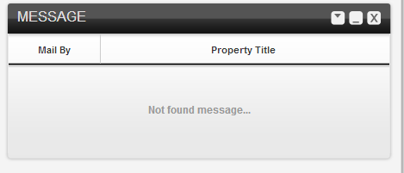

Can we resolve the list and map issue | 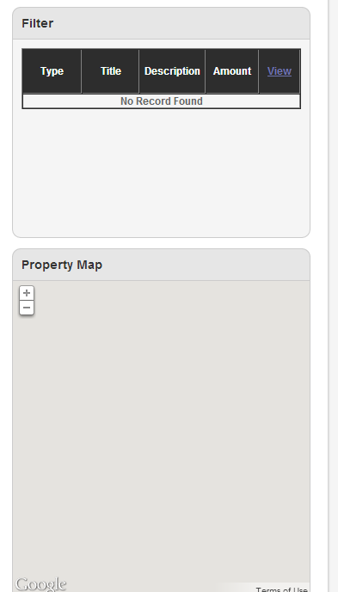

 |  |  | explain about filter

 |  | NEW

Need to make sur etha t he manage listing image is correctly |  | NEW | Done

The selected item needs to be open when you click manage property | 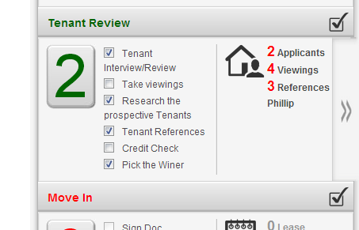

 |  |  | DONE

Need to send a work order to landlord and provider and then landlord needs to approve | 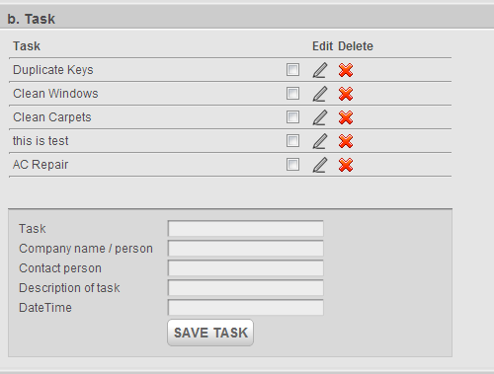 |  | Explain Details

 |  | new

What is going on here | 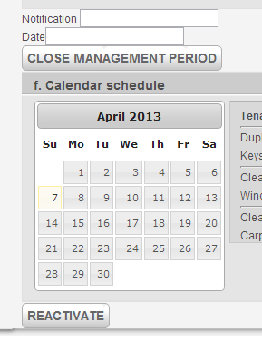

Need the table to expand to the end | 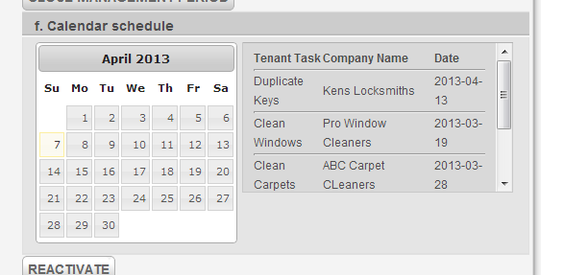

 |  |  | done

Need to be ab le to add more providers | 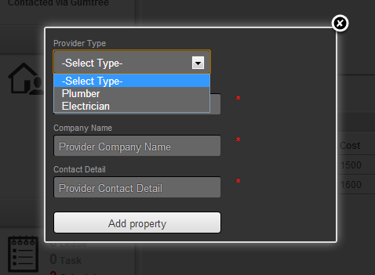 | NEW | explain details, and give content

THis does not fit | 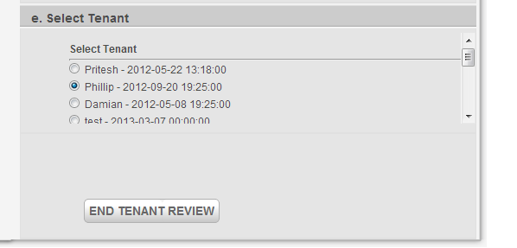 | new

 |  |  | Done

Change the layout | 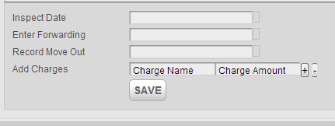

Why is there a link here | 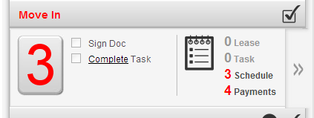 | new | link not showing on our system

Still able to use old date details | 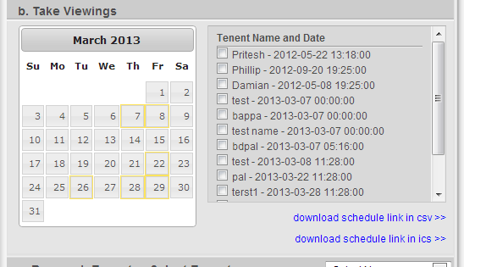

Tenant info must show correct current tenant info |  | NEW
 |  |  | first part done, explain about healty credit

Review box needs to be bigger and say "Review Tenant" | 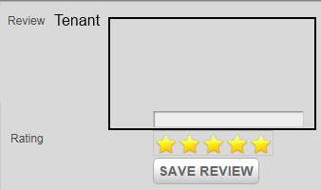

 |  |  | DONE

Line up styling of all boxes to the end | 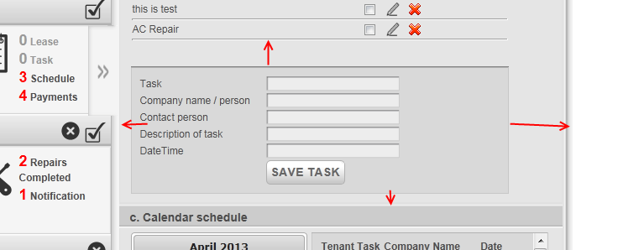 | new

 |  |  | done

Increase all description of size boxes | 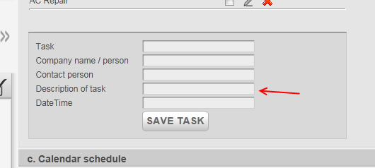

 |  | new | done

Change Name to "Tenant Name" | 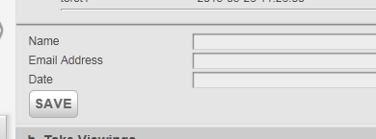

 |  | new | done

Text Boxes overlap need to be moved in | 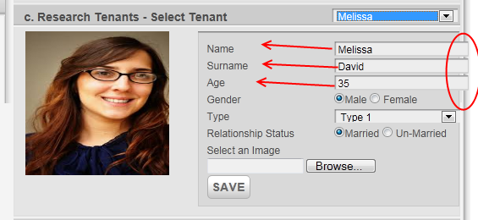

 |  |  | done
 |  | new

State "Melissa" selected - | 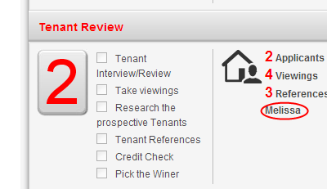 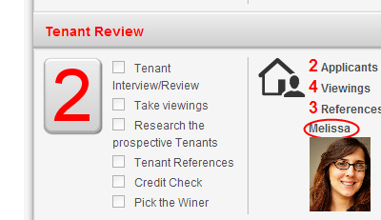

 |  | new | done

Change to say "Save Payment" | 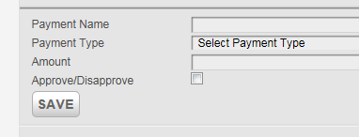

 |  | NEW | DONE

THis is static, needs to be updated as per the left hand information | 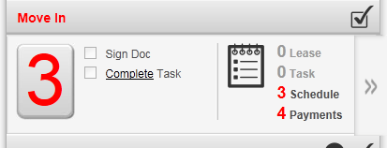

 |  | NEW | Done

Align all buttons to the left | 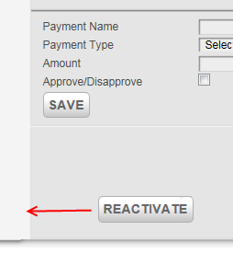

Images are not showing on vacate section | 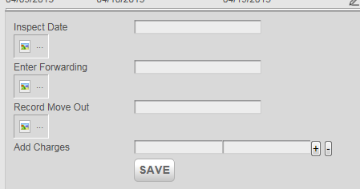

 |  |  | DONE

Tena
Expand list to end | 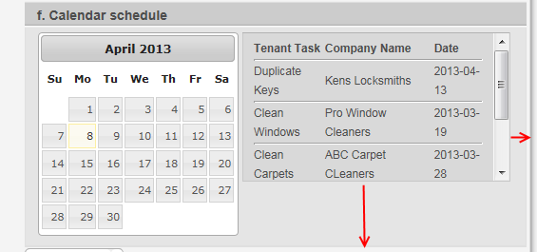

 |  |  | DONE

Move button to end of page | 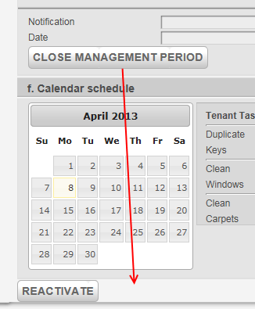 |  |  | Needs to be done with all buttons on the page
 |  |  |  | 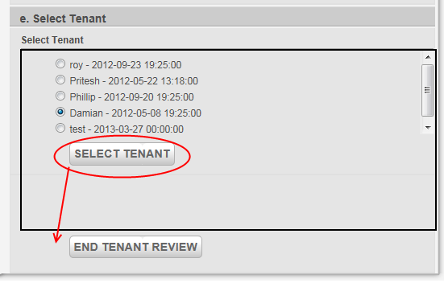

 |  |  | Not done

Date needs to be shortened so items are 1 liners

This should reflect correctly the amount of days if vacant or not | 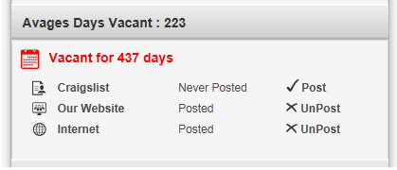 |  | explain details

 |  | new

Map Location is same for all properties | 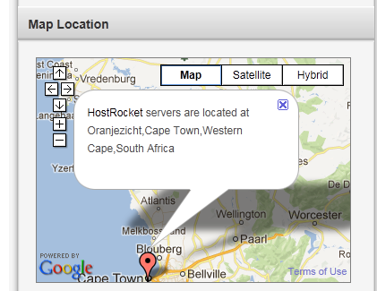

Map Location Information is incorrect, should show name of property with address | 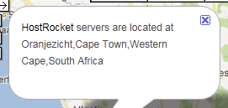

This box needs to be closed and pointer needs to be central on the map | 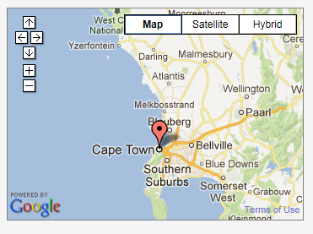

Styling needs to go to the bottom of the page | 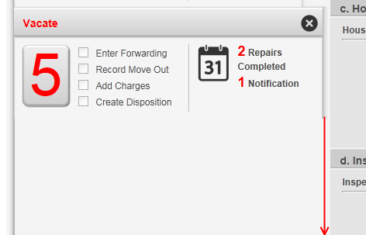

 |  |  | Done

