Sheet1
Minting Dappp
Request Title | Requests per user | Total requests per day | Graph | Base | Average per second | Peak | Request mapping
Mint | 1 | 125,500,000 |  | 0 | 1483.5 | 95000000
Component | Request Title | Total requests per day
Main gateway | Mint | 125,500,000
Contract service | Mint | 125,500,000
Message system | Mint | 125,500,000
Notification system | Mint | 125,500,000
Social Platform
Request Title | Requests per user | Total requests per day | Graph | Base | Average per second | Peak | Request mapping
Login | 1.5 | 188,250,000 |  | 10,000,000 | 2,226 | 65,000,000
Register | 1 | 125,500,000 |  | 5,000,000 | 1,484 | 35,000,000
Post | 2 | 251,000,000 |  | 17,500,000 | 2,967 | 100,000,000 | 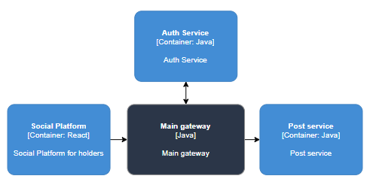
Like post | 15 | 1,900,000,000 |  | 22,500,000 | 22,459 | 1,235,000,000
Comment | 5 | 627,500,000 |  | 15,000,000 | 7,417 | 407,875,000 | 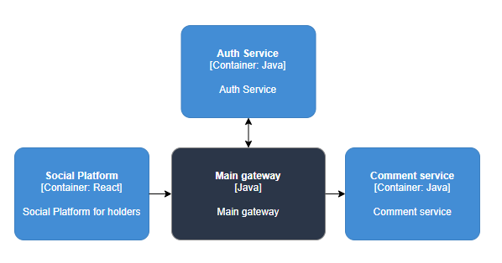
Like comment | 5 | 627,500,000 |  | 7,500,000 | 7,417 | 411,666,667
Chat | 10 | 1,300,000,000 |  | 20,000,000 | 15,366 | 845,000,000 | 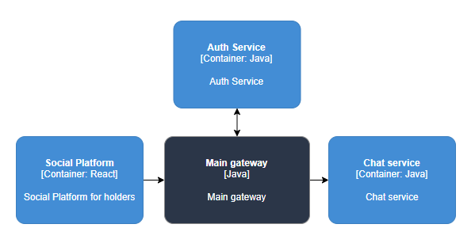
Add friend | 1 | 125,500,000 |  | 7,500,000 | 1,484 | 62,750,000 | 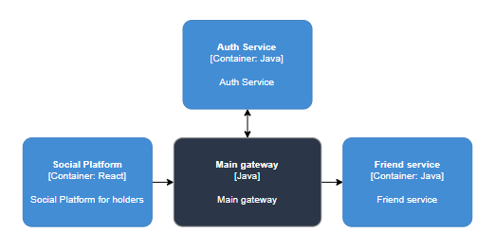
Remove friend | 0.5 | 62,750,000 |  | 3,750,000 | 742 | 31,375,000
Component | Request Title | Total requests per day
Main gateway | Login Register Post Like post Comment Like comment Chat Add friend Remove friend | 5,208,000,000
Auth service | Login Register Post Like post Comment Like comment Chat Add friend Remove friend | 5,208,000,000
User service | Register | 125,500,000
Post service | Post Like post | 2,151,000,000
Comment service | Comment Like comment | 1,255,000,000
Chat service | Chat | 1,300,000,000
Friend service | Add friend Remove friend | 188,250,000
Game Platform
Request Title | Requests per user | Total requests per day | Graph | Base | Average per second | Peak | Request mapping
Login | 1.5 | 188,250,000 |  | 10000000 | 2225.2 | 65000000
Register | 1 | 125,500,000 |  | 5000000 | 1483.5 | 35000000
Start game | 2.5 | 313,800,000 |  | 15000000 | 3,709.20 | 203970000 | 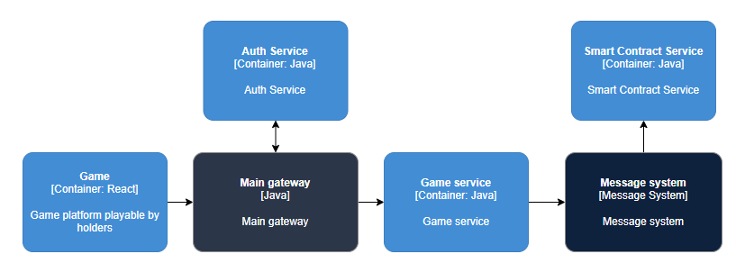
Buy Item | 2 | 251,000,000 |  | 12500000 | 2966.9 | 163150000
Component | Request Title | Total requests per day
Main gateway | Login Register Start game Buy Item | 879,550,000
Mesage system | Buy Item | 565,800,000
Auth service | Login Register Start game Buy Item | 879,550,000
User service | Register | 125,500,000
Game service | Start game Buy Item | 565,800,000
Contract service | Start game Buy Item | 565,800,000
Total
Component | Total amount
Gateway | 6,213,050,000
Message system | 691,300,000
Auth service | 6,213,050,000
User service | 251,000,000
Friend service | 188,250,000
Post service | 2,151,000,000
Comment service | 1,255,000,000
Chat service | 1,300,000,000
Game service | 565,800,000
Contract service | 565,800,000

