AR
 | MSE
AR(1) | 0.02
Árvore de decisão | 0.02
Floresta aleatória | 0.02
Xgboost | 0.02
Linha de base | 0.10
AR(1) | 0.05
Árvore de decisão | 0.05
Floresta aleatória | 0.05
Xgboost | 0.05
Linha de base | 0.15
AR(1) | 0.07
Árvore de decisão | 0.07
Floresta aleatória | 0.07
Xgboost | 0.07
Linha de base | 0.04
AR(1) | 0.02
Árvore de decisão | 0.02
Floresta aleatória | 0.02
Xgboost | 0.02
Linha de base | 0.18
AR(1) | 0.09
Árvore de decisão | 0.09
Floresta aleatória | 0.09
Xgboost | 0.09
Bitcoin
Dogecoin
Monero
Solana
Variable | Lags | MSE | MAE | Variable | MSE
Bitcoin | 1 | 1.5233806588E-05 | 0.0022802213772 | Linha de base | 0.03
Naive_Bitcoin | 1 | 3.254206908E-05 | 0.003502732569 | AR(1) | 0.02
Dogecoin | 1 | 4.5818849418E-05 | 0.0041650194579 | Árvore de decisão | 0.02
Naive_Dogecoin | 1 | 9.5714241994E-05 | 0.0062018283074 | Floresta aleatória | 0.02
Chainlink | 1 | 7.0938093869E-05 | 0.005636928871 | Xgboost | 0.02
Naive_Chainlink | 1 | 0.00014529378423 | 0.008377135867
Monero | 1 | 1.8921105448E-05 | 0.003053804215 | Linha de base | 0.10
Naive_Monero | 1 | 4.0534760604E-05 | 0.0045645003006 | AR(1) | 0.05
Solana | 1 | 8.9269474909E-05 | 0.0062188734036 | Árvore de decisão | 0.05
Naive_Solana | 1 | 0.00018065128729 | 0.0092361172742 | Floresta aleatória | 0.05
 |  |  |  | Xgboost | 0.05

 |  |  |  | Linha de base | 0.15
 |  |  |  | AR(1) | 0.07
 |  |  |  | Árvore de decisão | 0.07
 |  |  |  | Floresta aleatória | 0.07
 |  |  |  | Xgboost | 0.07

 |  |  |  | Linha de base | 0.04
 |  |  |  | AR(1) | 0.02
 |  |  |  | Árvore de decisão | 0.02
 |  |  |  | Floresta aleatória | 0.02
 |  |  |  | Xgboost | 0.02

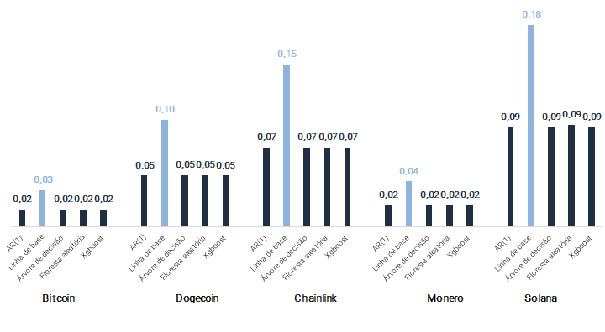
 |  |  |  | Linha de base | 0.18
 |  |  |  | AR(1) | 0.09
 |  |  |  | Árvore de decisão | 0.09
 |  |  |  | Floresta aleatória | 0.09
 |  |  |  | Xgboost | 0.09

AR Exog
Variable | Lags | MSE | MAE | Variable | Variable | MSE | MAE
('Dogecoin',) | 1 | 1.0502737656E-05 | 0.0019511151981 | ('Dogecoin', 'Monero', 'Solana') | Dogecoin, Monero, Solana | 0.008 | 1.794
Naive_Dogecoin | 1 | 3.254206908E-05 | 0.003502732569 | ('Dogecoin', 'Chainlink', 'Monero', 'Solana') | Dogecoin, Chainlink, Monero, Solana | 0.008 | 1.862
('Chainlink',) | 1 | 1.2672990742E-05 | 0.0023263682983 | ('Chainlink', 'Monero', 'Solana') | Chainlink, Monero, Solana | 0.009 | 1.940
Naive_Chainlink | 1 | 3.254206908E-05 | 0.003502732569 | ('Dogecoin', 'Solana') | Dogecoin, Solana | 0.009 | 1.851
('Monero',) | 1 | 1.1088431072E-05 | 0.0021262839073 | ('Monero', 'Solana') | Monero, Solana | 0.009 | 1.892
Naive_Monero | 1 | 3.254206908E-05 | 0.003502732569 | ('Dogecoin', 'Chainlink', 'Solana') | Dogecoin, Chainlink, Solana | 0.009 | 1.972
('Solana',) | 1 | 1.0490513795E-05 | 0.0019945122717 | ('Dogecoin', 'Chainlink', 'Monero') | Dogecoin, Chainlink, Monero | 0.009 | 1.984
Naive_Solana | 1 | 3.254206908E-05 | 0.003502732569 | ('Dogecoin', 'Monero') | Dogecoin, Monero | 0.009 | 1.914
('Dogecoin', 'Chainlink') | 1 | 1.0388693374E-05 | 0.002133145003 | ('Chainlink', 'Solana') | Chainlink, Solana | 0.010 | 2.083
Naive_Dogecoin_Chainlink | 1 | 3.254206908E-05 | 0.003502732569 | ('Chainlink', 'Monero') | Chainlink, Monero | 0.010 | 2.113
('Dogecoin', 'Monero') | 1 | 9.1062020084E-06 | 0.0019144246194 | ('Dogecoin', 'Chainlink') | Dogecoin, Chainlink | 0.010 | 2.133
Naive_Dogecoin_Monero | 1 | 3.254206908E-05 | 0.003502732569 | ('Solana',) | Solana | 0.010 | 1.995
('Dogecoin', 'Solana') | 1 | 8.6886509474E-06 | 0.0018506243922 | ('Dogecoin',) | Dogecoin | 0.011 | 1.951
Naive_Dogecoin_Solana | 1 | 3.254206908E-05 | 0.003502732569 | ('Monero',) | Monero | 0.011 | 2.126
('Chainlink', 'Monero') | 1 | 1.018423737E-05 | 0.0021127080346 | ('Chainlink',) | Chainlink | 0.013 | 2.326
Naive_Chainlink_Monero | 1 | 3.254206908E-05 | 0.003502732569 | Naive_bitcoin | Linha de base | 0.033 | 3.503
('Chainlink', 'Solana') | 1 | 9.9934170598E-06 | 0.0020830845993
Naive_Chainlink_Solana | 1 | 3.254206908E-05 | 0.003502732569
('Monero', 'Solana') | 1 | 8.7506302984E-06 | 0.0018919969889
Naive_Monero_Solana | 1 | 3.254206908E-05 | 0.003502732569
('Dogecoin', 'Chainlink', 'Monero') | 1 | 8.9662301171E-06 | 0.0019837390038
Naive_Dogecoin_Chainlink_Monero | 1 | 3.254206908E-05 | 0.003502732569
('Dogecoin', 'Chainlink', 'Solana') | 1 | 8.8880891063E-06 | 0.0019719972915
Naive_Dogecoin_Chainlink_Solana | 1 | 3.254206908E-05 | 0.003502732569
('Dogecoin', 'Monero', 'Solana') | 1 | 7.8705684951E-06 | 0.0017938852022
Naive_Dogecoin_Monero_Solana | 1 | 3.254206908E-05 | 0.003502732569
('Chainlink', 'Monero', 'Solana') | 1 | 8.6047739165E-06 | 0.0019401667865
Naive_Chainlink_Monero_Solana | 1 | 3.254206908E-05 | 0.003502732569
('Dogecoin', 'Chainlink', 'Monero', 'Solana') | 1 | 7.9667355891E-06 | 0.0018623444053
Naive_Dogecoin_Chainlink_Monero_Solana | 1 | 3.254206908E-05 | 0.003502732569

Comparison
 | Variable | MSE | MAE
 | Dogecoin | 0.01
 | Chainlink | 0.01
 | Monero | 0.01
 | Solana | 0.01
Naive_bitcoin | Naive | 0.03
 | Bitcoin | 0.02

