consolidated
...
 | Bitcoin
2023-07-14 10:00:00 | -0.001329516281
2023-07-14 11:00:00 | 0.0018148797268
2023-07-14 12:00:00 | 0.00099391800541
2023-07-14 13:00:00 | 0.01714682953
2023-07-14 14:00:00 | 0.019150807543
2023-07-14 15:00:00 | -0.0010699970969
2023-07-14 16:00:00 | -0.0021766254301
2023-07-14 17:00:00 | -0.0015817112978
2023-07-14 18:00:00 | 0.00031114666605
2023-07-14 19:00:00 | -0.0027788071848
2023-07-14 20:00:00 | -0.00084401714149
2023-07-14 21:00:00 | -0.00024595386717
2023-07-15 | 0.0014532023308
2023-07-15 01:00:00 | -0.00014796933473
2023-07-15 02:00:00 | -0.00015279933128
2023-07-15 03:00:00 | -0.00013953839523
2023-07-15 04:00:00 | -0.00055868093668
2023-07-15 05:00:00 | -0.00076153219894
2023-07-15 06:00:00 | 0.00076575700934
2023-07-15 07:00:00 | -0.0010692224718
2023-07-15 08:00:00 | 0.00074017508354
2023-07-15 09:00:00 | 0.00041842537651
2023-07-15 10:00:00 | -0.0012761614459
2023-07-15 11:00:00 | 0.00067820093945
2023-07-15 12:00:00 | 0.0015165964836
2023-07-15 13:00:00 | -0.00065678304287
2023-07-15 14:00:00 | 0.00058484300981
2023-07-15 15:00:00 | -6.2686376999E-05
2023-07-15 16:00:00 | -0.0011900096712
2023-07-15 17:00:00 | -0.00042637420987
2023-07-15 18:00:00 | 0.00080781225941
2023-07-15 19:00:00 | -5.6703490352E-05
2023-07-15 20:00:00 | 0.00064225328848
2023-07-15 21:00:00 | -0.00040954674327
2023-07-15 22:00:00 | -0.00023772495909
2023-07-15 23:00:00 | 0.0010883721882
2023-07-16 | 0.00044775193939
2023-07-16 | 0.00044775193939
2023-07-16 01:00:00 | 0.0011144317326
2023-07-16 02:00:00 | -0.0029268689281
2023-07-16 03:00:00 | -0.00067671908148
2023-07-16 04:00:00 | -0.00035614096333
2023-07-16 05:00:00 | -0.00085587076265
2023-07-16 06:00:00 | -0.0001273717956
2023-07-16 07:00:00 | 0.00042151892038
2023-07-16 08:00:00 | -0.00059703729654
2023-07-16 09:00:00 | 0.00022494772067
2023-07-16 10:00:00 | -9.7775782525E-05
2023-07-16 11:00:00 | -0.0033610254385
2023-07-16 12:00:00 | 0.00079566594582
...
 | Dogecoin
2023-07-14 10:00:00 | -0.00064685029614
2023-07-14 11:00:00 | -0.026153972024
2023-07-14 12:00:00 | 0.013187775298
2023-07-14 13:00:00 | 0.027969191105
2023-07-14 14:00:00 | 0.033154897139
2023-07-14 15:00:00 | -0.0080130448745
2023-07-14 16:00:00 | -0.0049222174104
2023-07-14 17:00:00 | -0.0047340658067
2023-07-14 18:00:00 | 0.0053518293947
2023-07-14 19:00:00 | -0.0036565619466
2023-07-14 20:00:00 | 0.003321212726
2023-07-14 21:00:00 | -0.003373069859
2023-07-15 | -0.00032956221026
2023-07-15 01:00:00 | 0.0074276373216
2023-07-15 02:00:00 | -0.0061600924627
2023-07-15 03:00:00 | -0.011020764716
2023-07-15 04:00:00 | -0.011504913026
2023-07-15 05:00:00 | -0.046845676854
2023-07-15 06:00:00 | -0.0080335105526
2023-07-15 07:00:00 | 0.00049164397426
2023-07-15 08:00:00 | 0.0012094317207
2023-07-15 09:00:00 | -0.0046259712706
2023-07-15 10:00:00 | 0.015781700887
2023-07-15 11:00:00 | 0.005555036439
2023-07-15 12:00:00 | 0.0041543108814
2023-07-15 13:00:00 | -0.011230447531
2023-07-15 14:00:00 | -0.0034967131662
2023-07-15 15:00:00 | 0.011314389815
2023-07-15 16:00:00 | -0.0083952289341
2023-07-15 17:00:00 | 0.0076225155093
2023-07-15 18:00:00 | -0.0031558823853
2023-07-15 19:00:00 | 0.012364614666
2023-07-15 20:00:00 | -0.0013501478177
2023-07-15 21:00:00 | -0.0022506753425
2023-07-15 22:00:00 | 0.0063650823757
2023-07-15 23:00:00 | -0.0036207610623
2023-07-16 | 0.013899800892
2023-07-16 | 0.013899800892
2023-07-16 01:00:00 | -0.0019898022139
2023-07-16 02:00:00 | 0.00025604926737
2023-07-16 03:00:00 | -0.00029806860933
2023-07-16 04:00:00 | -0.002137418358
2023-07-16 05:00:00 | 0.0011008358688
2023-07-16 06:00:00 | -0.0029751881136
2023-07-16 07:00:00 | 0.0020798324768
2023-07-16 08:00:00 | -0.0036728993511
2023-07-16 09:00:00 | 0.0013706584484
2023-07-16 10:00:00 | 0.0026638454964
2023-07-16 11:00:00 | -0.0070577026484
2023-07-16 12:00:00 | 0.0024707531823
...
Dogecoin | Chainlink | Monero | Solana
-0.00064685029614 | 0.0023191814862 | 0.0068531888872 | -0.00541566656
-0.026153972024 | -0.0056597960123 | 0.00044689656961 | -0.003938503391
0.013187775298 | 0.0083484524269 | 0.0094300350985 | 0.025374136469
0.027969191105 | 0.018620560307 | 0.016739567673 | 0.011515849239
0.033154897139 | 0.028204804684 | 0.016338622822 | 0.042166883199
-0.0080130448745 | -0.0041199891625 | -0.011793660045 | -0.0032750333512
-0.0049222174104 | -0.0013750381757 | 0.0046044666834 | -0.0027471691325
-0.0047340658067 | -0.011965759154 | -0.010402338961 | -0.013725460735
0.0053518293947 | 0.0029895976372 | 0.0064735851564 | 0.0061925544073
-0.0036565619466 | -0.014914846616 | -0.0054405641451 | -0.013187558292
0.003321212726 | 0.0071168635742 | -0.0011532424502 | -0.037880484257
-0.003373069859 | 0.0060626398925 | 0.002605071241 | 0.0075012627407
-0.00032956221026 | -0.0008974665145 | 0.0053641390967 | -0.00055235691737
0.0074276373216 | 0.0012703067216 | 0.00080016733797 | 0.011655712956
 | Chainlink
2023-07-14 10:00:00 | 0.0023191814862
2023-07-14 11:00:00 | -0.0056597960123
2023-07-14 12:00:00 | 0.0083484524269
2023-07-14 13:00:00 | 0.018620560307
2023-07-14 14:00:00 | 0.028204804684
2023-07-14 15:00:00 | -0.0041199891625
2023-07-14 16:00:00 | -0.0013750381757
2023-07-14 17:00:00 | -0.011965759154
2023-07-14 18:00:00 | 0.0029895976372
2023-07-14 19:00:00 | -0.014914846616
2023-07-14 20:00:00 | 0.0071168635742
2023-07-14 21:00:00 | 0.0060626398925
2023-07-15 | -0.0008974665145
2023-07-15 01:00:00 | 0.0012703067216
2023-07-15 02:00:00 | -0.0013466945412
2023-07-15 03:00:00 | 0.0012692525266
2023-07-15 04:00:00 | -0.0098014966378
2023-07-15 05:00:00 | -0.0082895761722
2023-07-15 06:00:00 | 0.0046689476145
2023-07-15 07:00:00 | -0.0070749678452
2023-07-15 08:00:00 | 0.0023750596862
2023-07-15 09:00:00 | 0.0035494064469
2023-07-15 10:00:00 | -0.0001719073542
2023-07-15 11:00:00 | -0.0039170758339
2023-07-15 12:00:00 | 0.0026737320128
2023-07-15 13:00:00 | -0.00074782521284
2023-07-15 14:00:00 | -0.0040545299777
2023-07-15 15:00:00 | 0.0066680869217
2023-07-15 16:00:00 | -0.0014586832578
2023-07-15 17:00:00 | 0.0019702933812
2023-07-15 18:00:00 | 0.0015509637879
2023-07-15 19:00:00 | 0.0058763222345
2023-07-15 20:00:00 | -0.0013279003109
2023-07-15 21:00:00 | -0.0016333928661
2023-07-15 22:00:00 | 0.0077656883942
2023-07-15 23:00:00 | -0.0023499221669
2023-07-16 | 0.0083880502816
2023-07-16 | 0.0083880502816
2023-07-16 01:00:00 | -0.0029735723683
2023-07-16 02:00:00 | -0.0065143838929
2023-07-16 03:00:00 | 0.0030136468808
2023-07-16 04:00:00 | -3.0607038323E-05
2023-07-16 05:00:00 | 0.0015735482805
2023-07-16 06:00:00 | 0.001139745906
2023-07-16 07:00:00 | -0.0012109025994
2023-07-16 08:00:00 | -0.0037100961707
2023-07-16 09:00:00 | 0.0028773459179
2023-07-16 10:00:00 | 0.0014354969535
2023-07-16 11:00:00 | -0.0044406351062
2023-07-16 12:00:00 | 0.0043377025883
...
 | Monero
2023-07-14 10:00:00 | 0.0068531888872
2023-07-14 11:00:00 | 0.00044689656961
2023-07-14 12:00:00 | 0.0094300350985
2023-07-14 13:00:00 | 0.016739567673
2023-07-14 14:00:00 | 0.016338622822
2023-07-14 15:00:00 | -0.011793660045
2023-07-14 16:00:00 | 0.0046044666834
2023-07-14 17:00:00 | -0.010402338961
2023-07-14 18:00:00 | 0.0064735851564
2023-07-14 19:00:00 | -0.0054405641451
2023-07-14 20:00:00 | -0.0011532424502
2023-07-14 21:00:00 | 0.002605071241
2023-07-15 | 0.0053641390967
2023-07-15 01:00:00 | 0.00080016733797
2023-07-15 02:00:00 | -0.0014833980995
2023-07-15 03:00:00 | -8.0577033932E-05
2023-07-15 04:00:00 | -0.00011610899399
2023-07-15 05:00:00 | -0.0061964808586
2023-07-15 06:00:00 | 0.0014514190082
2023-07-15 07:00:00 | -0.0065725510595
2023-07-15 08:00:00 | -0.0084175700302
2023-07-15 09:00:00 | 0.0016384761362
2023-07-15 10:00:00 | -0.006050509462
2023-07-15 11:00:00 | 0.0024680344416
2023-07-15 12:00:00 | -0.00079871842912
2023-07-15 13:00:00 | -0.0022110864419
2023-07-15 14:00:00 | 3.186800703E-05
2023-07-15 15:00:00 | -0.010691999076
2023-07-15 16:00:00 | -0.001822481799
2023-07-15 17:00:00 | -0.00038018471044
2023-07-15 18:00:00 | -0.0015038365134
2023-07-15 19:00:00 | 0.0016736210458
2023-07-15 20:00:00 | 0.0062071898312
2023-07-15 21:00:00 | -0.001573822076
2023-07-15 22:00:00 | -0.0028108148071
2023-07-15 23:00:00 | -0.0026417376001
2023-07-16 | 0.003646315513
2023-07-16 | 0.003646315513
2023-07-16 01:00:00 | -0.0034505852418
2023-07-16 02:00:00 | -0.00047398291496
2023-07-16 03:00:00 | 0.0042872759501
2023-07-16 04:00:00 | 0.0043331494696
2023-07-16 05:00:00 | 0.00021377605944
2023-07-16 06:00:00 | 0.00044069717515
2023-07-16 07:00:00 | 0.0039764663441
2023-07-16 08:00:00 | -0.004618417204
2023-07-16 09:00:00 | 0.00095813394905
2023-07-16 10:00:00 | -0.0013074064884
2023-07-16 11:00:00 | -0.0051803417017
2023-07-16 12:00:00 | 0.0046338003964
...
-0.0061600924627 | -0.0013466945412 | -0.0014833980995 | -0.017984604517
-0.011020764716 | 0.0012692525266 | -8.0577033932E-05 | -0.012796953783
-0.011504913026 | -0.0098014966378 | -0.00011610899399 | -0.0065717808869
-0.046845676854 | -0.0082895761722 | -0.0061964808586 | -0.019672076742
-0.0080335105526 | 0.0046689476145 | 0.0014514190082 | 0.0045770706269
0.00049164397426 | -0.0070749678452 | -0.0065725510595 | -0.005734660593
0.0012094317207 | 0.0023750596862 | -0.0084175700302 | -0.0044634412692
-0.0046259712706 | 0.0035494064469 | 0.0016384761362 | -0.0013655847651
0.015781700887 | -0.0001719073542 | -0.006050509462 | 0.010487002514
0.005555036439 | -0.0039170758339 | 0.0024680344416 | 0.0046685683628
0.0041543108814 | 0.0026737320128 | -0.00079871842912 | 0.024607793295
-0.011230447531 | -0.00074782521284 | -0.0022110864419 | 0.0079813105832
-0.0034967131662 | -0.0040545299777 | 3.186800703E-05 | 0.0088450179717
0.011314389815 | 0.0066680869217 | -0.010691999076 | -0.0097870976422
-0.0083952289341 | -0.0014586832578 | -0.001822481799 | -0.011173118919
 | Solana
2023-07-14 10:00:00 | -0.00541566656
2023-07-14 11:00:00 | -0.003938503391
2023-07-14 12:00:00 | 0.025374136469
2023-07-14 13:00:00 | 0.011515849239
2023-07-14 14:00:00 | 0.042166883199
2023-07-14 15:00:00 | -0.0032750333512
2023-07-14 16:00:00 | -0.0027471691325
2023-07-14 17:00:00 | -0.013725460735
2023-07-14 18:00:00 | 0.0061925544073
2023-07-14 19:00:00 | -0.013187558292
2023-07-14 20:00:00 | -0.037880484257
2023-07-14 21:00:00 | 0.0075012627407
2023-07-15 | -0.00055235691737
2023-07-15 01:00:00 | 0.011655712956
2023-07-15 02:00:00 | -0.017984604517
2023-07-15 03:00:00 | -0.012796953783
2023-07-15 04:00:00 | -0.0065717808869
2023-07-15 05:00:00 | -0.019672076742
2023-07-15 06:00:00 | 0.0045770706269
2023-07-15 07:00:00 | -0.005734660593
2023-07-15 08:00:00 | -0.0044634412692
2023-07-15 09:00:00 | -0.0013655847651
2023-07-15 10:00:00 | 0.010487002514
2023-07-15 11:00:00 | 0.0046685683628
2023-07-15 12:00:00 | 0.024607793295
2023-07-15 13:00:00 | 0.0079813105832
2023-07-15 14:00:00 | 0.0088450179717
2023-07-15 15:00:00 | -0.0097870976422
2023-07-15 16:00:00 | -0.011173118919
2023-07-15 17:00:00 | -0.00014366216896
2023-07-15 18:00:00 | 0.0077912631071
2023-07-15 19:00:00 | 0.0047259620651
2023-07-15 20:00:00 | 0.006934946557
2023-07-15 21:00:00 | -0.0043226435086
2023-07-15 22:00:00 | -0.0043870714682
2023-07-15 23:00:00 | 0.0065833445841
2023-07-16 | -0.0059196366583
2023-07-16 | -0.0059196366583
2023-07-16 01:00:00 | -0.013166218472
2023-07-16 02:00:00 | -0.011939119755
2023-07-16 03:00:00 | -0.0020926334772
2023-07-16 04:00:00 | 0.002391178419
2023-07-16 05:00:00 | -0.0051221877954
2023-07-16 06:00:00 | -0.005797876837
2023-07-16 07:00:00 | 0.0075941496855
2023-07-16 08:00:00 | -0.010048500362
2023-07-16 09:00:00 | 0.0027043561863
2023-07-16 10:00:00 | -0.010001342546
2023-07-16 11:00:00 | -0.0028697157298
2023-07-16 12:00:00 | 0.0085539194203
...
0.0076225155093 | 0.0019702933812 | -0.00038018471044 | -0.00014366216896
-0.0031558823853 | 0.0015509637879 | -0.0015038365134 | 0.0077912631071
0.012364614666 | 0.0058763222345 | 0.0016736210458 | 0.0047259620651
-0.0013501478177 | -0.0013279003109 | 0.0062071898312 | 0.006934946557
-0.0022506753425 | -0.0016333928661 | -0.001573822076 | -0.0043226435086
0.0063650823757 | 0.0077656883942 | -0.0028108148071 | -0.0043870714682
-0.0036207610623 | -0.0023499221669 | -0.0026417376001 | 0.0065833445841
0.013899800892 | 0.0083880502816 | 0.003646315513 | -0.0059196366583
0.013899800892 | 0.0083880502816 | 0.003646315513 | -0.0059196366583
-0.0019898022139 | -0.0029735723683 | -0.0034505852418 | -0.013166218472
0.00025604926737 | -0.0065143838929 | -0.00047398291496 | -0.011939119755
-0.00029806860933 | 0.0030136468808 | 0.0042872759501 | -0.0020926334772
-0.002137418358 | -3.0607038323E-05 | 0.0043331494696 | 0.002391178419
0.0011008358688 | 0.0015735482805 | 0.00021377605944 | -0.0051221877954
-0.0029751881136 | 0.001139745906 | 0.00044069717515 | -0.005797876837
0.0020798324768 | -0.0012109025994 | 0.0039764663441 | 0.0075941496855
-0.0036728993511 | -0.0037100961707 | -0.004618417204 | -0.010048500362
0.0013706584484 | 0.0028773459179 | 0.00095813394905 | 0.0027043561863
0.0026638454964 | 0.0014354969535 | -0.0013074064884 | -0.010001342546
-0.0070577026484 | -0.0044406351062 | -0.0051803417017 | -0.0028697157298
0.0024707531823 | 0.0043377025883 | 0.0046338003964 | 0.0085539194203
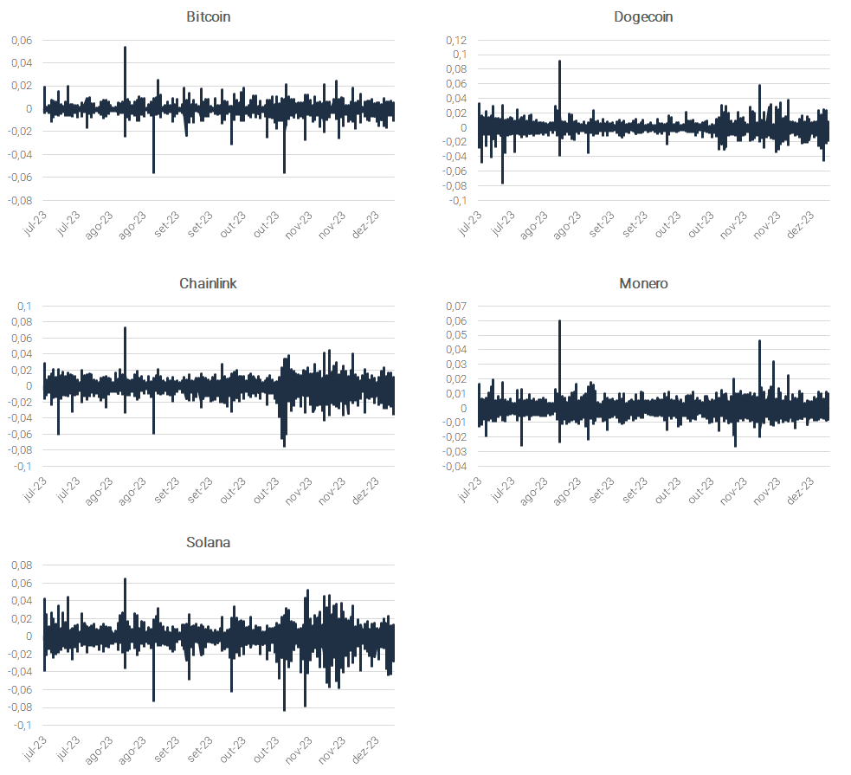
0.0032264417795 | 0.0080501327848 | 0.00058749970869 | 0.0063965195192
-6.3694280523E-07 | -0.0029802012673 | 0.0022713960847 | -0.0034074509668
0.010973977082 | 0.010582864257 | 0.0052344925445 | 0.011369781207
0.011861942826 | 0.012819138447 | -0.0049136123786 | 0.011540812632
-0.002700069271 | -0.0045438731108 | -0.0071521836922 | -0.0011124648165
 | -0.0011043633695 | -0.0026616920694 | -0.0071419680108
 | 0.0013102767768 | -0.00021565464661 | -1.0546777434E-05
 | 0.0058332511088 | 0.0012772400128 | 0.0063888409318
 | -0.0025999102911 | 0.0056571650842 | -0.011021739859
 | -0.0074461257408 | -0.0026776741767 | -0.013534071702
 | -0.0011070688432 | 0.0044452351352 | -0.0038759926654
 | -0.0042350628413 | 0.001070773113 | 0.0061901738229
 | -0.0042350628413 | 0.001070773113 | 0.0061901738229
 | 0.0068174433173 | 0.00091673121608 | 0.0025806470136
 | -0.0051267117391 | -0.00033380539646 | 0.0039550151427
 | 0.0023375336447 | -0.0035788569303 | 0.0029579639619
 | 0.0058046013936 | 6.1527362539E-06 | 0.0073464786841
 | 0.0097619848601 | 0.00467590591 | 0.0080836272845
 | -0.0013856860318 | -0.0034887170841 | 0.0033346187624
 | -0.0083962294652 | 0.0044305162458 | -0.00069869397296
 | 0.00069283774503 | -0.0047128956098 | 0.0015222057147
 | -0.0075740295817 | -0.0017136610491 | -0.0067108992733
 | 0.0027844086896 | 0.0019784308527 | 0.0011254623537
 | -0.00063285513283 | -0.0034651864954 | 0.0083395924021
 | -0.018032141917 | 0.0021817248175 | 0.0089485066329
 | -0.017755166858 | 0.00096304830714 | 0.026585416641
 | 0.015842654674 | 0.0070585451519 | -0.0052372010807
 | -0.014117660505 | -0.0025402311906 | 0.00067168335663
 | -0.0045686862831 | -0.0033851864739 | -0.0073282218913
 | -0.013907055631 | -0.018610347094 | -0.016740097251
 | -0.022567687857 | -0.00087029714792 | 0.0062827130143
 | -0.00078146820834 | 6.3600020437E-05 | -0.0062009970392
 | -0.013534362829 | -0.001472758406 | -0.0032594571867
 | 0.0051540198594 | -0.001321176861 | 0.00020386470789
 | 0.01198646929 | 0.0062219984256 | 0.013591860165
 | 0.0090731221249 | 0.0027587947043 | -0.0025883829163
 | -0.0059368239025 | -0.00011668760427 | 0.0015967600397
 | 0.00093320217882 | 0.0015071636295 | 0.0038511751037
 | 0.014136774548 | 0.003879281875 | 0.014230236674
 | -0.0047008197784 | -0.0044292852408 | 0.012184673753
 | 0.0003788431955 | -0.0033668298937 | 0.0037890043902
 | -0.00060141683352 | 0.0035356852287 | 0.0065174429251
 | -0.0011697754461 | 0.0021188393718 | -0.0027952335373
 | 0.020615575998 | 0.010322572142 | 0.019996953627
 | -0.0010012419065 | 0.00056922086944 | -0.0060361741794
 | -0.0014821188476 | -0.0040479802982 | -0.010109192731
 | -0.0052273154478 | -0.0050211397597 | -0.0033483671323
 | 0.00353558854 | 0.0045533089009 | -0.0010401055753
 | 0.011336865632 | 0.0030011314614 | 0.006869255919
 | -0.0091793687397 | -0.007631728457 | -0.0030445227219
 | -0.0023652127666 | -0.0039809584559 | -0.0076919500521
 | 0.01031630947 | 0.006054163884 | 0.01256075318
 | 0.0020219939934 | -0.00065616745306 | 0.0012053488484
 | -0.002072064123 | -0.006146745848 | -3.2154328573E-05
 | -0.0087642224653 | 0.00067705426592 | -0.0099660935988
 | 0.0036901496541 | -9.1635472351E-05 | -0.0018467952247
 | -0.013915105256 | -0.0066996072417 | -0.023150716848
...

