Dashboard
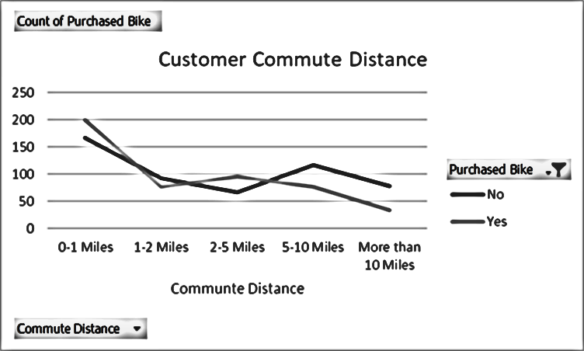
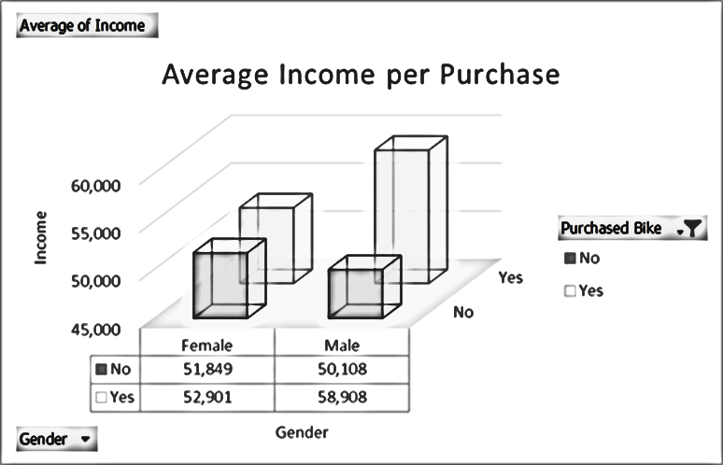
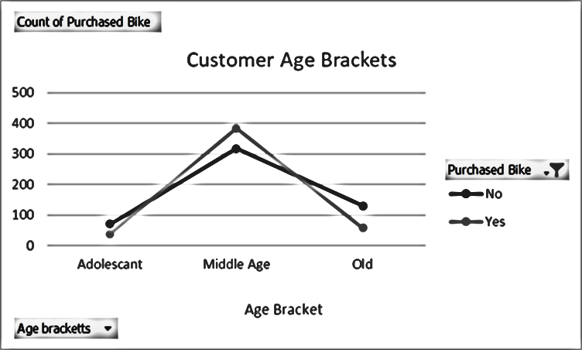
Bike Sales Dashboard

Pivot Table
Average Income per Purchase
Average of Income | Column Labels
Row Labels | No | Yes | Grand Total
Female | 59,535 | 64,909 | 62,008
Male | 62,013 | 65,455 | 63,420
Grand Total | 60,903 | 65,182 | 62,756

Customer Commute Distance
Count of Purchased Bike | Column Labels
Row Labels | No | Yes | Grand Total
0-1 Miles | 69 | 57 | 126
1-2 Miles | 62 | 46 | 108
2-5 Miles | 33 | 70 | 103
5-10 Miles | 77 | 32 | 109
More than 10 Miles | 47 | 15 | 62
Grand Total | 288 | 220 | 508

Customer Age Brackets
Count of Purchased Bike | Column Labels
Row Labels | No | Yes | Grand Total
Adolescant | 45 | 12 | 57
Middle Age | 168 | 178 | 346
Old | 75 | 30 | 105
Grand Total | 288 | 220 | 508

