NMS Data
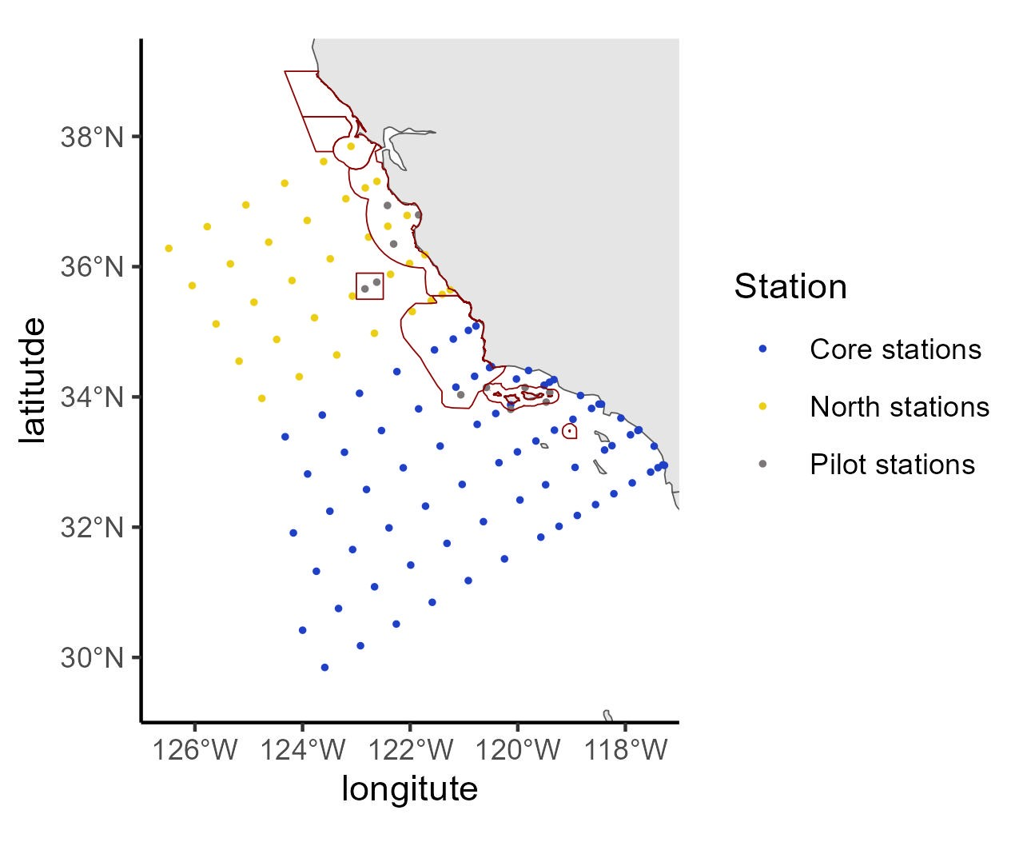
 | orderocc | line | sta | lat | lon | sccoos | pairovet | prpoos | manta | bongo | bongo_special | sta104 | core_pattern | Pilot.stations | northern_sta | Station | geometry | intersection | area
54 | 54 | 83.3 | 51 | 33.87842 | -120.133 | FALSE | TRUE | TRUE | TRUE | TRUE | FALSE | TRUE | TRUE | FALSE | FALSE | Core stations | c(-120.1325788 | 33.87842323) | 1 | Channel Islands
57 | 55 | 83.6 | 51.5 | 33.8098 | -120.132 | FALSE | TRUE | FALSE | TRUE | TRUE | FALSE | TRUE | FALSE | TRUE | FALSE | Pilot stations | c(-120.13172 | 33.8098) | 1 | Channel Islands
59 | 56 | 84.5 | 43.5 | 33.92058 | -119.472 | FALSE | TRUE | FALSE | TRUE | TRUE | FALSE | TRUE | FALSE | TRUE | FALSE | Pilot stations | c(-119.4723 | 33.92058) | 1 | Channel Islands
63 | 64 | 80 | 50.5 | 34.46667 | -120.489 | TRUE | FALSE | FALSE | FALSE | TRUE | FALSE | TRUE | TRUE | FALSE | FALSE | Core stations | c(-120.4890554 | 34.46666667) | 2 | Chumash Proposed Action
64 | 65 | 80 | 51 | 34.45 | -120.524 | FALSE | TRUE | TRUE | TRUE | TRUE | FALSE | TRUE | TRUE | FALSE | FALSE | Core stations | c(-120.5239048 | 34.45) | 2 | Chumash Proposed Action
65 | 66 | 80 | 55 | 34.31667 | -120.802 | FALSE | TRUE | TRUE | TRUE | TRUE | FALSE | TRUE | TRUE | FALSE | FALSE | Core stations | c(-120.802448 | 34.31666667) | 2 | Chumash Proposed Action
66 | 62 | 82.7 | 46.1 | 34.14568 | -119.864 | FALSE | TRUE | FALSE | TRUE | TRUE | FALSE | TRUE | FALSE | TRUE | FALSE | Pilot stations | c(-119.86364 | 34.14568) | 1 | Channel Islands
67 | 69 | 80 | 60 | 34.15 | -121.15 | FALSE | TRUE | TRUE | TRUE | TRUE | FALSE | TRUE | TRUE | FALSE | FALSE | Core stations | c(-121.15 | 34.15) | 2 | Chumash Proposed Action
72 | 67 | 81.2 | 53.9 | 34.14549 | -120.583 | FALSE | TRUE | FALSE | TRUE | TRUE | FALSE | TRUE | FALSE | TRUE | FALSE | Pilot stations | c(-120.5828 | 34.14549) | 1 | Channel Islands
74 | 68 | 80.7 | 59.9 | 34.03209 | -121.059 | FALSE | TRUE | FALSE | TRUE | TRUE | FALSE | TRUE | FALSE | TRUE | FALSE | Pilot stations | c(-121.05893 | 34.03209) | 2 | Chumash Proposed Action
78 | 78 | 76.7 | 60 | 34.72158 | -121.548 | FALSE | TRUE | FALSE | TRUE | TRUE | FALSE | TRUE | TRUE | FALSE | FALSE | Core stations | c(-121.5482772 | 34.72157677) | 2 | Chumash Proposed Action
79 | 79 | 76.7 | 55 | 34.88824 | -121.198 | FALSE | TRUE | FALSE | TRUE | TRUE | FALSE | TRUE | TRUE | FALSE | FALSE | Core stations | c(-121.1983102 | 34.88824343) | 2 | Chumash Proposed Action
80 | 80 | 76.7 | 51 | 35.02158 | -120.918 | FALSE | TRUE | FALSE | TRUE | TRUE | FALSE | TRUE | TRUE | FALSE | FALSE | Core stations | c(-120.9178206 | 35.02157677) | 2 | Chumash Proposed Action
81 | 81 | 76.7 | 49 | 35.08824 | -120.777 | FALSE | TRUE | FALSE | TRUE | TRUE | FALSE | TRUE | TRUE | FALSE | TRUE | Core stations | c(-120.7774028 | 35.08824343) | 2 | Chumash Proposed Action
82 | 82 | 73.3 | 50 | 35.64381 | -121.256 | FALSE | TRUE | FALSE | TRUE | TRUE | FALSE | TRUE | FALSE | FALSE | TRUE | North stations | c(-121.2557479 | 35.64380737) | 5 | Monterey Bay
84 | 85 | 73.3 | 60 | 35.31047 | -121.962 | FALSE | TRUE | FALSE | TRUE | TRUE | FALSE | TRUE | FALSE | FALSE | TRUE | North stations | c(-121.9615407 | 35.31047404) | 2 | Chumash Proposed Action
88 | 83 | 73.3 | 52.1 | 35.57381 | -121.404 | FALSE | TRUE | FALSE | TRUE | TRUE | FALSE | TRUE | FALSE | TRUE | TRUE | North stations | c(-121.40421 | 35.57381) | 5 | Monterey Bay
93 | 95 | 70 | 55 | 36.04872 | -122.01 | FALSE | TRUE | FALSE | TRUE | TRUE | FALSE | TRUE | FALSE | FALSE | TRUE | North stations | c(-122.0104783 | 36.04871747) | 5 | Monterey Bay
94 | 96 | 70 | 51 | 36.18205 | -121.726 | FALSE | TRUE | FALSE | TRUE | TRUE | FALSE | TRUE | FALSE | FALSE | TRUE | North stations | c(-121.7258644 | 36.18205081) | 5 | Monterey Bay
95 | 98 | 66.7 | 50 | 36.78696 | -122.056 | FALSE | TRUE | FALSE | TRUE | TRUE | FALSE | TRUE | FALSE | FALSE | TRUE | North stations | c(-122.0563271 | 36.78696091) | 5 | Monterey Bay
96 | 100 | 66.7 | 55 | 36.62029 | -122.415 | FALSE | TRUE | FALSE | TRUE | TRUE | FALSE | TRUE | FALSE | FALSE | TRUE | North stations | c(-122.4148226 | 36.62029424) | 5 | Monterey Bay
98 | 92 | 70 | 66.7 | 35.65872 | -122.84 | FALSE | TRUE | FALSE | TRUE | TRUE | FALSE | TRUE | FALSE | TRUE | TRUE | Pilot stations | c(-122.84018 | 35.65872) | 5 | Monterey Bay
99 | 93 | 70 | 63.6 | 35.76205 | -122.621 | FALSE | TRUE | FALSE | TRUE | TRUE | FALSE | TRUE | FALSE | TRUE | TRUE | Pilot stations | c(-122.62074 | 35.76205) | 5 | Monterey Bay
102 | 97 | 67.1 | 47.7 | 36.79435 | -121.842 | FALSE | TRUE | FALSE | TRUE | TRUE | FALSE | TRUE | FALSE | TRUE | TRUE | Pilot stations | c(-121.84246 | 36.79435) | 5 | Monterey Bay
104 | 99 | 65.3 | 52.7 | 36.93945 | -122.422 | FALSE | TRUE | FALSE | TRUE | TRUE | FALSE | TRUE | FALSE | TRUE | TRUE | Pilot stations | c(-122.4219 | 36.93945) | 5 | Monterey Bay
105 | 101 | 68.1 | 55.9 | 36.34781 | -122.307 | FALSE | TRUE | FALSE | TRUE | TRUE | FALSE | TRUE | FALSE | TRUE | TRUE | Pilot stations | c(-122.30716 | 36.34781) | 5 | Monterey Bay
110 | 110 | 63.3 | 55 | 37.20919 | -122.835 | FALSE | TRUE | FALSE | TRUE | TRUE | FALSE | TRUE | FALSE | FALSE | TRUE | North stations | c(-122.8345184 | 37.20919152) | 5 | Monterey Bay
111 | 111 | 63.3 | 52 | 37.30919 | -122.618 | FALSE | TRUE | FALSE | TRUE | TRUE | FALSE | TRUE | FALSE | FALSE | TRUE | North stations | c(-122.6178311 | 37.30919152) | 5 | Monterey Bay
112 | 112 | 60 | 53 | 37.84743 | -123.099 | FALSE | TRUE | FALSE | TRUE | TRUE | FALSE | TRUE | FALSE | FALSE | TRUE | North stations | c(-123.099418 | 37.84743495) | 4 | Greater Farallones
122 | 57 | 84 | 41.7 | 34.06718 | -119.406 | FALSE | TRUE | FALSE | TRUE | TRUE | FALSE | TRUE | FALSE | TRUE | FALSE | Pilot stations | c(-119.40593 | 34.06718) | 1 | Channel Islands

MPA Data
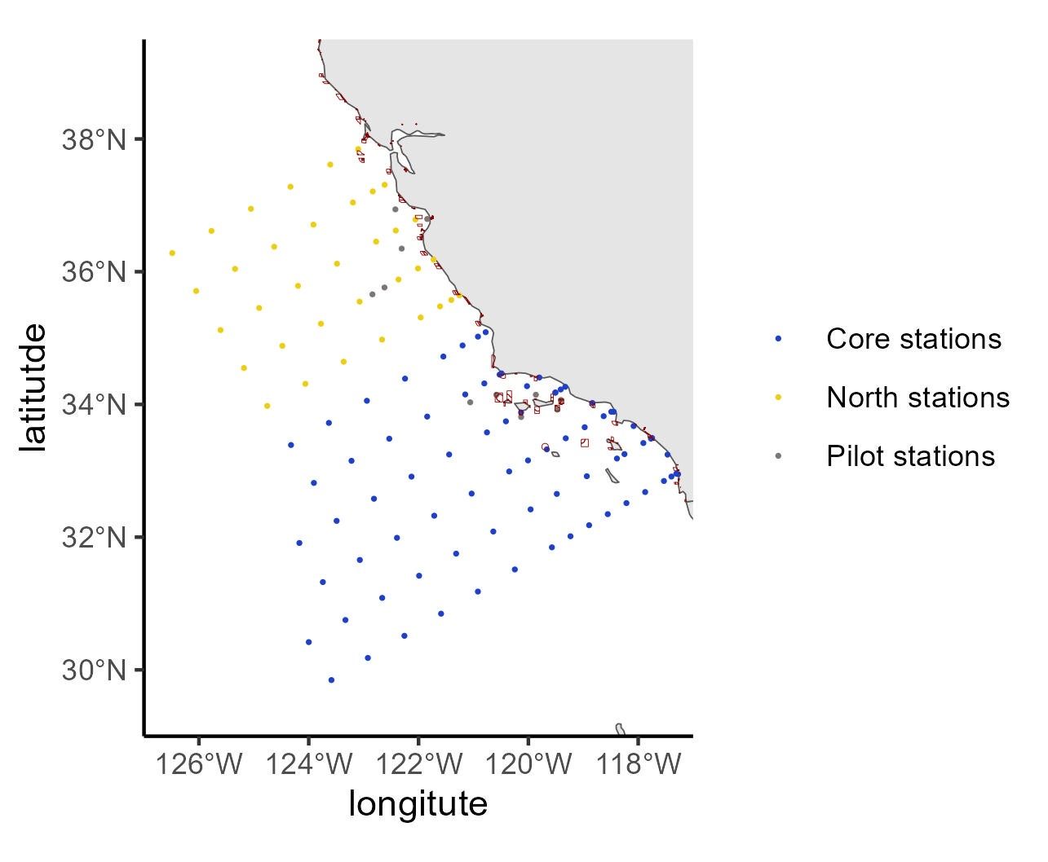
 | orderocc | line | sta | lat | lon | sccoos | pairovet | prpoos | manta | bongo | bongo_special | sta104 | core_pattern | Pilot.stations | northern_sta | Station | geometry | intersection | area
1 | 1 | 93.3 | 26.7 | 32.95637 | -117.305 | FALSE | TRUE | FALSE | TRUE | TRUE | FALSE | TRUE | TRUE | FALSE | FALSE | Core stations | c(-117.3053809 | 32.95637243) | NA
2 | 2 | 93.4 | 26.4 | 32.94905 | -117.274 | TRUE | FALSE | FALSE | FALSE | TRUE | FALSE | TRUE | TRUE | FALSE | FALSE | Core stations | c(-117.2735654 | 32.94905192) | NA
3 | 3 | 91.7 | 26.4 | 33.2435 | -117.465 | TRUE | FALSE | FALSE | FALSE | TRUE | FALSE | TRUE | TRUE | FALSE | FALSE | Core stations | c(-117.4654169 | 33.24350056) | NA
4 | 4 | 93.3 | 28 | 32.91304 | -117.394 | FALSE | TRUE | FALSE | TRUE | TRUE | FALSE | TRUE | TRUE | FALSE | FALSE | Core stations | c(-117.3943818 | 32.91303909) | NA
5 | 5 | 93.3 | 30 | 32.84637 | -117.531 | FALSE | TRUE | FALSE | TRUE | TRUE | FALSE | TRUE | TRUE | FALSE | FALSE | Core stations | c(-117.5312206 | 32.84637243) | NA
6 | 6 | 93.3 | 35 | 32.67971 | -117.873 | FALSE | TRUE | FALSE | TRUE | TRUE | FALSE | TRUE | TRUE | FALSE | FALSE | Core stations | c(-117.8728643 | 32.67970576) | NA
7 | 7 | 93.3 | 40 | 32.51304 | -118.214 | FALSE | TRUE | FALSE | TRUE | TRUE | FALSE | TRUE | TRUE | FALSE | FALSE | Core stations | c(-118.2138649 | 32.51303909) | NA
8 | 8 | 93.3 | 45 | 32.34637 | -118.554 | FALSE | TRUE | FALSE | TRUE | TRUE | FALSE | TRUE | TRUE | FALSE | FALSE | Core stations | c(-118.5542278 | 32.34637243) | NA
9 | 9 | 93.3 | 50 | 32.17971 | -118.894 | FALSE | TRUE | FALSE | TRUE | TRUE | FALSE | TRUE | TRUE | FALSE | FALSE | Core stations | c(-118.8939582 | 32.17970576) | NA
10 | 10 | 93.3 | 55 | 32.01304 | -119.233 | FALSE | TRUE | FALSE | TRUE | TRUE | FALSE | TRUE | TRUE | FALSE | FALSE | Core stations | c(-119.2330612 | 32.01303909) | NA
11 | 11 | 93.3 | 60 | 31.84637 | -119.572 | FALSE | TRUE | FALSE | TRUE | TRUE | FALSE | TRUE | TRUE | FALSE | FALSE | Core stations | c(-119.5715421 | 31.84637243) | NA
12 | 12 | 93.3 | 70 | 31.51304 | -120.247 | FALSE | TRUE | FALSE | TRUE | TRUE | FALSE | TRUE | TRUE | FALSE | FALSE | Core stations | c(-120.2466579 | 31.51303909) | NA
13 | 13 | 93.3 | 80 | 31.17971 | -120.919 | FALSE | FALSE | FALSE | TRUE | TRUE | FALSE | TRUE | TRUE | FALSE | FALSE | Core stations | c(-120.9193461 | 31.17970576) | NA
14 | 14 | 93.3 | 90 | 30.84637 | -121.59 | FALSE | FALSE | FALSE | TRUE | TRUE | FALSE | TRUE | TRUE | FALSE | FALSE | Core stations | c(-121.5896467 | 30.84637243) | NA
15 | 15 | 93.3 | 100 | 30.51304 | -122.258 | FALSE | FALSE | FALSE | TRUE | TRUE | FALSE | TRUE | TRUE | FALSE | FALSE | Core stations | c(-122.2575992 | 30.51303909) | NA
16 | 16 | 93.3 | 110 | 30.17971 | -122.923 | FALSE | FALSE | FALSE | TRUE | TRUE | TRUE | TRUE | TRUE | FALSE | FALSE | Core stations | c(-122.9232422 | 30.17970576) | NA
17 | 17 | 93.3 | 120 | 29.84637 | -123.587 | FALSE | FALSE | FALSE | TRUE | TRUE | TRUE | TRUE | TRUE | FALSE | FALSE | Core stations | c(-123.5866142 | 29.84637243) | NA
18 | 18 | 90 | 120 | 30.41795 | -123.999 | FALSE | FALSE | TRUE | TRUE | TRUE | TRUE | TRUE | TRUE | FALSE | FALSE | Core stations | c(-123.9989326 | 30.41794919) | NA
19 | 19 | 90 | 110 | 30.75128 | -123.332 | FALSE | FALSE | TRUE | TRUE | TRUE | TRUE | TRUE | TRUE | FALSE | FALSE | Core stations | c(-123.3316429 | 30.75128253) | NA
20 | 20 | 90 | 100 | 31.08462 | -122.662 | FALSE | FALSE | TRUE | TRUE | TRUE | FALSE | TRUE | TRUE | FALSE | FALSE | Core stations | c(-122.6620162 | 31.08461586) | NA
21 | 21 | 90 | 90 | 31.41795 | -121.99 | FALSE | FALSE | TRUE | TRUE | TRUE | FALSE | TRUE | TRUE | FALSE | FALSE | Core stations | c(-121.9900131 | 31.41794919) | NA
22 | 22 | 90 | 80 | 31.75128 | -121.316 | FALSE | FALSE | TRUE | TRUE | TRUE | FALSE | TRUE | TRUE | FALSE | FALSE | Core stations | c(-121.3155939 | 31.75128253) | NA
23 | 23 | 90 | 70 | 32.08462 | -120.639 | FALSE | TRUE | TRUE | TRUE | TRUE | FALSE | TRUE | TRUE | FALSE | FALSE | Core stations | c(-120.6387183 | 32.08461586) | NA
24 | 24 | 90 | 60 | 32.41795 | -119.959 | FALSE | TRUE | TRUE | TRUE | TRUE | FALSE | TRUE | TRUE | FALSE | FALSE | Core stations | c(-119.9593451 | 32.41794919) | NA
25 | 25 | 90 | 53 | 32.65128 | -119.482 | FALSE | TRUE | TRUE | TRUE | TRUE | FALSE | TRUE | TRUE | FALSE | FALSE | Core stations | c(-119.4822756 | 32.65128253) | NA
26 | 26 | 90 | 45 | 32.91795 | -118.936 | FALSE | TRUE | TRUE | TRUE | TRUE | FALSE | TRUE | TRUE | FALSE | FALSE | Core stations | c(-118.9355113 | 32.91794919) | NA
27 | 27 | 90 | 37 | 33.18462 | -118.387 | FALSE | TRUE | TRUE | TRUE | TRUE | FALSE | TRUE | TRUE | FALSE | FALSE | Core stations | c(-118.3870812 | 33.18461586) | NA
28 | 28 | 90 | 35 | 33.25128 | -118.25 | FALSE | TRUE | TRUE | TRUE | TRUE | FALSE | TRUE | TRUE | FALSE | FALSE | Core stations | c(-118.2497109 | 33.25128253) | NA
29 | 29 | 90 | 30 | 33.41795 | -117.906 | FALSE | TRUE | TRUE | TRUE | TRUE | FALSE | TRUE | TRUE | FALSE | FALSE | Core stations | c(-117.9058212 | 33.41794919) | NA
30 | 30 | 90 | 28 | 33.48462 | -117.768 | FALSE | TRUE | TRUE | TRUE | TRUE | FALSE | TRUE | TRUE | FALSE | FALSE | Core stations | c(-117.7680788 | 33.48461586) | NA
31 | 31 | 90 | 27.7 | 33.49462 | -117.747 | TRUE | FALSE | FALSE | FALSE | TRUE | FALSE | TRUE | TRUE | FALSE | FALSE | Core stations | c(-117.7474083 | 33.49461586) | 153 | Dana Point SMCA
32 | 32 | 88.5 | 30.1 | 33.67442 | -118.084 | TRUE | FALSE | FALSE | FALSE | TRUE | FALSE | TRUE | TRUE | FALSE | FALSE | Core stations | c(-118.0836933 | 33.67442348) | NA
33 | 33 | 86.8 | 32.5 | 33.88887 | -118.444 | TRUE | FALSE | FALSE | FALSE | TRUE | FALSE | TRUE | TRUE | FALSE | FALSE | Core stations | c(-118.4442347 | 33.88887212) | NA
34 | 34 | 86.7 | 33 | 33.88953 | -118.49 | FALSE | TRUE | TRUE | TRUE | TRUE | FALSE | TRUE | TRUE | FALSE | FALSE | Core stations | c(-118.4903339 | 33.88952596) | NA
35 | 35 | 86.7 | 35 | 33.82286 | -118.629 | FALSE | TRUE | TRUE | TRUE | TRUE | FALSE | TRUE | TRUE | FALSE | FALSE | Core stations | c(-118.6287319 | 33.82285929) | NA
36 | 36 | 85.4 | 35.8 | 34.02136 | -118.834 | TRUE | FALSE | FALSE | FALSE | TRUE | FALSE | TRUE | TRUE | FALSE | FALSE | Core stations | c(-118.8341306 | 34.02135923) | 142 | Point Dume SMCA
37 | 37 | 86.7 | 40 | 33.65619 | -118.974 | FALSE | TRUE | TRUE | TRUE | TRUE | FALSE | TRUE | TRUE | FALSE | FALSE | Core stations | c(-118.9742516 | 33.65619263) | NA
38 | 38 | 86.7 | 45 | 33.48953 | -119.319 | FALSE | TRUE | TRUE | TRUE | TRUE | FALSE | TRUE | TRUE | FALSE | FALSE | Core stations | c(-119.3190964 | 33.48952596) | NA
39 | 39 | 86.7 | 50 | 33.32286 | -119.663 | FALSE | TRUE | TRUE | TRUE | TRUE | FALSE | TRUE | TRUE | FALSE | FALSE | Core stations | c(-119.6632718 | 33.32285929) | 75 | Begg Rock SMR
40 | 40 | 86.7 | 55 | 33.15619 | -120.007 | FALSE | TRUE | TRUE | TRUE | TRUE | FALSE | TRUE | TRUE | FALSE | FALSE | Core stations | c(-120.0067835 | 33.15619263) | NA
41 | 41 | 86.7 | 60 | 32.98953 | -120.35 | FALSE | TRUE | TRUE | TRUE | TRUE | FALSE | TRUE | TRUE | FALSE | FALSE | Core stations | c(-120.3496367 | 32.98952596) | NA
42 | 42 | 86.7 | 70 | 32.65619 | -121.033 | FALSE | TRUE | TRUE | TRUE | TRUE | FALSE | TRUE | TRUE | FALSE | FALSE | Core stations | c(-121.0333897 | 32.65619263) | NA
43 | 43 | 86.7 | 80 | 32.32286 | -121.715 | FALSE | FALSE | FALSE | TRUE | TRUE | FALSE | TRUE | TRUE | FALSE | FALSE | Core stations | c(-121.7145734 | 32.32285929) | NA
44 | 44 | 86.7 | 90 | 31.98953 | -122.393 | FALSE | FALSE | FALSE | TRUE | TRUE | FALSE | TRUE | TRUE | FALSE | FALSE | Core stations | c(-122.3932299 | 31.98952596) | NA
45 | 45 | 86.7 | 100 | 31.65619 | -123.069 | FALSE | FALSE | FALSE | TRUE | TRUE | FALSE | TRUE | TRUE | FALSE | FALSE | Core stations | c(-123.0694006 | 31.65619263) | NA
46 | 46 | 86.7 | 110 | 31.32286 | -123.743 | FALSE | FALSE | FALSE | TRUE | TRUE | TRUE | TRUE | TRUE | FALSE | FALSE | Core stations | c(-123.7431265 | 31.32285929) | NA
47 | 47 | 83.3 | 110 | 31.91176 | -124.17 | FALSE | FALSE | FALSE | TRUE | TRUE | TRUE | TRUE | TRUE | FALSE | FALSE | Core stations | c(-124.1703953 | 31.91175657) | NA
48 | 48 | 83.3 | 100 | 32.24509 | -123.492 | FALSE | FALSE | FALSE | TRUE | TRUE | FALSE | TRUE | TRUE | FALSE | FALSE | Core stations | c(-123.4923224 | 32.2450899) | NA
49 | 49 | 83.3 | 90 | 32.57842 | -122.812 | FALSE | FALSE | FALSE | TRUE | TRUE | FALSE | TRUE | TRUE | FALSE | FALSE | Core stations | c(-122.8117321 | 32.57842323) | NA
50 | 50 | 83.3 | 80 | 32.91176 | -122.129 | FALSE | FALSE | FALSE | TRUE | TRUE | FALSE | TRUE | TRUE | FALSE | FALSE | Core stations | c(-122.1285823 | 32.91175657) | NA
51 | 51 | 83.3 | 70 | 33.24509 | -121.443 | FALSE | TRUE | TRUE | TRUE | TRUE | FALSE | TRUE | TRUE | FALSE | FALSE | Core stations | c(-121.4428307 | 33.2450899) | NA
52 | 52 | 83.3 | 60 | 33.57842 | -120.754 | FALSE | TRUE | TRUE | TRUE | TRUE | FALSE | TRUE | TRUE | FALSE | FALSE | Core stations | c(-120.7544339 | 33.57842323) | NA
53 | 53 | 83.3 | 55 | 33.74509 | -120.409 | FALSE | TRUE | TRUE | TRUE | TRUE | FALSE | TRUE | TRUE | FALSE | FALSE | Core stations | c(-120.4092298 | 33.7450899) | NA
54 | 54 | 83.3 | 51 | 33.87842 | -120.133 | FALSE | TRUE | TRUE | TRUE | TRUE | FALSE | TRUE | TRUE | FALSE | FALSE | Core stations | c(-120.1325788 | 33.87842323) | 67 | South Point SMR
55 | 55 | 83.3 | 42 | 34.17842 | -119.509 | FALSE | TRUE | TRUE | TRUE | TRUE | FALSE | TRUE | TRUE | TRUE | FALSE | Core stations | c(-119.5085132 | 34.17842323) | NA
56 | 58 | 83.3 | 42 | 34.17842 | -119.509 | FALSE | TRUE | TRUE | TRUE | TRUE | FALSE | TRUE | TRUE | FALSE | FALSE | Core stations | c(-119.5085132 | 34.17842323) | NA
57 | 55 | 83.6 | 51.5 | 33.8098 | -120.132 | FALSE | TRUE | FALSE | TRUE | TRUE | FALSE | TRUE | FALSE | TRUE | FALSE | Pilot stations | c(-120.13172 | 33.8098) | NA
58 | 59 | 83.3 | 40.6 | 34.22509 | -119.411 | FALSE | TRUE | TRUE | TRUE | TRUE | FALSE | TRUE | TRUE | FALSE | FALSE | Core stations | c(-119.4112355 | 34.2250899) | NA
59 | 56 | 84.5 | 43.5 | 33.92058 | -119.472 | FALSE | TRUE | FALSE | TRUE | TRUE | FALSE | TRUE | FALSE | TRUE | FALSE | Pilot stations | c(-119.4723 | 33.92058) | 97 | Footprint FMR
60 | 60 | 83.3 | 39.4 | 34.26509 | -119.328 | TRUE | FALSE | FALSE | FALSE | TRUE | FALSE | TRUE | TRUE | FALSE | FALSE | Core stations | c(-119.3278113 | 34.2650899) | NA
61 | 61 | 81.7 | 43.5 | 34.40555 | -119.8 | TRUE | FALSE | FALSE | FALSE | TRUE | FALSE | TRUE | TRUE | FALSE | FALSE | Core stations | c(-119.80037 | 34.40555136) | NA
62 | 63 | 81.8 | 46.9 | 34.2749 | -120.025 | FALSE | TRUE | TRUE | TRUE | TRUE | FALSE | TRUE | TRUE | FALSE | FALSE | Core stations | c(-120.0252367 | 34.27489752) | NA
63 | 64 | 80 | 50.5 | 34.46667 | -120.489 | TRUE | FALSE | FALSE | FALSE | TRUE | FALSE | TRUE | TRUE | FALSE | FALSE | Core stations | c(-120.4890554 | 34.46666667) | NA
64 | 65 | 80 | 51 | 34.45 | -120.524 | FALSE | TRUE | TRUE | TRUE | TRUE | FALSE | TRUE | TRUE | FALSE | FALSE | Core stations | c(-120.5239048 | 34.45) | 138 | Point Conception SMR
65 | 66 | 80 | 55 | 34.31667 | -120.802 | FALSE | TRUE | TRUE | TRUE | TRUE | FALSE | TRUE | TRUE | FALSE | FALSE | Core stations | c(-120.802448 | 34.31666667) | NA
66 | 62 | 82.7 | 46.1 | 34.14568 | -119.864 | FALSE | TRUE | FALSE | TRUE | TRUE | FALSE | TRUE | FALSE | TRUE | FALSE | Pilot stations | c(-119.86364 | 34.14568) | NA
67 | 69 | 80 | 60 | 34.15 | -121.15 | FALSE | TRUE | TRUE | TRUE | TRUE | FALSE | TRUE | TRUE | FALSE | FALSE | Core stations | c(-121.15 | 34.15) | NA
68 | 70 | 80 | 70 | 33.81667 | -121.843 | FALSE | TRUE | TRUE | TRUE | TRUE | FALSE | TRUE | TRUE | FALSE | FALSE | Core stations | c(-121.8430351 | 33.81666667) | NA
69 | 71 | 80 | 80 | 33.48333 | -122.533 | FALSE | FALSE | TRUE | TRUE | TRUE | FALSE | TRUE | TRUE | FALSE | FALSE | Core stations | c(-122.5333494 | 33.48333333) | NA
70 | 72 | 80 | 90 | 33.15 | -123.221 | FALSE | FALSE | TRUE | TRUE | TRUE | FALSE | TRUE | TRUE | FALSE | FALSE | Core stations | c(-123.2209872 | 33.15) | NA
71 | 73 | 80 | 100 | 32.81667 | -123.906 | FALSE | FALSE | TRUE | TRUE | TRUE | FALSE | TRUE | TRUE | FALSE | FALSE | Core stations | c(-123.9059922 | 32.81666667) | NA
72 | 67 | 81.2 | 53.9 | 34.14549 | -120.583 | FALSE | TRUE | FALSE | TRUE | TRUE | FALSE | TRUE | FALSE | TRUE | FALSE | Pilot stations | c(-120.5828 | 34.14549) | 99 | Richardson Rock FMR
73 | 74 | 76.7 | 100 | 33.38824 | -124.323 | FALSE | FALSE | FALSE | TRUE | TRUE | FALSE | TRUE | TRUE | FALSE | FALSE | Core stations | c(-124.3228913 | 33.38824343) | NA
74 | 68 | 80.7 | 59.9 | 34.03209 | -121.059 | FALSE | TRUE | FALSE | TRUE | TRUE | FALSE | TRUE | FALSE | TRUE | FALSE | Pilot stations | c(-121.05893 | 34.03209) | NA
75 | 75 | 76.7 | 90 | 33.72158 | -123.633 | FALSE | FALSE | FALSE | TRUE | TRUE | FALSE | TRUE | TRUE | FALSE | FALSE | Core stations | c(-123.633345 | 33.72157677) | NA
76 | 76 | 76.7 | 80 | 34.05491 | -122.941 | FALSE | FALSE | FALSE | TRUE | TRUE | FALSE | TRUE | TRUE | FALSE | FALSE | Core stations | c(-122.9410906 | 34.0549101) | NA
77 | 77 | 76.7 | 70 | 34.38824 | -122.246 | FALSE | TRUE | FALSE | TRUE | TRUE | FALSE | TRUE | TRUE | FALSE | FALSE | Core stations | c(-122.2460832 | 34.38824343) | NA
78 | 78 | 76.7 | 60 | 34.72158 | -121.548 | FALSE | TRUE | FALSE | TRUE | TRUE | FALSE | TRUE | TRUE | FALSE | FALSE | Core stations | c(-121.5482772 | 34.72157677) | NA
79 | 79 | 76.7 | 55 | 34.88824 | -121.198 | FALSE | TRUE | FALSE | TRUE | TRUE | FALSE | TRUE | TRUE | FALSE | FALSE | Core stations | c(-121.1983102 | 34.88824343) | NA
80 | 80 | 76.7 | 51 | 35.02158 | -120.918 | FALSE | TRUE | FALSE | TRUE | TRUE | FALSE | TRUE | TRUE | FALSE | FALSE | Core stations | c(-120.9178206 | 35.02157677) | NA
81 | 81 | 76.7 | 49 | 35.08824 | -120.777 | FALSE | TRUE | FALSE | TRUE | TRUE | FALSE | TRUE | TRUE | FALSE | TRUE | Core stations | c(-120.7774028 | 35.08824343) | NA
82 | 82 | 73.3 | 50 | 35.64381 | -121.256 | FALSE | TRUE | FALSE | TRUE | TRUE | FALSE | TRUE | FALSE | FALSE | TRUE | North stations | c(-121.2557479 | 35.64380737) | NA
83 | 84 | 73.3 | 55 | 35.47714 | -121.609 | FALSE | TRUE | FALSE | TRUE | TRUE | FALSE | TRUE | FALSE | FALSE | TRUE | North stations | c(-121.6090134 | 35.47714071) | NA
84 | 85 | 73.3 | 60 | 35.31047 | -121.962 | FALSE | TRUE | FALSE | TRUE | TRUE | FALSE | TRUE | FALSE | FALSE | TRUE | North stations | c(-121.9615407 | 35.31047404) | NA
85 | 86 | 73.3 | 70 | 34.97714 | -122.664 | FALSE | TRUE | FALSE | TRUE | TRUE | FALSE | TRUE | FALSE | FALSE | TRUE | North stations | c(-122.6644048 | 34.97714071) | NA
86 | 87 | 73.3 | 80 | 34.64381 | -123.364 | FALSE | FALSE | FALSE | TRUE | TRUE | FALSE | TRUE | FALSE | FALSE | TRUE | North stations | c(-123.3643879 | 34.64380737) | NA
87 | 88 | 73.3 | 90 | 34.31047 | -124.062 | FALSE | FALSE | FALSE | TRUE | TRUE | FALSE | TRUE | FALSE | FALSE | TRUE | North stations | c(-124.0615369 | 34.31047404) | NA
88 | 83 | 73.3 | 52.1 | 35.57381 | -121.404 | FALSE | TRUE | FALSE | TRUE | TRUE | FALSE | TRUE | FALSE | TRUE | TRUE | North stations | c(-121.40421 | 35.57381) | NA
89 | 89 | 70 | 90 | 34.88205 | -124.48 | FALSE | FALSE | FALSE | TRUE | TRUE | FALSE | TRUE | FALSE | FALSE | TRUE | North stations | c(-124.4804682 | 34.88205081) | NA
90 | 90 | 70 | 80 | 35.21538 | -123.778 | FALSE | FALSE | FALSE | TRUE | TRUE | FALSE | TRUE | FALSE | FALSE | TRUE | North stations | c(-123.7784308 | 35.21538414) | NA
91 | 91 | 70 | 70 | 35.54872 | -123.073 | FALSE | TRUE | FALSE | TRUE | TRUE | FALSE | TRUE | FALSE | FALSE | TRUE | North stations | c(-123.0734784 | 35.54871747) | NA
92 | 94 | 70 | 60 | 35.88205 | -122.366 | FALSE | TRUE | FALSE | TRUE | TRUE | FALSE | TRUE | FALSE | FALSE | TRUE | North stations | c(-122.3655627 | 35.88205081) | NA
93 | 95 | 70 | 55 | 36.04872 | -122.01 | FALSE | TRUE | FALSE | TRUE | TRUE | FALSE | TRUE | FALSE | FALSE | TRUE | North stations | c(-122.0104783 | 36.04871747) | NA
94 | 96 | 70 | 51 | 36.18205 | -121.726 | FALSE | TRUE | FALSE | TRUE | TRUE | FALSE | TRUE | FALSE | FALSE | TRUE | North stations | c(-121.7258644 | 36.18205081) | NA
95 | 98 | 66.7 | 50 | 36.78696 | -122.056 | FALSE | TRUE | FALSE | TRUE | TRUE | FALSE | TRUE | FALSE | FALSE | TRUE | North stations | c(-122.0563271 | 36.78696091) | NA
96 | 100 | 66.7 | 55 | 36.62029 | -122.415 | FALSE | TRUE | FALSE | TRUE | TRUE | FALSE | TRUE | FALSE | FALSE | TRUE | North stations | c(-122.4148226 | 36.62029424) | NA
97 | 102 | 66.7 | 60 | 36.45363 | -122.773 | FALSE | TRUE | FALSE | TRUE | TRUE | FALSE | TRUE | FALSE | FALSE | TRUE | North stations | c(-122.7725371 | 36.45362757) | NA
98 | 92 | 70 | 66.7 | 35.65872 | -122.84 | FALSE | TRUE | FALSE | TRUE | TRUE | FALSE | TRUE | FALSE | TRUE | TRUE | Pilot stations | c(-122.84018 | 35.65872) | NA
99 | 93 | 70 | 63.6 | 35.76205 | -122.621 | FALSE | TRUE | FALSE | TRUE | TRUE | FALSE | TRUE | FALSE | TRUE | TRUE | Pilot stations | c(-122.62074 | 35.76205) | NA
100 | 103 | 66.7 | 70 | 36.12029 | -123.486 | FALSE | TRUE | FALSE | TRUE | TRUE | FALSE | TRUE | FALSE | FALSE | TRUE | North stations | c(-123.4856487 | 36.12029424) | NA
101 | 104 | 66.7 | 80 | 35.78696 | -124.196 | FALSE | FALSE | FALSE | TRUE | TRUE | FALSE | TRUE | FALSE | FALSE | TRUE | North stations | c(-124.1957124 | 35.78696091) | NA
102 | 97 | 67.1 | 47.7 | 36.79435 | -121.842 | FALSE | TRUE | FALSE | TRUE | TRUE | FALSE | TRUE | FALSE | TRUE | TRUE | Pilot stations | c(-121.84246 | 36.79435) | NA
103 | 105 | 66.7 | 90 | 35.45363 | -124.903 | FALSE | FALSE | FALSE | TRUE | TRUE | FALSE | TRUE | FALSE | FALSE | TRUE | North stations | c(-124.9027779 | 35.45362757) | NA
104 | 99 | 65.3 | 52.7 | 36.93945 | -122.422 | FALSE | TRUE | FALSE | TRUE | TRUE | FALSE | TRUE | FALSE | TRUE | TRUE | Pilot stations | c(-122.4219 | 36.93945) | NA
105 | 101 | 68.1 | 55.9 | 36.34781 | -122.307 | FALSE | TRUE | FALSE | TRUE | TRUE | FALSE | TRUE | FALSE | TRUE | TRUE | Pilot stations | c(-122.30716 | 36.34781) | NA
106 | 106 | 63.3 | 90 | 36.04252 | -125.342 | FALSE | FALSE | FALSE | TRUE | TRUE | FALSE | TRUE | FALSE | FALSE | TRUE | North stations | c(-125.3415203 | 36.04252485) | NA
107 | 107 | 63.3 | 80 | 36.37586 | -124.629 | FALSE | FALSE | FALSE | TRUE | TRUE | FALSE | TRUE | FALSE | FALSE | TRUE | North stations | c(-124.6291242 | 36.37585818) | NA
108 | 108 | 63.3 | 70 | 36.70919 | -123.914 | FALSE | TRUE | FALSE | TRUE | TRUE | FALSE | TRUE | FALSE | FALSE | TRUE | North stations | c(-123.9136417 | 36.70919152) | NA
109 | 109 | 63.3 | 60 | 37.04252 | -123.195 | FALSE | TRUE | FALSE | TRUE | TRUE | FALSE | TRUE | FALSE | FALSE | TRUE | North stations | c(-123.1950214 | 37.04252485) | NA
110 | 110 | 63.3 | 55 | 37.20919 | -122.835 | FALSE | TRUE | FALSE | TRUE | TRUE | FALSE | TRUE | FALSE | FALSE | TRUE | North stations | c(-122.8345184 | 37.20919152) | NA
111 | 111 | 63.3 | 52 | 37.30919 | -122.618 | FALSE | TRUE | FALSE | TRUE | TRUE | FALSE | TRUE | FALSE | FALSE | TRUE | North stations | c(-122.6178311 | 37.30919152) | NA
112 | 112 | 60 | 53 | 37.84743 | -123.099 | FALSE | TRUE | FALSE | TRUE | TRUE | FALSE | TRUE | FALSE | FALSE | TRUE | North stations | c(-123.099418 | 37.84743495) | NA
113 | 113 | 60 | 60 | 37.6141 | -123.608 | FALSE | TRUE | FALSE | TRUE | TRUE | FALSE | TRUE | FALSE | FALSE | TRUE | North stations | c(-123.6082525 | 37.61410162) | NA
114 | 114 | 60 | 70 | 37.28077 | -124.332 | FALSE | TRUE | FALSE | TRUE | TRUE | FALSE | TRUE | FALSE | FALSE | TRUE | North stations | c(-124.3323747 | 37.28076828) | NA
115 | 115 | 60 | 80 | 36.94743 | -125.053 | FALSE | FALSE | FALSE | TRUE | TRUE | FALSE | TRUE | FALSE | FALSE | TRUE | North stations | c(-125.0532694 | 36.94743495) | NA
116 | 116 | 60 | 90 | 36.6141 | -125.771 | FALSE | FALSE | FALSE | TRUE | TRUE | FALSE | TRUE | FALSE | FALSE | TRUE | North stations | c(-125.7709893 | 36.61410162) | NA
117 | 82 | 73.3 | 100 | 33.97714 | -124.756 | NA | NA | NA | NA | NA | NA | TRUE | FALSE | FALSE | TRUE | North stations | c(-124.7559 | 33.97714) | NA
118 | 83 | 70 | 100 | 34.54872 | -125.18 | NA | NA | NA | NA | NA | NA | TRUE | FALSE | FALSE | TRUE | North stations | c(-125.17964 | 34.54872) | NA
119 | 100 | 66.7 | 100 | 35.12029 | -125.607 | NA | NA | NA | NA | NA | NA | TRUE | FALSE | FALSE | TRUE | North stations | c(-125.60689 | 35.12029) | NA
120 | 101 | 63.3 | 100 | 35.70919 | -126.051 | NA | NA | NA | NA | NA | NA | TRUE | FALSE | FALSE | TRUE | North stations | c(-126.05088 | 35.70919) | NA
121 | 113 | 60 | 100 | 36.28077 | -126.486 | NA | NA | NA | NA | NA | NA | TRUE | FALSE | FALSE | TRUE | North stations | c(-126.48559 | 36.28077) | NA
122 | 57 | 84 | 41.7 | 34.06718 | -119.406 | FALSE | TRUE | FALSE | TRUE | TRUE | FALSE | TRUE | FALSE | TRUE | FALSE | Pilot stations | c(-119.40593 | 34.06718) | 102 | Anacapa Island FMR

BOEM Data
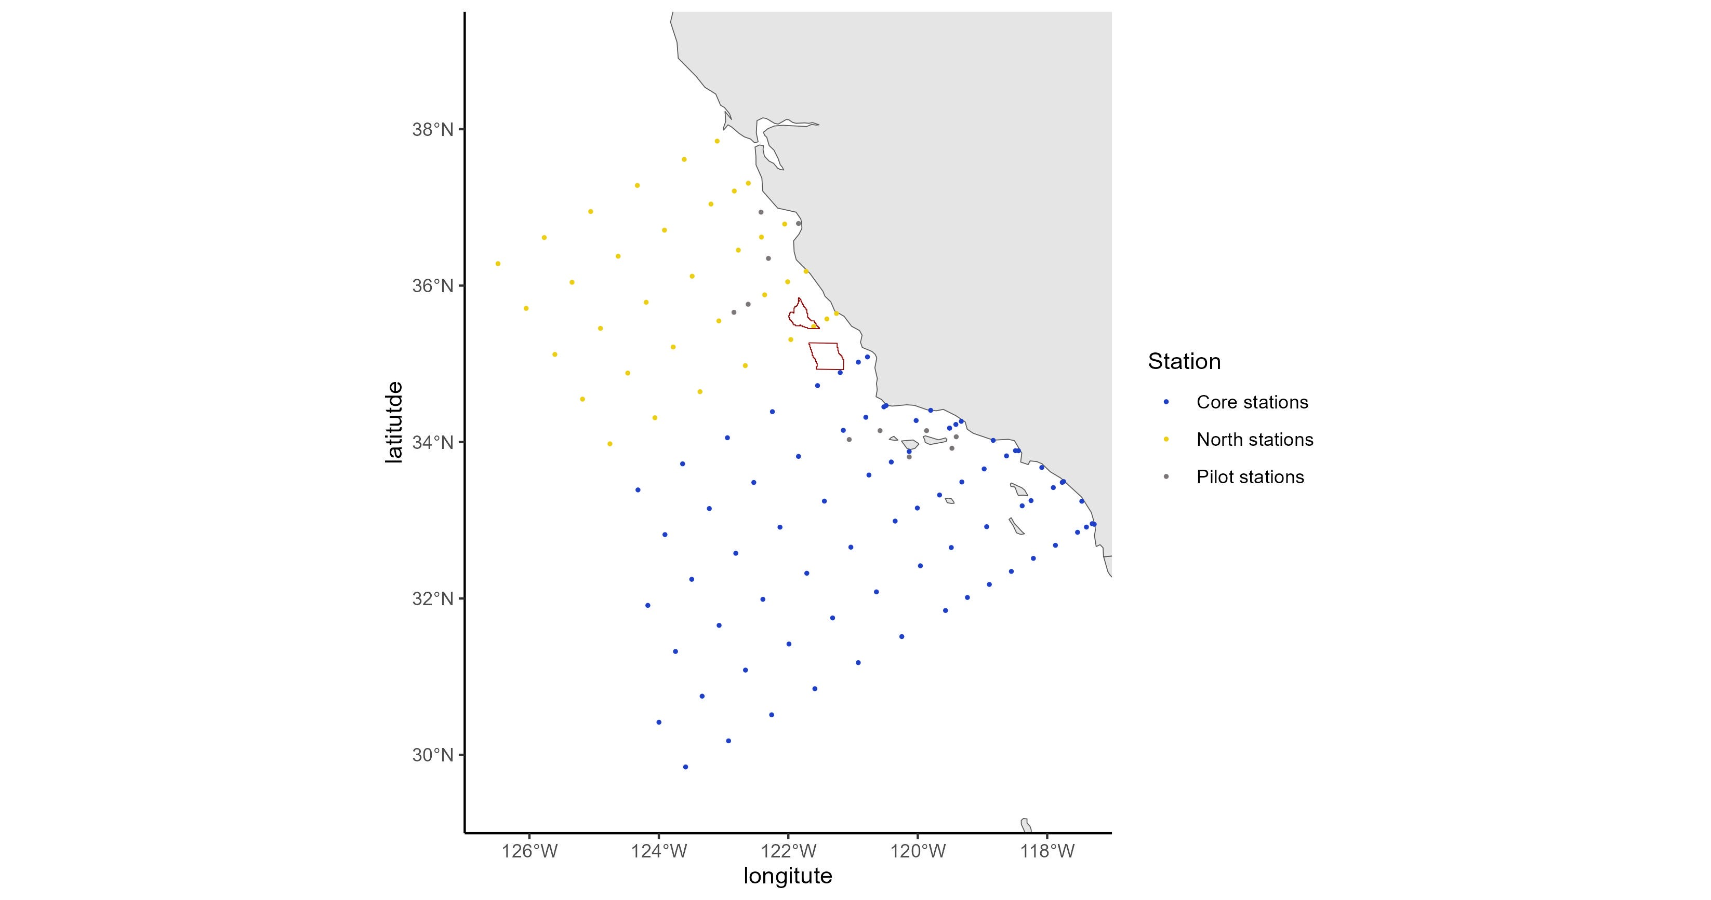
 | orderocc | line | sta | lat | lon | sccoos | pairovet | prpoos | manta | bongo | bongo_special | sta104 | core_pattern | Pilot.stations | northern_sta | Station | geometry | intersection | area
1 | 1 | 93.3 | 26.7 | 32.95637 | -117.305 | FALSE | TRUE | FALSE | TRUE | TRUE | FALSE | TRUE | TRUE | FALSE | FALSE | Core stations | c(-117.3053809 | 32.95637243) | NA
2 | 2 | 93.4 | 26.4 | 32.94905 | -117.274 | TRUE | FALSE | FALSE | FALSE | TRUE | FALSE | TRUE | TRUE | FALSE | FALSE | Core stations | c(-117.2735654 | 32.94905192) | NA
3 | 3 | 91.7 | 26.4 | 33.2435 | -117.465 | TRUE | FALSE | FALSE | FALSE | TRUE | FALSE | TRUE | TRUE | FALSE | FALSE | Core stations | c(-117.4654169 | 33.24350056) | NA
4 | 4 | 93.3 | 28 | 32.91304 | -117.394 | FALSE | TRUE | FALSE | TRUE | TRUE | FALSE | TRUE | TRUE | FALSE | FALSE | Core stations | c(-117.3943818 | 32.91303909) | NA
5 | 5 | 93.3 | 30 | 32.84637 | -117.531 | FALSE | TRUE | FALSE | TRUE | TRUE | FALSE | TRUE | TRUE | FALSE | FALSE | Core stations | c(-117.5312206 | 32.84637243) | NA
6 | 6 | 93.3 | 35 | 32.67971 | -117.873 | FALSE | TRUE | FALSE | TRUE | TRUE | FALSE | TRUE | TRUE | FALSE | FALSE | Core stations | c(-117.8728643 | 32.67970576) | NA
7 | 7 | 93.3 | 40 | 32.51304 | -118.214 | FALSE | TRUE | FALSE | TRUE | TRUE | FALSE | TRUE | TRUE | FALSE | FALSE | Core stations | c(-118.2138649 | 32.51303909) | NA
8 | 8 | 93.3 | 45 | 32.34637 | -118.554 | FALSE | TRUE | FALSE | TRUE | TRUE | FALSE | TRUE | TRUE | FALSE | FALSE | Core stations | c(-118.5542278 | 32.34637243) | NA
9 | 9 | 93.3 | 50 | 32.17971 | -118.894 | FALSE | TRUE | FALSE | TRUE | TRUE | FALSE | TRUE | TRUE | FALSE | FALSE | Core stations | c(-118.8939582 | 32.17970576) | NA
10 | 10 | 93.3 | 55 | 32.01304 | -119.233 | FALSE | TRUE | FALSE | TRUE | TRUE | FALSE | TRUE | TRUE | FALSE | FALSE | Core stations | c(-119.2330612 | 32.01303909) | NA
11 | 11 | 93.3 | 60 | 31.84637 | -119.572 | FALSE | TRUE | FALSE | TRUE | TRUE | FALSE | TRUE | TRUE | FALSE | FALSE | Core stations | c(-119.5715421 | 31.84637243) | NA
12 | 12 | 93.3 | 70 | 31.51304 | -120.247 | FALSE | TRUE | FALSE | TRUE | TRUE | FALSE | TRUE | TRUE | FALSE | FALSE | Core stations | c(-120.2466579 | 31.51303909) | NA
13 | 13 | 93.3 | 80 | 31.17971 | -120.919 | FALSE | FALSE | FALSE | TRUE | TRUE | FALSE | TRUE | TRUE | FALSE | FALSE | Core stations | c(-120.9193461 | 31.17970576) | NA
14 | 14 | 93.3 | 90 | 30.84637 | -121.59 | FALSE | FALSE | FALSE | TRUE | TRUE | FALSE | TRUE | TRUE | FALSE | FALSE | Core stations | c(-121.5896467 | 30.84637243) | NA
15 | 15 | 93.3 | 100 | 30.51304 | -122.258 | FALSE | FALSE | FALSE | TRUE | TRUE | FALSE | TRUE | TRUE | FALSE | FALSE | Core stations | c(-122.2575992 | 30.51303909) | NA
16 | 16 | 93.3 | 110 | 30.17971 | -122.923 | FALSE | FALSE | FALSE | TRUE | TRUE | TRUE | TRUE | TRUE | FALSE | FALSE | Core stations | c(-122.9232422 | 30.17970576) | NA
17 | 17 | 93.3 | 120 | 29.84637 | -123.587 | FALSE | FALSE | FALSE | TRUE | TRUE | TRUE | TRUE | TRUE | FALSE | FALSE | Core stations | c(-123.5866142 | 29.84637243) | NA
18 | 18 | 90 | 120 | 30.41795 | -123.999 | FALSE | FALSE | TRUE | TRUE | TRUE | TRUE | TRUE | TRUE | FALSE | FALSE | Core stations | c(-123.9989326 | 30.41794919) | NA
19 | 19 | 90 | 110 | 30.75128 | -123.332 | FALSE | FALSE | TRUE | TRUE | TRUE | TRUE | TRUE | TRUE | FALSE | FALSE | Core stations | c(-123.3316429 | 30.75128253) | NA
20 | 20 | 90 | 100 | 31.08462 | -122.662 | FALSE | FALSE | TRUE | TRUE | TRUE | FALSE | TRUE | TRUE | FALSE | FALSE | Core stations | c(-122.6620162 | 31.08461586) | NA
21 | 21 | 90 | 90 | 31.41795 | -121.99 | FALSE | FALSE | TRUE | TRUE | TRUE | FALSE | TRUE | TRUE | FALSE | FALSE | Core stations | c(-121.9900131 | 31.41794919) | NA
22 | 22 | 90 | 80 | 31.75128 | -121.316 | FALSE | FALSE | TRUE | TRUE | TRUE | FALSE | TRUE | TRUE | FALSE | FALSE | Core stations | c(-121.3155939 | 31.75128253) | NA
23 | 23 | 90 | 70 | 32.08462 | -120.639 | FALSE | TRUE | TRUE | TRUE | TRUE | FALSE | TRUE | TRUE | FALSE | FALSE | Core stations | c(-120.6387183 | 32.08461586) | NA
24 | 24 | 90 | 60 | 32.41795 | -119.959 | FALSE | TRUE | TRUE | TRUE | TRUE | FALSE | TRUE | TRUE | FALSE | FALSE | Core stations | c(-119.9593451 | 32.41794919) | NA
25 | 25 | 90 | 53 | 32.65128 | -119.482 | FALSE | TRUE | TRUE | TRUE | TRUE | FALSE | TRUE | TRUE | FALSE | FALSE | Core stations | c(-119.4822756 | 32.65128253) | NA
26 | 26 | 90 | 45 | 32.91795 | -118.936 | FALSE | TRUE | TRUE | TRUE | TRUE | FALSE | TRUE | TRUE | FALSE | FALSE | Core stations | c(-118.9355113 | 32.91794919) | NA
27 | 27 | 90 | 37 | 33.18462 | -118.387 | FALSE | TRUE | TRUE | TRUE | TRUE | FALSE | TRUE | TRUE | FALSE | FALSE | Core stations | c(-118.3870812 | 33.18461586) | NA
28 | 28 | 90 | 35 | 33.25128 | -118.25 | FALSE | TRUE | TRUE | TRUE | TRUE | FALSE | TRUE | TRUE | FALSE | FALSE | Core stations | c(-118.2497109 | 33.25128253) | NA
29 | 29 | 90 | 30 | 33.41795 | -117.906 | FALSE | TRUE | TRUE | TRUE | TRUE | FALSE | TRUE | TRUE | FALSE | FALSE | Core stations | c(-117.9058212 | 33.41794919) | NA
30 | 30 | 90 | 28 | 33.48462 | -117.768 | FALSE | TRUE | TRUE | TRUE | TRUE | FALSE | TRUE | TRUE | FALSE | FALSE | Core stations | c(-117.7680788 | 33.48461586) | NA
31 | 31 | 90 | 27.7 | 33.49462 | -117.747 | TRUE | FALSE | FALSE | FALSE | TRUE | FALSE | TRUE | TRUE | FALSE | FALSE | Core stations | c(-117.7474083 | 33.49461586) | NA
32 | 32 | 88.5 | 30.1 | 33.67442 | -118.084 | TRUE | FALSE | FALSE | FALSE | TRUE | FALSE | TRUE | TRUE | FALSE | FALSE | Core stations | c(-118.0836933 | 33.67442348) | NA
33 | 33 | 86.8 | 32.5 | 33.88887 | -118.444 | TRUE | FALSE | FALSE | FALSE | TRUE | FALSE | TRUE | TRUE | FALSE | FALSE | Core stations | c(-118.4442347 | 33.88887212) | NA
34 | 34 | 86.7 | 33 | 33.88953 | -118.49 | FALSE | TRUE | TRUE | TRUE | TRUE | FALSE | TRUE | TRUE | FALSE | FALSE | Core stations | c(-118.4903339 | 33.88952596) | NA
35 | 35 | 86.7 | 35 | 33.82286 | -118.629 | FALSE | TRUE | TRUE | TRUE | TRUE | FALSE | TRUE | TRUE | FALSE | FALSE | Core stations | c(-118.6287319 | 33.82285929) | NA
36 | 36 | 85.4 | 35.8 | 34.02136 | -118.834 | TRUE | FALSE | FALSE | FALSE | TRUE | FALSE | TRUE | TRUE | FALSE | FALSE | Core stations | c(-118.8341306 | 34.02135923) | NA
37 | 37 | 86.7 | 40 | 33.65619 | -118.974 | FALSE | TRUE | TRUE | TRUE | TRUE | FALSE | TRUE | TRUE | FALSE | FALSE | Core stations | c(-118.9742516 | 33.65619263) | NA
38 | 38 | 86.7 | 45 | 33.48953 | -119.319 | FALSE | TRUE | TRUE | TRUE | TRUE | FALSE | TRUE | TRUE | FALSE | FALSE | Core stations | c(-119.3190964 | 33.48952596) | NA
39 | 39 | 86.7 | 50 | 33.32286 | -119.663 | FALSE | TRUE | TRUE | TRUE | TRUE | FALSE | TRUE | TRUE | FALSE | FALSE | Core stations | c(-119.6632718 | 33.32285929) | NA
40 | 40 | 86.7 | 55 | 33.15619 | -120.007 | FALSE | TRUE | TRUE | TRUE | TRUE | FALSE | TRUE | TRUE | FALSE | FALSE | Core stations | c(-120.0067835 | 33.15619263) | NA
41 | 41 | 86.7 | 60 | 32.98953 | -120.35 | FALSE | TRUE | TRUE | TRUE | TRUE | FALSE | TRUE | TRUE | FALSE | FALSE | Core stations | c(-120.3496367 | 32.98952596) | NA
42 | 42 | 86.7 | 70 | 32.65619 | -121.033 | FALSE | TRUE | TRUE | TRUE | TRUE | FALSE | TRUE | TRUE | FALSE | FALSE | Core stations | c(-121.0333897 | 32.65619263) | NA
43 | 43 | 86.7 | 80 | 32.32286 | -121.715 | FALSE | FALSE | FALSE | TRUE | TRUE | FALSE | TRUE | TRUE | FALSE | FALSE | Core stations | c(-121.7145734 | 32.32285929) | NA
44 | 44 | 86.7 | 90 | 31.98953 | -122.393 | FALSE | FALSE | FALSE | TRUE | TRUE | FALSE | TRUE | TRUE | FALSE | FALSE | Core stations | c(-122.3932299 | 31.98952596) | NA
45 | 45 | 86.7 | 100 | 31.65619 | -123.069 | FALSE | FALSE | FALSE | TRUE | TRUE | FALSE | TRUE | TRUE | FALSE | FALSE | Core stations | c(-123.0694006 | 31.65619263) | NA
46 | 46 | 86.7 | 110 | 31.32286 | -123.743 | FALSE | FALSE | FALSE | TRUE | TRUE | TRUE | TRUE | TRUE | FALSE | FALSE | Core stations | c(-123.7431265 | 31.32285929) | NA
47 | 47 | 83.3 | 110 | 31.91176 | -124.17 | FALSE | FALSE | FALSE | TRUE | TRUE | TRUE | TRUE | TRUE | FALSE | FALSE | Core stations | c(-124.1703953 | 31.91175657) | NA
48 | 48 | 83.3 | 100 | 32.24509 | -123.492 | FALSE | FALSE | FALSE | TRUE | TRUE | FALSE | TRUE | TRUE | FALSE | FALSE | Core stations | c(-123.4923224 | 32.2450899) | NA
49 | 49 | 83.3 | 90 | 32.57842 | -122.812 | FALSE | FALSE | FALSE | TRUE | TRUE | FALSE | TRUE | TRUE | FALSE | FALSE | Core stations | c(-122.8117321 | 32.57842323) | NA
50 | 50 | 83.3 | 80 | 32.91176 | -122.129 | FALSE | FALSE | FALSE | TRUE | TRUE | FALSE | TRUE | TRUE | FALSE | FALSE | Core stations | c(-122.1285823 | 32.91175657) | NA
51 | 51 | 83.3 | 70 | 33.24509 | -121.443 | FALSE | TRUE | TRUE | TRUE | TRUE | FALSE | TRUE | TRUE | FALSE | FALSE | Core stations | c(-121.4428307 | 33.2450899) | NA
52 | 52 | 83.3 | 60 | 33.57842 | -120.754 | FALSE | TRUE | TRUE | TRUE | TRUE | FALSE | TRUE | TRUE | FALSE | FALSE | Core stations | c(-120.7544339 | 33.57842323) | NA
53 | 53 | 83.3 | 55 | 33.74509 | -120.409 | FALSE | TRUE | TRUE | TRUE | TRUE | FALSE | TRUE | TRUE | FALSE | FALSE | Core stations | c(-120.4092298 | 33.7450899) | NA
54 | 54 | 83.3 | 51 | 33.87842 | -120.133 | FALSE | TRUE | TRUE | TRUE | TRUE | FALSE | TRUE | TRUE | FALSE | FALSE | Core stations | c(-120.1325788 | 33.87842323) | NA
55 | 55 | 83.3 | 42 | 34.17842 | -119.509 | FALSE | TRUE | TRUE | TRUE | TRUE | FALSE | TRUE | TRUE | TRUE | FALSE | Core stations | c(-119.5085132 | 34.17842323) | NA
56 | 58 | 83.3 | 42 | 34.17842 | -119.509 | FALSE | TRUE | TRUE | TRUE | TRUE | FALSE | TRUE | TRUE | FALSE | FALSE | Core stations | c(-119.5085132 | 34.17842323) | NA
57 | 55 | 83.6 | 51.5 | 33.8098 | -120.132 | FALSE | TRUE | FALSE | TRUE | TRUE | FALSE | TRUE | FALSE | TRUE | FALSE | Pilot stations | c(-120.13172 | 33.8098) | NA
58 | 59 | 83.3 | 40.6 | 34.22509 | -119.411 | FALSE | TRUE | TRUE | TRUE | TRUE | FALSE | TRUE | TRUE | FALSE | FALSE | Core stations | c(-119.4112355 | 34.2250899) | NA
59 | 56 | 84.5 | 43.5 | 33.92058 | -119.472 | FALSE | TRUE | FALSE | TRUE | TRUE | FALSE | TRUE | FALSE | TRUE | FALSE | Pilot stations | c(-119.4723 | 33.92058) | NA
60 | 60 | 83.3 | 39.4 | 34.26509 | -119.328 | TRUE | FALSE | FALSE | FALSE | TRUE | FALSE | TRUE | TRUE | FALSE | FALSE | Core stations | c(-119.3278113 | 34.2650899) | NA
61 | 61 | 81.7 | 43.5 | 34.40555 | -119.8 | TRUE | FALSE | FALSE | FALSE | TRUE | FALSE | TRUE | TRUE | FALSE | FALSE | Core stations | c(-119.80037 | 34.40555136) | NA
62 | 63 | 81.8 | 46.9 | 34.2749 | -120.025 | FALSE | TRUE | TRUE | TRUE | TRUE | FALSE | TRUE | TRUE | FALSE | FALSE | Core stations | c(-120.0252367 | 34.27489752) | NA
63 | 64 | 80 | 50.5 | 34.46667 | -120.489 | TRUE | FALSE | FALSE | FALSE | TRUE | FALSE | TRUE | TRUE | FALSE | FALSE | Core stations | c(-120.4890554 | 34.46666667) | NA
64 | 65 | 80 | 51 | 34.45 | -120.524 | FALSE | TRUE | TRUE | TRUE | TRUE | FALSE | TRUE | TRUE | FALSE | FALSE | Core stations | c(-120.5239048 | 34.45) | NA
65 | 66 | 80 | 55 | 34.31667 | -120.802 | FALSE | TRUE | TRUE | TRUE | TRUE | FALSE | TRUE | TRUE | FALSE | FALSE | Core stations | c(-120.802448 | 34.31666667) | NA
66 | 62 | 82.7 | 46.1 | 34.14568 | -119.864 | FALSE | TRUE | FALSE | TRUE | TRUE | FALSE | TRUE | FALSE | TRUE | FALSE | Pilot stations | c(-119.86364 | 34.14568) | NA
67 | 69 | 80 | 60 | 34.15 | -121.15 | FALSE | TRUE | TRUE | TRUE | TRUE | FALSE | TRUE | TRUE | FALSE | FALSE | Core stations | c(-121.15 | 34.15) | NA
68 | 70 | 80 | 70 | 33.81667 | -121.843 | FALSE | TRUE | TRUE | TRUE | TRUE | FALSE | TRUE | TRUE | FALSE | FALSE | Core stations | c(-121.8430351 | 33.81666667) | NA
69 | 71 | 80 | 80 | 33.48333 | -122.533 | FALSE | FALSE | TRUE | TRUE | TRUE | FALSE | TRUE | TRUE | FALSE | FALSE | Core stations | c(-122.5333494 | 33.48333333) | NA
70 | 72 | 80 | 90 | 33.15 | -123.221 | FALSE | FALSE | TRUE | TRUE | TRUE | FALSE | TRUE | TRUE | FALSE | FALSE | Core stations | c(-123.2209872 | 33.15) | NA
71 | 73 | 80 | 100 | 32.81667 | -123.906 | FALSE | FALSE | TRUE | TRUE | TRUE | FALSE | TRUE | TRUE | FALSE | FALSE | Core stations | c(-123.9059922 | 32.81666667) | NA
72 | 67 | 81.2 | 53.9 | 34.14549 | -120.583 | FALSE | TRUE | FALSE | TRUE | TRUE | FALSE | TRUE | FALSE | TRUE | FALSE | Pilot stations | c(-120.5828 | 34.14549) | NA
73 | 74 | 76.7 | 100 | 33.38824 | -124.323 | FALSE | FALSE | FALSE | TRUE | TRUE | FALSE | TRUE | TRUE | FALSE | FALSE | Core stations | c(-124.3228913 | 33.38824343) | NA
74 | 68 | 80.7 | 59.9 | 34.03209 | -121.059 | FALSE | TRUE | FALSE | TRUE | TRUE | FALSE | TRUE | FALSE | TRUE | FALSE | Pilot stations | c(-121.05893 | 34.03209) | NA
75 | 75 | 76.7 | 90 | 33.72158 | -123.633 | FALSE | FALSE | FALSE | TRUE | TRUE | FALSE | TRUE | TRUE | FALSE | FALSE | Core stations | c(-123.633345 | 33.72157677) | NA
76 | 76 | 76.7 | 80 | 34.05491 | -122.941 | FALSE | FALSE | FALSE | TRUE | TRUE | FALSE | TRUE | TRUE | FALSE | FALSE | Core stations | c(-122.9410906 | 34.0549101) | NA
77 | 77 | 76.7 | 70 | 34.38824 | -122.246 | FALSE | TRUE | FALSE | TRUE | TRUE | FALSE | TRUE | TRUE | FALSE | FALSE | Core stations | c(-122.2460832 | 34.38824343) | NA
78 | 78 | 76.7 | 60 | 34.72158 | -121.548 | FALSE | TRUE | FALSE | TRUE | TRUE | FALSE | TRUE | TRUE | FALSE | FALSE | Core stations | c(-121.5482772 | 34.72157677) | NA
79 | 79 | 76.7 | 55 | 34.88824 | -121.198 | FALSE | TRUE | FALSE | TRUE | TRUE | FALSE | TRUE | TRUE | FALSE | FALSE | Core stations | c(-121.1983102 | 34.88824343) | NA
80 | 80 | 76.7 | 51 | 35.02158 | -120.918 | FALSE | TRUE | FALSE | TRUE | TRUE | FALSE | TRUE | TRUE | FALSE | FALSE | Core stations | c(-120.9178206 | 35.02157677) | NA
81 | 81 | 76.7 | 49 | 35.08824 | -120.777 | FALSE | TRUE | FALSE | TRUE | TRUE | FALSE | TRUE | TRUE | FALSE | TRUE | Core stations | c(-120.7774028 | 35.08824343) | NA
82 | 82 | 73.3 | 50 | 35.64381 | -121.256 | FALSE | TRUE | FALSE | TRUE | TRUE | FALSE | TRUE | FALSE | FALSE | TRUE | North stations | c(-121.2557479 | 35.64380737) | NA
83 | 84 | 73.3 | 55 | 35.47714 | -121.609 | FALSE | TRUE | FALSE | TRUE | TRUE | FALSE | TRUE | FALSE | FALSE | TRUE | North stations | c(-121.6090134 | 35.47714071) | 3 | Morro Bay
84 | 85 | 73.3 | 60 | 35.31047 | -121.962 | FALSE | TRUE | FALSE | TRUE | TRUE | FALSE | TRUE | FALSE | FALSE | TRUE | North stations | c(-121.9615407 | 35.31047404) | NA
85 | 86 | 73.3 | 70 | 34.97714 | -122.664 | FALSE | TRUE | FALSE | TRUE | TRUE | FALSE | TRUE | FALSE | FALSE | TRUE | North stations | c(-122.6644048 | 34.97714071) | NA
86 | 87 | 73.3 | 80 | 34.64381 | -123.364 | FALSE | FALSE | FALSE | TRUE | TRUE | FALSE | TRUE | FALSE | FALSE | TRUE | North stations | c(-123.3643879 | 34.64380737) | NA
87 | 88 | 73.3 | 90 | 34.31047 | -124.062 | FALSE | FALSE | FALSE | TRUE | TRUE | FALSE | TRUE | FALSE | FALSE | TRUE | North stations | c(-124.0615369 | 34.31047404) | NA
88 | 83 | 73.3 | 52.1 | 35.57381 | -121.404 | FALSE | TRUE | FALSE | TRUE | TRUE | FALSE | TRUE | FALSE | TRUE | TRUE | North stations | c(-121.40421 | 35.57381) | NA
89 | 89 | 70 | 90 | 34.88205 | -124.48 | FALSE | FALSE | FALSE | TRUE | TRUE | FALSE | TRUE | FALSE | FALSE | TRUE | North stations | c(-124.4804682 | 34.88205081) | NA
90 | 90 | 70 | 80 | 35.21538 | -123.778 | FALSE | FALSE | FALSE | TRUE | TRUE | FALSE | TRUE | FALSE | FALSE | TRUE | North stations | c(-123.7784308 | 35.21538414) | NA
91 | 91 | 70 | 70 | 35.54872 | -123.073 | FALSE | TRUE | FALSE | TRUE | TRUE | FALSE | TRUE | FALSE | FALSE | TRUE | North stations | c(-123.0734784 | 35.54871747) | NA
92 | 94 | 70 | 60 | 35.88205 | -122.366 | FALSE | TRUE | FALSE | TRUE | TRUE | FALSE | TRUE | FALSE | FALSE | TRUE | North stations | c(-122.3655627 | 35.88205081) | NA
93 | 95 | 70 | 55 | 36.04872 | -122.01 | FALSE | TRUE | FALSE | TRUE | TRUE | FALSE | TRUE | FALSE | FALSE | TRUE | North stations | c(-122.0104783 | 36.04871747) | NA
94 | 96 | 70 | 51 | 36.18205 | -121.726 | FALSE | TRUE | FALSE | TRUE | TRUE | FALSE | TRUE | FALSE | FALSE | TRUE | North stations | c(-121.7258644 | 36.18205081) | NA
95 | 98 | 66.7 | 50 | 36.78696 | -122.056 | FALSE | TRUE | FALSE | TRUE | TRUE | FALSE | TRUE | FALSE | FALSE | TRUE | North stations | c(-122.0563271 | 36.78696091) | NA
96 | 100 | 66.7 | 55 | 36.62029 | -122.415 | FALSE | TRUE | FALSE | TRUE | TRUE | FALSE | TRUE | FALSE | FALSE | TRUE | North stations | c(-122.4148226 | 36.62029424) | NA
97 | 102 | 66.7 | 60 | 36.45363 | -122.773 | FALSE | TRUE | FALSE | TRUE | TRUE | FALSE | TRUE | FALSE | FALSE | TRUE | North stations | c(-122.7725371 | 36.45362757) | NA
98 | 92 | 70 | 66.7 | 35.65872 | -122.84 | FALSE | TRUE | FALSE | TRUE | TRUE | FALSE | TRUE | FALSE | TRUE | TRUE | Pilot stations | c(-122.84018 | 35.65872) | NA
99 | 93 | 70 | 63.6 | 35.76205 | -122.621 | FALSE | TRUE | FALSE | TRUE | TRUE | FALSE | TRUE | FALSE | TRUE | TRUE | Pilot stations | c(-122.62074 | 35.76205) | NA
100 | 103 | 66.7 | 70 | 36.12029 | -123.486 | FALSE | TRUE | FALSE | TRUE | TRUE | FALSE | TRUE | FALSE | FALSE | TRUE | North stations | c(-123.4856487 | 36.12029424) | NA
101 | 104 | 66.7 | 80 | 35.78696 | -124.196 | FALSE | FALSE | FALSE | TRUE | TRUE | FALSE | TRUE | FALSE | FALSE | TRUE | North stations | c(-124.1957124 | 35.78696091) | NA
102 | 97 | 67.1 | 47.7 | 36.79435 | -121.842 | FALSE | TRUE | FALSE | TRUE | TRUE | FALSE | TRUE | FALSE | TRUE | TRUE | Pilot stations | c(-121.84246 | 36.79435) | NA
103 | 105 | 66.7 | 90 | 35.45363 | -124.903 | FALSE | FALSE | FALSE | TRUE | TRUE | FALSE | TRUE | FALSE | FALSE | TRUE | North stations | c(-124.9027779 | 35.45362757) | NA
104 | 99 | 65.3 | 52.7 | 36.93945 | -122.422 | FALSE | TRUE | FALSE | TRUE | TRUE | FALSE | TRUE | FALSE | TRUE | TRUE | Pilot stations | c(-122.4219 | 36.93945) | NA
105 | 101 | 68.1 | 55.9 | 36.34781 | -122.307 | FALSE | TRUE | FALSE | TRUE | TRUE | FALSE | TRUE | FALSE | TRUE | TRUE | Pilot stations | c(-122.30716 | 36.34781) | NA
106 | 106 | 63.3 | 90 | 36.04252 | -125.342 | FALSE | FALSE | FALSE | TRUE | TRUE | FALSE | TRUE | FALSE | FALSE | TRUE | North stations | c(-125.3415203 | 36.04252485) | NA
107 | 107 | 63.3 | 80 | 36.37586 | -124.629 | FALSE | FALSE | FALSE | TRUE | TRUE | FALSE | TRUE | FALSE | FALSE | TRUE | North stations | c(-124.6291242 | 36.37585818) | NA
108 | 108 | 63.3 | 70 | 36.70919 | -123.914 | FALSE | TRUE | FALSE | TRUE | TRUE | FALSE | TRUE | FALSE | FALSE | TRUE | North stations | c(-123.9136417 | 36.70919152) | NA
109 | 109 | 63.3 | 60 | 37.04252 | -123.195 | FALSE | TRUE | FALSE | TRUE | TRUE | FALSE | TRUE | FALSE | FALSE | TRUE | North stations | c(-123.1950214 | 37.04252485) | NA
110 | 110 | 63.3 | 55 | 37.20919 | -122.835 | FALSE | TRUE | FALSE | TRUE | TRUE | FALSE | TRUE | FALSE | FALSE | TRUE | North stations | c(-122.8345184 | 37.20919152) | NA
111 | 111 | 63.3 | 52 | 37.30919 | -122.618 | FALSE | TRUE | FALSE | TRUE | TRUE | FALSE | TRUE | FALSE | FALSE | TRUE | North stations | c(-122.6178311 | 37.30919152) | NA
112 | 112 | 60 | 53 | 37.84743 | -123.099 | FALSE | TRUE | FALSE | TRUE | TRUE | FALSE | TRUE | FALSE | FALSE | TRUE | North stations | c(-123.099418 | 37.84743495) | NA
113 | 113 | 60 | 60 | 37.6141 | -123.608 | FALSE | TRUE | FALSE | TRUE | TRUE | FALSE | TRUE | FALSE | FALSE | TRUE | North stations | c(-123.6082525 | 37.61410162) | NA
114 | 114 | 60 | 70 | 37.28077 | -124.332 | FALSE | TRUE | FALSE | TRUE | TRUE | FALSE | TRUE | FALSE | FALSE | TRUE | North stations | c(-124.3323747 | 37.28076828) | NA
115 | 115 | 60 | 80 | 36.94743 | -125.053 | FALSE | FALSE | FALSE | TRUE | TRUE | FALSE | TRUE | FALSE | FALSE | TRUE | North stations | c(-125.0532694 | 36.94743495) | NA
116 | 116 | 60 | 90 | 36.6141 | -125.771 | FALSE | FALSE | FALSE | TRUE | TRUE | FALSE | TRUE | FALSE | FALSE | TRUE | North stations | c(-125.7709893 | 36.61410162) | NA
117 | 82 | 73.3 | 100 | 33.97714 | -124.756 | NA | NA | NA | NA | NA | NA | TRUE | FALSE | FALSE | TRUE | North stations | c(-124.7559 | 33.97714) | NA
118 | 83 | 70 | 100 | 34.54872 | -125.18 | NA | NA | NA | NA | NA | NA | TRUE | FALSE | FALSE | TRUE | North stations | c(-125.17964 | 34.54872) | NA
119 | 100 | 66.7 | 100 | 35.12029 | -125.607 | NA | NA | NA | NA | NA | NA | TRUE | FALSE | FALSE | TRUE | North stations | c(-125.60689 | 35.12029) | NA
120 | 101 | 63.3 | 100 | 35.70919 | -126.051 | NA | NA | NA | NA | NA | NA | TRUE | FALSE | FALSE | TRUE | North stations | c(-126.05088 | 35.70919) | NA
121 | 113 | 60 | 100 | 36.28077 | -126.486 | NA | NA | NA | NA | NA | NA | TRUE | FALSE | FALSE | TRUE | North stations | c(-126.48559 | 36.28077) | NA
122 | 57 | 84 | 41.7 | 34.06718 | -119.406 | FALSE | TRUE | FALSE | TRUE | TRUE | FALSE | TRUE | FALSE | TRUE | FALSE | Pilot stations | c(-119.40593 | 34.06718) | NA

State Waters Data
 | orderocc | line | sta | lat | lon | sccoos | pairovet | prpoos | manta | bongo | bongo_special | sta104 | core_pattern | Pilot.stations | northern_sta | Station | geometry | intersection | area
1 | 1 | 93.3 | 26.7 | 32.95637 | -117.305 | FALSE | TRUE | FALSE | TRUE | TRUE | FALSE | TRUE | TRUE | FALSE | FALSE | Core stations | c(-117.3053809 | 32.95637243) | 1 | Dist3nmi.shp
2 | 2 | 93.4 | 26.4 | 32.94905 | -117.274 | TRUE | FALSE | FALSE | FALSE | TRUE | FALSE | TRUE | TRUE | FALSE | FALSE | Core stations | c(-117.2735654 | 32.94905192) | 1 | Dist3nmi.shp
3 | 3 | 91.7 | 26.4 | 33.2435 | -117.465 | TRUE | FALSE | FALSE | FALSE | TRUE | FALSE | TRUE | TRUE | FALSE | FALSE | Core stations | c(-117.4654169 | 33.24350056) | 1 | Dist3nmi.shp
4 | 4 | 93.3 | 28 | 32.91304 | -117.394 | FALSE | TRUE | FALSE | TRUE | TRUE | FALSE | TRUE | TRUE | FALSE | FALSE | Core stations | c(-117.3943818 | 32.91303909) | NA
5 | 5 | 93.3 | 30 | 32.84637 | -117.531 | FALSE | TRUE | FALSE | TRUE | TRUE | FALSE | TRUE | TRUE | FALSE | FALSE | Core stations | c(-117.5312206 | 32.84637243) | NA
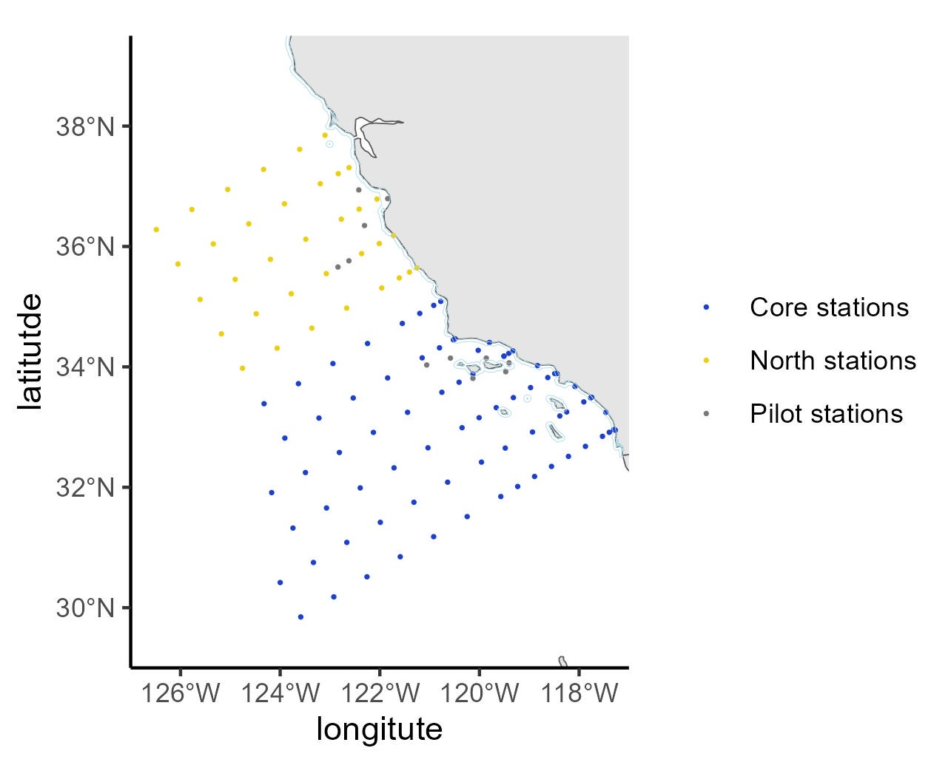
6 | 6 | 93.3 | 35 | 32.67971 | -117.873 | FALSE | TRUE | FALSE | TRUE | TRUE | FALSE | TRUE | TRUE | FALSE | FALSE | Core stations | c(-117.8728643 | 32.67970576) | NA
7 | 7 | 93.3 | 40 | 32.51304 | -118.214 | FALSE | TRUE | FALSE | TRUE | TRUE | FALSE | TRUE | TRUE | FALSE | FALSE | Core stations | c(-118.2138649 | 32.51303909) | NA
8 | 8 | 93.3 | 45 | 32.34637 | -118.554 | FALSE | TRUE | FALSE | TRUE | TRUE | FALSE | TRUE | TRUE | FALSE | FALSE | Core stations | c(-118.5542278 | 32.34637243) | NA
9 | 9 | 93.3 | 50 | 32.17971 | -118.894 | FALSE | TRUE | FALSE | TRUE | TRUE | FALSE | TRUE | TRUE | FALSE | FALSE | Core stations | c(-118.8939582 | 32.17970576) | NA
10 | 10 | 93.3 | 55 | 32.01304 | -119.233 | FALSE | TRUE | FALSE | TRUE | TRUE | FALSE | TRUE | TRUE | FALSE | FALSE | Core stations | c(-119.2330612 | 32.01303909) | NA
11 | 11 | 93.3 | 60 | 31.84637 | -119.572 | FALSE | TRUE | FALSE | TRUE | TRUE | FALSE | TRUE | TRUE | FALSE | FALSE | Core stations | c(-119.5715421 | 31.84637243) | NA
12 | 12 | 93.3 | 70 | 31.51304 | -120.247 | FALSE | TRUE | FALSE | TRUE | TRUE | FALSE | TRUE | TRUE | FALSE | FALSE | Core stations | c(-120.2466579 | 31.51303909) | NA
13 | 13 | 93.3 | 80 | 31.17971 | -120.919 | FALSE | FALSE | FALSE | TRUE | TRUE | FALSE | TRUE | TRUE | FALSE | FALSE | Core stations | c(-120.9193461 | 31.17970576) | NA
14 | 14 | 93.3 | 90 | 30.84637 | -121.59 | FALSE | FALSE | FALSE | TRUE | TRUE | FALSE | TRUE | TRUE | FALSE | FALSE | Core stations | c(-121.5896467 | 30.84637243) | NA
15 | 15 | 93.3 | 100 | 30.51304 | -122.258 | FALSE | FALSE | FALSE | TRUE | TRUE | FALSE | TRUE | TRUE | FALSE | FALSE | Core stations | c(-122.2575992 | 30.51303909) | NA
16 | 16 | 93.3 | 110 | 30.17971 | -122.923 | FALSE | FALSE | FALSE | TRUE | TRUE | TRUE | TRUE | TRUE | FALSE | FALSE | Core stations | c(-122.9232422 | 30.17970576) | NA
17 | 17 | 93.3 | 120 | 29.84637 | -123.587 | FALSE | FALSE | FALSE | TRUE | TRUE | TRUE | TRUE | TRUE | FALSE | FALSE | Core stations | c(-123.5866142 | 29.84637243) | NA
18 | 18 | 90 | 120 | 30.41795 | -123.999 | FALSE | FALSE | TRUE | TRUE | TRUE | TRUE | TRUE | TRUE | FALSE | FALSE | Core stations | c(-123.9989326 | 30.41794919) | NA
19 | 19 | 90 | 110 | 30.75128 | -123.332 | FALSE | FALSE | TRUE | TRUE | TRUE | TRUE | TRUE | TRUE | FALSE | FALSE | Core stations | c(-123.3316429 | 30.75128253) | NA
20 | 20 | 90 | 100 | 31.08462 | -122.662 | FALSE | FALSE | TRUE | TRUE | TRUE | FALSE | TRUE | TRUE | FALSE | FALSE | Core stations | c(-122.6620162 | 31.08461586) | NA
21 | 21 | 90 | 90 | 31.41795 | -121.99 | FALSE | FALSE | TRUE | TRUE | TRUE | FALSE | TRUE | TRUE | FALSE | FALSE | Core stations | c(-121.9900131 | 31.41794919) | NA
22 | 22 | 90 | 80 | 31.75128 | -121.316 | FALSE | FALSE | TRUE | TRUE | TRUE | FALSE | TRUE | TRUE | FALSE | FALSE | Core stations | c(-121.3155939 | 31.75128253) | NA
23 | 23 | 90 | 70 | 32.08462 | -120.639 | FALSE | TRUE | TRUE | TRUE | TRUE | FALSE | TRUE | TRUE | FALSE | FALSE | Core stations | c(-120.6387183 | 32.08461586) | NA
24 | 24 | 90 | 60 | 32.41795 | -119.959 | FALSE | TRUE | TRUE | TRUE | TRUE | FALSE | TRUE | TRUE | FALSE | FALSE | Core stations | c(-119.9593451 | 32.41794919) | NA
25 | 25 | 90 | 53 | 32.65128 | -119.482 | FALSE | TRUE | TRUE | TRUE | TRUE | FALSE | TRUE | TRUE | FALSE | FALSE | Core stations | c(-119.4822756 | 32.65128253) | NA
26 | 26 | 90 | 45 | 32.91795 | -118.936 | FALSE | TRUE | TRUE | TRUE | TRUE | FALSE | TRUE | TRUE | FALSE | FALSE | Core stations | c(-118.9355113 | 32.91794919) | NA
27 | 27 | 90 | 37 | 33.18462 | -118.387 | FALSE | TRUE | TRUE | TRUE | TRUE | FALSE | TRUE | TRUE | FALSE | FALSE | Core stations | c(-118.3870812 | 33.18461586) | NA
28 | 28 | 90 | 35 | 33.25128 | -118.25 | FALSE | TRUE | TRUE | TRUE | TRUE | FALSE | TRUE | TRUE | FALSE | FALSE | Core stations | c(-118.2497109 | 33.25128253) | NA
29 | 29 | 90 | 30 | 33.41795 | -117.906 | FALSE | TRUE | TRUE | TRUE | TRUE | FALSE | TRUE | TRUE | FALSE | FALSE | Core stations | c(-117.9058212 | 33.41794919) | NA
30 | 30 | 90 | 28 | 33.48462 | -117.768 | FALSE | TRUE | TRUE | TRUE | TRUE | FALSE | TRUE | TRUE | FALSE | FALSE | Core stations | c(-117.7680788 | 33.48461586) | 1 | Dist3nmi.shp
31 | 31 | 90 | 27.7 | 33.49462 | -117.747 | TRUE | FALSE | FALSE | FALSE | TRUE | FALSE | TRUE | TRUE | FALSE | FALSE | Core stations | c(-117.7474083 | 33.49461586) | 1 | Dist3nmi.shp
32 | 32 | 88.5 | 30.1 | 33.67442 | -118.084 | TRUE | FALSE | FALSE | FALSE | TRUE | FALSE | TRUE | TRUE | FALSE | FALSE | Core stations | c(-118.0836933 | 33.67442348) | 1 | Dist3nmi.shp
33 | 33 | 86.8 | 32.5 | 33.88887 | -118.444 | TRUE | FALSE | FALSE | FALSE | TRUE | FALSE | TRUE | TRUE | FALSE | FALSE | Core stations | c(-118.4442347 | 33.88887212) | 1 | Dist3nmi.shp
34 | 34 | 86.7 | 33 | 33.88953 | -118.49 | FALSE | TRUE | TRUE | TRUE | TRUE | FALSE | TRUE | TRUE | FALSE | FALSE | Core stations | c(-118.4903339 | 33.88952596) | NA
35 | 35 | 86.7 | 35 | 33.82286 | -118.629 | FALSE | TRUE | TRUE | TRUE | TRUE | FALSE | TRUE | TRUE | FALSE | FALSE | Core stations | c(-118.6287319 | 33.82285929) | NA
36 | 36 | 85.4 | 35.8 | 34.02136 | -118.834 | TRUE | FALSE | FALSE | FALSE | TRUE | FALSE | TRUE | TRUE | FALSE | FALSE | Core stations | c(-118.8341306 | 34.02135923) | 1 | Dist3nmi.shp
37 | 37 | 86.7 | 40 | 33.65619 | -118.974 | FALSE | TRUE | TRUE | TRUE | TRUE | FALSE | TRUE | TRUE | FALSE | FALSE | Core stations | c(-118.9742516 | 33.65619263) | NA
38 | 38 | 86.7 | 45 | 33.48953 | -119.319 | FALSE | TRUE | TRUE | TRUE | TRUE | FALSE | TRUE | TRUE | FALSE | FALSE | Core stations | c(-119.3190964 | 33.48952596) | NA
39 | 39 | 86.7 | 50 | 33.32286 | -119.663 | FALSE | TRUE | TRUE | TRUE | TRUE | FALSE | TRUE | TRUE | FALSE | FALSE | Core stations | c(-119.6632718 | 33.32285929) | NA
40 | 40 | 86.7 | 55 | 33.15619 | -120.007 | FALSE | TRUE | TRUE | TRUE | TRUE | FALSE | TRUE | TRUE | FALSE | FALSE | Core stations | c(-120.0067835 | 33.15619263) | NA
41 | 41 | 86.7 | 60 | 32.98953 | -120.35 | FALSE | TRUE | TRUE | TRUE | TRUE | FALSE | TRUE | TRUE | FALSE | FALSE | Core stations | c(-120.3496367 | 32.98952596) | NA
42 | 42 | 86.7 | 70 | 32.65619 | -121.033 | FALSE | TRUE | TRUE | TRUE | TRUE | FALSE | TRUE | TRUE | FALSE | FALSE | Core stations | c(-121.0333897 | 32.65619263) | NA
43 | 43 | 86.7 | 80 | 32.32286 | -121.715 | FALSE | FALSE | FALSE | TRUE | TRUE | FALSE | TRUE | TRUE | FALSE | FALSE | Core stations | c(-121.7145734 | 32.32285929) | NA
44 | 44 | 86.7 | 90 | 31.98953 | -122.393 | FALSE | FALSE | FALSE | TRUE | TRUE | FALSE | TRUE | TRUE | FALSE | FALSE | Core stations | c(-122.3932299 | 31.98952596) | NA
45 | 45 | 86.7 | 100 | 31.65619 | -123.069 | FALSE | FALSE | FALSE | TRUE | TRUE | FALSE | TRUE | TRUE | FALSE | FALSE | Core stations | c(-123.0694006 | 31.65619263) | NA
46 | 46 | 86.7 | 110 | 31.32286 | -123.743 | FALSE | FALSE | FALSE | TRUE | TRUE | TRUE | TRUE | TRUE | FALSE | FALSE | Core stations | c(-123.7431265 | 31.32285929) | NA
47 | 47 | 83.3 | 110 | 31.91176 | -124.17 | FALSE | FALSE | FALSE | TRUE | TRUE | TRUE | TRUE | TRUE | FALSE | FALSE | Core stations | c(-124.1703953 | 31.91175657) | NA
48 | 48 | 83.3 | 100 | 32.24509 | -123.492 | FALSE | FALSE | FALSE | TRUE | TRUE | FALSE | TRUE | TRUE | FALSE | FALSE | Core stations | c(-123.4923224 | 32.2450899) | NA
49 | 49 | 83.3 | 90 | 32.57842 | -122.812 | FALSE | FALSE | FALSE | TRUE | TRUE | FALSE | TRUE | TRUE | FALSE | FALSE | Core stations | c(-122.8117321 | 32.57842323) | NA
50 | 50 | 83.3 | 80 | 32.91176 | -122.129 | FALSE | FALSE | FALSE | TRUE | TRUE | FALSE | TRUE | TRUE | FALSE | FALSE | Core stations | c(-122.1285823 | 32.91175657) | NA
51 | 51 | 83.3 | 70 | 33.24509 | -121.443 | FALSE | TRUE | TRUE | TRUE | TRUE | FALSE | TRUE | TRUE | FALSE | FALSE | Core stations | c(-121.4428307 | 33.2450899) | NA
52 | 52 | 83.3 | 60 | 33.57842 | -120.754 | FALSE | TRUE | TRUE | TRUE | TRUE | FALSE | TRUE | TRUE | FALSE | FALSE | Core stations | c(-120.7544339 | 33.57842323) | NA
53 | 53 | 83.3 | 55 | 33.74509 | -120.409 | FALSE | TRUE | TRUE | TRUE | TRUE | FALSE | TRUE | TRUE | FALSE | FALSE | Core stations | c(-120.4092298 | 33.7450899) | NA
54 | 54 | 83.3 | 51 | 33.87842 | -120.133 | FALSE | TRUE | TRUE | TRUE | TRUE | FALSE | TRUE | TRUE | FALSE | FALSE | Core stations | c(-120.1325788 | 33.87842323) | 2 | erase7.dbf
55 | 55 | 83.3 | 42 | 34.17842 | -119.509 | FALSE | TRUE | TRUE | TRUE | TRUE | FALSE | TRUE | TRUE | TRUE | FALSE | Core stations | c(-119.5085132 | 34.17842323) | NA
56 | 58 | 83.3 | 42 | 34.17842 | -119.509 | FALSE | TRUE | TRUE | TRUE | TRUE | FALSE | TRUE | TRUE | FALSE | FALSE | Core stations | c(-119.5085132 | 34.17842323) | NA
57 | 55 | 83.6 | 51.5 | 33.8098 | -120.132 | FALSE | TRUE | FALSE | TRUE | TRUE | FALSE | TRUE | FALSE | TRUE | FALSE | Pilot stations | c(-120.13172 | 33.8098) | NA
58 | 59 | 83.3 | 40.6 | 34.22509 | -119.411 | FALSE | TRUE | TRUE | TRUE | TRUE | FALSE | TRUE | TRUE | FALSE | FALSE | Core stations | c(-119.4112355 | 34.2250899) | NA
59 | 56 | 84.5 | 43.5 | 33.92058 | -119.472 | FALSE | TRUE | FALSE | TRUE | TRUE | FALSE | TRUE | FALSE | TRUE | FALSE | Pilot stations | c(-119.4723 | 33.92058) | NA
60 | 60 | 83.3 | 39.4 | 34.26509 | -119.328 | TRUE | FALSE | FALSE | FALSE | TRUE | FALSE | TRUE | TRUE | FALSE | FALSE | Core stations | c(-119.3278113 | 34.2650899) | 1 | Dist3nmi.shp
61 | 61 | 81.7 | 43.5 | 34.40555 | -119.8 | TRUE | FALSE | FALSE | FALSE | TRUE | FALSE | TRUE | TRUE | FALSE | FALSE | Core stations | c(-119.80037 | 34.40555136) | 1 | Dist3nmi.shp
62 | 63 | 81.8 | 46.9 | 34.2749 | -120.025 | FALSE | TRUE | TRUE | TRUE | TRUE | FALSE | TRUE | TRUE | FALSE | FALSE | Core stations | c(-120.0252367 | 34.27489752) | NA
63 | 64 | 80 | 50.5 | 34.46667 | -120.489 | TRUE | FALSE | FALSE | FALSE | TRUE | FALSE | TRUE | TRUE | FALSE | FALSE | Core stations | c(-120.4890554 | 34.46666667) | 1 | Dist3nmi.shp
64 | 65 | 80 | 51 | 34.45 | -120.524 | FALSE | TRUE | TRUE | TRUE | TRUE | FALSE | TRUE | TRUE | FALSE | FALSE | Core stations | c(-120.5239048 | 34.45) | 1 | Dist3nmi.shp
65 | 66 | 80 | 55 | 34.31667 | -120.802 | FALSE | TRUE | TRUE | TRUE | TRUE | FALSE | TRUE | TRUE | FALSE | FALSE | Core stations | c(-120.802448 | 34.31666667) | NA
66 | 62 | 82.7 | 46.1 | 34.14568 | -119.864 | FALSE | TRUE | FALSE | TRUE | TRUE | FALSE | TRUE | FALSE | TRUE | FALSE | Pilot stations | c(-119.86364 | 34.14568) | NA
67 | 69 | 80 | 60 | 34.15 | -121.15 | FALSE | TRUE | TRUE | TRUE | TRUE | FALSE | TRUE | TRUE | FALSE | FALSE | Core stations | c(-121.15 | 34.15) | NA
68 | 70 | 80 | 70 | 33.81667 | -121.843 | FALSE | TRUE | TRUE | TRUE | TRUE | FALSE | TRUE | TRUE | FALSE | FALSE | Core stations | c(-121.8430351 | 33.81666667) | NA
69 | 71 | 80 | 80 | 33.48333 | -122.533 | FALSE | FALSE | TRUE | TRUE | TRUE | FALSE | TRUE | TRUE | FALSE | FALSE | Core stations | c(-122.5333494 | 33.48333333) | NA
70 | 72 | 80 | 90 | 33.15 | -123.221 | FALSE | FALSE | TRUE | TRUE | TRUE | FALSE | TRUE | TRUE | FALSE | FALSE | Core stations | c(-123.2209872 | 33.15) | NA
71 | 73 | 80 | 100 | 32.81667 | -123.906 | FALSE | FALSE | TRUE | TRUE | TRUE | FALSE | TRUE | TRUE | FALSE | FALSE | Core stations | c(-123.9059922 | 32.81666667) | NA
72 | 67 | 81.2 | 53.9 | 34.14549 | -120.583 | FALSE | TRUE | FALSE | TRUE | TRUE | FALSE | TRUE | FALSE | TRUE | FALSE | Pilot stations | c(-120.5828 | 34.14549) | NA
73 | 74 | 76.7 | 100 | 33.38824 | -124.323 | FALSE | FALSE | FALSE | TRUE | TRUE | FALSE | TRUE | TRUE | FALSE | FALSE | Core stations | c(-124.3228913 | 33.38824343) | NA
74 | 68 | 80.7 | 59.9 | 34.03209 | -121.059 | FALSE | TRUE | FALSE | TRUE | TRUE | FALSE | TRUE | FALSE | TRUE | FALSE | Pilot stations | c(-121.05893 | 34.03209) | NA
75 | 75 | 76.7 | 90 | 33.72158 | -123.633 | FALSE | FALSE | FALSE | TRUE | TRUE | FALSE | TRUE | TRUE | FALSE | FALSE | Core stations | c(-123.633345 | 33.72157677) | NA
76 | 76 | 76.7 | 80 | 34.05491 | -122.941 | FALSE | FALSE | FALSE | TRUE | TRUE | FALSE | TRUE | TRUE | FALSE | FALSE | Core stations | c(-122.9410906 | 34.0549101) | NA
77 | 77 | 76.7 | 70 | 34.38824 | -122.246 | FALSE | TRUE | FALSE | TRUE | TRUE | FALSE | TRUE | TRUE | FALSE | FALSE | Core stations | c(-122.2460832 | 34.38824343) | NA
78 | 78 | 76.7 | 60 | 34.72158 | -121.548 | FALSE | TRUE | FALSE | TRUE | TRUE | FALSE | TRUE | TRUE | FALSE | FALSE | Core stations | c(-121.5482772 | 34.72157677) | NA
79 | 79 | 76.7 | 55 | 34.88824 | -121.198 | FALSE | TRUE | FALSE | TRUE | TRUE | FALSE | TRUE | TRUE | FALSE | FALSE | Core stations | c(-121.1983102 | 34.88824343) | NA
80 | 80 | 76.7 | 51 | 35.02158 | -120.918 | FALSE | TRUE | FALSE | TRUE | TRUE | FALSE | TRUE | TRUE | FALSE | FALSE | Core stations | c(-120.9178206 | 35.02157677) | NA
81 | 81 | 76.7 | 49 | 35.08824 | -120.777 | FALSE | TRUE | FALSE | TRUE | TRUE | FALSE | TRUE | TRUE | FALSE | TRUE | Core stations | c(-120.7774028 | 35.08824343) | NA
82 | 82 | 73.3 | 50 | 35.64381 | -121.256 | FALSE | TRUE | FALSE | TRUE | TRUE | FALSE | TRUE | FALSE | FALSE | TRUE | North stations | c(-121.2557479 | 35.64380737) | 1 | Dist3nmi.shp
83 | 84 | 73.3 | 55 | 35.47714 | -121.609 | FALSE | TRUE | FALSE | TRUE | TRUE | FALSE | TRUE | FALSE | FALSE | TRUE | North stations | c(-121.6090134 | 35.47714071) | NA
84 | 85 | 73.3 | 60 | 35.31047 | -121.962 | FALSE | TRUE | FALSE | TRUE | TRUE | FALSE | TRUE | FALSE | FALSE | TRUE | North stations | c(-121.9615407 | 35.31047404) | NA
85 | 86 | 73.3 | 70 | 34.97714 | -122.664 | FALSE | TRUE | FALSE | TRUE | TRUE | FALSE | TRUE | FALSE | FALSE | TRUE | North stations | c(-122.6644048 | 34.97714071) | NA
86 | 87 | 73.3 | 80 | 34.64381 | -123.364 | FALSE | FALSE | FALSE | TRUE | TRUE | FALSE | TRUE | FALSE | FALSE | TRUE | North stations | c(-123.3643879 | 34.64380737) | NA
87 | 88 | 73.3 | 90 | 34.31047 | -124.062 | FALSE | FALSE | FALSE | TRUE | TRUE | FALSE | TRUE | FALSE | FALSE | TRUE | North stations | c(-124.0615369 | 34.31047404) | NA
88 | 83 | 73.3 | 52.1 | 35.57381 | -121.404 | FALSE | TRUE | FALSE | TRUE | TRUE | FALSE | TRUE | FALSE | TRUE | TRUE | North stations | c(-121.40421 | 35.57381) | NA
89 | 89 | 70 | 90 | 34.88205 | -124.48 | FALSE | FALSE | FALSE | TRUE | TRUE | FALSE | TRUE | FALSE | FALSE | TRUE | North stations | c(-124.4804682 | 34.88205081) | NA
90 | 90 | 70 | 80 | 35.21538 | -123.778 | FALSE | FALSE | FALSE | TRUE | TRUE | FALSE | TRUE | FALSE | FALSE | TRUE | North stations | c(-123.7784308 | 35.21538414) | NA
91 | 91 | 70 | 70 | 35.54872 | -123.073 | FALSE | TRUE | FALSE | TRUE | TRUE | FALSE | TRUE | FALSE | FALSE | TRUE | North stations | c(-123.0734784 | 35.54871747) | NA
92 | 94 | 70 | 60 | 35.88205 | -122.366 | FALSE | TRUE | FALSE | TRUE | TRUE | FALSE | TRUE | FALSE | FALSE | TRUE | North stations | c(-122.3655627 | 35.88205081) | NA
93 | 95 | 70 | 55 | 36.04872 | -122.01 | FALSE | TRUE | FALSE | TRUE | TRUE | FALSE | TRUE | FALSE | FALSE | TRUE | North stations | c(-122.0104783 | 36.04871747) | NA
94 | 96 | 70 | 51 | 36.18205 | -121.726 | FALSE | TRUE | FALSE | TRUE | TRUE | FALSE | TRUE | FALSE | FALSE | TRUE | North stations | c(-121.7258644 | 36.18205081) | 1 | Dist3nmi.shp
95 | 98 | 66.7 | 50 | 36.78696 | -122.056 | FALSE | TRUE | FALSE | TRUE | TRUE | FALSE | TRUE | FALSE | FALSE | TRUE | North stations | c(-122.0563271 | 36.78696091) | NA
96 | 100 | 66.7 | 55 | 36.62029 | -122.415 | FALSE | TRUE | FALSE | TRUE | TRUE | FALSE | TRUE | FALSE | FALSE | TRUE | North stations | c(-122.4148226 | 36.62029424) | NA
97 | 102 | 66.7 | 60 | 36.45363 | -122.773 | FALSE | TRUE | FALSE | TRUE | TRUE | FALSE | TRUE | FALSE | FALSE | TRUE | North stations | c(-122.7725371 | 36.45362757) | NA
98 | 92 | 70 | 66.7 | 35.65872 | -122.84 | FALSE | TRUE | FALSE | TRUE | TRUE | FALSE | TRUE | FALSE | TRUE | TRUE | Pilot stations | c(-122.84018 | 35.65872) | NA
99 | 93 | 70 | 63.6 | 35.76205 | -122.621 | FALSE | TRUE | FALSE | TRUE | TRUE | FALSE | TRUE | FALSE | TRUE | TRUE | Pilot stations | c(-122.62074 | 35.76205) | NA
100 | 103 | 66.7 | 70 | 36.12029 | -123.486 | FALSE | TRUE | FALSE | TRUE | TRUE | FALSE | TRUE | FALSE | FALSE | TRUE | North stations | c(-123.4856487 | 36.12029424) | NA
101 | 104 | 66.7 | 80 | 35.78696 | -124.196 | FALSE | FALSE | FALSE | TRUE | TRUE | FALSE | TRUE | FALSE | FALSE | TRUE | North stations | c(-124.1957124 | 35.78696091) | NA
102 | 97 | 67.1 | 47.7 | 36.79435 | -121.842 | FALSE | TRUE | FALSE | TRUE | TRUE | FALSE | TRUE | FALSE | TRUE | TRUE | Pilot stations | c(-121.84246 | 36.79435) | 1 | Dist3nmi.shp
103 | 105 | 66.7 | 90 | 35.45363 | -124.903 | FALSE | FALSE | FALSE | TRUE | TRUE | FALSE | TRUE | FALSE | FALSE | TRUE | North stations | c(-124.9027779 | 35.45362757) | NA
104 | 99 | 65.3 | 52.7 | 36.93945 | -122.422 | FALSE | TRUE | FALSE | TRUE | TRUE | FALSE | TRUE | FALSE | TRUE | TRUE | Pilot stations | c(-122.4219 | 36.93945) | NA
105 | 101 | 68.1 | 55.9 | 36.34781 | -122.307 | FALSE | TRUE | FALSE | TRUE | TRUE | FALSE | TRUE | FALSE | TRUE | TRUE | Pilot stations | c(-122.30716 | 36.34781) | NA
...

Cowcod Conservation Areas Data
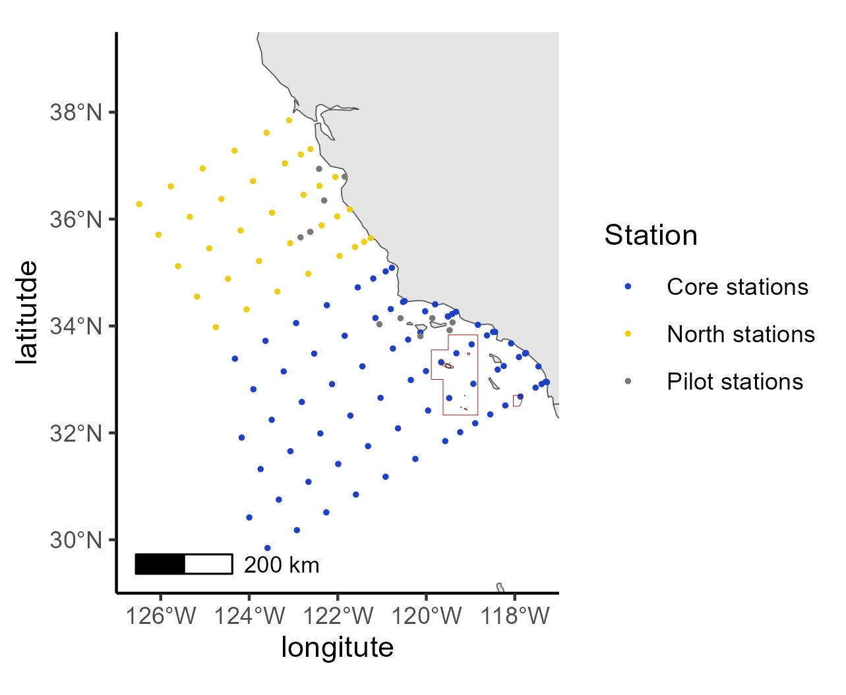
northern_sta | Station | geometry | intersection | area
FALSE | Core stations | c(-117.3053809 | 32.95637243) | NA
FALSE | Core stations | c(-117.2735654 | 32.94905192) | NA
FALSE | Core stations | c(-117.4654169 | 33.24350056) | NA
FALSE | Core stations | c(-117.3943818 | 32.91303909) | NA
FALSE | Core stations | c(-117.5312206 | 32.84637243) | NA
FALSE | Core stations | c(-117.8728643 | 32.67970576) | 1 | 2
FALSE | Core stations | c(-118.2138649 | 32.51303909) | NA
FALSE | Core stations | c(-118.5542278 | 32.34637243) | NA
FALSE | Core stations | c(-118.8939582 | 32.17970576) | NA
FALSE | Core stations | c(-119.2330612 | 32.01303909) | NA
FALSE | Core stations | c(-119.5715421 | 31.84637243) | NA
FALSE | Core stations | c(-120.2466579 | 31.51303909) | NA
FALSE | Core stations | c(-120.9193461 | 31.17970576) | NA
FALSE | Core stations | c(-121.5896467 | 30.84637243) | NA
FALSE | Core stations | c(-122.2575992 | 30.51303909) | NA
FALSE | Core stations | c(-122.9232422 | 30.17970576) | NA
FALSE | Core stations | c(-123.5866142 | 29.84637243) | NA
FALSE | Core stations | c(-123.9989326 | 30.41794919) | NA
FALSE | Core stations | c(-123.3316429 | 30.75128253) | NA
FALSE | Core stations | c(-122.6620162 | 31.08461586) | NA
FALSE | Core stations | c(-121.9900131 | 31.41794919) | NA
FALSE | Core stations | c(-121.3155939 | 31.75128253) | NA
FALSE | Core stations | c(-120.6387183 | 32.08461586) | NA
FALSE | Core stations | c(-119.9593451 | 32.41794919) | NA
FALSE | Core stations | c(-119.4822756 | 32.65128253) | 2 | 1
FALSE | Core stations | c(-118.9355113 | 32.91794919) | 2 | 1
FALSE | Core stations | c(-118.3870812 | 33.18461586) | NA
FALSE | Core stations | c(-118.2497109 | 33.25128253) | NA
FALSE | Core stations | c(-117.9058212 | 33.41794919) | NA
FALSE | Core stations | c(-117.7680788 | 33.48461586) | NA
...

