Functions-Feedback_Deziree
! |  | DWR Feedback | Note | Jira Ticket
1 | DvAnnualExceedanceWYD(${guiLinkId}%2C ${month}) | Post processed Excel results do not match with QAQC Report | See DvAnnualExceedanceWYD tab. Wrong units used producing values that do not match the exceedance plot generated in Excel. | DE-521
3 | DtsEntirePeriodPerMonth(${dtsId}) | It appears the results are displayed for all months. The max and min range varies by month, but the exceedance plots included in the EPPT QA/QC Report do not show any variation in the max and min values. | See DtsEntirePeriodPerMonth tab Not looking at individual months | DE-522
5 | DvEntirePeriodExceedancePerMonth(${guiLinkId}) | Post processed Excel results do not match with QAQC Report | See DvEntirePeriodExceedancePerMnth tab. Not looking at individual months | DE-523
10 | DtsPeriodAverage(${dtsId}) | Incorrect processing of results. Numbers do not match regardless of whether processed for average annual or average monthly values. | See Storage_Change tab and WYT values were not being computed correctly for the QA/QC Report. Monthly average will be corrected to produce the annual average values. | DE-524 DE-560 DE-561
11 | DtsPeriodAverageOneMonth(${dtsId}%2C ${month}) | EPPT QAQC Report results do not match with Trend Reporting Dashboard | See DtsPeriodAverageOneMonth tab WYT values were not being computed correctly for the QA/QC Report. | DE-560
12 | DvPeriodAverage(${guiLinkId}) | • Reports long-term monthly average instead of the long-term annual average • After adjusting for the limitations* and processing for average monthly instead of average annual, the values processed for the Below Normal and Critical years are incorrect. INTERNAL ACTION -Replace w/ DvPeriodAnnualAverage where interested in the annual average | See DvPeriodAverage tab. WYT values were not being computed correctly for the QA/QC Report. Monthly average will be corrected to produce the annual average values. | DE-560 DE-561
14 | DvPeriodAverageOneMonth(${guiLinkId}%2C ${month}) | Long term values okay but WYT values did not match | See DvPeriodAverageOneMonth tab. WYT values were not being computed correctly for the QA/QC Report. | DE-560
15 | DtsGreaterThan0PeriodAverage(${dtsId}) | Incorrect processing of results. Numbers do not match regardless of whether processed for average annual or average monthly values. | See Storage_Change tab. Need feedback from DWR how the values are filtered for fill up. WYT values were not being computed correctly for the QA/QC Report. Monthly average will be corrected to produce the annual average values. | DE-524 DE-560 DE-561
16 | DtsLessThan0PeriodAverage(${dtsId}) | Incorrect processing of results. Numbers do not match regardless of whether processed for average annual or average monthly values. | See Storage_Change tab. Need feedback from DWR how the values are filtered for drawdown. WYT values were not being computed correctly for the QA/QC Report. Monthly average will be corrected to produce the annual average values. | DE-524 DE-560 DE-561
18 | DtsLessThanReportDv(${dtsId}%2C${guiLinkId1}%2C${guiLinkId2}) | Values displaying properly, but CFS DISPLAYING AS TAF | Incorrect handling of units for the QA/QC Report. | DE-531
20 | DtsGreaterThanReportDv(${dtsId}%2C${guiLinkId1}%2C${guiLinkId2}) | Values displaying fine, but SALINITY UNITS NOT DISPLAYING PROPERLY. | Incorrect handling of units for the QA/QC Report. | DE-529
22 | DtsGreaterThan0ReportDv(${guiLinkId}) | Values displaying properly, but CFS DISPLAYING AS TAF | Incorrect handling of units for the QA/QC Report. | DE-531
27 | DvForMonth(${guiLinkId}%2C${month}) | Inconclusive. Need RMA to look into this function since it can be hard to verify for certain variables. Also need DvForYear function. | Cases identified in the review involved incorrect months assigned to some functions. To resolve those, the correct month needs to be replaced in the function. Additional function will be created to retrieve the data needed for a scatter plot using the annual average as specified. | DE-562
28 | DtsForMonth(${dtsId}%2C${month}) | Inconclusive. Need RMA to look into this function since it can be hard to verify for certain variables. Also need DtsForYear function. | Cases identified in the review involved incorrect months assigned to some functions. To resolve those, the correct month needs to be replaced in the function. Additional function will be created to retrieve the data needed for a scatter plot using the annual average as specified. | DE-562
29 | DtsPeriodCountEquals(${dtsId}) | Need RMA to look into this function. Works fine for long term. But does not produce same values with same water year type CONSISTENTLY. Need to prevent "B=0" from showing up in tables. | 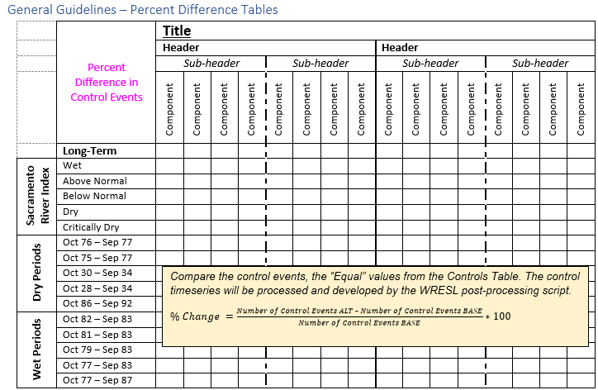 WYT values were not being computed correctly for the QA/QC Report. "B=0" was the solution put in place in the case that the base study's value was 0. When the base value is zero, this would cause the value to be infinity following the formula given by DWR. This function is used for retrieving a count of occurences when the DTS reports equals (200). This is currently used in the Percent-difference tables in the QA/QC Report. Period Filter is also applied for this function. | DE-560
33 | DtsEqualsReportDv8(${dtsId}%2C${guiLinkId1}%2C${guiLinkId2}%2C${guiLinkId3}%2C${guiLinkId4}%2C${guiLinkId5}%2C${guiLinkId6}%2C${guiLinkId7}%2C${guiLinkId8}) | Values displaying properly, but CFS DISPLAYING AS TAF | Incorrect handling of units for the QA/QC Report. | DE-531
34 | DtsExceedanceSingleMonth(${dtsId}%2C ${month}) |  | Does this work?
35 | DtsAnnualExceedanceWYD(${dtsId}%2C ${month}) |  | Does this work?

DvAnnualExceedanceWYD
 |  |  |  |  |  |  |  | FUNCTION | DvAnnualExceedanceWYD(${guiLinkId}%2C ${month})
 |  |  |  |  |  |  |  | REPORTED ISSUE | Post processed Excel results do not match with QAQC Report
 |  |  |  |  |  |  |  | FUNCTION DESCRIPTION | 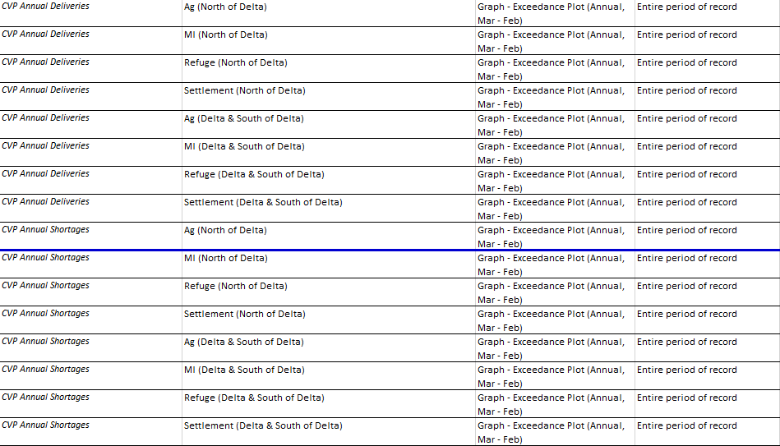 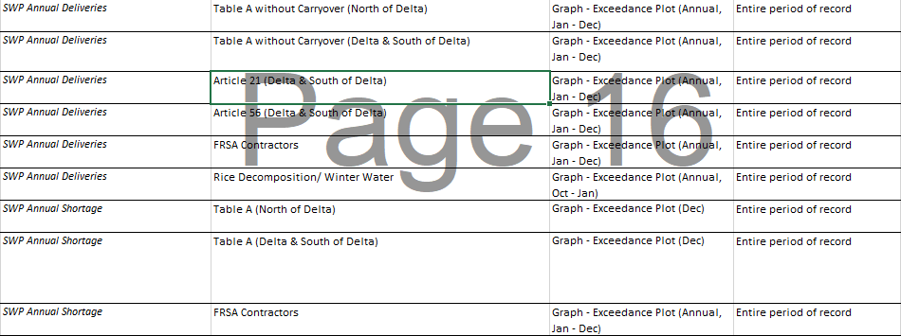 Produces data for Annual Exceedance Plot for a specific Water Year Definition using a GUI Link ID. Used for exceedance plots for the Allocations and Deliveries module for the following charts: +CVP Annual Deliveries +CVP Annual Shortages +SWP Annual Deliveries +SWP Annual Shortages Reference:
 |  |  |  |  |  |  |  | TESTING INFORMATION
 |  |  |  |  |  |  |  | DATA SOURCE (DV OR DTS) | DV
 |  |  |  |  |  |  |  | SAMPLE FUNCTION | DvAnnualExceedanceWYD(2799%2C MARCH)
 |  |  |  |  |  |  |  | GUILink or DTS ID | 2799
 |  |  |  |  |  |  |  | B-PART | del_cvp_pag_n/DELIVERY-CVP

 |  |  |  |  |  |  |  |  |  |  | Reported by Karandev
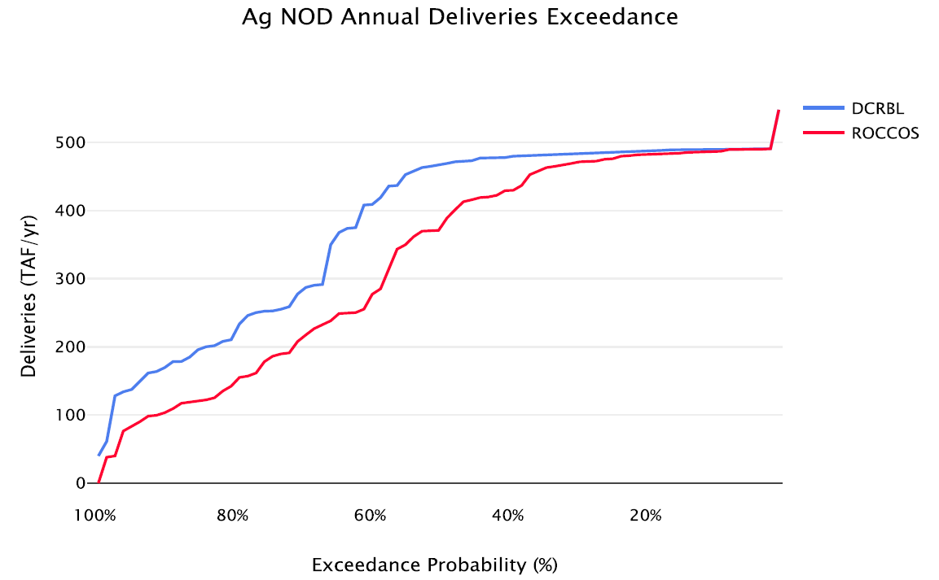
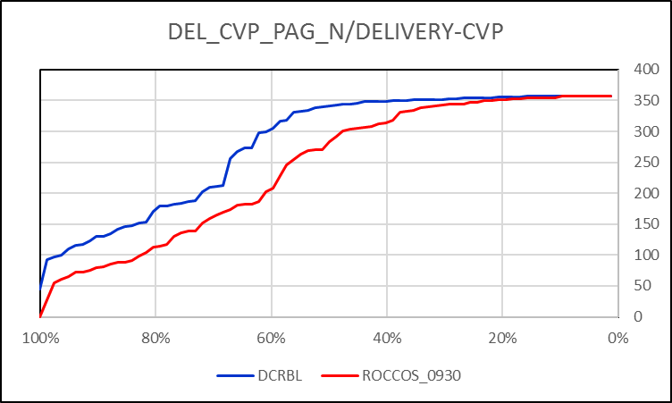

 |  |  |  |  |  |  |  |  |  |  |  | EPPT QA/QC |  |  |  | POST-PROCESSED EXCEL

 |  |  |  |  |  |  |  |  |  |  | Manual Testing
 |  |  |  |  |  |  |  |  |  |  | The maximum and minimum values in the QA/QC Report's exceedance plot is using the wrong values. The expected maxmimum value is 228.920058 cfs, while the minimum is 0 cfs. The QA/QC report is using CFS, as it does not yet convert CFS to TAF.
DEL_CVP_PAG_N/DELIVERY-CVP EXCEEDANCE
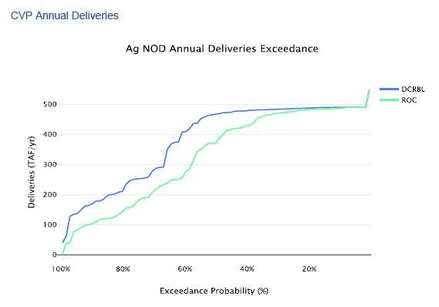

 |  |  |  |  |  |  |  |  |  |  |  |  |  |  |  |  |  |  |  |  |  |  | AVE | 277.056190
WY | YEAR | MONTH | DATE AND TIME |  | CFS | Conversion from CFS to TAF/Month | TAF/MONTH | UNITS | TAF | MIN | 0.000000 | 0.000000 | 0.000000 | 0.000000 | 0.000000 | 0.000000 | 1.787099 | 8.045232 | 7.046399 | 10.035873 | 8.107094 | 2.002058 | MIN | 44.566858
 |  |  |  |  |  |  |  | MONTH | MAR | MAX | 14.892969 | 1.897177 | 0.000000 | 0.000000 | 4.359726 | 14.075746 | 51.081091 | 63.789558 | 81.953942 | 95.763841 | 77.500356 | 37.529963 | MAX | 357.088404
 |  |  |  |  |  |  |  |  |  |  | 10 | 11 | 12 | 1 | 2 | 3 | 4 | 5 | 6 | 7 | 8 | 9
 |  |  |  |  |  |  |  |  |  | YEAR | OCT | NOV | DEC | JAN | FEB | MAR | APR | MAY | JUN | JUL | AUG | SEP |  | MAR-FEB | SORTED | RMA
1922 | 1921 | 10 | 31 Oct 1921, 24:00 | 1922 10 | 79.603384 | 0.061488 | 4.8946212972 |  | 1 | 1922 | 4.894621 | 0.000000 | 0.000000 | 0.000000 | 0.000000 | 0.513548 | 44.340689 | 57.872464 | 72.638540 | 82.375871 | 66.198928 | 32.103424 |  | 357.088404 | 44.566858 | 99.390243902
1922 | 1921 | 11 | 30 Nov 1921, 24:00 | 1922 11 | 0.000000 | 0.059504 | 0 |  | 2 | 1923 | 1.044939 | 0.000000 | 0.000000 | 0.000000 | 0.000000 | 8.414168 | 23.830248 | 62.771330 | 69.599324 | 85.896744 | 69.268941 | 18.670558 |  | 348.633508 | 92.549567 | 98.170731707
1922 | 1921 | 12 | 31 Dec 1921, 24:00 | 1922 12 | 0.000000 | 0.061488 | 0 |  | 3 | 1924 | 9.366034 | 0.816161 | 0.000000 | 0.000000 | 0.000000 | 4.047065 | 20.248087 | 22.768329 | 25.278103 | 28.366889 | 22.793190 | 11.019809 |  | 134.521472 | 97.425967 | 96.951219512
1922 | 1922 | 1 | 31 Jan 1922, 24:00 | 1922 1 | 0.000000 | 0.061488 | 0 |  | 4 | 1925 | 0.000000 | 0.000000 | 0.000000 | 0.000000 | 0.000000 | 0.000000 | 9.926660 | 31.470321 | 54.755784 | 70.238342 | 56.209478 | 22.142071 |  | 255.274224 | 99.980025 | 95.731707317
1922 | 1922 | 2 | 28 Feb 1922, 24:00 | 1922 2 | 0.000000 | 0.055537 | 0 |  | 5 | 1926 | 10.531567 | 0.000000 | 0.000000 | 0.000000 | 0.000000 | 1.863704 | 4.247255 | 22.359281 | 33.503876 | 37.802194 | 29.626548 | 14.611524 |  | 145.898782 | 109.300712 | 94.512195122
1922 | 1922 | 3 | 31 Mar 1922, 24:00 | 1922 3 | 8.352051 | 0.061488 | 0.51354759868 |  | 6 | 1927 | 1.884400 | 0.000000 | 0.000000 | 0.000000 | 0.000000 | 0.544478 | 34.406343 | 59.237935 | 69.817398 | 86.998899 | 70.312105 | 33.849970 |  | 356.865775 | 115.316851 | 93.292682927
1922 | 1922 | 4 | 30 Apr 1922, 24:00 | 1922 4 | 745.169908 | 0.059504 | 44.34068874 |  | 7 | 1928 | 1.698646 | 0.000000 | 0.000000 | 0.000000 | 0.000000 | 0.000000 | 16.460793 | 52.121016 | 64.768386 | 73.857485 | 59.615643 | 28.387571 |  | 305.512163 | 117.662006 | 92.073170732
1922 | 1922 | 5 | 31 May 1922, 24:00 | 1922 5 | 941.205399 | 0.061488 | 57.872464203 |  | 8 | 1929 | 10.301268 | 0.000000 | 0.000000 | 0.000000 | 0.000000 | 0.214976 | 5.451608 | 8.045232 | 7.046399 | 10.035873 | 8.107094 | 3.897772 |  | 44.566858 | 123.418579 | 90.853658537
1922 | 1922 | 6 | 30 Jun 1922, 24:00 | 1922 6 | 1220.731013 | 0.059504 | 72.638539617 |  | 9 | 1930 | 1.532061 | 0.235844 | 0.000000 | 0.000000 | 0.000000 | 0.000000 | 7.482374 | 19.567420 | 29.072020 | 32.741551 | 26.443011 | 10.576099 |  | 130.068196 | 129.913914 | 89.634146341
1922 | 1922 | 7 | 31 Jul 1922, 24:00 | 1922 7 | 1339.715114 | 0.061488 | 82.375871472 |  | 10 | 1931 | 4.185723 | 0.000000 | 0.000000 | 0.000000 | 0.000000 | 4.215255 | 15.156750 | 14.169082 | 16.407725 | 21.650097 | 17.490338 | 8.314877 |  | 99.980025 | 130.068196 | 88.414634146
1922 | 1922 | 8 | 31 Aug 1922, 24:00 | 1922 8 | 1076.622357 | 0.061488 | 66.198928397 |  | 11 | 1932 | 2.575901 | 0.000000 | 0.000000 | 0.000000 | 0.000000 | 1.532788 | 21.155759 | 25.651759 | 35.190807 | 41.710503 | 33.685782 | 16.115768 |  | 182.183286 | 134.521472 | 87.195121951
1922 | 1922 | 9 | 30 Sep 1922, 24:00 | 1922 9 | 539.515881 | 0.059504 | 32.103424324 |  | 12 | 1933 | 6.737390 | 0.402730 | 0.000000 | 0.000000 | 0.000000 | 1.653308 | 15.192191 | 14.943075 | 18.219660 | 20.576000 | 16.633621 | 7.941009 |  | 97.425967 | 142.351658 | 85.975609756
1923 | 1922 | 10 | 31 Oct 1922, 24:00 | 1923 10 | 16.994309 | 0.061488 | 1.0449393302 |  | 13 | 1934 | 1.766061 | 0.501042 | 0.000000 | 0.000000 | 0.000000 | 0.496487 | 16.859780 | 25.128799 | 29.445002 | 34.862349 | 28.183961 | 13.613185 |  | 151.434480 | 145.898782 | 84.756097561
1923 | 1922 | 11 | 30 Nov 1922, 24:00 | 1923 11 | 0.000000 | 0.059504 | 0 |  | 14 | 1935 | 2.844917 | 0.000000 | 0.000000 | 0.000000 | 0.000000 | 0.000000 | 1.787099 | 22.606334 | 34.815819 | 39.096633 | 31.576827 | 14.615068 |  | 147.063127 | 147.063127 | 83.536585366
1923 | 1922 | 12 | 31 Dec 1922, 24:00 | 1923 12 | 0.000000 | 0.061488 | 0 |  | 15 | 1936 | 2.353670 | 0.211677 | 0.000000 | 0.000000 | 0.000000 | 0.259004 | 14.588759 | 33.073813 | 38.108241 | 52.470322 | 42.588254 | 19.318070 |  | 209.413686 | 151.434480 | 82.317073171
1923 | 1923 | 1 | 31 Jan 1923, 24:00 | 1923 1 | 0.000000 | 0.061488 | 0 |  | 16 | 1937 | 7.806076 | 1.201146 | 0.000000 | 0.000000 | 0.000000 | 0.000000 | 14.211483 | 38.202345 | 41.787977 | 52.980384 | 42.889107 | 20.677928 |  | 212.497792 | 153.338676 | 81.097560976
1923 | 1923 | 2 | 28 Feb 1923, 24:00 | 1923 2 | 0.000000 | 0.055537 | 0 |  | 17 | 1938 | 1.748569 | 0.000000 | 0.000000 | 0.000000 | 0.000000 | 0.000000 | 16.749255 | 56.214411 | 81.151338 | 91.295733 | 73.796569 | 28.534199 |  | 356.788701 | 170.098216 | 79.87804878
1923 | 1923 | 3 | 31 Mar 1923, 24:00 | 1923 3 | 136.843322 | 0.061488 | 8.4141678982 |  | 18 | 1939 | 4.572722 | 0.114750 | 0.000000 | 0.000000 | 4.359726 | 10.360200 | 29.163166 | 24.544815 | 32.847965 | 36.580554 | 29.872887 | 11.253697 |  | 179.089815 | 179.022182 | 78.658536585
1923 | 1923 | 4 | 30 Apr 1923, 24:00 | 1923 4 | 400.480565 | 0.059504 | 23.830248496 |  | 19 | 1940 | 3.714073 | 0.752459 | 0.000000 | 0.000000 | 0.000000 | 0.000000 | 23.456497 | 48.385131 | 80.177610 | 91.698804 | 74.102168 | 34.373851 |  | 353.955929 | 179.089815 | 77.43902439
1923 | 1923 | 5 | 31 May 1923, 24:00 | 1923 5 | 1020.877812 | 0.061488 | 62.771329928 |  | 20 | 1941 | 1.761869 | 0.000000 | 0.000000 | 0.000000 | 0.000000 | 0.000000 | 6.763777 | 37.274944 | 79.222573 | 94.540890 | 76.471710 | 36.723125 |  | 333.685126 | 182.183286 | 76.219512195
1923 | 1923 | 6 | 30 Jun 1923, 24:00 | 1923 6 | 1169.655303 | 0.059504 | 69.599323815 |  | 21 | 1942 | 2.688107 | 0.000000 | 0.000000 | 0.000000 | 0.000000 | 0.000000 | 7.341387 | 45.296579 | 81.447538 | 93.478600 | 75.526159 | 35.354905 |  | 349.870871 | 183.658701 | 75
1923 | 1923 | 7 | 31 Jul 1923, 24:00 | 1923 7 | 1396.976609 | 0.061488 | 85.896743562 |  | 22 | 1943 | 11.425704 | 0.000000 | 0.000000 | 0.000000 | 0.000000 | 0.095439 | 17.452353 | 58.890599 | 75.302549 | 86.859952 | 70.564191 | 33.942162 |  | 354.406659 | 185.747952 | 73.780487805
1923 | 1923 | 8 | 31 Aug 1923, 24:00 | 1923 8 | 1126.551325 | 0.061488 | 69.268940975 |  | 23 | 1944 | 11.082842 | 0.216571 | 0.000000 | 0.000000 | 0.000000 | 0.772577 | 11.941388 | 19.032760 | 26.114710 | 31.479760 | 25.440407 | 12.223877 |  | 129.913914 | 188.678624 | 72.56097561
1923 | 1923 | 9 | 30 Sep 1923, 24:00 | 1923 9 | 313.769102 | 0.059504 | 18.670558136 |  | 24 | 1945 | 2.908437 | 0.000000 | 0.000000 | 0.000000 | 0.000000 | 0.000000 | 24.417076 | 50.182240 | 71.768941 | 91.854770 | 74.141209 | 35.674806 |  | 348.154263 | 202.299798 | 71.341463415
1924 | 1923 | 10 | 31 Oct 1923, 24:00 | 1924 10 | 152.323940 | 0.061488 | 9.3660339967 |  | 25 | 1946 | 0.115221 | 0.000000 | 0.000000 | 0.000000 | 0.000000 | 1.243887 | 45.931995 | 58.219445 | 70.005375 | 77.136903 | 63.637377 | 29.691931 |  | 356.759832 | 209.413686 | 70.12195122
1924 | 1923 | 11 | 30 Nov 1923, 24:00 | 1924 11 | 13.716044 | 0.059504 | 0.81616129587 |  | 26 | 1947 | 10.892921 | 0.000000 | 0.000000 | 0.000000 | 0.000000 | 0.000000 | 27.448056 | 50.982304 | 55.315928 | 74.681391 | 60.026558 | 29.272285 |  | 299.317161 | 211.623299 | 68.902439024
1924 | 1923 | 12 | 31 Dec 1923, 24:00 | 1924 12 | 0.000000 | 0.061488 | 0 |  | 27 | 1948 | 0.278438 | 0.000000 | 0.000000 | 0.000000 | 1.312201 | 2.691524 | 4.424999 | 33.069170 | 64.877268 | 95.432896 | 76.664883 | 31.976980 |  | 316.809364 | 212.497792 | 67.682926829
1924 | 1924 | 1 | 31 Jan 1924, 24:00 | 1924 1 | 0.000000 | 0.061488 | 0 |  | 28 | 1949 | 7.177668 | 0.493976 | 0.000000 | 0.000000 | 0.000000 | 0.000000 | 23.811326 | 51.574582 | 75.493903 | 85.094003 | 68.508916 | 32.513167 |  | 350.818973 | 255.274224 | 66.463414634
1924 | 1924 | 2 | 29 Feb 1924, 24:00 | 1924 2 | 0.000000 | 0.057521 | 0 |  | 29 | 1950 | 13.715348 | 0.107729 | 0.000000 | 0.000000 | 0.000000 | 0.329483 | 22.908042 | 32.263748 | 37.205646 | 42.850023 | 34.585233 | 15.224794 |  | 185.747952 | 267.712976 | 65.243902439
1924 | 1924 | 3 | 31 Mar 1924, 24:00 | 1924 3 | 65.819201 | 0.061488 | 4.047064921 |  | 30 | 1951 | 0.380982 | 0.000000 | 0.000000 | 0.000000 | 0.000000 | 1.719868 | 43.725742 | 48.629320 | 75.382231 | 85.366377 | 68.810112 | 32.780432 |  | 356.982094 | 272.623901 | 64.024390244
1924 | 1924 | 4 | 30 Apr 1924, 24:00 | 1924 4 | 340.280345 | 0.059504 | 20.248086645 |  | 31 | 1952 | 0.568011 | 0.000000 | 0.000000 | 0.000000 | 0.000000 | 0.000000 | 27.230329 | 59.668958 | 67.142382 | 85.978436 | 70.357636 | 33.269150 |  | 356.972091 | 272.808023 | 62.804878049
1924 | 1924 | 5 | 31 May 1924, 24:00 | 1924 5 | 370.291377 | 0.061488 | 22.768329297 |  | 32 | 1953 | 13.325200 | 0.000000 | 0.000000 | 0.000000 | 0.000000 | 3.532177 | 28.020682 | 55.405824 | 71.734544 | 87.847648 | 64.561519 | 34.408482 |  | 355.881527 | 297.349043 | 61.585365854
1924 | 1924 | 6 | 30 Jun 1924, 24:00 | 1924 6 | 424.812566 | 0.059504 | 25.278103101 |  | 33 | 1954 | 10.370652 | 0.000000 | 0.000000 | 0.000000 | 0.000000 | 0.000000 | 20.529874 | 59.140014 | 76.477237 | 90.605357 | 63.818716 | 34.525733 |  | 356.972092 | 299.317161 | 60.365853659
1924 | 1924 | 7 | 31 Jul 1924, 24:00 | 1924 7 | 461.343228 | 0.061488 | 28.366889391 |  | 34 | 1955 | 11.875161 | 0.000000 | 0.000000 | 0.000000 | 0.000000 | 3.986410 | 17.625263 | 32.342854 | 37.914301 | 42.933855 | 34.728107 | 14.041172 |  | 188.678624 | 305.512163 | 59.146341463
1924 | 1924 | 8 | 31 Aug 1924, 24:00 | 1924 8 | 370.695694 | 0.061488 | 22.79318978 |  | 35 | 1956 | 5.106663 | 0.000000 | 0.000000 | 0.000000 | 0.000000 | 5.312897 | 38.473595 | 47.566131 | 71.560766 | 86.843265 | 70.207102 | 29.853341 |  | 356.855779 | 316.809364 | 57.926829268
1924 | 1924 | 9 | 30 Sep 1924, 24:00 | 1924 9 | 185.194006 | 0.059504 | 11.019808621 |  | 36 | 1957 | 5.460363 | 1.578318 | 0.000000 | 0.000000 | 0.000000 | 4.298919 | 37.482569 | 54.108743 | 79.095076 | 89.256274 | 72.234080 | 13.234231 |  | 349.931460 | 318.162359 | 56.707317073
1925 | 1924 | 10 | 31 Oct 1924, 24:00 | 1925 10 | 0.000000 | 0.061488 | 0 |  | 37 | 1958 | 0.000000 | 0.221568 | 0.000000 | 0.000000 | 0.000000 | 0.000000 | 7.911576 | 41.882120 | 73.252480 | 90.176725 | 75.517671 | 35.776184 |  | 339.045950 | 330.584902 | 55.487804878
1925 | 1924 | 11 | 30 Nov 1924, 24:00 | 1925 11 | 0.000000 | 0.059504 | 0 |  | 38 | 1959 | 12.936713 | 1.592481 | 0.000000 | 0.000000 | 0.000000 | 2.010300 | 40.712239 | 63.083990 | 71.097797 | 80.086041 | 63.028405 | 12.950779 |  | 347.760985 | 333.685126 | 54.268292683
1925 | 1924 | 12 | 31 Dec 1924, 24:00 | 1925 12 | 0.000000 | 0.061488 | 0 |  | 39 | 1960 | 12.922079 | 1.869356 | 0.000000 | 0.000000 | 0.000000 | 0.035663 | 16.351345 | 25.073630 | 35.509900 | 39.964146 | 32.323741 | 15.445537 |  | 170.098216 | 338.206618 | 53.048780488
1925 | 1925 | 1 | 31 Jan 1925, 24:00 | 1925 1 | 0.000000 | 0.061488 | 0 |  | 40 | 1961 | 5.394252 | 0.000000 | 0.000000 | 0.000000 | 0.000000 | 0.000000 | 18.316486 | 34.458220 | 42.344144 | 51.292099 | 40.713261 | 17.157460 |  | 211.623299 | 339.045950 | 51.829268293
1925 | 1925 | 2 | 28 Feb 1925, 24:00 | 1925 2 | 0.000000 | 0.055537 | 0 |  | 41 | 1962 | 7.341630 | 0.000000 | 0.000000 | 0.000000 | 0.000000 | 0.000000 | 31.253174 | 60.791184 | 71.765893 | 86.055705 | 68.831282 | 31.819443 |  | 350.516682 | 340.503517 | 50.609756098
1925 | 1925 | 3 | 31 Mar 1925, 24:00 | 1925 3 | 0.000000 | 0.061488 | 0 |  | 42 | 1963 | 0.000000 | 0.000000 | 0.000000 | 0.000000 | 0.000000 | 0.000000 | 6.311808 | 46.466051 | 80.956444 | 93.854751 | 75.842021 | 36.072438 |  | 342.050220 | 342.050220 | 49.390243902
1925 | 1925 | 4 | 30 Apr 1925, 24:00 | 1925 4 | 166.823040 | 0.059504 | 9.9266602314 |  | 43 | 1964 | 2.546707 | 0.000000 | 0.000000 | 0.000000 | 0.000000 | 4.302475 | 28.415717 | 30.283543 | 31.671363 | 38.968532 | 30.967690 | 12.951742 |  | 179.022182 | 343.720053 | 48.170731707
1925 | 1925 | 5 | 31 May 1925, 24:00 | 1925 5 | 511.815711 | 0.061488 | 31.470321404 |  | 44 | 1965 | 1.461121 | 0.000000 | 0.000000 | 0.000000 | 0.000000 | 2.930134 | 13.586929 | 61.519267 | 76.065755 | 86.312951 | 57.199939 | 33.501378 |  | 344.998670 | 344.091743 | 46.951219512
1925 | 1925 | 6 | 30 Jun 1925, 24:00 | 1925 6 | 920.201375 | 0.059504 | 54.755784298 |  | 45 | 1966 | 13.882317 | 0.000000 | 0.000000 | 0.000000 | 0.000000 | 1.878389 | 44.755835 | 60.385542 | 68.571158 | 76.970633 | 62.039753 | 29.464342 |  | 356.708044 | 344.998670 | 45.731707317
1925 | 1925 | 7 | 31 Jul 1925, 24:00 | 1925 7 | 1142.317123 | 0.061488 | 70.238342108 |  | 46 | 1967 | 12.642392 | 0.000000 | 0.000000 | 0.000000 | 0.000000 | 0.114694 | 7.270836 | 53.700827 | 61.963454 | 92.445105 | 74.650626 | 35.394082 |  | 338.206618 | 347.701936 | 44.512195122
1925 | 1925 | 8 | 31 Aug 1925, 24:00 | 1925 8 | 914.159518 | 0.061488 | 56.209477801 |  | 47 | 1968 | 12.666994 | 0.000000 | 0.000000 | 0.000000 | 0.000000 | 0.074937 | 30.166446 | 61.627052 | 69.553871 | 87.935884 | 60.726082 | 34.078088 |  | 349.986599 | 347.760985 | 43.292682927
1925 | 1925 | 9 | 30 Sep 1925, 24:00 | 1925 9 | 372.109808 | 0.059504 | 22.14207122 |  | 48 | 1969 | 5.824239 | 0.000000 | 0.000000 | 0.000000 | 0.000000 | 0.106582 | 31.429922 | 63.011732 | 71.946489 | 84.211785 | 68.227098 | 32.281650 |  | 356.875775 | 348.154263 | 42.073170732
1926 | 1925 | 10 | 31 Oct 1925, 24:00 | 1926 10 | 171.279519 | 0.061488 | 10.531567119 |  | 49 | 1970 | 5.447380 | 0.213138 | 0.000000 | 0.000000 | 0.000000 | 0.073136 | 30.171026 | 63.422381 | 66.281972 | 82.754391 | 66.867832 | 32.105782 |  | 347.701936 | 348.633508 | 40.853658537
1926 | 1925 | 11 | 30 Nov 1925, 24:00 | 1926 11 | 0.000000 | 0.059504 | 0 |  | 50 | 1971 | 6.025415 | 0.000000 | 0.000000 | 0.000000 | 0.000000 | 3.115407 | 51.081091 | 48.507179 | 67.934348 | 79.865754 | 64.325007 | 29.583340 |  | 356.140495 | 349.870871 | 39.634146341
1926 | 1925 | 12 | 31 Dec 1925, 24:00 | 1926 12 | 0.000000 | 0.061488 | 0 |  | 51 | 1972 | 11.427279 | 0.099422 | 0.000000 | 0.000000 | 0.201667 | 14.075746 | 33.791159 | 43.578848 | 50.465670 | 59.647006 | 48.249598 | 17.681657 |  | 267.712976 | 349.931460 | 38.414634146
1926 | 1926 | 1 | 31 Jan 1926, 24:00 | 1926 1 | 0.000000 | 0.061488 | 0 |  | 52 | 1973 | 0.223293 | 0.000000 | 0.000000 | 0.000000 | 0.000000 | 0.000000 | 31.696367 | 60.809209 | 76.300832 | 85.934384 | 69.426402 | 31.497720 |  | 356.982090 | 349.986599 | 37.195121951
1926 | 1926 | 2 | 28 Feb 1926, 24:00 | 1926 2 | 0.000000 | 0.055537 | 0 |  | 53 | 1974 | 1.317176 | 0.000000 | 0.000000 | 0.000000 | 0.000000 | 0.000000 | 19.703180 | 63.094539 | 80.383702 | 77.065570 | 74.529835 | 36.052441 |  | 354.747246 | 350.516682 | 35.975609756
1926 | 1926 | 3 | 31 Mar 1926, 24:00 | 1926 3 | 30.310232 | 0.061488 | 1.8637035213 |  | 54 | 1975 | 3.802622 | 0.115356 | 0.000000 | 0.000000 | 0.000000 | 0.000000 | 23.008738 | 62.481535 | 78.056598 | 84.945934 | 69.229090 | 34.201195 |  | 356.982091 | 350.818973 | 34.756097561
1926 | 1926 | 4 | 30 Apr 1926, 24:00 | 1926 4 | 71.377486 | 0.059504 | 4.2472553653 |  | 55 | 1976 | 0.558142 | 0.220468 | 0.000000 | 0.000000 | 4.280392 | 10.021172 | 14.121608 | 19.025040 | 20.701276 | 23.446313 | 16.152909 | 7.700191 |  | 115.316851 | 351.424389 | 33.536585366
1926 | 1926 | 5 | 31 May 1926, 24:00 | 1926 5 | 363.638838 | 0.061488 | 22.359280618 |  | 56 | 1977 | 3.490277 | 0.137306 | 0.000000 | 0.000000 | 0.520760 | 5.461617 | 15.907738 | 9.905734 | 17.520254 | 19.930443 | 16.205687 | 4.831449 |  | 92.549567 | 351.531612 | 32.317073171
1926 | 1926 | 6 | 30 Jun 1926, 24:00 | 1926 6 | 563.051253 | 0.059504 | 33.503876212 |  | 57 | 1978 | 2.786645 | 0.000000 | 0.000000 | 0.000000 | 0.000000 | 0.000000 | 10.370828 | 57.299191 | 81.155677 | 91.604413 | 73.817584 | 26.900692 |  | 356.041354 | 351.894356 | 31.097560976
1926 | 1926 | 7 | 31 Jul 1926, 24:00 | 1926 7 | 614.793753 | 0.061488 | 37.802194399 |  | 58 | 1979 | 14.892969 | 0.000000 | 0.000000 | 0.000000 | 0.000000 | 0.000000 | 18.906752 | 51.811118 | 66.111747 | 74.375263 | 58.552848 | 26.270216 |  | 297.349043 | 352.586081 | 29.87804878
1926 | 1926 | 8 | 31 Aug 1926, 24:00 | 1926 8 | 481.829617 | 0.061488 | 29.626548351 |  | 59 | 1980 | 1.321099 | 0.000000 | 0.000000 | 0.000000 | 0.000000 | 0.000000 | 25.380456 | 55.428875 | 70.734969 | 86.822065 | 70.984004 | 33.305890 |  | 354.844324 | 352.735719 | 28.658536585
1926 | 1926 | 9 | 30 Sep 1926, 24:00 | 1926 9 | 245.554773 | 0.059504 | 14.611523683 |  | 60 | 1981 | 11.282863 | 0.905202 | 0.000000 | 0.000000 | 0.000000 | 0.000000 | 19.849795 | 54.395286 | 81.953942 | 92.277846 | 74.740221 | 30.634533 |  | 354.431374 | 353.955929 | 27.43902439
1927 | 1926 | 10 | 31 Oct 1926, 24:00 | 1927 10 | 30.646825 | 0.061488 | 1.8843998182 |  | 61 | 1982 | 0.579752 | 0.000000 | 0.000000 | 0.000000 | 0.000000 | 0.000000 | 12.001838 | 57.965312 | 69.432955 | 93.467742 | 75.820421 | 21.896634 |  | 330.584902 | 354.406659 | 26.219512195
1927 | 1926 | 11 | 30 Nov 1926, 24:00 | 1927 11 | 0.000000 | 0.059504 | 0 |  | 62 | 1983 | 0.000000 | 0.000000 | 0.000000 | 0.000000 | 0.000000 | 0.000000 | 7.397879 | 50.275613 | 77.255927 | 94.206790 | 72.502197 | 28.620488 |  | 340.503517 | 354.431374 | 25
1927 | 1926 | 12 | 31 Dec 1926, 24:00 | 1927 12 | 0.000000 | 0.061488 | 0 |  | 63 | 1984 | 10.244624 | 0.000000 | 0.000000 | 0.000000 | 0.000000 | 2.197215 | 45.765104 | 63.789558 | 69.825411 | 80.509448 | 60.852000 | 30.340864 |  | 356.169951 | 354.747246 | 23.780487805
1927 | 1927 | 1 | 31 Jan 1927, 24:00 | 1927 1 | 0.000000 | 0.061488 | 0 |  | 64 | 1985 | 2.890351 | 0.000000 | 0.000000 | 0.000000 | 0.000000 | 0.000000 | 29.752562 | 63.393078 | 75.171437 | 85.486777 | 68.373568 | 20.924070 |  | 351.531612 | 354.844324 | 22.56097561
1927 | 1927 | 2 | 28 Feb 1927, 24:00 | 1927 2 | 0.000000 | 0.055537 | 0 |  | 65 | 1986 | 8.430121 | 0.000000 | 0.000000 | 0.000000 | 0.000000 | 0.000000 | 15.163520 | 43.931903 | 60.850220 | 68.510485 | 55.341637 | 17.779687 |  | 272.623901 | 355.881527 | 21.341463415
1927 | 1927 | 3 | 31 Mar 1927, 24:00 | 1927 3 | 8.855092 | 0.061488 | 0.54447838413 |  | 66 | 1987 | 9.917017 | 1.129433 | 0.000000 | 0.000000 | 0.000000 | 0.039170 | 15.094389 | 21.273100 | 24.337307 | 27.267497 | 22.043803 | 10.573761 |  | 123.418579 | 356.041354 | 20.12195122
1927 | 1927 | 4 | 30 Apr 1927, 24:00 | 1927 4 | 578.217715 | 0.059504 | 34.406343372 |  | 67 | 1988 | 2.789552 | 0.000000 | 0.000000 | 0.000000 | 0.000000 | 2.878904 | 11.822235 | 15.060136 | 20.050523 | 25.164099 | 20.321571 | 9.781995 |  | 109.300712 | 356.140495 | 18.902439024
1927 | 1927 | 5 | 31 May 1927, 24:00 | 1927 5 | 963.412654 | 0.061488 | 59.237935089 |  | 68 | 1989 | 3.835043 | 0.000000 | 0.000000 | 0.000000 | 0.386208 | 0.000000 | 19.777916 | 36.042900 | 39.210499 | 47.509073 | 38.063654 | 2.002058 |  | 183.658701 | 356.169951 | 17.682926829
1927 | 1927 | 6 | 30 Jun 1927, 24:00 | 1927 6 | 1173.320155 | 0.059504 | 69.817397653 |  | 69 | 1990 | 0.994719 | 0.057882 | 0.000000 | 0.000000 | 0.000000 | 2.527175 | 18.761487 | 10.895397 | 23.727525 | 26.885780 | 20.571159 | 9.954715 |  | 117.662006 | 356.708044 | 16.463414634
1927 | 1927 | 7 | 31 Jul 1927, 24:00 | 1927 7 | 1414.901453 | 0.061488 | 86.998899259 |  | 70 | 1991 | 3.831541 | 0.234217 | 0.000000 | 0.000000 | 0.273011 | 0.000000 | 8.942431 | 21.856252 | 29.447234 | 35.275076 | 28.555809 | 13.625284 |  | 142.351658 | 356.759832 | 15.243902439
1927 | 1927 | 8 | 31 Aug 1927, 24:00 | 1927 8 | 1143.516757 | 0.061488 | 70.312104728 |  | 71 | 1992 | 4.517708 | 0.131864 | 0.000000 | 0.000000 | 0.000000 | 0.000000 | 13.365902 | 36.232181 | 38.947111 | 51.293353 | 41.649988 | 19.966722 |  | 202.299798 | 356.788701 | 14.024390244
1927 | 1927 | 9 | 30 Sep 1927, 24:00 | 1927 9 | 568.867554 | 0.059504 | 33.849970155 |  | 72 | 1993 | 0.651987 | 0.192554 | 0.000000 | 0.000000 | 0.000000 | 0.000000 | 27.937619 | 39.802598 | 68.330809 | 95.137515 | 75.560997 | 37.529963 |  | 351.424389 | 356.855779 | 12.804878049
1928 | 1927 | 10 | 31 Oct 1927, 24:00 | 1928 10 | 27.625836 | 0.061488 | 1.698646445 |  | 73 | 1994 | 7.124888 | 0.000000 | 0.000000 | 0.000000 | 0.000000 | 2.067918 | 33.133567 | 34.290134 | 56.225974 | 63.619721 | 51.467997 | 24.653275 |  | 272.808023 | 356.865775 | 11.585365854
1928 | 1927 | 11 | 30 Nov 1927, 24:00 | 1928 11 | 0.000000 | 0.059504 | 0 |  | 74 | 1995 | 7.349437 | 0.000000 | 0.000000 | 0.000000 | 0.000000 | 0.000000 | 21.458106 | 43.198600 | 70.277446 | 91.632471 | 74.008899 | 35.418315 |  | 352.735719 | 356.875775 | 10.365853659
1928 | 1927 | 12 | 31 Dec 1927, 24:00 | 1928 12 | 0.000000 | 0.061488 | 0 |  | 75 | 1996 | 14.844705 | 1.897177 | 0.000000 | 0.000000 | 0.000000 | 0.000000 | 23.299298 | 34.617326 | 79.657889 | 93.340386 | 75.658968 | 33.929962 |  | 344.091743 | 356.972091 | 9.1463414634
1928 | 1928 | 1 | 31 Jan 1928, 24:00 | 1928 1 | 0.000000 | 0.061488 | 0 |  | 76 | 1997 | 3.587914 | 0.000000 | 0.000000 | 0.000000 | 0.000000 | 4.009148 | 47.838678 | 59.376844 | 65.539266 | 80.341689 | 59.806679 | 27.980700 |  | 351.894356 | 356.972092 | 7.9268292683
1928 | 1928 | 2 | 29 Feb 1928, 24:00 | 1928 2 | 0.000000 | 0.057521 | 0 |  | 77 | 1998 | 7.001353 | 0.000000 | 0.000000 | 0.000000 | 0.000000 | 0.000000 | 16.068692 | 14.762552 | 72.332416 | 95.763841 | 77.500356 | 34.569121 |  | 318.162359 | 356.972093 | 6.7073170732
1928 | 1928 | 3 | 31 Mar 1928, 24:00 | 1928 3 | 0.000000 | 0.061488 | 0 |  | 78 | 1999 | 7.165382 | 0.000000 | 0.000000 | 0.000000 | 0.000000 | 0.000000 | 29.156150 | 59.168323 | 69.241326 | 86.035148 | 68.607271 | 33.246701 |  | 356.972093 | 356.982090 | 5.487804878
1928 | 1928 | 4 | 30 Apr 1928, 24:00 | 1928 4 | 276.632766 | 0.059504 | 16.460792688 |  | 79 | 2000 | 11.517175 | 0.000000 | 0.000000 | 0.000000 | 0.000000 | 0.000000 | 21.225130 | 46.116227 | 74.925837 | 93.349637 | 76.527039 | 31.337181 |  | 343.720053 | 356.982091 | 4.2682926829
1928 | 1928 | 5 | 31 May 1928, 24:00 | 1928 5 | 847.667068 | 0.061488 | 52.121016413 |  | 80 | 2001 | 0.119501 | 0.119501 | 0.000000 | 0.000000 | 0.000000 | 0.086596 | 13.310063 | 26.473837 | 30.826639 | 37.056338 | 29.916497 | 12.367918 |  | 153.338676 | 356.982094 | 3.0487804878
1928 | 1928 | 6 | 30 Jun 1928, 24:00 | 1928 6 | 1088.468705 | 0.059504 | 64.768385752 |  | 81 | 2002 | 3.300789 | 0.000000 | 0.000000 | 0.000000 | 0.000000 | 2.655271 | 47.694788 | 50.941367 | 68.675514 | 77.436363 | 62.570524 | 29.974908 |  | 352.586081 | 357.088404 | 1.8292682927
1928 | 1928 | 7 | 31 Jul 1928, 24:00 | 1928 7 | 1201.176842 | 0.061488 | 73.857485161 |  | 82 | 2003 | 12.637346 | 0.000000 | 0.000000 | 0.000000 | 0.000000 | 0.000000 | 10.771854 | 43.506749 | 81.508844 | 94.056049 | 66.181046 | 36.575071 |  |  |  | 0.60975609756
1928 | 1928 | 8 | 31 Aug 1928, 24:00 | 1928 8 | 969.555488 | 0.061488 | 59.615643229
1928 | 1928 | 9 | 30 Sep 1928, 24:00 | 1928 9 | 477.068906 | 0.059504 | 28.387571266
1929 | 1928 | 10 | 31 Oct 1928, 24:00 | 1929 10 | 167.534068 | 0.061488 | 10.301268313
1929 | 1928 | 11 | 30 Nov 1928, 24:00 | 1929 11 | 0.000000 | 0.059504 | 0
1929 | 1928 | 12 | 31 Dec 1928, 24:00 | 1929 12 | 0.000000 | 0.061488 | 0
1929 | 1929 | 1 | 31 Jan 1929, 24:00 | 1929 1 | 0.000000 | 0.061488 | 0
1929 | 1929 | 2 | 28 Feb 1929, 24:00 | 1929 2 | 0.000000 | 0.055537 | 0
1929 | 1929 | 3 | 31 Mar 1929, 24:00 | 1929 3 | 3.496251 | 0.061488 | 0.21497609455
1929 | 1929 | 4 | 30 Apr 1929, 24:00 | 1929 4 | 91.617295 | 0.059504 | 5.4516076364
1929 | 1929 | 5 | 31 May 1929, 24:00 | 1929 5 | 130.843156 | 0.061488 | 8.0452320714
1929 | 1929 | 6 | 30 Jun 1929, 24:00 | 1929 6 | 118.418643 | 0.059504 | 7.0463985917
1929 | 1929 | 7 | 31 Jul 1929, 24:00 | 1929 7 | 163.217831 | 0.061488 | 10.035873245
1929 | 1929 | 8 | 31 Aug 1929, 24:00 | 1929 8 | 131.849243 | 0.061488 | 8.1070939498
1929 | 1929 | 9 | 30 Sep 1929, 24:00 | 1929 9 | 65.504216 | 0.059504 | 3.8977715306
1930 | 1929 | 10 | 31 Oct 1929, 24:00 | 1930 10 | 24.916582 | 0.061488 | 1.5320609098
1930 | 1929 | 11 | 30 Nov 1929, 24:00 | 1930 11 | 3.963491 | 0.059504 | 0.23584409256
1930 | 1929 | 12 | 31 Dec 1929, 24:00 | 1930 12 | 0.000000 | 0.061488 | 0
1930 | 1930 | 1 | 31 Jan 1930, 24:00 | 1930 1 | 0.000000 | 0.061488 | 0
1930 | 1930 | 2 | 28 Feb 1930, 24:00 | 1930 2 | 0.000000 | 0.055537 | 0
1930 | 1930 | 3 | 31 Mar 1930, 24:00 | 1930 3 | 0.000000 | 0.061488 | 0
1930 | 1930 | 4 | 30 Apr 1930, 24:00 | 1930 4 | 125.745447 | 0.059504 | 7.4823737058
1930 | 1930 | 5 | 31 May 1930, 24:00 | 1930 5 | 318.233578 | 0.061488 | 19.567420003
1930 | 1930 | 6 | 30 Jun 1930, 24:00 | 1930 6 | 488.571440 | 0.059504 | 29.07201957
1930 | 1930 | 7 | 31 Jul 1930, 24:00 | 1930 7 | 532.490272 | 0.061488 | 32.741550609
1930 | 1930 | 8 | 31 Aug 1930, 24:00 | 1930 8 | 430.054340 | 0.061488 | 26.443010658
1930 | 1930 | 9 | 30 Sep 1930, 24:00 | 1930 9 | 177.737216 | 0.059504 | 10.576098803
1931 | 1930 | 10 | 31 Oct 1930, 24:00 | 1931 10 | 68.074259 | 0.061488 | 4.1857230327
1931 | 1930 | 11 | 30 Nov 1930, 24:00 | 1931 11 | 0.000000 | 0.059504 | 0
1931 | 1930 | 12 | 31 Dec 1930, 24:00 | 1931 12 | 0.000000 | 0.061488 | 0
1931 | 1931 | 1 | 31 Jan 1931, 24:00 | 1931 1 | 0.000000 | 0.061488 | 0
1931 | 1931 | 2 | 28 Feb 1931, 24:00 | 1931 2 | 0.000000 | 0.055537 | 0
1931 | 1931 | 3 | 31 Mar 1931, 24:00 | 1931 3 | 68.554549 | 0.061488 | 4.2152549137
1931 | 1931 | 4 | 30 Apr 1931, 24:00 | 1931 4 | 254.717600 | 0.059504 | 15.156749752
1931 | 1931 | 5 | 31 May 1931, 24:00 | 1931 5 | 230.438034 | 0.061488 | 14.169082421
1931 | 1931 | 6 | 30 Jun 1931, 24:00 | 1931 6 | 275.740935 | 0.059504 | 16.407725058
1931 | 1931 | 7 | 31 Jul 1931, 24:00 | 1931 7 | 352.105068 | 0.061488 | 21.650096743
1931 | 1931 | 8 | 31 Aug 1931, 24:00 | 1931 8 | 284.453080 | 0.061488 | 17.490338142
1931 | 1931 | 9 | 30 Sep 1931, 24:00 | 1931 9 | 139.736120 | 0.059504 | 8.314876562
1932 | 1931 | 10 | 31 Oct 1931, 24:00 | 1932 10 | 41.893016 | 0.061488 | 2.5759011491
1932 | 1931 | 11 | 30 Nov 1931, 24:00 | 1932 11 | 0.000000 | 0.059504 | 0
1932 | 1931 | 12 | 31 Dec 1931, 24:00 | 1932 12 | 0.000000 | 0.061488 | 0
1932 | 1932 | 1 | 31 Jan 1932, 24:00 | 1932 1 | 0.000000 | 0.061488 | 0
1932 | 1932 | 2 | 29 Feb 1932, 24:00 | 1932 2 | 0.000000 | 0.057521 | 0
1932 | 1932 | 3 | 31 Mar 1932, 24:00 | 1932 3 | 24.928403 | 0.061488 | 1.5327877547
1932 | 1932 | 4 | 30 Apr 1932, 24:00 | 1932 4 | 355.534289 | 0.059504 | 21.155759345
1932 | 1932 | 5 | 31 May 1932, 24:00 | 1932 5 | 417.185864 | 0.061488 | 25.65175891
1932 | 1932 | 6 | 30 Jun 1932, 24:00 | 1932 6 | 591.401063 | 0.059504 | 35.190807055
1932 | 1932 | 7 | 31 Jul 1932, 24:00 | 1932 7 | 678.356299 | 0.061488 | 41.710503013
1932 | 1932 | 8 | 31 Aug 1932, 24:00 | 1932 8 | 547.846716 | 0.061488 | 33.685781546
1932 | 1932 | 9 | 30 Sep 1932, 24:00 | 1932 9 | 270.834434 | 0.059504 | 16.115767974
1933 | 1932 | 10 | 31 Oct 1932, 24:00 | 1933 10 | 109.573148 | 0.061488 | 6.7373902572
1933 | 1932 | 11 | 30 Nov 1932, 24:00 | 1933 11 | 6.768099 | 0.059504 | 0.40272985785
1933 | 1932 | 12 | 31 Dec 1932, 24:00 | 1933 12 | 0.000000 | 0.061488 | 0
1933 | 1933 | 1 | 31 Jan 1933, 24:00 | 1933 1 | 0.000000 | 0.061488 | 0
1933 | 1933 | 2 | 28 Feb 1933, 24:00 | 1933 2 | 0.000000 | 0.055537 | 0
1933 | 1933 | 3 | 31 Mar 1933, 24:00 | 1933 3 | 26.888485 | 0.061488 | 1.6533084992
1933 | 1933 | 4 | 30 Apr 1933, 24:00 | 1933 4 | 255.313211 | 0.059504 | 15.192191068
1933 | 1933 | 5 | 31 May 1933, 24:00 | 1933 5 | 243.025809 | 0.061488 | 14.943074537
1933 | 1933 | 6 | 30 Jun 1933, 24:00 | 1933 6 | 306.191506 | 0.059504 | 18.219659861
1933 | 1933 | 7 | 31 Jul 1933, 24:00 | 1933 7 | 334.636566 | 0.061488 | 20.576000422
1933 | 1933 | 8 | 31 Aug 1933, 24:00 | 1933 8 | 270.519909 | 0.061488 | 16.633620851
1933 | 1933 | 9 | 30 Sep 1933, 24:00 | 1933 9 | 133.453062 | 0.059504 | 7.9410086479
1934 | 1933 | 10 | 31 Oct 1933, 24:00 | 1934 10 | 28.722229 | 0.061488 | 1.7660610228
1934 | 1933 | 11 | 30 Nov 1933, 24:00 | 1934 11 | 8.420292 | 0.059504 | 0.5010421686
1934 | 1933 | 12 | 31 Dec 1933, 24:00 | 1934 12 | 0.000000 | 0.061488 | 0
1934 | 1934 | 1 | 31 Jan 1934, 24:00 | 1934 1 | 0.000000 | 0.061488 | 0
1934 | 1934 | 2 | 28 Feb 1934, 24:00 | 1934 2 | 0.000000 | 0.055537 | 0
1934 | 1934 | 3 | 31 Mar 1934, 24:00 | 1934 3 | 8.074590 | 0.061488 | 0.49648718678
1934 | 1934 | 4 | 30 Apr 1934, 24:00 | 1934 4 | 283.337963 | 0.059504 | 16.859779617
1934 | 1934 | 5 | 31 May 1934, 24:00 | 1934 5 | 408.680729 | 0.061488 | 25.128798543
1934 | 1934 | 6 | 30 Jun 1934, 24:00 | 1934 6 | 494.839625 | 0.059504 | 29.445002479
1934 | 1934 | 7 | 31 Jul 1934, 24:00 | 1934 7 | 566.981756 | 0.061488 | 34.862349295
1934 | 1934 | 8 | 31 Aug 1934, 24:00 | 1934 8 | 458.368189 | 0.061488 | 28.183961373
1934 | 1934 | 9 | 30 Sep 1934, 24:00 | 1934 9 | 228.777130 | 0.059504 | 13.613184595
1935 | 1934 | 10 | 31 Oct 1934, 24:00 | 1935 10 | 46.268145 | 0.061488 | 2.8449173455
1935 | 1934 | 11 | 30 Nov 1934, 24:00 | 1935 11 | 0.000000 | 0.059504 | 0
1935 | 1934 | 12 | 31 Dec 1934, 24:00 | 1935 12 | 0.000000 | 0.061488 | 0
1935 | 1935 | 1 | 31 Jan 1935, 24:00 | 1935 1 | 0.000000 | 0.061488 | 0
1935 | 1935 | 2 | 28 Feb 1935, 24:00 | 1935 2 | 0.000000 | 0.055537 | 0
1935 | 1935 | 3 | 31 Mar 1935, 24:00 | 1935 3 | 0.000000 | 0.061488 | 0
1935 | 1935 | 4 | 30 Apr 1935, 24:00 | 1935 4 | 30.033191 | 0.059504 | 1.7870989686
1935 | 1935 | 5 | 31 May 1935, 24:00 | 1935 5 | 367.656778 | 0.061488 | 22.606334118
1935 | 1935 | 6 | 30 Jun 1935, 24:00 | 1935 6 | 585.099183 | 0.059504 | 34.815819154
1935 | 1935 | 7 | 31 Jul 1935, 24:00 | 1935 7 | 635.845776 | 0.061488 | 39.096632838
1935 | 1935 | 8 | 31 Aug 1935, 24:00 | 1935 8 | 513.547859 | 0.061488 | 31.576827033
1935 | 1935 | 9 | 30 Sep 1935, 24:00 | 1935 9 | 245.614339 | 0.059504 | 14.615068106
1936 | 1935 | 10 | 31 Oct 1935, 24:00 | 1936 10 | 38.278766 | 0.061488 | 2.3536695788
1936 | 1935 | 11 | 30 Nov 1935, 24:00 | 1936 11 | 3.557347 | 0.059504 | 0.21167684628
1936 | 1935 | 12 | 31 Dec 1935, 24:00 | 1936 12 | 0.000000 | 0.061488 | 0
1936 | 1936 | 1 | 31 Jan 1936, 24:00 | 1936 1 | 0.000000 | 0.061488 | 0
1936 | 1936 | 2 | 29 Feb 1936, 24:00 | 1936 2 | 0.000000 | 0.057521 | 0
1936 | 1936 | 3 | 31 Mar 1936, 24:00 | 1936 3 | 4.212289 | 0.061488 | 0.25900355504
1936 | 1936 | 4 | 30 Apr 1936, 24:00 | 1936 4 | 245.172204 | 0.059504 | 14.588759246
1936 | 1936 | 5 | 31 May 1936, 24:00 | 1936 5 | 537.893997 | 0.061488 | 33.073812708
1936 | 1936 | 6 | 30 Jun 1936, 24:00 | 1936 6 | 640.430167 | 0.059504 | 38.108241342
1936 | 1936 | 7 | 31 Jul 1936, 24:00 | 1936 7 | 853.347983 | 0.061488 | 52.47032226
1936 | 1936 | 8 | 31 Aug 1936, 24:00 | 1936 8 | 692.631555 | 0.061488 | 42.588254291
1936 | 1936 | 9 | 30 Sep 1936, 24:00 | 1936 9 | 324.650903 | 0.059504 | 19.318070261
1937 | 1936 | 10 | 31 Oct 1936, 24:00 | 1937 10 | 126.953654 | 0.061488 | 7.8060759154
1937 | 1936 | 11 | 30 Nov 1936, 24:00 | 1937 11 | 20.185928 | 0.059504 | 1.2011461289
1937 | 1936 | 12 | 31 Dec 1936, 24:00 | 1937 12 | 0.000000 | 0.061488 | 0
1937 | 1937 | 1 | 31 Jan 1937, 24:00 | 1937 1 | 0.000000 | 0.061488 | 0
1937 | 1937 | 2 | 28 Feb 1937, 24:00 | 1937 2 | 0.000000 | 0.055537 | 0
1937 | 1937 | 3 | 31 Mar 1937, 24:00 | 1937 3 | 0.000000 | 0.061488 | 0
1937 | 1937 | 4 | 30 Apr 1937, 24:00 | 1937 4 | 238.831864 | 0.059504 | 14.211482817
1937 | 1937 | 5 | 31 May 1937, 24:00 | 1937 5 | 621.301575 | 0.061488 | 38.202344777
1937 | 1937 | 6 | 30 Jun 1937, 24:00 | 1937 6 | 702.270164 | 0.059504 | 41.787976701
1937 | 1937 | 7 | 31 Jul 1937, 24:00 | 1937 7 | 861.643335 | 0.061488 | 52.980383574
1937 | 1937 | 8 | 31 Aug 1937, 24:00 | 1937 8 | 697.524453 | 0.061488 | 42.889106862
1937 | 1937 | 9 | 30 Sep 1937, 24:00 | 1937 9 | 347.504067 | 0.059504 | 20.677927954
1938 | 1937 | 10 | 31 Oct 1937, 24:00 | 1938 10 | 28.437756 | 0.061488 | 1.7485694598
1938 | 1937 | 11 | 30 Nov 1937, 24:00 | 1938 11 | 0.000000 | 0.059504 | 0
1938 | 1937 | 12 | 31 Dec 1937, 24:00 | 1938 12 | 0.000000 | 0.061488 | 0
1938 | 1938 | 1 | 31 Jan 1938, 24:00 | 1938 1 | 0.000000 | 0.061488 | 0
1938 | 1938 | 2 | 28 Feb 1938, 24:00 | 1938 2 | 0.000000 | 0.055537 | 0
1938 | 1938 | 3 | 31 Mar 1938, 24:00 | 1938 3 | 0.000000 | 0.061488 | 0
1938 | 1938 | 4 | 30 Apr 1938, 24:00 | 1938 4 | 281.480528 | 0.059504 | 16.749254559
1938 | 1938 | 5 | 31 May 1938, 24:00 | 1938 5 | 914.239751 | 0.061488 | 56.214411136
1938 | 1938 | 6 | 30 Jun 1938, 24:00 | 1938 6 | 1363.793313 | 0.059504 | 81.151337633
1938 | 1938 | 7 | 31 Jul 1938, 24:00 | 1938 7 | 1484.782749 | 0.061488 | 91.295732666
1938 | 1938 | 8 | 31 Aug 1938, 24:00 | 1938 8 | 1200.186141 | 0.061488 | 73.796569331
1938 | 1938 | 9 | 30 Sep 1938, 24:00 | 1938 9 | 479.533070 | 0.059504 | 28.534199207
1939 | 1938 | 10 | 31 Oct 1938, 24:00 | 1939 10 | 74.368190 | 0.061488 | 4.5727217653
1939 | 1938 | 11 | 30 Nov 1938, 24:00 | 1939 11 | 1.928431 | 0.059504 | 0.11474961322
1939 | 1938 | 12 | 31 Dec 1938, 24:00 | 1939 12 | 0.000000 | 0.061488 | 0
1939 | 1939 | 1 | 31 Jan 1939, 24:00 | 1939 1 | 0.000000 | 0.061488 | 0
1939 | 1939 | 2 | 28 Feb 1939, 24:00 | 1939 2 | 78.501010 | 0.055537 | 4.359725514
1939 | 1939 | 3 | 31 Mar 1939, 24:00 | 1939 3 | 168.492500 | 0.061488 | 10.3602
1939 | 1939 | 4 | 30 Apr 1939, 24:00 | 1939 4 | 490.103199 | 0.059504 | 29.16316556
1939 | 1939 | 5 | 31 May 1939, 24:00 | 1939 5 | 399.183150 | 0.061488 | 24.544815174
1939 | 1939 | 6 | 30 Jun 1939, 24:00 | 1939 6 | 552.028297 | 0.059504 | 32.84796478
1939 | 1939 | 7 | 31 Jul 1939, 24:00 | 1939 7 | 594.925680 | 0.061488 | 36.580554208
1939 | 1939 | 8 | 31 Aug 1939, 24:00 | 1939 8 | 485.835929 | 0.061488 | 29.872886874
1939 | 1939 | 9 | 30 Sep 1939, 24:00 | 1939 9 | 189.124622 | 0.059504 | 11.253696516
1940 | 1939 | 10 | 31 Oct 1939, 24:00 | 1940 10 | 60.403603 | 0.061488 | 3.7140727795
1940 | 1939 | 11 | 30 Nov 1939, 24:00 | 1940 11 | 12.645495 | 0.059504 | 0.75245920661
1940 | 1939 | 12 | 31 Dec 1939, 24:00 | 1940 12 | 0.000000 | 0.061488 | 0
1940 | 1940 | 1 | 31 Jan 1940, 24:00 | 1940 1 | 0.000000 | 0.061488 | 0
1940 | 1940 | 2 | 29 Feb 1940, 24:00 | 1940 2 | 0.000000 | 0.057521 | 0
1940 | 1940 | 3 | 31 Mar 1940, 24:00 | 1940 3 | 0.000000 | 0.061488 | 0
1940 | 1940 | 4 | 30 Apr 1940, 24:00 | 1940 4 | 394.199462 | 0.059504 | 23.456496912
1940 | 1940 | 5 | 31 May 1940, 24:00 | 1940 5 | 786.908711 | 0.061488 | 48.38513066
1940 | 1940 | 6 | 30 Jun 1940, 24:00 | 1940 6 | 1347.429272 | 0.059504 | 80.177609574
1940 | 1940 | 7 | 31 Jul 1940, 24:00 | 1940 7 | 1491.338077 | 0.061488 | 91.698804073
1940 | 1940 | 8 | 31 Aug 1940, 24:00 | 1940 8 | 1205.156220 | 0.061488 | 74.102167577
1940 | 1940 | 9 | 30 Sep 1940, 24:00 | 1940 9 | 577.671659 | 0.059504 | 34.373850783
1941 | 1940 | 10 | 31 Oct 1940, 24:00 | 1941 10 | 28.654054 | 0.061488 | 1.7618691055
1941 | 1940 | 11 | 30 Nov 1940, 24:00 | 1941 11 | 0.000000 | 0.059504 | 0
1941 | 1940 | 12 | 31 Dec 1940, 24:00 | 1941 12 | 0.000000 | 0.061488 | 0
1941 | 1941 | 1 | 31 Jan 1941, 24:00 | 1941 1 | 0.000000 | 0.061488 | 0
1941 | 1941 | 2 | 28 Feb 1941, 24:00 | 1941 2 | 0.000000 | 0.055537 | 0
1941 | 1941 | 3 | 31 Mar 1941, 24:00 | 1941 3 | 0.000000 | 0.061488 | 0
1941 | 1941 | 4 | 30 Apr 1941, 24:00 | 1941 4 | 113.669027 | 0.059504 | 6.7637768132
1941 | 1941 | 5 | 31 May 1941, 24:00 | 1941 5 | 606.218844 | 0.061488 | 37.274943796
1941 | 1941 | 6 | 30 Jun 1941, 24:00 | 1941 6 | 1331.379347 | 0.059504 | 79.222572714
1941 | 1941 | 7 | 31 Jul 1941, 24:00 | 1941 7 | 1537.560178 | 0.061488 | 94.540890284
1941 | 1941 | 8 | 31 Aug 1941, 24:00 | 1941 8 | 1243.693139 | 0.061488 | 76.471710365
1941 | 1941 | 9 | 30 Sep 1941, 24:00 | 1941 9 | 617.152519 | 0.059504 | 36.723125098
1942 | 1941 | 10 | 31 Oct 1941, 24:00 | 1942 10 | 43.717864 | 0.061488 | 2.688106679
1942 | 1941 | 11 | 30 Nov 1941, 24:00 | 1942 11 | 0.000000 | 0.059504 | 0
1942 | 1941 | 12 | 31 Dec 1941, 24:00 | 1942 12 | 0.000000 | 0.061488 | 0
1942 | 1942 | 1 | 31 Jan 1942, 24:00 | 1942 1 | 0.000000 | 0.061488 | 0
1942 | 1942 | 2 | 28 Feb 1942, 24:00 | 1942 2 | 0.000000 | 0.055537 | 0
1942 | 1942 | 3 | 31 Mar 1942, 24:00 | 1942 3 | 0.000000 | 0.061488 | 0
1942 | 1942 | 4 | 30 Apr 1942, 24:00 | 1942 4 | 123.376079 | 0.059504 | 7.341386519
1942 | 1942 | 5 | 31 May 1942, 24:00 | 1942 5 | 736.678230 | 0.061488 | 45.29657877
1942 | 1942 | 6 | 30 Jun 1942, 24:00 | 1942 6 | 1368.771126 | 0.059504 | 81.447538076
1942 | 1942 | 7 | 31 Jul 1942, 24:00 | 1942 7 | 1520.283678 | 0.061488 | 93.478599705
1942 | 1942 | 8 | 31 Aug 1942, 24:00 | 1942 8 | 1228.315217 | 0.061488 | 75.526158797
1942 | 1942 | 9 | 30 Sep 1942, 24:00 | 1942 9 | 594.158820 | 0.059504 | 35.354904992
1943 | 1942 | 10 | 31 Oct 1942, 24:00 | 1943 10 | 185.821268 | 0.061488 | 11.425704413
1943 | 1942 | 11 | 30 Nov 1942, 24:00 | 1943 11 | 0.000000 | 0.059504 | 0
1943 | 1942 | 12 | 31 Dec 1942, 24:00 | 1943 12 | 0.000000 | 0.061488 | 0
1943 | 1943 | 1 | 31 Jan 1943, 24:00 | 1943 1 | 0.000000 | 0.061488 | 0
1943 | 1943 | 2 | 28 Feb 1943, 24:00 | 1943 2 | 0.000000 | 0.055537 | 0
1943 | 1943 | 3 | 31 Mar 1943, 24:00 | 1943 3 | 1.552166 | 0.061488 | 0.095438967273
1943 | 1943 | 4 | 30 Apr 1943, 24:00 | 1943 4 | 293.296495 | 0.059504 | 17.452353421
1943 | 1943 | 5 | 31 May 1943, 24:00 | 1943 5 | 957.763771 | 0.061488 | 58.890598812
1943 | 1943 | 6 | 30 Jun 1943, 24:00 | 1943 6 | 1265.501177 | 0.059504 | 75.302549375
1943 | 1943 | 7 | 31 Jul 1943, 24:00 | 1943 7 | 1412.641697 | 0.061488 | 86.859952278
1943 | 1943 | 8 | 31 Aug 1943, 24:00 | 1943 8 | 1147.616553 | 0.061488 | 70.564191358
1943 | 1943 | 9 | 30 Sep 1943, 24:00 | 1943 9 | 570.416894 | 0.059504 | 33.942162288
1944 | 1943 | 10 | 31 Oct 1943, 24:00 | 1944 10 | 180.245145 | 0.061488 | 11.082841974
1944 | 1943 | 11 | 30 Nov 1943, 24:00 | 1944 11 | 3.639590 | 0.059504 | 0.21657064463
1944 | 1943 | 12 | 31 Dec 1943, 24:00 | 1944 12 | 0.000000 | 0.061488 | 0
1944 | 1944 | 1 | 31 Jan 1944, 24:00 | 1944 1 | 0.000000 | 0.061488 | 0
1944 | 1944 | 2 | 29 Feb 1944, 24:00 | 1944 2 | 0.000000 | 0.057521 | 0
1944 | 1944 | 3 | 31 Mar 1944, 24:00 | 1944 3 | 12.564757 | 0.061488 | 0.77257679405
1944 | 1944 | 4 | 30 Apr 1944, 24:00 | 1944 4 | 200.681658 | 0.059504 | 11.941387914
1944 | 1944 | 5 | 31 May 1944, 24:00 | 1944 5 | 309.538164 | 0.061488 | 19.032759836
1944 | 1944 | 6 | 30 Jun 1944, 24:00 | 1944 6 | 438.872203 | 0.059504 | 26.1147096
1944 | 1944 | 7 | 31 Jul 1944, 24:00 | 1944 7 | 511.969208 | 0.061488 | 31.479759566
1944 | 1944 | 8 | 31 Aug 1944, 24:00 | 1944 8 | 413.748556 | 0.061488 | 25.44040708
1944 | 1944 | 9 | 30 Sep 1944, 24:00 | 1944 9 | 205.429038 | 0.059504 | 12.223876641
1945 | 1944 | 10 | 31 Oct 1944, 24:00 | 1945 10 | 47.301189 | 0.061488 | 2.9084367451
1945 | 1944 | 11 | 30 Nov 1944, 24:00 | 1945 11 | 0.000000 | 0.059504 | 0
1945 | 1944 | 12 | 31 Dec 1944, 24:00 | 1945 12 | 0.000000 | 0.061488 | 0
1945 | 1945 | 1 | 31 Jan 1945, 24:00 | 1945 1 | 0.000000 | 0.061488 | 0
1945 | 1945 | 2 | 28 Feb 1945, 24:00 | 1945 2 | 0.000000 | 0.055537 | 0
1945 | 1945 | 3 | 31 Mar 1945, 24:00 | 1945 3 | 0.000000 | 0.061488 | 0
1945 | 1945 | 4 | 30 Apr 1945, 24:00 | 1945 4 | 410.342534 | 0.059504 | 24.417076403
1945 | 1945 | 5 | 31 May 1945, 24:00 | 1945 5 | 816.135892 | 0.061488 | 50.182239971
1945 | 1945 | 6 | 30 Jun 1945, 24:00 | 1945 6 | 1206.116926 | 0.059504 | 71.768941051
1945 | 1945 | 7 | 31 Jul 1945, 24:00 | 1945 7 | 1493.874618 | 0.061488 | 91.8547699
1945 | 1945 | 8 | 31 Aug 1945, 24:00 | 1945 8 | 1205.791170 | 0.061488 | 74.141209131
1945 | 1945 | 9 | 30 Sep 1945, 24:00 | 1945 9 | 599.534936 | 0.059504 | 35.674806109
1946 | 1945 | 10 | 31 Oct 1945, 24:00 | 1946 10 | 1.873885 | 0.061488 | 0.11522069752
1946 | 1945 | 11 | 30 Nov 1945, 24:00 | 1946 11 | 0.000000 | 0.059504 | 0
1946 | 1945 | 12 | 31 Dec 1945, 24:00 | 1946 12 | 0.000000 | 0.061488 | 0
1946 | 1946 | 1 | 31 Jan 1946, 24:00 | 1946 1 | 0.000000 | 0.061488 | 0
1946 | 1946 | 2 | 28 Feb 1946, 24:00 | 1946 2 | 0.000000 | 0.055537 | 0
1946 | 1946 | 3 | 31 Mar 1946, 24:00 | 1946 3 | 20.229890 | 0.061488 | 1.2438874512
1946 | 1946 | 4 | 30 Apr 1946, 24:00 | 1946 4 | 771.912692 | 0.059504 | 45.931994896
1946 | 1946 | 5 | 31 May 1946, 24:00 | 1946 5 | 946.848497 | 0.061488 | 58.219444774
1946 | 1946 | 6 | 30 Jun 1946, 24:00 | 1946 6 | 1176.479214 | 0.059504 | 70.005374717
1946 | 1946 | 7 | 31 Jul 1946, 24:00 | 1946 7 | 1254.511454 | 0.061488 | 77.136902626
1946 | 1946 | 8 | 31 Aug 1946, 24:00 | 1946 8 | 1034.962714 | 0.061488 | 63.637376795
1946 | 1946 | 9 | 30 Sep 1946, 24:00 | 1946 9 | 498.989389 | 0.059504 | 29.691930585
1947 | 1946 | 10 | 31 Oct 1946, 24:00 | 1947 10 | 177.156370 | 0.061488 | 10.892920602
1947 | 1946 | 11 | 30 Nov 1946, 24:00 | 1947 11 | 0.000000 | 0.059504 | 0
1947 | 1946 | 12 | 31 Dec 1946, 24:00 | 1947 12 | 0.000000 | 0.061488 | 0
1947 | 1947 | 1 | 31 Jan 1947, 24:00 | 1947 1 | 0.000000 | 0.061488 | 0
1947 | 1947 | 2 | 28 Feb 1947, 24:00 | 1947 2 | 0.000000 | 0.055537 | 0
1947 | 1947 | 3 | 31 Mar 1947, 24:00 | 1947 3 | 0.000000 | 0.061488 | 0
1947 | 1947 | 4 | 30 Apr 1947, 24:00 | 1947 4 | 461.279829 | 0.059504 | 27.44805594
1947 | 1947 | 5 | 31 May 1947, 24:00 | 1947 5 | 829.147693 | 0.061488 | 50.982304429
1947 | 1947 | 6 | 30 Jun 1947, 24:00 | 1947 6 | 929.614896 | 0.059504 | 55.315927696
1947 | 1947 | 7 | 31 Jul 1947, 24:00 | 1947 7 | 1214.576392 | 0.061488 | 74.681391376
1947 | 1947 | 8 | 31 Aug 1947, 24:00 | 1947 8 | 976.238371 | 0.061488 | 60.026557688
1947 | 1947 | 9 | 30 Sep 1947, 24:00 | 1947 9 | 491.937017 | 0.059504 | 29.272285309
1948 | 1947 | 10 | 31 Oct 1947, 24:00 | 1948 10 | 4.528353 | 0.061488 | 0.27843757289
1948 | 1947 | 11 | 30 Nov 1947, 24:00 | 1948 11 | 0.000000 | 0.059504 | 0
1948 | 1947 | 12 | 31 Dec 1947, 24:00 | 1948 12 | 0.000000 | 0.061488 | 0
1948 | 1948 | 1 | 31 Jan 1948, 24:00 | 1948 1 | 0.000000 | 0.061488 | 0
1948 | 1948 | 2 | 29 Feb 1948, 24:00 | 1948 2 | 22.812693 | 0.057521 | 1.3122011841
1948 | 1948 | 3 | 31 Mar 1948, 24:00 | 1948 3 | 43.773447 | 0.061488 | 2.6915243445
1948 | 1948 | 4 | 30 Apr 1948, 24:00 | 1948 4 | 74.364574 | 0.059504 | 4.4249994446
1948 | 1948 | 5 | 31 May 1948, 24:00 | 1948 5 | 537.818490 | 0.061488 | 33.069169964
1948 | 1948 | 6 | 30 Jun 1948, 24:00 | 1948 6 | 1090.298528 | 0.059504 | 64.877267782
1948 | 1948 | 7 | 31 Jul 1948, 24:00 | 1948 7 | 1552.067258 | 0.061488 | 95.432895864
1948 | 1948 | 8 | 31 Aug 1948, 24:00 | 1948 8 | 1246.834790 | 0.061488 | 76.664882955
1948 | 1948 | 9 | 30 Sep 1948, 24:00 | 1948 9 | 537.390907 | 0.059504 | 31.97697959
1949 | 1948 | 10 | 31 Oct 1948, 24:00 | 1949 10 | 116.733573 | 0.061488 | 7.1776676291
1949 | 1948 | 11 | 30 Nov 1948, 24:00 | 1949 11 | 8.301549 | 0.059504 | 0.49397646942
1949 | 1948 | 12 | 31 Dec 1948, 24:00 | 1949 12 | 0.000000 | 0.061488 | 0
1949 | 1949 | 1 | 31 Jan 1949, 24:00 | 1949 1 | 0.000000 | 0.061488 | 0
1949 | 1949 | 2 | 28 Feb 1949, 24:00 | 1949 2 | 0.000000 | 0.055537 | 0
1949 | 1949 | 3 | 31 Mar 1949, 24:00 | 1949 3 | 0.000000 | 0.061488 | 0
1949 | 1949 | 4 | 30 Apr 1949, 24:00 | 1949 4 | 400.162556 | 0.059504 | 23.811325646
1949 | 1949 | 5 | 31 May 1949, 24:00 | 1949 5 | 838.780159 | 0.061488 | 51.574581677
1949 | 1949 | 6 | 30 Jun 1949, 24:00 | 1949 6 | 1268.716973 | 0.059504 | 75.493902526
1949 | 1949 | 7 | 31 Jul 1949, 24:00 | 1949 7 | 1383.921286 | 0.061488 | 85.09400304
1949 | 1949 | 8 | 31 Aug 1949, 24:00 | 1949 8 | 1114.190703 | 0.061488 | 68.508915953
1949 | 1949 | 9 | 30 Sep 1949, 24:00 | 1949 9 | 546.401833 | 0.059504 | 32.513166922
1950 | 1949 | 10 | 31 Oct 1949, 24:00 | 1950 10 | 223.058751 | 0.061488 | 13.715347995
1950 | 1949 | 11 | 30 Nov 1949, 24:00 | 1950 11 | 1.810446 | 0.059504 | 0.10772901818
1950 | 1949 | 12 | 31 Dec 1949, 24:00 | 1950 12 | 0.000000 | 0.061488 | 0
1950 | 1950 | 1 | 31 Jan 1950, 24:00 | 1950 1 | 0.000000 | 0.061488 | 0
1950 | 1950 | 2 | 28 Feb 1950, 24:00 | 1950 2 | 0.000000 | 0.055537 | 0
1950 | 1950 | 3 | 31 Mar 1950, 24:00 | 1950 3 | 5.358531 | 0.061488 | 0.32948322843
1950 | 1950 | 4 | 30 Apr 1950, 24:00 | 1950 4 | 384.982380 | 0.059504 | 22.908042446
1950 | 1950 | 5 | 31 May 1950, 24:00 | 1950 5 | 524.719559 | 0.061488 | 32.263748091
1950 | 1950 | 6 | 30 Jun 1950, 24:00 | 1950 6 | 625.261555 | 0.059504 | 37.205646248
1950 | 1950 | 7 | 31 Jul 1950, 24:00 | 1950 7 | 696.888813 | 0.061488 | 42.850022882
1950 | 1950 | 8 | 31 Aug 1950, 24:00 | 1950 8 | 562.474893 | 0.061488 | 34.58523309
1950 | 1950 | 9 | 30 Sep 1950, 24:00 | 1950 9 | 255.861126 | 0.059504 | 15.224794274
1951 | 1950 | 10 | 31 Oct 1950, 24:00 | 1951 10 | 6.196075 | 0.061488 | 0.38098180165
1951 | 1950 | 11 | 30 Nov 1950, 24:00 | 1951 11 | 0.000000 | 0.059504 | 0
1951 | 1950 | 12 | 31 Dec 1950, 24:00 | 1951 12 | 0.000000 | 0.061488 | 0
1951 | 1951 | 1 | 31 Jan 1951, 24:00 | 1951 1 | 0.000000 | 0.061488 | 0
1951 | 1951 | 2 | 28 Feb 1951, 24:00 | 1951 2 | 0.000000 | 0.055537 | 0
1951 | 1951 | 3 | 31 Mar 1951, 24:00 | 1951 3 | 27.970974 | 0.061488 | 1.7198681534
1951 | 1951 | 4 | 30 Apr 1951, 24:00 | 1951 4 | 734.835381 | 0.059504 | 43.725741679
1951 | 1951 | 5 | 31 May 1951, 24:00 | 1951 5 | 790.880069 | 0.061488 | 48.629319945
1951 | 1951 | 6 | 30 Jun 1951, 24:00 | 1951 6 | 1266.840264 | 0.059504 | 75.382230585
1951 | 1951 | 7 | 31 Jul 1951, 24:00 | 1951 7 | 1388.351027 | 0.061488 | 85.366377197
1951 | 1951 | 8 | 31 Aug 1951, 24:00 | 1951 8 | 1119.089195 | 0.061488 | 68.810112486
1951 | 1951 | 9 | 30 Sep 1951, 24:00 | 1951 9 | 550.893379 | 0.059504 | 32.780432469
1952 | 1951 | 10 | 31 Oct 1951, 24:00 | 1952 10 | 9.237815 | 0.061488 | 0.56801110413
1952 | 1951 | 11 | 30 Nov 1951, 24:00 | 1952 11 | 0.000000 | 0.059504 | 0
1952 | 1951 | 12 | 31 Dec 1951, 24:00 | 1952 12 | 0.000000 | 0.061488 | 0
1952 | 1952 | 1 | 31 Jan 1952, 24:00 | 1952 1 | 0.000000 | 0.061488 | 0
1952 | 1952 | 2 | 29 Feb 1952, 24:00 | 1952 2 | 0.000000 | 0.057521 | 0
1952 | 1952 | 3 | 31 Mar 1952, 24:00 | 1952 3 | 0.000000 | 0.061488 | 0
1952 | 1952 | 4 | 30 Apr 1952, 24:00 | 1952 4 | 457.620808 | 0.059504 | 27.230329071
1952 | 1952 | 5 | 31 May 1952, 24:00 | 1952 5 | 970.422573 | 0.061488 | 59.668958208
1952 | 1952 | 6 | 30 Jun 1952, 24:00 | 1952 6 | 1128.365034 | 0.059504 | 67.142382188
1952 | 1952 | 7 | 31 Jul 1952, 24:00 | 1952 7 | 1398.305206 | 0.061488 | 85.978435807
1952 | 1952 | 8 | 31 Aug 1952, 24:00 | 1952 8 | 1144.257245 | 0.061488 | 70.35763556
1952 | 1952 | 9 | 30 Sep 1952, 24:00 | 1952 9 | 559.106549 | 0.059504 | 33.269150023
1953 | 1952 | 10 | 31 Oct 1952, 24:00 | 1953 10 | 216.713598 | 0.061488 | 13.325199745
1953 | 1952 | 11 | 30 Nov 1952, 24:00 | 1953 11 | 0.000000 | 0.059504 | 0
1953 | 1952 | 12 | 31 Dec 1952, 24:00 | 1953 12 | 0.000000 | 0.061488 | 0
1953 | 1953 | 1 | 31 Jan 1953, 24:00 | 1953 1 | 0.000000 | 0.061488 | 0
1953 | 1953 | 2 | 28 Feb 1953, 24:00 | 1953 2 | 0.000000 | 0.055537 | 0
1953 | 1953 | 3 | 31 Mar 1953, 24:00 | 1953 3 | 57.445354 | 0.061488 | 3.5321771385
1953 | 1953 | 4 | 30 Apr 1953, 24:00 | 1953 4 | 470.903129 | 0.059504 | 28.020682056
1953 | 1953 | 5 | 31 May 1953, 24:00 | 1953 5 | 901.089334 | 0.061488 | 55.405823512
1953 | 1953 | 6 | 30 Jun 1953, 24:00 | 1953 6 | 1205.538862 | 0.059504 | 71.734543855
1953 | 1953 | 7 | 31 Jul 1953, 24:00 | 1953 7 | 1428.705027 | 0.061488 | 87.847647941
1953 | 1953 | 8 | 31 Aug 1953, 24:00 | 1953 8 | 1049.992449 | 0.061488 | 64.561519178
1953 | 1953 | 9 | 30 Sep 1953, 24:00 | 1953 9 | 578.253654 | 0.059504 | 34.408481891
1954 | 1953 | 10 | 31 Oct 1953, 24:00 | 1954 10 | 168.662479 | 0.061488 | 10.370651601
1954 | 1953 | 11 | 30 Nov 1953, 24:00 | 1954 11 | 0.000000 | 0.059504 | 0
1954 | 1953 | 12 | 31 Dec 1953, 24:00 | 1954 12 | 0.000000 | 0.061488 | 0
1954 | 1954 | 1 | 31 Jan 1954, 24:00 | 1954 1 | 0.000000 | 0.061488 | 0
1954 | 1954 | 2 | 28 Feb 1954, 24:00 | 1954 2 | 0.000000 | 0.055537 | 0
1954 | 1954 | 3 | 31 Mar 1954, 24:00 | 1954 3 | 0.000000 | 0.061488 | 0
1954 | 1954 | 4 | 30 Apr 1954, 24:00 | 1954 4 | 345.015944 | 0.059504 | 20.529874354
1954 | 1954 | 5 | 31 May 1954, 24:00 | 1954 5 | 961.820116 | 0.061488 | 59.140013744
1954 | 1954 | 6 | 30 Jun 1954, 24:00 | 1954 6 | 1285.242460 | 0.059504 | 76.477237289
1954 | 1954 | 7 | 31 Jul 1954, 24:00 | 1954 7 | 1473.554873 | 0.061488 | 90.60535748
1954 | 1954 | 8 | 31 Aug 1954, 24:00 | 1954 8 | 1037.911907 | 0.061488 | 63.818715604
1954 | 1954 | 9 | 30 Sep 1954, 24:00 | 1954 9 | 580.224116 | 0.059504 | 34.525732522
1955 | 1954 | 10 | 31 Oct 1954, 24:00 | 1955 10 | 193.130982 | 0.061488 | 11.875161207
1955 | 1954 | 11 | 30 Nov 1954, 24:00 | 1955 11 | 0.000000 | 0.059504 | 0
1955 | 1954 | 12 | 31 Dec 1954, 24:00 | 1955 12 | 0.000000 | 0.061488 | 0
1955 | 1955 | 1 | 31 Jan 1955, 24:00 | 1955 1 | 0.000000 | 0.061488 | 0
1955 | 1955 | 2 | 28 Feb 1955, 24:00 | 1955 2 | 0.000000 | 0.055537 | 0
1955 | 1955 | 3 | 31 Mar 1955, 24:00 | 1955 3 | 64.832741 | 0.061488 | 3.9864098598
1955 | 1955 | 4 | 30 Apr 1955, 24:00 | 1955 4 | 296.202332 | 0.059504 | 17.625262731
1955 | 1955 | 5 | 31 May 1955, 24:00 | 1955 5 | 526.006092 | 0.061488 | 32.342853921
1955 | 1955 | 6 | 30 Jun 1955, 24:00 | 1955 6 | 637.170894 | 0.059504 | 37.914301131
1955 | 1955 | 7 | 31 Jul 1955, 24:00 | 1955 7 | 698.252211 | 0.061488 | 42.933854957
1955 | 1955 | 8 | 31 Aug 1955, 24:00 | 1955 8 | 564.798508 | 0.061488 | 34.728106608
1955 | 1955 | 9 | 30 Sep 1955, 24:00 | 1955 9 | 235.969691 | 0.059504 | 14.041171696
1956 | 1955 | 10 | 31 Oct 1955, 24:00 | 1956 10 | 83.051917 | 0.061488 | 5.1066633263
1956 | 1955 | 11 | 30 Nov 1955, 24:00 | 1956 11 | 0.000000 | 0.059504 | 0
1956 | 1955 | 12 | 31 Dec 1955, 24:00 | 1956 12 | 0.000000 | 0.061488 | 0
1956 | 1956 | 1 | 31 Jan 1956, 24:00 | 1956 1 | 0.000000 | 0.061488 | 0
1956 | 1956 | 2 | 29 Feb 1956, 24:00 | 1956 2 | 0.000000 | 0.057521 | 0
1956 | 1956 | 3 | 31 Mar 1956, 24:00 | 1956 3 | 86.405983 | 0.061488 | 5.312896806
1956 | 1956 | 4 | 30 Apr 1956, 24:00 | 1956 4 | 646.570145 | 0.059504 | 38.473595405
1956 | 1956 | 5 | 31 May 1956, 24:00 | 1956 5 | 773.588953 | 0.061488 | 47.566130664
1956 | 1956 | 6 | 30 Jun 1956, 24:00 | 1956 6 | 1202.618425 | 0.059504 | 71.560765785
1956 | 1956 | 7 | 31 Jul 1956, 24:00 | 1956 7 | 1412.370302 | 0.061488 | 86.84326485
1956 | 1956 | 8 | 31 Aug 1956, 24:00 | 1956 8 | 1141.809057 | 0.061488 | 70.207102348
1956 | 1956 | 9 | 30 Sep 1956, 24:00 | 1956 9 | 501.701987 | 0.059504 | 29.853341375
1957 | 1956 | 10 | 31 Oct 1956, 24:00 | 1957 10 | 88.804294 | 0.061488 | 5.4603632013
1957 | 1956 | 11 | 30 Nov 1956, 24:00 | 1957 11 | 26.524518 | 0.059504 | 1.5783184264
1957 | 1956 | 12 | 31 Dec 1956, 24:00 | 1957 12 | 0.000000 | 0.061488 | 0
1957 | 1957 | 1 | 31 Jan 1957, 24:00 | 1957 1 | 0.000000 | 0.061488 | 0
1957 | 1957 | 2 | 28 Feb 1957, 24:00 | 1957 2 | 0.000000 | 0.055537 | 0
1957 | 1957 | 3 | 31 Mar 1957, 24:00 | 1957 3 | 69.915218 | 0.061488 | 4.2989191894
1957 | 1957 | 4 | 30 Apr 1957, 24:00 | 1957 4 | 629.915389 | 0.059504 | 37.482568602
1957 | 1957 | 5 | 31 May 1957, 24:00 | 1957 5 | 879.994349 | 0.061488 | 54.108743443
1957 | 1957 | 6 | 30 Jun 1957, 24:00 | 1957 6 | 1329.236692 | 0.059504 | 79.095075888
1957 | 1957 | 7 | 31 Jul 1957, 24:00 | 1957 7 | 1451.614126 | 0.061488 | 89.256273533
1957 | 1957 | 8 | 31 Aug 1957, 24:00 | 1957 8 | 1174.774686 | 0.061488 | 72.234079866
1957 | 1957 | 9 | 30 Sep 1957, 24:00 | 1957 9 | 222.408602 | 0.059504 | 13.234230863
1958 | 1957 | 10 | 31 Oct 1957, 24:00 | 1958 10 | 0.000000 | 0.061488 | 0
1958 | 1957 | 11 | 30 Nov 1957, 24:00 | 1958 11 | 3.723578 | 0.059504 | 0.22156827769
1958 | 1957 | 12 | 31 Dec 1957, 24:00 | 1958 12 | 0.000000 | 0.061488 | 0
1958 | 1958 | 1 | 31 Jan 1958, 24:00 | 1958 1 | 0.000000 | 0.061488 | 0
1958 | 1958 | 2 | 28 Feb 1958, 24:00 | 1958 2 | 0.000000 | 0.055537 | 0
1958 | 1958 | 3 | 31 Mar 1958, 24:00 | 1958 3 | 0.000000 | 0.061488 | 0
1958 | 1958 | 4 | 30 Apr 1958, 24:00 | 1958 4 | 132.958435 | 0.059504 | 7.9115762975
1958 | 1958 | 5 | 31 May 1958, 24:00 | 1958 5 | 681.147379 | 0.061488 | 41.882119833
1958 | 1958 | 6 | 30 Jun 1958, 24:00 | 1958 6 | 1231.048614 | 0.059504 | 73.252479511
1958 | 1958 | 7 | 31 Jul 1958, 24:00 | 1958 7 | 1466.583837 | 0.061488 | 90.176725184
1958 | 1958 | 8 | 31 Aug 1958, 24:00 | 1958 8 | 1228.177176 | 0.061488 | 75.517670987
1958 | 1958 | 9 | 30 Sep 1958, 24:00 | 1958 9 | 601.238653 | 0.059504 | 35.776184311
1959 | 1958 | 10 | 31 Oct 1958, 24:00 | 1959 10 | 210.395465 | 0.061488 | 12.936712889
1959 | 1958 | 11 | 30 Nov 1958, 24:00 | 1959 11 | 26.762521 | 0.059504 | 1.5924805884
1959 | 1958 | 12 | 31 Dec 1958, 24:00 | 1959 12 | 0.000000 | 0.061488 | 0
1959 | 1959 | 1 | 31 Jan 1959, 24:00 | 1959 1 | 0.000000 | 0.061488 | 0
1959 | 1959 | 2 | 28 Feb 1959, 24:00 | 1959 2 | 0.000000 | 0.055537 | 0
1959 | 1959 | 3 | 31 Mar 1959, 24:00 | 1959 3 | 32.694389 | 0.061488 | 2.0102996212
1959 | 1959 | 4 | 30 Apr 1959, 24:00 | 1959 4 | 684.191796 | 0.059504 | 40.712239101
1959 | 1959 | 5 | 31 May 1959, 24:00 | 1959 5 | 1025.962735 | 0.061488 | 63.083989656
1959 | 1959 | 6 | 30 Jun 1959, 24:00 | 1959 6 | 1194.837973 | 0.059504 | 71.09779674
1959 | 1959 | 7 | 31 Jul 1959, 24:00 | 1959 7 | 1302.474588 | 0.061488 | 80.086040783
1959 | 1959 | 8 | 31 Aug 1959, 24:00 | 1959 8 | 1025.058733 | 0.061488 | 63.02840474
1959 | 1959 | 9 | 30 Sep 1959, 24:00 | 1959 9 | 217.645035 | 0.059504 | 12.950778942
1960 | 1959 | 10 | 31 Oct 1959, 24:00 | 1960 10 | 210.157471 | 0.061488 | 12.922079209
1960 | 1959 | 11 | 30 Nov 1959, 24:00 | 1960 11 | 31.415563 | 0.059504 | 1.8693558149
1960 | 1959 | 12 | 31 Dec 1959, 24:00 | 1960 12 | 0.000000 | 0.061488 | 0
1960 | 1960 | 1 | 31 Jan 1960, 24:00 | 1960 1 | 0.000000 | 0.061488 | 0
1960 | 1960 | 2 | 29 Feb 1960, 24:00 | 1960 2 | 0.000000 | 0.057521 | 0
1960 | 1960 | 3 | 31 Mar 1960, 24:00 | 1960 3 | 0.580008 | 0.061488 | 0.035663301818
1960 | 1960 | 4 | 30 Apr 1960, 24:00 | 1960 4 | 274.793445 | 0.059504 | 16.351345488
1960 | 1960 | 5 | 31 May 1960, 24:00 | 1960 5 | 407.783497 | 0.061488 | 25.073629898
1960 | 1960 | 6 | 30 Jun 1960, 24:00 | 1960 6 | 596.763603 | 0.059504 | 35.509900344
1960 | 1960 | 7 | 31 Jul 1960, 24:00 | 1960 7 | 649.954527 | 0.061488 | 39.964146123
1960 | 1960 | 8 | 31 Aug 1960, 24:00 | 1960 8 | 525.695258 | 0.061488 | 32.323741484
1960 | 1960 | 9 | 30 Sep 1960, 24:00 | 1960 9 | 259.570828 | 0.059504 | 15.445536873
1961 | 1960 | 10 | 31 Oct 1960, 24:00 | 1961 10 | 87.729102 | 0.061488 | 5.3942522221
1961 | 1960 | 11 | 30 Nov 1960, 24:00 | 1961 11 | 0.000000 | 0.059504 | 0
1961 | 1960 | 12 | 31 Dec 1960, 24:00 | 1961 12 | 0.000000 | 0.061488 | 0
1961 | 1961 | 1 | 31 Jan 1961, 24:00 | 1961 1 | 0.000000 | 0.061488 | 0
1961 | 1961 | 2 | 28 Feb 1961, 24:00 | 1961 2 | 0.000000 | 0.055537 | 0
1961 | 1961 | 3 | 31 Mar 1961, 24:00 | 1961 3 | 0.000000 | 0.061488 | 0
1961 | 1961 | 4 | 30 Apr 1961, 24:00 | 1961 4 | 307.818722 | 0.059504 | 18.316485937
1961 | 1961 | 5 | 31 May 1961, 24:00 | 1961 5 | 560.409221 | 0.061488 | 34.45821987
1961 | 1961 | 6 | 30 Jun 1961, 24:00 | 1961 6 | 711.616861 | 0.059504 | 42.344143795
1961 | 1961 | 7 | 31 Jul 1961, 24:00 | 1961 7 | 834.186016 | 0.061488 | 51.292098835
1961 | 1961 | 8 | 31 Aug 1961, 24:00 | 1961 8 | 662.137710 | 0.061488 | 40.713260846
1961 | 1961 | 9 | 30 Sep 1961, 24:00 | 1961 9 | 288.340639 | 0.059504 | 17.157459511
1962 | 1961 | 10 | 31 Oct 1961, 24:00 | 1962 10 | 119.400167 | 0.061488 | 7.3416301031
1962 | 1961 | 11 | 30 Nov 1961, 24:00 | 1962 11 | 0.000000 | 0.059504 | 0
1962 | 1961 | 12 | 31 Dec 1961, 24:00 | 1962 12 | 0.000000 | 0.061488 | 0
1962 | 1962 | 1 | 31 Jan 1962, 24:00 | 1962 1 | 0.000000 | 0.061488 | 0
1962 | 1962 | 2 | 28 Feb 1962, 24:00 | 1962 2 | 0.000000 | 0.055537 | 0
1962 | 1962 | 3 | 31 Mar 1962, 24:00 | 1962 3 | 0.000000 | 0.061488 | 0
1962 | 1962 | 4 | 30 Apr 1962, 24:00 | 1962 4 | 525.226960 | 0.059504 | 31.253174479
1962 | 1962 | 5 | 31 May 1962, 24:00 | 1962 5 | 988.673826 | 0.061488 | 60.791184012
1962 | 1962 | 6 | 30 Jun 1962, 24:00 | 1962 6 | 1206.065702 | 0.059504 | 71.765893012
1962 | 1962 | 7 | 31 Jul 1962, 24:00 | 1962 7 | 1399.561875 | 0.061488 | 86.055705372
1962 | 1962 | 8 | 31 Aug 1962, 24:00 | 1962 8 | 1119.433487 | 0.061488 | 68.831282176
1962 | 1962 | 9 | 30 Sep 1962, 24:00 | 1962 9 | 534.743413 | 0.059504 | 31.819442757
1963 | 1962 | 10 | 31 Oct 1962, 24:00 | 1963 10 | 0.000000 | 0.061488 | 0
1963 | 1962 | 11 | 30 Nov 1962, 24:00 | 1963 11 | 0.000000 | 0.059504 | 0
1963 | 1962 | 12 | 31 Dec 1962, 24:00 | 1963 12 | 0.000000 | 0.061488 | 0
1963 | 1963 | 1 | 31 Jan 1963, 24:00 | 1963 1 | 0.000000 | 0.061488 | 0
1963 | 1963 | 2 | 28 Feb 1963, 24:00 | 1963 2 | 0.000000 | 0.055537 | 0
1963 | 1963 | 3 | 31 Mar 1963, 24:00 | 1963 3 | 0.000000 | 0.061488 | 0
1963 | 1963 | 4 | 30 Apr 1963, 24:00 | 1963 4 | 106.073441 | 0.059504 | 6.3118080595
1963 | 1963 | 5 | 31 May 1963, 24:00 | 1963 5 | 755.697872 | 0.061488 | 46.466050973
1963 | 1963 | 6 | 30 Jun 1963, 24:00 | 1963 6 | 1360.518012 | 0.059504 | 80.956443689
1963 | 1963 | 7 | 31 Jul 1963, 24:00 | 1963 7 | 1526.401195 | 0.061488 | 93.854751164
1963 | 1963 | 8 | 31 Aug 1963, 24:00 | 1963 8 | 1233.452218 | 0.061488 | 75.842020677
1963 | 1963 | 9 | 30 Sep 1963, 24:00 | 1963 9 | 606.217358 | 0.059504 | 36.072437831
1964 | 1963 | 10 | 31 Oct 1963, 24:00 | 1964 10 | 41.418225 | 0.061488 | 2.5467073884
1964 | 1963 | 11 | 30 Nov 1963, 24:00 | 1964 11 | 0.000000 | 0.059504 | 0
1964 | 1963 | 12 | 31 Dec 1963, 24:00 | 1964 12 | 0.000000 | 0.061488 | 0
1964 | 1964 | 1 | 31 Jan 1964, 24:00 | 1964 1 | 0.000000 | 0.061488 | 0
1964 | 1964 | 2 | 29 Feb 1964, 24:00 | 1964 2 | 0.000000 | 0.057521 | 0
1964 | 1964 | 3 | 31 Mar 1964, 24:00 | 1964 3 | 69.973048 | 0.061488 | 4.3024750175
1964 | 1964 | 4 | 30 Apr 1964, 24:00 | 1964 4 | 477.541917 | 0.059504 | 28.415717375
1964 | 1964 | 5 | 31 May 1964, 24:00 | 1964 5 | 492.514606 | 0.061488 | 30.283542716
1964 | 1964 | 6 | 30 Jun 1964, 24:00 | 1964 6 | 532.254846 | 0.059504 | 31.671362737
...

DtsEntirePeriodPerMonth
...
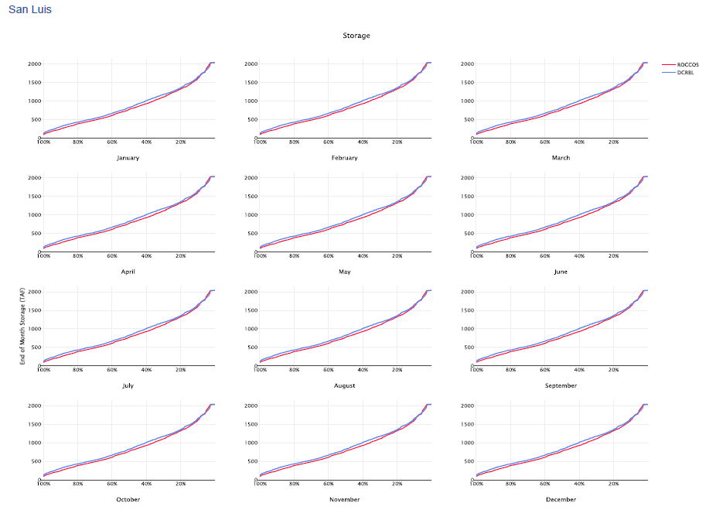
...
 |  |  |  |  |  | Manual Testing
 |  |  |  |  |  | Using October, September and August as examples, these clearly have different Maximum values. The charts in the San Luis Total exceedance page is not showing different maximums across the months.

 | OCT
99 | 166.848945
98 | 172.397534
97 | 179.806580
96 | 180.236989
95 | 191.500482
93 | 193.482444
92 | 207.034183
91 | 213.389665
90 | 214.262637
88 | 221.949174
87 | 224.681043
86 | 225.292047
85 | 225.395912
84 | 228.863731
82 | 231.161540
81 | 238.333333
80 | 238.333333
79 | 262.636086
77 | 264.062030
76 | 266.193711
75 | 273.191484
74 | 273.817493
73 | 280.394552
71 | 286.276684
70 | 292.912770
69 | 316.230049
68 | 319.256308
66 | 319.999816
65 | 321.903292
64 | 337.191994
63 | 340.980036
62 | 350.992867
60 | 369.864749
59 | 373.470220
58 | 383.195872
57 | 385.928290
55 | 398.003457
54 | 400.565763
53 | 411.122756
52 | 428.927277
51 | 435.443136
49 | 451.228169
48 | 455.490558
47 | 466.966897
46 | 471.214610
45 | 472.586496
43 | 488.629569
42 | 492.248314
41 | 500.390264
40 | 500.597041
...
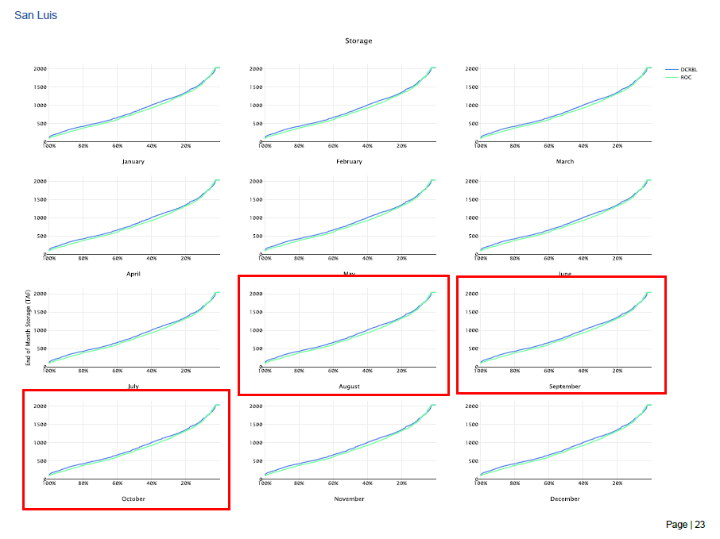

 | SEP
99 | 125.112477
98 | 145.000000
97 | 154.301658
96 | 161.359970
95 | 175.370944
93 | 183.425611
92 | 187.443291
91 | 188.327061
90 | 190.038942
88 | 190.255996
87 | 193.042994
86 | 203.274821
85 | 203.357642
84 | 212.987934
82 | 214.421288
81 | 216.454573
80 | 220.210447
79 | 220.334683
77 | 226.553993
76 | 231.762020
75 | 236.102875
74 | 246.173779
73 | 262.605632
71 | 304.351739
70 | 308.061151
69 | 311.160089
68 | 315.095003
66 | 335.995004
65 | 337.043601
64 | 340.239212
63 | 341.863340
62 | 342.006973
60 | 344.524650
59 | 357.212016
58 | 366.084120
57 | 367.222907
55 | 385.396682
54 | 390.657937
53 | 406.152785
52 | 411.492397
51 | 425.646976
49 | 430.120880
48 | 431.872340
47 | 441.326354
46 | 455.021271
45 | 456.269741
43 | 468.218145
42 | 469.123477
41 | 481.530702
40 | 482.382137
...

 | AUG
99 | 124.298448
98 | 125.179296
97 | 136.280998
96 | 142.200064
95 | 147.282835
93 | 151.286940
92 | 151.733246
91 | 177.673692
90 | 185.156191
88 | 185.332584
87 | 185.802723
86 | 186.592026
85 | 192.420201
84 | 202.003794
82 | 202.358619
81 | 205.409675
80 | 225.742635
79 | 225.960520
77 | 226.377179
76 | 231.173857
75 | 245.856644
74 | 246.710401
73 | 253.760957
71 | 266.896620
70 | 268.276617
69 | 273.174352
68 | 274.104155
66 | 283.301454
65 | 287.007541
64 | 296.474487
63 | 297.856081
62 | 300.422451
60 | 311.782780
59 | 322.982631
58 | 325.609182
57 | 326.024312
55 | 337.952077
54 | 339.382906
53 | 362.520070
52 | 364.058244
51 | 366.531736
49 | 371.203290
48 | 373.145000
47 | 377.364587
46 | 382.633603
45 | 390.052680
43 | 391.786530
42 | 391.836398
41 | 405.619110
40 | 419.209857
...

 | CFS | TAF/MONTH | UNITS | TAF | MIN | 166.848945 | 230.145909 | 217.293807 | 524.223633 | 830.534970 | 1072.157628 | 960.050865 | 651.173795 | 381.616350 | 241.024789 | 124.298448 | 125.112477
 |  |  | MONTH | MAR | MAX | 1975.454213 | 2039.000000 | 2039.000000 | 2039.000000 | 2039.000000 | 2039.000000 | 2039.000000 | 2039.000000 | 2039.000000 | 1888.392136 | 1688.139933 | 1766.214979
 |  |  |  |  |  | 10 | 11 | 12 | 1 | 2 | 3 | 4 | 5 | 6 | 7 | 8 | 9
 |  |  |  |  | YEAR | OCT | NOV | DEC | JAN | FEB | MAR | APR | MAY | JUN | JUL | AUG | SEP | DWR |  | RMA
1922 10 |  | 504.456944 |  | 1 | 1922 | 504.456944 | 549.731447 | 900.844233 | 1186.636406 | 1463.444727 | 1724.107065 | 1490.165189 | 1044.967817 | 898.364691 | 722.122669 | 621.715869 | 720.030349 | 0% | 0.000000 | 99.390243902 | 98.170731707
1922 11 |  | 549.731447 |  | 2 | 1923 | 678.368085 | 799.427575 | 968.381670 | 1316.441828 | 1489.008416 | 1622.785649 | 1435.747122 | 1035.416782 | 654.415253 | 507.848030 | 405.619110 | 511.862412 | 1% | 0.000000 | 98.170731707 | 96.951219512
 |  |  |  | 3 | 1924 | 508.937316 | 670.885790 | 860.653066 | 1130.545162 | 1352.971408 | 1411.092802 | 1352.105368 | 1156.608330 | 864.247591 | 462.324873 | 125.179296 | 125.112477 | 2% | 0.000000 | 96.951219512 | 95.731707317
...

DvEntirePeriodExceedancePerMnth
...
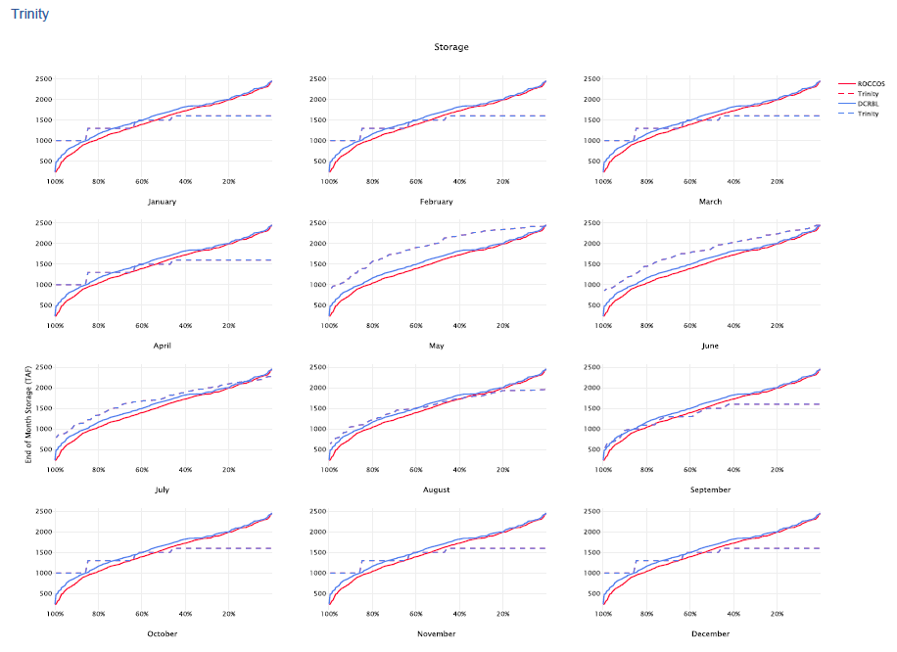

 |  |  |  |  |  | Manual Testing
 |  |  |  |  |  | Using October, September and August as examples, these clearly have different Maximum values. The charts in the San Luis Total exceedance page is not showing different maximums across the months.

 | OCT
99 | 240.000000
98 | 488.870030
97 | 504.023973
96 | 561.136886
95 | 578.781714
93 | 669.146793
92 | 675.030905
91 | 685.276180
90 | 828.736558
88 | 834.315024
87 | 849.861190
86 | 854.410225
85 | 882.011925
84 | 917.361119
82 | 947.346441
81 | 964.978781
80 | 971.844444
79 | 979.780643
77 | 1015.784936
76 | 1071.107378
75 | 1073.749763
74 | 1121.711564
73 | 1124.089388
71 | 1178.785944
70 | 1226.504383
69 | 1227.718096
68 | 1237.754571
66 | 1245.271851
65 | 1248.123211
64 | 1256.611051
63 | 1267.013837
62 | 1269.614505
60 | 1281.735751
59 | 1303.005520
58 | 1307.587342
57 | 1317.301213
55 | 1333.827878
54 | 1340.296500
53 | 1343.965791
52 | 1347.018188
51 | 1347.690987
49 | 1355.862979
48 | 1356.108283
47 | 1394.566197
46 | 1424.917587
45 | 1428.185100
43 | 1438.510002
42 | 1447.548710
41 | 1462.854100
40 | 1510.578483
...

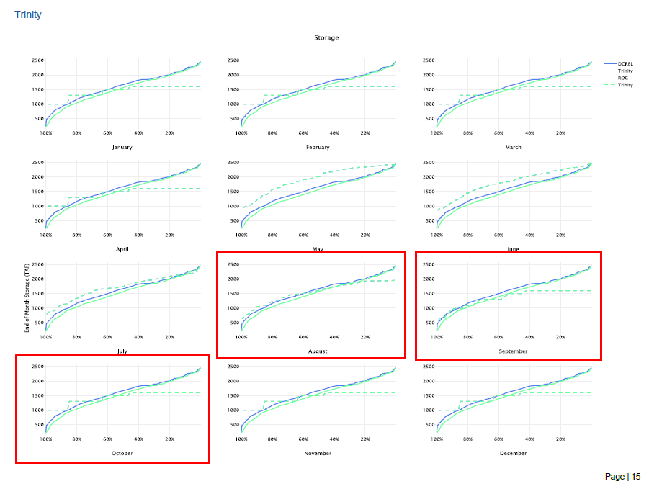

 | SEP
99 | 331.861196
98 | 500.000000
97 | 526.402212
96 | 576.992291
95 | 596.502831
93 | 683.422694
92 | 690.767267
91 | 692.929333
90 | 856.950589
88 | 863.806776
87 | 875.630768
86 | 884.259988
85 | 910.252320
84 | 975.656793
82 | 988.827694
81 | 989.778985
80 | 998.007923
79 | 999.291787
77 | 1000.000000
76 | 1090.207936
75 | 1099.922236
74 | 1128.615221
73 | 1162.840765
71 | 1189.905345
70 | 1254.231192
69 | 1278.237949
68 | 1282.129752
66 | 1290.851837
65 | 1304.633779
64 | 1307.257616
63 | 1314.323821
62 | 1318.961940
60 | 1333.017784
59 | 1341.824799
58 | 1345.862629
57 | 1367.074740
55 | 1376.791975
54 | 1388.793551
53 | 1390.888801
52 | 1396.893874
51 | 1408.574569
49 | 1410.663191
48 | 1445.019659
47 | 1447.464855
46 | 1481.781517
45 | 1483.866574
43 | 1484.694722
42 | 1486.356076
41 | 1518.036526
40 | 1594.851374
...

 | AUG
99 | 385.183225
98 | 591.868709
97 | 643.397162
96 | 659.663806
95 | 689.233307
93 | 777.089840
92 | 782.150272
91 | 790.581535
90 | 948.815682
88 | 956.953877
87 | 958.094806
86 | 980.980832
85 | 1002.271790
84 | 1067.868211
82 | 1068.013976
81 | 1079.432004
80 | 1081.938879
79 | 1084.865467
77 | 1160.502404
76 | 1171.910460
75 | 1224.875118
74 | 1256.412772
73 | 1287.250981
71 | 1287.344867
70 | 1380.263564
69 | 1398.982294
68 | 1404.542055
66 | 1407.067571
65 | 1427.288598
64 | 1430.265452
63 | 1441.701822
62 | 1445.981715
60 | 1450.515403
59 | 1460.907659
58 | 1470.969994
57 | 1493.593874
55 | 1503.943611
54 | 1515.263225
53 | 1522.962585
52 | 1531.752063
51 | 1556.925236
49 | 1575.125047
48 | 1579.651328
47 | 1612.624808
46 | 1647.915833
45 | 1648.745710
43 | 1656.280571
42 | 1668.397107
41 | 1691.104862
40 | 1737.986301
...

 | CFS | TAF/MONTH | UNITS | TAF | MIN | 240.000000 | 267.290620 | 458.206675 | 485.164413 | 486.545789 | 588.228367 | 741.535569 | 728.981559 | 771.701574 | 629.690081 | 385.183225 | 331.861196
 |  |  | MONTH | MAR | MAX | 1850.000000 | 1850.000000 | 1850.000000 | 1900.000000 | 2208.174281 | 2100.000000 | 2300.000000 | 2420.000000 | 2447.000000 | 2270.000000 | 2150.000000 | 1975.000000
 |  |  |  |  |  | 10 | 11 | 12 | 1 | 2 | 3 | 4 | 5 | 6 | 7 | 8 | 9
 |  |  |  |  | YEAR | OCT | NOV | DEC | JAN | FEB | MAR | APR | MAY | JUN | JUL | AUG | SEP | DWR |  | RMA
1922 10 |  | 1,781.28 |  | 1 | 1922 | 1781.277920 | 1753.680412 | 1755.090087 | 1751.377204 | 1773.858820 | 1823.377988 | 1941.460989 | 2020.044077 | 2066.111906 | 1954.147917 | 1805.204248 | 1661.277391 | 0% | 0.000000 | 99.390243902 | 98.170731707
1922 11 |  | 1,753.68 |  | 2 | 1923 | 1606.708459 | 1608.382709 | 1620.012293 | 1646.565457 | 1669.230776 | 1721.633418 | 1842.974659 | 1801.203434 | 1762.333016 | 1623.206727 | 1445.981715 | 1318.961940 | 1% | 0.000000 | 98.170731707 | 96.951219512
 |  |  |  | 3 | 1924 | 1267.013837 | 1235.194630 | 1222.626148 | 1135.219573 | 1194.676919 | 1187.060279 | 1157.816296 | 1076.079202 | 1017.979649 | 916.563550 | 790.581535 | 692.929333 | 2% | 0.000000 | 96.951219512 | 95.731707317
 |  |  |  | 4 | 1925 | 685.276180 | 761.907587 | 804.343144 | 700.000000 | 970.632664 | 1108.782885 | 1408.496404 | 1393.706343 | 1319.754897 | 1209.080463 | 1068.013976 | 998.007923 | 4% | 0.000000 | 95.731707317 | 94.512195122
 |  |  |  | 5 | 1926 | 979.780643 | 977.205225 | 998.255485 | 1002.958506 | 1149.912169 | 1264.132751 | 1485.585506 | 1382.622369 | 1319.078366 | 1199.292488 | 1084.865467 | 988.827694 | 5% | 0.000000 | 94.512195122 | 93.292682927
...

Storage_Change
...
 |  |  |  |  |  | RESULTS PRODUCED IN THE QA/QC REPORT IN DWR EPPT V1.1.3
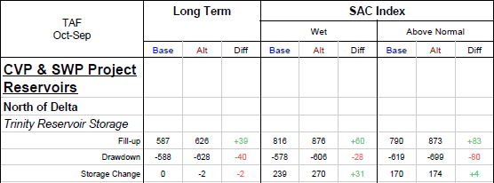
...
W | AN | BN | D | C | LT
816.3 | 789.6 | 484.5 | 436.6 | 235.9 | 587.5
-577.5 | -619.3 | -535.2 | -638.4 | -563.8 | -587.8
238.8 | 170.3 | -50.7 | -201.8 | -327.9 | -0.3
...
238.8 | 170.3 | -50.7 | -201.8 | -327.9 | -0.3
...

DtsPeriodAverageOneMonth
FUNCTION | DtsPeriodAverageOneMonth(${dtsId}%2C ${month})
REPORTED ISSUE | EPPT QAQC Report results do not match with Trend Reporting Dashboard
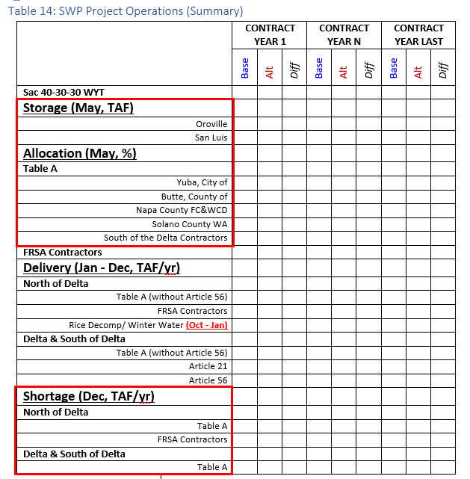 FUNCTION DESCRIPTION | Produces period average value of DTS Record for single month for tabulation. This takes value produced by WRESL. Used for data needed in the Allocations and Deliveries modules' table when the value is sourced from a DTS record.
TESTING INFORMATION
DATA SOURCE (DV OR DTS) | DTS
SAMPLE FUNCTION | DtsPeriodAverageOneMonth(268%2C Month.December)
GUILink or DTS ID | 268
B-PART | SHORT_SOD_TA_/DTS-ALLOC-VALUE
 |  | LT | Long Term
 |  | W | Wet
 |  | AN | Above Normal
 |  | BN | Below Normal
 |  | D | Dry
...

Scatter Plot_1
...
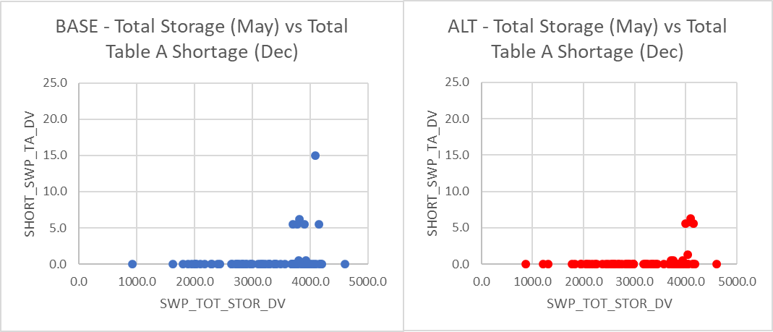
 | MAY
 | 296 | 298
 | TAF/month | TAF/month
YEAR | MAY | DEC
1922 | 3865.947115 | 38.402487
1923 | 3418.928370 | 0.000000
1924 | 1804.903215 | 0.000000
1925 | 2832.525620 | 0.101097
1926 | 3305.760521 | 0.000000
1927 | 3902.644653 | 0.231680
1928 | 3896.326096 | 0.000000
BASE - SWP_TOT_STOR_DV vs SHORT_SWP_TA_DV
 | SHORT_SWP_TA_DV
3865.947115 | 38.402487
3418.928370 | 0.000000
1804.903215 | 0.000000
2832.525620 | 0.101097
3305.760521 | 0.000000
3902.644653 | 0.231680
3896.326096 | 0.000000
1890.618423 | 0.000000
3096.729960 | 0.061143
2100.045668 | 0.182134
2640.758175 | 0.000000
2000.665782 | 0.173164
1623.135538 | 0.171497
3186.427160 | 0.054645
3710.477430 | 51.528667
3296.037986 | 0.280000
4418.118763 | 0.000000
2721.209740 | 86.276103
3787.895780 | 389.742943
4100.649083 | 0.000000
3762.404161 | 0.000000
4027.439464 | 0.000000
2651.735828 | 110.578115
3285.485994 | 0.204053
3695.589136 | 0.000000
2712.918090 | 0.280000
2906.251951 | 316.502535
2748.144174 | 0.235461
3142.166933 | 0.198064
4206.573791 | 0.000000
4170.425576 | 0.000000
3907.492294 | 0.000000
3864.301068 | 0.000000
2835.312072 | 0.280000
4149.853875 | 0.000000
3696.553579 | 0.000000
3948.702862 | 0.000000
3385.891024 | 294.380819
3232.036898 | 0.227608
2435.173028 | 0.239768
2892.924887 | 4.133186
3933.379572 | 0.000000
2997.500500 | 0.000000
3708.774968 | 82.748452
3402.421478 | 0.000000
3809.941439 | 0.000000
3492.265483 | 78.673269
4595.791894 | 0.000000
3946.499370 | 61.931093
3863.524003 | 0.000000
...
1929 | 1890.618423 | 0.000000
1930 | 3096.729960 | 0.061143
1931 | 2100.045668 | 0.182134
1932 | 2640.758175 | 0.000000
1933 | 2000.665782 | 0.173164
1934 | 1623.135538 | 0.171497
1935 | 3186.427160 | 0.054645
1936 | 3710.477430 | 51.528667
1937 | 3296.037986 | 0.280000
1938 | 4418.118763 | 0.000000
1939 | 2721.209740 | 86.276103
1940 | 3787.895780 | 389.742943
1941 | 4100.649083 | 0.000000
1942 | 3762.404161 | 0.000000
1943 | 4027.439464 | 0.000000
1944 | 2651.735828 | 110.578115
1945 | 3285.485994 | 0.204053
1946 | 3695.589136 | 0.000000
1947 | 2712.918090 | 0.280000
1948 | 2906.251951 | 316.502535
1949 | 2748.144174 | 0.235461
1950 | 3142.166933 | 0.198064
1951 | 4206.573791 | 0.000000
1952 | 4170.425576 | 0.000000
1953 | 3907.492294 | 0.000000
1954 | 3864.301068 | 0.000000
1955 | 2835.312072 | 0.280000
...

Scatter Plot_2
...
 | TAF/month | TAF/Year
YEAR | MAY | MAR-FEB
1922 | 3865.947115 | 3034.837160
1923 | 3418.928370 | 2473.920205
1924 | 1804.903215 | 912.602053
1925 | 2832.525620 | 1239.906500
1926 | 3305.760521 | 2203.742101
1927 | 3902.644653 | 2552.469858
1928 | 3896.326096 | 2864.399447
Total Storage (May) vs Total Table A Deliveries (Annual%2C Contract Year%2C Mar - Feb)
 | Total Storage (May) vs Total Table A Deliveries (Annual%2C Contract Year%2C Mar - Feb)
3865.947115 | 3034.837160
3418.928370 | 2473.920205
1804.903215 | 912.602053
2832.525620 | 1239.906500
3305.760521 | 2203.742101
3902.644653 | 2552.469858
3896.326096 | 2864.399447
1890.618423 | 821.359650
3096.729960 | 1456.358224
2100.045668 | 1205.799010
2640.758175 | 1322.874230
2000.665782 | 1288.966686
1623.135538 | 706.287995
3186.427160 | 2699.503659
3710.477430 | 2530.712401
3296.037986 | 3167.295320
4418.118763 | 3762.346951
2721.209740 | 1590.190732
3787.895780 | 2670.989078
4100.649083 | 3371.937230
3762.404161 | 2675.138366
4027.439464 | 3241.464465
2651.735828 | 1782.427890
3285.485994 | 3017.743583
3695.589136 | 2516.505232
2712.918090 | 2022.598877
2906.251951 | 2255.910914
2748.144174 | 1691.532640
3142.166933 | 2272.458662
4206.573791 | 3051.567096
4170.425576 | 3361.041331
3907.492294 | 2375.879223
3864.301068 | 2573.616997
2835.312072 | 1874.618217
4149.853875 | 3270.853784
3696.553579 | 2383.261551
3948.702862 | 3522.534003
3385.891024 | 2112.942030
3232.036898 | 2291.246601
2435.173028 | 1582.341108
2892.924887 | 2381.661807
3933.379572 | 2485.799553
2997.500500 | 2347.955380
3708.774968 | 2638.782340
3402.421478 | 2504.939092
3809.941439 | 3393.158273
3492.265483 | 2258.647996
4595.791894 | 3931.757358
3946.499370 | 2991.257600
3863.524003 | 2347.442931
...
1929 | 1890.618423 | 821.359650
1930 | 3096.729960 | 1456.358224
1931 | 2100.045668 | 1205.799010
1932 | 2640.758175 | 1322.874230
1933 | 2000.665782 | 1288.966686
1934 | 1623.135538 | 706.287995
1935 | 3186.427160 | 2699.503659
1936 | 3710.477430 | 2530.712401
1937 | 3296.037986 | 3167.295320
1938 | 4418.118763 | 3762.346951
1939 | 2721.209740 | 1590.190732
1940 | 3787.895780 | 2670.989078
1941 | 4100.649083 | 3371.937230
1942 | 3762.404161 | 2675.138366
1943 | 4027.439464 | 3241.464465
1944 | 2651.735828 | 1782.427890
1945 | 3285.485994 | 3017.743583
1946 | 3695.589136 | 2516.505232
1947 | 2712.918090 | 2022.598877
1948 | 2906.251951 | 2255.910914
1949 | 2748.144174 | 1691.532640
1950 | 3142.166933 | 2272.458662
1951 | 4206.573791 | 3051.567096
1952 | 4170.425576 | 3361.041331
1953 | 3907.492294 | 2375.879223
1954 | 3864.301068 | 2573.616997
...

MIF_List-C114
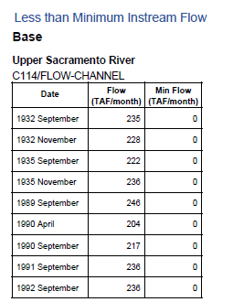

 | C114 | MINFLOW_C114_DTS
CFS to TAF/month | TAF/month | TAF/month
...
0.061487603306 | 367.01950413 | 0
0.059504132231 | 438.18842975 | 0
0.061487603306 | 486.73586777 | 0
0.061487603306 | 389.27801653 | 0
0.055537190083 | 643.39834711 | 0
0.061487603306 | 436.93090909 | 0
0.059504132231 | 471.92727273 | 0
0.061487603306 | 774.55933884 | 0
0.059504132231 | 520.12561983 | 0
0.061487603306 | 504.19834711 | 0
0.061487603306 | 468.72 | 0
0.059504132231 | 543.6892562 | 0
0.061487603306 | 327.4214876 | 0
0.059504132231 | 559.9338843 | 0
0.061487603306 | 632.89190083 | 0
0.061487603306 | 572.32661157 | 0
0.055537190083 | 340.33190083 | 0
0.061487603306 | 282.47404959 | 0
0.059504132231 | 440.68760331 | 0
0.061487603306 | 495.52859504 | 0
0.059504132231 | 445.20991736 | 0
...

