Лист1
Abyssinian[7] | Unspecified, but somewhere in Afro-Asia, likely Ethiopia[8] | Natural | Semi-foreign | Short | Ticked tabby | 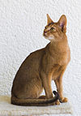
Aegean | Greece | Natural | Moderate | Semi-long | Multi-color
American Bobtail[9] | the United States[10] | Mutation of shortened tail | Cobby | Semi-long | All
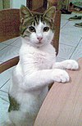
American Curl[11] | the United States[10] | Mutation | Semi-foreign | Semi-long | All
American Ringtail | the United States[10] | Mutation | Foreign | Semi-long | All
American Shorthair | the United States[10] | Natural | Cobby | Short | All | 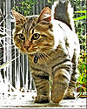
American Wirehair | the United States[10] | Mutation | Normal | Rex | All
Aphrodite Giant | Cyprus | Natural | Lean and muscular | All | All
Arabian Mau | the Arabian Peninsula | Natural | Moderate and muscular | Short | All | 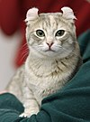
Asian | the United Kingdom | Crossbreed between the Burmese and Chinchilla Persians | Moderate | Short | All without white and without siamese pointing
Asian Semi-longhair | the United Kingdom | Crossbreed between the Burmese and Chinchilla Persians | Moderate | Semi-long | All without white and without siamese pointing | 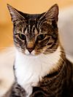
Australian Mist | Australia[12] | Crossbreed between the Abyssinian, Burmese, and Australian short-haired cats[12] | Moderate | Short | Spotted or marbled | 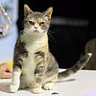
Balinese | Developed in the United States;[10] | Mutation of the Siamese | Semi-foreign | Long | Colorpoint

 | foundation stock from Thailand |  |  |  |  | 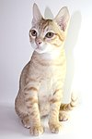
Bambino | the United States[12] | Crossbreed between the Munchkin and Sphynx[12] | Dwarf | Short | Black + white hairless
Bengal | Developed in the United States,[12] | Hybrid of the Abyssinian and Egyptian Mau × leopard cat (Prionailurus bengalensis) | Large | Short | Spotted, marbled, or rosetted | 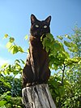 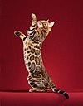

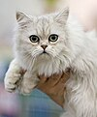
 | but created in Asia
Birman | Developed in France; | The original Birman was crossed with the Siamese and the Persian to create the Birman of today. | Cobby | Semi-long | Mitted colorpoint

 | foundation stock from Burma (Myanmar)[10]
Bombay | the United States and Burma (Myanmar) | Crossbreed between the Black American Shorthair and Sable Burmese | Cobby | Short | Solid black | 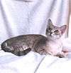 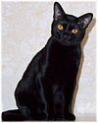
Brazilian Shorthair | Brazil | Natural | Normal | Short | All
British Longhair | the United Kingdom (England)[10] | Natural | Cobby | Semi-long | All
British Shorthair | the United Kingdom (England)[10] | Natural | Cobby | Short | All[13] | 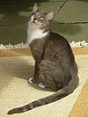
Burmese | Burma (Myanmar)[10] | Natural | Semi-foreign or semi-cobby | Short | Solid and Tortoiseshell[14]
Burmilla | the United Kingdom (England)[10] | Crossbreed between the Burmese and the Chinchilla Persian | Semi-cobby | Short | Solid with Shaded Silver and Silver Tipped patterns | 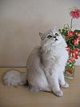
California Spangled | the United States[10] | Crossbreed between the Abyssinian, American Shorthair and British Shorthair | Moderate | Short | Spotted tabby
Chantilly-Tiffany | the United States | Natural | Cobby | Long | Solid, classic tabby, spotted tabby and ticked tabby
Chartreux | France[10] | Natural | Muscular; cobby | Short | Varying shades of blue
Chausie | the United States | Hybrid of the Abyssinian × jungle cat (Felis chaus) | Normal | Short | Solid black, black grizzled tabby and black ticked tabby
Colorpoint Shorthair | the United Kingdom (England) | Crossbreed between the Abyssinian, Siamese and short-haired cats | Foreign | Short | Colorpoint

Cornish Rex | Cornwall, England, | Mutation | Foreign | Rex | All

 | the United Kingdom
Cymric, Manx Longhair or Long-haired Manx[a] | the Isle of Man, the United States, and Canada [b][10] | Mutation of the Manx (shortened tail) | Semi-cobby | Long | All | 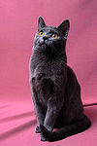 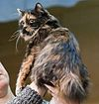
Cyprus | Cyprus | Natural | Lean and muscular | All | All
Devon Rex | Buckfastleigh, Devon, England, the United Kingdom | Mutation | Semi-foreign | Rex | All
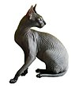
Donskoy or | Russia | Mutation | Semi-foreign | Hairless | Solid

Don Sphynx
Dragon Li or | China | Natural | Normal | Short | Ticked tabby

Chinese Li Hua
Dwelf | the United States | Crossbreed between the American Curl, Munchkin and Sphynx | Dwarf | Hairless | All
Egyptian Mau | Egypt[10] | Natural | Moderate and muscular | Short | Spotted tabby | 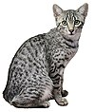
European Shorthair | Continental Europe[10] | Natural | Moderate | Short | All
Exotic Shorthair | the United States[10] | Crossbreed between the American Shorthair and Persian | Cobby | Short | All
Foldex[15] | Canada | Crossbreed between the Exotic Shorthair and Scottish Fold | Cobby | Short | All
German Rex | Germany[10] | Mutation | Semi-foreign | Rex | All
Havana Brown | the United Kingdom (England); | Crossbreed between the Siamese and black short-haired cats | Semi-foreign | Short | Solid brown | 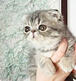 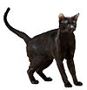

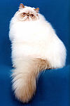
 | foundation stock from Thailand
Highlander | the United States | Crossbreed between the Desert Lynx and Jungle Curl | Moderate | Short/long | All
Himalayan or | the United States and the United Kingdom[10] | Crossbreed between the Persian and Siamese | Cobby | Long | Colorpoint

Colorpoint Persian[c]
Japanese Bobtail | Japan[d][10] | Mutation of shortened tail | Moderate | Short/long | All
Javanese or | Developed in the United States[10] and Canada; | Crossbreed between the Balinese (with some Colorpoint Shorthair), Oriental Longhair and Siamese | Oriental | Long | Colorpoint | 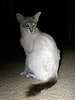
 | foundation stock from Southeast Asia

Colorpoint Longhair[e]
Kanaani | Israel[12] | Hybrid of short-haired cats × African wildcat (Felis lybica) | Semi-foreign | Short | Solid black, chocolate spotted tabby or cinnamon spotted tabby
Khao Manee | Thailand[12] | Natural | Moderate | Short | Solid white
Kinkalow | the United States | Crossbreed between the Munchkin and American Curl | Dwarf | Short | All | 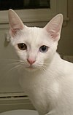
Korat | Thailand[10] | Natural | Semi-foreign or semi-cobby and muscular | Short | Solid blue | 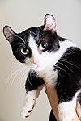
Korean Bobtail | Korea | Natural, mutation of shortened tail | Moderate | Short/long | All
Korn Ja | Thailand | Natural | Small | Short | Solid black
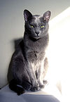
Kurilian Bobtail or | Kuril Islands, North Pacific[12] | Natural, mutation of shortened tail | Semi-cobby | Short/long[12] | All

Kuril Islands Bobtail
Lambkin | the United States[10] | Crossbreed between the Munchkin and Selkirk Rex | Dwarf | Rex | All
LaPerm | the United States[10] | Mutation | Moderate | Rex | All
Lykoi | the United States | Mutation | Moderate | Sparse haired | Black roan
Maine Coon | the United States[10] | Natural, crossbreed | Large | Semi-long/long | All excluding chocolate and colourpoint | 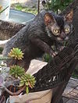
Manx | the Isle of Man[10] | Mutation of shortened tail | Moderate | Short/long | All
Mekong Bobtail | Developed in Russia; | Mutation of shortened tail | Moderate | Short | Colorpoint | 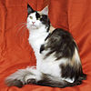 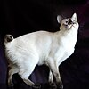

 | foundation stock ultimately from Southeast Asia[12]
Minskin | the United States[12] | Crossbreed between the Munchkin, Burmese, Devon Rex, and Sphynx | Dwarf | Hairless | All | 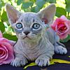
Minuet | the United States | Crossbreed between the Persian and Munchkin | Dwarf | Short/long | All
Munchkin | the United States[10] | Mutation of dwarf cat | Dwarf | Short/long | All
Nebelung | the United States[12] | Natural, mutation | Foreign | Semi-long | Solid blue
Neva Masquerade (colorpoint Siberian)[f] | Russia[12] | Crossbreed between the Siberian and a colorpoint cat[16] | Cobby[12] | Long[12] | Colorpoint | 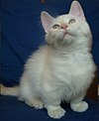
Norwegian Forest Cat | Norway[10] | Natural | Cobby | Long | Chocolate or orange and white bicolor
Ocicat | the United States[10] | Crossbreed between the Abyssinian, American Shorthair and Siamese | Large | Short | Spotted tabby
Ojos Azules | the United States[10] | Crossbreed | Moderate | Short | All
Oregon Rex | the United States | Mutation |  | Rex

(extinct)
Oriental Bicolor | Developed in the United States and the United Kingdom, later in Continental Europe; | Color variety of the Oriental Shorthair | Oriental | Short | Bicolor | 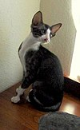
 | foundation stock ultimately from Thailand
Oriental Longhair[g] | Developed in the United States and the United Kingdom; | Crossbreed between the Oriental Shorthair and long-haired cats | Oriental | Semi-long | All; if colorpoint is considered to be a separate breed, it is called the Javanese | 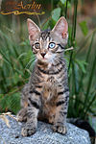 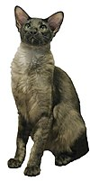

 | foundation stock ultimately from Thailand[10]
Oriental Shorthair[g] | Developed in the United States and the United Kingdom; | Crossbreed between the European Shorthair and Siamese | Oriental | Short | All

 | foundation stock ultimately from Thailand[10]
Persian (modern) | Developed in the United States and Europe; | Mutation of the Traditional Persian | Cobby | Long | All but colorpoint | 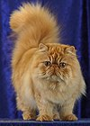

 | foundation stock from Greater Iran[10]
Persian (traditional) | Greater Iran[10] | Natural, but some crossbreeding with the Turkish Angora | Cobby | Long | All but colorpoint | 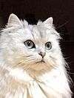
Peterbald | Russia | Crossbreed between the Donskoy, Oriental Shorthair and Siamese; | Oriental | Hairless, velour, brush, or straight coat | All | 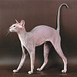

 |  | before this, it was between the Balinese and Javanese
Pixie-bob | the United States[10] | Mutation (falsely claimed to be a hybrid of the domestic cat and the bobcat (Lynx rufus) early on) | Medium | Short | Spotted tabby
Ragamuffin or | the United States | Crossbreed between the Ragdoll with limited out-crossing to the Himalayan, the Persian, and other long-haired cats | Cobby | Long | All | 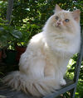

Liebling (obsolete)
Ragdoll | the United States[10] | Behavioral mutation in a crossbreed, presumed to be between the Persian or Turkish Angora and the Birman or Burmese | Cobby | Long | Colorpoint, mitted, or bicolor
Raas | Raas Island, Indonesia | Natural | Moderate | Short | Solid blue, solid cinnamon, or cinnamon colorpoint
Russian Blue | Russia[10] | Natural | Moderate, Oriental | Short | Solid blue
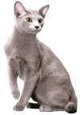
Russian White, Russian Black and Russian Tabby | Developed in Australia; | Crossbreeds between the Russian Blue and short-haired cats from Siberia, Russia | Moderate | Short | Solid white, solid black and tabby

 | foundation stock from Russia
Sam Sawet | Thailand | Color variety of the Thai | Moderate | Short | Solid
Savannah | the United States[12] | Hybrid of the domestic cat x serval (Leptailurus serval)[1] | Large | Short | Spotted | 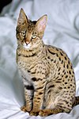
Scottish Fold | the United Kingdom (Scotland)[10] | Mutation of the bones and cartilage of the ears | Cobby | Short/long | All
Selkirk Rex | the United States in 1988[10] | Mutation/crossbreed between the American Shorthair, Persian, Himalayan, Exotic Shorthair and British Shorthair | Large and cobby | Short/long (longhair, sometimes in early generations, can appear to be semi-long) | All
Serengeti | the United States | Crossbreed/hybrid between the Bengal and Oriental Shorthair | Oriental | Short | Spotted
Serrade Petit | France | Natural | Semi-cobby | Short | Solid tan, solid orange and solid white
Siamese (modern) | Developed in the United States and Europe; | Mutation of the Thai | Oriental | Short | Colorpoint | 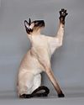
 | foundation stock from Thailand[10]

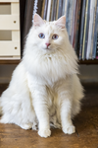
(for traditional, see Thai below)
Siberian or | Russia, Ukraine[10] | Natural | Cobby[12] | Long[12] | All; except chocolate, lilac, cinnamon, and fawn[17]

Siberian Forest Cat
(for colorpoint, see Neva Masquerade)
Singapura | Developed in the United States; | Possibly a mutation of a crossbreed (excluding the Munchkin), solving why they are so small | Small | Short | Ticked tabby | 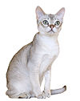

 | foundation stock from Singapore[10]
Snowshoe | the United States[10] | Crossbreed between the American Shorthair and Siamese | Moderate | Short | Mitted colorpoint | 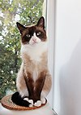
Sokoke | Kenya[12] | Natural | Moderate | Short | Ticked tabby
Somali | the United States, Canada | Mutation | Cobby | Long | Ticked tabby
Sphynx | Canada, Europe[10] | Mutation | Oriental | Hairless | All | 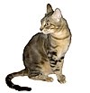
Suphalak | Thailand | Natural | Moderate | Short | Solid reddish-brown
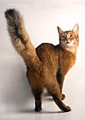
Thai or | Developed in Europe;[12] | Natural | Moderate | Short | Colorpoint
 | foundation stock from Thailand[10]

Traditional, Classic, or Old-style Siamese; |  |  |  |  |  | 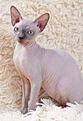
Wichien Maat[h]
Thai Lilac, Thai Blue Point and Thai Lilac Point | Thailand | Color varieties of the Korat | Moderate | Short | Solid lilac and colorpoint (blue point and lilac point only) | 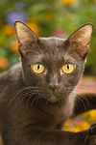
Tonkinese | Canada, the United States[10] | Crossbreed between the Burmese and Siamese | Oriental | Short | Colorpoint, mink, or solid
Toybob | Russia | Mutation | Dwarf | Short | All
Toyger | the United States[12] | Crossbreed/hybrid between the Bengal and short-haired cats | Moderate | Short | Mackerel tabby
Turkish Angora | Turkey[10] | Natural | Semi-cobby | Semi-long | All
Turkish Van | Developed in the United Kingdom; | Natural | Semi-cobby | Semi-long | Van pattern

 | foundation stock from Lake Van, Turkey[12] |  |  |  |  | 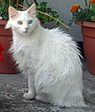
Turkish Vankedisi | Lake Van, Turkey[12] | Natural | Svelte | Long | Solid white

(white variety of Turkish Van)
Ukrainian Levkoy | Ukraine | Crossbreed between the Donskoy and Scottish Fold | Moderate | Hairless | Solid gray
York Chocolate | New York, the United States | Natural | Moderate | Long | Solid chocolate, solid lilac and solid taupe or any of these colors with white | 