Module Master
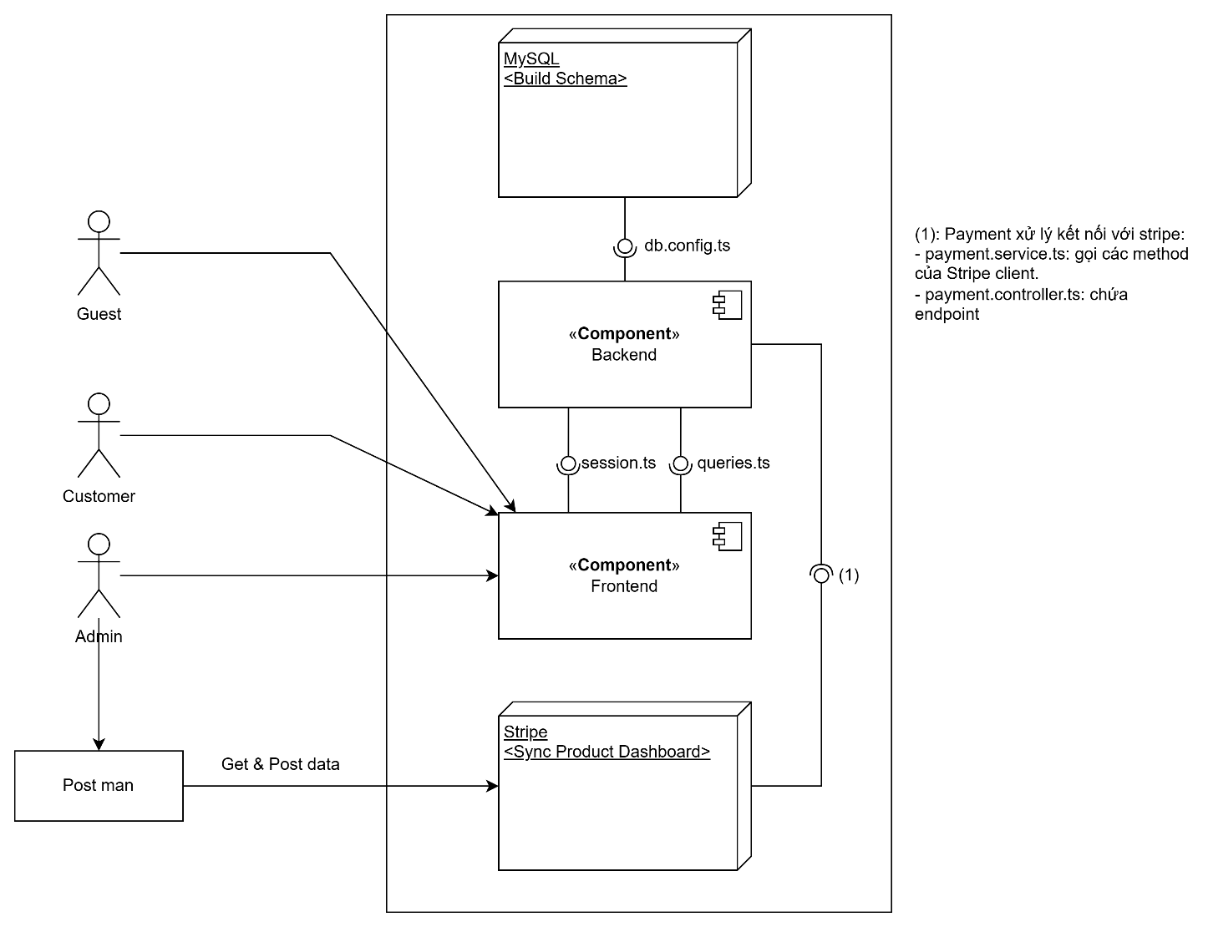

Module Backend List
No. | Components specification ID | Last Review Comment | Links
Cover-backend | Tổng quát liên kết hàm xử lý |  | Cover-backend
1 | BE_Cart |  | BE_Cart_module
2 | BE_Auth
3 | BE_Comment
4 | BE_notification
5 | BE_user
6 | BE_payment
7 | BE_inventory
8 | BE_book

Module Frontend List
No. | Components specification ID | Last Review Comment | Links
Cover-frontend | Tổng quát liên kết giao diện |  | Cover-frontend
1 | FE_admin |  | Link
2 | FE_BookLibrary |  | Link
3 | FE_CartPage |  | Link
4 | FE_DetailBookPage |  | Link
5 | FE_HomePage |  | Link
6 | FE_LoginPage |  | Link
7 | FE_RegisterPage |  | Link
8

Cover-frontend
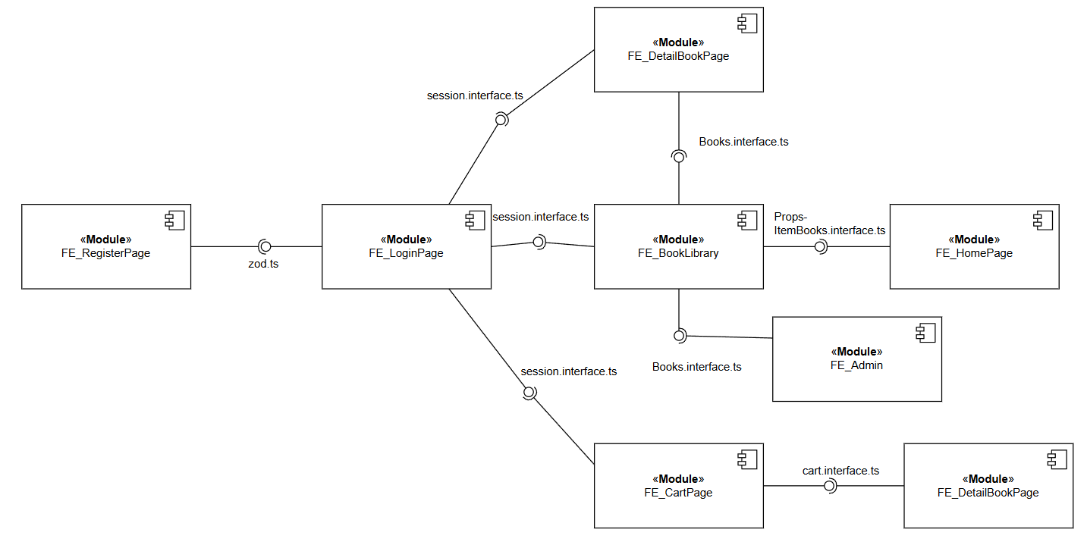

No. | Modules specification ID | Last Review Comment | Links
1 | FE_admin |  | Link
2 | FE_BookLibrary |  | Link
3 | FE_CartPage |  | Link
4 | FE_DetailBookPage |  | Link
5 | FE_HomePage |  | Link
6 | FE_LoginPage |  | Link
7 | FE_RegisterPage |  | Link
8

