Flow 1
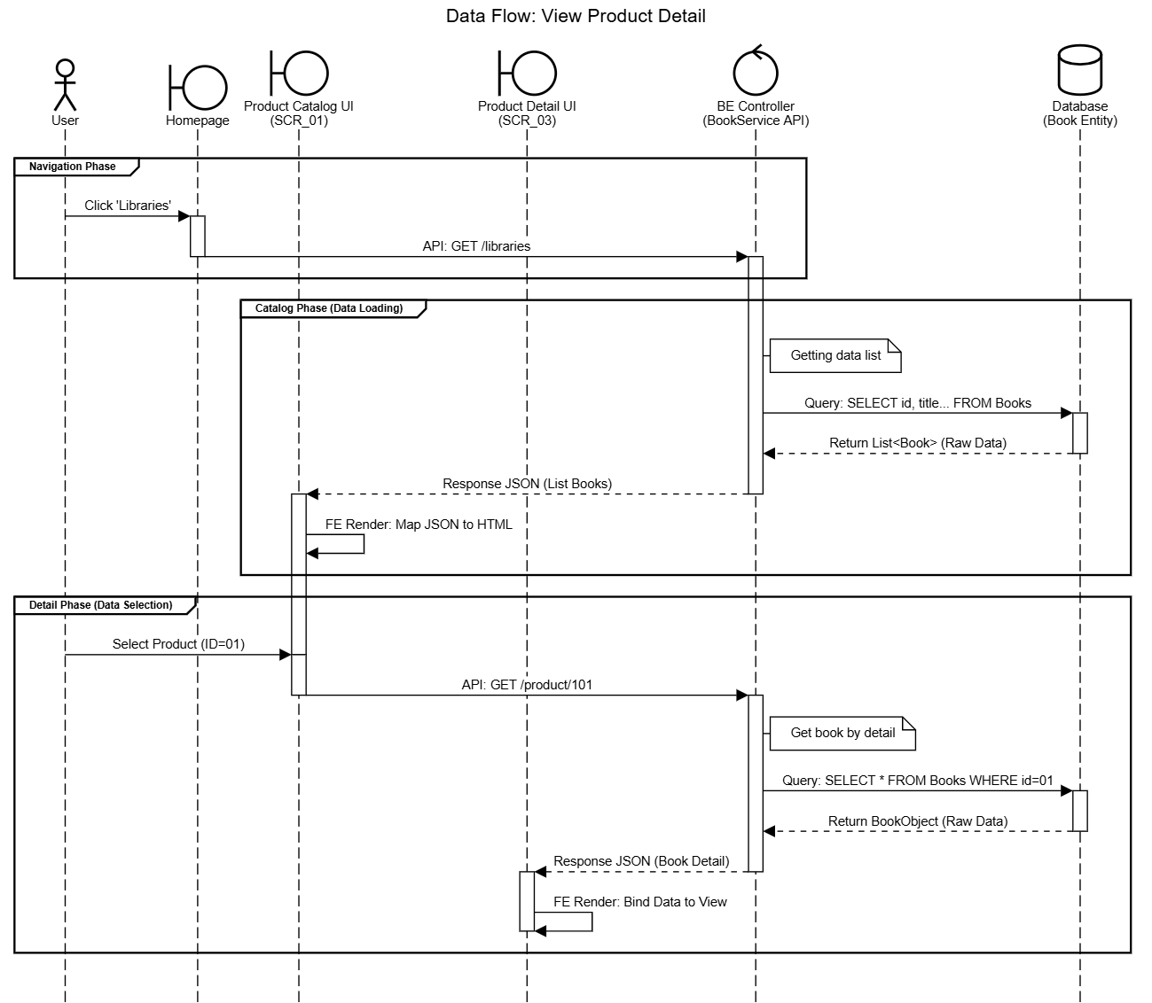
Flow 1
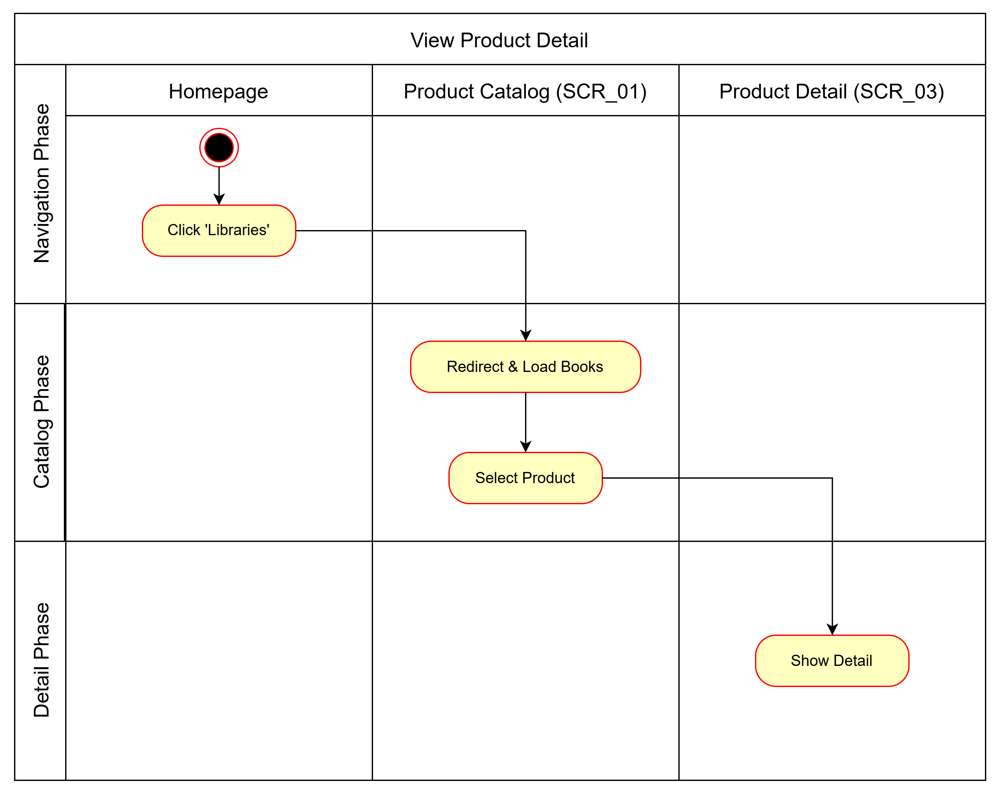

 | Test case Id | Workflow Name | Action | Phase | Page | Involved TCs | Test pass 1 result | Test pass 2 result | Test pass 3 result | Note
 | WF_UC001_1 | Workflow 1 <View Product Detail (Basic Flow)>
 |  | 1 | User clicks 'Libraries' button | Navigation | Homepage
 |  | 1 -> 2 | System redirects to Product Catalog | Catalog Load | Product Catalog (SCR_01)
 |  | 1 -> 2 -> 3 | System loads all books | Catalog Display | Product Catalog (SCR_01)
 |  | 1 -> 2 -> 3 -> 4 | User selects a product | Selection | Product Catalog (SCR_01)
 |  | 1 -> 2 -> 3 -> 4 -> 5 | System redirects to Product Detail | Detail View | Product Detail (SCR_03)
 | WF_UC001_2 | Workflow 2 <Return to Homepage (Alt Flow 1)>
 |  | 4 | User is on Product Catalog | Catalog View | Product Catalog (SCR_01)
 |  | 4 -> 4.1 | User clicks 'Back' button | Navigation | Product Catalog (SCR_01)
 |  | 4 -> 4.1 -> 4.1.1 | System redirects to Homepage | Navigation | Homepage
 | WF_UC001_3 | Workflow 3 <Search Product (Alt Flow 2)>
 |  | 4 | User is on Product Catalog | Catalog View | Product Catalog (SCR_01)
 |  | 4 -> 4.2 | User clicks 'Search' or enters query | Search | Product Catalog (SCR_01)
 |  | 4 -> 4.2-> 4.1.2 | System redirects to Search Page | Search | Search Page (SCR_02)

Flow 2
Flow 2
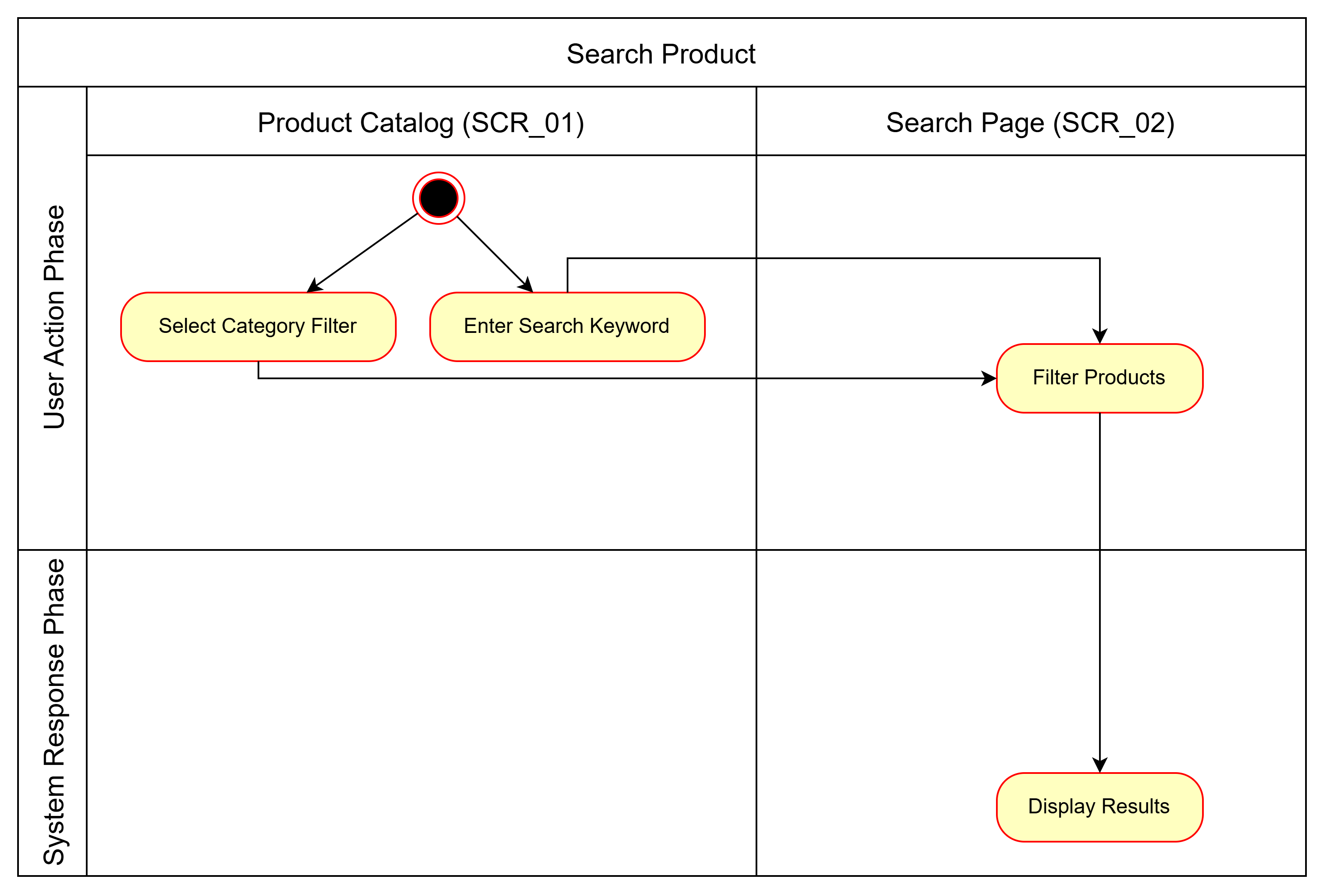
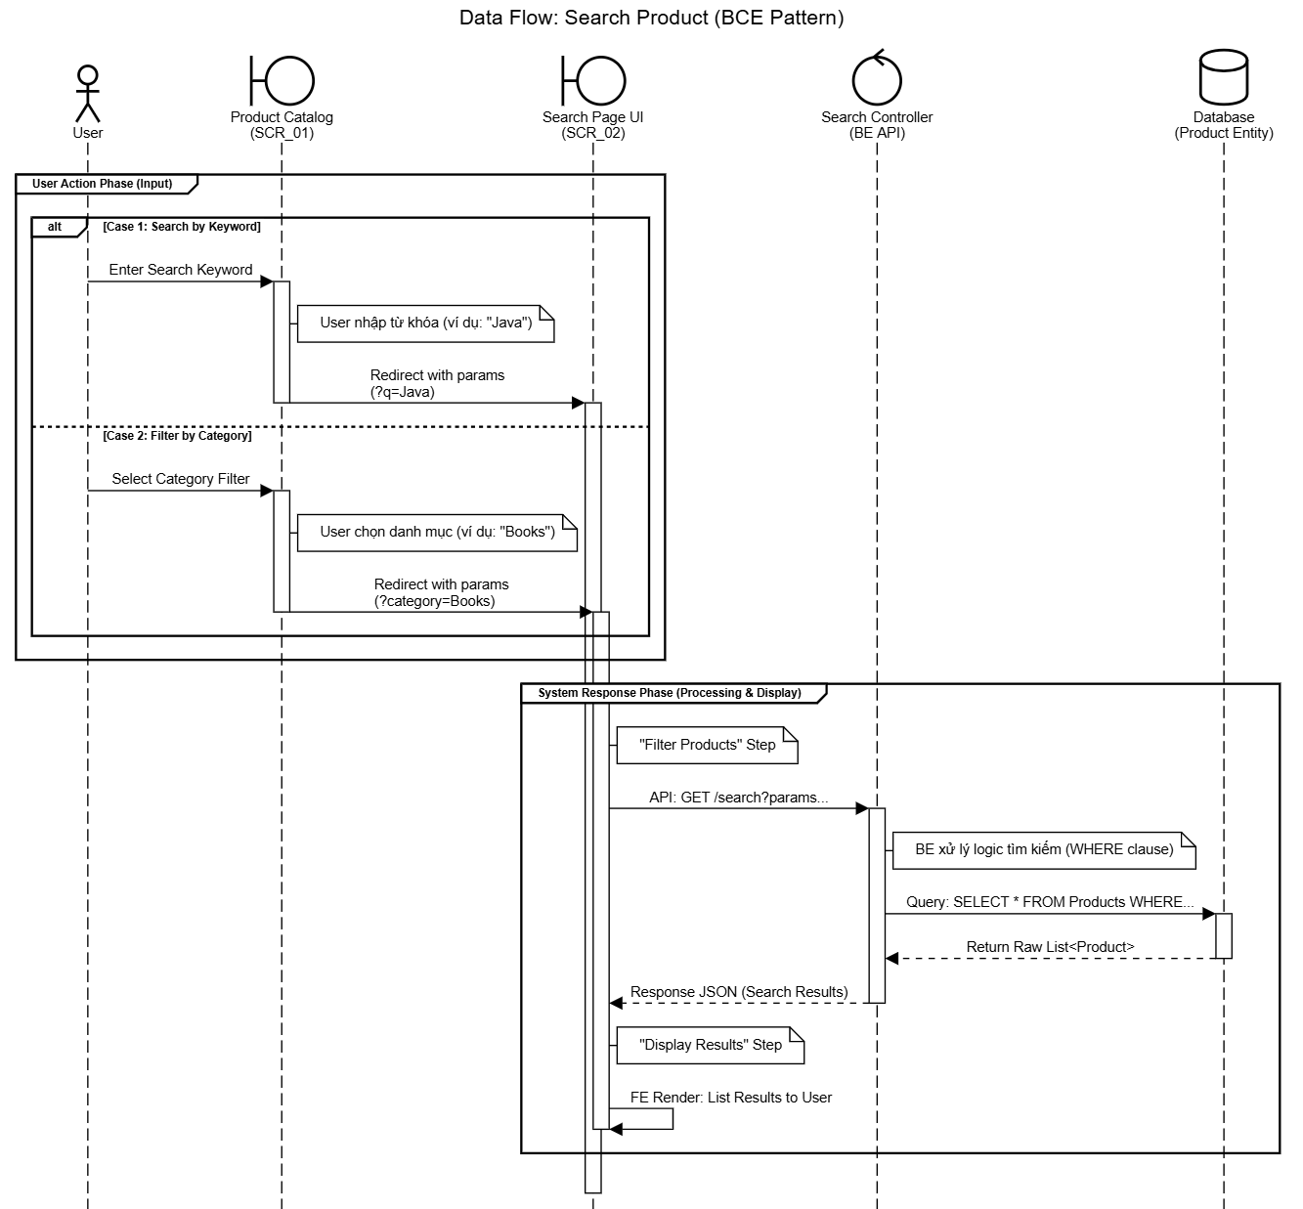

 | Test case Id | Workflow Name | Action | Phase | Page | Involved TCs | Test pass 1 result | Test pass 2 result | Test pass 3 result | Note
 | WF_UC002_1 | Workflow 1 <Filter by Category (Basic Flow)>
 |  | 1 | User is on Product Catalog | Initialization | Product Catalog (SCR_01)
 |  | 1 -> 2 | User selects a category filter | Filter Action | Product Catalog (SCR_01)
 |  | 1 -> 2 -> 3 | System filters products by category | Processing | System
 |  | 1 -> 2 -> 3 -> 4 | System displays filtered results | Display | Search Page (SCR_02)
 | WF_UC002_2 | Workflow 2 <Search by Keyword (Alt Flow)>
 |  | 1 | User is on Product Catalog | Initialization | Product Catalog (SCR_01)
 |  | 1 -> 1.1 | User enters keyword in search bar | Search Action | Product Catalog (SCR_01)
 |  | 1 -> 1.1 -> 1.2 | System filters products by keyword | Processing | System
 |  | 1 -> 1.1 -> 1.2 -> 1.3 | System displays matching results | Display | Search Page (SCR_02)

Flow 3
Flow 3
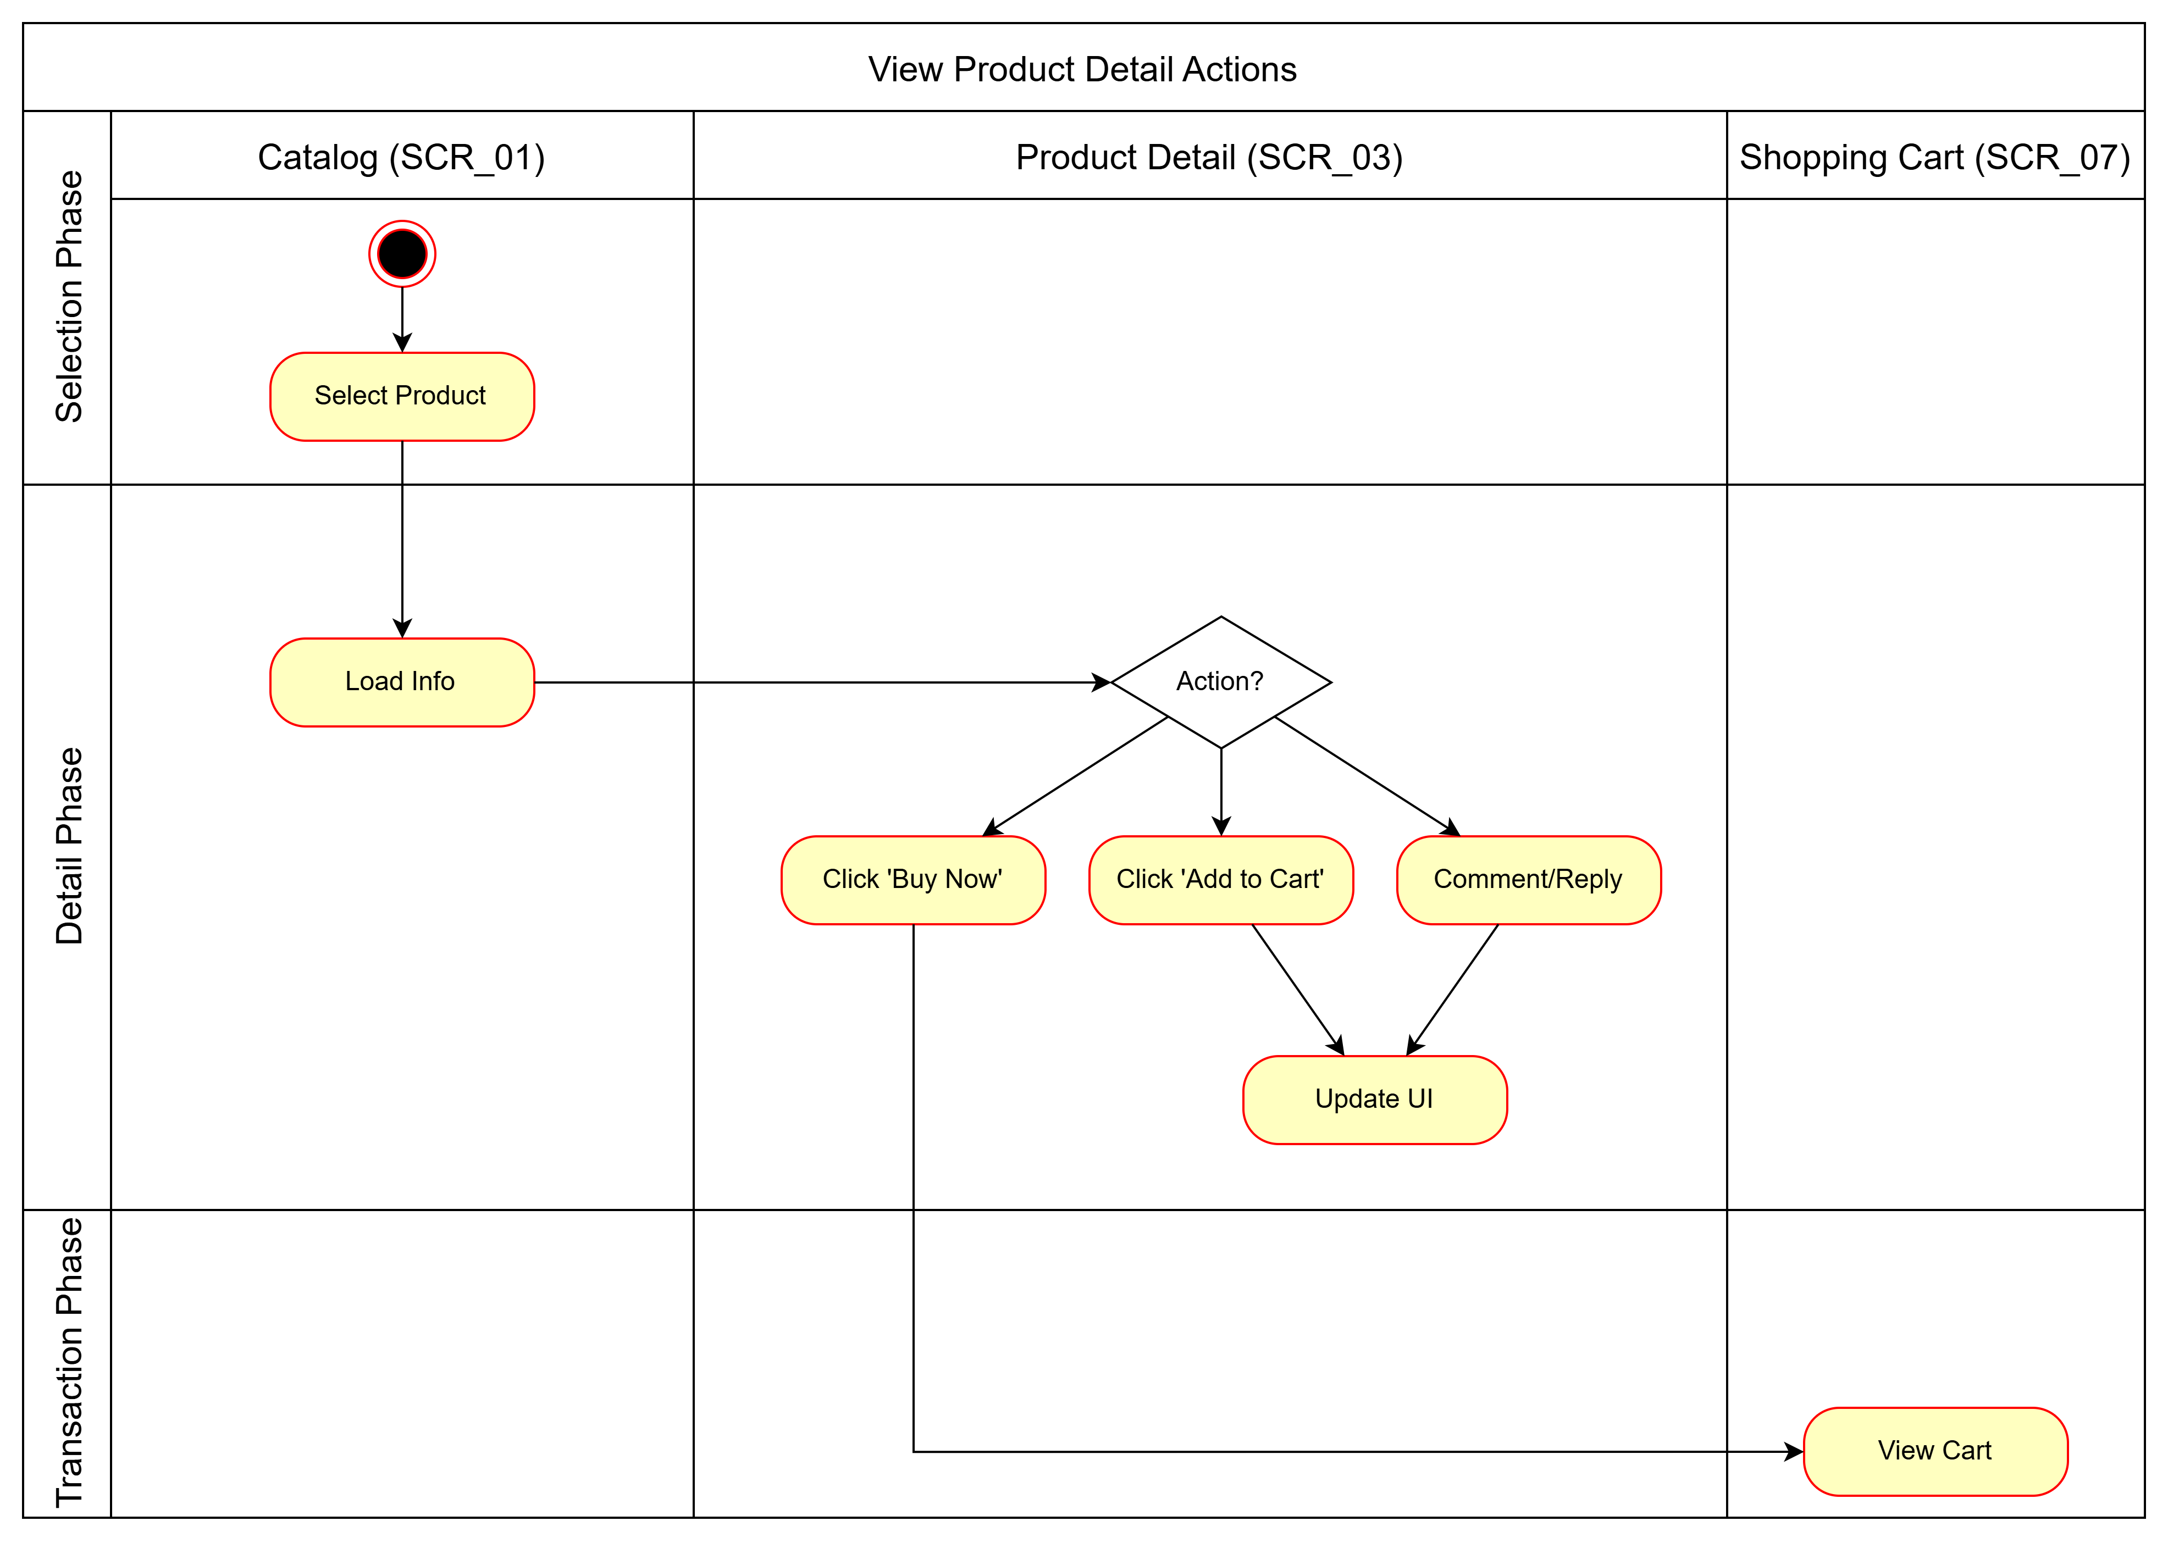
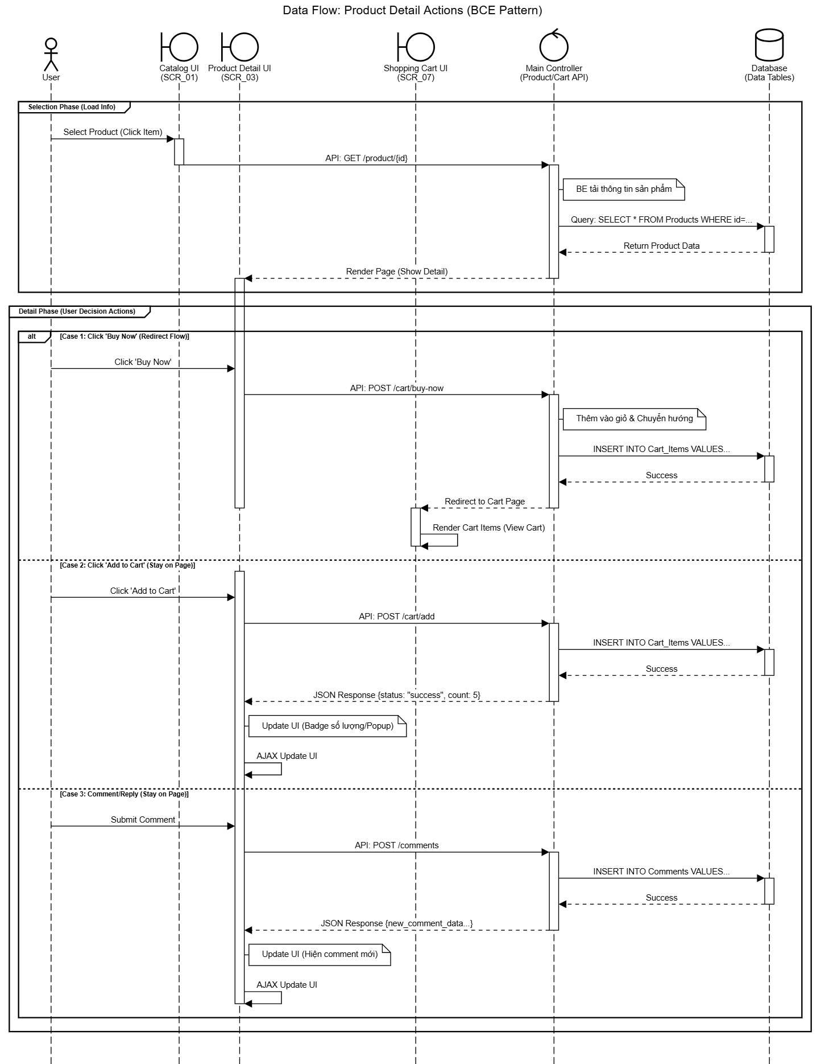

 | Test case Id | Workflow Name | Action | Phase | Page | Involved TCs | Test pass 1 result | Test pass 2 result | Test pass 3 result | Note
 | WF_UC003_1 | Workflow 1 <Buy Now (Basic Flow)>
 |  | 1 | User selects a product to view | Selection | Product Catalog
 |  | 1 -> 2 | System redirects to Product Detail page | Loading | Product Detail (SCR_03)
 |  | 1 -> 2 -> 3 | System loads product information | Display | Product Detail (SCR_03)
 |  | 1 -> 2 -> 3 -> 4 | User clicks 'Buy Now' | Purchase Action | Product Detail (SCR_03)
 |  | 1 -> 2 -> 3 -> 4 -> 5 | System redirects to Shopping Cart with product added | Redirection | Shopping Cart (SCR_07)
 | WF_UC003_2 | Workflow 2 <Add to Cart (Alt Flow 1)>
 |  | 4 | User is on Product Detail page | Viewing | Product Detail (SCR_03)
 |  | 4 -> 4.1 | User clicks 'Add to Cart' | Add Action | Product Detail (SCR_03)
 |  | 4 -> 4.1 -> 4.2 | System adds product to user's cart | Processing | System
 |  | 4 -> 4.1 -> 4.2 -> 4.3 | System updates cart quantity display | Update UI | Product Detail (SCR_03)
 | WF_UC003_3 | Workflow 3 <Comment & Reply (Alt Flow 2)>
 |  | 4.1 | User enters a comment in comment bar | Comment Action | Product Detail (SCR_03)
 |  | 4.1 -> 4.2 | System posts comment (visible to all) | Processing | Product Detail (SCR_03)
 |  | 4.1 -> 4.2 -> 4.3 | User clicks 'Reply' on a comment | Reply Action | Product Detail (SCR_03)
 |  | ... -> 4.4 | System posts reply | Processing | Product Detail (SCR_03)
 | WF_UC003_4 | Workflow 4 <Delete Comment (Optional Flow)>
 |  | 4.3 | User selects own comment to delete | Delete Action | Product Detail (SCR_03)
 |  | 4.3 -> 4.4 | System removes the comment | Processing | Product Detail (SCR_03)

Flow 4
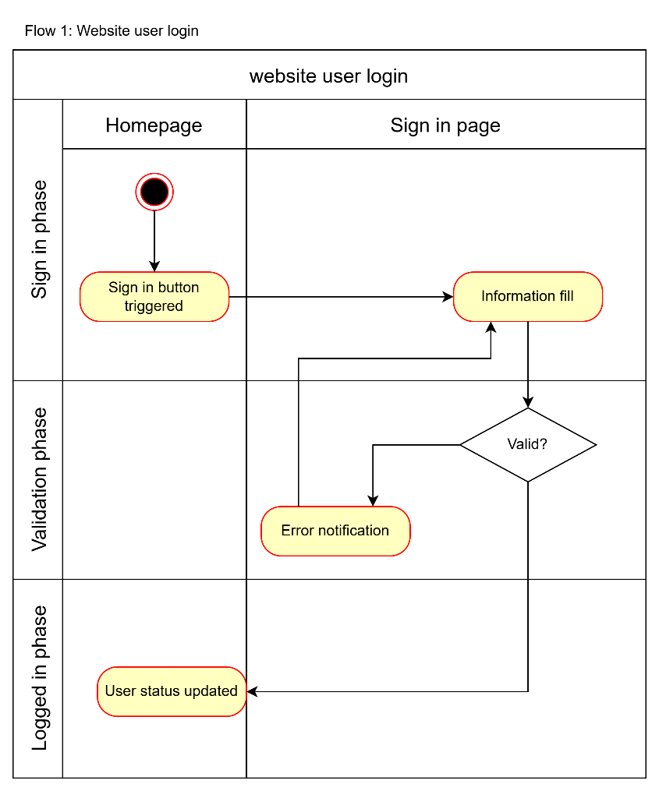
Flow 4
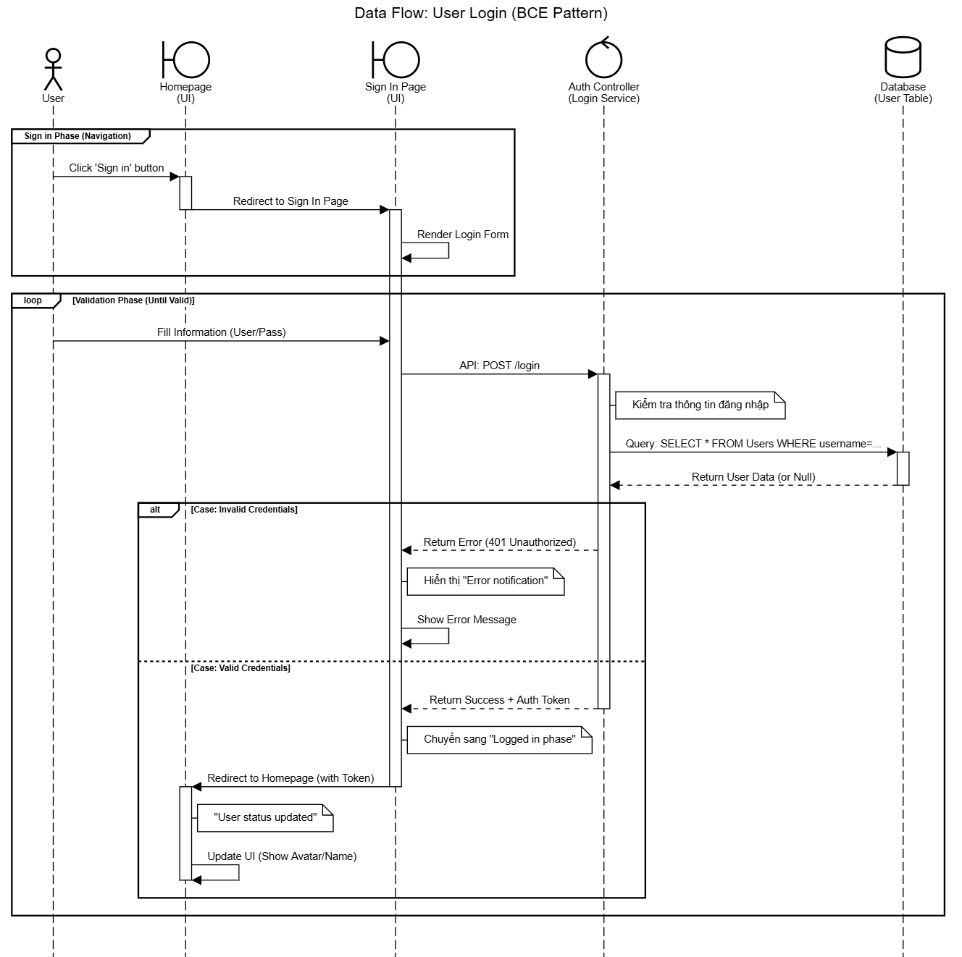

 | Test case Id | Workflow Name | Action | Phase | Page | Involved TCs | Test pass 1 result | Test pass 2 result | Test pass 3 result | Note
 | WF_UC004_1 | Workflow 1 <Customer sign in successfully>
 |  | 1 | Redirect web user to Login Page | Sign in phase | Homepage
 |  | 1 --> 2 | Fill in information needed | Sign in phase | Sign in page (SCR_04)
 |  | 1--> 2 --> 2.1 | Approved sign in | Logged in phase | Homepage
 | WF_UC004_2 | Workflow 2 <Customer sign in failed>
 |  | 1 | Redirect web user to Login Page | Sign in phase | Homepage
 |  | 1 --> 2 | Fill in information needed | Sign in phase | Sign in page (SCR_04)
 |  | 1--> 2.2 | Rejected & show false or missinformation | Validation phase | Sign in page (SCR_04)

Flow 5
Flow 2
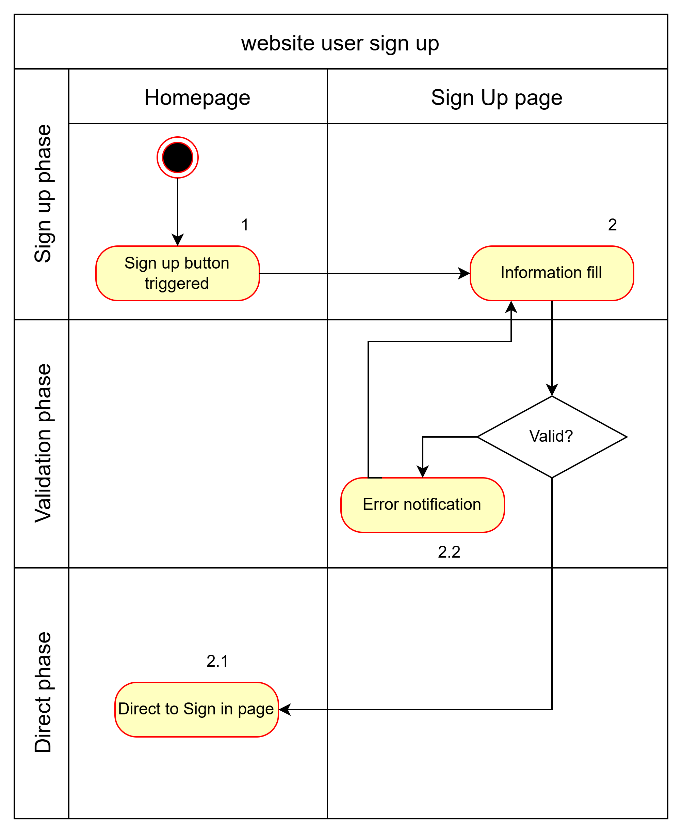
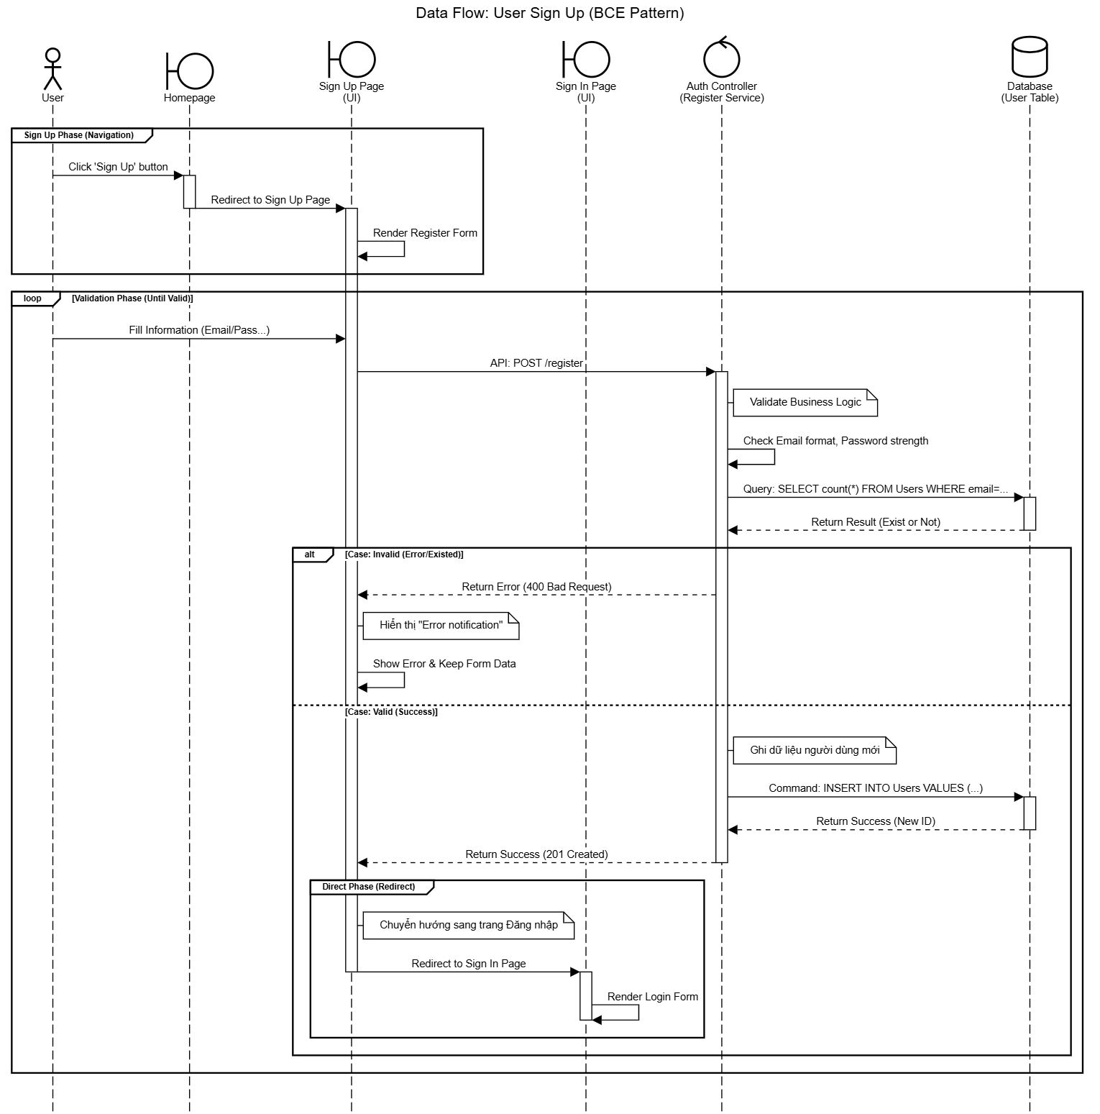

 | Test case Id | Workflow Name | Action | Phase | Page | Involved TCs | Test pass 1 result | Test pass 2 result | Test pass 3 result | Note
 | WF_UC005_1 | Workflow 1 <Customer sign up successfully>
 |  | 1 | Redirect web user to Login Page | Sign up phase | Homepage
 |  | 1 --> 2 | Fill in information needed | Sign up phase | Sign up page (SCR_05)
 |  | 1--> 2 --> 2.1 | Approved sign up | Direct phase | Sign up page (SCR_05)
 | WF_UC005_2 | Workflow 2 <Customer sign up failed>
 |  | 1 | Redirect web user to Login Page | Sign up phase | Homepage
 |  | 1 --> 2 | Fill in information needed | Sign up phase | Sign up page (SCR_05)
 |  | 1--> 2.2 | Rejected & show false or missinformation | Validation phase | Sign up page (SCR_05)

Flow 6
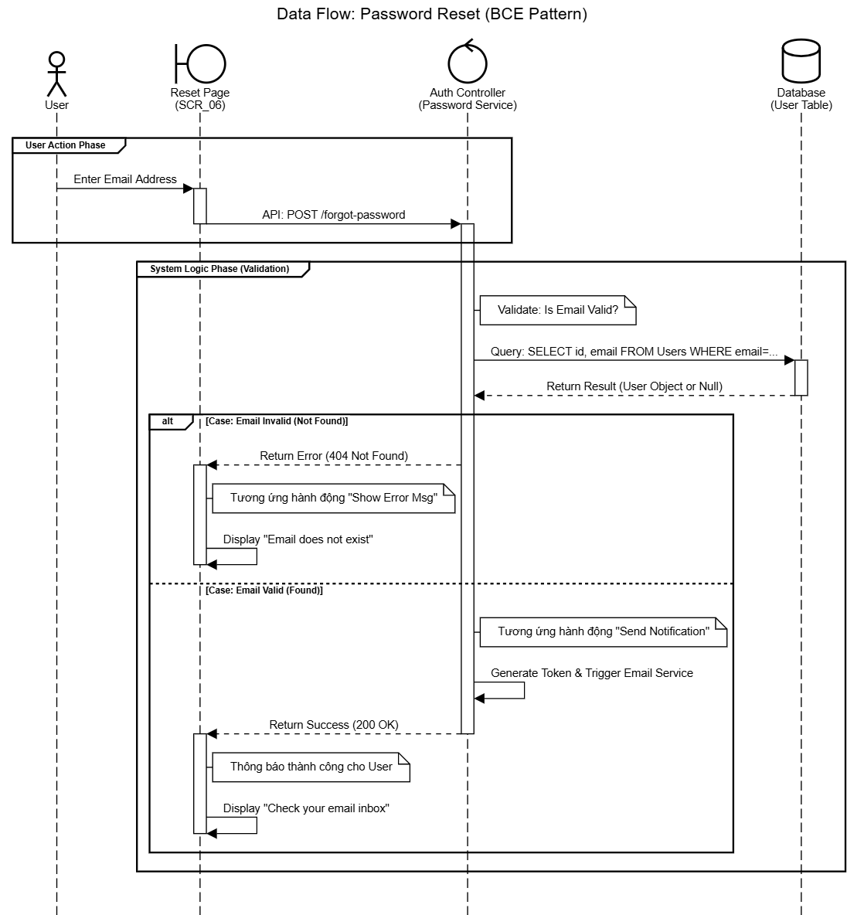
Flow 6

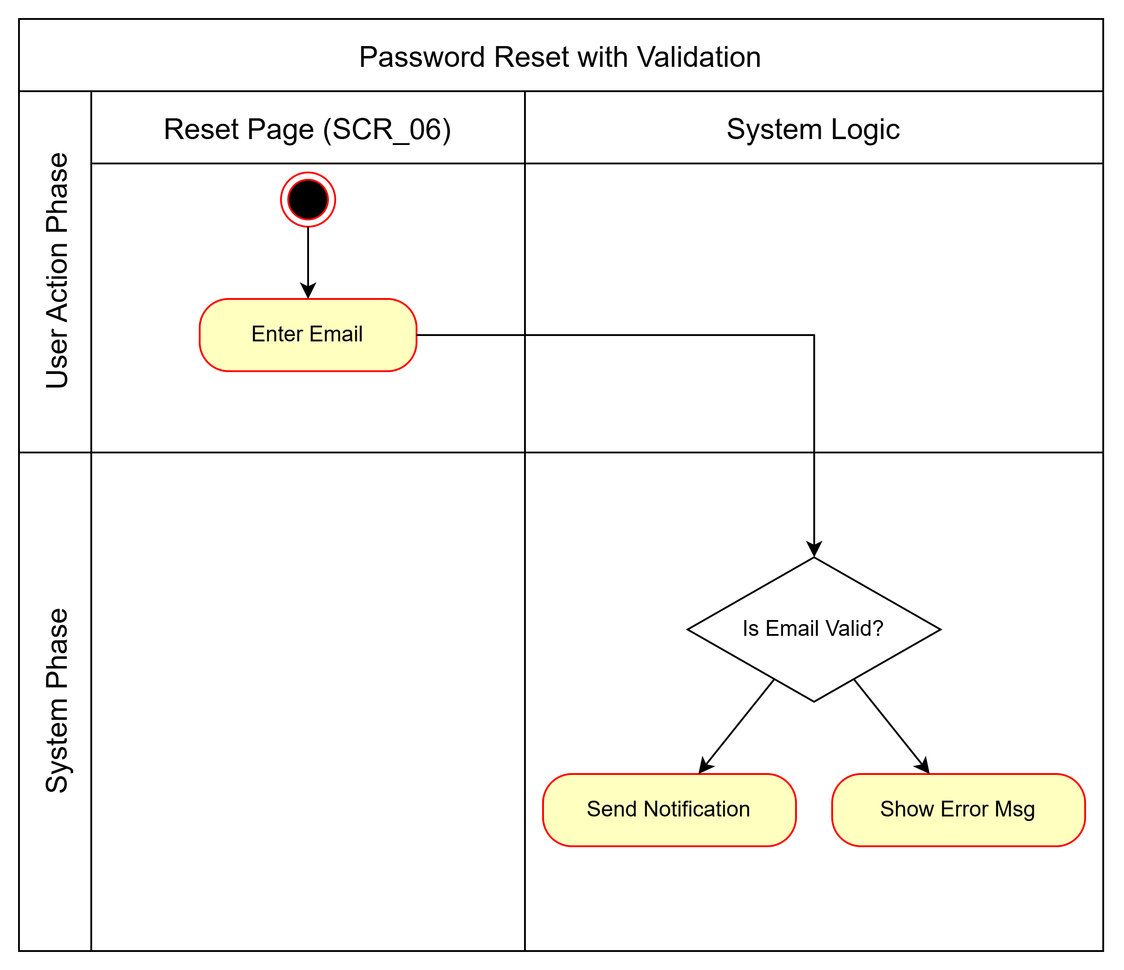

 | Test case Id | Workflow Name | Action | Phase | Page | Involved TCs | Test pass 1 result | Test pass 2 result | Test pass 3 result | Note
 | WF_UC006_1 | Workflow 1 <Reset Password (Success Flow)>
 |  | 1 | User clicks 'Forgot Password' | Initiation | Login Page (SCR_04)
 |  | 1 -> 2 | System redirects to Reset Page | Redirection | Reset Page (SCR_06)
 |  | 1 -> 2 -> 3 | User enters valid registered email | Input | Reset Page (SCR_06)
 |  | 1 -> 2 -> 3 -> 4 | System validates email (Correct) | Validation | System
 |  | 1 -> 2 -> 3 -> 4 -> 4.1 | System sends reset instructions | Processing | System
 | WF_UC006_2 | Workflow 2 <Reset Password (Invalid Email)>
 |  | 1 -> 2 | User is on Reset Page | Input | Reset Page (SCR_06)
 |  | 1 -> 2 -> 3 | User enters invalid/non-existent email | Input | Reset Page (SCR_06)
 |  | 1 -> 2 -> 3 -> 4 | System validates email (Incorrect) | Validation | System
 |  | 1 -> 2 -> 3 -> 4 -> 4.2 | System shows error message | Error Handling | Reset Page (SCR_06) |  |  |  |  | No email sent

Flow 7
Flow 7
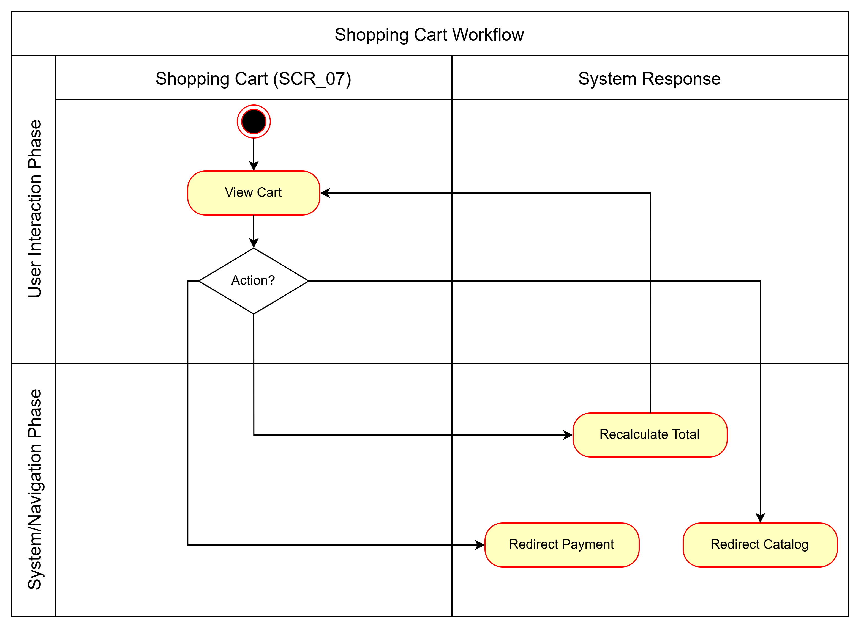
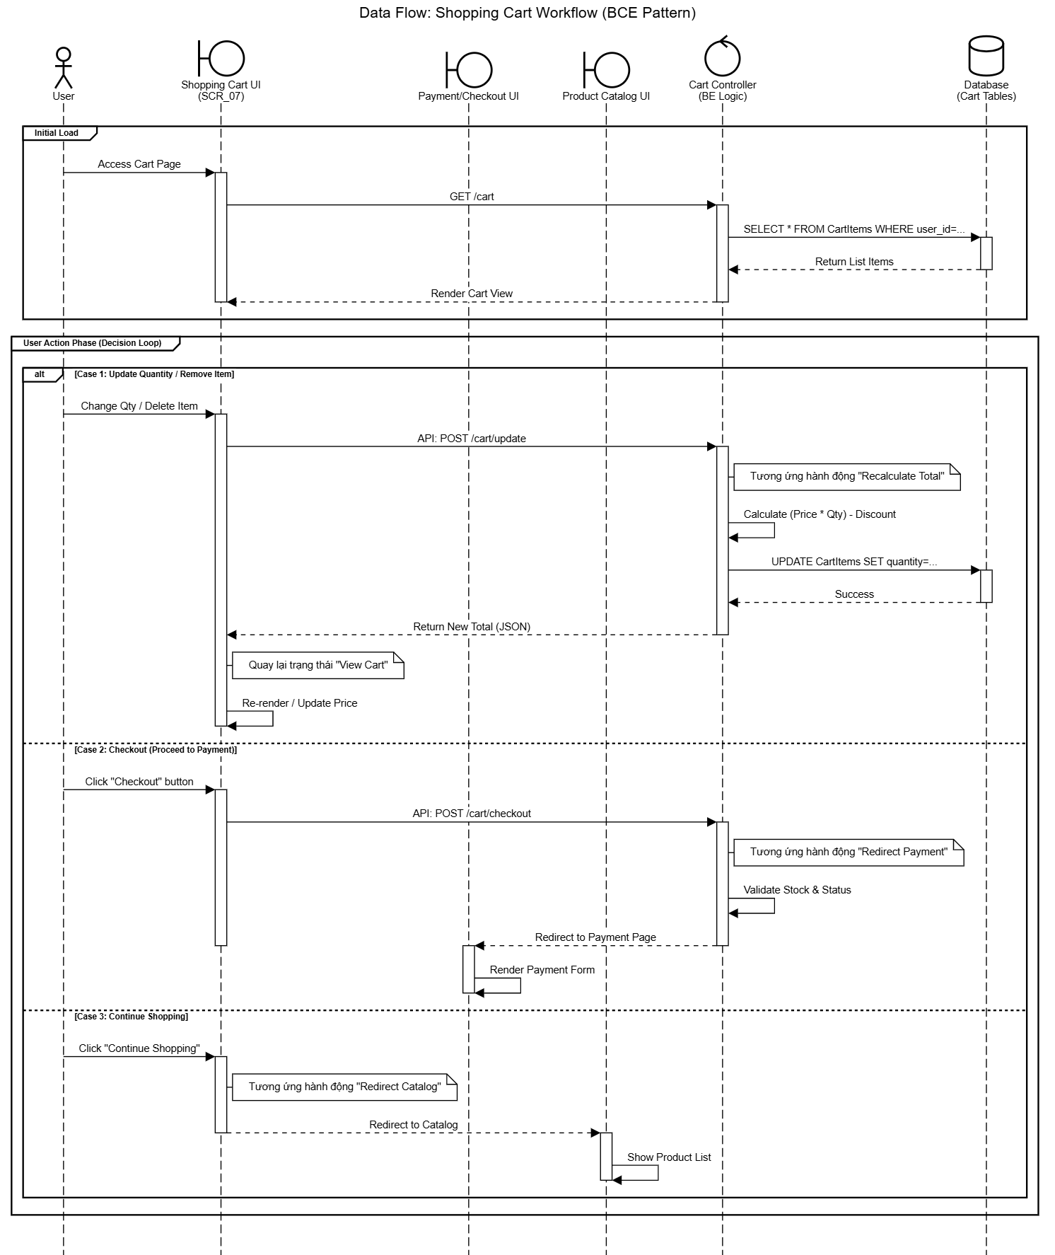

 | Test case Id | Workflow Name | Action | Phase | Page | Involved TCs | Test pass 1 result | Test pass 2 result | Test pass 3 result | Note
 | WF_UC007_1 | Workflow 1 <Manage Cart Items (Basic Flow)>
 |  | 1 | User clicks 'My Cart' | Initiation | Any Page
 |  | 1 -> 2 | System redirects to Shopping Cart | Redirection | Shopping Cart (SCR_07)
 |  | 1 -> 2 -> 3 | User updates product quantity | Update Action | Shopping Cart (SCR_07)
 |  | 1 -> 2 -> 3 -> 4 | System recalculates and updates total price | Processing | Shopping Cart (SCR_07)
 | WF_UC007_2 | Workflow 2 <Proceed to Checkout (Basic Flow)>
 |  | 2 | User is on Shopping Cart page | View | Shopping Cart (SCR_07)
 |  | 2 -> 5 | User clicks 'Checkout' | Checkout Action | Shopping Cart (SCR_07)
 |  | 2 -> 5 -> 6 | System redirects to Payment Page | Redirection | Payment (SCR_08) |  |  |  |  | Ref UC-008
 | WF_UC007_3 | Workflow 3 <Continue Shopping (Alt Flow)>
 |  | 2 | User is on Shopping Cart page | View | Shopping Cart (SCR_07)
 |  | 2 -> 5.1 | User clicks 'Continue Shopping' | Navigation | Shopping Cart (SCR_07)
 |  | 2 -> 5.1 -> 5.2 | System redirects to Product Catalog | Redirection | Product Catalog (SCR_01) |  |  |  |  | Ref UC-001

Flow 8
Flow 8
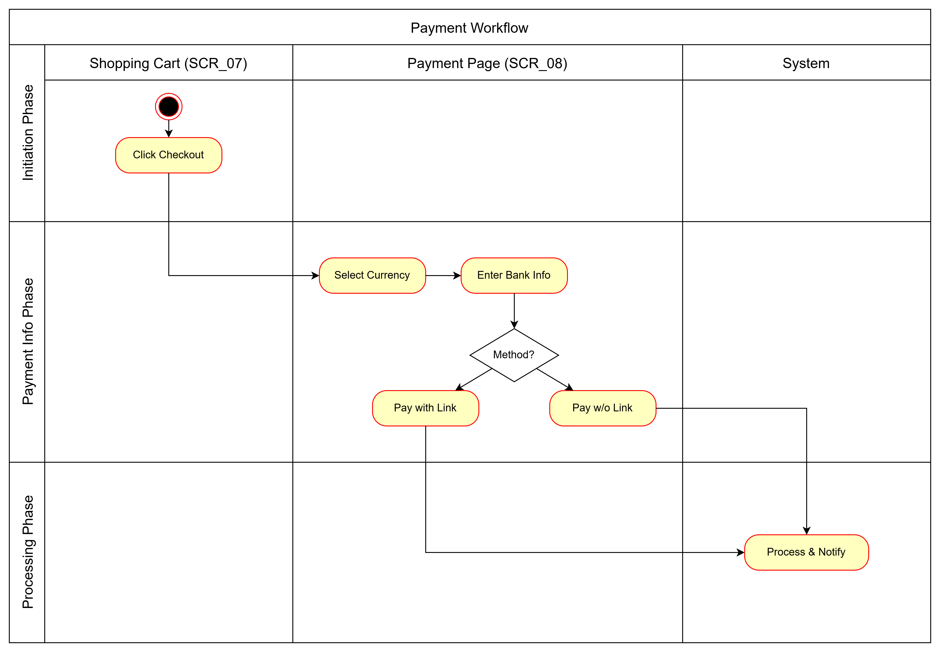
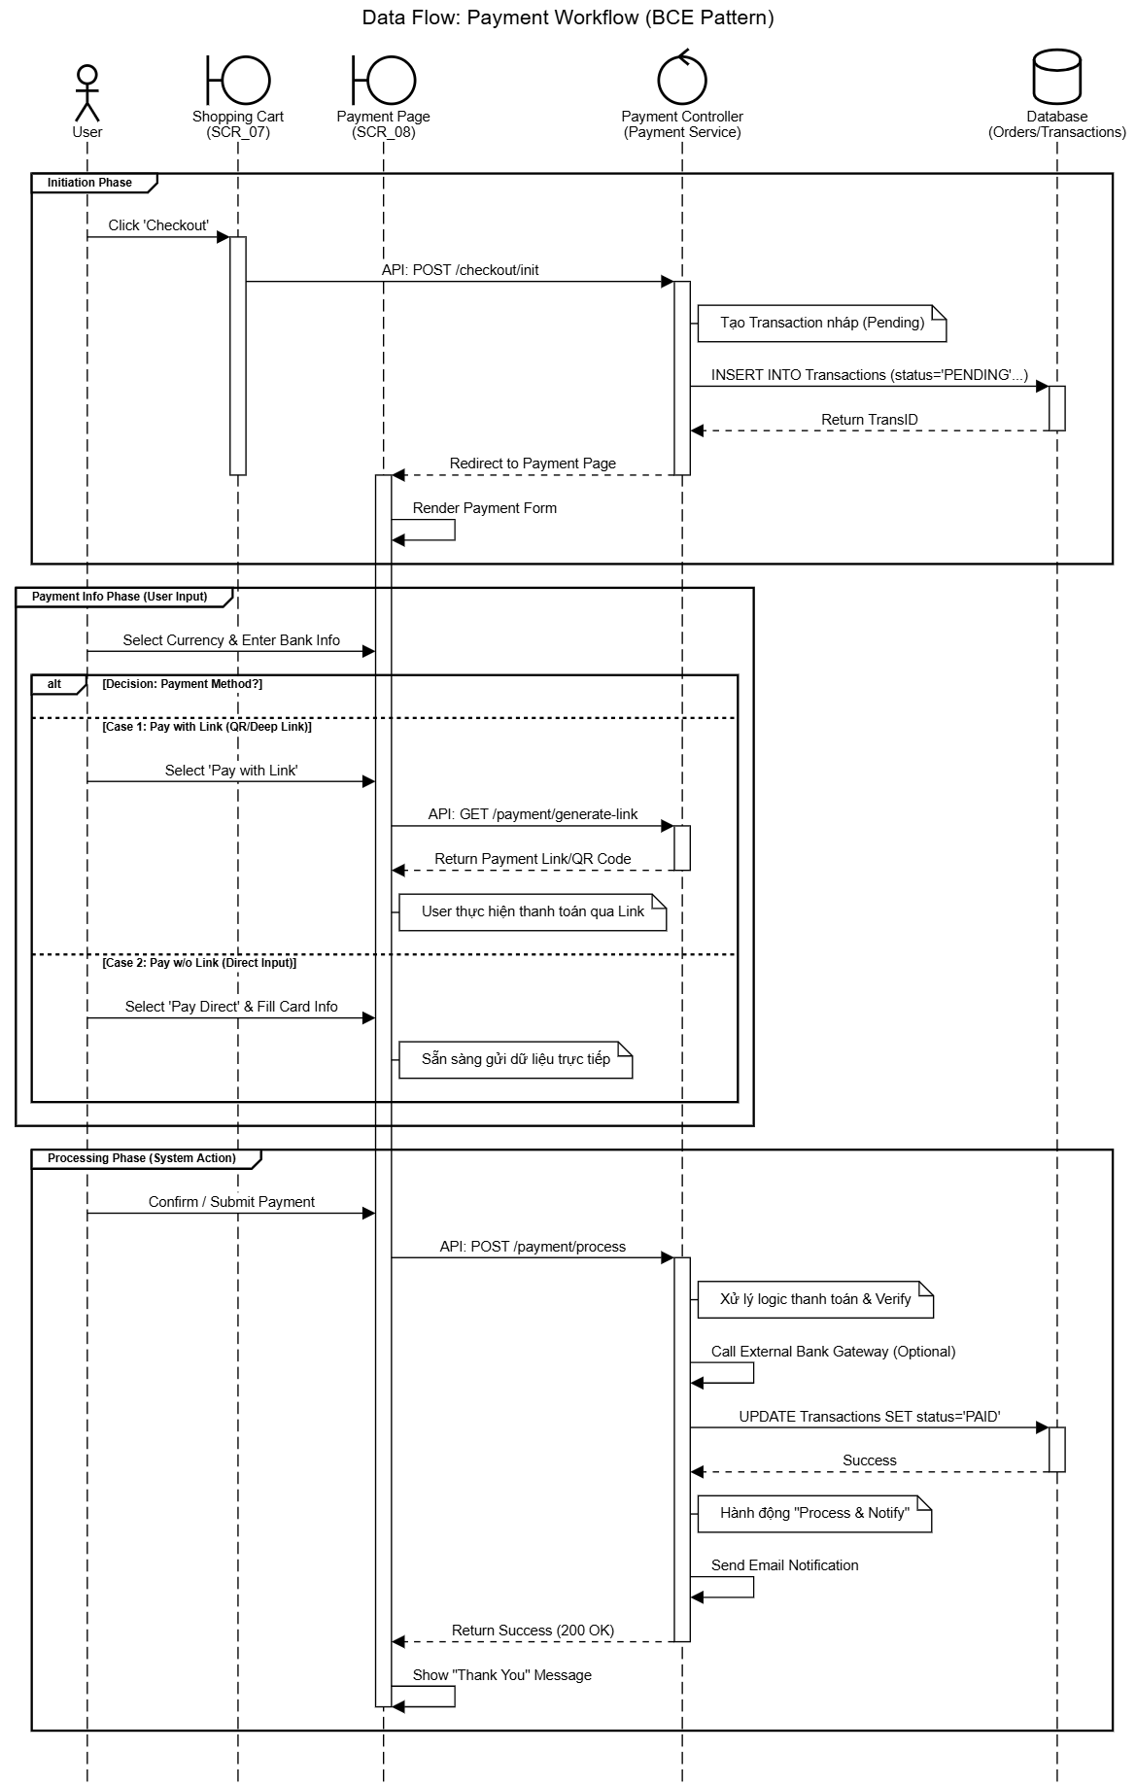

 | Test case Id | Workflow Name | Action | Phase | Page | Involved TCs | Test pass 1 result | Test pass 2 result | Test pass 3 result | Note
 | WF_UC008_1 | Workflow 1: Pay with Link (Basic Flow)
 |  | 1 | User clicks 'Checkout' | Initiation | Shopping Cart (SCR_07) |  |  |  |  | Ref UC-007
 |  | 1 -> 2 | System redirects to Payment Page | Redirection | Payment (SCR_08)
 |  | 1 -> 2 -> 3 | User selects Currency (VND/USD) | Input | Payment (SCR_08)
 |  | 1 -> 2 -> 3 -> 4 | System calculates total amount | Processing | Payment (SCR_08)
 |  | ... -> 5 | User enters Bank Info | Input | Payment (SCR_08)
 |  | ... -> 5 -> 6 | User clicks 'Pay with link' | Action | Payment (SCR_08)
 |  | ... -> 7 | System processes and notifies result | Notification | System
 | WF_UC008_2 | Workflow 2: Pay without Link (Alt Flow)
 |  | ... -> 5 | User enters Bank Info | Input | Payment (SCR_08)
 |  | ... -> 5 -> 6.1 | User clicks 'Pay without link' | Action | Payment (SCR_08)
 |  | ... -> 6.2 | System processes payment offline/manual | Processing | System

Flow 9
Flow 9
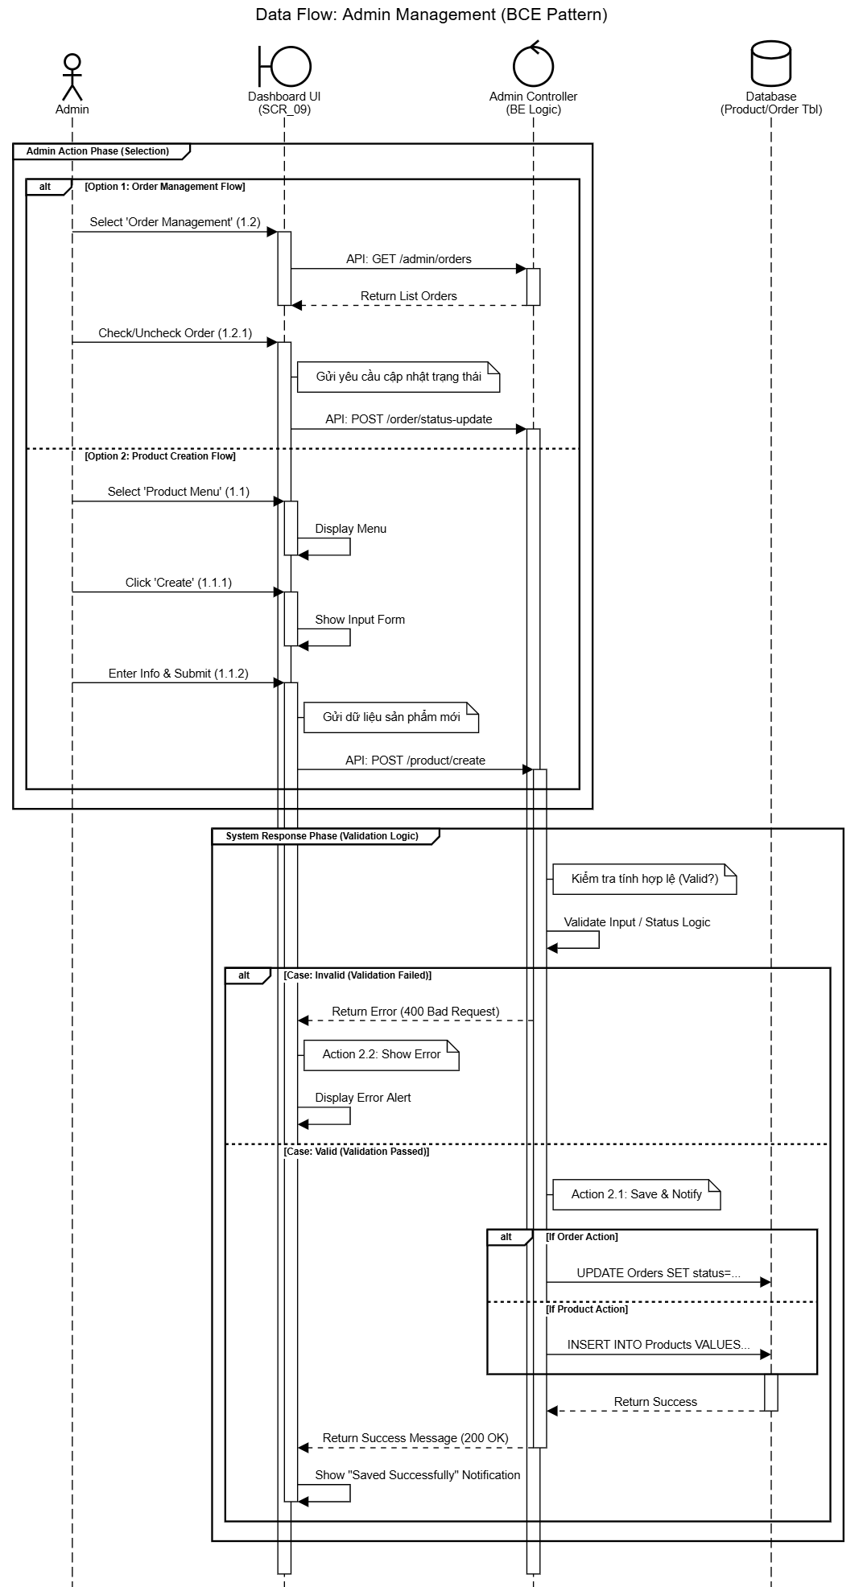
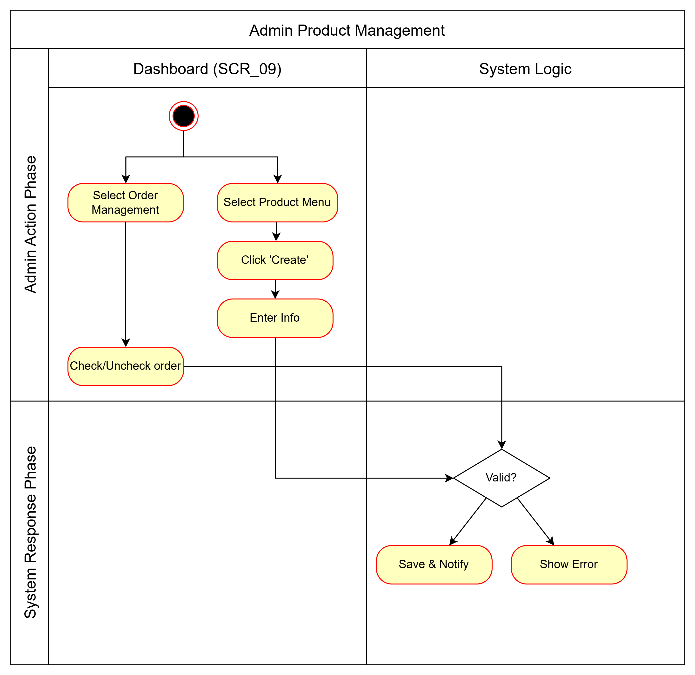

 | Test case Id | Workflow Name | Action | Phase | Page | Involved TCs | Test pass 1 result | Test pass 2 result | Test pass 3 result | Note
 | WF_UC009_1 | Workflow 1 <Add New Product (Basic Flow)>
 |  | 1 | Admin is logged in | Initiation | Dashboard (SCR_09)
 |  | 1 -> 2 | Admin selects 'Product' menu | Navigation | Dashboard (SCR_09)
 |  | 1 -> 2 -> 3 | Admin clicks 'Create' | Action | Dashboard (SCR_09)
 |  | 1 -> 2 -> 3 -> 4 | System shows input form | Display | Dashboard (SCR_09)
 |  | 1 -> 2 -> 3 -> 4 -> 5 | Admin enters product info (Name, Author, Qty...) | Input | Dashboard (SCR_09)
 |  | 1 -> 2 -> 3 -> 4 -> 5 -> 6 | System validates info | Validation | System
 |  | 1 -> 2 -> 3 -> 4 -> 5 -> 6 -> 6.1 | System adds product and notifies success | Processing | Dashboard (SCR_09)
 |  | 1 -> 2 -> 3 -> 4 -> 5 -> 6 -> 6.2 | System notifies error | Display | Dashboard (SCR_09)
 | WF_UC009_2 | Workflow 2 <Checking order (Alt flow)>
 |  | 1

